FRI Results
Final FRI Results by Firm-Year

Firm | Year | P1 Liq. | P2 Cash | P3 Cap. | P4 Debt | FRI Score | Category | FRI Change | Trend
F01 | 2020 | 60.09 | 69.69 | 83.26 | 44.89 | 64.48 | High Resilience | N/A | N/A
F01 | 2021 | 63.74 | 75.35 | 82.06 | 58.08 | 69.81 | High Resilience | 5.33 | Improved
F01 | 2022 | 65.63 | 94.11 | 83.42 | 74.96 | 79.53 | High Resilience | 9.72 | Improved
F01 | 2023 | 65.98 | 87.72 | 90.24 | 92.67 | 84.15 | High Resilience | 4.62 | Improved
F01 | 2024 | 62.87 | 93.46 | 91.95 | 100.00 | 87.07 | High Resilience | 2.92 | Improved
F02 | 2020 | 42.24 | 41.02 | 71.39 | 40.92 | 48.89 | Medium Resilience | N/A | N/A | Chart : Yearly FRI Evolution Across Firms
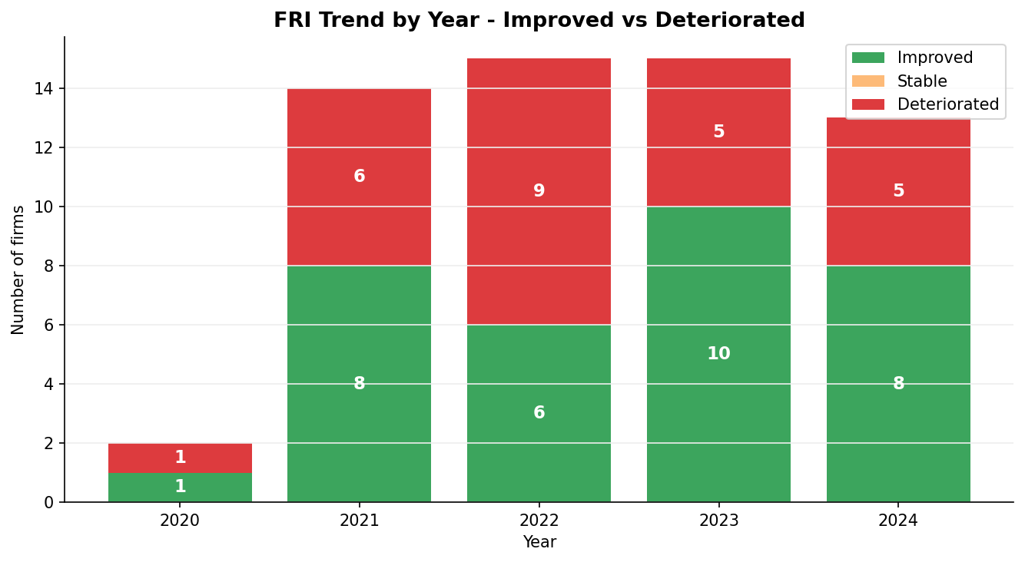
F02 | 2021 | 53.43 | 71.06 | 70.06 | 72.08 | 66.66 | Medium Resilience | 17.77 | Improved
F02 | 2022 | 49.32 | 42.13 | 77.39 | 29.73 | 49.64 | Medium Resilience | -17.02 | Deteriorated
F02 | 2023 | 53.19 | 81.51 | 68.43 | 57.18 | 65.08 | Medium Resilience | 15.44 | Improved
F02 | 2024 | 53.62 | 99.46 | 74.40 | 86.23 | 78.43 | Medium Resilience | 13.35 | Improved
F03 | 2019 | 43.47 | 41.85 | 42.64 | 36.55 | 41.13 | Low Resilience | N/A | N/A
F03 | 2020 | 32.34 | 62.54 | 21.05 | 53.01 | 42.24 | Low Resilience | 1.11 | Improved
F03 | 2021 | 49.97 | 31.53 | 35.90 | 17.28 | 33.67 | Low Resilience | -8.57 | Deteriorated
F03 | 2022 | 25.69 | 62.69 | 15.79 | 63.24 | 41.85 | Low Resilience | 8.18 | Improved
F03 | 2023 | 29.62 | 58.49 | 23.05 | 74.09 | 46.31 | Low Resilience | 4.46 | Improved
F04 | 2020 | 65.33 | 44.60 | 76.18 | 44.02 | 57.53 | Low Resilience | N/A | N/A
F04 | 2021 | 50.72 | 53.08 | 70.73 | 61.74 | 59.07 | Low Resilience | 1.54 | Improved
F04 | 2022 | 46.05 | 12.31 | 57.21 | 27.11 | 35.67 | Low Resilience | -23.4 | Deteriorated
F04 | 2023 | 47.44 | 18.16 | 69.55 | 47.69 | 45.71 | Low Resilience | 10.04 | Improved
F04 | 2024 | 55.56 | 52.91 | 67.82 | 59.45 | 58.94 | Low Resilience | 13.23 | Improved
F05 | 2020 | 60.31 | 71.09 | 62.00 | 66.01 | 64.85 | High Resilience | N/A | N/A
F05 | 2021 | 60.76 | 65.38 | 74.98 | 53.17 | 63.57 | High Resilience | -1.28 | Deteriorated
F05 | 2022 | 48.09 | 62.61 | 70.70 | 57.06 | 59.61 | High Resilience | -3.96 | Deteriorated
F05 | 2023 | 42.71 | 77.46 | 59.38 | 72.24 | 62.95 | High Resilience | 3.34 | Improved
F05 | 2024 | 49.38 | 68.48 | 67.55 | 74.87 | 65.07 | High Resilience | 2.12 | Improved
F06 | 2021 | 94.66 | 41.89 | 100.00 | 18.98 | 63.88 | High Resilience | N/A | N/A
F06 | 2022 | 97.42 | 69.67 | 99.52 | 80.22 | 86.71 | High Resilience | 22.83 | Improved |  | Source: Author’s analysis using Python
F06 | 2023 | 99.94 | 39.65 | 99.79 | 26.26 | 66.41 | High Resilience | -20.3 | Deteriorated
F06 | 2024 | 83.64 | 9.62 | 98.19 | 0.00 | 47.86 | High Resilience | -18.55 | Deteriorated
F07 | 2020 | 25.50 | 56.82 | 65.33 | 62.63 | 52.57 | Medium Resilience | N/A | N/A
F07 | 2021 | 47.63 | 80.99 | 63.65 | 86.31 | 69.64 | Medium Resilience | 17.07 | Improved
F07 | 2022 | 47.41 | 76.46 | 59.69 | 40.45 | 56.00 | Medium Resilience | -13.64 | Deteriorated
F07 | 2023 | 39.74 | 59.76 | 62.79 | 70.02 | 58.08 | Medium Resilience | 2.08 | Improved
F07 | 2024 | 51.31 | 68.86 | 68.87 | 78.98 | 67.00 | Medium Resilience | 8.92 | Improved
F08 | 2020 | 0.00 | 70.61 | 9.92 | 54.23 | 33.69 | Low Resilience | N/A | N/A
F08 | 2021 | 18.54 | 97.52 | 2.78 | 60.72 | 44.89 | Low Resilience | 11.2 | Improved
F08 | 2022 | 36.27 | 99.71 | 6.15 | 66.53 | 52.17 | Low Resilience | 7.28 | Improved
F08 | 2023 | 31.95 | 100.00 | 11.41 | 65.06 | 52.10 | Low Resilience | -0.07 | Deteriorated
F08 | 2024 | 57.42 | 82.65 | 66.73 | 47.81 | 63.65 | Low Resilience | 11.55 | Improved
F09 | 2019 | 65.21 | 81.31 | 85.33 | 73.79 | 76.41 | High Resilience | N/A | N/A
F09 | 2020 | 69.48 | 52.33 | 85.11 | 39.12 | 61.51 | High Resilience | -14.9 | Deteriorated
F09 | 2021 | 66.15 | 89.88 | 89.02 | 89.94 | 83.75 | High Resilience | 22.24 | Improved
F09 | 2022 | 81.85 | 55.27 | 98.60 | 72.03 | 76.94 | High Resilience | -6.81 | Deteriorated
F09 | 2023 | 75.85 | 71.41 | 89.73 | 72.93 | 77.48 | High Resilience | 0.54 | Improved
F10 | 2020 | 38.35 | 59.40 | 61.54 | 67.80 | 56.77 | Low Resilience | N/A | N/A
F10 | 2021 | 36.88 | 36.15 | 61.89 | 54.73 | 47.41 | Low Resilience | -9.36 | Deteriorated
F10 | 2022 | 41.40 | 24.78 | 53.84 | 42.58 | 40.65 | Low Resilience | -6.76 | Deteriorated
F10 | 2023 | 53.84 | 33.41 | 56.14 | 48.36 | 47.94 | Low Resilience | 7.29 | Improved
F10 | 2024 | 62.09 | 46.09 | 67.94 | 58.60 | 58.68 | Low Resilience | 10.74 | Improved
F11 | 2020 | 40.10 | 36.41 | 59.26 | 53.16 | 47.23 | Low Resilience | N/A | N/A
F11 | 2021 | 27.74 | 37.95 | 34.18 | 46.95 | 36.71 | Low Resilience | -10.52 | Deteriorated
F11 | 2022 | 22.46 | 45.60 | 8.08 | 55.74 | 32.97 | Low Resilience | -3.74 | Deteriorated
F11 | 2023 | 25.32 | 48.29 | 36.81 | 59.41 | 42.46 | Low Resilience | 9.49 | Improved
F11 | 2024 | 24.73 | 0.00 | 44.95 | 2.79 | 18.12 | Low Resilience | -24.34 | Deteriorated
F12 | 2020 | 91.21 | 64.19 | 79.32 | 52.77 | 71.87 | Medium Resilience | N/A | N/A
F12 | 2021 | 83.91 | 64.74 | 79.19 | 59.67 | 71.88 | Medium Resilience | 0.01 | Improved
F12 | 2022 | 52.64 | 37.81 | 75.40 | 66.25 | 58.03 | Medium Resilience | -13.85 | Deteriorated
F12 | 2023 | 46.75 | 41.18 | 64.07 | 56.18 | 52.04 | Medium Resilience | -5.99 | Deteriorated
F12 | 2024 | 38.64 | 13.20 | 64.99 | 43.48 | 40.08 | Medium Resilience | -11.96 | Deteriorated
F13 | 2020 | 0.00 | 79.18 | 9.92 | 58.08 | 36.79 | Medium Resilience | N/A | N/A
F13 | 2021 | 18.53 | 97.52 | 2.78 | 60.72 | 44.89 | Medium Resilience | 8.1 | Improved
F13 | 2022 | 41.17 | 69.36 | 65.17 | 88.42 | 66.03 | Medium Resilience | 21.14 | Improved
F13 | 2023 | 54.27 | 54.69 | 88.86 | 65.39 | 65.80 | Medium Resilience | -0.23 | Deteriorated
F13 | 2024 | 51.15 | 56.08 | 88.62 | 59.79 | 63.91 | Medium Resilience | -1.89 | Deteriorated
F14 | 2020 | 53.23 | 72.79 | 77.62 | 76.65 | 70.07 | High Resilience | N/A | N/A
F14 | 2021 | 100.00 | 35.19 | 89.23 | 22.23 | 61.66 | High Resilience | -8.41 | Deteriorated
F14 | 2022 | 77.03 | 79.18 | 92.12 | 100.00 | 87.08 | High Resilience | 25.42 | Improved
F14 | 2023 | 63.29 | 67.25 | 88.37 | 91.70 | 77.65 | High Resilience | -9.43 | Deteriorated
F14 | 2024 | 77.22 | 22.74 | 93.67 | 56.10 | 62.43 | High Resilience | -15.22 | Deteriorated
F15 | 2020 | 53.45 | 42.49 | 79.62 | 57.70 | 58.32 | Medium Resilience | N/A | N/A
F15 | 2021 | 56.22 | 26.70 | 73.96 | 53.91 | 52.70 | Medium Resilience | -5.62 | Deteriorated
F15 | 2022 | 64.24 | 6.90 | 70.32 | 47.21 | 47.17 | Medium Resilience | -5.53 | Deteriorated
F15 | 2023 | 65.45 | 33.08 | 73.96 | 50.14 | 55.66 | Medium Resilience | 8.49 | Improved
F15 | 2024 | 69.89 | 40.74 | 77.56 | 52.37 | 60.14 | Medium Resilience | 4.48 | Improved

PCA_Diagnostic
PCA Diagnostics — KMO, Variance & Loadings
KMO values above 0.60 and PC1 explained variance above 40% indicate acceptable PCA adequacy.
PCA LOG — Overview
pillar | kmo | kmo_interpretation | pc1_var_pct | pc2_var_pct | pc3_var_pct | eigenvalue_pc1 | orientation_corr | flipped | n_obs
P1_Liquidity | 0.64 | Good | 75.86 | 18.48 | 5.66 | 2.31 | 1.00 | No | 74
P2_Cash_Generation | 0.63 | Good | 56.64 | 24.06 | 19.30 | 1.72 | 1.00 | No | 74
P3_Capital_Structure | 0.67 | Good | 87.65 | 9.65 | 2.69 | 2.67 | 1.00 | No | 74
P4_Debt_Sustainability | 0.59 | Acceptable | 73.01 | 23.49 | 3.50 | 2.22 | 1.00 | No | 74

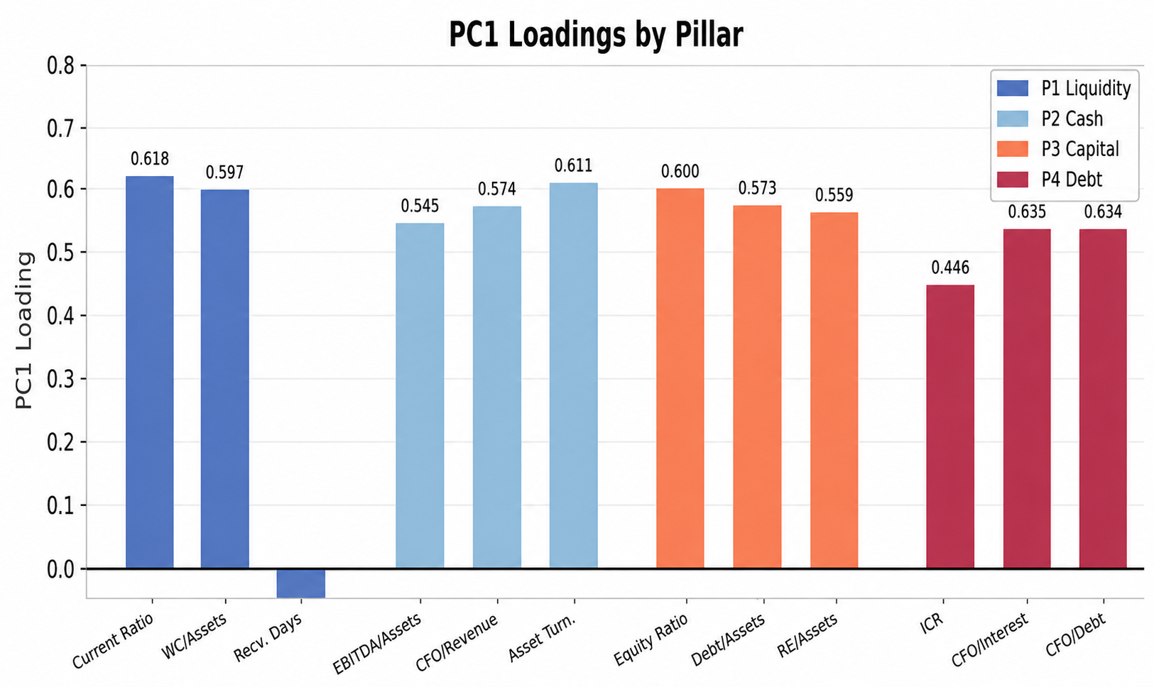
PC1 LOADINGS |  |  |  |  | PC1 Loadings by Pillar
pillar | indicator | pc1_loading
P1_Liquidity | current_ratio | 0.62
P1_Liquidity | wc_total_assets | 0.60
P1_Liquidity | receivables_days | -0.51
P2_Cash_Generation | ebitda_total_assets | 0.55
P2_Cash_Generation | cfo_revenue | 0.57
P2_Cash_Generation | asset_turnover | 0.61
P3_Capital_Structure | equity_ratio | 0.60
P3_Capital_Structure | financial_debt_total_assets | 0.57
P3_Capital_Structure | retained_earnings_total_assets | 0.56
P4_Debt_Sustainability | icr | 0.45
P4_Debt_Sustainability | cfo_interest_coverage | 0.63
P4_Debt_Sustainability | cfo_financial_debt | 0.63

 |  |  |  |  |  | Source: Author’s analysis using Python

FRI_Visualizations
FRI Visualizations

 | Chart 1: FRI Score Distribution |  |  | Chart 2 : FRI Heatmap Firm x Year
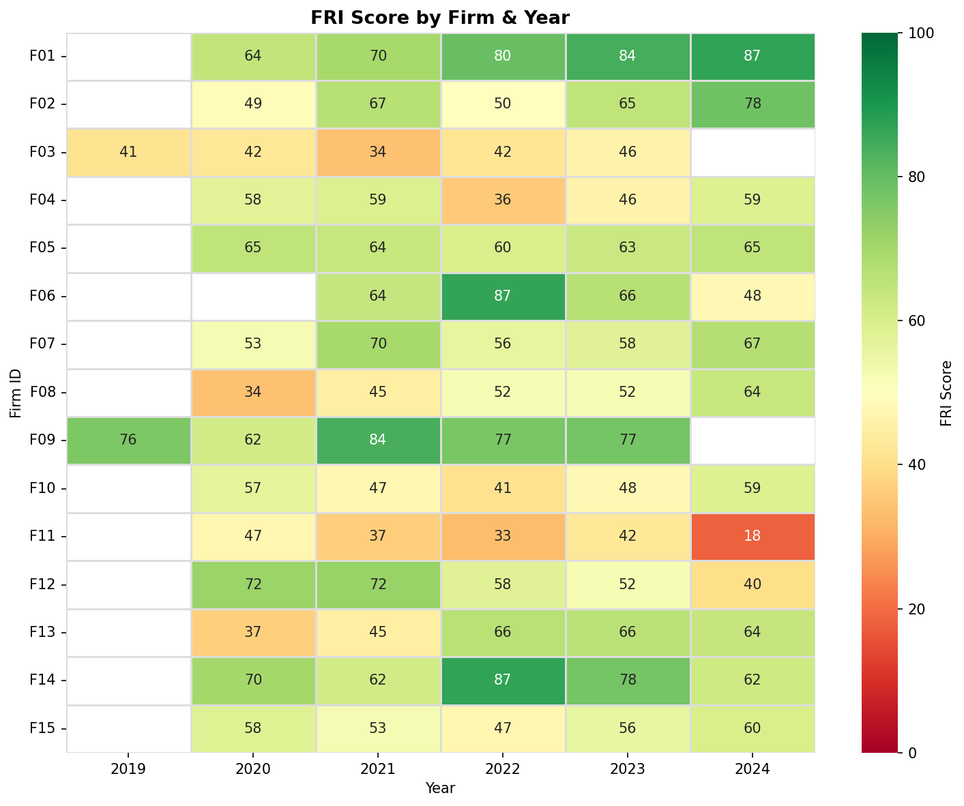

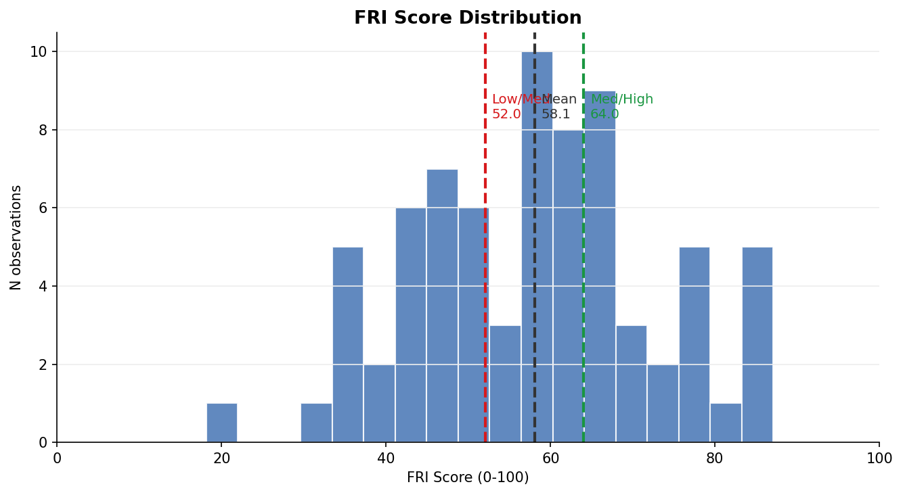

 |  | Source: Author’s analysis using Python | Source: Author’s analysis using Python

 |  | Chart 3 : Pillar Score Boxplots |  | Chart 4 : Yearly FRI Evolution Across Firms
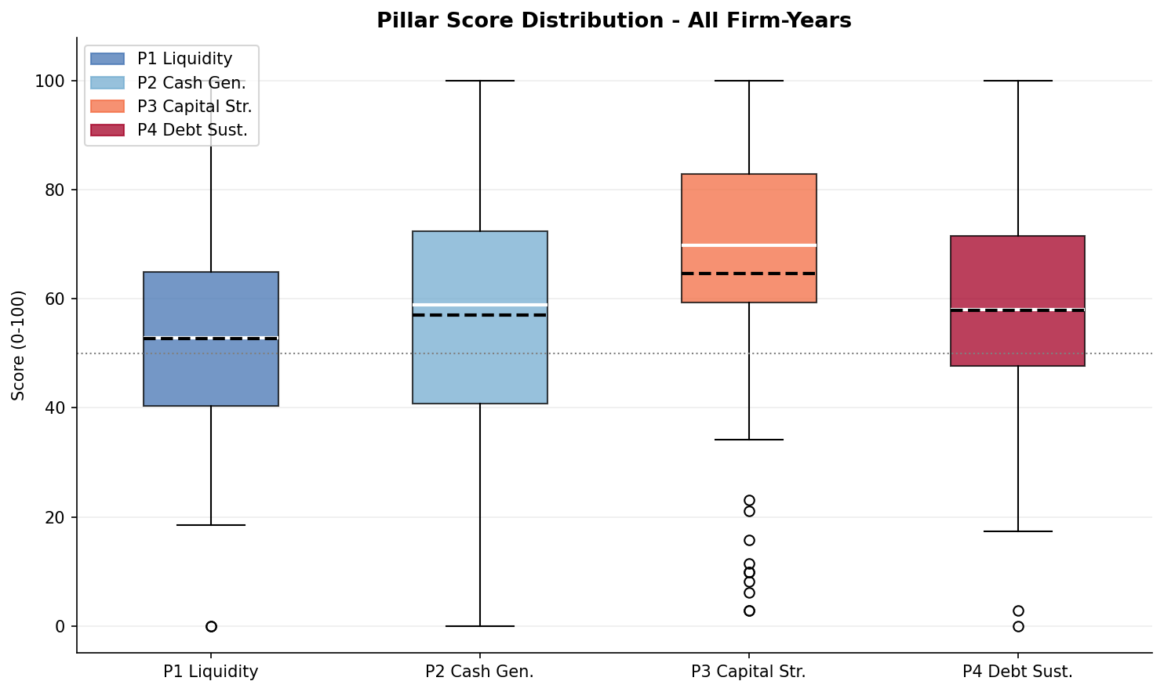

 |  | Source: Author’s analysis using Python |  | Source: Author’s analysis using Python

Spearman
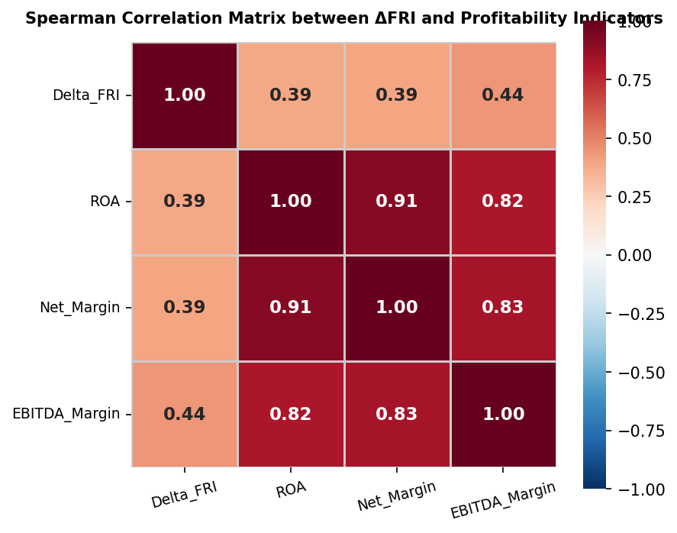
Spearman rank correlation |  |  |  |  |  |  | Spearman Correlation Matrix between ΔFRI and Profitability Indicators
Fisher-z 95% CI
Variable Pair | n | rho | p_value | sig | CI_low | CI_high
Delta_FRI vs ROA | 59 | 0.39 | 0.00 | ** | 0.14 | 0.58
Delta_FRI vs Net_Margin | 59 | 0.39 | 0.00 | ** | 0.15 | 0.59
Delta_FRI vs EBITDA_Margin | 59 | 0.44 | 0.00 | *** | 0.21 | 0.62

All three correlations are positive and highly significant (p < 0.001), with Spearman's ρ ranging from 0.39 to 0.44. This indicates that firms experiencing greater improvements in their Financial Resilience Index (ΔFRI) tend to exhibit stronger profitability performance across all three measures (ROA, Net Margin, and EBITDA Margin). The confidence intervals remain entirely above zero, reinforcing the robustness and reliability of these positive associations. While the correlations are moderate in magnitude, they provide initial empirical support for the relevance of improvements in financial resilience as a factor associated with enhanced firm profitability.

 |  |  |  |  |  |  |  | Source: Author’s analysis using Python

Bootstrap

Bootstrap robustness check |  |  |  |  |  | Bootstrap Validation of Spearman Correlations
5,000 resamples of the Spearman ρ — 95% percentile CIs
pair | rho_mean | CI_low | CI_high | excl_zero
Delta_FRI vs ROA | 0.38 | 0.12 | 0.60 | Yes
Delta_FRI vs Net_Margin | 0.39 | 0.14 | 0.60 | Yes
Delta_FRI vs EBITDA_Margin | 0.43 | 0.17 | 0.67 | Yes

The bootstrap test confirms that the Spearman correlations are stable and reliable. After 5,000 random resamples, the results barely change and all confidence intervals remain entirely above zero , meaning the relationships between Delta_FRI and the three profitability variables are robust, not driven by a few unusual observations.

 |  |  |  |  |  |  | Source: Author’s analysis using Python

 |  |  |  |  | The bootstrap distributions appear approximately bell-shaped and centered around the original Spearman coefficients, indicating stable and robust correlation estimates across resamples.

Governance_Score
Governance Score calculation

Method : Score dimension = (sum of 4 questions / 12) × 100 | Final score = average of 4 dimensions

Code | Question | F01 | F02 | F03 | F04 | F05 | F06 | F07 | F08 | F09 | F10 | F11 | F12 | F13 | F14 | F15
 |  | Score | Score | Score | Score | Score | Score | Score | Score | Score | Score | Score | Score | Score | Score | Score
Dimension 1 : Governance Structure and Strategic Oversight
Dimension 2 : Financial Reporting, Internal Control and Risk Monitoring
Dimension 3 : Shareholder and Investor Rights and Transparency
Dimension 4 : Ethics, Compliance and Business Continuity

Results
Dimension 1 - total |  | 9 | 8 | 5 | 6 | 7 | 8 | 7 | 7 | 9 | 8 | 7 | 8 | 7 | 8 | 10
Dimension 1 - score |  | 75.0 | 66.7 | 41.7 | 50.0 | 58.3 | 66.7 | 58.3 | 58.3 | 75.0 | 66.7 | 58.3 | 66.7 | 58.3 | 66.7 | 83.3
Dimension 2 - total |  | 11 | 10 | 8 | 9 | 8 | 9 | 11 | 10 | 10 | 7 | 9 | 10 | 9 | 8 | 9
Dimension 2 - score |  | 91.7 | 83.3 | 66.7 | 75.0 | 66.7 | 75.0 | 91.7 | 83.3 | 83.3 | 58.3 | 75.0 | 83.3 | 75.0 | 66.7 | 75.0
Dimension 3 - total |  | 12 | 11 | 6 | 8 | 3 | 5 | 10 | 9 | 9 | 10 | 8 | 8 | 8 | 9 | 7
Dimension 3 - score |  | 100.0 | 91.7 | 50.0 | 66.7 | 25.0 | 41.7 | 83.3 | 75.0 | 75.0 | 83.3 | 66.7 | 66.7 | 66.7 | 75.0 | 58.3
Dimension 4 - total |  | 10 | 7 | 5 | 6 | 4 | 6 | 8 | 9 | 9 | 3 | 5 | 5 | 6 | 6 | 6
Dimension 4 - score |  | 83.3 | 58.3 | 41.7 | 50.0 | 33.3 | 50.0 | 66.7 | 75.0 | 75.0 | 25.0 | 41.7 | 41.7 | 50.0 | 50.0 | 50.0
Final Score |  | 87.5 | 75.0 | 50.0 | 60.4 | 45.8 | 58.3 | 75.0 | 72.9 | 77.1 | 58.3 | 60.4 | 64.6 | 62.5 | 64.6 | 66.7

 |  | F01 | F02 | F03 | F04 | F05 | F06 | F07 | F08 | F09 | F10 | F11 | F12 | F13 | F14 | F15
 |  | 87.50 | 75.00 | 50.00 | 60.42 | 45.83 | 58.33 | 75.00 | 72.92 | 77.08 | 58.33 | 60.42 | 64.58 | 62.50 | 64.58 | 66.67

 |  |  |  |  |  |  |  |  |  |  | Source : Author

G_score vs FRI
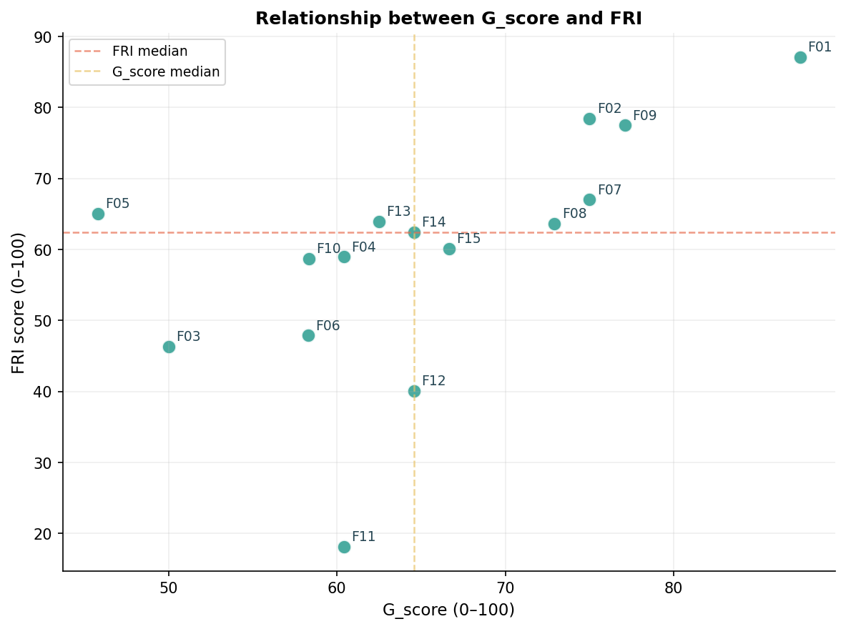
Cross-instrument validation: G_score vs FRI
 |  |  |  |  |  |  | Relationship between G_score and FRI
pair | n | rho | p_value | sig | CI_low | CI_high
G score vs FRI_score | 15 | 0.67 | 0.01 | ** | 0.23 | 0.88

The correlation between G score and FRI_score is positive and statistically significant (ρ = 0.67, p = 0.01), indicating that firms with stronger governance practices tend to exhibit higher levels of financial resilience. The confidence interval [0.23, 0.88] remains entirely above zero, supporting the robustness of this positive association. Although the sample includes only 15 firms, the relatively strong correlation provides initial evidence that governance quality may be an important factor associated with financial resilience.

 |  |  |  |  |  |  |  | Source: Author’s analysis using Python

Cluster_summary
Mean Financial Pillar Scores by Cluster |  |  |  |  |  |  |  | Chart : Portfolio Mapping of Firms on the First Two Principal Components
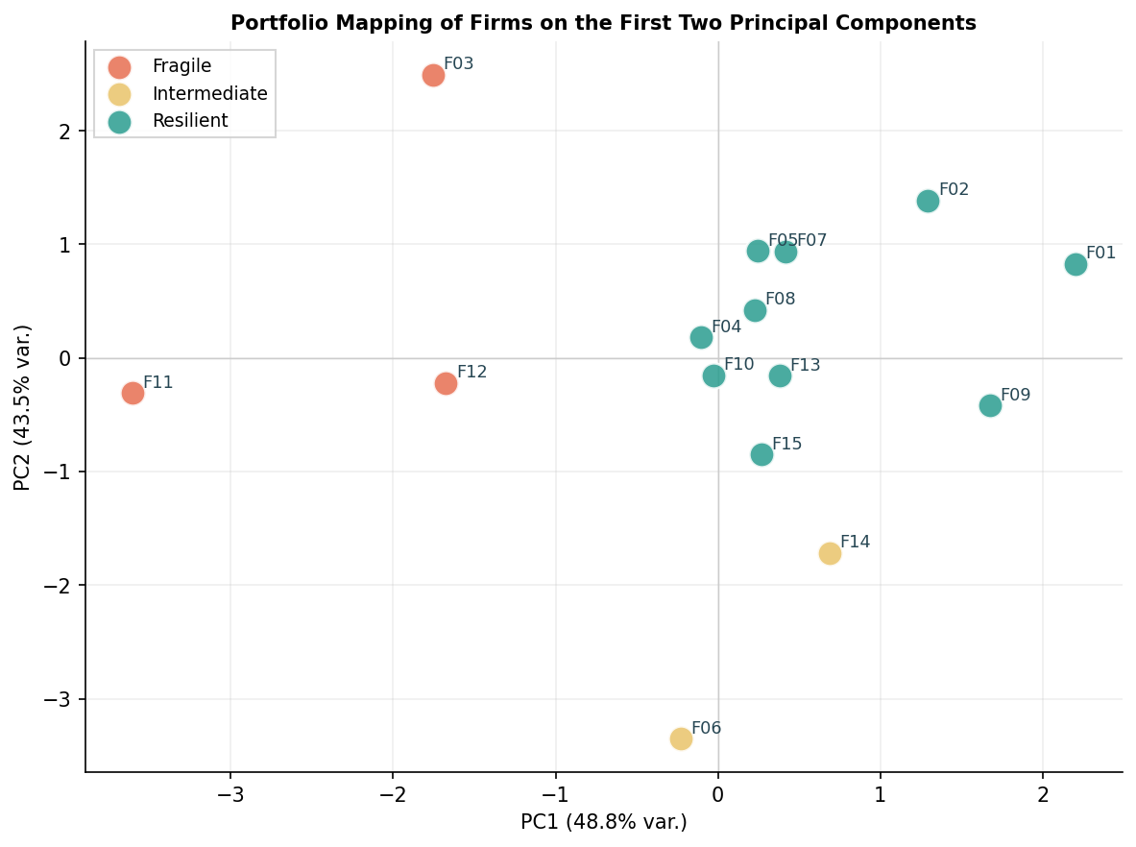
Cluster | Number of firms | P1 Liquidity | P2 Cash Generation | P3 Capital structure | P4 Debt Sustainability | Mean FRI
Fragile | 3 | 31.00 | 23.90 | 44.33 | 40.12 | 34.84
Intermediate | 2 | 80.43 | 16.18 | 95.93 | 28.05 | 55.14
Resilient | 10 | 58.91 | 68.01 | 76.12 | 69.10 | 68.04

The Resilient cluster shows the strongest overall financial profile, particularly in cash generation and debt sustainability, resulting in the highest mean FRI. In contrast, Fragile firms display weaker performance across most financial dimensions, leading to the lowest mean FRI. Although the Intermediate cluster records the highest liquidity and capital structure scores, weaker cash generation and debt sustainability reduce its overall resilience. These findings suggest that financial resilience is driven by balanced performance across multiple pillars rather than excellence in a single dimension.

Sector Distribution Across Clusters

Cluster | Agri-food Industry | Manufacturing Industry | Services & Commerce
Fragile | 33% | 67% | 0%
Intermediate | 0% | 100% | 0%
Resilient | 30% | 40% | 30%
 |  |  |  |  |  |  |  |  | Source: Author’s analysis using Python
The sector distribution across clusters reveals noticeable differences in the positioning of SMEs within the resilience profiles. Fragile firms are predominantly concentrated in the manufacturing industry (67%), while the resilient cluster displays a more diversified composition across agri-food, manufacturing, and services activities. The intermediate cluster is composed exclusively of manufacturing firms. These observations suggest that resilience profiles are influenced by sectoral characteristics, although the limited sample size means that the findings should be interpreted as indicative rather than conclusive sectoral trends. |  |  |  |  |  |  | The PCA projection reveals a relatively clear separation between the three resilience profiles identified through the clustering analysis. Fragile firms are mainly positioned on the left and lower areas of the map, while resilient firms appear more concentrated in the central and right-hand regions. Overall, the figure visually supports the relevance of the three-cluster classification retained for the portfolio segmentation, despite a limited overlap between certain firms.

Benchmarking
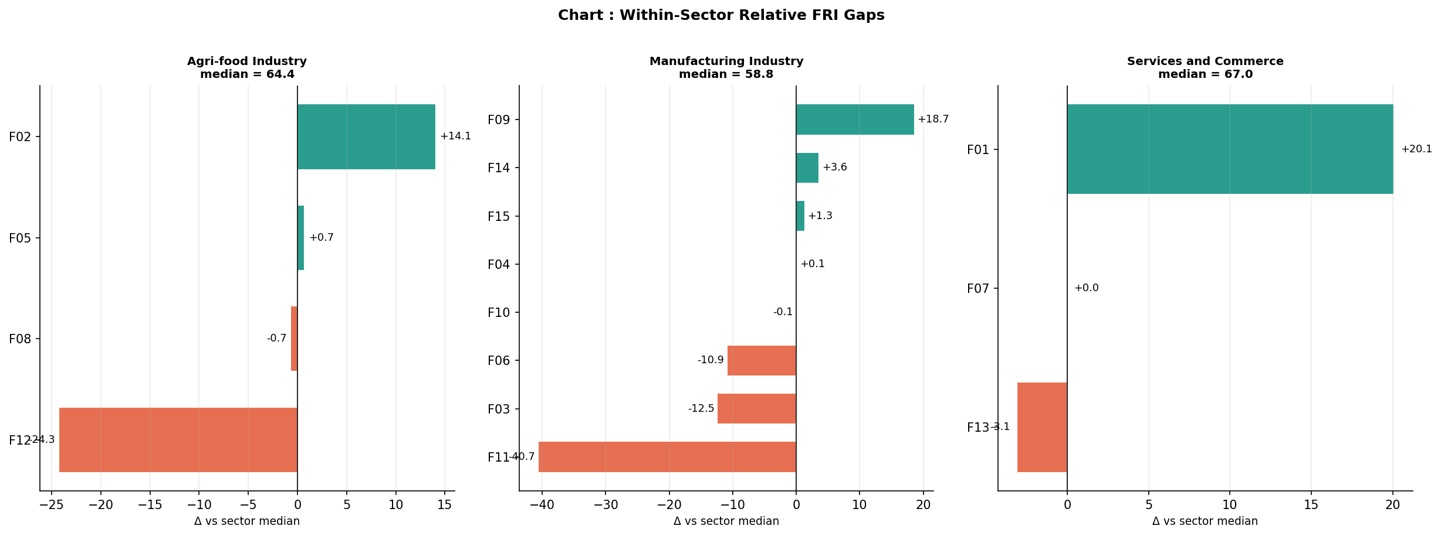
Within-Sector FRI Benchmarking |  |  |  |  |  |  | Chart : Within-Sector Relative FRI Gaps

Firm_ID | Sector | Last_FRI | Sector_median | FRI_relative | position
F02 | Agri-food Industry | 78.43 | 64.36 | 14.07 | Leader
F05 | Agri-food Industry | 65.07 | 64.36 | 0.71 | Leader
F08 | Agri-food Industry | 63.65 | 64.36 | -0.71 | Follower
F12 | Agri-food Industry | 40.08 | 64.36 | -24.28 | Follower
F09 | Manufacturing Industry | 77.48 | 58.81 | 18.67 | Leader
F14 | Manufacturing Industry | 62.43 | 58.81 | 3.62 | Leader
F15 | Manufacturing Industry | 60.14 | 58.81 | 1.33 | Leader
F04 | Manufacturing Industry | 58.94 | 58.81 | 0.13 | Leader
F10 | Manufacturing Industry | 58.68 | 58.81 | -0.13 | Follower
F06 | Manufacturing Industry | 47.86 | 58.81 | -10.95 | Follower
F03 | Manufacturing Industry | 46.31 | 58.81 | -12.50 | Follower
F11 | Manufacturing Industry | 18.12 | 58.81 | -40.69 | Follower
F01 | Services and Commerce | 87.07 | 67.00 | 20.07 | Leader
F07 | Services and Commerce | 67.00 | 67.00 | 0.00 | Leader
F13 | Services and Commerce | 63.91 | 67.00 | -3.09 | Follower
 |  |  |  |  |  |  |  | Source: Author’s analysis using Python
The within-sector benchmarking results show a relatively balanced distribution, with 8 firms classified as Leaders and 7 as Followers. Each firm is compared with the median FRI of its own sector in order to evaluate its relative resilience position among direct peers. The median was preferred over the mean to reduce the influence of extreme values in the small sample. The results reveal substantial differences in relative resilience within sectors. For example, firms such as F01 and F02 display strong positive gaps, indicating resilience levels well above their sector medians, whereas firms such as F11 and F12 exhibit large negative gaps, reflecting weaker relative resilience. Overall, positive FRI gaps indicate stronger resilience performance relative to sector peers, while negative gaps suggest below-median resilience levels. |  |  |  |  |  | The figure highlights differences in firms' relative resilience positions within each sector. Manufacturing firms display the widest dispersion, with both strong positive and negative deviations from the sector median, indicating heterogeneous resilience profiles. In contrast, Agri-food and Services & Commerce firms exhibit more concentrated distributions around their respective sector benchmarks, although a few firms show substantial positive or negative gaps. The visualization also helps identify firms that significantly outperform or underperform their direct sector peers, providing additional insight into the relative positioning of SMEs within each sector.

Decision Framework – Charts
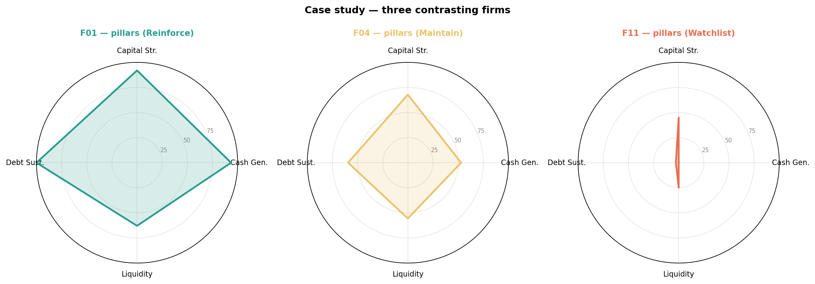
Figures

Decision Score by firm
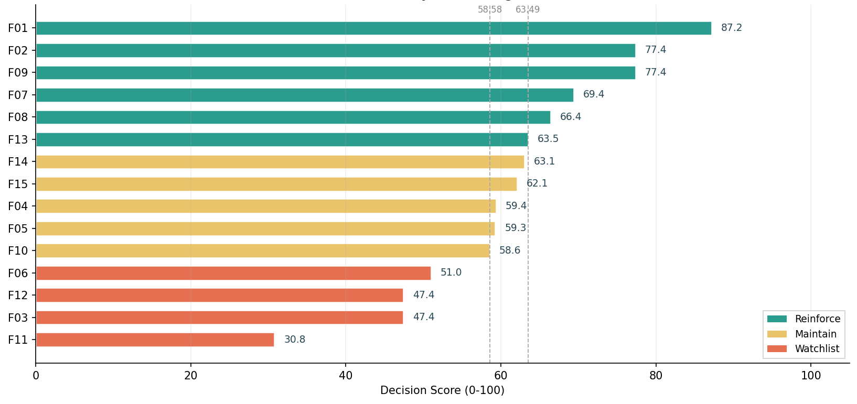

Portfolio map FRI × G_score
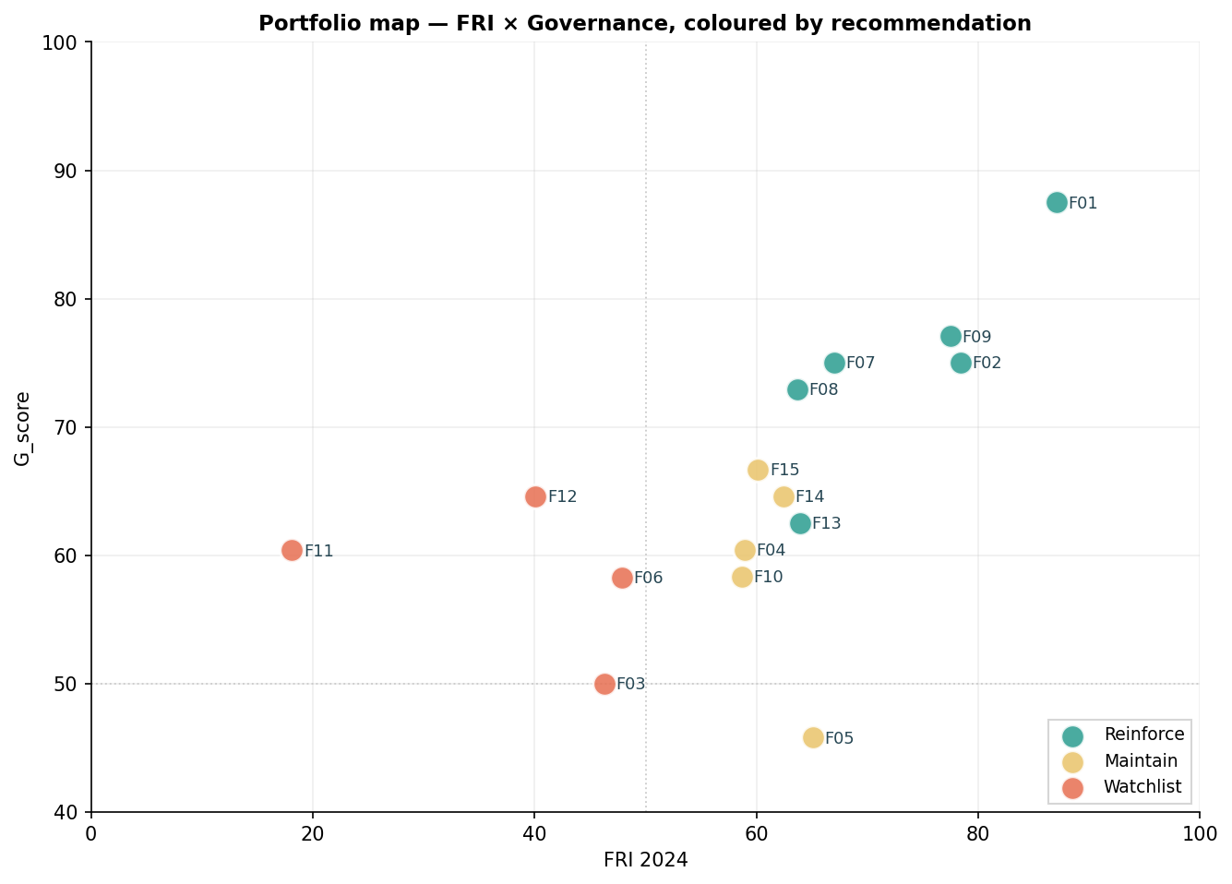

Weight sensitivity

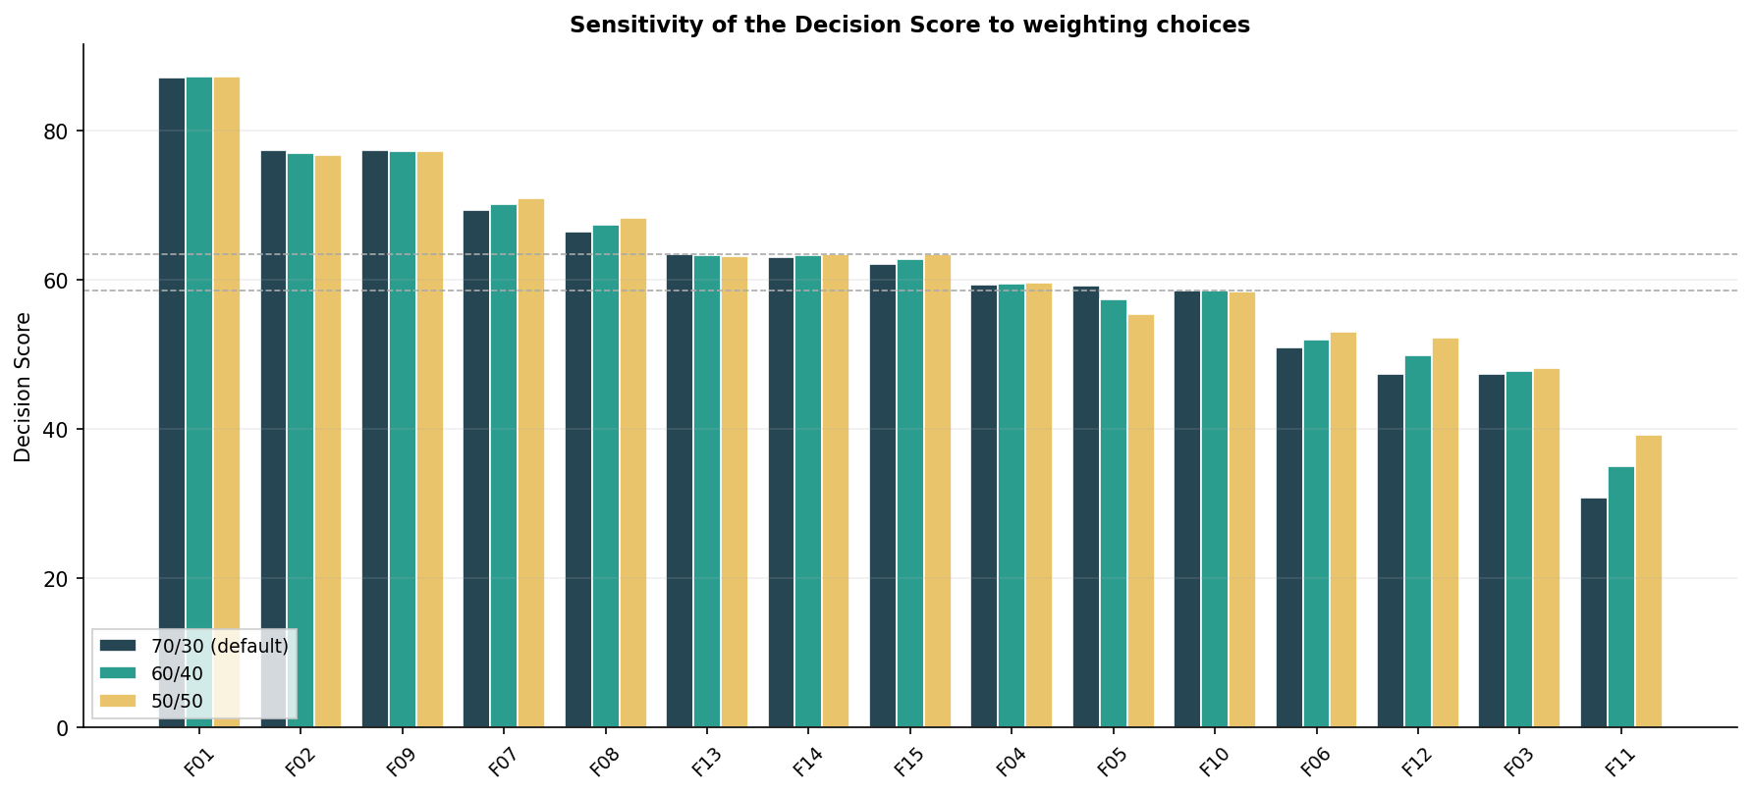

Case study — three contrasting firms

