PRD
Product Requirement Document (PRD) - Version: 1.0

Template Name |  | Hospital Management System
Goals & Objective |  | Every Hospital uses a website. This is a hospital website and the goal of this website is to provide a SASS, user friendly and efficient platform for patients and doctors to facilitate themselves. From this website user can : -Patient can schedule an appointment - Users can create personal profiles. - Doctor can manage patient details - Patient can track their health condition - Admin can update and access data
Client Information
Product Type |  | Web Application
Domain |  | Web2
Access Layers |  | Super Admin, Admin, Doctor, Patient and Accountant
Design Required |  | Yes

Phase | Item No | Specification [Role] | Screen Definition | User Story | Acceptance Criteria | UI Screen / Wireframe | Tags
Feature: 1 |  | Authentication Feature
Phase 1 | 1 | Signup [Patient] | <Form> <input=name> <input=email> <input=gender> <input=dob> <input=password> <input=re-password> <button=signup> <link=signin> | -Name -Email -Gender -DOB -Phone Number -Pass word - Re-password | - Email (input) field should only accept valid unregistered email address as input, otherwise will show an 'email already used' message. - Password (input) should be minimum 8 characters long. Otherwise show an invalid message. - Re-password (input) should match password. Otherwise show 'password do not match' message.. - On clicking signup button, credential will be stored in database, user will be redirected to his dashboard. - A copy of the login information will be sent to his email. |  | signup_patient
Phase 1 | 2 | Signin [Patient][Doctor][Super Admin] | <Form> <input=email> <input=password> <option=remember me> <button=signin> <link=signup> <link=forgot password> | -Email - Password - Forgot password(link) -Remember me (checkbox) | - Email must match database email - password must match database password - User go to dashboard (if email & password match with database) - User is promt with an error. "Email or password does not match!". (if email & password match with database) - clicking signup should take user to signup page - clicking forgot password should take him to forgot password page |  | signin
Phase 1 | 3 | Forgot password[Sender] [Deliveryman] | <Form> <input=email> <input=password> <input=confirm Password> <button=submit> | -Email - new Password - re type new password | - email must match DB email or promt "No email found!" - enter new password [At least 8 characters long, atleast one special character] - re-type new password [it should match new password] - clicking submit button will show user -> "password changed" if all info match criteria or it'll indicate what's wrong |  | forgot_password
Feature: 2 |  | User Dashboards
Phase 1 | 4 | Dashboard [Super Admin] | <ul class="dashboard-menu"> <li><a href="#patient-records">Patient Records</a></li> <li><a href="#appointments">Manage Appointments</a></li> <li><a href="#treatment-plans">Treatment Plans</a></li> <li><a href="#prescriptions">Prescriptions</a></li> <li><a href="#test-results">Test Results</a></li> <li><a href="#communication">Patient Communication</a></li> <li><a href="#schedule">My Schedule</a></li> <li><a href="#settings">Settings</a></li> </ul> | As a software admin, I need a dashboard that gives me quick access to all the system management tools I use on a daily basis. | The dashboard should have a 'System Status' indicator showing real-time status and any issues. The 'User Accounts Management' section must let me create, edit, or deactivate user accounts. There should be 'Security Settings' to manage authentication, permissions, and other security features. I should be able to access 'Database Management' for data backup, restoration, and other database operations. The dashboard must have a section for 'Software Updates' to manage and deploy software updates. A 'Support Tickets' area should be available to manage user queries and issues. 'Analytics & Reporting' should provide statistical data on system usage and performance. 'System Settings' should allow me to configure system-wide settings. |  | Dashboard
Phase 1 | 5 | Dashboard [Doctor] | <ul class="dashboard-menu"> <li><a href="#system-status">System Status</a></li> <li><a href="#user-accounts">User Accounts Management</a></li> <li><a href="#security-settings">Security Settings</a></li> <li><a href="#database-management">Database Management</a></li> <li><a href="#software-updates">Software Updates</a></li> <li><a href="#support-tickets">Support Tickets</a></li> <li><a href="#analytics-reporting">Analytics & Reporting</a></li> <li><a href="#system-settings">System Settings</a></li> </ul> | As a doctor, I want to have a dashboard where I can easily access all the functionalities I need to manage my patients effectively. | - The dashboard must include a link to 'Patient Records' where I can view and edit patient details. - There must be a 'Manage Appointments' section to schedule and view upcoming appointments. - The 'Treatment Plans' section should allow me to create and adjust treatment plans for each patient. - In the 'Prescriptions' area, I should be able to write new prescriptions and review past prescriptions. - There should be an option to view 'Test Results' for laboratory tests, imaging, etc. - The 'Patient Communication' link should provide a secure channel to communicate with patients. - The dashboard should include 'My Schedule' which outlines my daily, weekly, and monthly schedules. - A 'Settings' link should allow me to adjust my dashboard preferences, notification settings, etc. |  | Dashboard
Phase 1 | 6 | Dashboard [Patient] | <ul class="dashboard-menu"> <li><a href="#my-profile">My Profile</a></li> <li><a href="#appointment-schedule">Appointment Schedule</a></li> <li><a href="#medical-records">Medical Records</a></li> <li><a href="#medication-tracker">Medication Tracker</a></li> <li><a href="#billing-information">Billing Information</a></li> <li><a href="#doctor-communication">Communicate with Doctor</a></li> <li><a href="#health-resources">Health Resources</a></li> <li><a href="#settings">Settings</a></li> </ul> | As a patient, I want a dashboard that lets me easily navigate to view my medical information, manage appointments, and communicate with my healthcare provider. | The dashboard should include 'My Profile' where I can view and edit my personal and medical information. An 'Appointment Schedule' section must be available to book, view, and cancel appointments. I need to access 'Medical Records' to view my medical history, immunization records, and other health documents. There must be a 'Medication Tracker' where I can manage my medication schedule and view prescription histories. The 'Billing Information' section should provide details of past and upcoming payments, insurance claims, etc. 'Communicate with Doctor' should offer a secure way to send messages to my healthcare providers. The dashboard should include 'Health Resources' for educational materials on health and wellness. A 'Settings' feature should let me configure my dashboard and account settings, like privacy preferences and notification settings. |  | Dashboard
Feature: 3 |  | Service Provider Management
Phase 1 | 7 | Add New Organization [Super Admin] | <form> <input=Org-Name> <input=Org-Owner-Name> <input=Org-Address> <input=Org-Logo> <select=SaaS-Package-Type> <!-- List of packages to be sold --> </select> <select=SaaS-Contract-Duration> <!-- List of contract duration --> </select> <button=Create-Org> </form> | As a super admin, I want to be able to create a new organization profile in the system. | - The form should have fields for inputting the organization's name, owner's name, and address. - There should be an option to upload the organization's logo. - There must be a dropdown to select the SaaS package type the organization is interested in. - There must be a dropdown to select the contract duration for the chosen package. - A 'Create Organization' button should be present to submit the form. - The form should validate the input before submission to ensure all required fields are filled. - Upon successful creation, a confirmation message should be displayed. - If the creation fails, an error message should be shown with the reason for the failure. |  | Add new Organization
Phase 1 | 8 | Edit Existing Organization [Super Admin] | <form> <input=SaaS-Org-Id> <button=Search-Org> <input=Org-Address> <input=Org-Logo> <select=SaaS-Package-Type> <!-- List of packages to be sold --> </select> <select=SaaS-Contract-Duration> <!-- List of contract duration --> </select> <button=Create-Org> </form> | As a super admin, I want to edit the details of an existing organization. | - The form should allow searching for an organization by its SaaS Organization ID. - Upon entering a valid ID and clicking 'Search Organization', the current details of the organization should be loaded into the form. - The form should allow editing the address and uploading a new logo. - The form should allow changing the SaaS package type and contract duration. - The 'Create Organization' button (which should be labeled 'Update Organization') should be used to submit the changes. - Validation should occur to ensure no required fields are left empty before submission. - A confirmation message should be displayed if the update is successful. - An error message should appear if the update fails, with an explanation. |  | Edit exisiting Organization
 | 9 | Delete Existing Oraganization [Super Admin] | <form> <input=SaaS-Org-Id> <button=Search-Org> <label=Confirmation-Message-Regrading-Removal> <select=Delete-Org-database> <button=Delete-Org-Account> </form> | As a super admin, I want to delete an organization's profile from the system. | - The form should allow the super admin to input the SaaS Organization ID. - A 'Search Organization' button should be available to confirm the existence of the organization before deletion. - A confirmation message should appear, requiring the super admin to confirm the deletion. - A dropdown menu should be available to select the extent of data removal from the database. - A 'Delete Organization Account' button should be provided to finalize the deletion. - After deletion, a confirmation message should be displayed. - If the deletion process fails, an error message should be shown. | 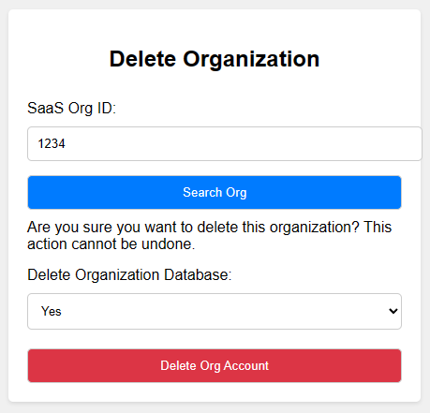 | Delete existing Organization
Phase 1 |  | Search Organization [Super Admin] | <form> <input=SaaS-Org-Id> <button=Search-Org> </form> | As a super admin, I need to search for an organization using its ID to quickly access its profile. | - There should be a single field to enter the SaaS Organization ID. - A 'Search Organization' button should be provided to initiate the search. - The search result should display the organization's details or a message indicating that the organization was not found. |  | Search Organization
Phase 1 | 10 | View Organization Account [Super Admin] | <table> <tr> <td>SaaS-Org-Id: <!-- id --></td> <td colspan=4>Org-Logo <img></td> </tr> <tr> <td>SaaS-Org-Name: <!-- Org-Name --></td> </tr> <tr> <td>SaaS-Org-Address: <!-- Org-Address --></td> </tr> <tr> <td>SaaS-Owner-Name: <!-- Org-Name --></td> </tr> <tr> <td>Package Name: <!-- SaaS-Package-Name --></td> <td>Contarct Deadline: <!-- Contrac-Deadline-With-Duration --></td> </tr> </table> | As a super admin, I want to view the full details of an organization's account to oversee the account status and package details. | - The details view should include the organization's ID, logo, name, address, owner's name, package name, and contract deadline. - The information should be displayed in a table format for clear readability. - All data fields should be populated with the organization's current information. | 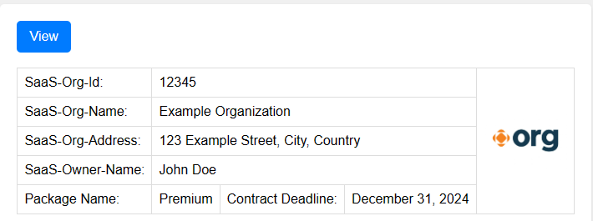 | View Organization Account
Phase 1 | 11 | Organization Client List [Super Admin] | <table> <tr> <th>SaaS-Org-ID</th> <th>SaaS-Org-Name</th> <th>SaaS-Package-Type</th> <th>SaaS-Contract-Deadline</th> <th rowspan=5>Actions</th> </tr> <tr> <td><!-- Org ID --></td> <td><!-- Org Name --></td> <td><!-- SaaS Package Name --></td> <td><!-- Contract Deadline --></td> <td><button>View Org</button></td> <td><button>Edit Org</button></td> <td><button>Remove Org</button></td> <td><button>Org Renewal</button></td> <td><button>Block Org</button></td> </tr> </table> | As a super admin, I want to view a list of all organizations along with their details and available actions. | - The list should be displayed in a table with columns for ID, name, package type, contract deadline, and actions. - Each organization should have associated action buttons to 'View', 'Edit', 'Remove', 'Renew', and 'Block' the organization. - The action buttons should function correctly, allowing the super admin to manage the organizations directly from the list. - The table should provide an easy-to-navigate interface, possibly with sorting and filtering capabilities. |  | Organization Client Lists
Phase 1 | 12 | Organization Service Renewal [Super Admin] | <form> <text=SaaS-Org-Id> <text=SaaS-Org-name> <img=SaaS-Org-Image> <select=renewal-packages> <!-- List of Renewal Packages --> </select> <select=renewal-deadline> <!-- List of Renewal Deadlines --> </select> <input=Additional-Notes(optional)> <button=Renew-Subcription> </form> | As a super admin, I want to renew services for organizations to ensure they continue to have access to our SaaS offerings without interruption. | - The form must have fields to display the SaaS Organization ID and name, which should be pre-filled for clarity. - The organization's current image should be displayed and, if necessary, updated. - There must be a dropdown menu to select from available renewal packages. - There must be a dropdown menu to select a new renewal deadline. - An optional input field for additional notes regarding the renewal should be available. - A 'Renew Subscription' button must be present to submit the renewal request. - Before submission, the form should validate that all required fields have been completed. - Upon successful renewal, a confirmation message should appear to confirm the action has been processed. - If the renewal fails, an error message should display detailing the failure reason. | 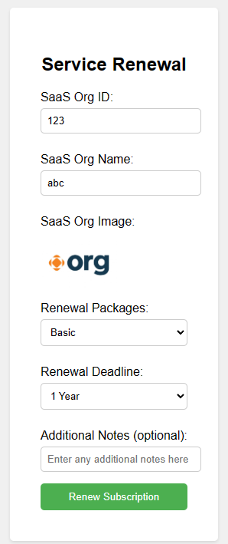 | Organization Service Renewal
Feature: 4 |  | User Role Management
Phase 2 | 13 | Add New Role [Admin] | <form id="add-role-form"> <label for="role-name">Role Name:</label> <input type="text" id="role-name" name="role-name" required> <!-- Other relevant input fields --> <button type="submit">Add Role</button> </form> | As an Admin, new roles need to be added with specific permissions to control access within the system. | When the role name is entered and the form is submitted, a new role is added. The system ensures that the role name is unique. |  | add_role
Phase 2 | 14 | Edit Role [Admin] | <form id="edit-role-form"> <label for="selected-role">Select Role:</label> <select id="selected-role" name="selected-role"> <!-- List of existing roles --> </select> <!-- Checkboxes for permissions --> <button type="submit">Save Changes</button> </form> | As an Admin, existing role permissions need to be modified based on changing requirements. | When a role is selected and its permissions are updated, the changes are saved. Essential permissions are not accidentally removed. |  | edit_role
Phase 2 | 15 | Delete Role [Admin] | <form id="delete-role-form"> <label for="role-to-delete">Select Role to Delete:</label> <select id="role-to-delete" name="role-to-delete"> <!-- List of existing roles --> </select> <button type="submit">Delete Role</button> </form> | As an Admin, obsolete roles need to be removed from the system. | When a role is chosen and deletion is confirmed, the role is permanently removed. Critical roles are protected from accidental deletion. |  | delete_role
Feature: 5 |  | Patient Record Management
Phase 2 | 16 | View All Patient Records [Admin] | <input type='text' placeholder='Search'> <table border ='1'> <tr> <th>Patient ID</th> <th>Name</th> <th>DOB</th> <!-- Other relevant columns --> </tr> <!-- Rows with patient data --> </table> | The Admin oversees patient records, ensuring accuracy, privacy, and compliance to Maintain patient data securely and assist healthcare providers. | Can search for patients by name, ID, or other criteria. Can add new patient records and update existing ones. Can restrict access to sensitive patient data. |  | view_pat_records
Phase 2 | 17 | Add New Patient Record [Admin] | <form id="patient-record-form"> <label for="patient-name">Patient Name:</label> <input type="text" id="patient-name" name="patient-name" required> <!-- Other relevant input fields --> <button type="submit">Create Record</button> </form> | As an Admin, accurate patient records need to be created to assist healthcare providers. | When patient details are entered and the form is submitted, a new patient record is added. Mandatory fields (e.g., patient name, date of birth) are validated. |  | add_pat_rec
Phase 2 | 18 | Edit Patient Details [Admin] | <form id="edit-patient-form"> <label for="selected-patient">Select Patient:</label> <select id="selected-patient" name="selected-patient"> <!-- List of existing patients --> </select> <!-- Input fields for updating patient information --> <button type="submit">Save Changes</button> </form> | As an Admin, patient records need to be kept up-to-date. | When patient details are modified and saved, the changes are reflected in the record. Data consistency (e.g., valid phone numbers, addresses) is ensured. |  | edit_pat_rec
Phase 2 | 19 | Restrict Access to Sensitive Data [Admin] | <form id="access-control-form"> <label for="user-role">Select User Role:</label> <select id="user-role" name="user-role"> <option value="admin">Administrator</option> <!-- Other user roles... --> </select> <label for="restricted-fields">Restricted Fields:</label> <input type="text" id="restricted-fields" name="restricted-fields" required> <!-- Other relevant input fields (e.g., access permissions, audit logs) --> <button type="submit">Apply Restrictions</button> </form> | To control access to sensitive patient data to maintain privacy and comply with regulations. | When a user role is selected and restricted fields are specified, access to those fields is limited. The system enforces strict access controls and maintains an audit trail of data access. |  | restrict_data_access
Feature: 6 |  | Appointment Management
Phase 2 | 20 | Create New Appointment [Admin] | <form id="appointment-form"> <label for="patient-name">Patient Name:</label> <input type="text" id="patient-name" name="patient-name" required> <label for="appointment-date">Appointment Date:</label> <input type="date" id="appointment-date" name="appointment-date" required> <!-- Other relevant input fields --> <button type="submit">Schedule Appointment</button> </form> | Efficiently allocate appointment slots for patients. | When patient details and appointment date are entered, a new appointment is scheduled. The system prevents overlapping appointments. |  | create_appoint
Phase 2 | 21 | Reschedule Appointment [Admin] | <form id="reschedule-form"> <label for="selected-appointment">Select Appointment:</label> <select id="selected-appointment" name="selected-appointment"> <!-- List of existing appointments --> </select> <label for="new-appointment-date">New Date:</label> <input type="date" id="new-appointment-date" name="new-appointment-date" required> <button type="submit">Save Changes</button> </form> | Adjust appointment dates to accommodate changes. | When an appointment is selected and a new date is chosen, the appointment is rescheduled. The system ensures no conflicts with other appointments. |  | edit_appoint
Phase 2 | 22 | Cancel Appointment [Admin] | <form id="cancel-form"> <label for="appointment-to-cancel">Select Appointment to Cancel:</label> <select id="appointment-to-cancel" name="appointment-to-cancel"> <!-- List of existing appointments --> </select> <button type="submit">Cancel Appointment</button> </form> | Handle appointment cancellations promptly. | When an appointment is chosen for cancellation, it is removed from the system. The system notifies the patient and provider about the cancellation. |  | cancel_appoint
Feature: 7 |  | Staff Records
Phase 2 | 23 | Add New Staff Member [Admin] | <form id="staff-form"> <label for="staff-name">Staff Name:</label> <input type="text" id="staff-name" name="staff-name" required> <label for="staff-role">Staff Role:</label> <input type="text" id="staff-role" name="staff-role" required> <!-- Other relevant input fields --> <button type="submit">Add Staff</button> </form> | Add accurate staff profiles to maintain up-to-date records. | When staff details are entered and the form is submitted, a new staff member is added. Mandatory fields (e.g., staff name, role) are validated. |  | add_staff
Phase 2 | 24 | Update Staff Details [Admin] | <form id="update-staff-form"> <label for="selected-staff">Select Staff Member:</label> <select id="selected-staff" name="selected-staff"> <!-- List of existing staff members --> </select> <!-- Input fields for modifying staff information --> <button type="submit">Save Changes</button> </form> | Keep staff profiles accurate and relevant. | When staff details are modified and saved, the changes are reflected in the record. Data consistency (e.g., contact information) is maintained. |  | edit_staff
Phase 2 | 25 | Track Staff Certifications [Admin] | <table> <tr> <th>Staff Name</th> <th>Certification</th> <th>Expiration Date</th> </tr> <!-- Rows with staff certification details --> </table> | Monitor staff certifications (e.g., medical licenses, training) to ensure compliance. | The table displays staff names, their certifications, and expiration dates. The system alerts when certifications are about to expire. |  | track_staff_certificate
Feature: 8 |  | Billing and Insurance Claims
Phase 2 | 26 | Generate Invoice [Admin] | <form id="invoice-form"> <label for="patient-name">Patient Name:</label> <input type="text" id="patient-name" name="patient-name" required> <label for="service-description">Service Description:</label> <textarea id="service-description" name="service-description" required></textarea> <!-- Other relevant input fields --> <button type="submit">Generate Invoice</button> </form> | The Admin oversees billing processes, generates invoices, and manages insurance claims which can Streamline financial transactions and ensure accurate billing. | When patient details and service description are provided, an invoice is generated. The system calculates the total amount based on services provided. |  | generate_invoice
Phase 2 | 27 | Verify Insurance Coverage [Admin] | <form id="insurance-form"> <label for="patient-name">Patient Name:</label> <input type="text" id="patient-name" name="patient-name" required> <label for="insurance-provider">Insurance Provider:</label> <input type="text" id="insurance-provider" name="insurance-provider" required> <!-- Other relevant input fields --> <button type="submit">Check Coverage</button> </form> | Ensure accurate insurance coverage information. | When patient details and insurance provider are entered, coverage details are retrieved. The system validates insurance policy information. |  | verify_insurace
Phase 2 | 28 | Submit Insurance Claims [Admin] | <form id="claims-form"> <label for="patient-name">Patient Name:</label> <input type="text" id="patient-name" name="patient-name" required> <label for="claim-details">Claim Details:</label> <textarea id="claim-details" name="claim-details" required></textarea> <!-- Other relevant input fields --> <button type="submit">Submit Claim</button> </form> | Process insurance claims efficiently. | When patient details and claim information are provided, the claim is submitted. The system ensures accurate data entry and timely submission. |  | submit_insurace_claim
Feature: 9 |  | Resource Management
Phase 2 | 29 | View Resource Availability [Admin] | <table> <tr> <th>Resource ID</th> <th>Type</th> <th>Status</th> <!-- Other relevant columns --> </tr> <tr> <td>R123</td> <td>Operating Room</td> <td>Available</td> </tr> <!-- More rows... --> </table> | The Admin handles hospital resources (equipment, rooms, beds), to optimize resource utilization and prevent shortages. | When the resource availability table is viewd, it displays resource IDs, types, and current status (e.g., available, in use). The system updates availability dynamically. |  | view_resource
Phase 2 | 30 | Allocate Resources [Admin] | <form id="allocation-form"> <label for="selected-resource">Select Resource:</label> <select id="selected-resource" name="selected-resource"> <option value="R123">Operating Room</option> <option value="B456">Bed 1</option> <!-- Other resource options... --> </select> <label for="allocation-purpose">Allocation Purpose:</label> <input type="text" id="allocation-purpose" name="allocation-purpose" required> <!-- Other relevant input fields --> <button type="submit">Allocate</button> </form> | Assign resources efficiently based on operational needs. | When a resource is selected and an allocation purpose is provided, the resource is allocated. The system prevents overallocation or double-booking. |  | allocate_resource
Phase 2 | 31 | Schedule Resource Maintenance [Admin] | <form id="maintenance-form"> <label for="selected-resource">Select Resource:</label> <select id="selected-resource" name="selected-resource"> <option value="E789">MRI Machine</option> <option value="L234">Laboratory Equipment</option> <!-- Other resource options... --> </select> <label for="maintenance-date">Maintenance Date:</label> <input type="date" id="maintenance-date" name="maintenance-date" required> <button type="submit">Schedule Maintenance</button> </form> | To plan resource maintenance to ensure optimal functionality. | When a resource is selected and a maintenance date is chosen, the maintenance is scheduled. The system prevents conflicting maintenance schedules. |  | schedule_maintenance
Feature: 10 |  | Reporting and Analytics
Phase 2 | 32 | Generate Performance Reports [Admin] | <form id="report-form"> <label for="report-type">Select Report Type:</label> <select id="report-type" name="report-type"> <option value="patient-satisfaction">Patient Satisfaction</option> <option value="revenue">Revenue</option> <!-- Other report options... --> </select> <button type="submit">Generate Report</button> </form> | The Admin generates reports on hospital performance, patient outcomes, and financial metrics and make informed decisions based on data-driven insights. | When a report type is selected, the system generates relevant performance metrics. The system ensures accurate data aggregation and visualization |  | generate_perf_rep
Phase 2 | 33 | Monitor Key Metrics [Admin] | <ul> <li>Revenue</li> <li>Appointment Wait Times</li> <li>Staff Productivity</li> <!-- Other relevant metrics --> </ul> <!--Using js create graphs and view it in the page--> | Track essential metrics for informed decision-making. | The list displays key metrics, and the system updates them in real-time. Alerts are triggered for any anomalies (e.g., sudden drop in revenue). |  | monitor_key_metrics
Phase 2 | 34 | Analyze Patient Demographics [Admin] | <form id="demographics-form"> <label for="selected-date-range">Select Date Range:</label> <input type="date" id="start-date" name="start-date" required> <input type="date" id="end-date" name="end-date" required> <button type="submit">Analyze</button> </form> <div id="demographics-chart"> <!-- Display demographics data (e.g., age distribution, gender) --> | Insights into patient demographics for resource planning. | When a date range is selected, the system analyzes patient data and presents relevant charts. Demographic trends (e.g., age groups, gender distribution) are visualized. |  | analyze_patient_demographics
Feature: 11 |  | Schedule Management
Phase 3 | 35 | Add Schedule Date [Doctor] | <Form> <input=date> <input=start time> <input=end time> <link=add> | - Add new schedule time | Click on Add Time will add the information to the database of the doctor's availbility. |  | add doctor schedule
Phase 3 | 36 | Manage Schedule Dates[Doctor] | <Form> <output=date> <output=start time> <output=end time> <link=delete> <link=show> <link=edit> | - Show all prepared schedules of the doctor - Delete existing schedules - View certain schedule details - Edit existing schedule details | - This sub-feature will show the the doctor schdule that is set by the doctor - Clicking on 'View' can show the doctor the details regarding the certain schedule of the date - Clicking on 'Delete' can delete the certain doctor's schedule to sit in the chamber - Clicking on 'Edit' will take the doctor to a edit panel to edit the existing schedule |  | show doctor schedule list
Phase 3 | 37 | Search Schedule | <label doctor id> <output= schedule date> <output= schedule startTime> <output= schedule EndTime> <output= schedule Status> | -All schedule related data will be shown | - Valid id needed to find the proper data | 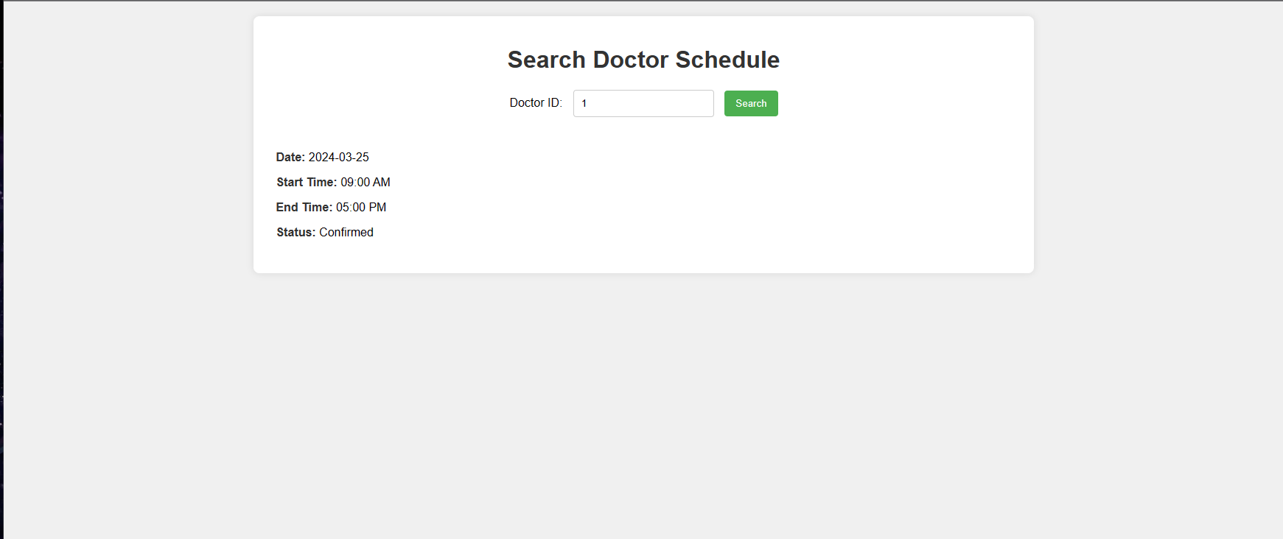 | Search Schedule
Phase 3 | 37 | Edit Existing Schedule [Doctor] | <Form> <input=date> <input=start time> <input=end time> <link=edit> <link=cancel> | - Autofill old schedule data - Edit necessary time information - Update necessary new time information | - This sub-feature provide the doctor to edit his schedule. - Clicking on the 'Edit' button will perform a checking in the database, -> If the room the previosuly assigned room can be provided, the edit will be successful and return to the previous window -> Else if the room is not available and is any other room is available, the edit will be success by changing the room number and return to the previous window. -> Else, if any of the above fails, a prompt will be presented to the doctor to change the time again.H42` |  | edit doctor schedule
Feature: 12 |  | Patient Management Section
Phase 3 | 38 | Patient List [Doctor] | <Form> <input=date> <link=show> <list> <output=serial> <output=patient name> <output=patient phone> <output=time> <link=select> <link=requeue> | - Select Patient - Requeue Patient - View Patient List | - All the patients are shown in a list to the doctor who have an appointment today. - If 'Select' button is choosen, patient Prescription will open. - If 'Requeue' button is choosen, patient will requeued in the list for a later serial. - All patient who will not visit doctor before doctor logs out will be marked as 'Absent' in the database.H44 |  | todays patient list
Phase 3 | 39 | Patient Prescription [Doctor] | <Form> <input=date> <input=name> <input=age> <input=date> <select=symptoms> <input=additional symptom details> <list> <input=patient medical notes> <list> <input=medicine name> <input=time> <input=duration> <input=special instructions> <list> <select=test name> <list> <input=special instructions> <link=submit> | - Patient Name - Patient Age - Prescription Date - List of Symptoms - Additional Medical Notes - List of Medicines with Times and Durations - List of special instructions - List of Tests | - Must add symptoms, medical notes. - Must provide times and durations if medicine added. - Must provide revisit date if medicine and/or tests are added.G45 |  | patient prescription
Feature: 13 |  | Financials
Phase 3 | 40 | Earnings [Doctor] | <output=Total Earnings/Today> <output=total earnings/this week> <output=total earnings/this month> | - Show todays earnings - Show this weeks earnings - Show this months earnings - Show ranged earnings | Clicking RANGED EARNINGS will redirect to ranged earning generation page |  | doctors earnings
Phase 3 | 41 | Earning History [Doctor] | <input=start date> <input=end date> <link=submit> <list> <output=date> <output=number of patients checked> <output=total earnings> <output=doctors commission> <link=print this page> | - Show earning history - Print the searched history | - Must provide search date (start and end) - Requires database connection to load previous earnings history | 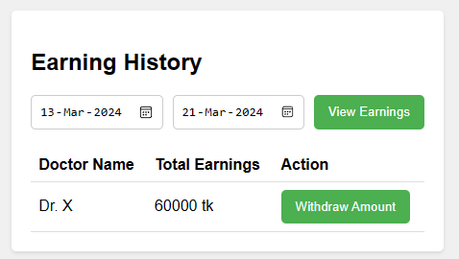 | earnings history
Phase 3 | 42 | Selected Earning[Doctor] | <label = doctor_id <label = starting date> <label = ending date> <label = patient seen by doctor> <label = total earnings> <label = doctor's comission> <show selected earning> | -Show earning history with in a certain date | -Requires database connection to show the earning history | 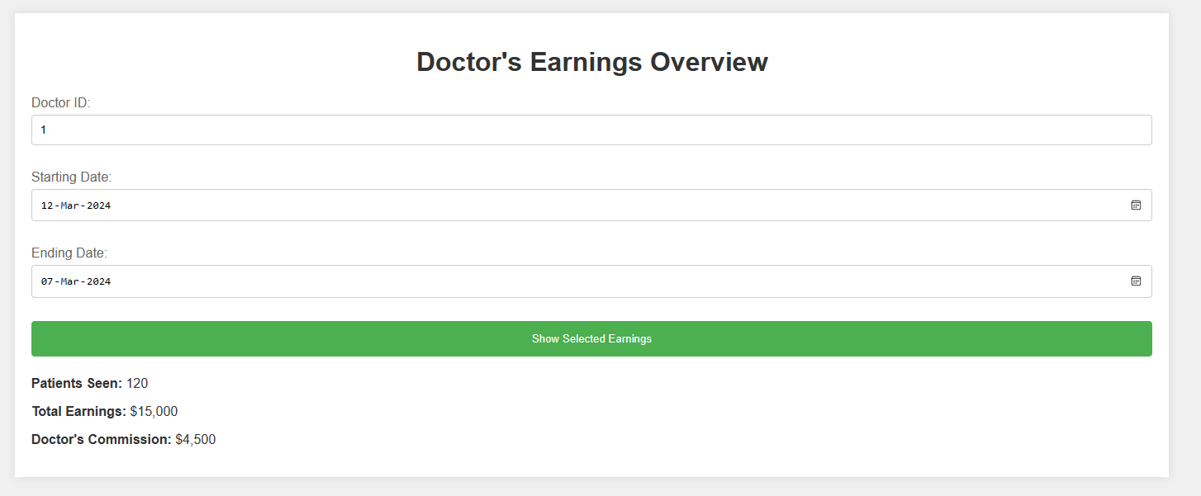 | Selected Earning
Phase 3 | 42 | Paycheck[Doctor] | <output=show current amount> <Form> <input=salary amount> <link=print payslip> | - Display salary to withdraw - Print bank payslip | - Must provide valid amount based on withdrawable salary |  | print paycheck
Feature: 15 |  | Representative Management
 | 45 | Add Representative [Doctor][Staff] | <input= reprentative nme> <input=reprentative email> <input=reprentative phone> <input=reprentative address> <inputr=eprentative company> <add button> | -Representative data are added properly | Representative data need to be valid. Invalid data will be rejected. | 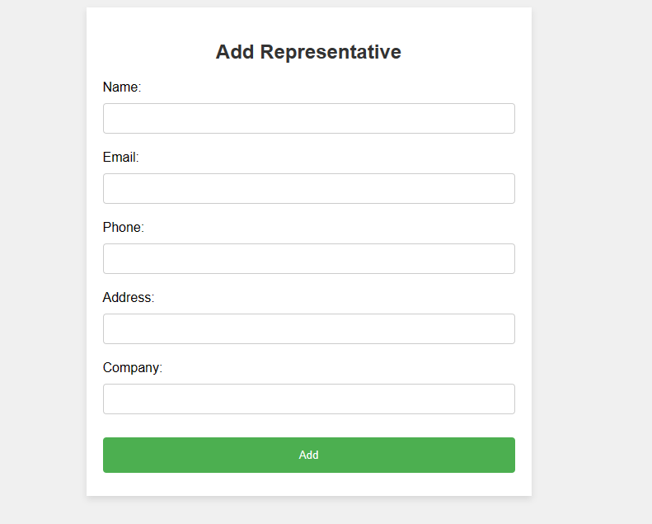 | Add Representatve
 |  | Search Representative [doctor][staff] | -reprentative id (search) <output=reprentative name> <output=reprentative email> <output=reprentative phone> <output=reprentative address> <output=reprentative company> <output=reprentative status> <output=reprentative account creation date> | -Representitve data are shown based on representative id | -Representative ID needs to be valid | 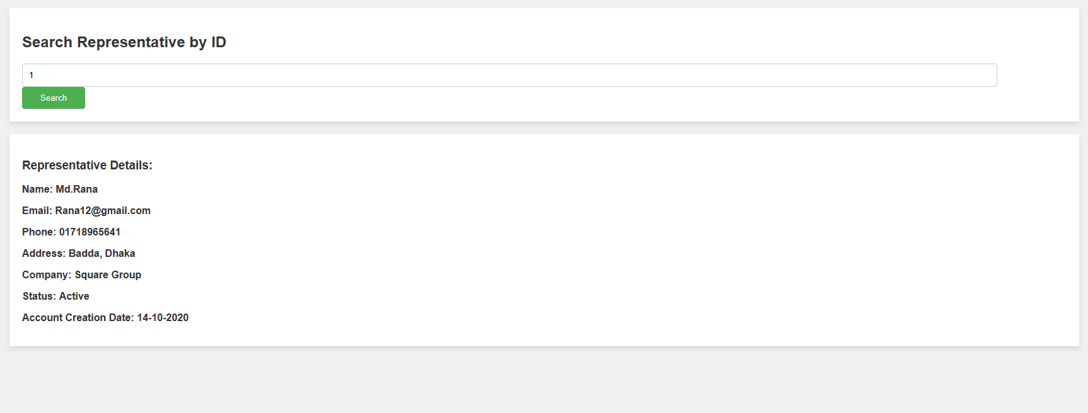 | Search Representative
 |  | Update Representative[Staff] | <output=reprentative name> <output=reprentative email> <output=reprentative phone> <output=reprentative address> <output=reprentative company> madicine list <output=reprentative status> <update button> | -Representative data are updated using valid data | -valid data needed to be updated properly | 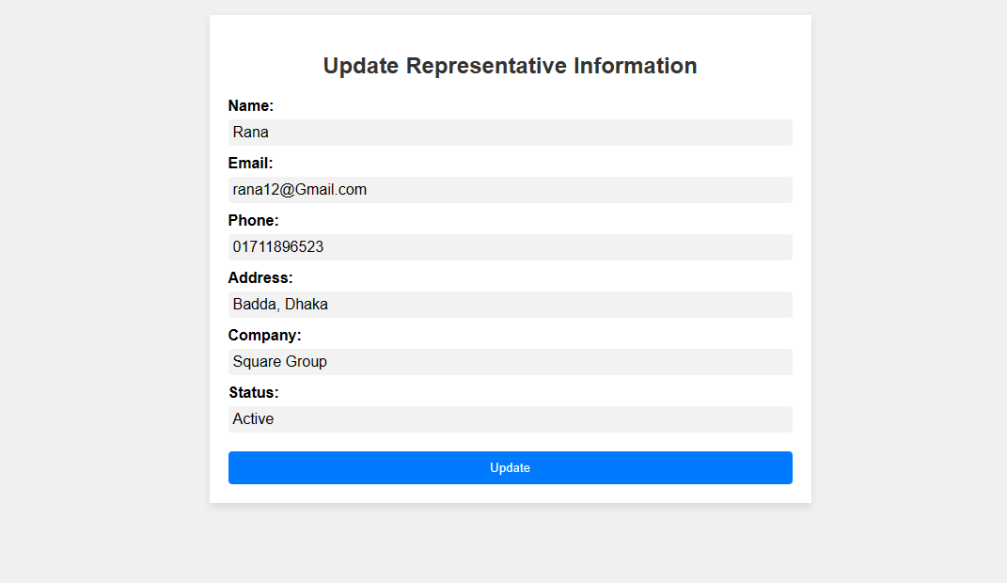 | Update Representatve
 |  | Add Representative Appointment[Staff] | <input=repreprentative id> <input=doctor id> <input=appointment date> <input=appointment time> <add button> | Representative appointment data are taken and stored | -Represerntative appointment data need to be valid | 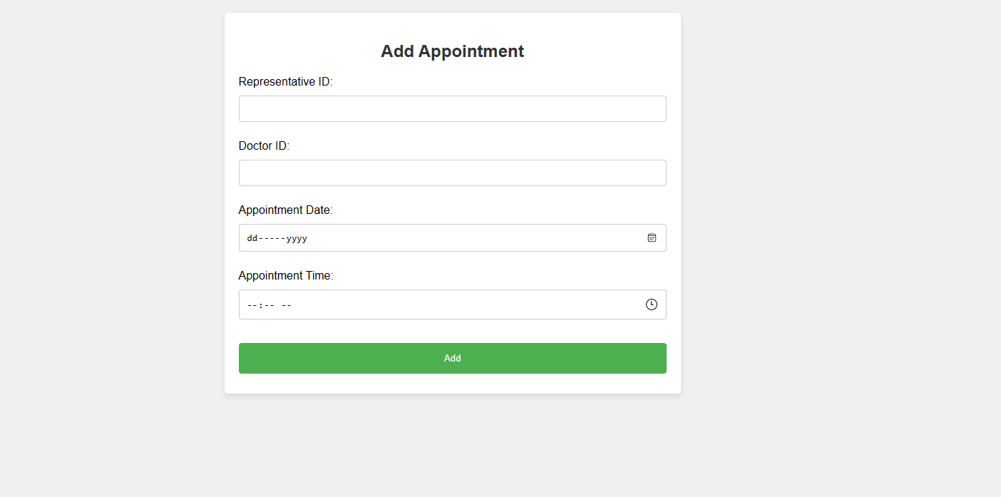 | Add Representative Appointment
 |  | View Representative appointment[Staff] | <inputt =reprentative Appointmentid> <output = reprentative id> <output =doctor id> <output =appointment date> <output =appointment time> <output =appointment note> <output =appointment status> <output =application created> | All representative data will be shoiwn based on the representative appointment id | -Valid representative appointment id need to be provided | 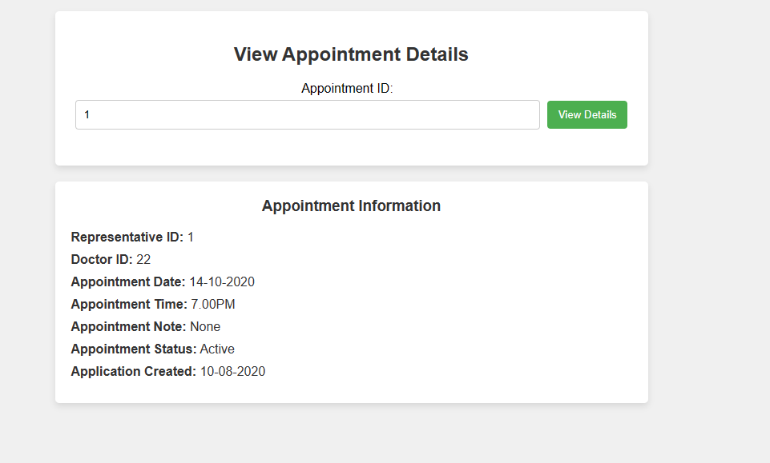 | View Represenstative Appointment
 |  | Update Representative Appointment[Staff] | <input=application status> <update button> | -Only application status can be edited | -Valid application Status need to be given | 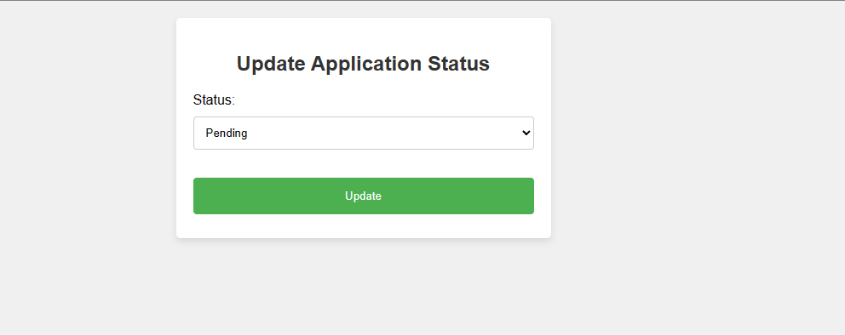 | Update Representatve Appointment
 | 45 | Search Representative Appointment | <input =reprentative Appointmentid> <output = reprentative id> <output =doctor id> <output =appointment date> <output =appointment time> <output =appointment note> <output =appointment status> <output =application created> <search> | Representative data are shown using representative appointment id | Representative appointment id data need to be valid | 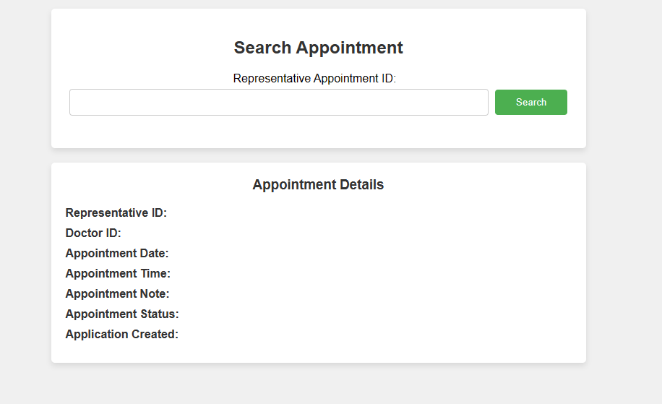 | Search Representative Appointment
Feature: 15 |  | Medicine List
 | 45 | Add Madicine [Doctor] | <input=madicine name> <input=madicine type> <input=madicine generic> <input=quality per strip> <input=strip per box> <input=manufacturer> <input=Description> <add button> | -All medicine related data are added. | Medicine related data need to be valid. | 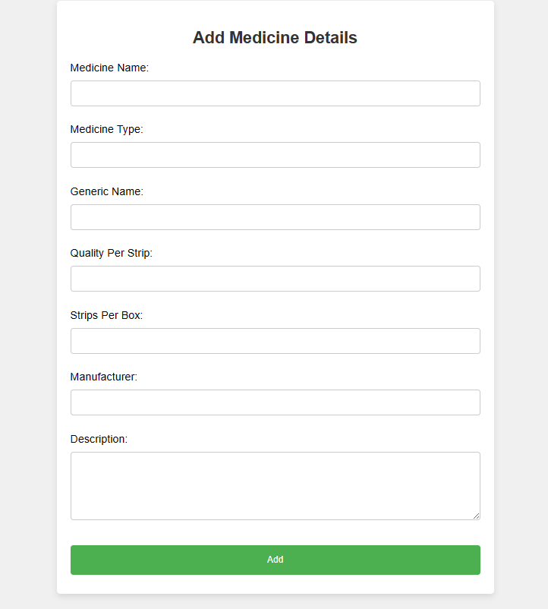 | Add Medicine
 |  | Edit Medicine[Doctor] | <input=medicine status> edit button | -Only medicine status can be changed | Medicine status data must be valid |  | Edit Madicine
 |  | Search Medicine List[Doctor] | <output=madicine name> <output=madicine type> <output=madicine generic> <output=quality per strip> <output=strip per box> <output=manufacturer> <output=Description> view button | -View shows all data stored for medicine list | Proper data need to be stored and view button need to be clicked properly | 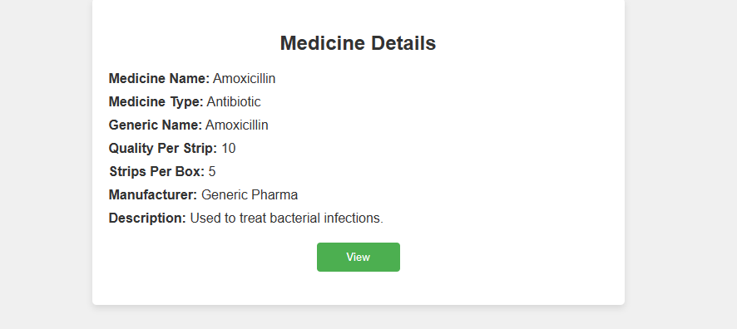 | Search Medicine List
 | 45 | Search Medicine List by Id[Doctor] | <input =medicine id> <output=madicine name> <output=madicine type> <output=madicine generic> <output=quality per strip> <output=strip per box> <output=manufacturer> <output=Description> | By providing madicine id the madicine data can be found | -The valid madicine id is needed | 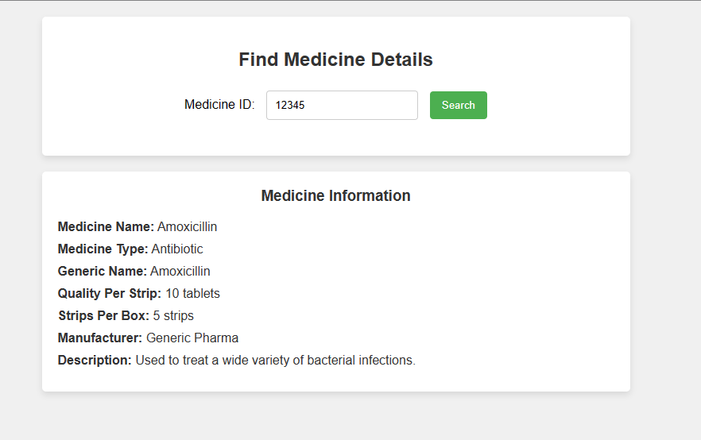 | Search Medicine List by Id
Feature: 15 |  | Notification
 | 45 | View all notification[Doctor][Patient] | <Form> <Img src = notification icon> <li> Notification <li> | -Notification icon(link) | -Notifications should be relevant and provide users with valuable informations. -Notifications should be accurate and provide correct information. Any errors or discrepancies should be promptly corrected. |  | Notification
Feature: 14 |  | Electronic Health Records
 | 43 | Prescription Archive [Doctor] | <input=prescription id/patient id/patient name> <input=type of diseases> <input=start date> <input=end date> <link=search> <list> <output=prescription id> <output=patient id> <output=patient name> <link=view> | - Display list of patient prescriptions | - All the them need to be provided properly |  | doctors prescription archive
 | 44 | Overall Disease Dashboard [Doctor} | <list> <output=disease name> <output=percentage of infected> <output=number of infected> | Display number of people infected in certain diseases | NONE | 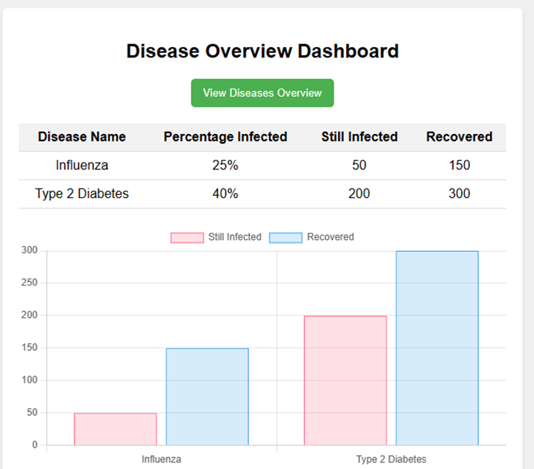 | disease dashboard
Feature: 16 |  | Appointment Management
 | 46 | Schedule Appointments [Patient] | <form> <input = Doctor Name> <input = Date> <Confirm Appointment> | Can Confirm and schedule an appointment | Need to select valid doctor name and date |  | Schedule Appointment
 | 47 | View Appointments[Patient] | <form> <view Appointment> <output = appointment info> | View All the schedule info | none |  | ViewAppointment
 | 48 | Cancel Appointment[Patient] | <form> <cancel Appointment> <output = Cancel confirmation message> | Cancel the selected Appointment | none | 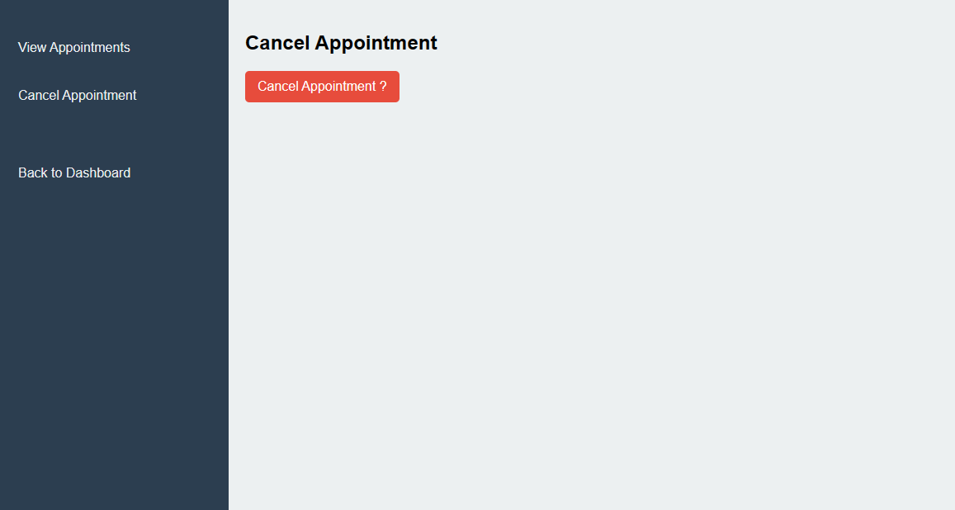 | Cancel Appointment
Feature: 17 |  | Patient Medical Record Management
 | 49 | View Medical Records [Patient] | <Form> <view Medical Records> <output = Medical Records> | View all medical records | None | 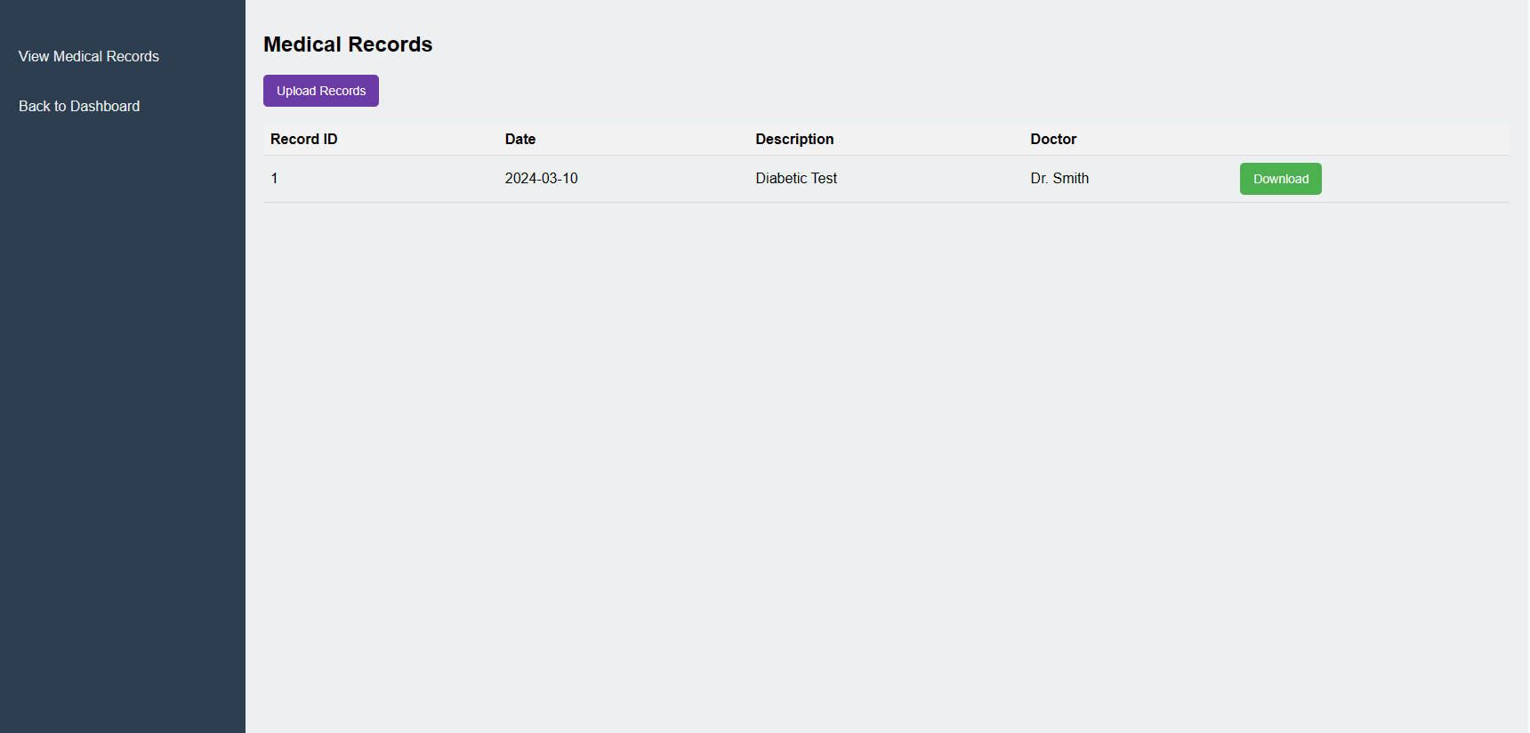 | View Medical Records
 | 50 | Download Medical Records[Patient] | <Form> <dowload Medical Records> <output = downloaded medical record file> | Downloads the medical record file | none |  | Download Medical Records
 | 51 | Upload Medical Records[Patient] | <Form> <input upload Medical Records> | Upload the medical records (Other hospital data) | upload the file with valid data type and size |  | Upload Medical Records
Feature: 18 |  | Billing and Invoice
Feature: 19 |  | Feedback and Rating
 | 54 | Feedback and Rating [Patient] | <Form> <li> Rate Us <li> <input provide feedback> | Rate using text and stars | All of data need to be provided. |  | Feedback and rating
 | 54 | View Feedback and Rating [Patient] | <Form> <view Feedbacks and Rating button> <output=All Feedbacks and Rating> | Show all rating and feedback | View feedbacks and rating button must be clicked properly |  | View Feedback and rating
Feature: 20 |  | Health Tracker
 | 55 | Enable Health Tracker [Patient] | <Form> <btn enable health tracker> <input height> <input weight> <input age> <Show health condtion> | Health condition will be showed | Input proper values |  | Enable Health Tracker
 |  | Calculate BMI [Patient] | <output=BMI result> <output= Condition> <Calculate BMI button> | BMI values and condition will be shown | Calculate BMI button need to pressed properly |  | Calculate BMI
 |  | View Health Tracker [Patient] | <output=Paitent height> <output=Patient weight> <output=Age> <output=BMI> <output=Condition> <button View Health Tracker> | Health Tracker data are shown properly | All of the data need to be valid | 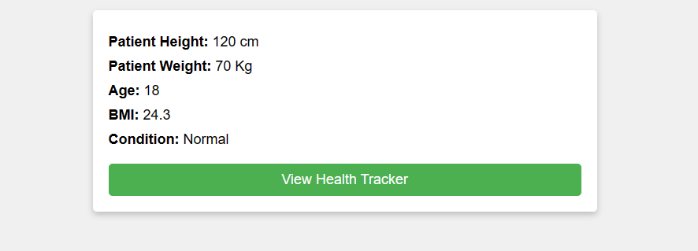 | View Health Tracker
 | 56 | Disable Health Tracker[Patient] | <Form> <btn disable Health tracker> | Health tracker will be disable | Disable Health Tracker button need to pressed properly |  | Disable Health Tracker
Feature: 21 |  | Symptoms Checker
 | 57 | Add Symptoms[Patient] | <Form> <checkbox symptoms> <output predicted symptoms> | Select the symptoms using checkbox and then a feedback will be given | Tick the checkbox properly |  | Add Symptoms
 |  | Check Predictated illness [Patient] | <output=predicted Illness> <button= Check Illness> | predicted illness are shown | 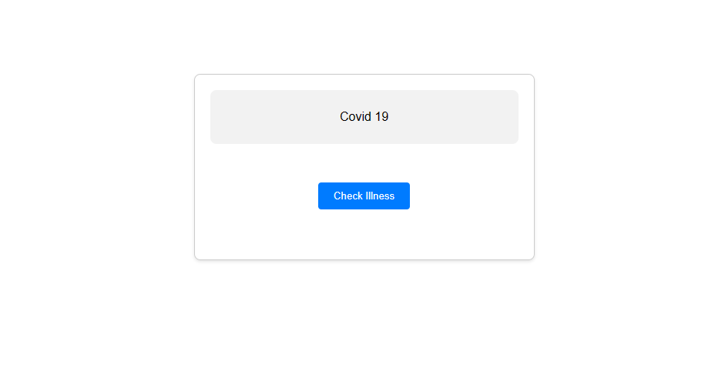 Press the check predic |  | Check Predicted Symptoms
 |  | View Symptoms and Predicted Illness [Patient] | <output=check_symptoms-1> <output=check_symptoms-2> <output=check_symptoms-3> <output=check_symptoms-4> <output=check_symptoms-5> <output=check_symptoms-6> <output=check_symptoms-7> <output=check_symptoms-8> <output=check_symptoms-9> <output=predicted illness> <button= View Symptoms> | All the symptoms and predicated illness will be shown | Symptom data need to be given and view symptopm button need to be pressed properly |  | View Symptoms
 | 57 | Check Symptoms by Id [Patient] | <input=Symptoms by id> Search <output=symptopms> | Symptoms are checked by using symptom id | Valid symptom id required |  | Check Symptoms by Id
Feature: 22 |  | Nutrition and Meal Planning
 | 58 | Provide Nutrition and Meal Planning[Patient] | <Form> <btn enable nutrition and meal planning> <output customized nutrition meal plan> | By enabling the nutrition and meal planning, a meal plan will be provided based on patients physical matreics | none |  | Provide Nutrition and Meal Planning

