Architect
Game Engine Architecture

1. Overview

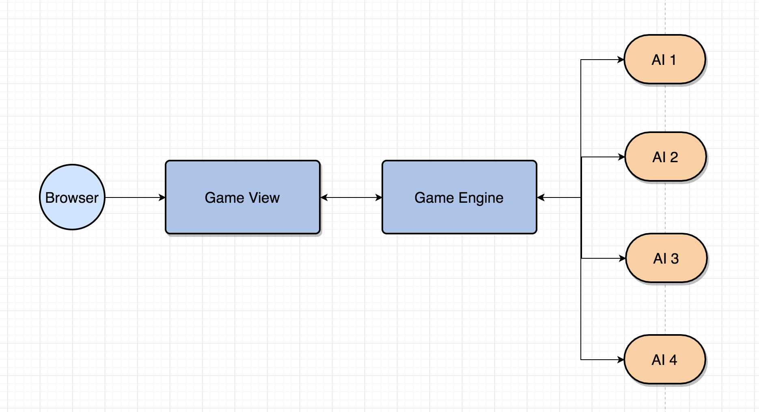

 | Appendix
 |  | All response status are determined by HTTP Status.
 |  | 2xx | Success
 |  | Others | Failed
 |  | If failed, the error respones:
 |  | { "error": { "message": "" } }

2. AI and GameEngine Communication
AI and GameEngine communicates by RESTful APIs. The endpoints and flow are demonstrated by below diagram.

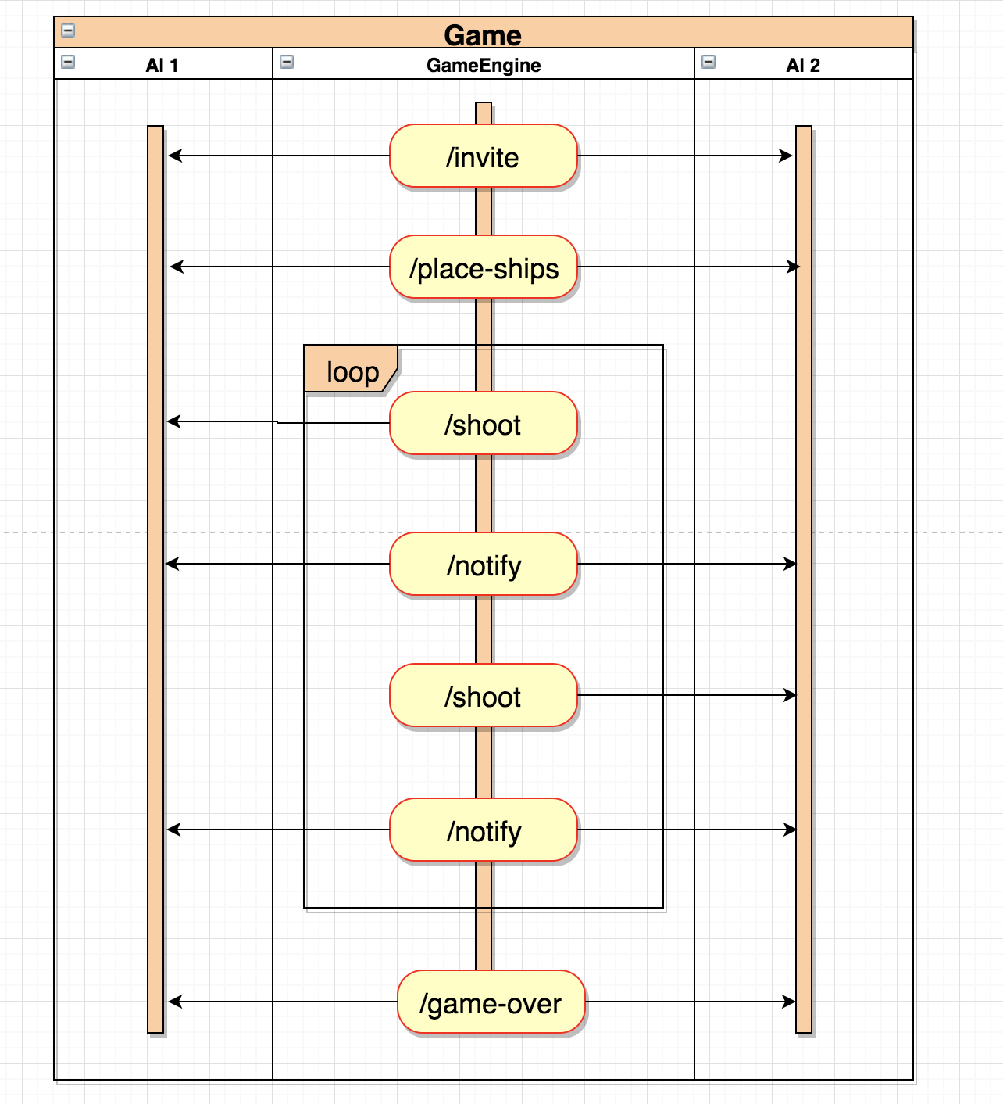

3. API Common Interface
* All above APIs are used by GameEngine to communicate with AI.
* Common HTTP Headers are required for almost requests/responses (exclude game-over)
 | Request HTTP Headers (from GameEngine)
 |  | X-SESSION-ID | the unique ID generated by GameEngine for each game
 |  | X-TOKEN | the unique token generated by GameEngine for each request
 | Response HTTP Headers (from AI)
 |  | X-SESSION-ID | same value with request
 |  | X-TOKEN | same value with request
* A response status are determined by HTTP Status. + If HTTP status is 2xx (ex: 200): success + Otherwise: failed.
* Common error: in case of failed request, error response (optional) must be in the structure
 | { "error": "error message..." }
* All requests are using POST method simply
* Players:
+ player1: player who shoots firstly + player2: player who shoots secondly

Appendix
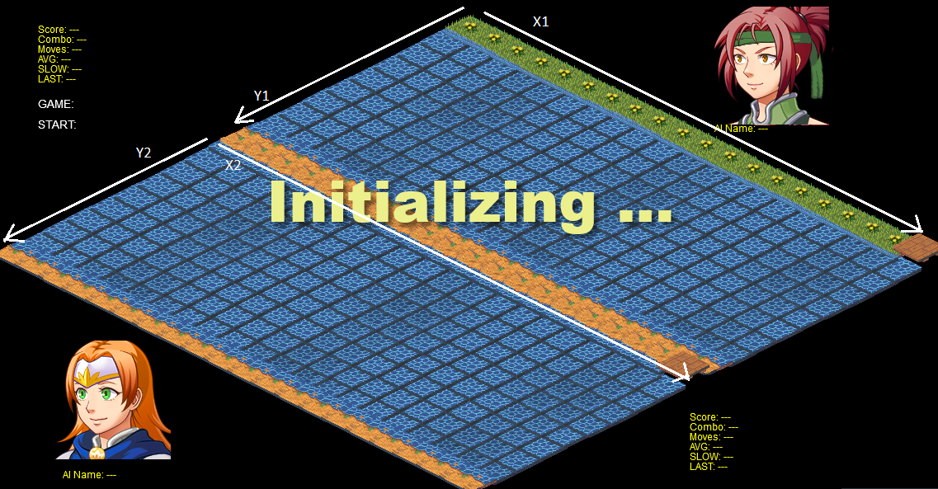
Appendix
* Ship Types | CV = carrier BB = battleship CA = cruiser DD = destroyer OR = oil rig | Refer GameRule for detail ship information
* Coordinate | are included x, y axis values. Example: [0, 1]. That mean x-axis = 0 and y-axis = 1.
 | An Axis ofcourse starts from 0
 | 0 <= x <= boardWidth - 1
 | 0 <= y <= boardHeight - 1
* Shot Status | HIT: hit any ship coordinate
 | MISS: hit water

 |  |  | Board Coordinates

