Battleship AI Challenge
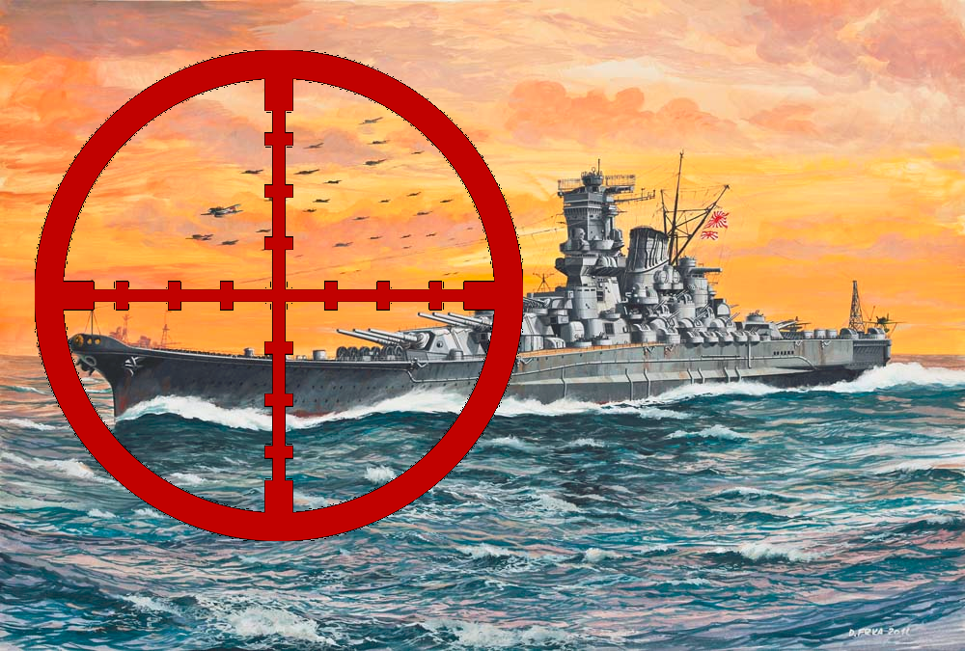
 | Evolable Asia Vietnam
 | Platform and format
Origin | DeNA Travel Lab, Evolable Asia
Name | Battleship AI Challenge
Cover

Basic rule
Battleship Game Rule

Players
1comp vs 1comp | Two AI services

Viewers
 | All the human members

Objective
・try to guess the location of the ships each AI hides on a plastic grid that can't be seen by his opponent
・sink all of the component's ships by correctly guessing their location, their shapes
・the first player to sink all opposing ships wins the game.

Setting up |  |  |  |  |  |  |  |  |  |  |  |  |  | Graphics on the game board: |  |  |  | PLEASE BE AWARE:
 |  |  |  |  |  |  |  |  |  |  |  |  |  | Carrier
 | Note: the S character marks the starting point of the ship |  |  |  |  |  |  |  |  |  |  |  |  |  |  |  |  | The normal shape of a carrier should be like this:
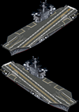
 |  |  |  |  |  | Vertical |  |  |  | Horizontal |  |  |  |  | <-- Vertical(0)
・type of ships: |  |  |  |  |  |  |  |  |  | S
 | Carrier with 5 pieces |  |  |  |  |  |  |  | S |  |  | ID: | 4

 |  |  |  |  |  |  |  |  |  |  |  |  |  |  | <-- Horizontal(1)

 |  |  |  |  |  |  |  |  |  |  |  |  |  |  |  |  |  | But we did it like this:

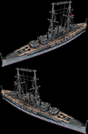
 | Battleship with 4 pieces |  |  |  |  |  |  |  | S | S |  | ID: | 0 | Battleship:
 |  |  |  |  |  |  |  |  |  |  |  |  |  |  |  |  |  | WHY?
 |  |  |  |  |  |  |  |  |  |  |  |  |  |  |  |  |  |  | 1 | We do not have the graphic resource when building it
 |  |  |  |  |  |  |  |  |  |  |  |  |  |  |  |  |  |  | 2 | We keep this, as a "feature" of this system, to avoid script kiddies

 |  |  |  |  |  |  |  |  |  |  |  |  |  |  |  |  |  | The layout of the board in theory:
 |  |  |  |  |  |  |  |  |  |  |  |  |  |  |  |  |  | X
 |  |  |  |  |  |  |  |  |  |  |  |  |  |  |  |  |  | 0 | 1 | 2 | 3 | 4 | 5 | 6 | 7 | 8 | 9 | 10 | 11 | 12 | 13 | 14 | 15 | 16 | 17 | 18 | 19
 |  |  |  |  |  |  |  |  |  |  |  |  |  |  |  | Y | 0 |  | Vert. Obj.
 |  |  |  |  |  |  |  |  |  |  |  |  |  |  |  |  | 1 |  |  | S |  |  |  | Horz. Obj.
 |  |  |  |  |  |  |  |  |  |  |  |  |  |  |  |  | 2
 | Oilrig with 4 pieces |  |  |  |  |  | S |  |  |  | S | ID: | 5 | Oil rig: |  |  | 3 |  |  |  |  |  |  | S
 |  |  |  |  |  |  |  |  |  |  |  |  |  |  |  |  | 4
 |  |  |  |  |  |  |  |  |  |  |  |  |  |  |  |  | 5
 |  |  |  |  |  |  |  |  |  |  |  |  |  |  |  |  | 6
 |  |  |  |  |  |  |  |  |  |  |  |  |  |  |  |  | 7

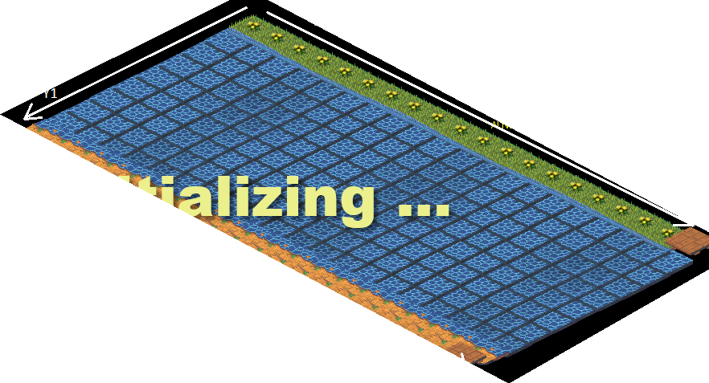
 |  |  |  |  |  |  |  |  |  |  |  |  |  |  |  |  |  | The layout of the board in visual: |  |  |  |  |  |  |  |  |  |  |  | because we show the board vertically so it be like this
 | Destroyer with 2 pieces |  |  |  |  |  | S |  |  | S |  | ID: | 1 | Destroyer: |  |  |  | 0 | 1 | 2 | 3 | 4 | 5 | 6 | 7
 |  |  |  |  |  |  |  |  |  |  |  |  |  |  |  |  |  |  |  |  | Vert. Obj. |  |  |  |  | 0
 |  |  |  |  |  |  |  |  |  |  |  |  |  |  |  |  |  |  |  |  |  |  |  |  |  | 1
 |  |  |  |  |  |  |  |  |  |  |  |  |  |  |  |  |  |  |  |  |  |  |  | S |  | 2
 |  |  |  |  |  |  |  |  |  |  |  |  |  |  |  |  |  |  |  |  |  |  |  |  |  | 3
 |  |  |  |  |  |  |  |  |  |  |  |  |  |  |  |  |  |  | S |  |  |  |  |  |  | 4
 | Cruiser with 3 pieces |  |  |  |  |  |  | S |  | S |  | ID: | 2 | Cruiser: |  |  |  |  |  |  |  |  |  |  |  | 5
 |  |  |  |  |  |  |  |  |  |  |  |  |  |  |  |  |  |  |  |  |  |  |  |  |  | 6
 |  |  |  |  |  |  |  |  |  |  |  |  |  |  |  |  |  |  |  |  |  |  |  |  |  | 7
 |  |  |  |  |  |  |  |  |  |  |  |  |  |  |  |  |  |  | Horz. Obj. |  |  |  |  |  |  | 8
 |  |  |  |  |  |  |  |  |  |  |  |  |  |  |  |  |  |  |  |  |  |  |  |  |  | 9
 |  |  |  |  |  |  |  |  |  |  |  |  |  |  |  |  |  |  |  |  |  |  |  |  |  | 10
Rule of placement: |  |  |  |  |  |  |  |  |  |  |  |  |  |  |  |  |  |  |  |  |  |  |  |  |  | 11
・the board game: 8 x 20 grids, |  |  |  |  |  |  |  |  |  |  |  |  |  |  |  |  |  |  |  |  |  |  |  |  |  | 12
 |  | x/y (each location is plot by (x, y) where 0 <= x < 20, 0 <= y < 8 |  |  |  |  |  |  |  |  |  |  |  |  |  |  |  |  |  |  |  |  |  |  |  | 13
・each ship must be placed horizontally or vertically across grid spaces |  |  |  |  |  |  |  |  |  |  |  |  |  |  |  |  |  |  |  |  |  |  |  |  |  | 14 |  |  |  |  |  |  |  |  | << | So: vertical object is the first image
・ships can touch each other, but they can't overlap on the same space. |  |  |  |  |  |  |  |  |  |  |  |  |  |  |  |  |  |  |  |  |  |  |  |  |  | 15 |  |  |  |  |  |  |  |  |  | Horizontal object is the second image
・ships can not overlap on land space. |  |  |  |  |  |  |  |  |  |  |  |  |  |  |  |  |  |  |  |  |  |  |  |  |  | 16
・the position of the ships can not be changed after the game begins. |  |  |  |  |  |  |  |  |  |  |  |  |  |  |  |  |  |  |  |  |  |  |  |  |  | 17
・game engine generates the ship types being used(within the 5 types above) and the number of each type

Basic gameplay
・game play by turn, with each turn, each AI decide one position to shot at.
・the AI on the upper board (on the right) will go first. So the first shot will be landed on the lower board (on the left). The two team randomly select the order before the game(by ballot).
・at the beginning, game engine will call each AI once, to send information about the boards, the list of ships (may vary)
・after that, game engine will call AI, to get the arrangement of ships, if the arrangement is invalid, the AI will be considered as failed.
・the turns system starts
・by each turn, game engine will call AI to get the coordinate of the shot (x,y)
・game engine not prevent duplicated shots on one position, that mean, an AI can shot on a single position several times(by mistake).
・AI will be informed about the result of the shot (hit or not)
・AI will know when a ship got sunk, and the position of the ship
・AI can be failed in these cases:
 |  |  |  | 1 | Be the first AI which lost all the ships
 |  |  |  | 2 | The arrangement of ship become invalid
 |  |  |  | 3 | The position of the shot is invalid
 |  |  |  | 4 | The number of shot in a combo is invalid
 |  |  |  | 5 | Error occurs when the game engine make a call to it
 |  |  |  | 6 | AI causes timeout in processing the game engine's request (>=10s)
 |  |  |  | 7 | AI generates invalid JSON format
 |  |  |  | 8 | AI exploits the game server or utilize middle service to get internal data of the opponent

Special rule:
・With each ship of the enemy be destroyed, a star will be added to the combo bar
・An AI can decide, to use the current combo in one turn. To use it, AI responses multiple [x,y] positions to game engine, instead of just 1 position as normal cases.
 |  |  | For example: the combo bar got 3 stars, the AI can make a combo shot with n positions, with 1 < n <=(3+1)
 |  |  |  | If n=4, then we have to response 4 positions to game engine on request.
・After the combo shot, all stars will be cleared from the bar (for example: the star is 3, and AI just use 2, but the bar still got cleared to zero).
・The combo bar will be recharged after the last combo shot, when AI sinks another enemy ship.
・AI can use multiple combo shots in multiple turns. 1 combo for 1 turn.

Layout of the boards in visual:
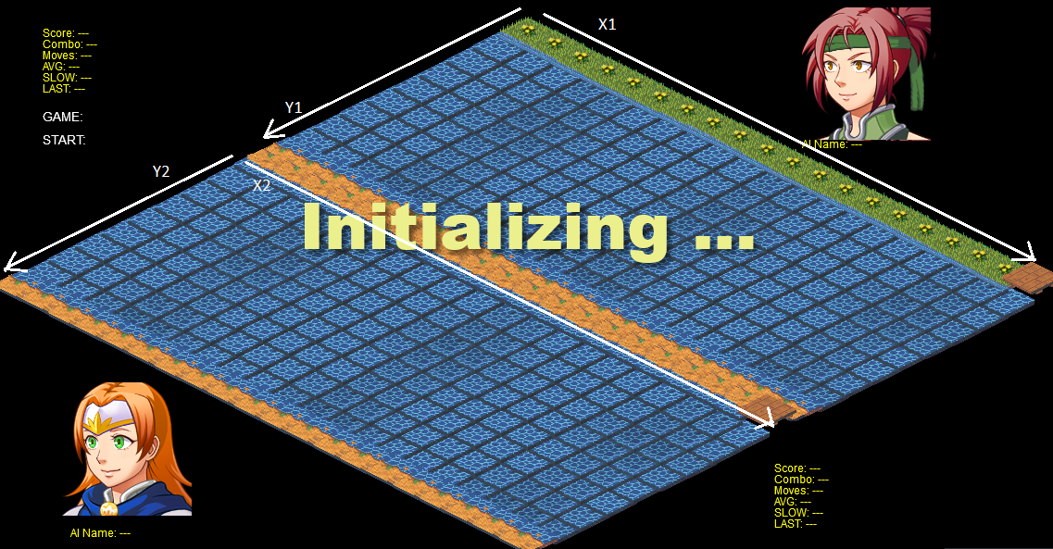

Fair play rules
. All battles will be logged and analyze to clarify any strange behavior
. If any cheat / hack be found, the team will be blacklisted from Hackathon
. To ensure fairplaying, the competition will be played on a dedicated LAN of DeNA Travel lab, and this system will track every communication
. The judges board will deliver final judgement in any conflict.

