CreateDiscount-<<DiscountInfo
ID | Test Case Description | Step | Expected Output | Test Data
 | Quick Shopping cart dropdown list.
1 | Verify UI of the quick Shopping cart.
 |  | 1. Go to home page. 2. Hover over the Shoppong cart link on the tio right of the site. 3. Check UI of the Quick Shopping cart. | The list of added to cart product displayed. | 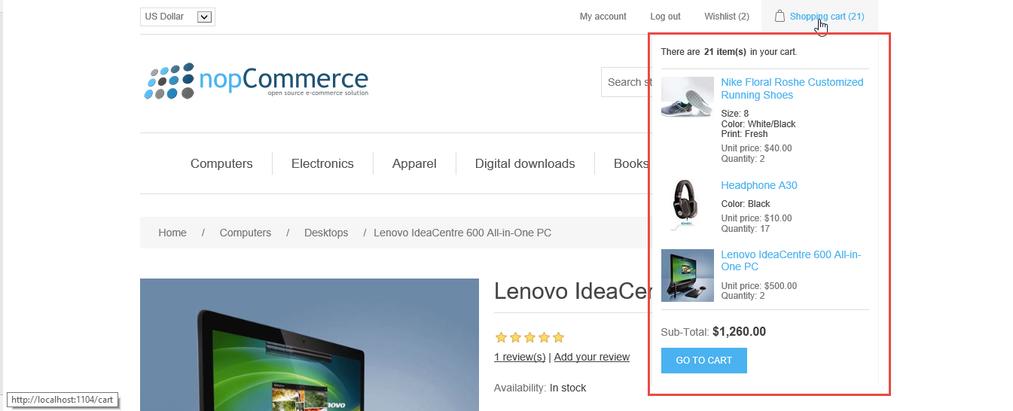
2 | Verify the message at the top of the Quick Shopping cart.
 |  | 1. Go to home page. 2. Hover over the Shoppong cart link on the tio right of the site. 3. Check the message at the top of the Quick Shopping cart. | The message: “There are <total product quantity> item(s) in your cart”
3 | Verify total product quantity of the Quick Shopping cart when user added 1 more product.
 |  | 1. Go to home page. 2. Add 1 product to Shopping cart. 3. Hover the the Quick Shopping cart link. 4. Check the product quantity in the shopping cart and the number of total quantity product in the message. | The total product quantity in the message and the number of product in Quick Shopping cart are equal.
4 | Verify the ordering the list by selected product details page descending.
 |  | 1. Go to home page. 2. Hover the the Quick Shopping cart link. 3. Check the ordering the list. | The ordering the list by selected product descending.
5 | Verify Check the display of each product in Quick Shopping cart.
 |  | 1. Go to home page. 2. Hover the the Quick Shopping cart link. 3. Check the display of each product. | Each product displays: - The fist image of product. - Product name - Product attributes. - Unit price. - Quantity.
6 | Verify Product name is a clickable link and link to the product details page.
 |  | 1. Go to home page. 2. Hover the the Quick Shopping cart link. 3. Click on the Product name link. | The Product name is clickable. After click on Product name link, the user will go to the Product detail page.
7 | Verify the selected quantity of the product in Quick Shopping cart when the user added 1 more product.
 |  | 1. Go to home page. 2. Add 1 product to Shopping cart. 3. Hover the the Quick Shopping cart link. 4. Check the selected quantity of the added product. | The selected quantity of the added product in the cart is equal to the previously selected quantity +1.
8 | Verify the Sub-total price in Quick Shopping cart.
 |  | 1. Go to home page. 2. Hover the the Quick Shopping cart link. 3. Check the Sub-total. | The Sub-total =Sum of total product prices.
9 | Verify the Sub-total price in Quick Shopping cart when user added 1 more product.
 |  | 1. Go to home page. 2. Add 1 more product to Shopping cart. 3. Hover the the Quick Shopping cart link. 4. Check the Sub-total. | The Sub-total =Sum of total product prices.
10 | Verify the user click on GO TO CART button.
 |  | 1. Go to home page. 2. Hover the the Quick Shopping cart link. 4. Click on GO TO CART button. | After the user click on GO TO CART button, direct to Shopping Cart details page.
11 | Verify the user can navigate to the Shopping Cart details page after clicking on the Shopping Cart link.
 |  | 1. Go to home page. 2. Click on Shopping Cart link on the top right of the site. | After clicking on the Shopping cart link, navigate to the Shopping Cart details page.
12 | Verify the user can navigate to the Shopping Cart details page after clicking on the Shopping Cart link on the warning message after adding a product.
 |  | 1. Go to home page. 2. Add 1 product to the Shopping cart. 3. Click on Shopping cart link on warning message. | After clicking on the Shopping cart link, navigate to the Shopping Cart details page.
13 | Verify the user can navigate to the Shopping Cart details page after clicking on the Shopping Cart link.
 |  | 1. Go to home page. 2. Click on Shopping Cart link on the top right of the site. | After clicking on the Shopping cart link, navigate to the Shopping Cart details page.
 | Shopping cart details page.
1 | Verify UI of the Shopping cart details page.
 |  | 1. Go to home page. 2. Click on Shopping cart link. 3. Check UI of the Shopping cart details page. | The Shopping cart details page displays. | 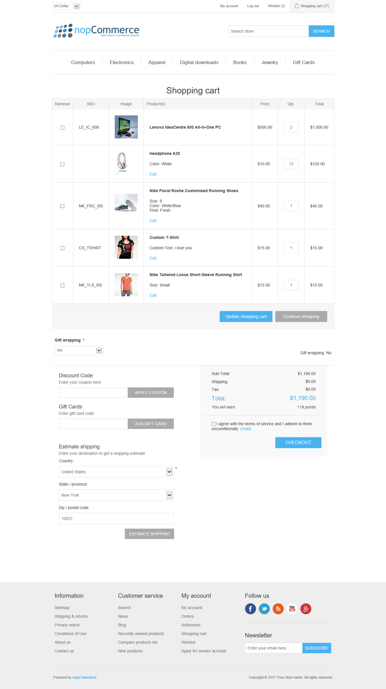
2 | Verify all colunms of the Shopping grid.
 |  | 1. Click on Shopping Cart link to navigate to the Shopping cart details page. 2. Check allcolunms of the Shopping gird. | Shopping grid has the following colunm: - Remove. - SKU. - Image. - Product(s). - Quantity. - Total.
3 | Verify Product name is a clickable link and link to the product details page.
 |  | 1. Click on Shopping Cart link to navigate to the Shopping cart details page. 2. Click on Product name link. | The Product name is clickable. After click on Product name link, the user will go to the Product detail page.
4 | Verify the Edit link is clickable and present when the product has product attributes.
 |  | 1. Click on Shopping Cart link to navigate to the Shopping cart details page. 2. Go to a product that has product attributes. 3. Check the Edit link. | The Edit link is clickable.
5 | Verify the total current price of the product.
 |  | 1. Click on Shopping Cart link to navigate to the Shopping cart details page. 2. Check the total current price of the product. | Total = <currency> price * quantity.
6 | Verify the user can remove 1 product from Shopping cart.
 |  | 1. Click on Shopping Cart link to navigate to the Shopping cart details page. 2. Click on a checkbox of remove colunm. 3. Click on Update shopping cart button | Selected item is removed from the Shopping cart.
7 | Verify the user can remove 2 product from Shopping cart.
 |  | 1. Click on Shopping Cart link to navigate to the Shopping cart details page. 2. Click on 2 checkbox of remove colunm. 3. Click on Update shopping cart button | Selected items are removed from the Shopping cart.
8 | Verify the user can navigate to product details page when clicking on the Edit link of the product.
 |  | 1. Click on Shopping Cart link to navigate to the Shopping cart details page. 2. Click on Edit link of the product. | After clicking on the Edit link, navigate to the Product details page with Update button.
9 | Verify the user can edit product attributes at the Product details page.
 |  | 1. Click on Shopping Cart link to navigate to the Shopping cart details page. 2. Click on Edit link of the product to go to the Product details page. 3. Update any product attibutes. 4. Click on Update button. | The product attributes can be edited.
10 | Verify the user can back to the Shopping cart page after clicking on Update button.
 |  | 1. Click on Shopping Cart link to navigate to the Shopping cart details page. 2. Edit any product attributes. 4. Click on Update button. | After clicking on the Update button, the user back to Shopping cart page.
11 | Verify the product attributes was changed after edited.
 |  | 1. Click on Shopping Cart link to navigate to the Shopping cart details page. 2. Update any product attributes. 4. Click on Update button. | The product attributes is updated on Shopping grid.
12 | Verify the user enter a character in the quantity of any product.
 |  | 1. Click on Shopping Cart link to navigate to the Shopping cart details page. 2. Enter a character in the Qty colunm. | The system blocks users from entering non-numeric characters
12 | Verify the user can enter number in the quantity of any product.
 |  | 1. Click on Shopping Cart link to navigate to the Shopping cart details page. 2. Enter a number in the Qty colunm. 3. Click on Update shopping cart button. | The Quantity and the Total on shopping grid are updated.
13 | Verify the total details setion is updated when the user enter another number.
 |  | 1. Click on Shopping Cart link to navigate to the Shopping cart details page. 2. Enter a number in the Qty colunm. 3. Click on Update shopping cart button. | The Total details section is updated.
14 | Verify the user can continue shopping after click on Continues shopping button.
 |  | 1. Click on Shopping Cart link to navigate to the Shopping cart details page. 2. Click on Continue shopping button. | After clicking on Continue shopping button, the list of product of last selected product category displays.
15 | Verify the user can select the Check out attributes.
 |  | 1. Click on Shopping Cart link to navigate to the Shopping cart details page. 2. In the Check out attributes section, select any option in any attributes. | The selected options are displayed in the right side.
16 | Verify the total details section is updated after selecting the Check out attributes.
 |  | 1. Click on Shopping Cart link to navigate to the Shopping cart details page. 2. In the Check out attributes section, select any option in any attributes. 3. Click on Update shopping button. | The Total details section is updated.
17 | Verify the user enter invalid coupon.
 |  | 1. Click on Shopping Cart link to navigate to the Shopping cart details page. 2. In the Discount code field, enter a invalid coupon. | The message “The coupon code you entered couldn't be applied to your order” in red will be displayed under Dicount code text box.
18 | Verify the user enter valid coupon.
 |  | 1. Click on Shopping Cart link to navigate to the Shopping cart details page. 2. In the Discount code field, enter a valid coupon. 3. Click on Apply coupon button. | The text: "The coupon code was applied Entered coupon code – <Code>" with icon" "You save: <discount amount>" below total price.
19 | Verify the Total details section is updated.
 |  | 1. Click on Shopping Cart link to navigate to the Shopping cart details page. 2. In the Discount code field, enter a valid coupon. 3. Click on Apply coupon button. | After entering the valid coupon code, the Total details section is updated.
20 | Verify the user can remove the coupon code.
 |  | 1. Click on an icon next to the text "Entered coupon code -<Code>". 2. Check the Discount apllied. | Discount applied for products will be remove.
21 | Verify the user can remove the coupon code.
 |  | 1. Click on an icon next to the text "Entered coupon code -<Code>". 2. Check the Total details sections. | The price is prepopulated the normal price.
22 | Verify the Total checkout section items.
 |  | 1. Go to Shopping cart page. 2. Check the Total checkout section. | Total checkout items: o Sub-total = Sum of all Total products. o Shipping o Total o You will earn o I agree with the terms of service and I adhere to them unconditionally o Read link o Checkout button
23 | Verify the Tax when product is not applied tax.
 |  | 1. Go to Shopping cart page. 2. Check the Tax fee. | The Tax fee is 0 when product not applied tax.
24 | Verify the Tax when product is applied tax.
 |  | 1. Go to Shopping cart page. 2. Check the Tax fee. | Tax fee = (price*quantity*Tax rate)/100 if product apply tax fixed rate
24 | Verify the user check the total
 |  | 1. Go to Shopping cart page. 2. Check the total. | Total is sum of Sub-Total, Shipping and Tax.
25 | Verify the user check the point
 |  | 1. Go to Shopping cart page. 2. Check the point. | Each 10$, customer will earn 1 point.
25 | Verify the user read term of service
 |  | 1. Go to Shopping cart page. 2. Click on read hyperlink in blue at agreement text.. | User can read the term when clicking on it.
26 | Verify the user checkout the shopping cart.
 |  | 1. Go to Shopping cart page. 2. Click on checkout button. | If agreement check box is selected, direct to Checkout page

