CreateDiscount-<<DiscountInfo
ID | Test Case Description | Step | Expected Output | Test Data
1 | Verify UI of the Sign up pop-up.
 |  | 1. Click on the Create new account button 2. Check UI of the Sign up pop-up. | The pop-up is displayed. | 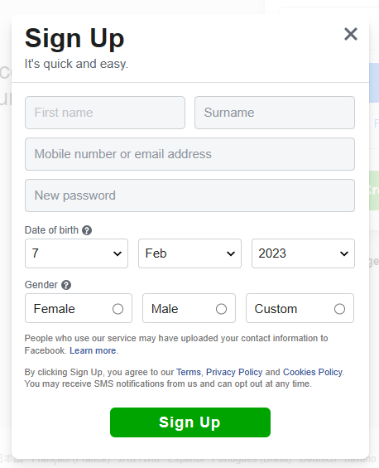
2 | Verify the First name field is required.
 |  | 1. Click on the Sign Up button. 2. Check the First name field. | The border of the First name field turns red. The error message: 'What your name?'
3 | Verify the Surname field is required.
 |  | 1. Click on the Sign Up button. 2. Check the Surname field. | The border of the Surname field turns red. The error message: 'What your name?'
4 | Verify the Mobile number or email address field is required.
 |  | 1. Check the Mobile number or email address field. | The border of the Mobile number or email address field turns red. The error message: 'Please enter a vaild mobile number or email address.'
5 | Verify the New password field is required.
 |  | 1. Check the New password field. | The border of the New password field turns red. The error message: 'Enter a combination of at least six numbers, letters and punctuation marks (such as ! and &).'
6 | Verify the New password field is required.
 |  | 1. Check the New password field. | The border of the New password field turns red. The site doesn't navigate to home page.
7 | Verify the Date of birth field is required.
 |  | 1. Check the Date of birth field. | The border of the Date of birth field turns red. The error message: 'It looks like you've entered the wrong info. Please make sure that you use your real date of birth.'
8 | Verify by filling invalid number in the mobiile number or email address field.
 |  | 1. Filling invalid phone number in the filed. 2. Click on the Sign Up button. | The border of the Mobile number or email address field turns red. The error message: 'Please enter a vaild mobile number or email address.'
9 | Verify by filling invalid email address format in the mobiile number or email address field.
 |  | 1. Filling invalid email in the filed. 2. Click on the Sign Up button. | The border of the Mobile number or email address field turns red. The error message: 'Please enter a vaild mobile number or email address.'
10 | Verify by filling invalid New password.
 |  | 1. Filling invalid new password. 2. Click on the Sign Up button. | The border of the New password field turns red. The error message: 'Enter a combination of at least six numbers, letters and punctuation marks (such as ! and &).'
11 | Verify by selecting invalid Date of birth so that the age of the user < 5.
 |  | 1. Select the date of the user so that the age < 5. 2. Click on the Sign Up button. | The border of the Date of birth field turns red. The error message: 'It looks like you've entered the wrong info. Please make sure that you use your real date of birth.'
12 | Verify by selecting Gender = Custom.
 |  | 1. Select the Gender = Custom. | The Select your pronoun field displays.
13 | Verify the Select your pronoun filed is required when the Gender = Custom.
 |  | 1. Select the Gender = Custom. 2. Click on the Sign Up button. | The border of the field turns red. The error message: 'Select your pronoun'.
14 | Verify by filling all information in all required filed.
 |  | 1. Fill all required information. 2. Click on the Sign Up button. | Navigate to the confirmation info page.
15 | Verify the UI of the More information page when clicking on the Learn more link.
 |  | 1. Click on the Learn more link. | Navigate to the More info page. | 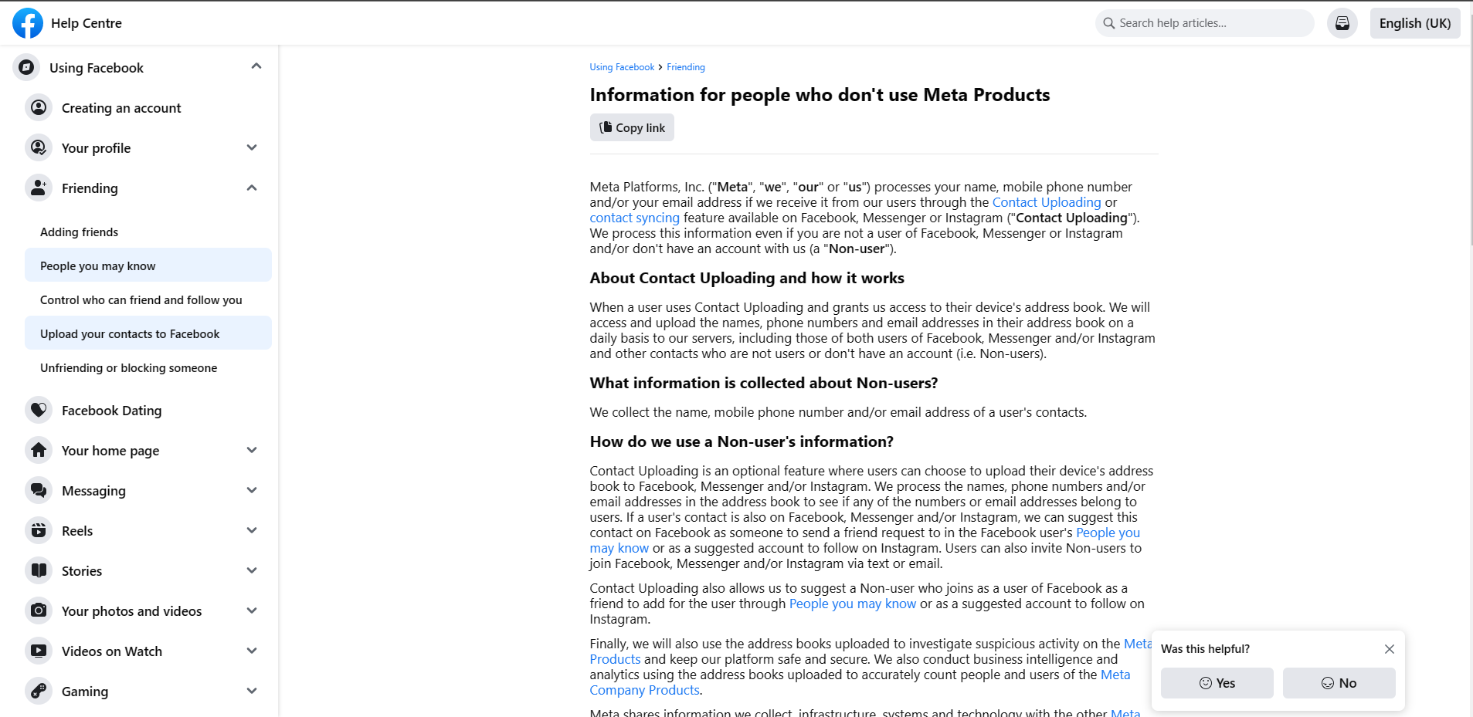
16 | Verify the UI of the Term of Service page when clicking on the Term link.
 |  | 1. Click on the Term link. | Navigate to the Term of Service page. | 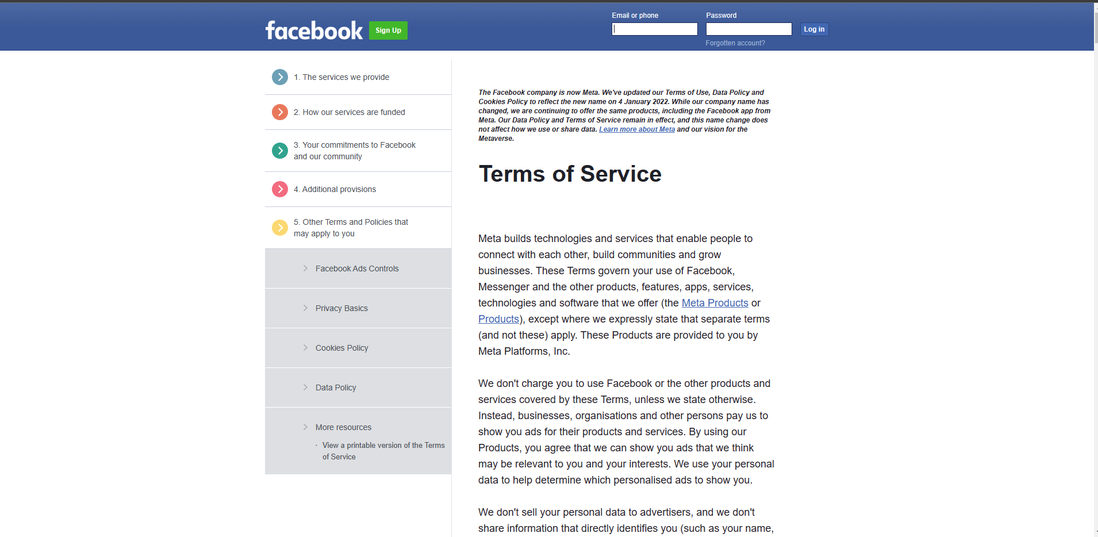
17 | Verify the UI of the Privacy Policy page when clicking on the Term link.
 |  | 1. Click on the Privacy Policy link. | Navigate to the Privacy Policy page. | 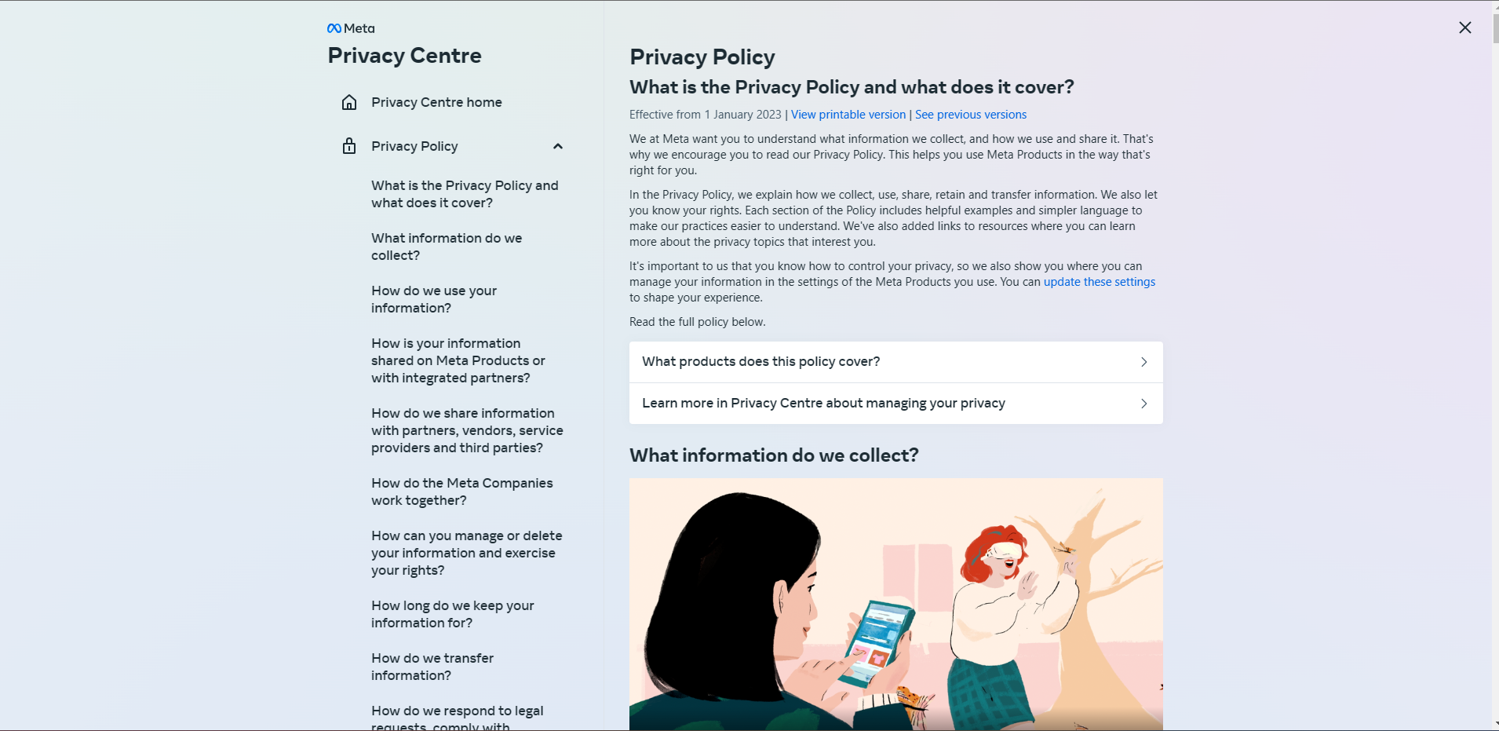
18 | Verify the UI of the Cookies Policy page when clicking on the Term link.
 |  | 1. Click on the Cookies Policy link. | Navigate to the Cookies Policy page. | 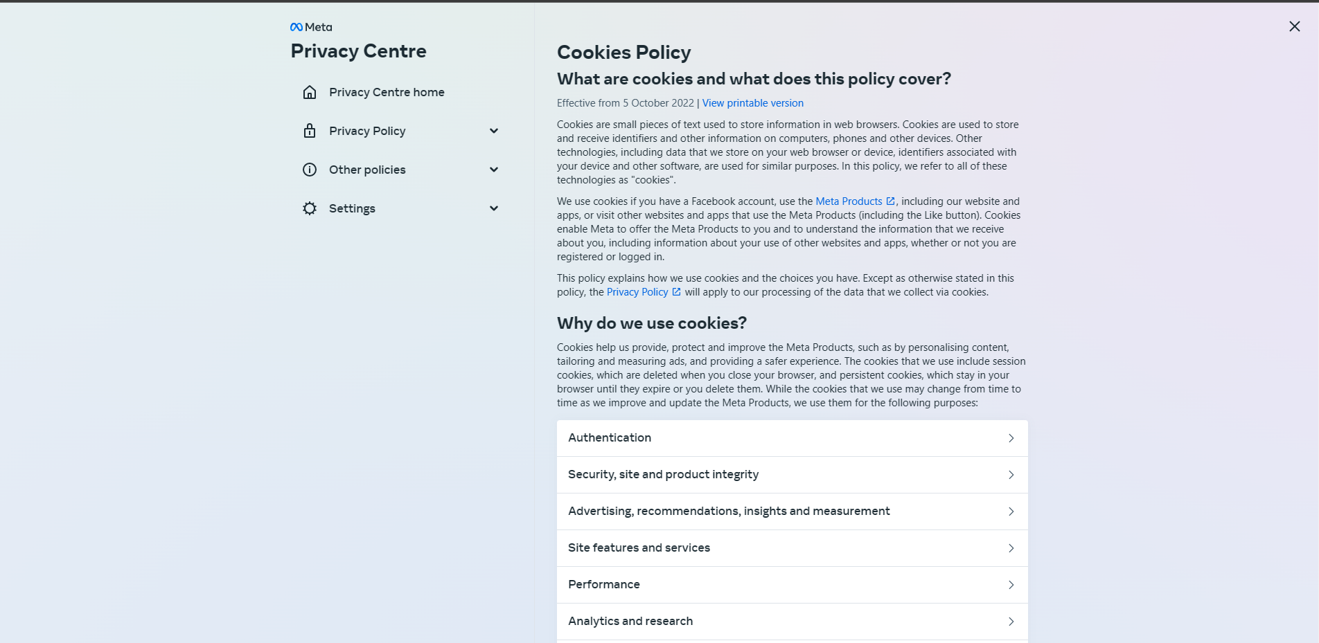
19 | Verify UI of the Confirmation Info page.
 |  | 1. Check the UI of the Confirmation Info page. |  | 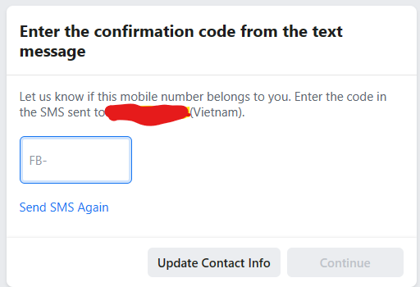
20 | Verify UI of the Sign up successful pop-up.
 |  | 1. Enter the Code in field. 2. Click on Continue. 3. Check the UI of the Sign up successful pop-up. | The pop-up is displayed.

