3_Forgot Password
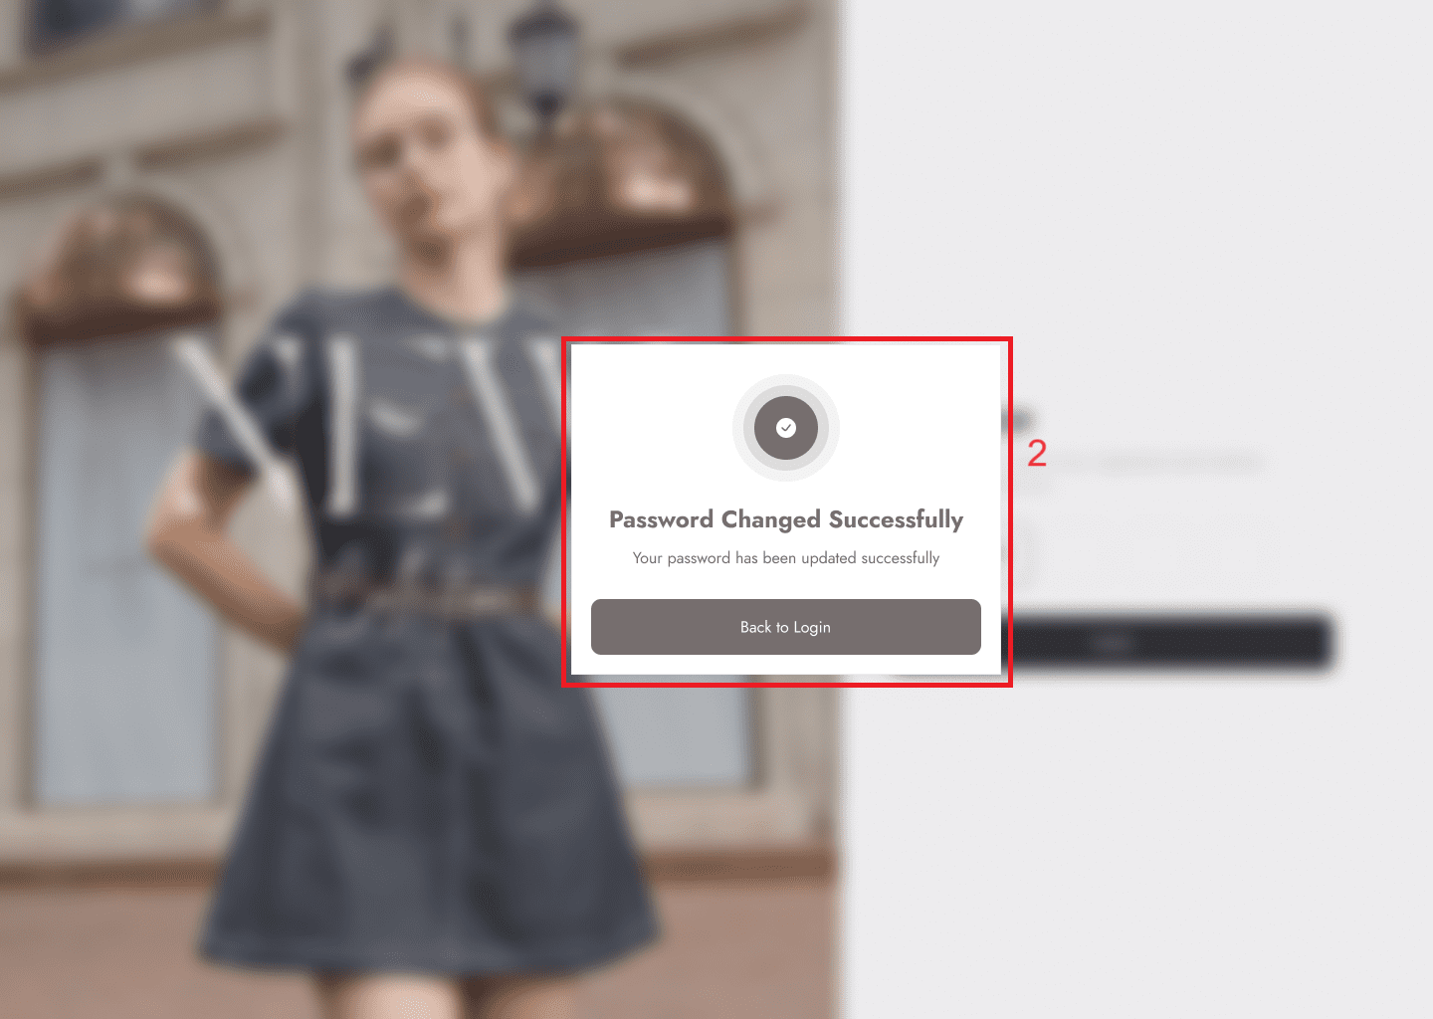
Project: | ILUVIT- E-commerce website | Version | 0.1 | Sprint | 2
Team: | G11 | Reviewed by | Doan Thi Phuong Hong
Document: | Principles | Approved by | Doan Thi Phuong Hong
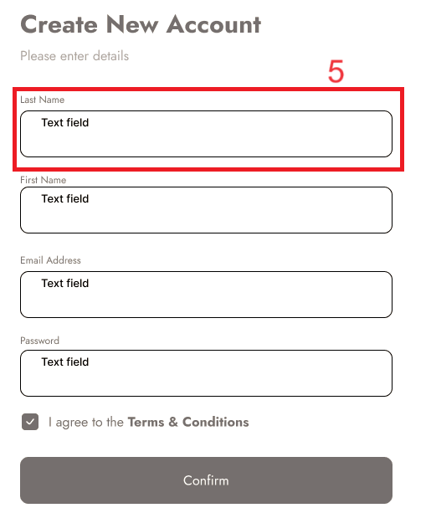
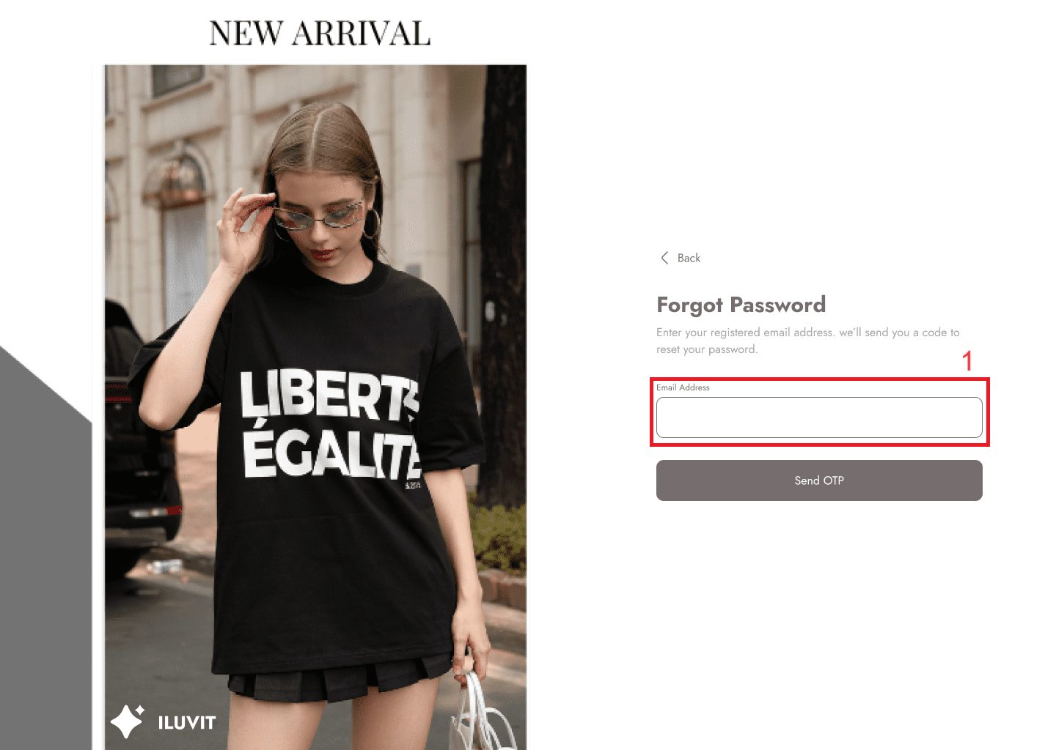
 |  |  |  |  |  | Principle | Number | Explanation
 |  |  |  |  |  | 1. Consistency | 2024-01-05 | The arrangement so that the field name is above and the field to be filled in below shows consistency with the Sign-up() and Login pages().
 |  |  |  |  |  | 2. Observability | 2 | The notification of completing the password change is displayed

7_Payment Method
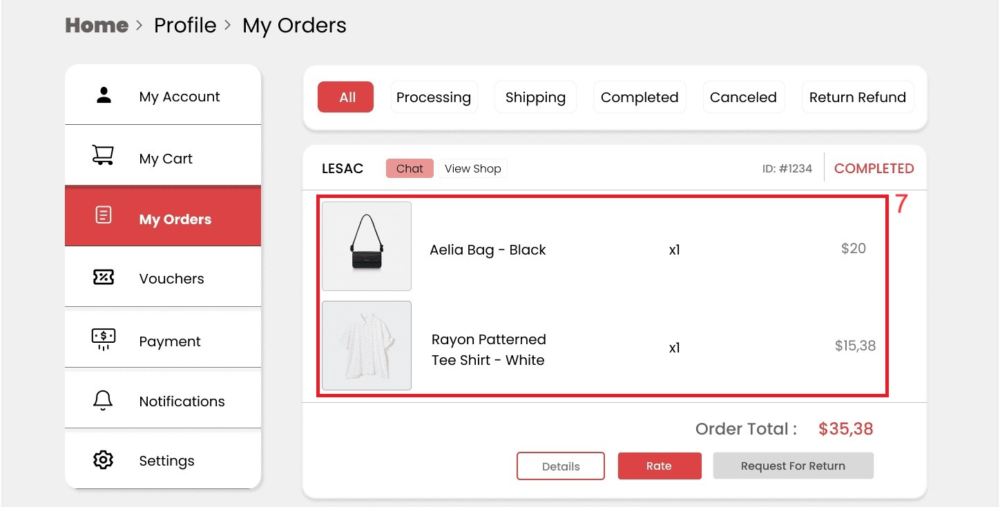
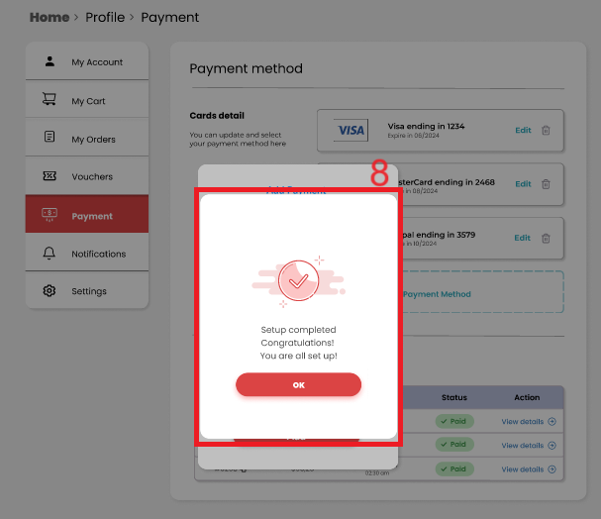
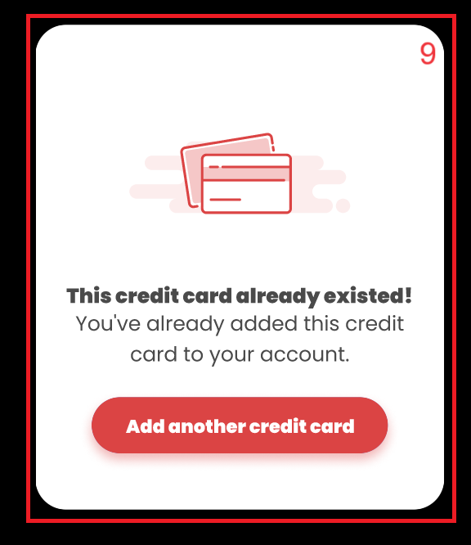
Project: | ILUVIT- E-commerce website | Version | 0.1 | Sprint | 2
Team: | G11 | Reviewed by | Doan Thi Phuong Hong
Document: | Principles | Approved by | Doan Thi Phuong Hong

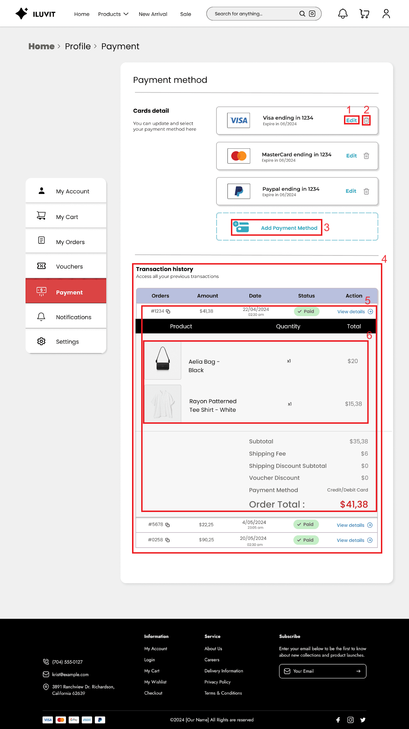
 |  |  |  |  |  | Principle | Number | Explanation
 |  |  |  |  |  | 1. Simplicity | 5 | We have simplified it by only listing necessary items such as (ID, Amount, Date, Status) of orders paid online and only displaying order details users want to see when they press view details
 |  |  |  |  |  | 2. Predictability | 2024-01-03 | Users can guess the function “Edit”(1) to edit existing card information and "Add Payment Method"(3) to add other cards
 |  |  |  |  |  | 3. Synthesisability | 4 | When editing payment method, users can review their payment history
 |  |  |  |  |  | 4. Familiarity | 2 | We use the trash icon for users to delete their unused cards
 |  |  |  |  |  | 5. Consistency | 2024-06-07 | The way purchased products(Product, Quantity, Total)(6) are displayed is consistent with the My Order page(7)
 |  |  |  |  |  | 6. Observability | 8 | The message of successfully adding a card is displayed after the user presses the "Add" button.
 |  |  |  |  |  | 7. Recoverability | 9 | When the user adds an existing card, the system will display the error and provide a solution

23_Total Income
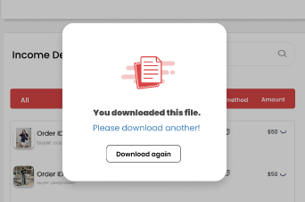
Project: | ILUVIT- E-commerce website | Version | 0.1 | Sprint | 2
Team: | G11 | Reviewed by | Doan Thi Phuong Hong
Document: | Principles | Approved by | Doan Thi Phuong Hong

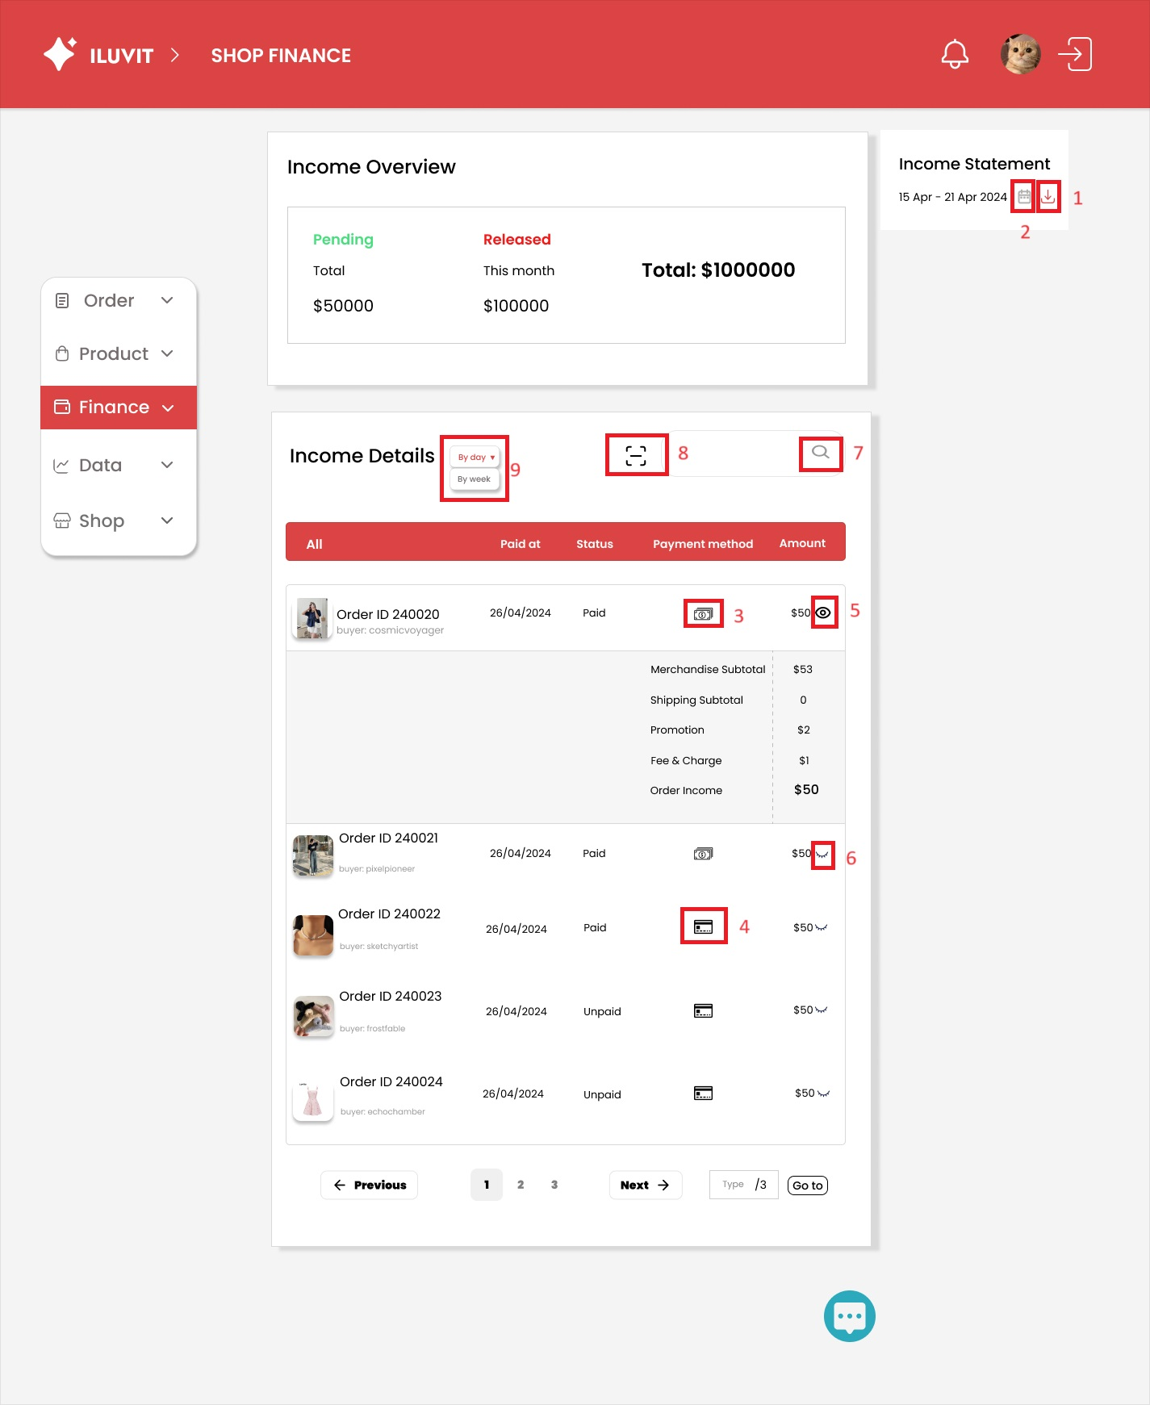
 |  |  |  |  |  | Principle | Number | Explanation
 |  |  |  |  |  | 1. Predictability | 1 | The site uses the download(1) icon to enhance predictability in the interface. When users see that icon, they can guess that it is used for downloading.
 |  |  |  |  |  | 2. Familiarity | 2,3 4 | Users see common symbols in real life such as calendar (2), cash(3), and bank card(4).
 |  |  |  |  |  | 3. Consistency |  | Buyer information is displayed consistently on the left, followed by timestamp, payment status, payment method, and amount, ensuring consistent formatting across all earnings details on this page.
 |  |  |  |  |  | 4. Responsiveness | 5.6 | When the user clicks on the eye icon, it will change from closed eyes to open eyes and display detailed information about how to calculate the price of that order.
 |  |  |  |  |  | 5. Substitutivity | 7.8 | Substitutivity allows users to choose between text search and scan search
 |  |  |  |  |  | 6. Customisability | 9 | Sellers can choose between viewing income details by day or week
 |  |  |  |  |  | 7. Recoverability |  | An error message appears when reloading a previously downloaded video, the solution is to choose another video or redownload anyway

30_Manage Account Sellers
Project: | ILUVIT- E-commerce website | Version | 0.1 | Sprint | 2
Team: | G11 | Reviewed by | Doan Thi Phuong Hong
Document: | Principles | Approved by | Doan Thi Phuong Hong

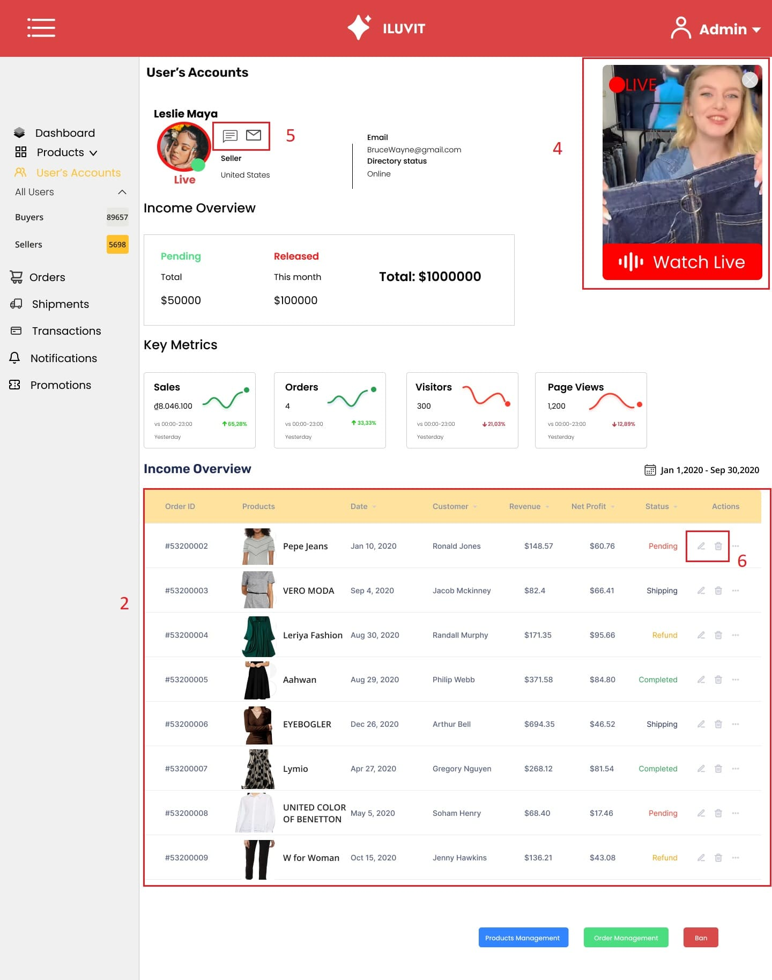
 |  |  |  |  |  | Principle | Number | Explanation
 |  |  |  |  |  | Dialog Initiative | 1 | The Dialog Initiative is introduced through a small window (1) that appears when users click the "ban" button to confirm whether they indeed want to ban the seller or not.
 |  |  |  |  |  | Consistency | 2 | The website maintains consistency by presenting order details in a uniform format (2). This format includes the order ID followed by an image of the product, its name, date, revenue, profit, and order status.
 |  |  |  | 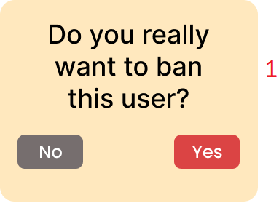 |  | Observability | 3 | Observable cues are demonstrated through a small window (3) that appears when an admin successfully confirms the banning of a user. This immediate feedback visually confirms to them that the action to ban the seller has been executed.
 |  |  |  |  |  | Multi-threading | 4 | Enabling admins to simultaneously view a livestream (4) through a small window displaying the livestream screen while also monitoring seller information, orders, and revenue enhances multitasking efficiency and provides a seamless user experience.
 |  |  |  | 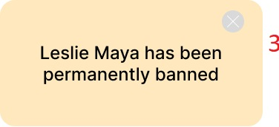 |  | Familiarity | 5, 6 | Familiarity is exemplified through the icons representing their respective functions. For instance, the bubble chat icon (5) signifies chatting with users, the email icon (5) denotes sending emails to users, while the pen and trashcan icons (6) respectively indicate editing and deleting orders. This consistent use of familiar icons enhances user understanding and ease of navigation within the interface.

39_Sales Analysis
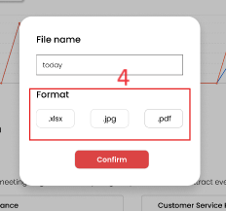
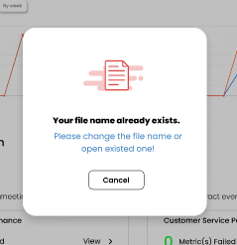
Project: | ILUVIT- E-commerce website | Version | 0.1 | Sprint | 2
Team: | G11 | Reviewed by | Doan Thi Phuong Hong
Document: | Principles | Approved by | Doan Thi Phuong Hong

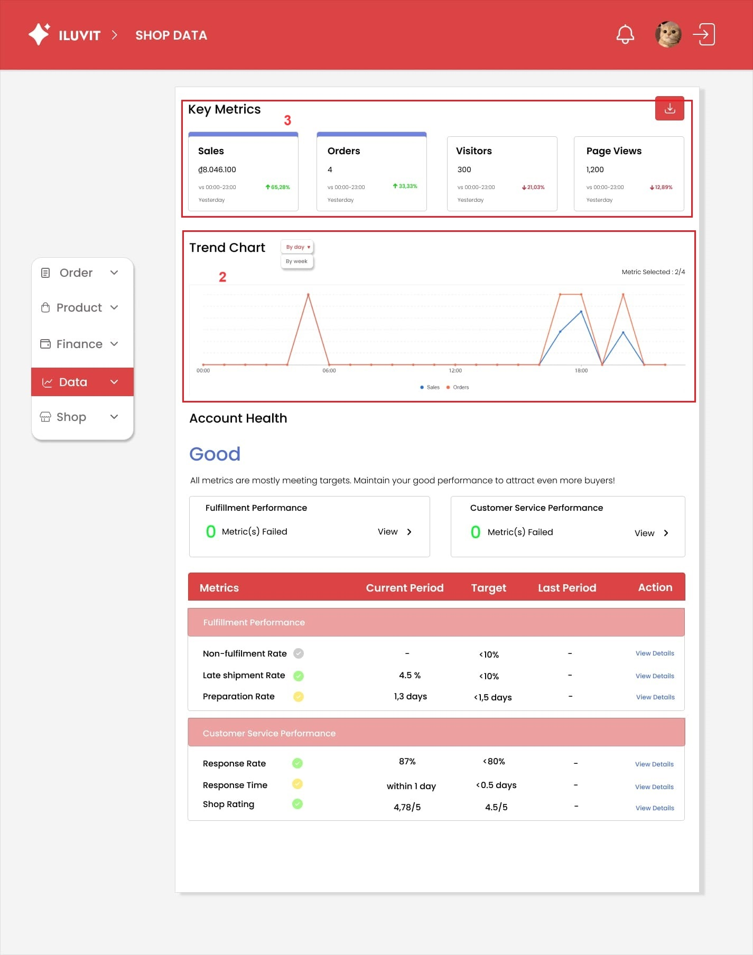
 |  |  |  |  |  | Principle | Number | Explanation
 |  |  |  |  |  | 1. Customisability | 2 | Sellers can choose to view the trend chart by day or week.
 |  |  |  |  |  | 2. Substitutivity | 4 | When downloading the analysis, sellers can choose one of 3 output types: .xlsx, .jpg, .pdf
 |  |  |  |  |  | 3. Responsiveness | 3 | When the user clicks on the metric, it will highlight blue, clicking on the blue metric will undo the highlight.
 |  |  |  |  |  | 4. Recoverability |  | Sellers who enter an existing file name will receive an error message asking them to change file name or open existed one

