3. Forgot password
a | ILUVIT- E-commerce website | Version | 0.1 | Sprint | 2
Team: | G11 | Reviewed by | Doan Thi Phuong Hong
Document: | Sitemap | Approved by | Doan Thi Phuong Hong

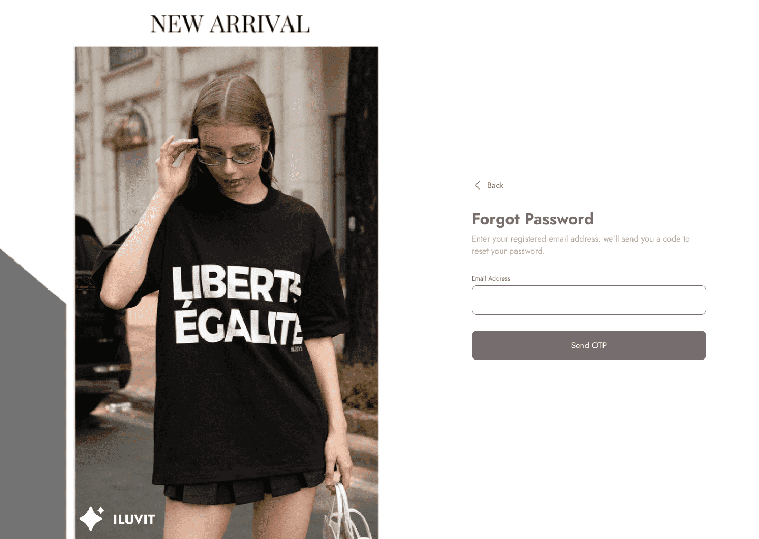

 |  |  |  |  |  | Click here to fill email address

 |  |  |  |  |  | Click here to system send OTP

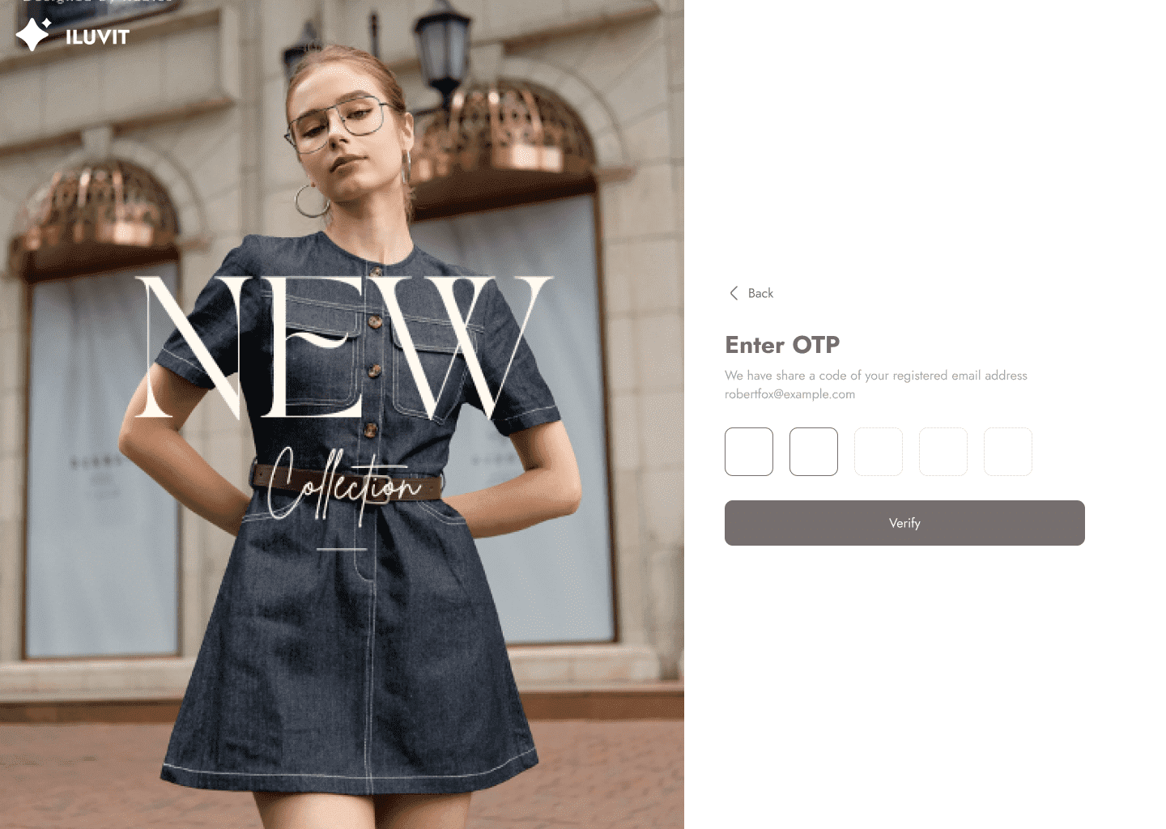

 |  |  |  |  |  | Click here to enter the OTP code received

 |  |  |  |  |  | Click here to complete confirmation via OTP

7.Payment Method
Project: | ILUVIT- E-commerce website | Version | 0.1 | Sprint | 2
Team: | G11 | Reviewed by | Doan Thi Phuong Hong
Document: | Sitemap | Approved by | Doan Thi Phuong Hong

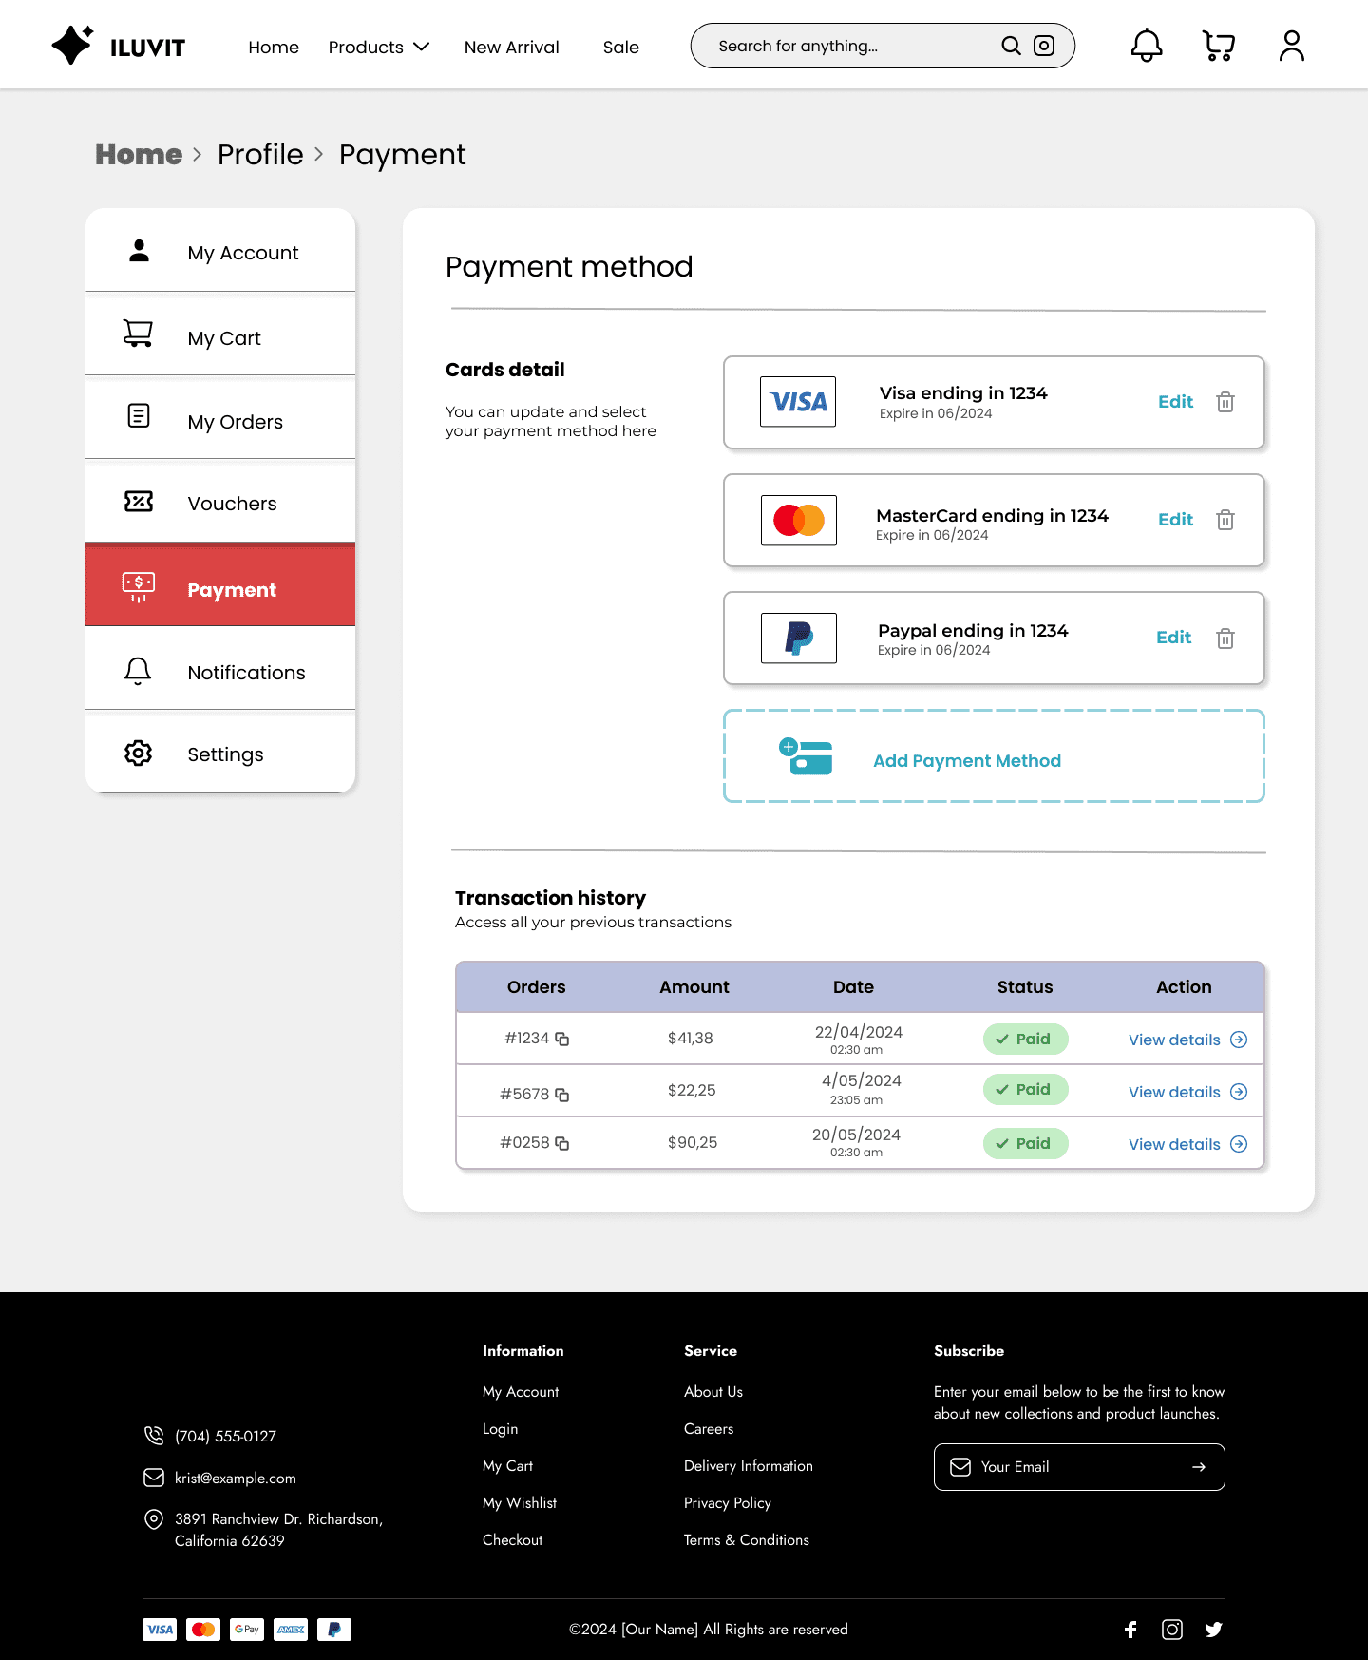

 | Click here to see user account
 |  |  |  |  |  | Click here to choose payment method

 | Click here to see User's Card

 | Click here to see User's Orders
 |  |  |  |  |  | Click here to edit payment method

 | Click here to see vouchers section

 | Click here to see payment section |  |  |  |  | Click here to delete payment method

 | Click here to see notification section

 | Click here to see settings |  |  |  |  | Click here to add payment method

 | Click here to view transaction history

 |  |  |  |  |  |  | Click here to view details

23. Income
Project: | ILUVIT- E-commerce website | Version | 0.1 | Sprint | 2
Team: | G11 | Reviewed by | Doan Thi Phuong Hong |  |  | Click here to see notifications section
Document: | Sitemap | Approved by | Doan Thi Phuong Hong |  |  |  | Go to profile page

 |  |  |  |  | Click the calendar icon to choose period of income
 |  |  |  |  |  |  |  | Click to log out

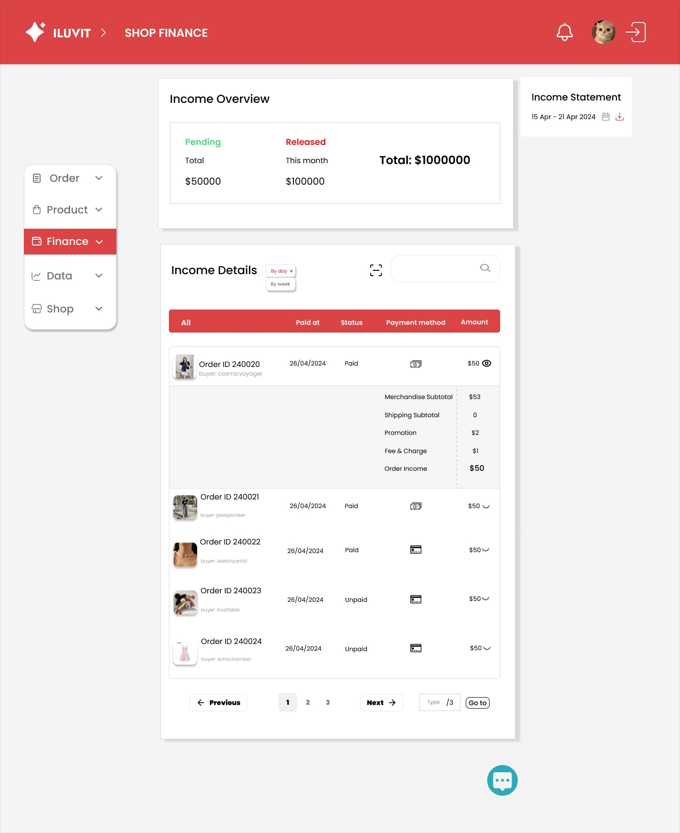
 |  | Sellers can see income details by day or by week

 |  |  |  |  |  |  |  | Download income data after choosing period

 | Click here to see user's order

 | Click here to see product

 | Click here to see seller's income |  |  |  |  |  |  |  | Search for order ID

 | Click here to see shop data

 |  | Go to the shop page |  |  |  |  |  | Scan order ID

 |  |  |  |  |  |  |  | Click the closed-eye icon to view order information including order date, paid or unpaid, and price.

 |  |  |  |  |  |  |  | Click here to chat with others

30. Manage Account Seller
Project: | ILUVIT- E-commerce website | Version | 0.1 | Sprint | 2
Team: | G11 | Reviewed by | Doan Thi Phuong Hong
Document: | Sitemap | Approved by | Doan Thi Phuong Hong

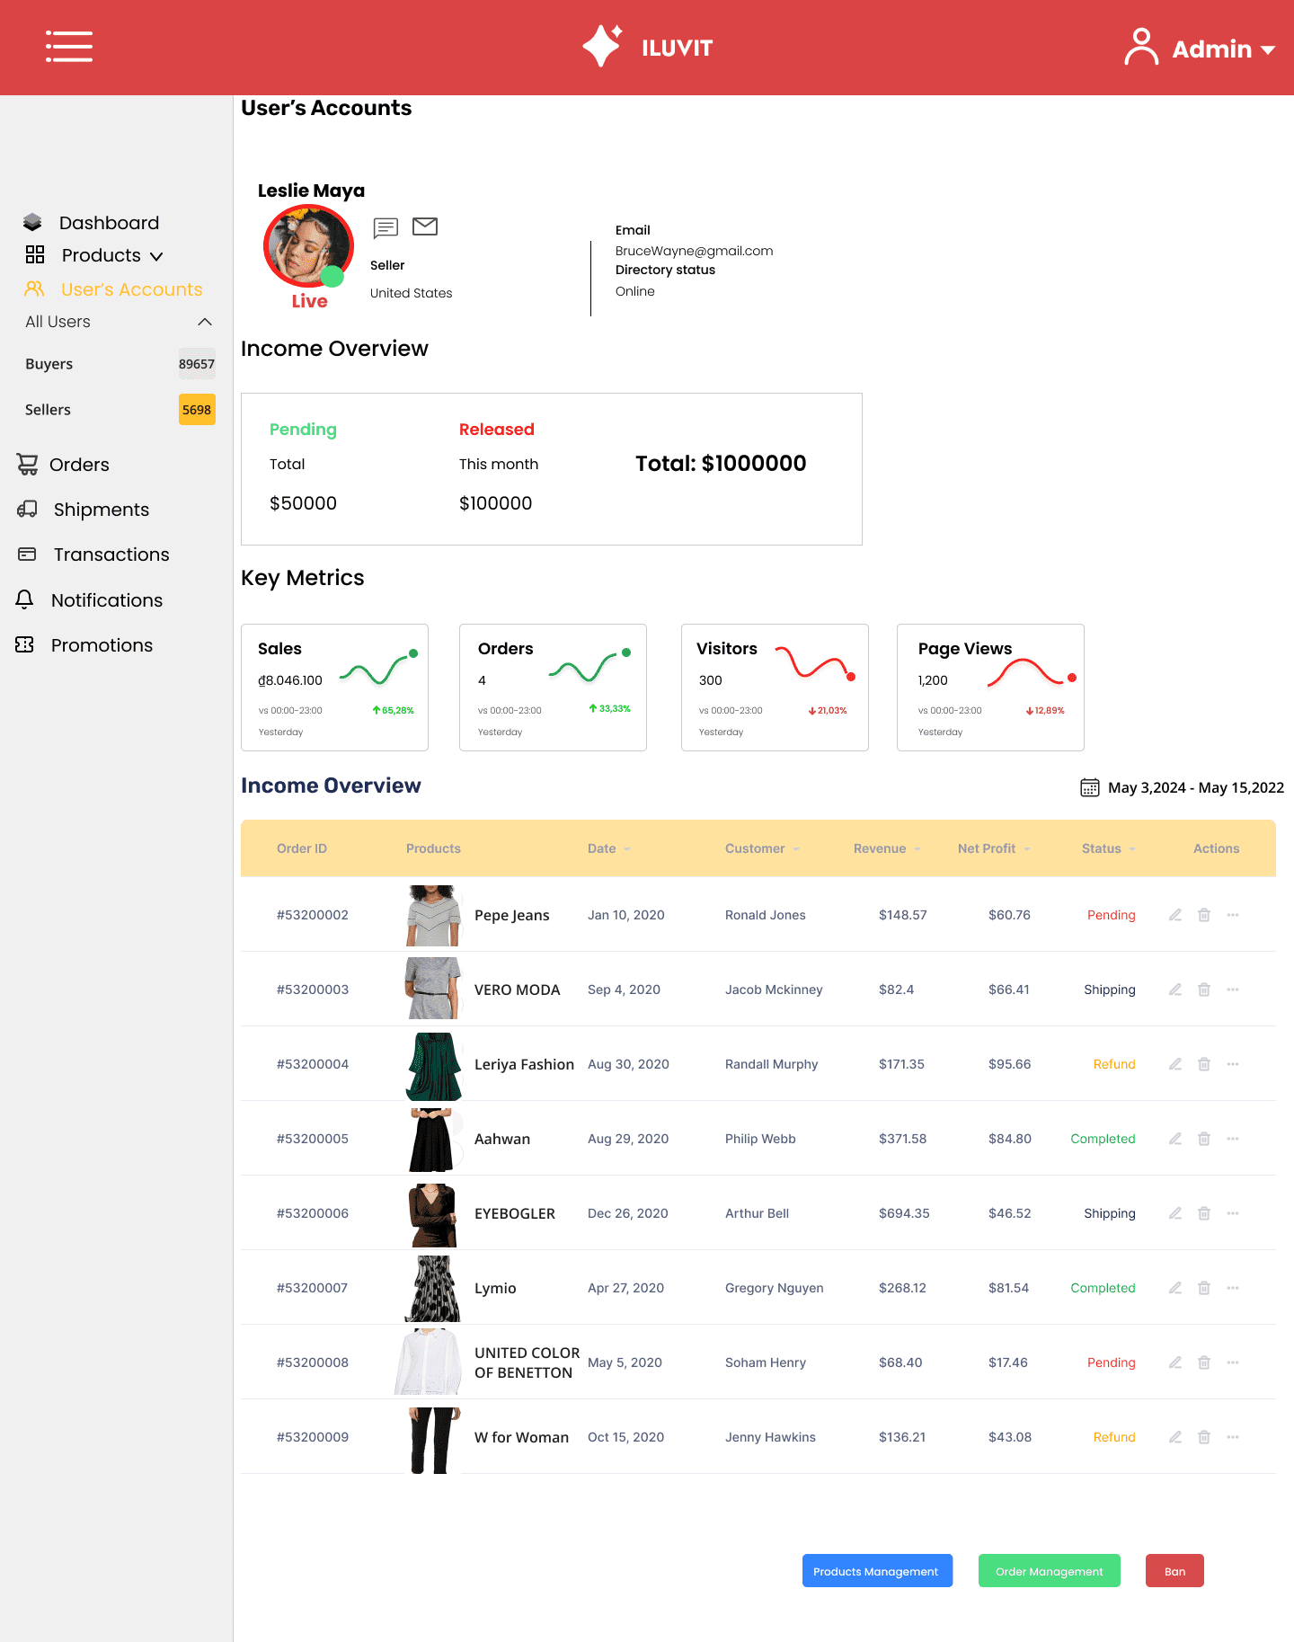

 |  |  | Go to Dashboard

 |  | Go to see list of products

 |  |  | Go to user's accounts |  |  |  |  |  | Show the total revenue of month, pending ang released price

 |  | Go to see the list of all users

 |  | Go to see the list of buyers

 |  | Go to see the list of sellers

 |  | Go to see orders page |  |  |  |  |  |  | Admin can see key metrics

 |  | Go to shipment page

 |  | Go to transactions page

 |  | Go to notifications page

 |  |  | Go to promotions page

 |  |  | Admin can see income overview

 |  |  |  |  |  |  |  | Click here to ban

 |  |  |  |  |  | Click here to see product management | Click here to see order management

39. Data Analysis
Project: | ILUVIT- E-commerce website | Version | 0.1 | Sprint | 2
Team: | G11 | Reviewed by | Doan Thi Phuong Hong
Document: | Sitemap | Approved by | Doan Thi Phuong Hong

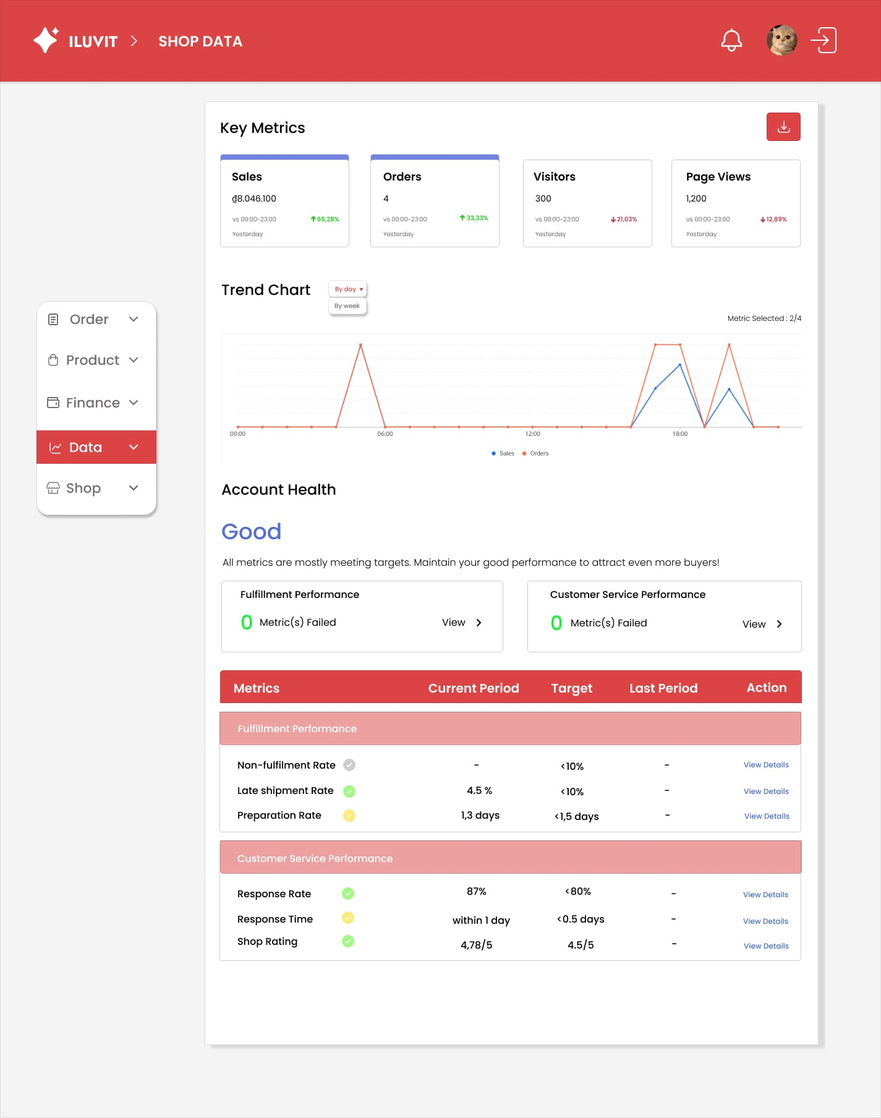
 |  |  |  |  |  |  | Click Download icon will display popup to enter file name and choose format

 |  |  |  |  |  | Dropdown to choose chart displayed by day or by week

