2_Login
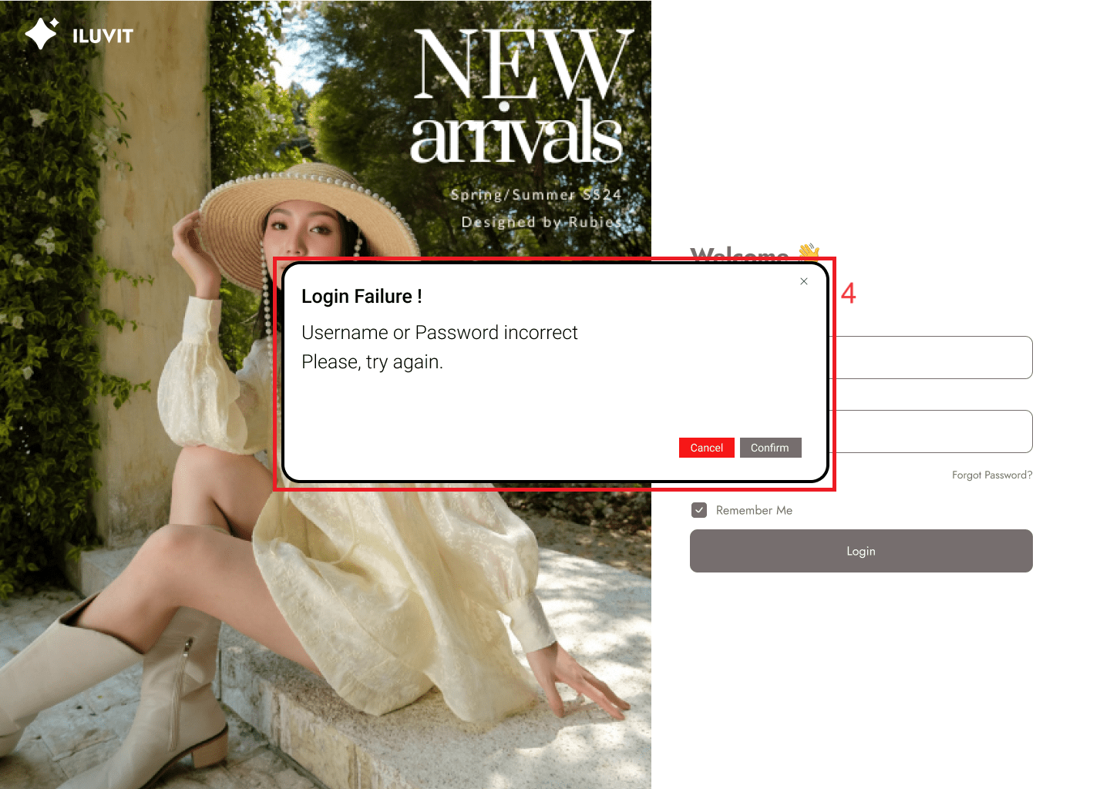
Project: |  | Version | 0.1 | Sprint | 2
Team: |  | Reviewed by
Document: | Principles | Approved by
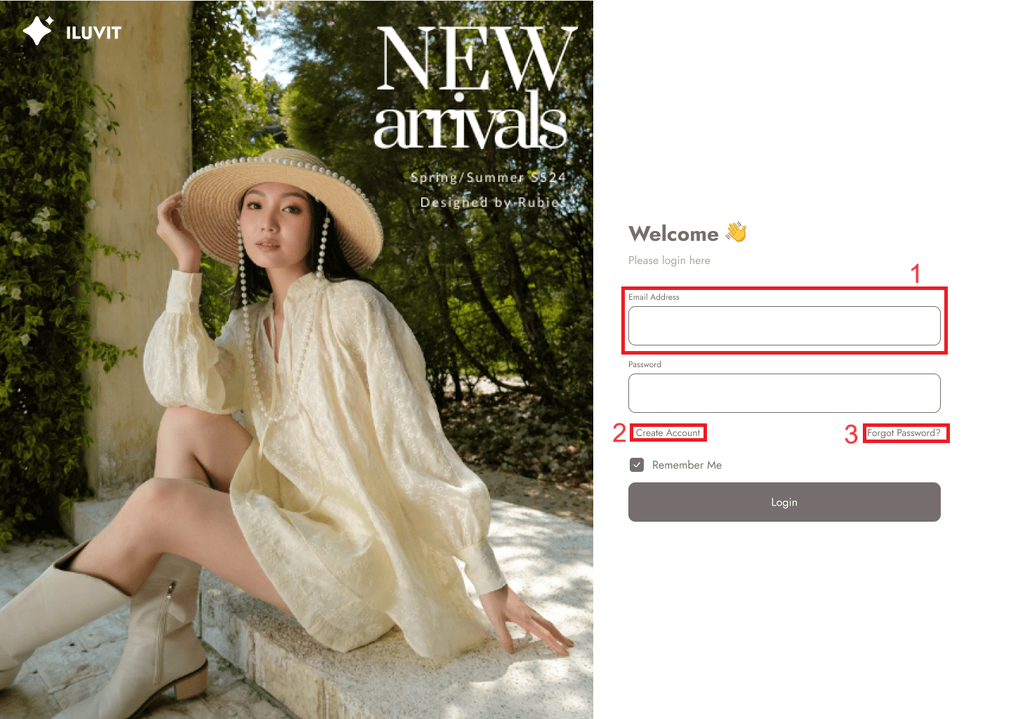
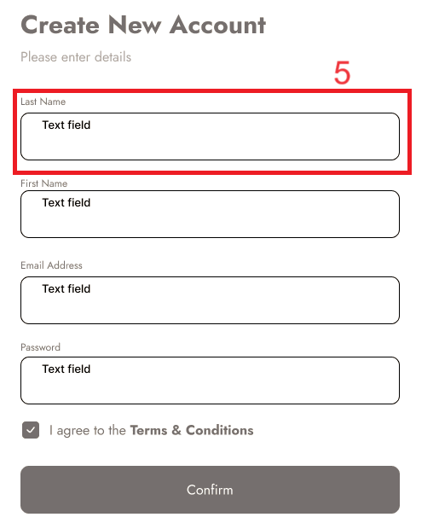
 |  |  |  |  |  | Principle | Number | Explanation
 |  |  |  |  |  | 1. Predictability | 2024-02-03 | Users can easily guess the functions of "create account" and "forgot password" because they are often found on most login pages.
 |  |  |  |  |  | 2. Consistency | 2024-01-05 | The arrangement so that the field name is above and the field to be filled in below shows consistency with the Sign-up pages.
 |  |  |  |  |  | 3. Observability | 4 | When the user leaves the email or password blank, an error message will appear.

11_View Product Details
Project: |  | Version | 0.1 | Sprint | 2
Team: |  | Reviewed by
Document: | Principles | Approved by
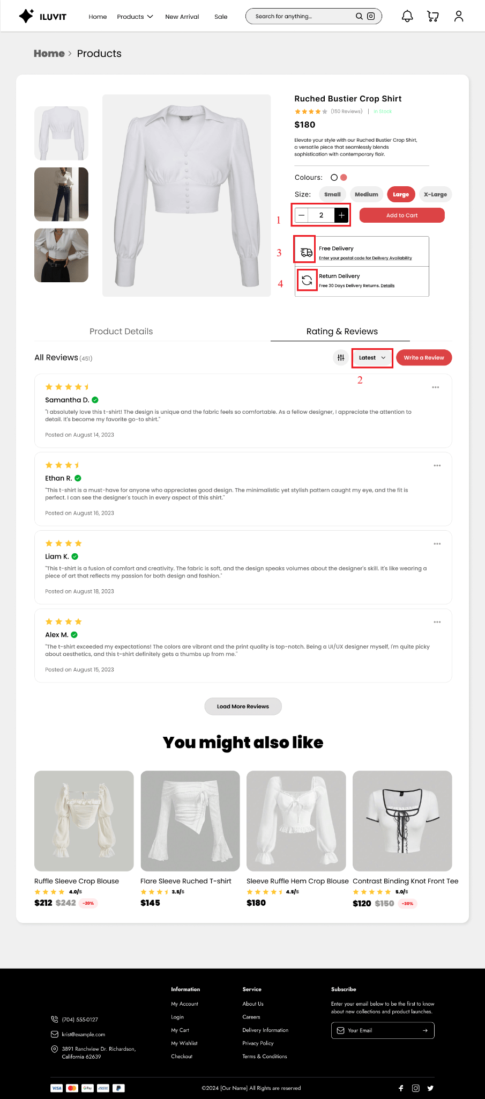
 |  |  |  |  |  |  | Principle | Number | Explanation
 |  |  |  |  |  |  | 1. Predictability | 1 | Users can easily guess the effect of the "+", "-" signs to increase or decrease the number of products
 |  |  |  |  |  |  | 2. Customisability | 2 | Users can change the way reviews are sorted according to the categories provided by the system (2)
 |  |  |  |  |  |  | 3. Familiarity | 2024-04-03 | We use the truck icon for shipping and the (4) icon for returns
 |  |  |  |  |  |  | 4. Responsiveness | 5 | When the user hovers over the product image in the suggested section, the word "Add to cart" appears.

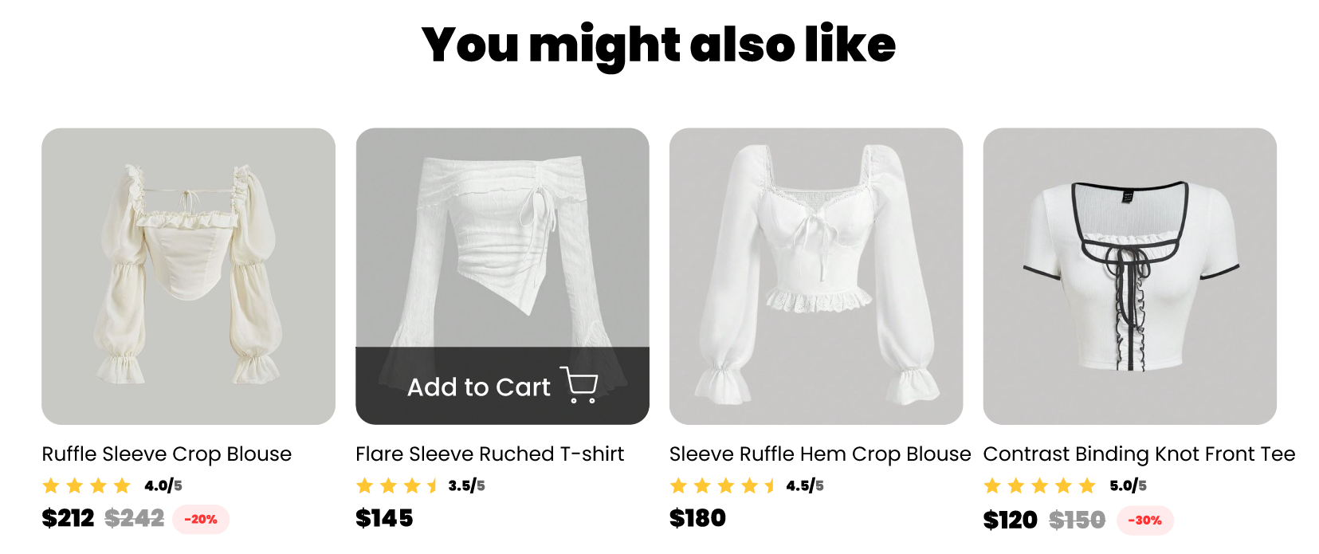

 |  |  |  |  |  | 5

15_Payment Page
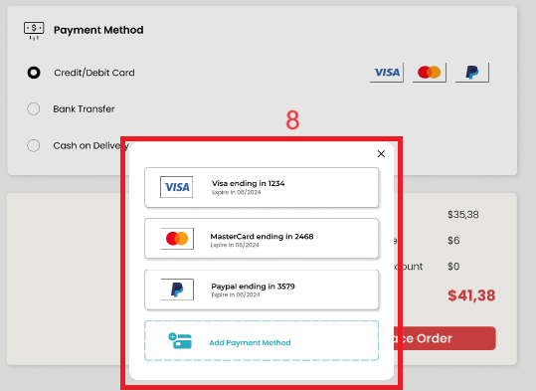
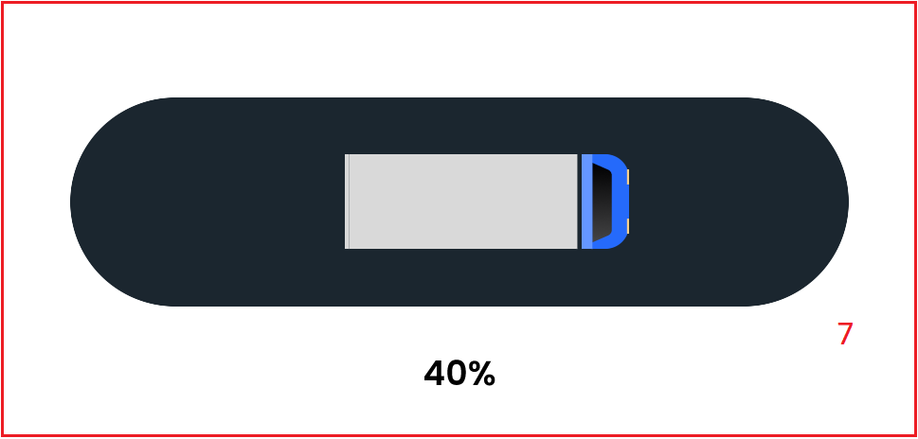
Project: |  | Version | 0.1 | Sprint | 2
Team: |  | Reviewed by
Document: | Principles | Approved by
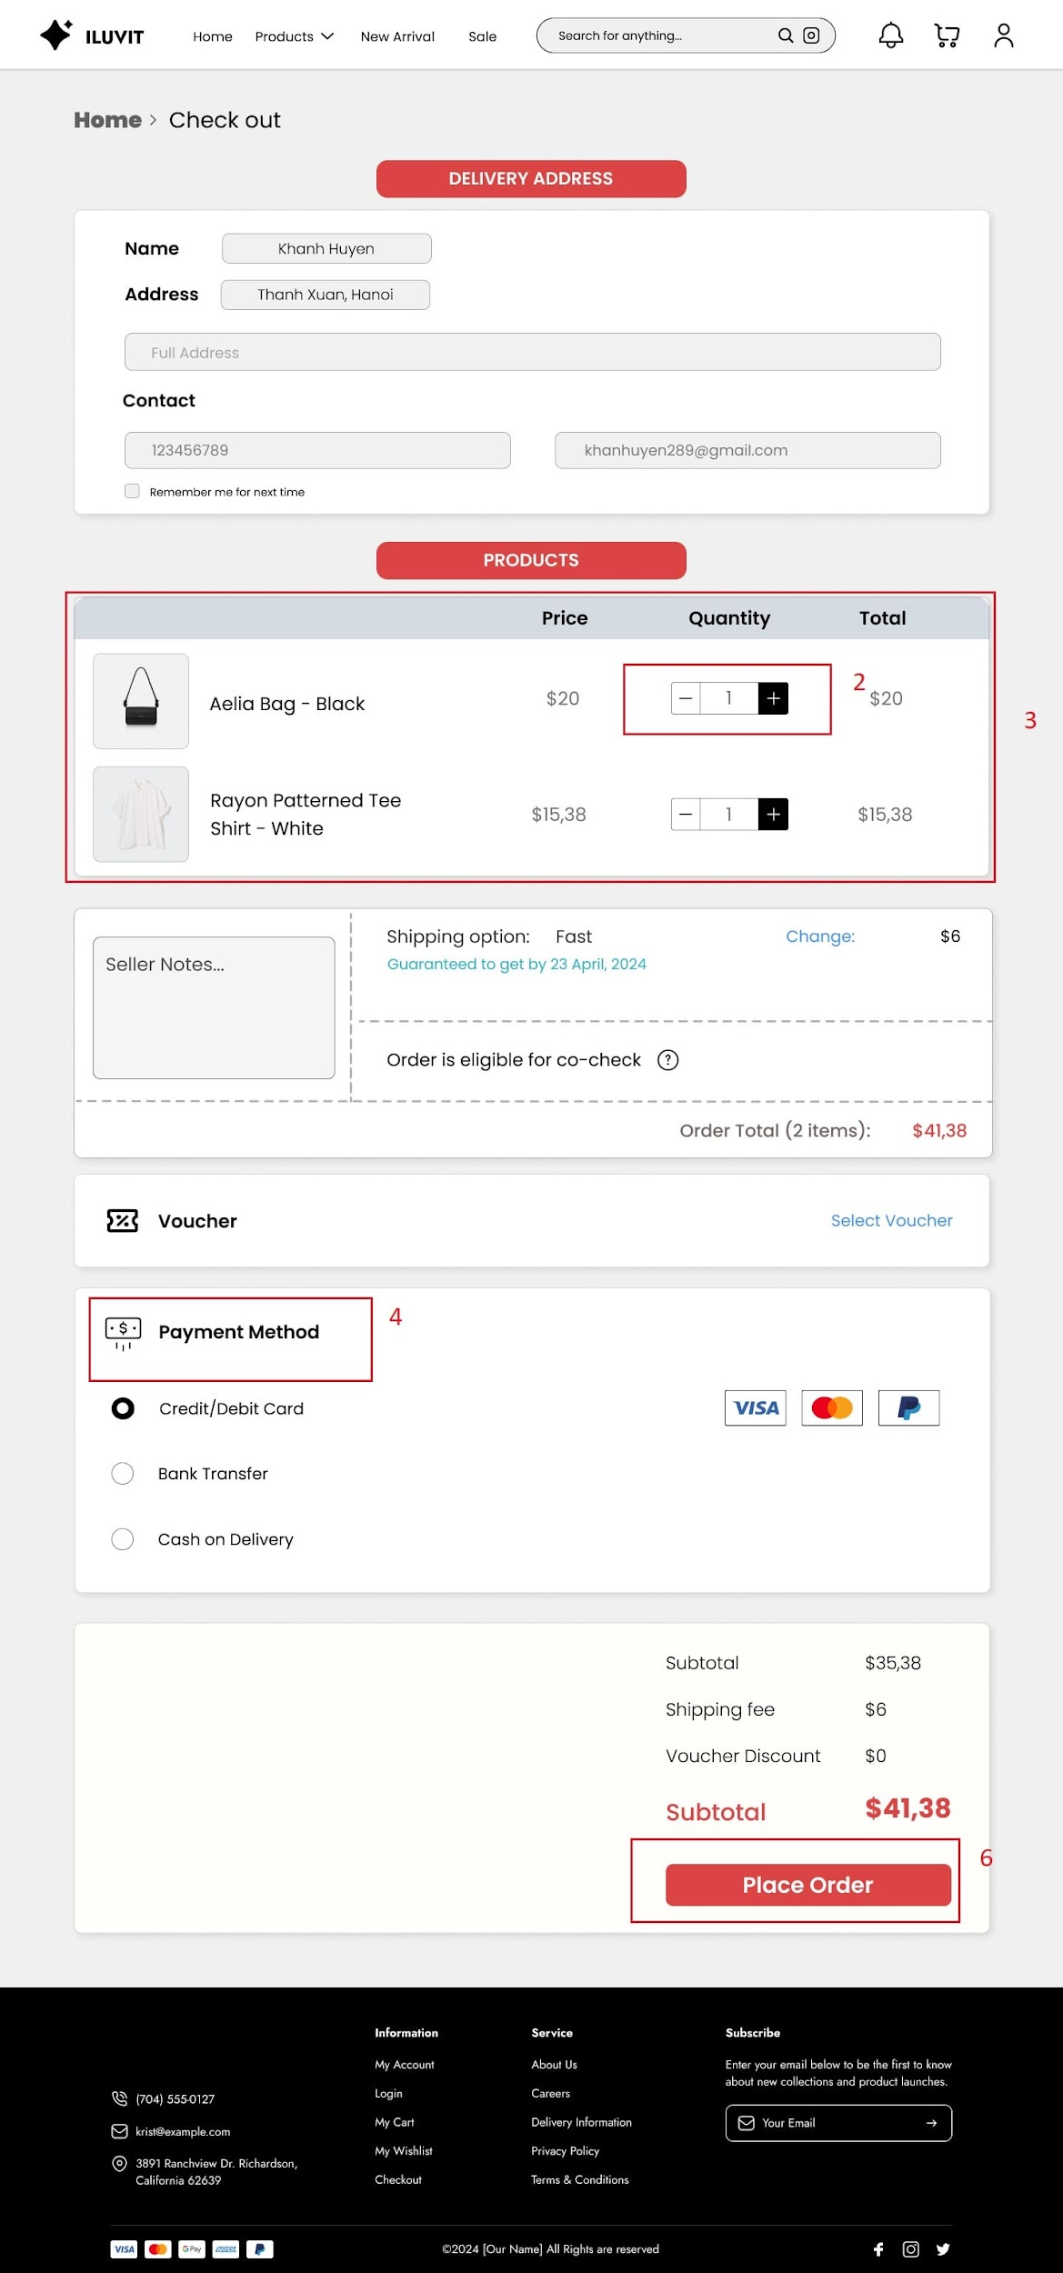
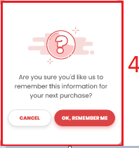
 |  |  |  |  |  | Principle | Number | Explanation
 |  |  |  |  |  | 1. Predictability |  | Users can guess that there will be a pop-up list of vouchers appearing for users to choose from when clicking "Select voucher" ()
 |  |  |  |  |  | 2. Substitutivity | 2 | Users can change the product quantity by pressing "+", and "-" or directly entering the quantity they want.
 |  |  |  |  |  | 3. Consistency | 3 | Consistency is shown in the design of selected products that are similar to the Shopping Cart pages.
 |  |  |  |  |  | 4. Dialog Initiative | 4 | The instruction board (4) asks to confirm saving information for future payments with 2 options displayed to the user
 |  |  |  |  |  | 5. Familiarity |  | The design uses common, real-life icons (5) for payment methods
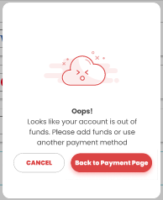
 |  |  |  |  |  | 6. Observability | 7 | The progress animation (7) of the ordering process appears when the user presses "Place Order" (6)
 |  |  |  |  |  | 7. Recoverability |  | When the card runs out of money and the user still selects it as a payment method, an error message will appear and ask the user to top up.
 |  |  |  |  |  | 8. Responsiveness | 8 | The user clicks on payment and a card selection panel will appear or add a new card

21_Add New Product
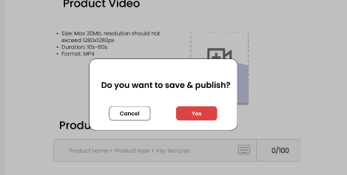
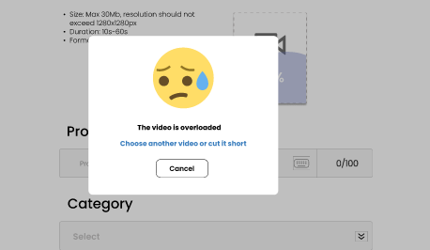
Project: |  | Version | 0.1 | Sprint | 2
Team: |  | Reviewed by
Document: | Principles | Approved by

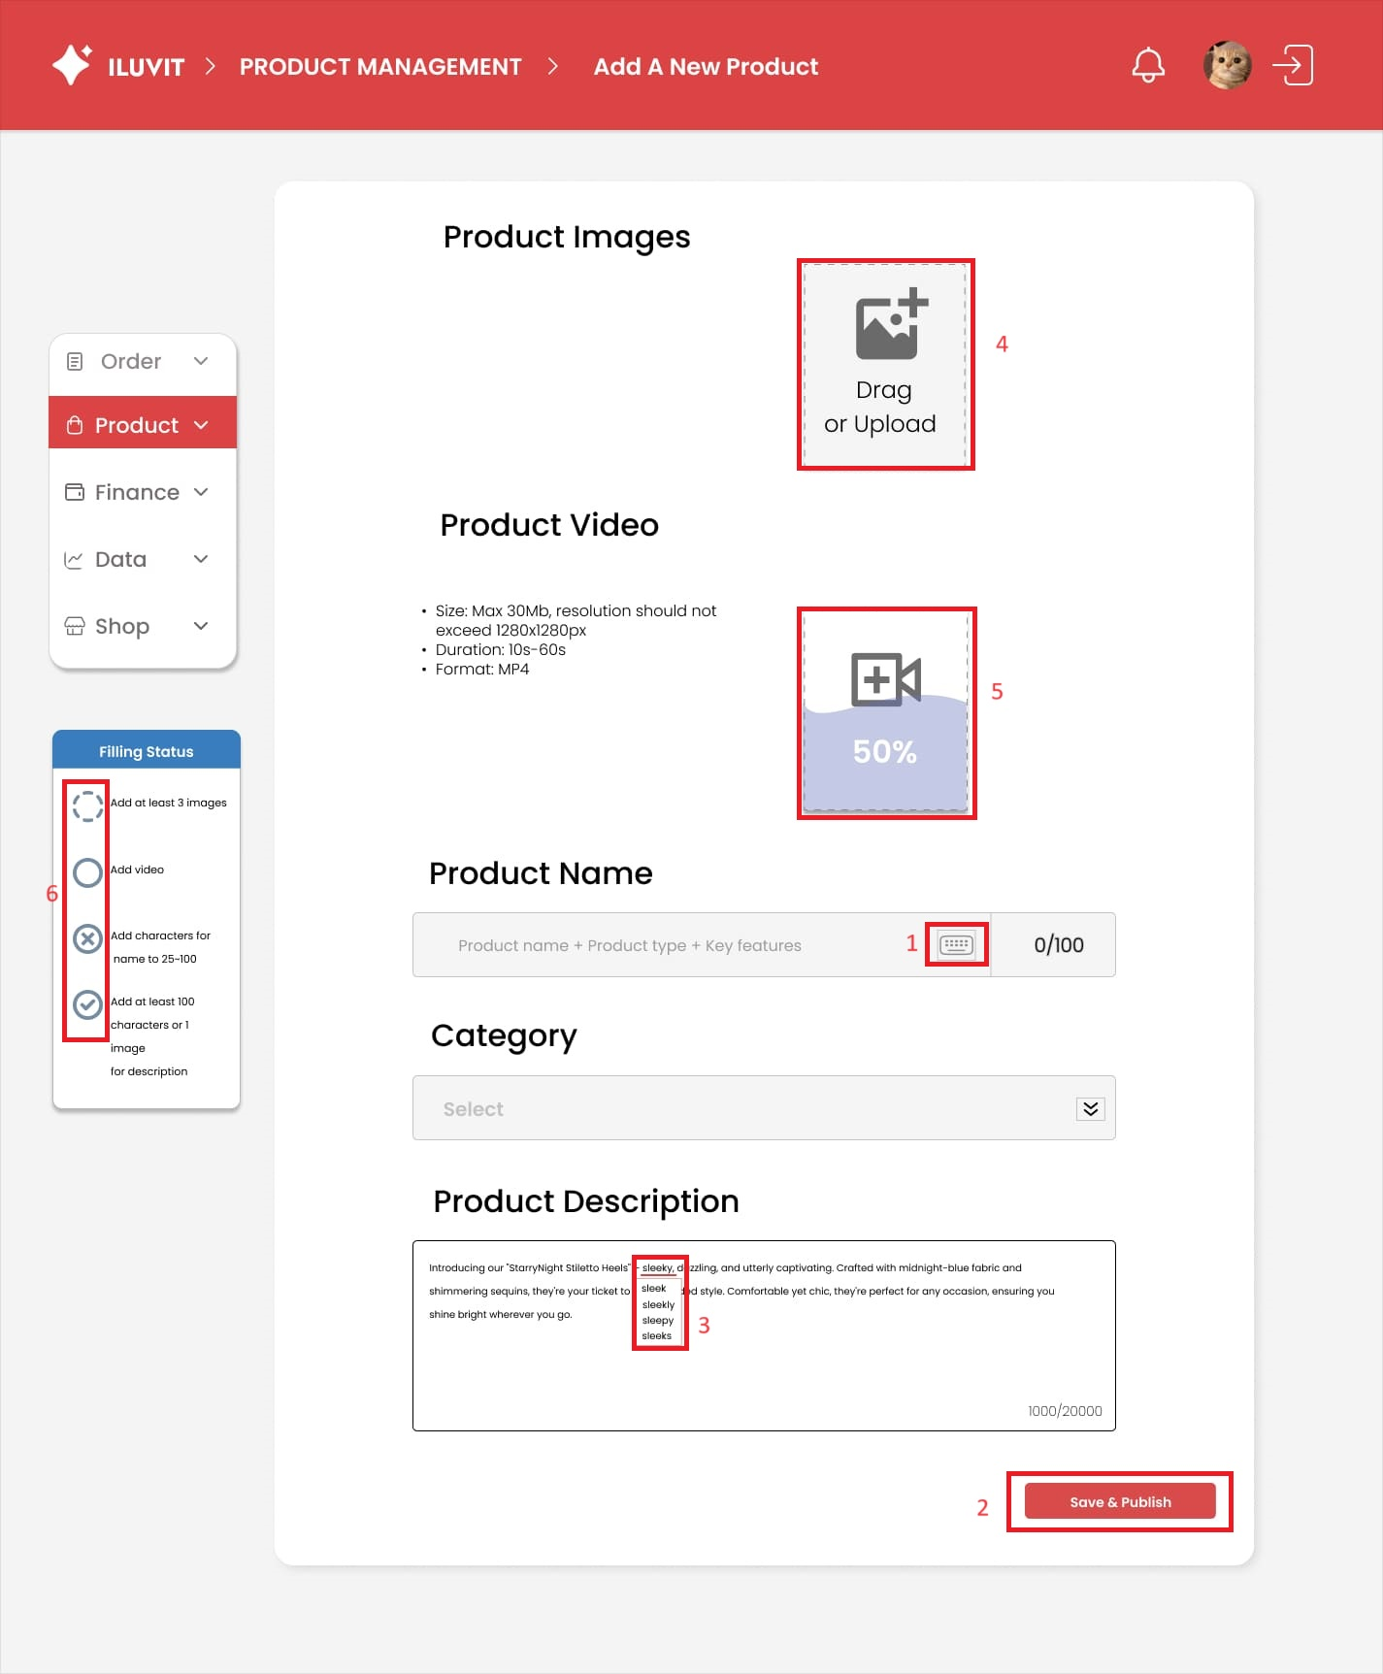
 |  |  |  |  |  | Principle | Number | Explanation
 |  |  |  |  |  | 1. Familiarity | 1 | We use the keyboard icon(1) to type letters familiar with real life
 |  |  |  |  |  | 2. Dialog Initiative |  | The dialog box asks the seller to confirm whether he wants to save and post the new product with two options displayed
 |  |  |  |  |  | 3. Task Migratability | 3 | The system checks spells and suggests corrections in the product description section
 |  |  |  |  |  | 4. Substitutivity | 4 | Sellers can choose to drag or upload to upload photos of new products
 |  |  |  |  |  | 5. Observability | 5 | Sellers can see the video upload process and progress
 |  |  |  |  |  | 6. Recoverability |  | An error message appears when the video is too heavy to load, with the solutions: choose another video or cut it short
 |  |  |  |  |  | 7. Responsiveness | 6 | The progress status of the steps is updated immediately while doing tasks: happening, happening but error, unfulfilled, done

32_Post Notice
Project: |  | Version | 0.1 | Sprint | 2
Team: |  | Reviewed by
Document: | Principles | Approved by
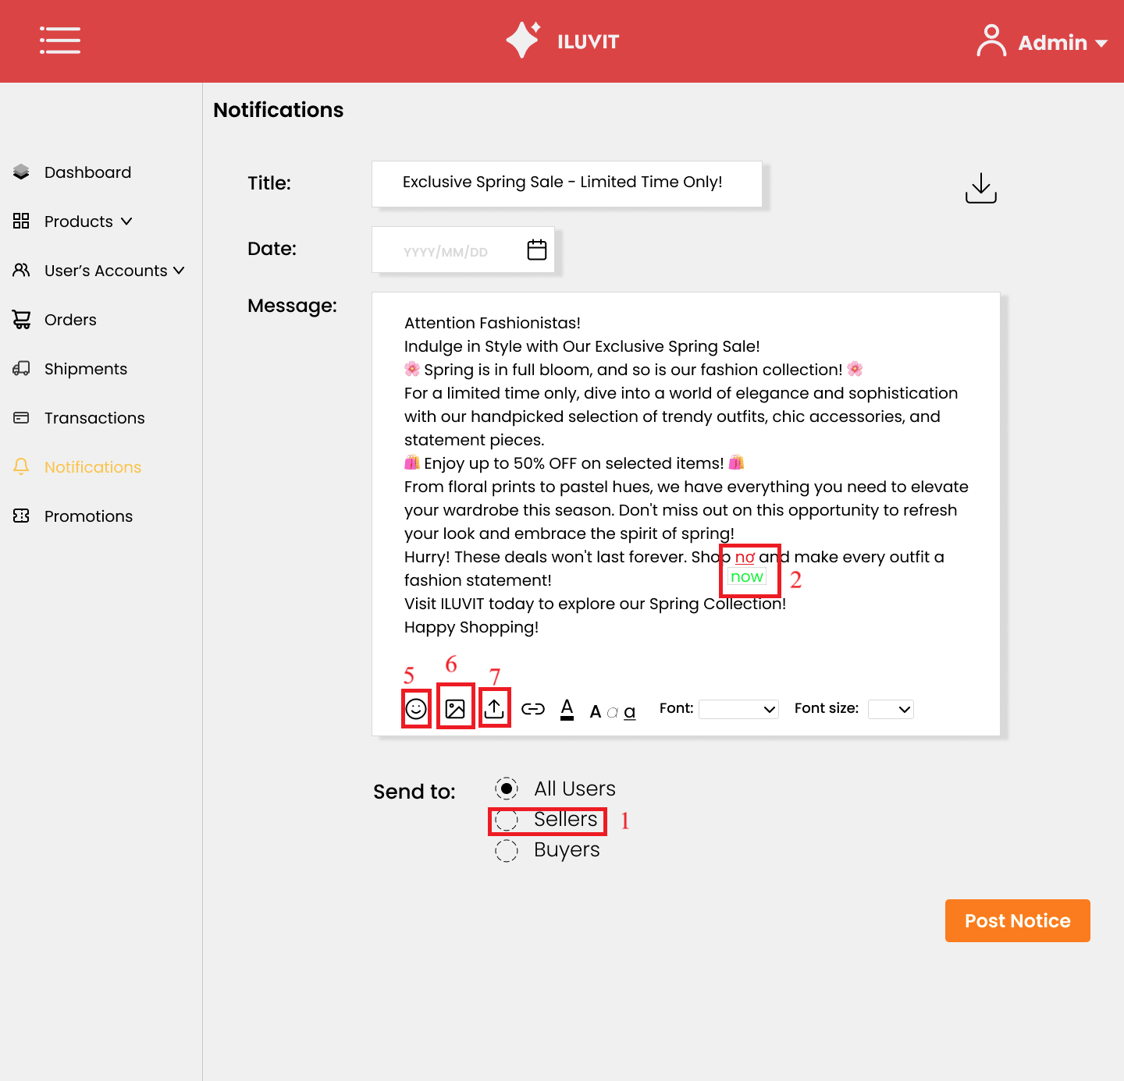
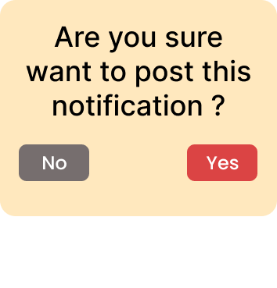
 |  |  |  |  |  |  | Principle | Number | Explanation
 |  |  |  |  |  |  | Responsiveness | 1 | When clicking on the circle to select a notification recipient, the circle will turn black
 |  |  |  |  |  | 4 | Task Migratability | 2 | The system checks spells and suggests correct words
 |  |  |  |  |  |  | Observability | 3 | The successful posting message is displayed after the admin confirms that she wants to post
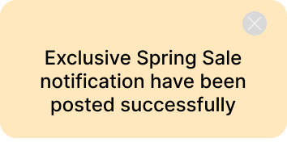
 |  |  |  |  |  |  | Dialog Initiative | 4 | The small window confirming the admin's posting action appears to give the admin a chance to rethink the decision
 |  |  |  |  |  | 3 | Familiarity | 5 6 7 | The design uses some popular symbols such as: - Smiley icon () to add emoticons - () to add photos - Calendar() to select date

 |  |  |  |  |  | 1

