2. Login
Project: |  | Version | 0.1 | Sprint | 2
Team: |  | Reviewed by
Document: | Sitemap | Approved by

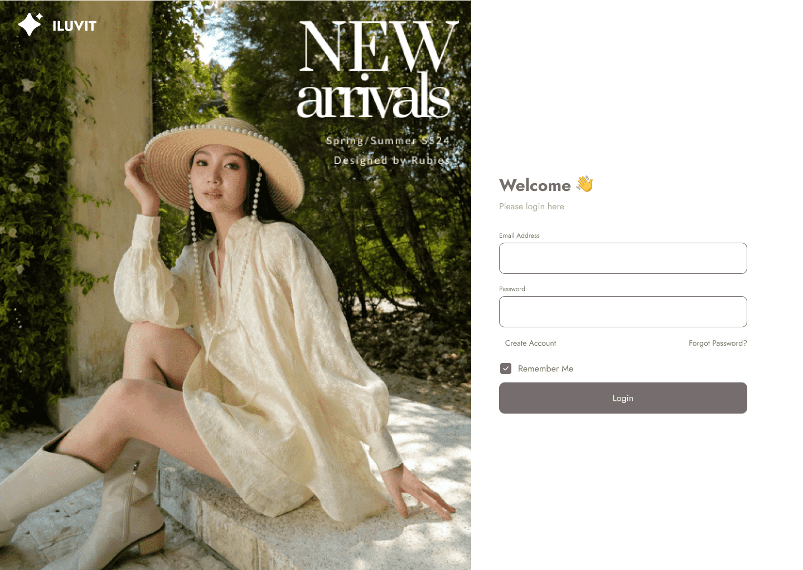

 |  |  |  |  |  |  |  | Click here to fill email address

 |  |  |  |  |  |  |  |  | Click here to fill password

 |  |  |  |  |  |  | Click here if forget password

 |  |  |  |  |  |  |  |  | Click here to login

 |  |  |  |  |  | Click here to remember account

11. View product detail
Project: |  | Version | 0.1 | Sprint | 2
Team: |  | Reviewed by
Document: | Sitemap | Approved by

 |  |  |  |  |  | Click here to select the number of products

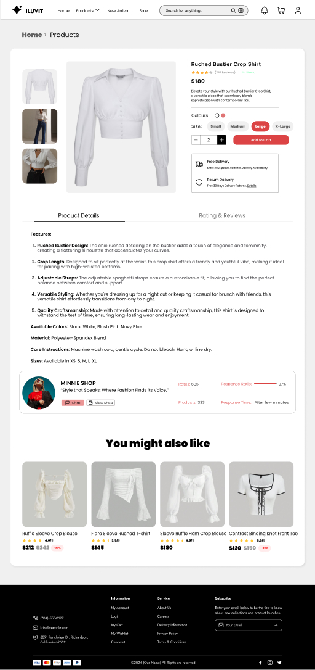

 |  |  |  |  |  |  | Click here to choose color of product

 |  |  |  |  |  |  | Click here to choose the size of product

 |  |  |  |  |  |  | Click here to add product to card

 |  |  |  |  |  |  | Click here to choose free delivery or return delivery

 | Click here to see product details |  |  |  |  |  | Click here to see rating and reviews of products

 |  |  |  |  |  |  | User can see other products
 |  | Click here to chat with shop

 |  | Click here to view shop

15. Payment page
Project: |  | Version | 0.1 | Sprint | 2
Team: |  | Reviewed by
Document: | Sitemap | Approved by

 |  |  |  |  | Go to check out

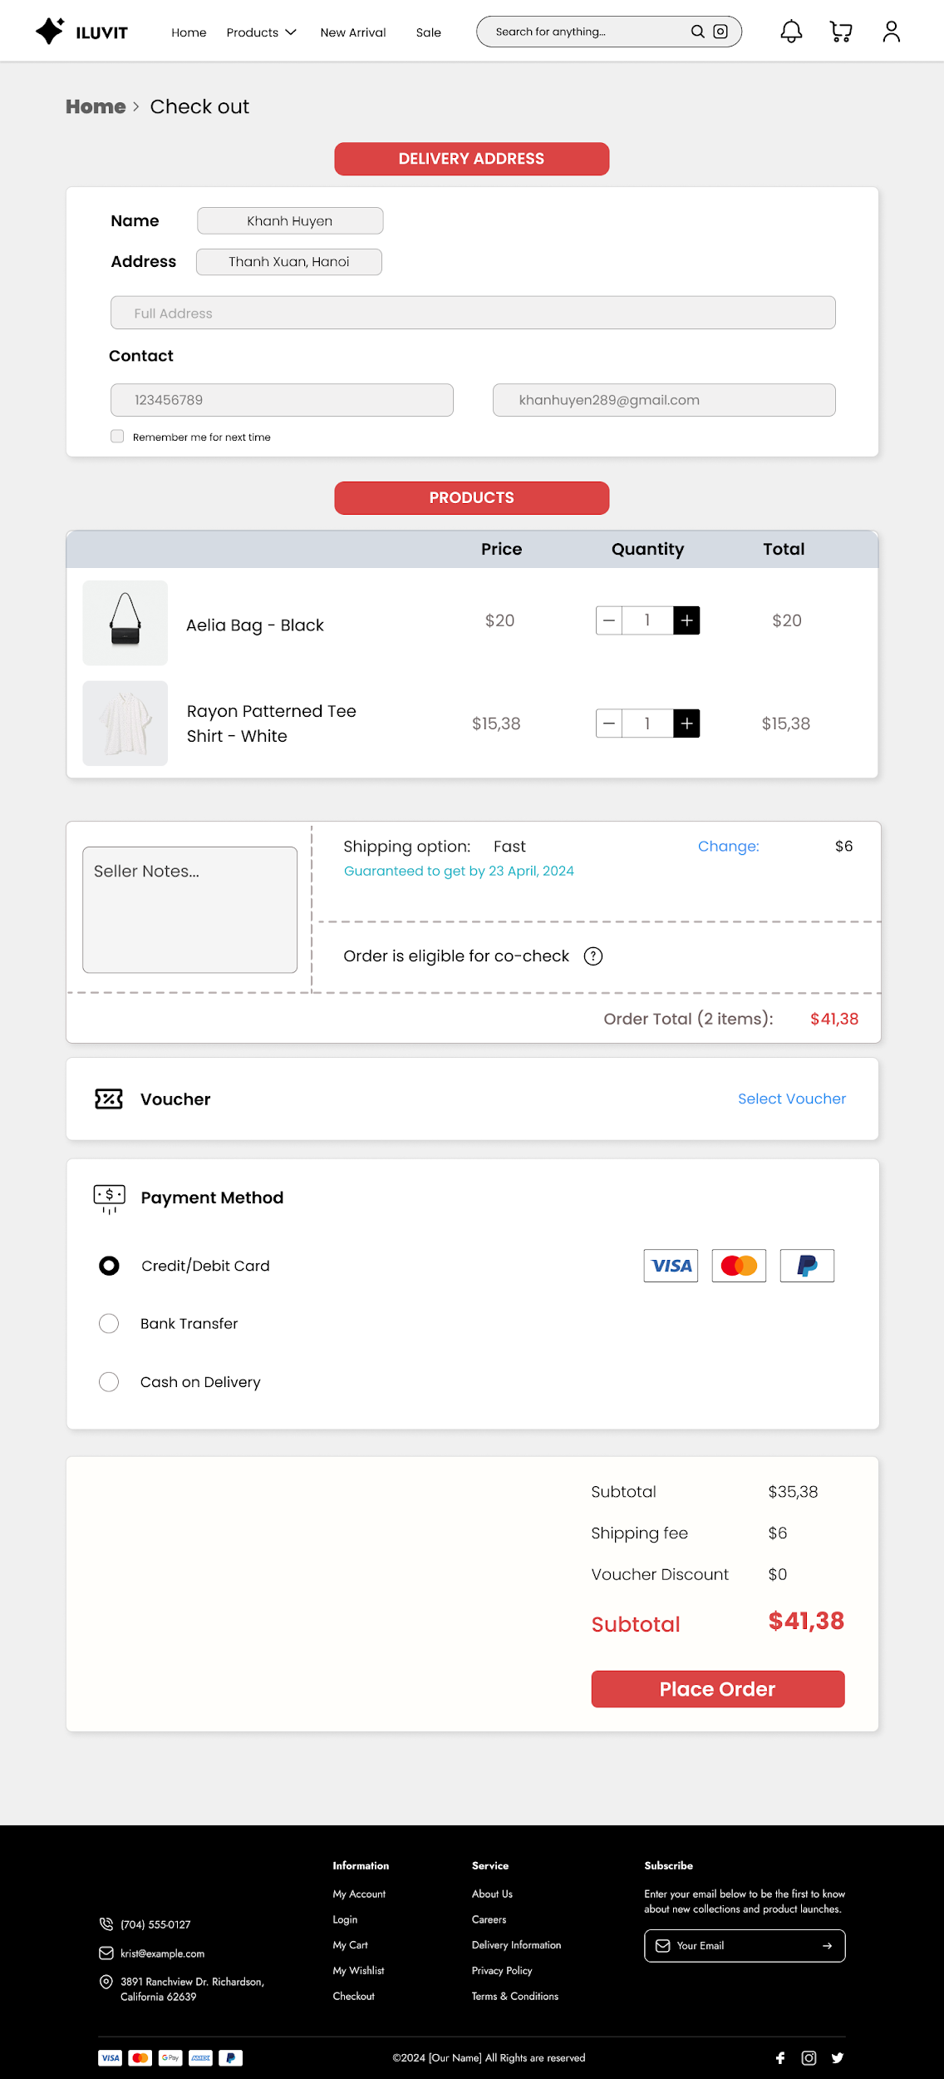

 |  | Click to fill full address

 |  |  |  |  |  | Click to fill gmail

 |  | Click to fill contact phone

 | Click here to save contact information

 |  |  |  |  |  | Shipping option section

 |  | Click to write notes
 |  |  |  |  |  |  | The total price of products

 |  |  |  |  |  | Click to select voucher

 | Click to select payment method

 |  |  |  |  |  | Click to place order

21. Add new product
Project: |  | Version | 0.1 | Sprint | 2
Team: |  | Reviewed by
Document: | Sitemap | Approved by

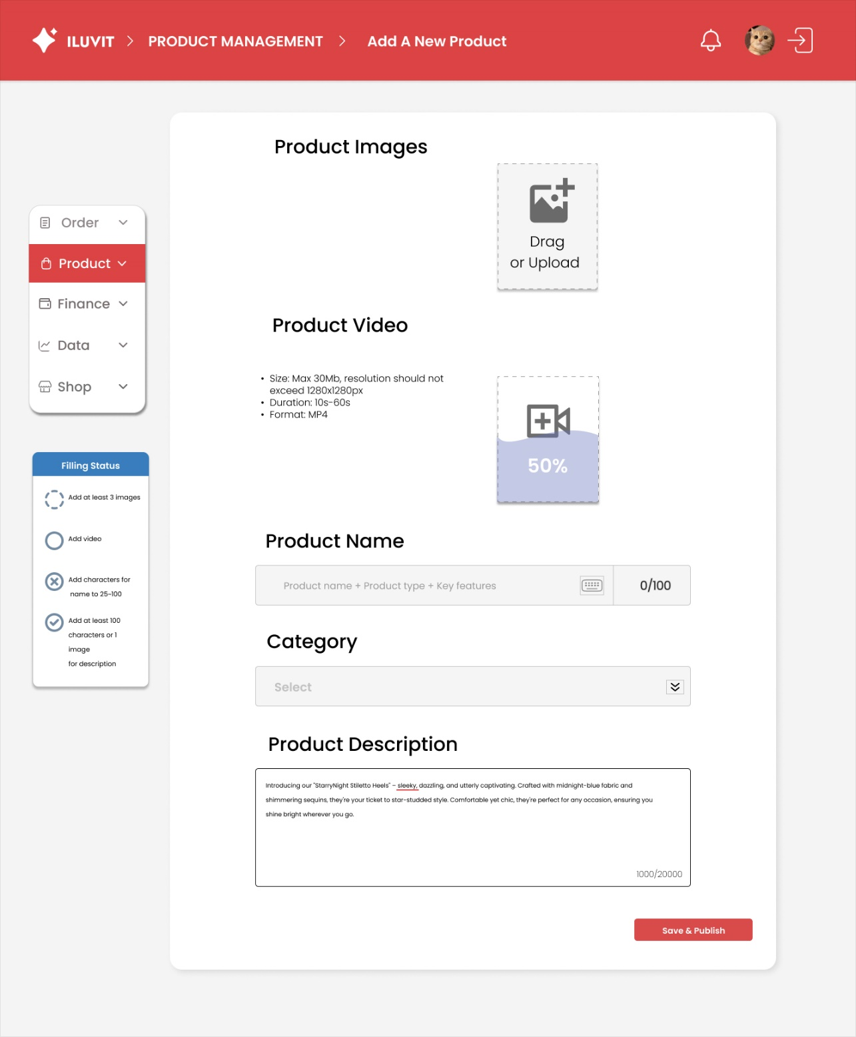

 |  |  |  |  |  | Image icon to drag or upload photos

 |  |  |  |  |  | The camera icon is used to upload videos

 |  |  |  |  |  | Click on keyboard icon to enter the content product name, product type and key features

 |  |  |  |  |  | This bar is to select product category options

 | This box is for detailed product description

 |  |  |  |  |  | Click Save & Publish and a notification will appear whether to save or not for the user to choose

32. Post Notices
Project: |  | Version | 0.1 | Sprint | 2
Team: |  | Reviewed by
Document: | Sitemap | Approved by

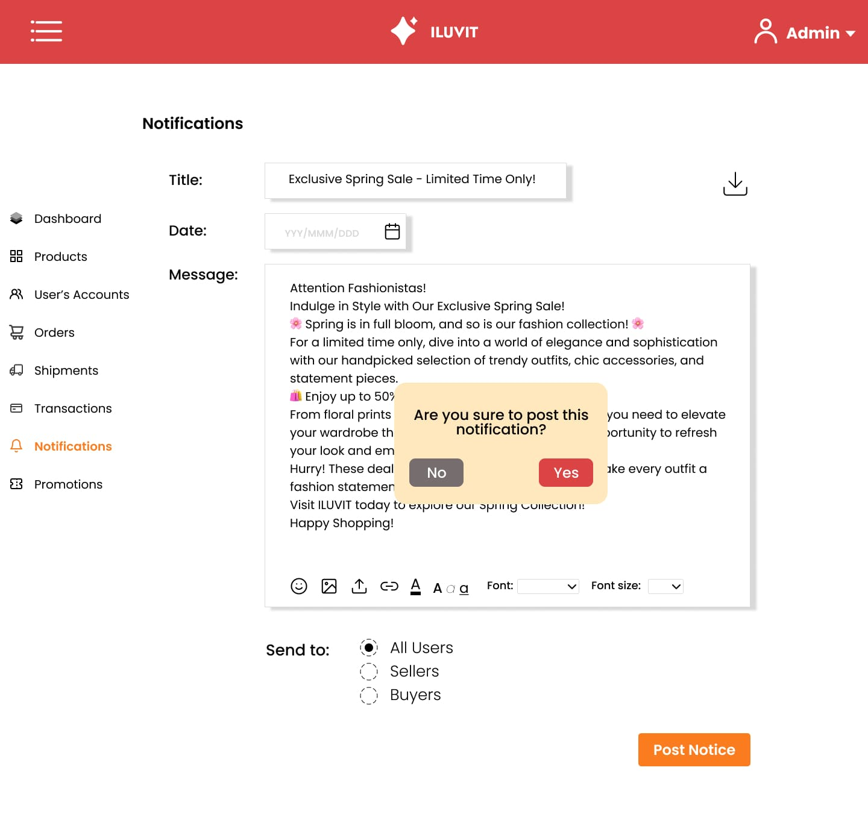

click calendar icon is to display calendar, user can choose time of notification
 |  |  |  |  |  | Click download icon is to download this notification

 |  |  |  |  |  |  | This box is to select the font size for the text

 | This icon is choose emotional icon

Image icon is used to upload image in message in notification
 |  |  |  |  |  | This box is to select the font for the text

Download icon is used to upload file in messages in notification |  |  |  |  |  | Select the post notices button and a notification will appear asking whether to post this notice

 |  | The link icon is used to attach a link to a message in notification |  |  | Choose a color for the text

 |  |  |  | Select the option button to see whether the notification is sent to the seller, the buyer, or both

