9_View Vouchers
Project: | ILUVIT | Version | 1 | Sprint
Team: | G11 | Reviewed by | Vu Thi Anh Thu
Document: | Principles | Approved by | Vu Thi Anh Thu
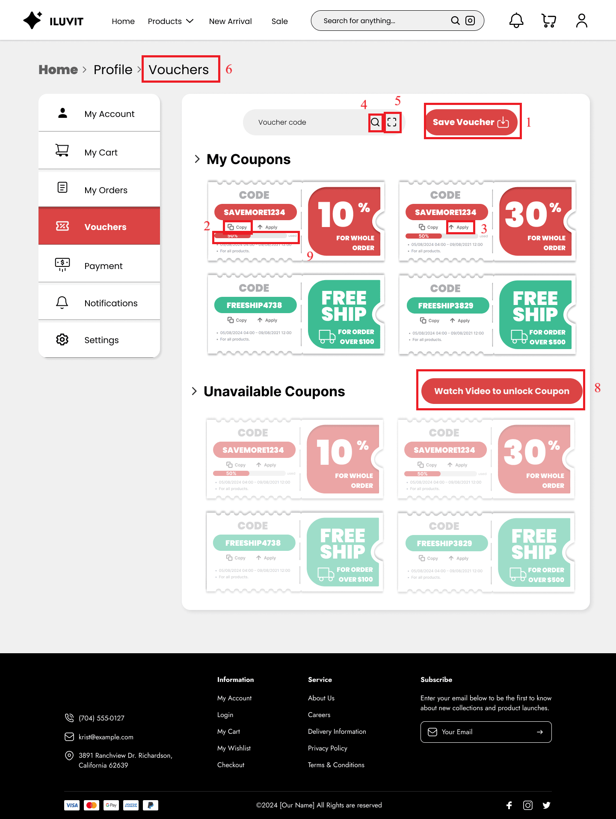
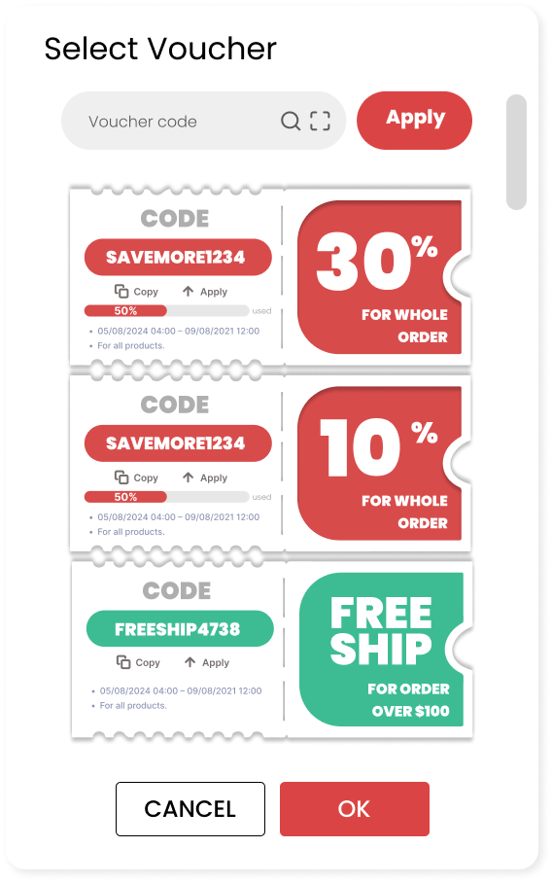
 |  |  |  |  |  | 7
 |  |  |  |  |  |  | Principle | Number | Explanation
 |  |  |  |  |  |  | 1. Predictability | 1 2 3 | Users can easily guess the functions of save (1), copy (2), and apply (3) vouchers through their names and symbols.
 |  |  |  |  |  |  | 2. Familiarity | 2024-05-04 | We use the magnifying glass icon (4) for search, (5) for scanning voucher codes and trucks for transportation
 |  |  |  |  |  |  | 3. Consistency | 2024-07-06 | There is consistency in the use of colors to differentiate voucher types in the Vouchers page (6) and in the vouchers selection for the payment page (7): - Red is a discount voucher - Green is a free shipping voucher
 |  |  |  |  |  |  | 4. Multi-threading | 8 | Users can both watch videos to unlock vouchers and save available vouchers
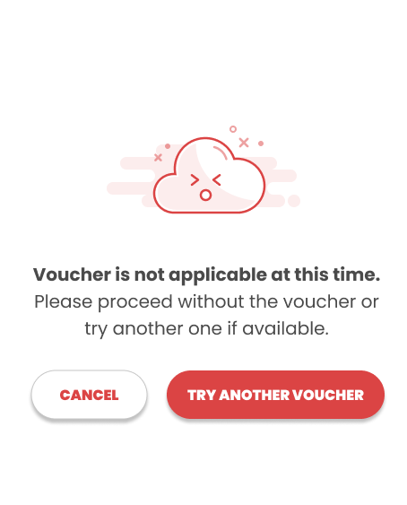
 |  |  |  |  | 10 |  | 5. Observability | 9 | When entering the voucher page, users can see the status of the vouchers: the percentage of the voucher that has been used, whether the voucher is available or not.
 |  |  |  |  |  |  | 6. Recoverability | 10 | The error that the voucher is locked and cannot be applied is reported with the solution being "Try another voucher" or "Cancel"

20_Manage Product
Project: | ILUVIT | Version | 1 | Sprint
Team: | G11 | Reviewed by | Vu Thi Anh Thu
Document: | Principles | Approved by | Vu Thi Anh Thu
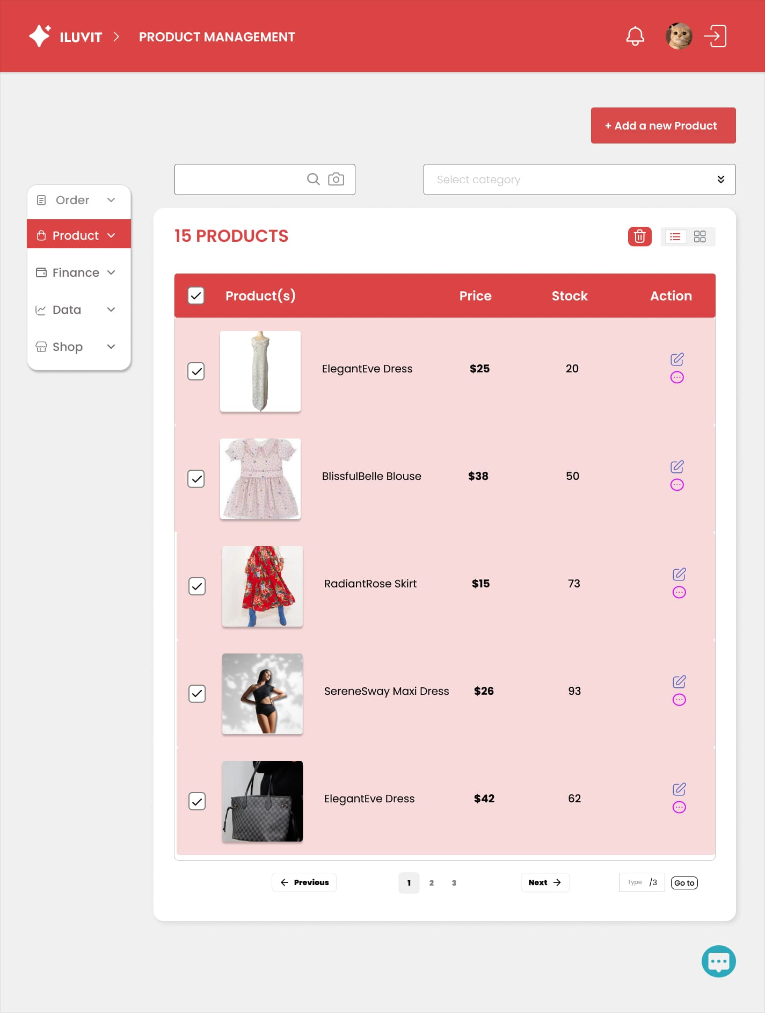
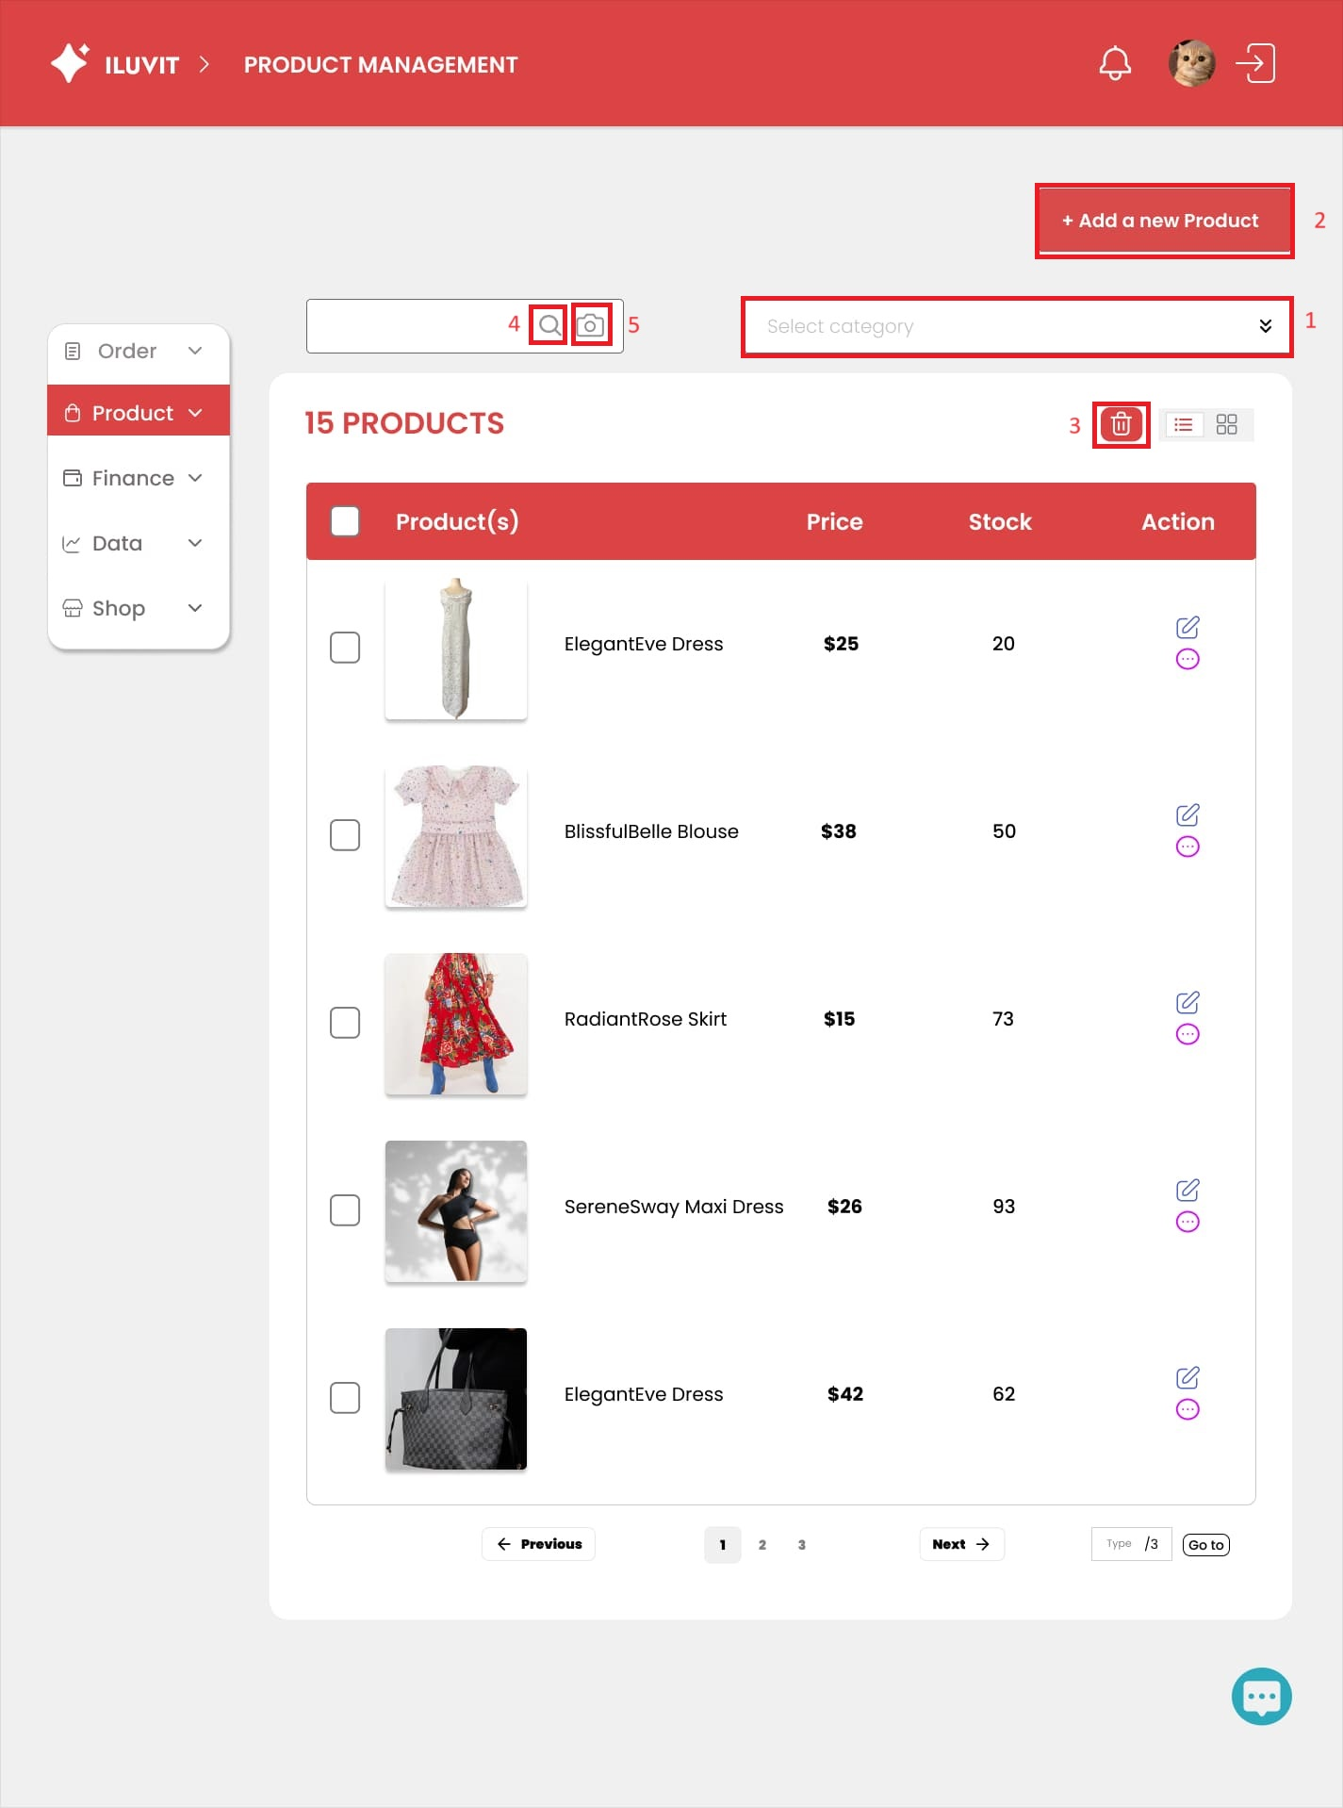
 |  |  |  |  |  | Principle | Number | Explanation
 |  |  |  |  |  | 1. Simplicity | 1 | The design has simplified the interface by classifying and grouping options into categories (1): - When the user clicks "Product", the following sub-items will appear: Top, Pants, Dresses, Sets - Within each of these subcategories, they’ll find smaller sections: Tanks, T-shirts, Blouses, Polp shirts | 9
 |  |  |  |  |  | 2. Predictability | 2 | Users can easily guess that when they click "Add new product"(2), they will be redirected to a new page to add new product information.
 |  |  |  |  |  | 3. Familiarity | 3 | The design uses the icon (3) to edit and the left arrow (4), and right arrow icon (5) to switch to the previous or next page
 |  |  |  |  |  | 4. Consistency |  | There is consistency in product display (image, name, price, and quantity) on the same page (Manage Product) and list layout compared to the Manage Order page
 |  |  |  |  |  | 5. Dialog Initiative | 7 | A confirmation dialog box to delete all products appears with two options: "Yes" and "Cancel"
 |  |  |  |  |  | 6. Substitutivity | 4,5 | Sellers can quickly check products by searching by text (name) or image
 |  |  |  |  |  | 7. Observability | 8 | After confirming you want to delete everything, a progress bar appears reflecting the deletion process
 |  |  |  |  |  | 8. Responsiveness | 6 | When hovering over the camera, the text "Search for image" will be displayed.
 |  |  |  |  |  | 9. Task migratibility | 9 | Sellers only click on checkbox to tick all, instead to tick each one
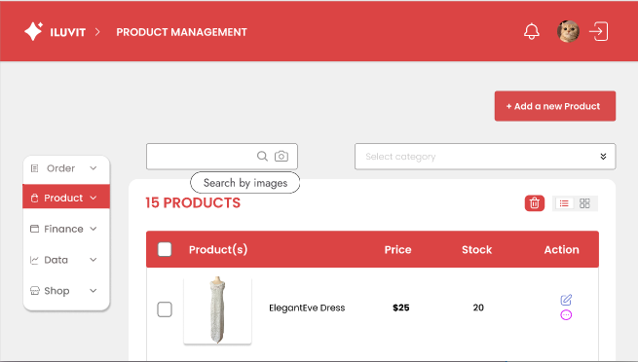
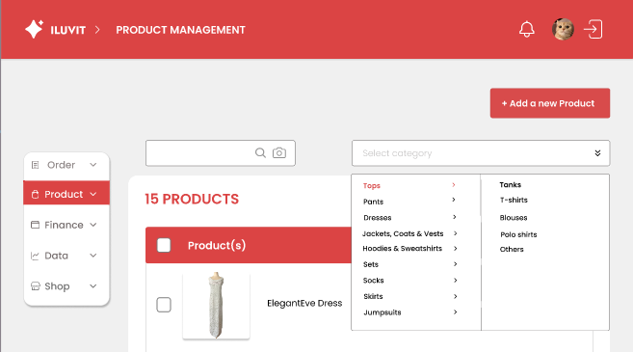
 |  |  |  |  |  |  |  | 1
 |  |  |  |  | 6

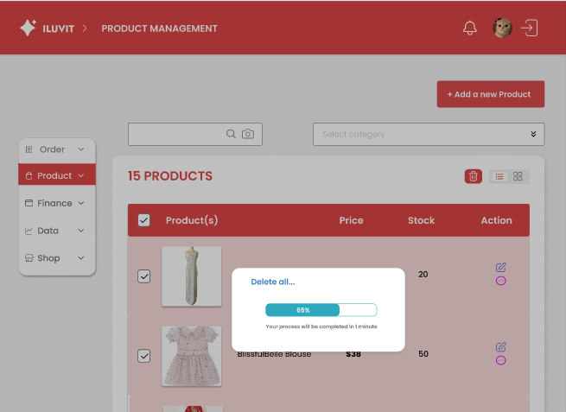
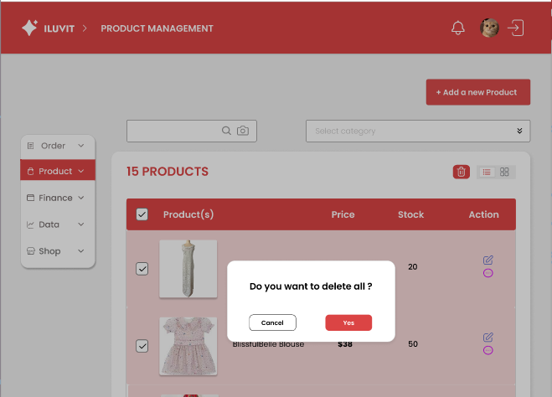

 |  |  |  |  | 7 |  |  |  | 8

24_Manage Business Information
Project: | ILUVIT | Version | 1 | Sprint
Team: | G11 | Reviewed by | Vu Thi Anh Thu
Document: | Principles | Approved by | Vu Thi Anh Thu
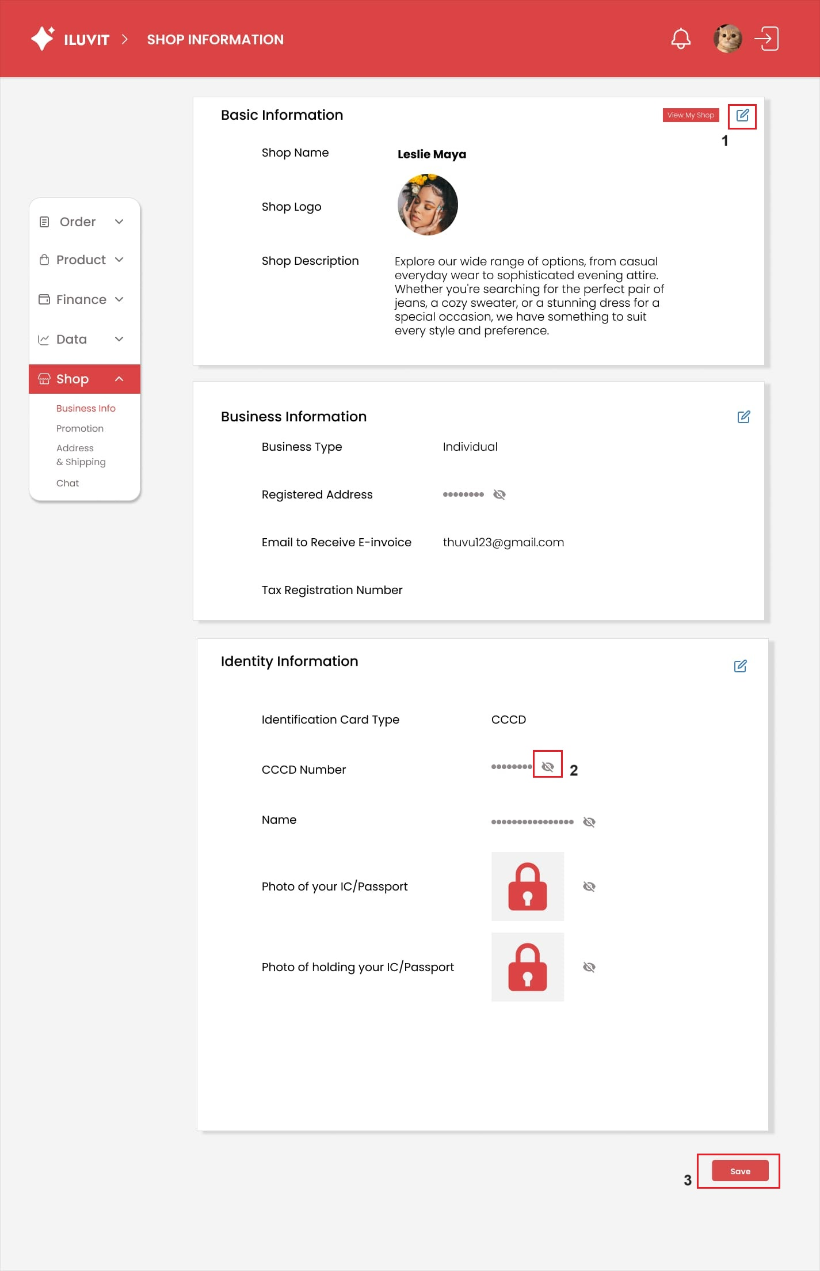
 |  |  |  |  |  | Principle | Number | Explanation
 |  |  |  |  |  | 1. Predictability | 1 | Users can easily guess the function of the "pen and paper" icon used for editing, as this icon appears on most websites and internet applications.
 |  |  |  |  |  | 2. Familiarity | 2 | We use the crossed out eye icons to represent hiding information, which are very familiar to users in real life.
 |  |  |  |  |  | 3. Dialog Initiative | 3 | When users click on "save," a small window will appear to confirm with the user that the information they just edited will be saved, and users have the option to choose yes or no.
 |  |  |  |  |  | 4. Observability | 4 | After confirming that you want to save the information, the system will notify you of the successful saving

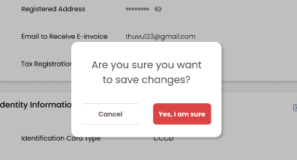
 |  |  |  |  | 3

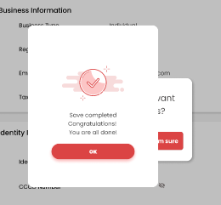
 |  |  |  |  | 4

27_View Dashboard
Project: | ILUVIT | Version | 1 | Sprint
Team: | G11 | Reviewed by | Vu Thi Anh Thu
Document: | Principles | Approved by | Vu Thi Anh Thu
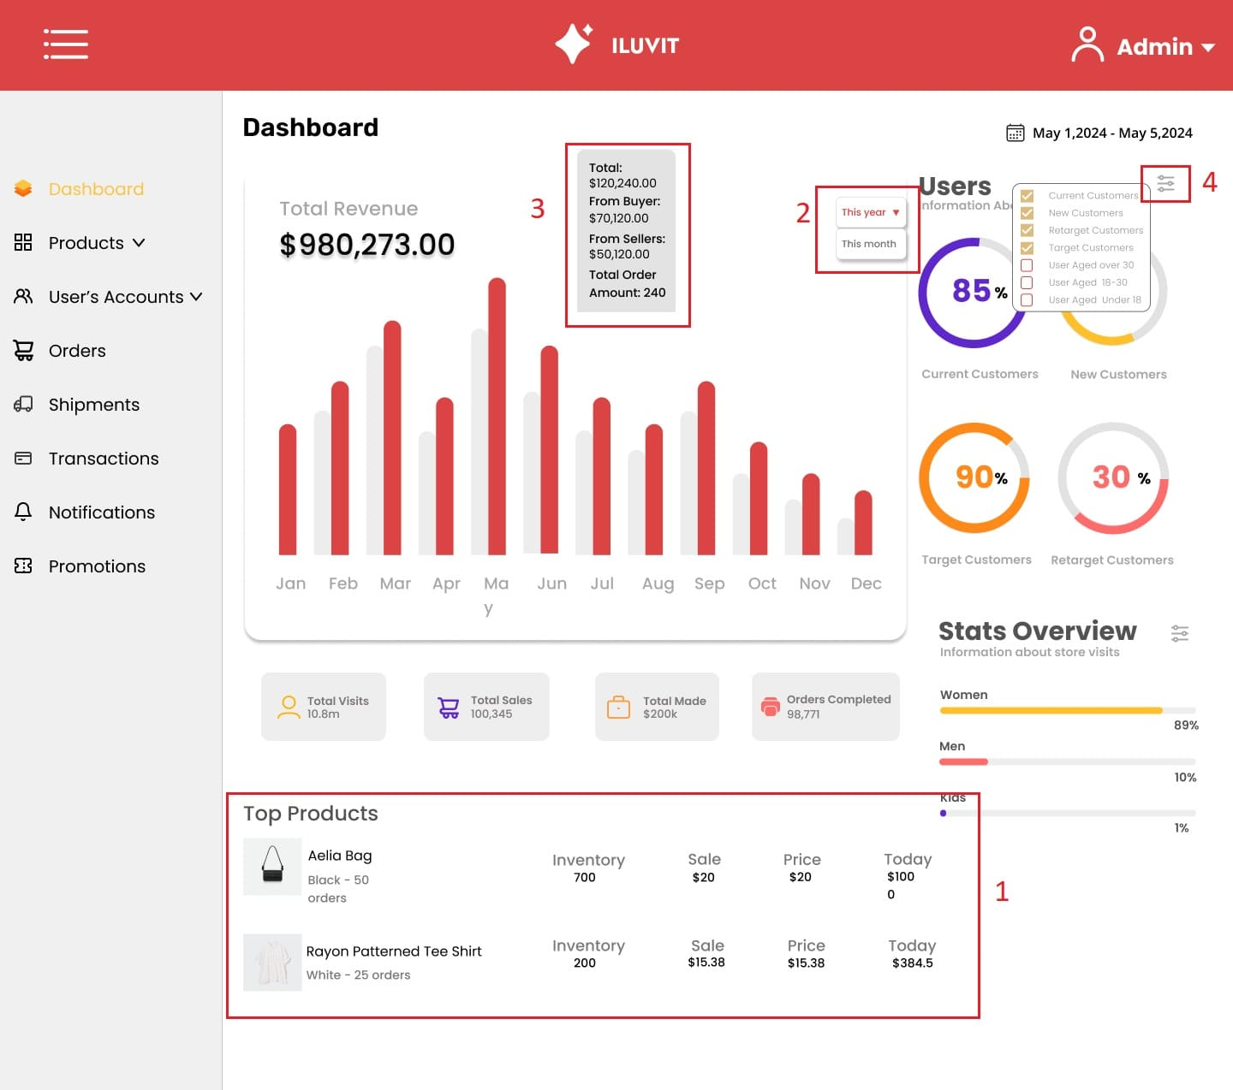
 |  |  |  |  | Principle | Number | Explanation
 |  |  |  |  | Consistency | 1 | The best-selling products (1) are displayed with consistency, with the product names in bold, followed by features and order quantities in a lighter font. Adjacent to these are the stock quantities and prices.
 |  |  |  |  | Customizability | 2 | Allowing users to select how the chart is displayed, whether by month or other available options in the collapsed menu (2), enhances customizability, empowering users to tailor their viewing experience to suit their preferences.
 |  |  |  |  | Responsiveness | 3 | When hovering over the columns representing each month on the chart, a window (3) will immediately appear, showing detailed revenue information for that month.
 |  |  |  |  | Predictability | 4 | Predictability is demonstrated through the filter icon (4), as it is commonly associated with sorting functions. Users can easily predict that a menu containing sorting criteria will appear when they click on this icon.

38_Manage Shipment
Project: | ILUVIT | Version | 1 | Sprint
Team: | G11 | Reviewed by | Vu thI Anh Thu
Document: | Principles | Approved by | Vu thI Anh Thu
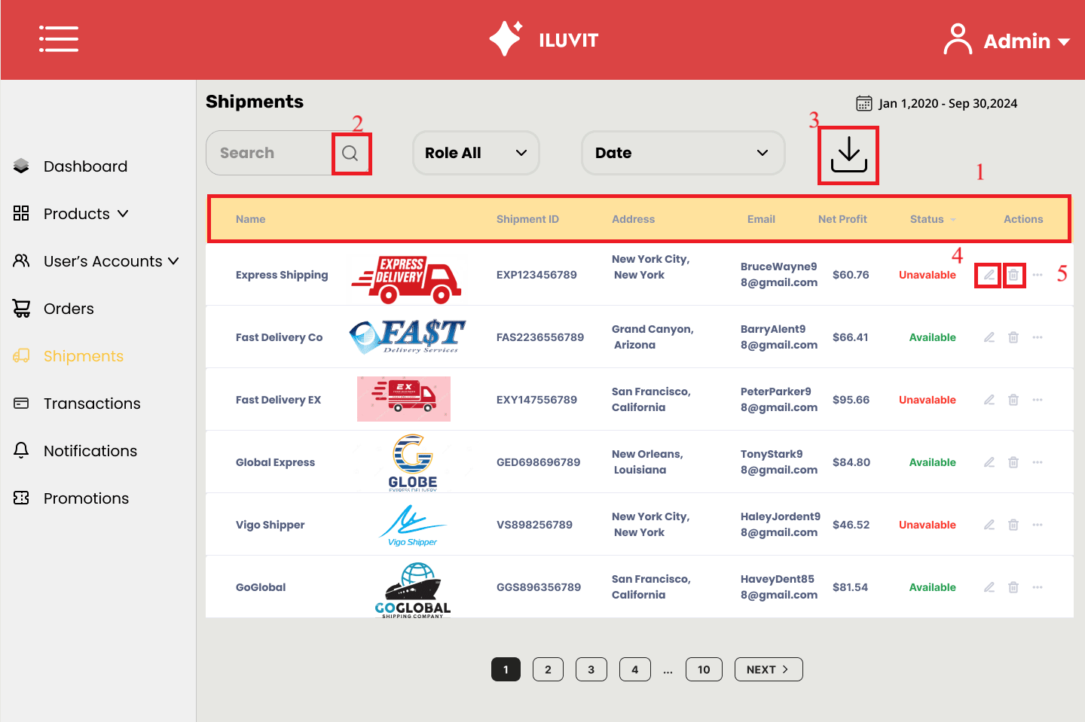
 |  |  |  |  | Principle | Number | Explanation
 |  |  |  |  | Consistency | 1 | The site maintains consistency by posting messages in a uniform format: name, ID, address, profit, and status
 |  |  |  |  | Familiarity | 2, 3, 4, 5 | The design still uses familiar icons such as magnifying glass, download arrow, pen, and trash can to search, download, edit and delete information.

