9. View Vouchers
Project: | ILUVIT | Version | 1 | Sprint
Team: | G11 | Reviewed by
Document: | Prototype | Approved by

 |  |  |  |  | Search voucher code | Search voucher code by QR code

 |  |  |  |  |  |  | Click here to save voucher
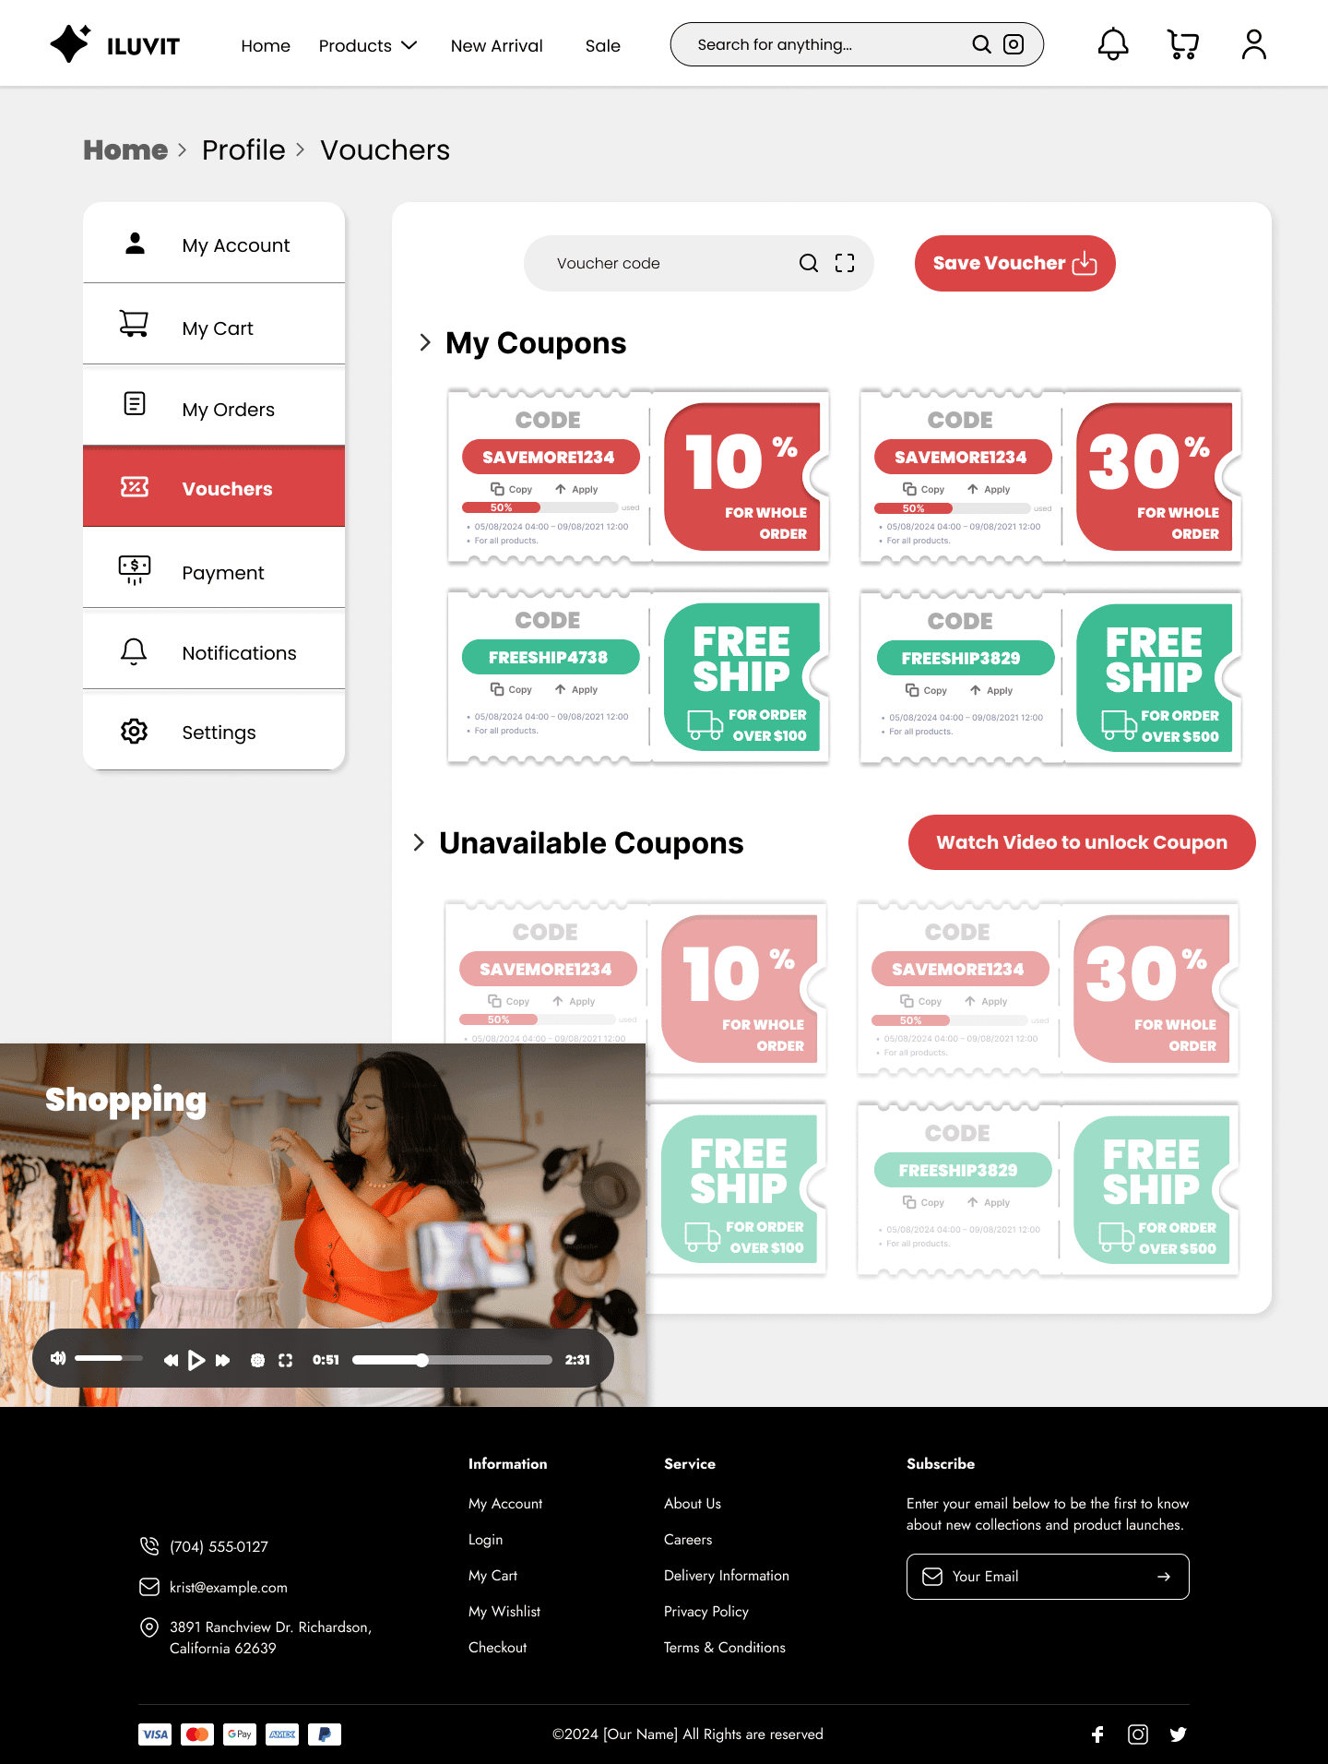

 |  |  |  |  |  |  | User can see their coupons

 |  |  |  |  |  |  | Click here to watch video to unlock coupon

 | Popup unlock video

20. Manage Products
Project: | ILUVIT | Version | 1 | Sprint
Team: | G11 | Reviewed by
Document: | Prototype | Approved by

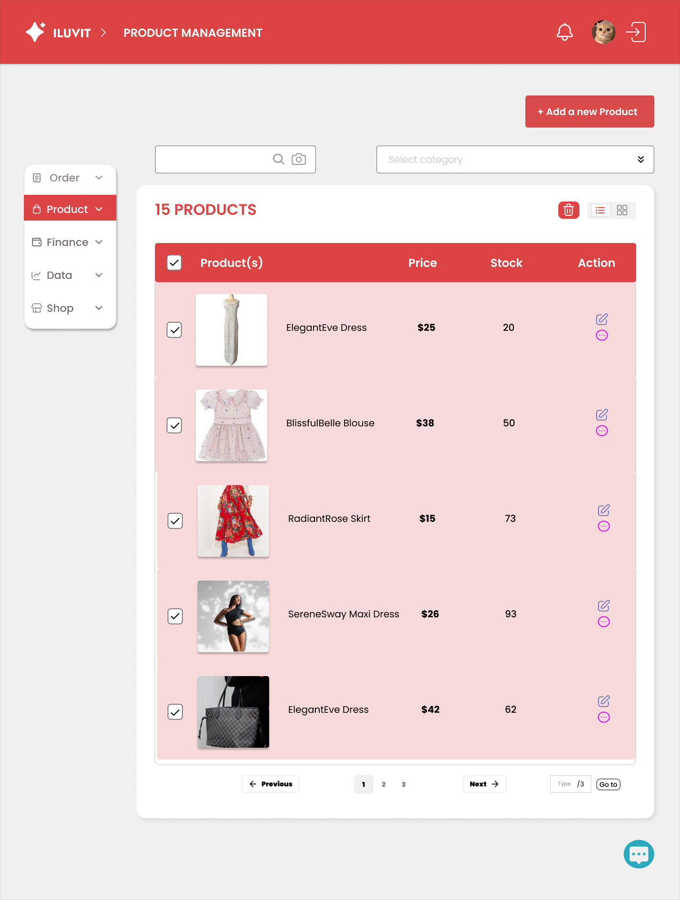
 | The camera icon search products by image
 |  |  |  |  | Click "Add a new Product" to display the add a new product page

 | Magnifying glass icon to search for products |  |  |  | Click on the double dropdown icon to display a list of categories to select

 |  |  |  |  | Trash icon to delete products

 | Click on the checkbox to select all

24.Manage Business Information
Project: | ILUVIT | Version | 1 | Sprint
Team: | G11 | Reviewed by
Document: | Prototype | Approved by

 |  |  |  |  | This icon display avatar of seller
 |  |  |  | Bell icon is used to display notification

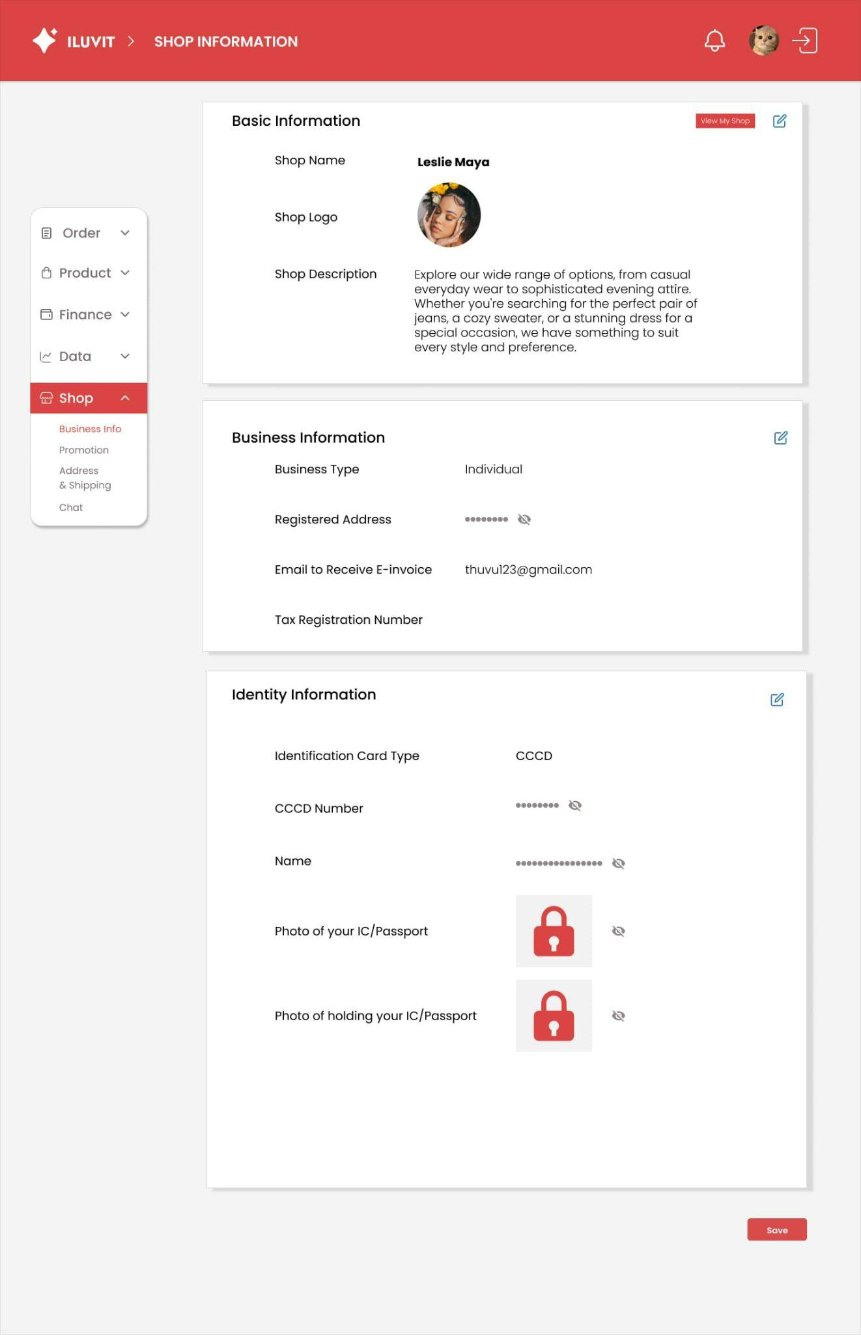
 |  |  |  |  |  | Phone icon is used to logout the seller account

 |  |  |  |  |  |  | Click this button to view seller's detail shop

 |  |  |  |  |  |  | Edit icon is used to edit shop information

 |  |  |  |  |  | The crossed out eye icon indicates that the seller's address has been hidden

 |  |  |  |  |  | The lock icon is to hide the photo of IC/ Passport

 |  |  |  |  |  | Click save button, a message appears whether to save or not

27. View Dashboard
Project: | ILUVIT | Version | 1 | Sprint
Team: | G11 | Reviewed by
Document: | Prototype | Approved by

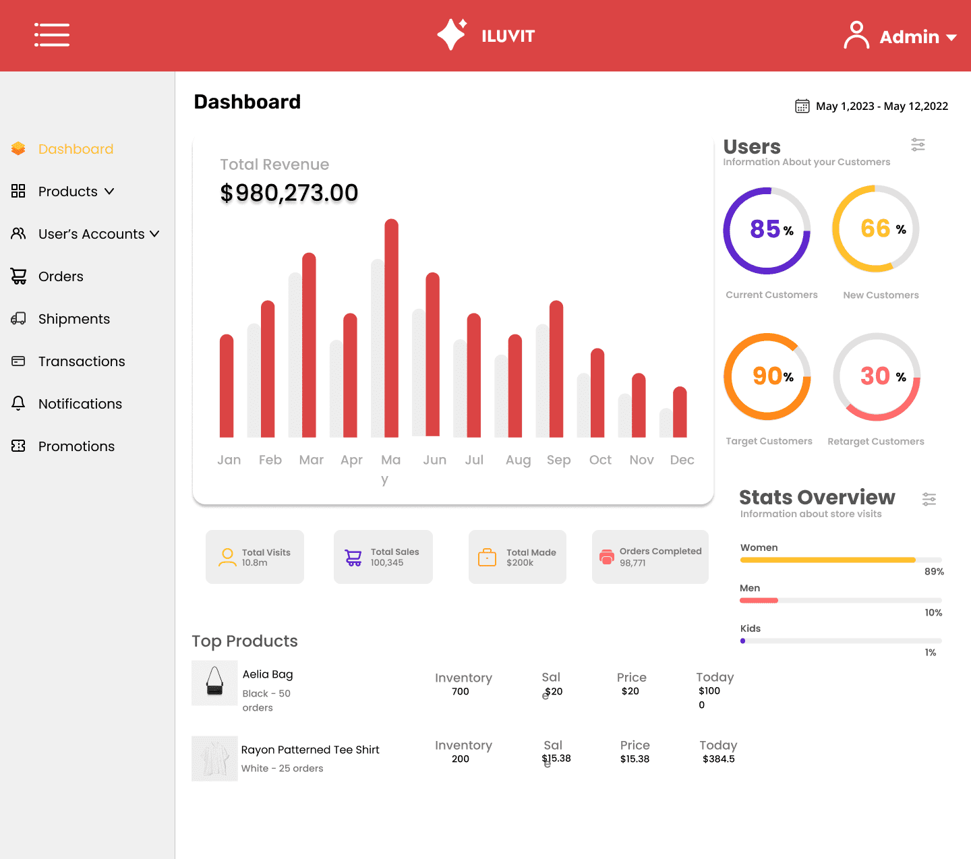

Go to the dashboard

Click here to see products |  |  |  |  | Information about groups of customers

Click here to see user's account

Go to the orders

Go to the shipments

Go to the transactions
Go to the Admin's notifications |  |  |  |  | Overview groups of people access

Go to the promotions

 | Admin can see top products

38. Manage Shipment
pt
 | Project: | ILUVIT | Version | 1 | Sprint
 | Team: | G11 | Reviewed by
 | Document: | Prototype | Approved by

 |  |  |  |  |  | Click on to filter by a shipment channel
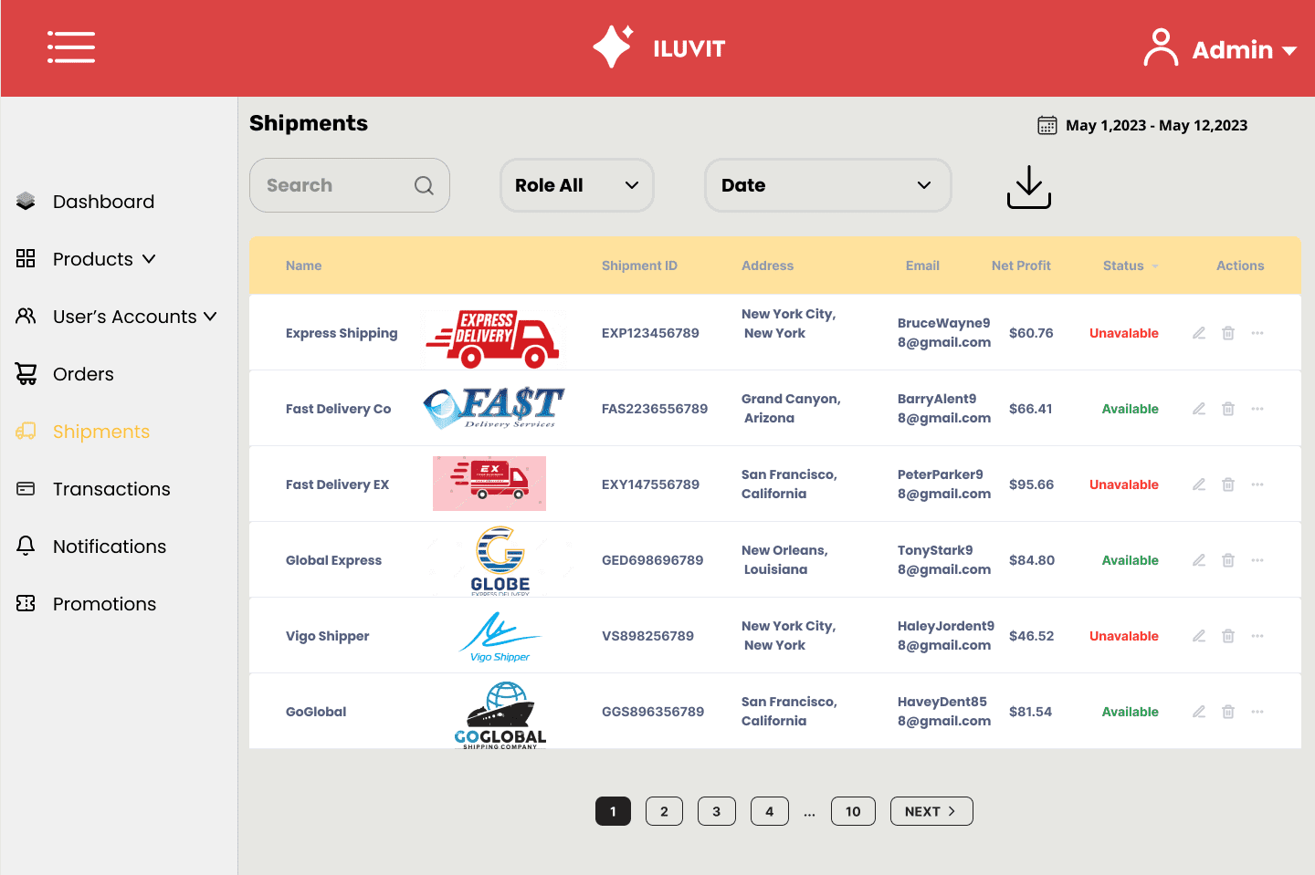

 | Click on to search for shipment channels, shipmentID, address, email, status

 |  |  |  |  |  |  | Admin can see the overview of shipment

 | Click Shipments in the left sidebar to go to the shipments page

