test.sor
 | Report OTDR

 |  | Parameters
Begin: |  |  | End:
Cable: |  |  | Fiber: 0001
Range: 102.235 km |  |  | Pulse Width: 4000 ns
Wavelength: 1550 nm (Singlemode) |  |  | Refractive index: 1.46750
Loss Threshold: 0.08 dB |  |  | Refl. Threshold: -25.00 dB
Date: 10/20/2017 4:03:51 AM |  |  | File: test.sor
OTDR: MT9082A8-073 S/N: 6200937198
Module: MT9082A8-073 S/N: 6200937198
Customer: |  |  | Job Name:
Supplier: Anritsu
Comment:

 |  | Summary
Fiber Lenght: 71.407 km |  |  | Total Loss: 17.504 dB
Attenuation: 0.245 dB/km

 |  | Trace OTDR
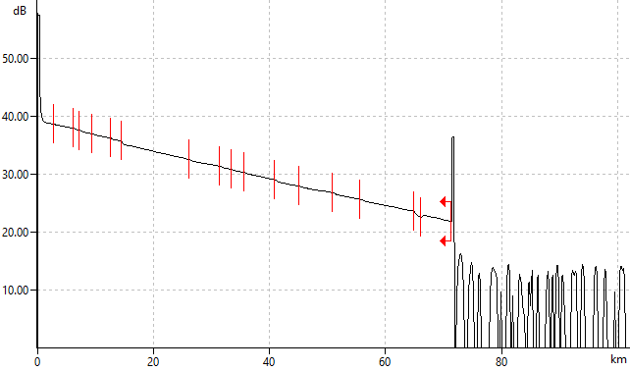

 |  | Event Table
№ | Type | Distance, km | Loss, dB | Reflection, dB | Attenuation, dB/km
1 | Gain | 2.821 | -0.159 |  | 0.264
2 | Loss | 6.112 | 0.137 |  | 0.198
3 | Loss | 7.278 | 0.121 |  | 0.242
4 | Loss | 9.383 | 0.094 |  | 0.208
5 | Loss | 12.593 | 0.116 |  | 0.213
6 | Loss | 14.412 | 0.522 |  | 0.204
7 | Loss | 26.146 | 0.139 |  | 0.230
8 | Loss | 31.482 | 0.092 |  | 0.194
9 | Loss | 33.445 | 0.088 |  | 0.230
10 | Loss | 35.673 | 0.138 |  | 0.212
11 | Loss | 40.845 | 0.245 |  | 0.210
12 | Loss | 45.036 | 0.105 |  | 0.211
13 | Loss | 50.923 | 0.168 |  | 0.185
14 | Loss | 55.646 | 0.123 |  | 0.209
15 | Loss | 64.886 | 0.673 |  | 0.215
16 | Gain | 66.031 | -0.473 |  | 0.349
17 | End | 71.407 | 10.735 | -17.34 | 0.213

