Dashboard

AMAZON SALES DASHBOARD
Product Wise Sales

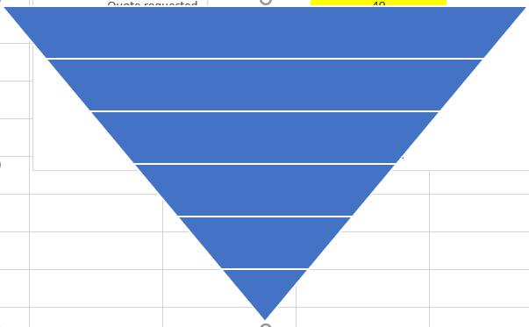
Units
% Achieved | 92%
Difference | 8%
#of Cities
3#
% Achieved | 82%
Difference | 18%
Sales
Sales | 81%
Sales | 19%
5267

81%
82%
₹ 1,02,26,625
₹ 33,874
23
4262

3586
City-Wise Sales
State-Wise Sales

 | Total Sales
Agra | 259971
Ahmedabad | 517965
Bangalore | 171788
Cochin | 318710
Darjeeling | 231032
Delhi | 1764426
Durgapur | 188769
Goa | 652865
Hyderabad | 326784
Jodhpur | 143611
Kolkata | 510157
Mumbai | 643215
Mysore | 639673
Nagpur | 534082
Nainital | 655124
Patna | 359030
Pune | 602513
Ranchi | 382835
Shimla | 396905
Srinagar | 234890
Surat | 167707
Trivandrum | 323774
Varanasi | 200799
 | Delhi | Goa | Gujarat | Himachal Pradesh | Jammu and Kashmir | Jharkhand | Karnataka | Kerala | Maharashtra | Rajasthan | Telangana | Uttar Pradesh
 | 1764426 | 652865 | 685672 | 396905 | 234890 | 382835 | 811461 | 642484 | 1779810 | 143611 | 326784 | 460770
2498

1253

969

