IJMEDI
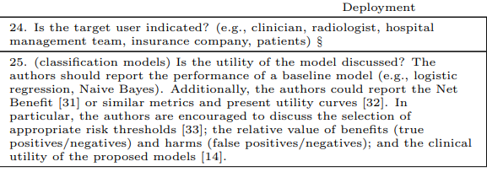
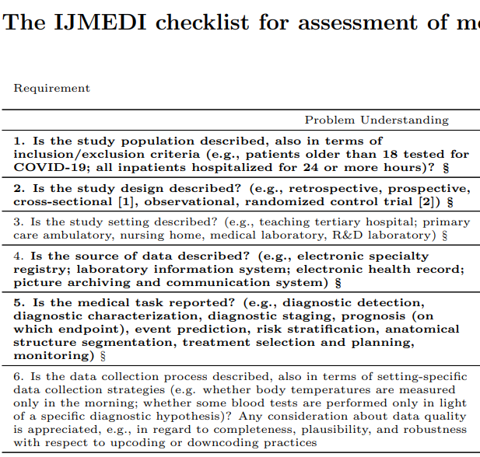
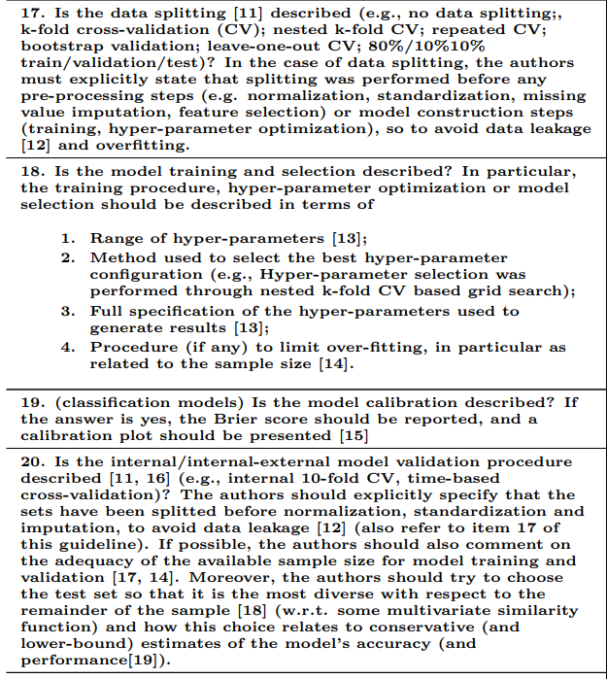
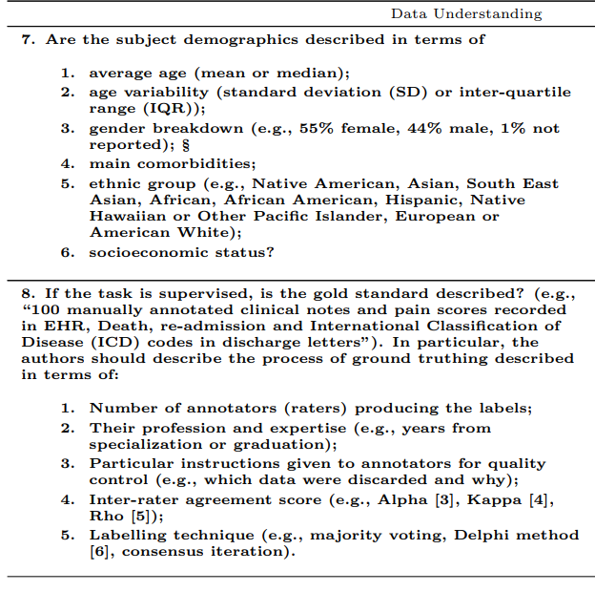
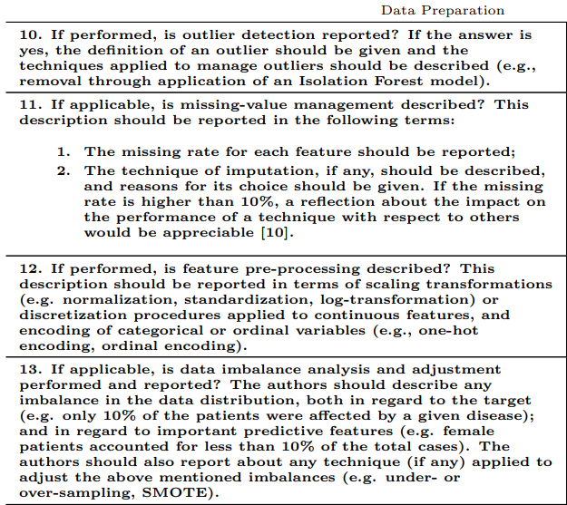
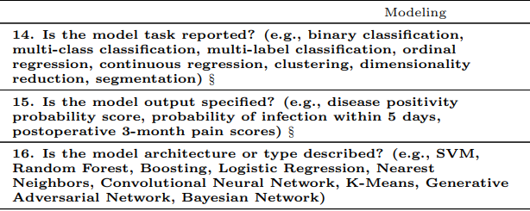
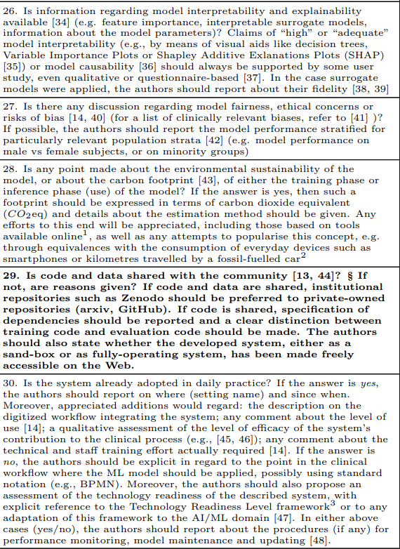
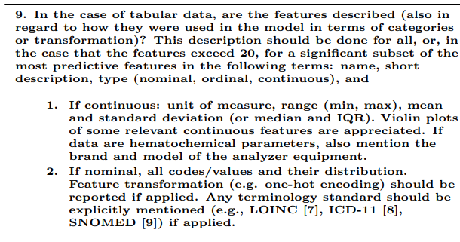
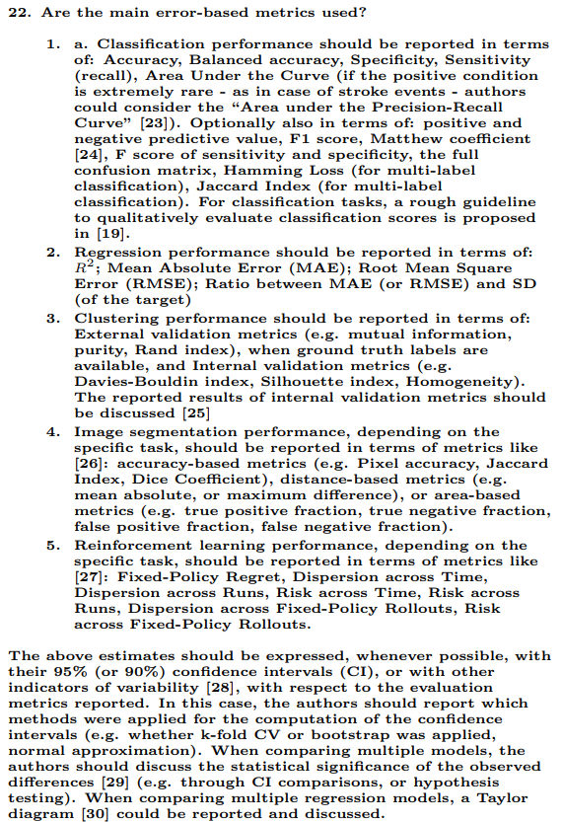
 | Problem Understanding |  |  |  |  |  | Data Understanding |  |  | Data Prepration |  |  |  | Modeling |  |  | Validation |  |  |  |  |  |  | Deployment
 | High | High | Low | High | High | Low | High | High | High | High | High | High | High | High | High | High | High | High | High | High | Low | High | Low | Low | Low | Low | Low | Low | High | Low
First Author | Item 1 | Item 2 | Item 3 | Item 4 | Item 5 | Item 6 | Item 7 | Item 8 | Item 9 | Item 10 | Item 11 | Item 12 | Item 13 | Item 14 | Item 15 | Item 16 | Item 17 | Item 18 | Item 19 | Item 20 | Item 21 | Item 22 | Item 23 | Item 24 | Item 25 | Item 26 | Item 27 | Item 28 | Item 29 | Item 30 | Total
Park, et al. | 2 | 2 | 1 | 2 | 2 | 1 | 2 | 0 | 2 | 2 | 2 | 2 | 2 | 2 | 2 | 2 | 2 | 2 | 0 | 2 | 0 | 2 | 0 | 0 | 1 | 1 | 0 | 0 | 0 | 0 | 38
Otto R, et al. | 2 | 2 | 1 | 2 | 2 | 1 | 2 | 2 | 2 | 2 | 1 | 2 | 2 | 2 | 1 | 2 | 1 | 2 | 0 | 0 | 0 | 1 | 0.5 | 1 | 0.5 | 0.5 | 0 | 0 | 2 | 0 | 36.5
Wang X, et al. | 2 | 2 | 1 | 2 | 2 | 1 | 1 | 1 | 2 | 0 | 2 | 2 | 2 | 2 | 2 | 2 | 2 | 0 | 0 | 2 | 0 | 2 | 0 | 1 | 0 | 1 | 0 | 0 | 0 | 0 | 34
Jiang C, et al. | 2 | 2 | 1 | 2 | 2 | 1 | 2 | 2 | 2 | 0 | 0 | 1 | 0 | 2 | 2 | 2 | 2 | 0 | 2 | 1 | 0.5 | 2 | 0 | 1 | 0 | 1 | 0 | 0 | 0 | 1 | 33.5
Thiis-Evensen E, et al. | 2 | 2 | 1 | 2 | 2 | 1 | 2 | 0 | 1 | 2 | 0 | 2 | 2 | 2 | 2 | 2 | 2 | 0 | 0 | 2 | 0 | 2 | 0 | 1 | 0 | 0 | 0 | 0 | 1 | 0 | 33
Huang J, et al. | 2 | 2 | 1 | 2 | 2 | 1 | 2 | 2 | 2 | 0 | 0 | 2 | 0 | 2 | 2 | 2 | 2 | 0 | 2 | 0 | 0 | 2 | 0 | 1 | 0 | 0.5 | 0 | 0 | 0 | 0 | 31.5
Xu G, et al. | 2 | 2 | 1 | 2 | 2 | 1 | 2 | 2 | 2 | 0 | 0 | 1 | 0 | 0 | 2 | 1 | 2 | 0 | 2 | 2 | 1 | 2 | 0 | 1 | 1 | 0 | 0 | 0 | 0 | 0 | 31
Lu Z, et al. | 2 | 2 | 1 | 2 | 2 | 1 | 2 | 0 | 0 | 0 | 0 | 2 | 0 | 0 | 2 | 2 | 2 | 2 | 2 | 0 | 0 | 2 | 0 | 0 | 1 | 1 | 0 | 0 | 0 | 0 | 28
Zhu HB, et al. | 2 | 2 | 1 | 2 | 2 | 1 | 0 | 1 | 2 | 2 | 0 | 0 | 2 | 2 | 2 | 2 | 2 | 0 | 0 | 0 | 0 | 0 | 0 | 1 | 1 | 0.5 | 0 | 0 | 0 | 0 | 27.5
Javed AA, et al. | 2 | 2 | 1 | 2 | 2 | 1 | 1 | 1 | 2 | 1 | 0 | 0 | 0 | 0 | 2 | 2 | 2 | 1 | 2 | 0 | 0 | 2 | 0 | 1 | 0 | 0 | 0 | 0 | 0 | 0 | 27
Liao T, et al. | 2 | 2 | 1 | 2 | 2 | 1 | 1 | 2 | 2 | 1 | 0 | 0 | 0 | 0 | 2 | 2 | 2 | 0 | 2 | 0 | 0 | 2 | 0 | 1 | 0 | 0 | 0 | 0 | 0 | 0 | 27
Murakami M, et al. | 2 | 2 | 1 | 2 | 2 | 1 | 2 | 1 | 2 | 0 | 1 | 1 | 0 | 2 | 2 | 0 | 1 | 1 | 0 | 1 | 0 | 1 | 0 | 0 | 0 | 1 | 0 | 0 | 0 | 0 | 26
Yu H, et al. | 2 | 1 | 1 | 2 | 1 | 1 | 0 | 1 | 2 | 1 | 0 | 0 | 2 | 0 | 2 | 1 | 2 | 0 | 2 | 0 | 0.5 | 2 | 0 | 1 | 1 | 0.5 | 0 | 0 | 0 | 0 | 26
Chiti G, et al. | 2 | 2 | 1 | 1 | 2 | 1 | 0 | 2 | 2 | 0 | 0 | 2 | 0 | 2 | 2 | 0 | 2 | 0 | 0 | 0 | 0 | 2 | 0 | 1 | 0 | 0.5 | 0 | 0 | 0 | 0 | 24.5
Liu C, et al. | 2 | 2 | 1 | 1 | 2 | 1 | 2 | 2 | 2 | 0 | 0 | 0 | 0 | 2 | 2 | 0 | 2 | 0 | 0 | 0 | 0 | 2 | 0 | 0 | 0 | 0.5 | 0 | 0 | 0 | 0 | 23.5
Mori M, et al. | 2 | 2 | 1 | 2 | 2 | 1 | 0 | 0 | 2 | 0 | 0 | 0 | 0 | 2 | 2 | 1 | 2 | 0 | 0 | 1 | 0.5 | 2 | 0 | 1 | 0 | 0 | 0 | 0 | 0 | 0 | 23.5
Huang XT, et al. | 2 | 2 | 1 | 2 | 2 | 1 | 1 | 1 | 2 | 0 | 0 | 0 | 0 | 2 | 2 | 0 | 1 | 0 | 0 | 0 | 0 | 1 | 0 | 1 | 0 | 0 | 0 | 0 | 0 | 0 | 21
An P, et al. | 2 | 2 | 1 | 2 | 1 | 1 | 0 | 2 | 1 | 0 | 0 | 0 | 0 | 2 | 2 | 0 | 0 | 0 | 0 | 0 | 0 | 0 | 0 | 1 | 0 | 0.5 | 0 | 0 | 1 | 0 | 18.5
max | 2 | 2 | 1 | 2 | 2 | 1 | 2 | 2 | 2 | 2 | 2 | 2 | 2 | 2 | 2 | 2 | 2 | 2 | 2 | 2 | 1 | 2 | 1 | 1 | 1 | 1 | 1 | 1 | 2 | 1 | 50
Cabitza F., Campagner, A. (2021) The need to separate the wheat from the chaff in medical informatics. International Journal of Medical Informatics.

Table 1: Checklist for assessment of requirements and recommendations for sound medical ML contributions to the existing literature. NA: not applicable; mR: minor revisions needed; MR: major revisions needed. Items in bold indicate priority aspects to be considered.

In high-priority items, OK, mR and MR were assigned the scores of 0, 1, and 2, respectively, whereas in low-priority items, the scores were halved. The possible score was 50 points. Study quality was divided into low (0–19.5), medium (20–34.5), and high (35–50)

Chart
Problem Understanding
 | Item 1 | Item 2 | Item 3 | Item 4 | Item 5 | Item 6
Park, et al. | 2 | 2 | 1 | 2 | 2 | 1
Otto R, et al. | 2 | 2 | 1 | 2 | 2 | 1
Wang X, et al. | 2 | 2 | 1 | 2 | 2 | 1
Jiang C, et al. | 2 | 2 | 1 | 2 | 2 | 1
Thiis-Evensen E, et al. | 2 | 2 | 1 | 2 | 2 | 1
Huang J, et al. | 2 | 2 | 1 | 2 | 2 | 1
Xu G, et al. | 2 | 2 | 1 | 2 | 2 | 1
Lu Z, et al. | 2 | 2 | 1 | 2 | 2 | 1
Zhu HB, et al. | 2 | 2 | 1 | 2 | 2 | 1
Javed AA, et al. | 2 | 2 | 1 | 2 | 2 | 1
Liao T, et al. | 2 | 2 | 1 | 2 | 2 | 1
Murakami M, et al. | 2 | 2 | 1 | 2 | 2 | 1
Yu H, et al. | 2 | 1 | 1 | 2 | 1 | 1
Chiti G, et al. | 2 | 2 | 1 | 1 | 2 | 1
Liu C, et al. | 2 | 2 | 1 | 1 | 2 | 1
Mori M, et al. | 2 | 2 | 1 | 2 | 2 | 1
Huang XT, et al. | 2 | 2 | 1 | 2 | 2 | 1
An P, et al. | 2 | 2 | 1 | 2 | 1 | 1
Data Understanding
 | Item 7 | Item 8 | Item 9
Park, et al. | 2 | 0 | 2
Otto R, et al. | 2 | 2 | 2
Wang X, et al. | 1 | 1 | 2
Jiang C, et al. | 2 | 2 | 2
Thiis-Evensen E, et al. | 2 | 0 | 1
Huang J, et al. | 2 | 2 | 2
Xu G, et al. | 2 | 2 | 2
Lu Z, et al. | 2 | 0 | 0
Zhu HB, et al. | 0 | 1 | 2
Javed AA, et al. | 1 | 1 | 2
Liao T, et al. | 1 | 2 | 2
Murakami M, et al. | 2 | 1 | 2
Yu H, et al. | 0 | 1 | 2
Chiti G, et al. | 0 | 2 | 2
Liu C, et al. | 2 | 2 | 2
Mori M, et al. | 0 | 0 | 2
Huang XT, et al. | 1 | 1 | 2
An P, et al. | 0 | 2 | 1

Data Prepration
 | Item 10 | Item 11 | Item 12 | Item 13
Park, et al. | 2 | 2 | 2 | 2
Otto R, et al. | 2 | 1 | 2 | 2
Wang X, et al. | 0 | 2 | 2 | 2
Jiang C, et al. | 0 | 0 | 1 | 0
Thiis-Evensen E, et al. | 2 | 0 | 2 | 2
Huang J, et al. | 0 | 0 | 2 | 0
Xu G, et al. | 0 | 0 | 1 | 0
Lu Z, et al. | 0 | 0 | 2 | 0
Zhu HB, et al. | 2 | 0 | 0 | 2
Javed AA, et al. | 1 | 0 | 0 | 0
Liao T, et al. | 1 | 0 | 0 | 0
Murakami M, et al. | 0 | 1 | 1 | 0
Yu H, et al. | 1 | 0 | 0 | 2
Chiti G, et al. | 0 | 0 | 2 | 0
Liu C, et al. | 0 | 0 | 0 | 0
Mori M, et al. | 0 | 0 | 0 | 0
Huang XT, et al. | 0 | 0 | 0 | 0
An P, et al. | 0 | 0 | 0 | 0
Modeling
 | Item 14 | Item 15 | Item 16
Park, et al. | 2 | 2 | 2
Otto R, et al. | 2 | 1 | 2
Wang X, et al. | 2 | 2 | 2
Jiang C, et al. | 2 | 2 | 2
Thiis-Evensen E, et al. | 2 | 2 | 2
Huang J, et al. | 2 | 2 | 2
Xu G, et al. | 0 | 2 | 1
Lu Z, et al. | 0 | 2 | 2
Zhu HB, et al. | 2 | 2 | 2
Javed AA, et al. | 0 | 2 | 2
Liao T, et al. | 0 | 2 | 2
Murakami M, et al. | 2 | 2 | 0
Yu H, et al. | 0 | 2 | 1
Chiti G, et al. | 2 | 2 | 0
Liu C, et al. | 2 | 2 | 0
Mori M, et al. | 2 | 2 | 1
Huang XT, et al. | 2 | 2 | 0
An P, et al. | 2 | 2 | 0

Validation
 | Item 17 | Item 18 | Item 19 | Item 20 | Item 21 | Item 23
Park, et al. | 2 | 2 | 0 | 2 | 2 | 0
Otto R, et al. | 1 | 2 | 0 | 0 | 1 | 0.5
Wang X, et al. | 2 | 0 | 0 | 2 | 2 | 0
Jiang C, et al. | 2 | 0 | 2 | 1 | 2 | 0
Thiis-Evensen E, et al. | 2 | 0 | 0 | 2 | 2 | 0
Huang J, et al. | 2 | 0 | 2 | 0 | 2 | 0
Xu G, et al. | 2 | 0 | 2 | 2 | 2 | 0
Lu Z, et al. | 2 | 2 | 2 | 0 | 2 | 0
Zhu HB, et al. | 2 | 0 | 0 | 0 | 0 | 0
Javed AA, et al. | 2 | 1 | 2 | 0 | 2 | 0
Liao T, et al. | 2 | 0 | 2 | 0 | 2 | 0
Murakami M, et al. | 1 | 1 | 0 | 1 | 1 | 0
Yu H, et al. | 2 | 0 | 2 | 0 | 2 | 0
Chiti G, et al. | 2 | 0 | 0 | 0 | 2 | 0
Liu C, et al. | 2 | 0 | 0 | 0 | 2 | 0
Mori M, et al. | 2 | 0 | 0 | 1 | 2 | 0
Huang XT, et al. | 1 | 0 | 0 | 0 | 1 | 0
An P, et al. | 0 | 0 | 0 | 0 | 0 | 0
Deployment
 | Item 24 | Item 25 | Item 26 | Item 27 | Item 28 | Item 29 | Item 30
Park, et al. | 0 | 1 | 1 | 0 | 0 | 0 | 0
Otto R, et al. | 1 | 0.5 | 0.5 | 0 | 0 | 2 | 0
Wang X, et al. | 1 | 0 | 1 | 0 | 0 | 0 | 0
Jiang C, et al. | 1 | 0 | 1 | 0 | 0 | 0 | 1
Thiis-Evensen E, et al. | 1 | 0 | 0 | 0 | 0 | 1 | 0
Huang J, et al. | 1 | 0 | 0.5 | 0 | 0 | 0 | 0
Xu G, et al. | 1 | 1 | 0 | 0 | 0 | 0 | 0
Lu Z, et al. | 0 | 1 | 1 | 0 | 0 | 0 | 0
Zhu HB, et al. | 1 | 1 | 0.5 | 0 | 0 | 0 | 0
Javed AA, et al. | 1 | 0 | 0 | 0 | 0 | 0 | 0
Liao T, et al. | 1 | 0 | 0 | 0 | 0 | 0 | 0
Murakami M, et al. | 0 | 0 | 1 | 0 | 0 | 0 | 0
Yu H, et al. | 1 | 1 | 0.5 | 0 | 0 | 0 | 0
Chiti G, et al. | 1 | 0 | 0.5 | 0 | 0 | 0 | 0
Liu C, et al. | 0 | 0 | 0.5 | 0 | 0 | 0 | 0
Mori M, et al. | 1 | 0 | 0 | 0 | 0 | 0 | 0
Huang XT, et al. | 1 | 0 | 0 | 0 | 0 | 0 | 0
An P, et al. | 1 | 0 | 0.5 | 0 | 0 | 1 | 0

