Super Key
Super Key

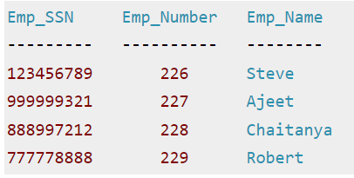

 | {Emp_SSN}
 | {Emp_Number}
 | {Emp_SSN, Emp_Number}
 | {Emp_SSN, Emp_Name}
 | {Emp_SSN, Emp_Number, Emp_Name}
 | {Emp_Number, Emp_Name}

Candidate keys
Candidate Key

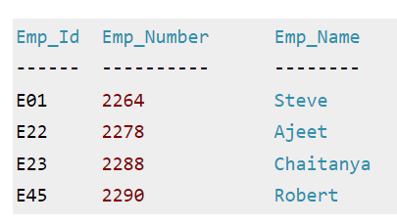

 | {Emp_Id} | No redundant attributes | candidate key | primary_key
 | {Emp_Number} | No redundant attributes | candidate key | alternate /secondary
 | {Emp_Id, Emp_Number}
 | {Emp_Id, Emp_Name}
 | {Emp_Id, Emp_Number, Emp_Name}
 | {Emp_Number, Emp_Name}

Composite Key
