Sheet1
Authors | Paper | Method | Paradigm | Process probed | Parameter (RT = from stimuli to final answer) | Result | Test values | Awareness measure | Awareness result | Additional information (red poses a "risk" for us) | Pictures
Almeida, J., Mahon, B. Z., Zapater-Raberov, V., Dziuba, A., Cabaço, T., Marques, J. F., & Caramazza, A. (2014) | Exp 4 in: Grasping with the eyes: The role of elongation in visual recognition of manipulable objects | Reach tracking | Masking Prime: picture, Tool / Animal of shape Elongated / "blob" Target: picture, Elongated tool / "blob" like animal Task: Categorize as animal / tool | Semantic priming | AUC - area between optimal path and real path | Significant congruentcy effect for animal vs tool |  | Masking Prime: picture, Tool / Animal Target: picture,Elongatged tool / "blob" like animal prime-task: Classify the prime. Separate from main task. Respond with keyboard. | N=58, out of which only 37 were unaware and used for the analysis. | Uses keyboard and reaching to show semantic priming Exp 1 (b) uses keypress, Exp 4 uses reach trajectory, Other than that they are the same. Exp's weakness: Exp 1 - Half of subjects are aware of the prime, Used only those that were unaware. --> regression to the mean = some "unaware" sybjects are unaware because of measurement error. They will inflate the unconscious effect. Exp 4 - didn't mention how many were unaware of the prime, Used only those that were unaware. In both experiments it can be claimed that the effect is at least partially (if not fully) driven by the shape of the object instead of the category. Set size is small (16 primes and 8 targets) Awareness test is seperate from main task. Didn't use a subjective measure. | 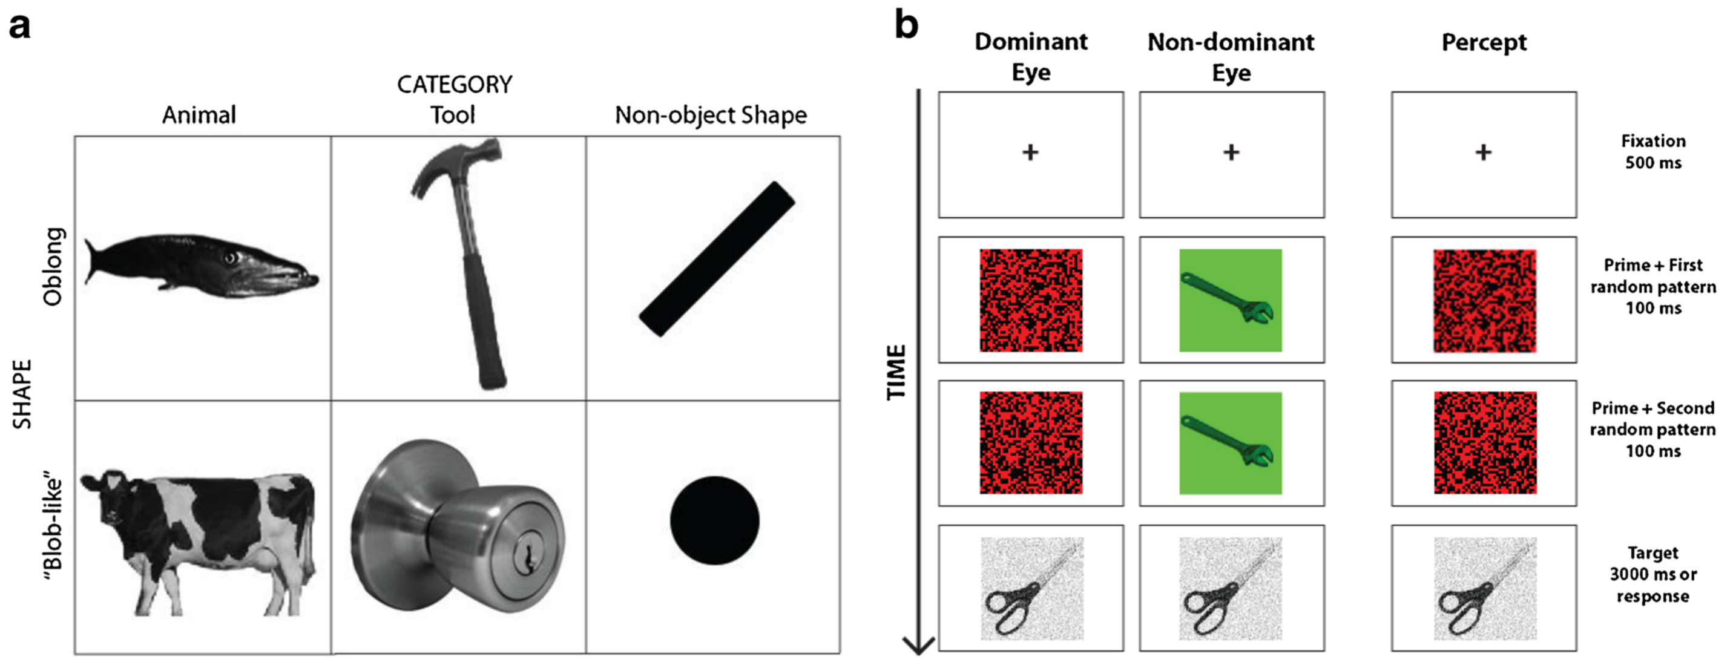
Finkbeiner, & Friedman, J. (2011) | Exp 1 in: The flexibility of nonconsciously deployed cognitive processes: evidence from masked congruence priming. | Reach tracking | Masking Prime: picture, Person / Animal, either novel or repeated (apear as target as well) Target: picture, Person / Animal Task: Categorize as person / animal | semantic priming | Path offset value - distance from optimal path at each timepoint, divided by the optimal path. Cumulative submovment amplitude - how far from the target the subject is planning on going, at each timepoint. | POV: Sig congruency effect, earlier and larger for non-novel primes. Reaches sig after 330ms for non-novel (375 when corrected for multiple comparisons). CSA: Sig congruency effect between 120-340ms. | POV: ANOVA, prime type X prime congruence: F(1,15) = 34.5 --> congruency effect. | Masking Prime: picture, Person / Animal, either novel or repeated (apear as target as well) Target: picture, Person / Animal prime-task: Categorize the prime as person / animal Separate from main task. | Subs are unaware, d' is about 0. | Uses reaching to identify semantic priming. Exp's weakness: Set size is small (10 targets, 4 primes two of which are also targets) Only 80 trials in awareness test Awareness test is seperate from main task. Didn't use a subjective measure.
Finkbeiner, & Friedman, J. (2011) | Exp 2 in: The flexibility of nonconsciously deployed cognitive processes: evidence from masked congruence priming. | Reach tracking | Masking Prime: letter / digit sequence, either novel, repeated or novel+repeated (same letters diff font). Target: letter / digit sequence Task: Categorize as letter / digit | conceptual priming | Path offset value Cumulative submovment amplitude | POV, CSA: novel+repeated primes cause similar congruency effect as repeated primes (look in exp 1).
Friedman, J., & Finkbeiner, M. (2010) | Temporal dynamics of masked congruence priming: evidence from reaching trajectories | Reach tracking | Masking Prime: picture, Tool / Animal Target: picture, tool / animal Task: Categorize as animal / tool | Semantic priming | Number of submovements Direction of submovement Distance planned - I think this is implied endpoint in every timepoint | More submovements were more common in incongruent trials, less submovements were more common in congreunt trials. Direction of 2nd and 3rd submovements tilted to the wrong target in incongruent submovements. Distance planned (implied endpoint) reached target earlier in congruent trials. |  | None | None | Uses reaching to identify semantic priming. Exp's weakness: There is no awareness measure, they don't mention unconscious processing at all. Didn't use a subjective measure.
Finkbeiner, M., Song, J. H., Nakayama, K., & Caramazza, A. (2008) | Exp1 in: Engaging the motor system with masked orthographic primes: A kinematic analysis | Reach tracking | Masking Prime: "red" / "green" / "boy" / "mouth" Target: words representing red/green items Task: target represents a red/green item?. | Semantic priming | Reaction time Total time (RT) Maximum curvature - Ratio between max distance from optimal path and length of optimal path | Maximum Curvature - greater in incongruent trials. Total time - longer for incongruent trials. | Maximum Curvature: t-test, t(6) = 4.23 --> incongruent - congruent | Masking Prime: "abcd" / "efgh" Target: words representing red/green items Prime-Task: recognize the prime Separate from main task. Respond with keyboard | Subs are unaware, d' is about 0. | Uses reaching to identify semantic priming. Exp's weakness: Set size is small (10 targets, 4 primes). Only 80 trials in awareness test. Primes in awareness test are different from those in main task, In addition they are non-words. Awareness test is seperate from main task. Didn't use a subjective measure.
Finkbeiner, M., Song, J. H., Nakayama, K., & Caramazza, A. (2008) | Exp2 in: Engaging the motor system with masked orthographic primes: A kinematic analysis | Stylus on tablet | Masking Prime: "red" / "green", SOA 10-40ms Target: words representing red/green items Task: target represents a red/green item?. | Semantic priming | Reaction time Total time (RT) Maximum curvature | Maximum Curvature - greater in incongruent trials for SOA>=30. Total time - longer for incongruent trials when SOA=40. | Maximum Curvature: t-test, t(6) = 4.57 --> incongruent - congruent, SOA = 30 t(6) = 3.55 --> incongruent - congruent, SOA = 40 | Masking Prime: "red" / "green", SOA 10-40ms Target: words representing red/green items Prime-Task: wait 1 sec then recognize the prime. Separate from main task. Respond with keyboard. | Subs are unaware, d' is about 0. | Uses Stylus on tablet to identify semantic priming. Exp's weakness: Set size is small (10 targets, 2 primes). Only 60 trials in awareness test. Awareness test is seperate from main task, And subs are required to wait 1sec before answering it. Didn't use a subjective measure. | 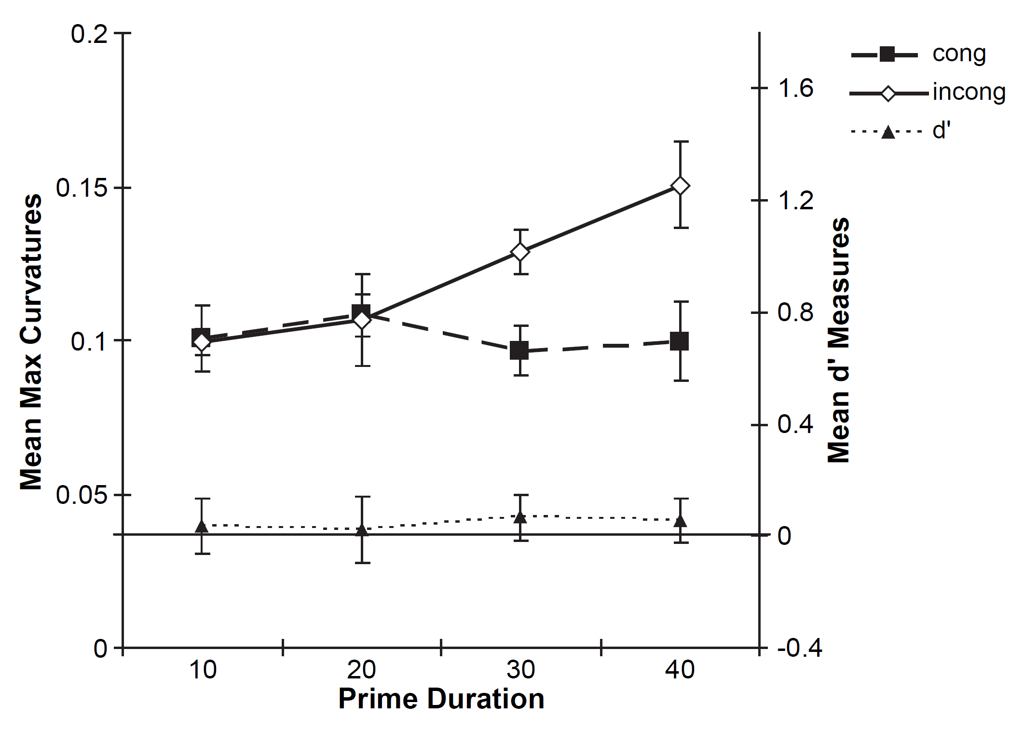
Schmidt, T. (2002) | Exp 1: The finger in flight: Real-time motor control by visually masked color stimuli | Reach tracking | Meta contrast masking? Prime: red/green disks of diff color, SOA 10-60ms Target/mask: red/green annuli of diff color Task: Reach the mask of the prespecified color. Prime-task: Reach the mask which was preceded by prime of the prespecified color. | Color priming | Reaction time Distance from target | Reaction time - faster for congruent primes Distance from target - larger for incongruent trials? Showed no statistical analysis reslus, but toldd they are significant. |  | Meta contrast masking? Prime: red/green disks of diff color, SOA 10-60ms Target/mask: red/green annuli of diff color Prime-task: Reach the mask which was preceded by prime of the prespecified color. Used reaching. Main-task and prime-task blocks are interleaved. Each block had one type of task. | Prime sensitivity was high in all SOAs., Seem to be aware of the prime. | This isn’t a "risk", just more information. Exp 2 which uses a keyboard reponse: Task 1: choose mask of prespecified color. Task 2: masks of identical color, choose mask preceded by inconsistent color prime. Result: Task 1: Fasrt RT for congruent trials. Task 2: Subs seem to be aware of the prime. | 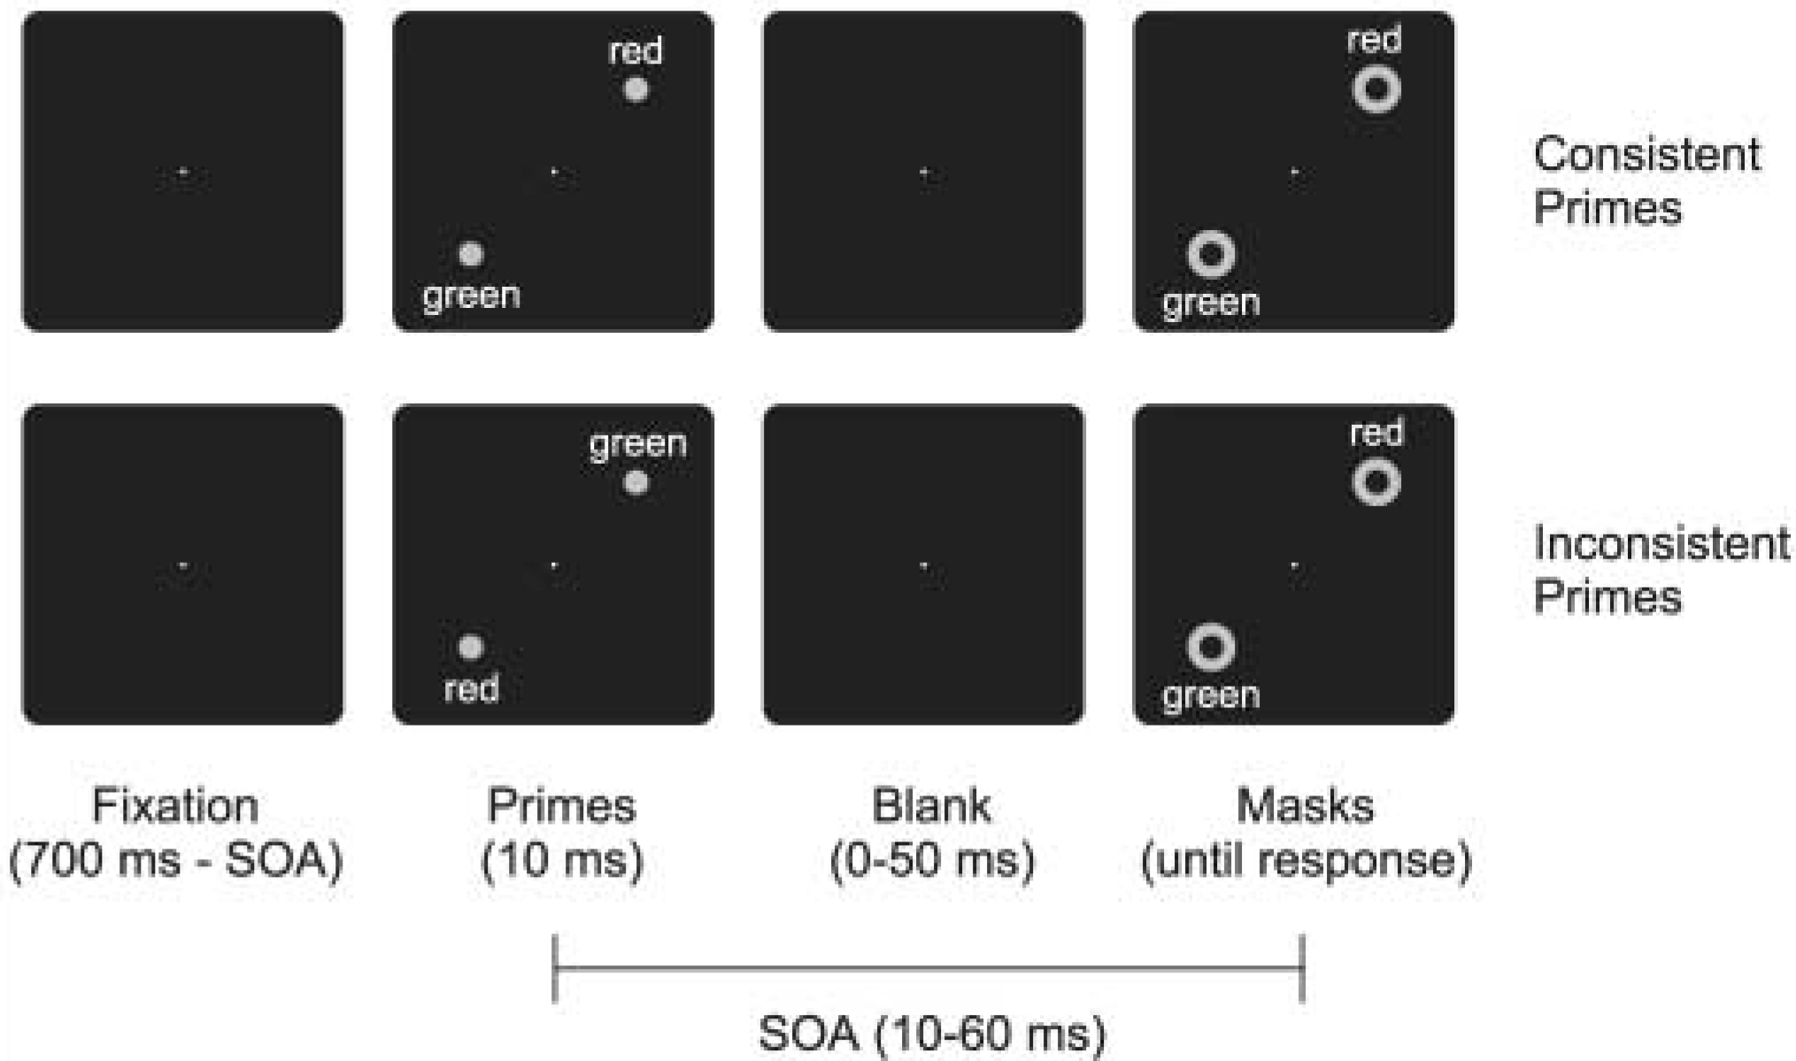 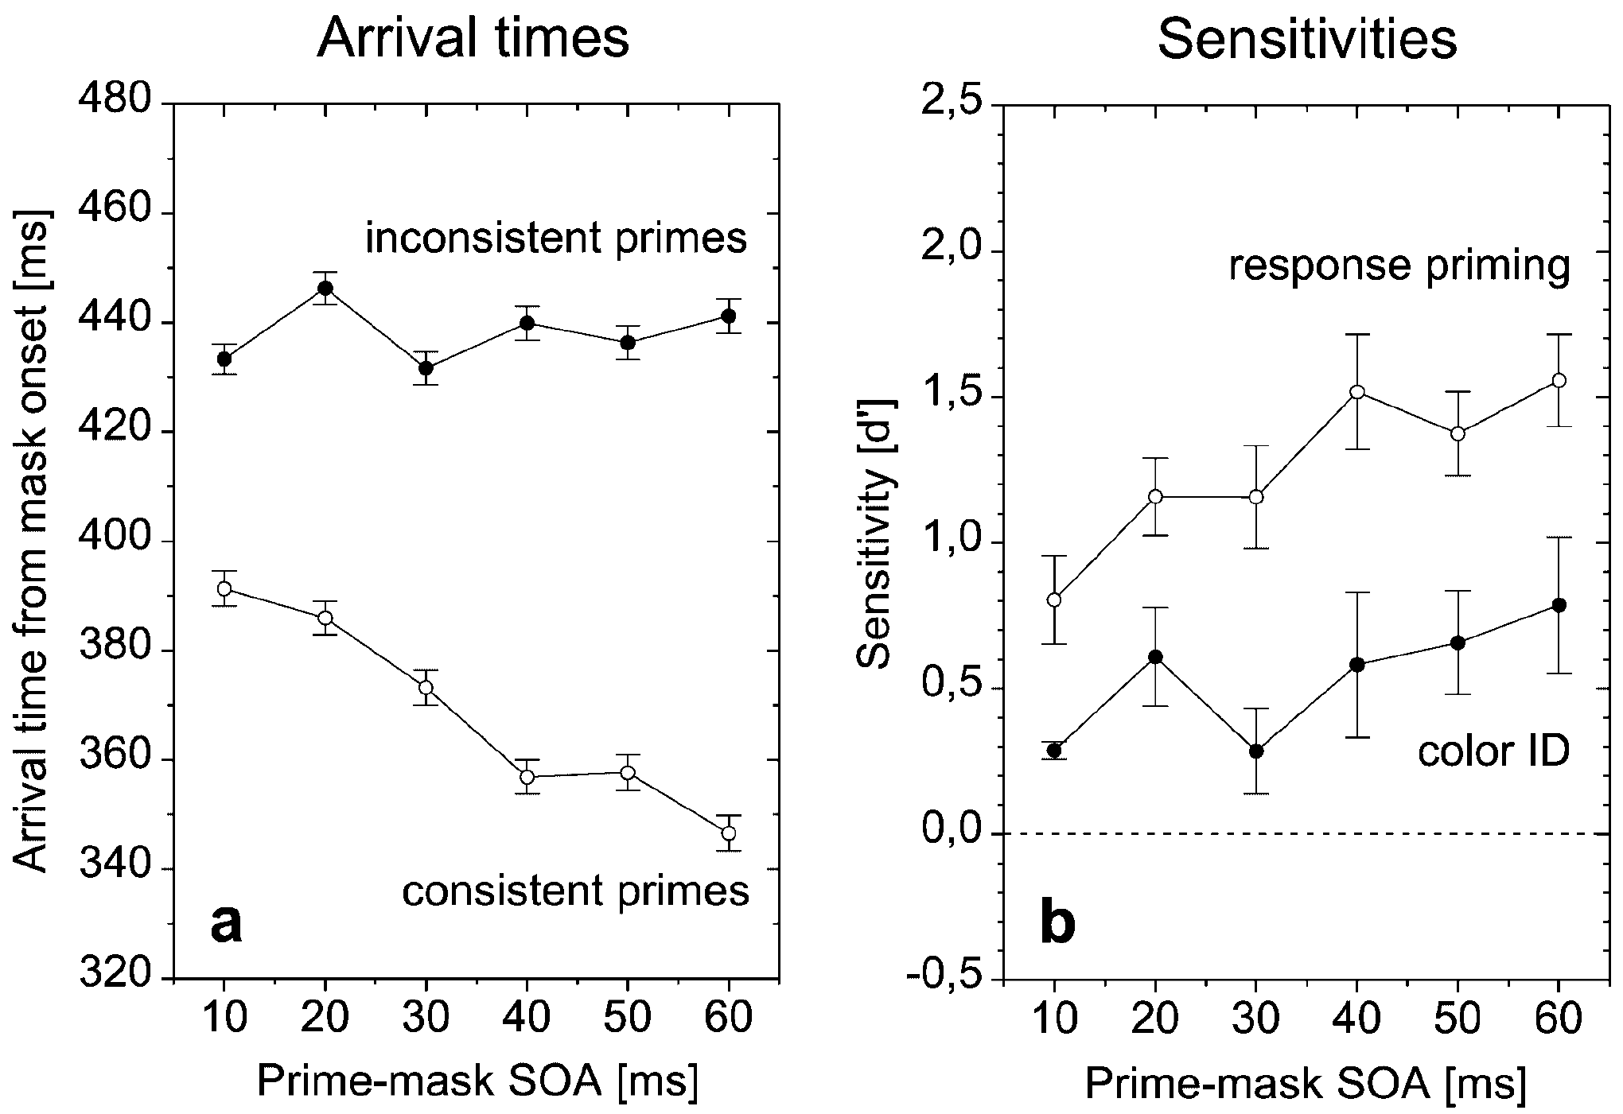
Cressman, E. K., Franks, I. M., Enns, J. T., & Chua, R. (2007) | On-line control of pointing is modified by unseen visual shapes | Stylus on tablet | Meta contrast masking Prime: arrow pointing left/right/neutral Target/mask: big arrow pointing left/right/neutral Task: Reach the side indicated by the target. | Response priming? Motor priming? Perceptual priming? | Movment time Amount of errors Correcting movement onset - when subject changed direction from center square to one of the targets. Correcting movement length correcting movement velocity | MT - congruent < neutral < incongruent Errors - When a neutral prime preceded a directional mask subjects were less successful in correcting their movement and avoiding the center square. Correcting movment onset - earlier in congruent primes. Correcting movement length - larger for incongruent primes. Correcting movemnt velocity - larger for incongruent primes. |  |  |  | Task 1: choose mask direction, with keyboard. Task 2: choose mask direction, with reaching. Task 3: Choose prime direction, with keyboard. Can compare RT in task 1 to MT in task 2. Could also use correcting movement parameters. | 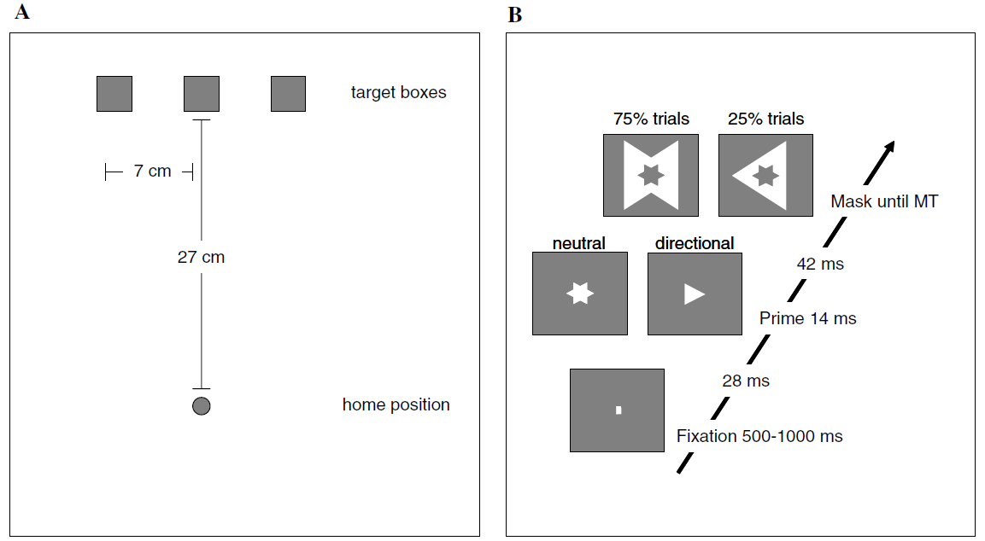
Moher, J., & Song, J. H. (2019) | A comparison of simple movement behaviors across three different devices | Reach tracking Mouse tracking Stylus on tablet | Reach correction Subject reaches to a dot, in some trials dot changes location and subject corrects movement accordignly. | Motor goal updating | Onset delay Movement time Curvature - max deviation / optimal path length Peak speed Correctin letancy - time from new target to redirection of movement. Lateral accelaration | Onset delay - Slower for stylus. Movement time - Fastest for reaching. Curvature - Biggest for reaching. Peak speed - Biggest for reaching. Correction latency - reeach < mouse < stylus Lateral accelaration - Reach > mouse > stylus |  |  |  |  | 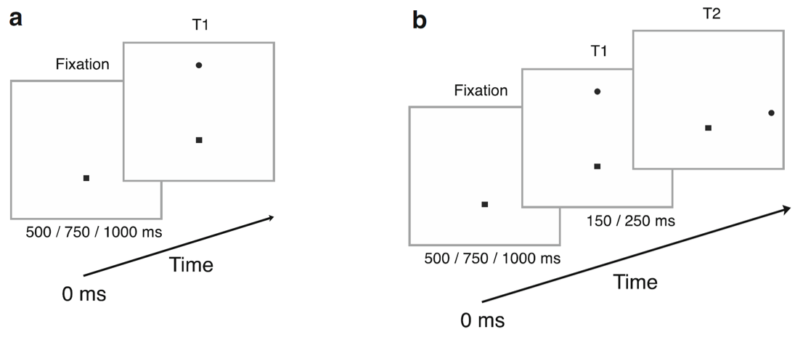
Scherbaum, S., & Kieslich, P. J. (2018) | Stuck at the starting line: How the starting procedure influences mouse-tracking data | Mouse tracking | Simon task Target: Number on left/right side of screen. In original exp target apears after movement onset (dynamic). In this exp the target apears, sub waits 200ms and than responds (static). Task: rate as bigger / smaller than 5 by clicking the box on the appropriate side of the screen. | Cognitive effect on motor planning | Discrete: RT Avg deviation - from optimal path. Continues: It is complicated I preferred not to spend time since it seemed irelevant | RT - no diff between conds. Avg deviation - bigger for dynamic.
Xiao, K., & Yamauchi, T. (2017) | The role of attention in subliminal semantic processing: A mouse tracking study | Mouse tracking | Masked priming, cued/uncued Prime: digit Target: digit Task: is target bigger than 5? Click correct answer. Prime task: is prime bigger than 5? Click correct answer. Separate trials for prime task and target task. Some trails had cue before they began in order to capture attention. | Response priming? | AUC | AUC - bigger for incongruent trials.
Xiao, K., & Yamauchi, T. (2015) | Subliminal semantic priming in near absence of attention: A cursor motion study | Mouse tracking | Masked priming, cued/uncued Prime: digit Target: digit Task: is target bigger than 5? Click correct answer. Prime task: is prime bigger than 5? Click correct answer. Separate trials for prime task and target task. Some trails had cue before they began in order to capture attention. | Response priming? | AUC Trajectory distance - length of whole trjectory. Movement time Onset time Functional data analysis - normalzied, smoothed with B-spline, averaged across trials. Compared x-pos between in/congruent. | AUC - bigger for incongruent trials. Same on congruent cued and uncued trials but biggest on incongruent cued trials, pehaps attention facilitates the conflict between prime and target. TD - Longer in incongruent trials. Longest on incongruent attended trials. MT - Longer for incongruent. Longer for uncued trials. Onset time - shorter for uncued congruent trilas. FDA - Diff in x-pos between congruent and incongruent in early part of traj. |  |  |  |  | 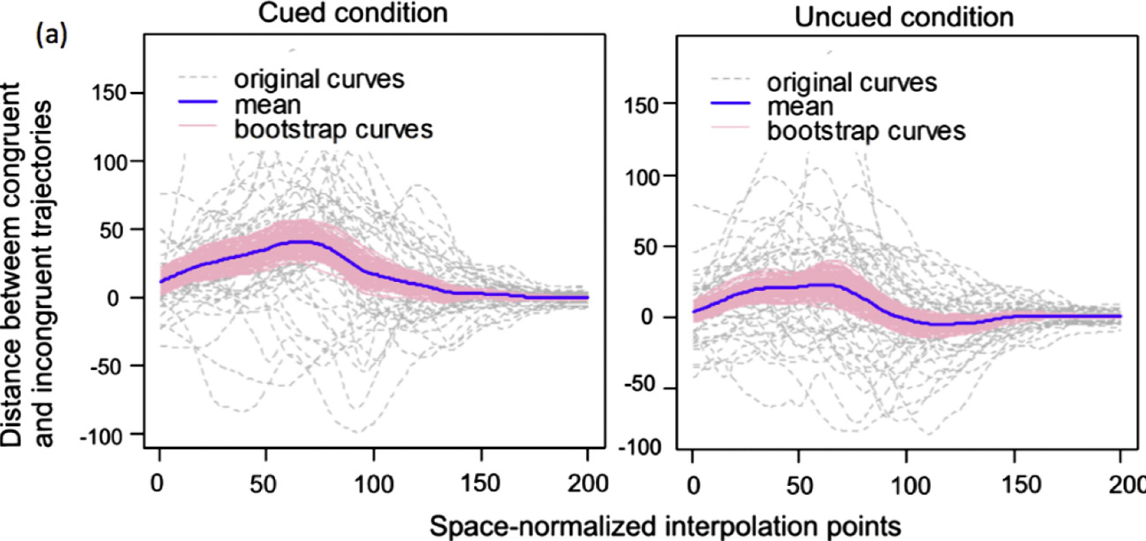
Xiao, K., & Yamauchi, T. (2014) | Semantic priming revealed by mouse movement trajectories | Mouse tracking | Masked priming Prime: positive/negative image, SOA = 20-150ms Target: pair of digits ("3/5", "3/3", "5/5", "5/3"). Task: digits are identical? | Semantic priming Emotional priming | RT AUC | RT - Longer for incongruent trials. AUC - Bigger for incongruent trials. | AUC: incongruent (M = 0.73, SD = 0.39) congruent (M = 0.67, SD = 0.35) F(1, 366) = 54.76, MSE = 0.61 t = √F = 7.4 | Masking Prime: positive/negative image. Target: pair of digits ("3/5", "3/3", "5/5", "5/3"). Prime-task: Recognize prime. Separate from main task. Used mouse tracking | Priming effect = larger AUC for incongruent trials. Priming exists also in subs that didn't see the prime (d'=0). No correlation between d' and priming effect. When analyzing same/diff trials seperatly: same - priming effect found only in SOA = 20,50,100. diff - priming effect found only in SOA = 50. | Uses mouse tracking to identify semantic priming. Exp's weakness: Can the connection between "positive" images and "same" response be considerd semantic? Isn't it emotional priming? d' in prime task was above 0 for many subs, indicating they saw the prime. Don't check absolute value of d' (check correlation with main task instead). Only 96 trials in the awareness test. Awareness test is seperate from main task. Didn't use a subjective measure.
Xiao, K., Yamauchi, T., & Bowman, C. (2015) | Assessing Masked Semantic Priming: Cursor Trajectory versus Response Time Measures | Mouse tracking + Keyboard | Masked priming Prime: positive/negative image. Target: pair of digits ("3/5", "3/3", "5/5", "5/3"). Task: are digits identical? Some answered with mouse tracking, others with keyboard. | Semantic priming Emotional priming | Keyboard RT AUC | Keyboard RT - Longer for incongruent trials (barely significant). AUC - Bigger for incongruent trials. Greater effect size for AUC. |  | Masking Prime: positive/negative image. Target: pair of digits ("3/5", "3/3", "5/5", "5/3"). Prime-task: Recognize prime. Separate from main task. | AUC: Priming exists for subs that didn't see the prime (d'=0) No correlation between d' and priming. RT: Priming doesn't exist for subs that didn't see the prime (d'=0). No correlation between d' and priming effect. | Compare semantic priming effect between keyboard (RT) and mouse tracking (AUC). Exp's weakness: Can the connection between "positive" images and "same" response be considerd semantic? Isn't it emotional priming? d' in prime task was above 0 for many subs, indicating they saw the prime. Don't check absolute value of d' (check correlation with main task instead). Only 96 trials in the awareness test. Awareness test is seperate from main task. Didn't use a subjective measure.
Kang, S. H., Eglington, L. G., & Yap, M. J. (2018) | Forward versus backward semantic priming: What movement dynamics during lexical decision reveal | Mouse tracking | Conscious priming Prime: word Target: word Task: Lexical decision on target (word/non-word) Prime could be related / not related to target. Semantic relation between target and prime could be forawrd / backward / symmetrical priming. | Conscious semantic priming | RT Traj - Calc dist from "unrelated" traj, compare between forward, backward, symmetrical. | RT - Shorter for related primes. Shorter for equivalent realation than forward/backward. Traj - Larger diff for symmetrical relations. Forward priming's effect starts earlier, then symmetrical and lastly backward primig.
Kawakami, N., & Miura, E. (2019) | Exp 1 in : Tracking hand movements captures the response dynamics of the evaluative priming effect | Mouse tracking | Conscious priming Prime: positive/negative word Target: positive/negative words related to persons/objects Task: evaluation - is word positive/negative. semantic - is word related to person/object. half of sub did evaluation task and half | Response priming? | AUC Onset time RT | AUC - Bigger for incongruent trials only in evaluative task. RT - Longer for incongruent trials only in evaluative task.
Kawakami, N., & Miura, E. (2019) | Exp 2 in : Tracking hand movements captures the response dynamics of the evaluative priming effect | Mouse tracking | Conscious priming Prime: positive/negative word Target: positive/negative words related to persons/objects Task: evaluation - is word positive/negative. semantic - is word related to person/object. Each sub did both tasks, some blocks had 75% evaluation tasks, and some had 75% semantic task. | Response priming? | AUC Onset time RT | AUC - Bigger for incongruent trials in the "evaluation task" in an "evalutaion" block. RT - 75% "evaluation" task, rt was faster for the evaluation task. 75% "semantic" task, rt was faster for the semantic task. Congruent "evaluation" trials were faster than incongruent, but only when 75% of the trials were "evaluation" task. In that block, congruent evaluation trials were faster regardless if the current trial was an "evaluation" trial or a "semantic" trial. Onset time - in the semantic block, onset was shorter for congruent trials.

