PersonalIncome
 | Fiscal Year being reported |  | Internal Use only. Used to indicate when the data was entered.
County | FiscalYear | PersonalIncome | DataDate
Charleston | 2018-06-30 | 21,121,645 | 2017-06-30
Fairfield | 2018-06-30 | 788,342 | 2017-06-30
Greenville | 2018-06-30 | 22,094,260 | 2017-06-30
Orangeburg | 2018-06-30 | 2,775,554 | 2017-06-30
York | 2018-06-30 | 10,486,063 | 2017-06-30

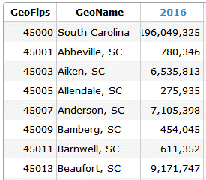
Source:
Personal Income | http://www.bea.gov/iTable/iTable.cfm?reqid=70&step=1&isuri=1&acrdn=7#reqid=70&step=30&isuri=1&7022=20&7023=7&7024=non-industry&7033=-1&7025=4&7026=xx&7027=2014&7001=720&7028=1&7031=45000&7040=-1&7083=levelGDP & s&7029=20&7090=70

Personal Income/Population
https://apps.bea.gov/regional/downloadzip.cfm

