Pivot Table 7
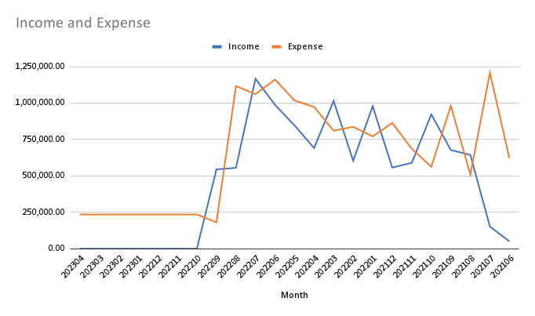
Month | 202304 | 202303 | 202302 | 202301 | 202212 | 202211 | 202210 | 202209 | 202208 | 202207 | 202206 | 202205 | 202204 | 202203 | 202202 | 202201 | 202112 | 202111 | 202110 | 202109 | 202108 | 202107 | 202106 |  | Grand Total
Income | 0.00 | 0.00 | 0.00 | 0.00 | 0.00 | 0.00 | 0.00 | 544,500.00 | 555,400.00 | 1,167,000.00 | 987,500.00 | 846,500.00 | 691,500.00 | 1,014,900.00 | 604,000.00 | 978,000.00 | 557,000.00 | 589,750.00 | 922,500.00 | 677,500.00 | 644,000.00 | 152,000.00 | 50,000.00 | 207,500.00 | 11,189,550.00
Expense | 235,000.00 | 235,000.00 | 235,000.00 | 235,000.00 | 235,000.00 | 235,000.00 | 235,000.00 | 181,000.00 | 1,116,700.00 | 1,061,925.00 | 1,161,700.00 | 1,017,500.00 | 973,600.00 | 810,040.00 | 836,682.00 | 770,900.00 | 863,450.00 | 686,150.00 | 562,250.00 | 981,200.00 | 509,400.00 | 1,207,900.00 | 620,550.00 | 200,000.00 | 15,205,947.00
Profit | (235,000.00) | (235,000.00) | (235,000.00) | (235,000.00) | (235,000.00) | (235,000.00) | (235,000.00) | 363,500.00 | (561,300.00) | 105,075.00 | (174,200.00) | (171,000.00) | (282,100.00) | 204,860.00 | (232,682.00) | 207,100.00 | (306,450.00) | (96,400.00) | 360,250.00 | (303,700.00) | 134,600.00 | (1,055,900.00) | (570,550.00) | 7,500.00 | (4,016,397.00)

