Sheet1
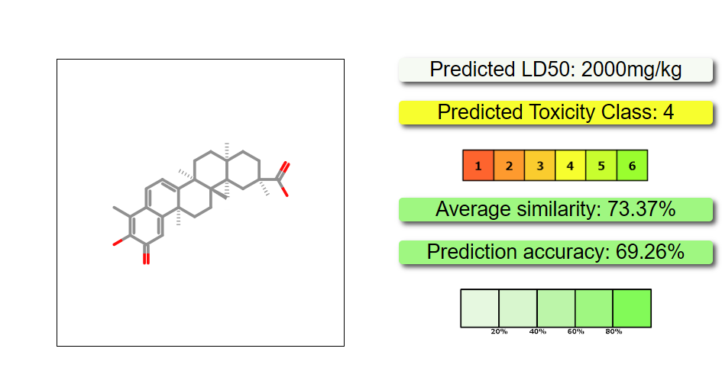
ProTox-3.0 - Prediction of TOXicity of chemicals

Classification | Target | Prediction | Probability
Organ toxicity | Neurotoxicity | Inactive | 0.92
Tox21-Stress response pathways | Nuclear factor (erythroid-derived 2)-like 2/antioxidant responsive element (nrf2/ARE) | Inactive | 0.55
Tox21-Stress response pathways | Heat shock factor response element (HSE) | Inactive | 0.55
Tox21-Stress response pathways | Mitochondrial Membrane Potential (MMP) | Inactive | 0.75
Molecular Initiating Events | Ryanodine receptor (RYR) | Inactive | 0.81
Molecular Initiating Events | GABA receptor (GABAR) | Inactive | 0.50
Molecular Initiating Events | Glutamate N-methyl-D-aspartate receptor (NMDAR) | Inactive | 0.99
Molecular Initiating Events | alpha-amino-3-hydroxy-5-methyl-4-isoxazolepropionate receptor (AMPAR) | Inactive | 1.0
Molecular Initiating Events | Kainate receptor (KAR) | Inactive | 1.0
Molecular Initiating Events | Achetylcholinesterase (AChE) | Inactive | 0.81
Molecular Initiating Events | Voltage gated sodium channel (VGSC) | Inactive | 0.97

ProTox-3.0 - Prediction of TOXicity of chemicals

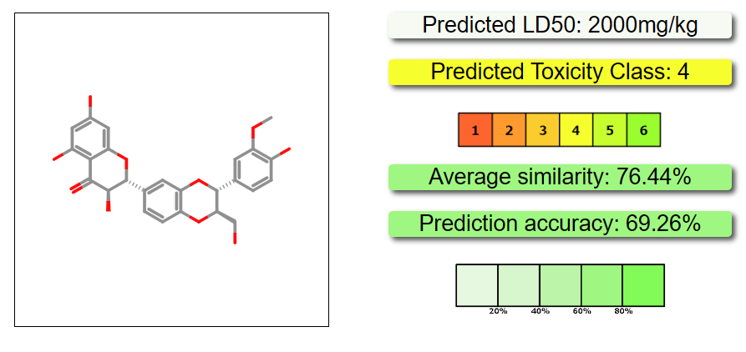
Classification | Target | Prediction | Probability
Organ toxicity | Neurotoxicity | Inactive | 0.87
Tox21-Stress response pathways | Nuclear factor (erythroid-derived 2)-like 2/antioxidant responsive element (nrf2/ARE) | Inactive | 0.92
Tox21-Stress response pathways | Heat shock factor response element (HSE) | Inactive | 0.92
Tox21-Stress response pathways | Mitochondrial Membrane Potential (MMP) | Inactive | 0.73
Molecular Initiating Events | Ryanodine receptor (RYR) | Inactive | 0.98
Molecular Initiating Events | GABA receptor (GABAR) | Inactive | 0.96
Molecular Initiating Events | Glutamate N-methyl-D-aspartate receptor (NMDAR) | Inactive | 0.92
Molecular Initiating Events | alpha-amino-3-hydroxy-5-methyl-4-isoxazolepropionate receptor (AMPAR) | Inactive | 0.97
Molecular Initiating Events | Kainate receptor (KAR) | Inactive | 0.99
Molecular Initiating Events | Achetylcholinesterase (AChE) | Inactive | 0.78
Molecular Initiating Events | Voltage gated sodium channel (VGSC) | Inactive | 0.95

ProTox-3.0 - Prediction of TOXicity of chemicals
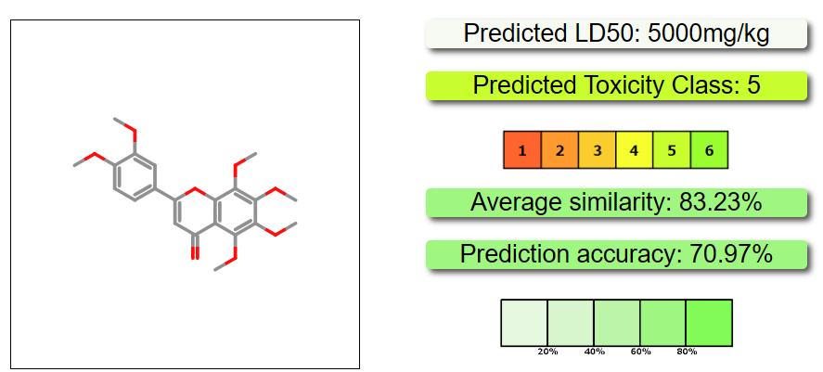
Classification | Target | Prediction | Probability
Organ toxicity | Neurotoxicity | Inactive | 0.74
Tox21-Stress response pathways | Nuclear factor (erythroid-derived 2)-like 2/antioxidant responsive element (nrf2/ARE) | Inactive | 0.91
Tox21-Stress response pathways | Heat shock factor response element (HSE) | Inactive | 0.91
Tox21-Stress response pathways | Mitochondrial Membrane Potential (MMP) | Active | 0.60
Molecular Initiating Events | Ryanodine receptor (RYR) | Inactive | 0.94
Molecular Initiating Events | GABA receptor (GABAR) | Active | 0.60
Molecular Initiating Events | Glutamate N-methyl-D-aspartate receptor (NMDAR) | Inactive | 1.0
Molecular Initiating Events | alpha-amino-3-hydroxy-5-methyl-4-isoxazolepropionate receptor (AMPAR) | Inactive | 1.0
Molecular Initiating Events | Kainate receptor (KAR) | Inactive | 1.0
Molecular Initiating Events | Achetylcholinesterase (AChE) | Inactive | 0.62
Molecular Initiating Events | Voltage gated sodium channel (VGSC) | Inactive | 0.88

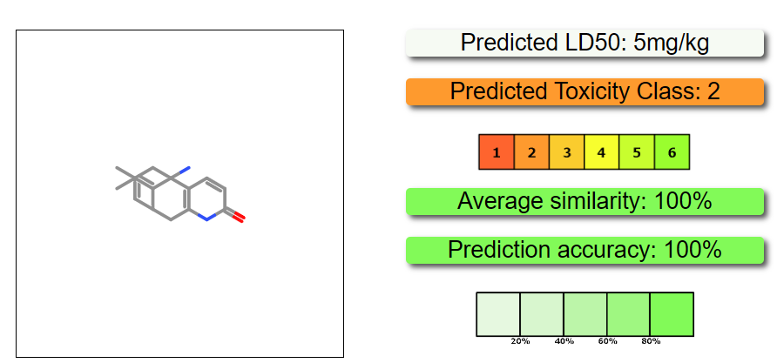
ProTox-3.0 - Prediction of TOXicity of chemicals

Classification | Target | Prediction | Probability
Organ toxicity | Neurotoxicity | Active | 0.58
Tox21-Stress response pathways | Nuclear factor (erythroid-derived 2)-like 2/antioxidant responsive element (nrf2/ARE) | Inactive | 0.98
Tox21-Stress response pathways | Heat shock factor response element (HSE) | Inactive | 0.98
Tox21-Stress response pathways | Mitochondrial Membrane Potential (MMP) | Inactive | 0.91
Molecular Initiating Events | Ryanodine receptor (RYR) | Inactive | 0.87
Molecular Initiating Events | GABA receptor (GABAR) | Inactive | 0.62
Molecular Initiating Events | Glutamate N-methyl-D-aspartate receptor (NMDAR) | Inactive | 0.88
Molecular Initiating Events | alpha-amino-3-hydroxy-5-methyl-4-isoxazolepropionate receptor (AMPAR) | Inactive | 0.99
Molecular Initiating Events | Kainate receptor (KAR) | Inactive | 0.99
Molecular Initiating Events | Achetylcholinesterase (AChE) | Active | 0.97
Molecular Initiating Events | Voltage gated sodium channel (VGSC) | Inactive | 0.77

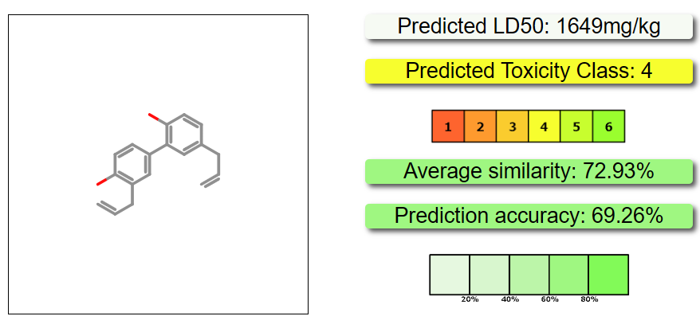
ProTox-3.0 - Prediction of TOXicity of chemicals

Classification | Target | Prediction | Probability
Organ toxicity | Neurotoxicity | Inactive | 0.53
Tox21-Stress response pathways | Nuclear factor (erythroid-derived 2)-like 2/antioxidant responsive element (nrf2/ARE) | Inactive | 0.83
Tox21-Stress response pathways | Heat shock factor response element (HSE) | Inactive | 0.83
Tox21-Stress response pathways | Mitochondrial Membrane Potential (MMP) | Active | 0.94
Molecular Initiating Events | Ryanodine receptor (RYR) | Inactive | 0.98
Molecular Initiating Events | GABA receptor (GABAR) | Active | 0.59
Molecular Initiating Events | Glutamate N-methyl-D-aspartate receptor (NMDAR) | Inactive | 0.99
Molecular Initiating Events | alpha-amino-3-hydroxy-5-methyl-4-isoxazolepropionate receptor (AMPAR) | Inactive | 1.0
Molecular Initiating Events | Kainate receptor (KAR) | Inactive | 1.0
Molecular Initiating Events | Achetylcholinesterase (AChE) | Inactive | 0.89
Molecular Initiating Events | Voltage gated sodium channel (VGSC) | Inactive | 0.95

ProTox-3.0 - Prediction of TOXicity of chemicals
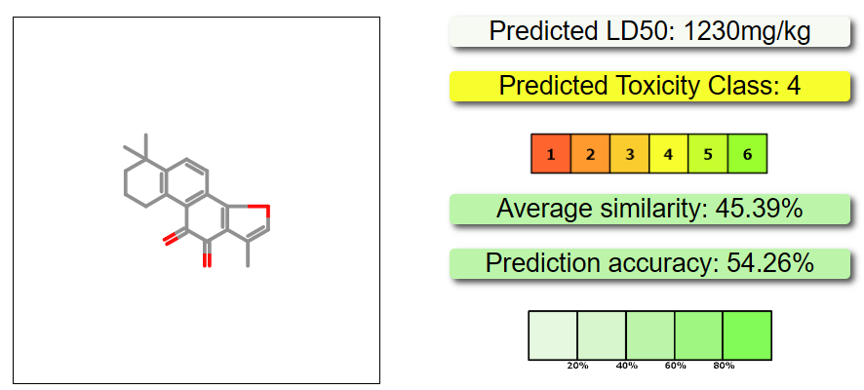
Classification | Target | Prediction | Probability
Organ toxicity | Neurotoxicity | Inactive | 0.73
Tox21-Stress response pathways | Nuclear factor (erythroid-derived 2)-like 2/antioxidant responsive element (nrf2/ARE) | Inactive | 0.89
Tox21-Stress response pathways | Heat shock factor response element (HSE) | Inactive | 0.89
Tox21-Stress response pathways | Mitochondrial Membrane Potential (MMP) | Active | 0.54
Molecular Initiating Events | Ryanodine receptor (RYR) | Inactive | 0.85
Molecular Initiating Events | GABA receptor (GABAR) | Active | 0.59
Molecular Initiating Events | Glutamate N-methyl-D-aspartate receptor (NMDAR) | Inactive | 0.98
Molecular Initiating Events | alpha-amino-3-hydroxy-5-methyl-4-isoxazolepropionate receptor (AMPAR) | Inactive | 1.0
Molecular Initiating Events | Kainate receptor (KAR) | Inactive | 1.0
Molecular Initiating Events | Achetylcholinesterase (AChE) | Inactive | 0.77
Molecular Initiating Events | Voltage gated sodium channel (VGSC) | Inactive | 0.94

ProTox-3.0 - Prediction of TOXicity of chemicals
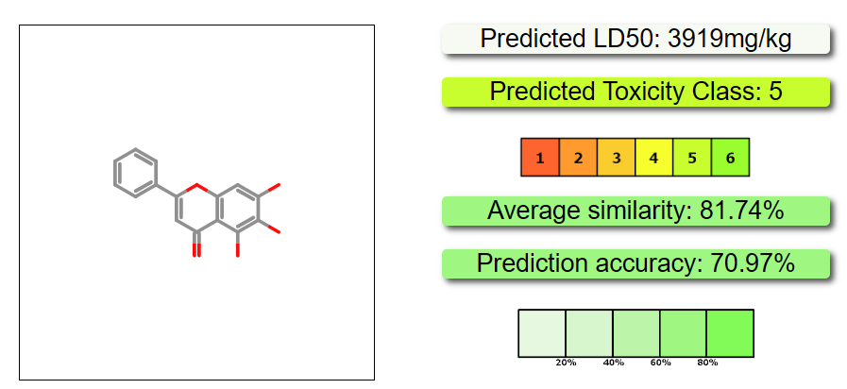
Classification | Target | Prediction | Probability
Organ toxicity | Neurotoxicity | Inactive | 0.89
Tox21-Stress response pathways | Nuclear factor (erythroid-derived 2)-like 2/antioxidant responsive element (nrf2/ARE) | Inactive | 0.99
Tox21-Stress response pathways | Heat shock factor response element (HSE) | Inactive | 0.99
Tox21-Stress response pathways | Mitochondrial Membrane Potential (MMP) | Active | 1.0
Molecular Initiating Events | Ryanodine receptor (RYR) | Inactive | 0.90
Molecular Initiating Events | GABA receptor (GABAR) | Inactive | 0.54
Molecular Initiating Events | Glutamate N-methyl-D-aspartate receptor (NMDAR) | Inactive | 0.99
Molecular Initiating Events | alpha-amino-3-hydroxy-5-methyl-4-isoxazolepropionate receptor (AMPAR) | Inactive | 1.0
Molecular Initiating Events | Kainate receptor (KAR) | Inactive | 1.0
Molecular Initiating Events | Achetylcholinesterase (AChE) | Active | 0.51
Molecular Initiating Events | Voltage gated sodium channel (VGSC) | Inactive | 0.95

ProTox-3.0 - Prediction of TOXicity of chemicals
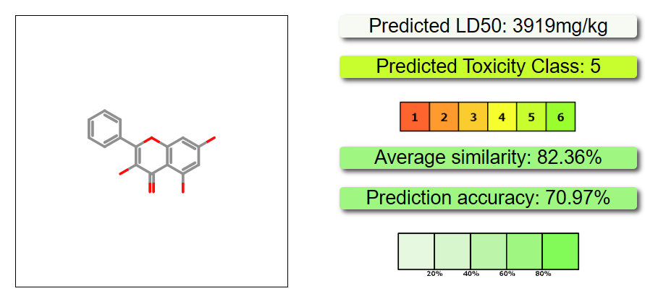
Classification | Target | Prediction | Probability
Organ toxicity | Neurotoxicity | Inactive | 0.89
Tox21-Stress response pathways | Nuclear factor (erythroid-derived 2)-like 2/antioxidant responsive element (nrf2/ARE) | Inactive | 0.99
Tox21-Stress response pathways | Heat shock factor response element (HSE) | Inactive | 0.99
Tox21-Stress response pathways | Mitochondrial Membrane Potential (MMP) | Active | 1.0
Molecular Initiating Events | Ryanodine receptor (RYR) | Inactive | 0.91
Molecular Initiating Events | GABA receptor (GABAR) | Active | 0.57
Molecular Initiating Events | Glutamate N-methyl-D-aspartate receptor (NMDAR) | Inactive | 0.99
Molecular Initiating Events | alpha-amino-3-hydroxy-5-methyl-4-isoxazolepropionate receptor (AMPAR) | Inactive | 1.0
Molecular Initiating Events | Kainate receptor (KAR) | Inactive | 1.0
Molecular Initiating Events | Achetylcholinesterase (AChE) | Active | 0.52
Molecular Initiating Events | Voltage gated sodium channel (VGSC) | Inactive | 0.96

ProTox-3.0 - Prediction of TOXicity of chemicals
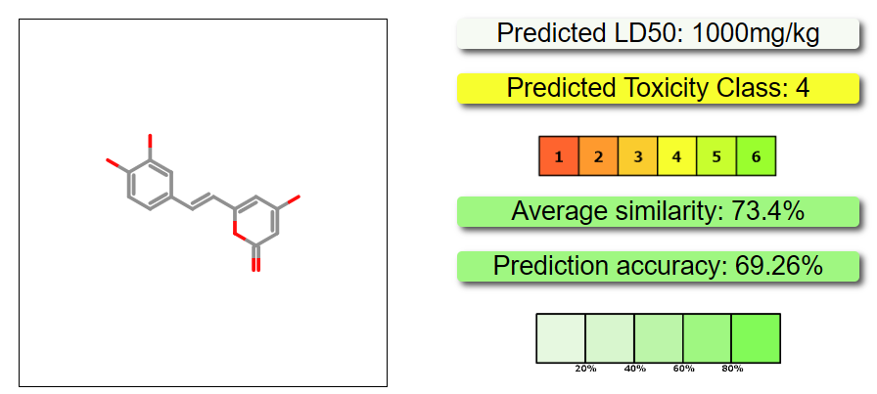
Classification | Target | Prediction | Probability
Organ toxicity | Neurotoxicity | Inactive | 0.86
Tox21-Stress response pathways | Nuclear factor (erythroid-derived 2)-like 2/antioxidant responsive element (nrf2/ARE) | Inactive | 0.96
Tox21-Stress response pathways | Heat shock factor response element (HSE) | Inactive | 0.96
Tox21-Stress response pathways | Mitochondrial Membrane Potential (MMP) | Inactive | 0.90
Molecular Initiating Events | Ryanodine receptor (RYR) | Inactive | 0.94
Molecular Initiating Events | GABA receptor (GABAR) | Inactive | 0.77
Molecular Initiating Events | Glutamate N-methyl-D-aspartate receptor (NMDAR) | Inactive | 0.98
Molecular Initiating Events | alpha-amino-3-hydroxy-5-methyl-4-isoxazolepropionate receptor (AMPAR) | Inactive | 0.99
Molecular Initiating Events | Kainate receptor (KAR) | Inactive | 1.0
Molecular Initiating Events | Achetylcholinesterase (AChE) | Inactive | 0.81
Molecular Initiating Events | Voltage gated sodium channel (VGSC) | Inactive | 0.97

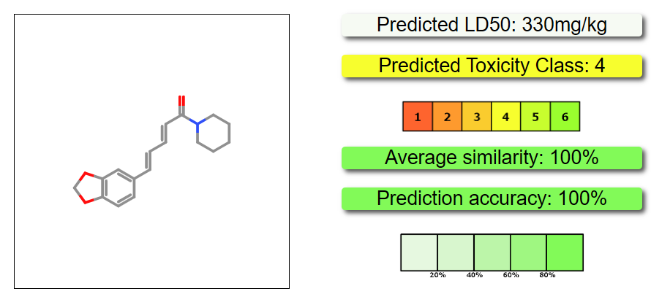
ProTox-3.0 - Prediction of TOXicity of chemicals

Classification | Target | Prediction | Probability
Organ toxicity | Neurotoxicity | Active | 0.66
Tox21-Stress response pathways | Nuclear factor (erythroid-derived 2)-like 2/antioxidant responsive element (nrf2/ARE) | Inactive | 0.96
Tox21-Stress response pathways | Heat shock factor response element (HSE) | Inactive | 0.96
Tox21-Stress response pathways | Mitochondrial Membrane Potential (MMP) | Inactive | 0.95
Molecular Initiating Events | Ryanodine receptor (RYR) | Inactive | 0.98
Molecular Initiating Events | GABA receptor (GABAR) | Inactive | 0.96
Molecular Initiating Events | Glutamate N-methyl-D-aspartate receptor (NMDAR) | Inactive | 0.92
Molecular Initiating Events | alpha-amino-3-hydroxy-5-methyl-4-isoxazolepropionate receptor (AMPAR) | Inactive | 0.97
Molecular Initiating Events | Kainate receptor (KAR) | Inactive | 0.99
Molecular Initiating Events | Achetylcholinesterase (AChE) | Inactive | 0.91
Molecular Initiating Events | Voltage gated sodium channel (VGSC) | Inactive | 0.95

