class
myBlockCode
mLst | stmt list
mPath

if [else]
if elseif [else]
if (cndLst.count = blockLst.count) if no else

myStmt |  |  |  | if stmt
mCndLst | list of cnd stmt |  |  | mCndLst | list of cnd
mBlockLst |  |  |  | mBlockLst | list of block
stmtIf
mType |  |  |  | sw stmt
mLst | token list |  |  | mCndLst | (varxxx)
 |  |  |  | mBlockLst | caseBlock

 |  |  |  | caseBlock | list of case stmt
 |  |  |  | caseStmt | mCndLst | Const list CONSTXX
 |  |  |  |  | mBlockLst | block

myFuncCode
mLines | collection of lineCode object
mName

myLineCode
mNo
mTxt

parse function
 | functionObj
 | set blockCode.path
 | set stmt.type: if, sw
evaluation | eval each stmt in block
 | set stmt.Type: static, declare
 | evalStmt
 | set stmt.Type: assign
graph
 | crt graphObj
grid | arange node dict
 | d2: cell dict
draw
 | connect child to inport
 | [in/out][n] - [src/des][n]

myGraph
mVarDict | var name - node |  | (in/out/tmp node)
 | version info |  | x=x+1
mDict | id - node

myGraphBuilder
refineGraph | set in/out
convNode | set const/operXXX

myEvaluator
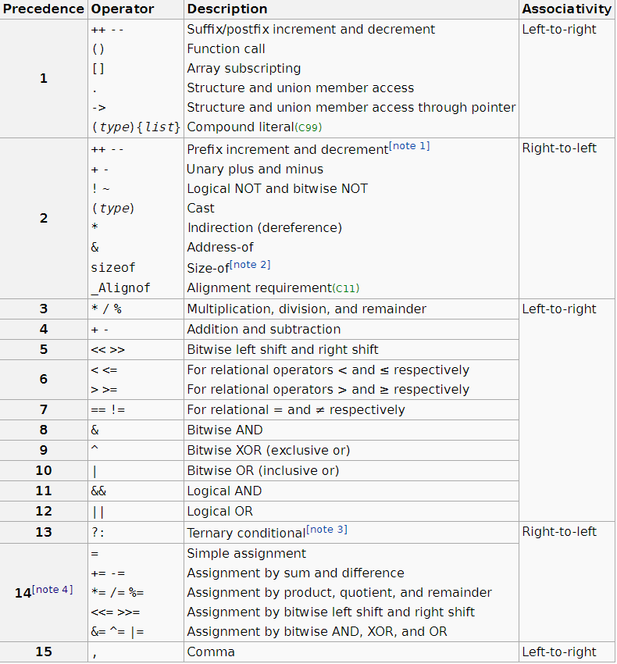

myEvalNode
 | mName | in/out var
 | mId | uniq id
 | mOrder | for oper
 | mOper | for oper | typecast: "uint8"

graph
suported | not supported
x++; | y = x++;
 | y = ++x;

merge ctx
in1
out1

in2
out2

add out

in1
out1
in1
xxx (add)
xxx_out2 (add)

in2
out2
yyy (add)
yyy_out1 (add)

in2

add in
in1
out1
in1

in2
out1
in2 (add)

bind

in1
bind_in1
tmp_out1

refine

src
temp_node
des

des [i]

parse
if/else
if() { } else if () { } else { }
if
(...)
{
}
other

else

{...}
else ->if

sw/case
other
break
switch
(...)
{
case ...
}

switch ( var )
{
case XXX:
...
break;
case Y1:
case Y2:
break;
default:
...
break;
}
case ...
case ...

#if

