Head
Java OJT Group Project
(Online Veterinary Pharmacy)

ER Daigram
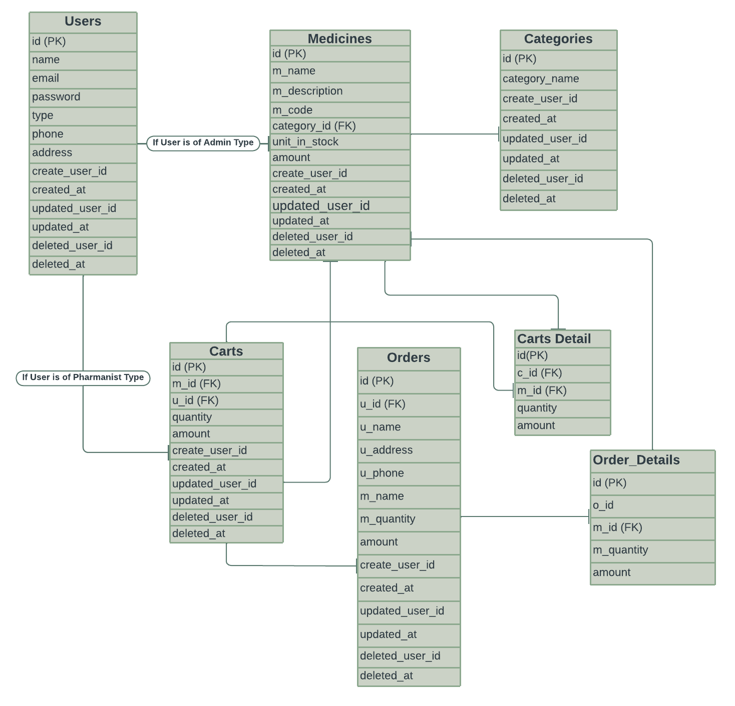
ER Daigram

Transitions
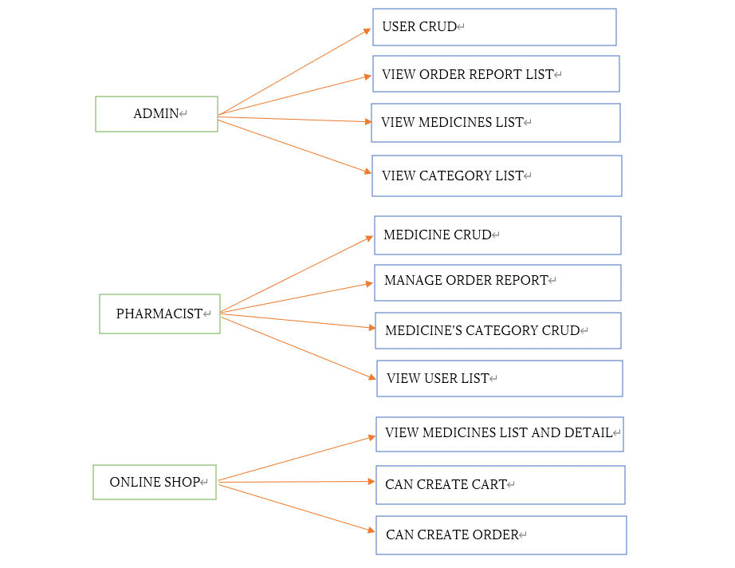
Transition Diagram

Login
 | Login

1
Email
Enter Email

Password
2
Enter Passwrod

3
Login

4
Forgot Passoword?
Create Account?
5

Validation Message
When inputs may be blank.
When email input with invalid input.

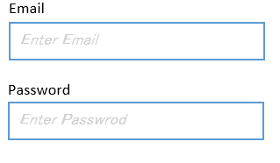
123abcd
Email is required
Invalid email format

Password is required

Error Alert Messages
When user email is not exist in database.
When user password is incorrect.

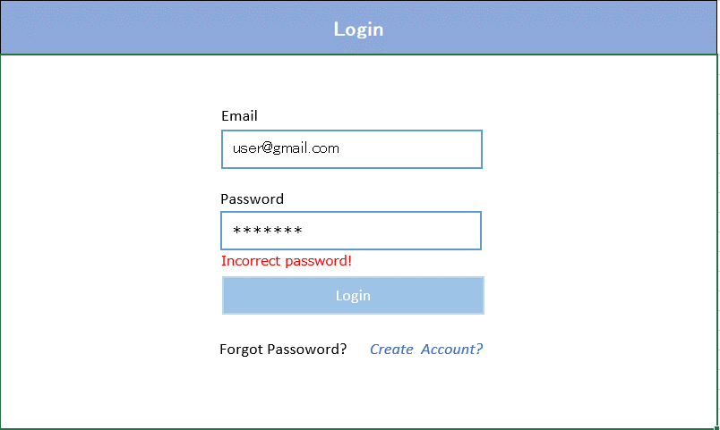
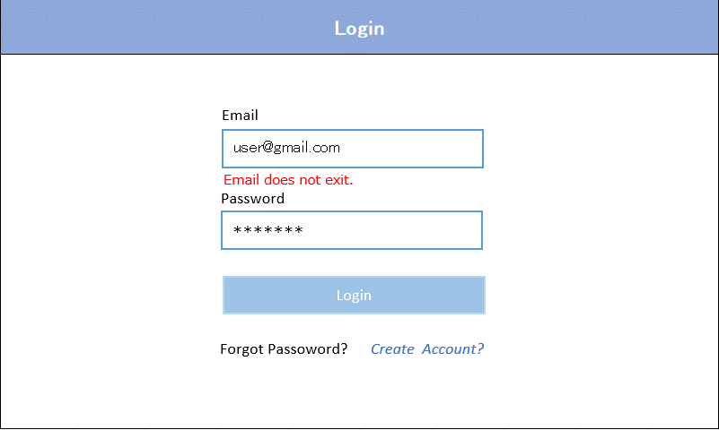

№ | Name | Type | Tab IDX | I/O | single item check |  |  | initial value | DB (CRUD) |  | Remarks
 |  |  |  |  | Required | Digits
 |  |  |  |  |  | Min | Max |  | Table Name | Column Name
1 | Email Address | Textbox |  | I | 〇 |  | 50 |  |  |  | Check Email Format.
2 | Password | Textbox |  | I | 〇 | 6 | 20 |  |  |  | Check Regex Pattern.
3 | Login | Button |  | O |  |  |  |  |  |  | Check validation and it is ok , login and display medicine list page. If it has error, show error message in this screen, If it is correctly login, Login User detail is stored in session.
4 | Forgot Password | Link |  | O |  |  |  |  |  |  | Go to reset password page
5 | Create Account | Link |  | O |  |  |  |  |  |  | Go to user register page

HeaderLayout
Users | Medicines | Order Report | About
Mg Mg
6

1
2
3
4
5
Mg Mg
Profile
Logout

7

8

№ | Name | Type | Tab IDX | I/O | 単項目チェック |  |  | 初期値 | DB (CRUD) |  | Remarks
 |  |  |  |  | Required | Digits
 |  |  |  |  |  | Min | Max |  | Table Name | Column Name
1 |  | Link |  | O |  |  |  |  |  |  | Redirect to home page (Medicine list)
2 | Users | Link |  | O |  |  |  |  |  |  | Go to user lists page and show all users from database
3 | Medicines | Link |  | O |  |  |  |  |  |  | Go to medicine lists page and show as followings - after login with admin, show all posts that are not deleted - after login with user, show all posts that are not deleted - before login, show all posts that have status 1
4 | Order Report | Link |  | O |  |  |  |  | orders |  | Go to order list and show user ordered today.
5 | admin/user | Link |  | O |  |  |  |  | users | name | Show current login user name from database and click on name , show dropdown menu
6 | Profile | Link |  | O |  |  |  |  |  |  | Go to profile page of login user
7 | Logout | Link |  | O |  |  |  |  |  |  | Logout

FooterLayout
Seattle Consulting Myanmar
1
Copyright ©Seattle Consulting Myanmar Co., Ltd. All rights reserved.
2

№ | Name | Type | Tab IDX | I/O | single item check |  |  | initial value | DB (CRUD) |  | Remarks
 |  |  |  |  | Required | Digits
 |  |  |  |  |  | Min | Max |  | Table Name | Column Name
1 | Seattle Consulting Myanmar | Link |  | O |  |  |  |  |  |  | Go to :(http://seattleconsultingmyanmar.com/)
2 | Copyright © Seattle Consulting Myanmar Co., Ltd. All rights reserved. | Label |  | O |  |  |  |  |  |  | Just a label.

User Register
Register Form

Name*
1
Enter name

Email*
2
Enter email

Phone No*
3
Enter phone number

Date Of Birth*
4
dd/mm/yyyy

Address
5

Password*
6
Enter password

Register
Cancel

7
8

Validation Message
When click register button, while name, email, phone no, date of birth and password are blanked.
When email and phone no with invalid input.

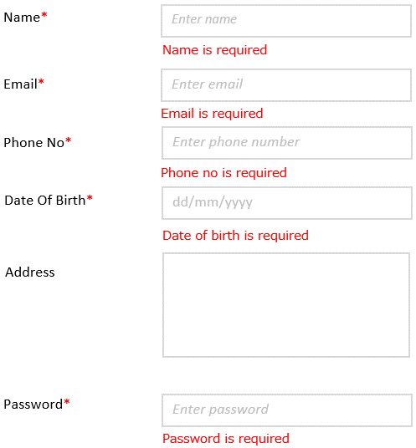

№ | Name | Type | Tab IDX | I/O | 単項目チェック |  |  | 初期値 | DB (CRUD) |  | Remarks
 |  |  |  |  | Required | Digits
 |  |  |  |  |  | Min | Max |  | Table Name | Column Name
1 | Name | Textbox |  | I | 〇 |  |  |  |  |  | User's Name
2 | Email | Textbox |  | I | 〇 |  | 50 |  |  |  | User's Email Address
3 | Phone no | Textbox |  | I | 〇 |  |  |  |  |  | Users's Phone
4 | Date of Birth | Date Picker |  | I | 〇 |  |  |  |  |  | User's Birthdate
5 | Address | Text Area |  | I | 〇 |  |  |  |  |  | User's Address
6 | Password | Textbox |  | I | 〇 | 6 | 20 |  |  |  | User's Password
7 | Register | Button |  |  |  |  |  |  |  |  | Go to Confirm User Page
8 | Cancel | Button |  |  |  |  |  |  |  |  | Clear All User Information

User Confirm
Register Confrim Form

Name*
1
Mg Mg

Email*
2
mgmg@gamil.com

Phone No*
3
09-781822221

Date Of Birth*
4
01/01/2022

Address
5
Yangon, Myanmar.

Password*
6
*******

Confirm
Cancel

7
8

Register User Type is User
Display home page with only Medicines, About, User Name functions.

Users | Medicines | Order Report | About
Mg Mg

№ | Name | Type | Tab IDX | I/O | 単項目チェック |  |  | 初期値 | DB (CRUD) |  | Remarks
 |  |  |  |  | Required | Digits
 |  |  |  |  |  | Min | Max |  | Table Name | Column Name
1 | Name | Textbox |  | I |  |  |  |  |  |  | Name from Register User Page
2 | Email | Textbox |  | I |  |  |  |  |  |  | Email from Register User Page
6 | Phone No | Textbox |  | I |  |  |  |  |  |  | Phone from Register User Page
7 | Date of Birth | Date Picker |  | I |  |  |  |  |  |  | Date of Birth from Register User Page
8 | Address | Text Area |  | I |  |  |  |  |  |  | Address from Register User Page
3 | Password | Textbox |  | I |  |  |  |  |  |  | Password from Register User Page
10 | Confirm | Button |  |  |  |  |  |  |  |  | If error, go to Register User Page with previous filled value else save user to database
11 | Cancel | Button |  |  |  |  |  |  |  |  | Go back to Register Page with previous filled input value

User Edit Form
User Edit Form

Name*
1
Mg Mg

Email*
2
mg@gmail.com

Phone No*
3
097818361111

Date Of Birth*
4
01/03/2022

Address
5
Yangon, Myanmar.

Password*
6
******

Edit
Cancel

7
8

Validation Message
When click Edit button, while one of them(name, email, phone no, date of birth or password) is blanked.
When email and phone no with invalid input.

№ | Name | Type | Tab IDX | I/O | 単項目チェック |  |  | 初期値 | DB (CRUD) |  | Remarks
 |  |  |  |  | Required | Digits
 |  |  |  |  |  | Min | Max |  | Table Name | Column Name
1 | Name | Textbox |  | I | 〇 |  |  |  |  |  | Name from users table
2 | Email | Textbox |  | I | 〇 |  | 50 |  |  |  | Email Address from users table
3 | Phone no | Textbox |  | I | 〇 |  |  |  |  |  | Phone from users table
4 | Date of Birth | Date Picker |  | I | 〇 |  |  |  |  |  | Birthdate from users table
5 | Address | Text Area |  | I | 〇 |  |  |  |  |  | Address from users table
6 | Password | Textbox |  | I | 〇 | 6 | 20 |  |  |  | Password from users table
7 | Register | Button |  |  |  |  |  |  |  |  | Go to Confirm User Edit Page from users table
8 | Cancel | Button |  |  |  |  |  |  |  |  | Clear All User Information from users table

Confirm User Edit Form
Confirm User Edit Form

Name*
1
Mg Mg

Email*
2
mgmg@gmail.com

Phone No*
3
0978182221

Date Of Birth*
4
01/02/2022

Address
5
Yangon, Myanmar.

Password*
6
******

Confirm
Cancel

7
8

Success Message
When click confirm button, display success message in user list page.

Successfully Updated

№ | Name | Type | Tab IDX | I/O | 単項目チェック |  |  | 初期値 | DB (CRUD) |  | Remarks
 |  |  |  |  | Required | Digits
 |  |  |  |  |  | Min | Max |  | Table Name | Column Name
1 | Name | Textbox |  | I |  |  |  |  |  |  | Name from User Edit Page
2 | Email | Textbox |  | I |  |  |  |  |  |  | Email from Register User Edit Page
6 | Phone No | Textbox |  | I |  |  |  |  |  |  | Phone from Register User Edit Page
7 | Date of Birth | Date Picker |  | I |  |  |  |  |  |  | Date of Birth from Register User Edit Page
8 | Address | Text Area |  | I |  |  |  |  |  |  | Address from Register User Edit Page
3 | Password | Textbox |  | I |  |  |  |  |  |  | Password from Register User Edit Page
10 | Confirm | Button |  |  |  |  |  |  |  |  | If error, go to User Edit Page with previous filled value else edit user to database
11 | Cancel | Button |  |  |  |  |  |  |  |  | Go back to User Edit Page with previous filled input value

Medicine List(Admin)
3
4
5

10
1
2
6
7
8
9
11
12

15
13
14

16

1
......
5

 | When Login user Type is Admin

 | Display all medicines list.

 | In Search

 | Get the keyword from text box and search from medicine table using name and category match with the keywork.

 | When the keyword is blank, Display all medicine list.(without deleted medicine)

 | When search result has empty. Display any message result can not find for any medicines.

№ | Name | Type | Tab IDX | I/O | 単項目チェック |  |  | 初期値 | DB (CRUD) |  | Remarks
 |  |  |  |  | Required | Digits
 |  |  |  |  |  | Min | Max |  | Table Name | Column Name
1 | Keyword | Textbox |  | I | × |  |  |  | medicines | name,category
2 | Search | Button |  | O |  |  |  |  |  |  | get keyword and search from post table using title,description
3 | Create Medicine | Button |  | O |  |  |  |  |  |  | Go to create medicine page
4 | Upload | Button |  | O |  |  |  |  |  |  | Go to upload upload medicine page
5 | Dolwnload | Button |  | O |  |  |  |  | medicines |  | Download medicine list with xlsx format from post table
6 | Code | Label |  | O |  |  |  |  | medicines | m_code | Bind code of medicines table in datatable
7 | Name | Label |  | O |  |  |  |  | medicines | m_name | Bind name of medicines table in datatable
8 | Description | Label |  | O |  |  |  |  | medicines | m_description | Bind description of users table in datatable
9 | Category | Label |  | O |  |  |  |  | categories | category_id | Bind category name of medicines table in datatable
10 | Price | Label |  | O |  |  |  |  | medicines | price | Bind price of medicines table in datatable
11 | Unit In Stock | Label |  | O |  |  |  |  | medicines | unit_in_stock | Bind unit In stock of medicines table in datatable
12 | Created At | lable |  | O |  |  |  |  |  | created_at | Bind created date of medicines table in datatable
13 | Edit | Button |  | O |  |  |  |  |  |  | Show edit post button
14 | Delete | Button |  | O |  |  |  |  |  |  | Show delete comfirm modal
15 | Medicine Name | Llink |  | O |  |  |  |  |  |  | Show post detail modal
16 | Pagination | Link |  | O |  |  |  |  |  |  | Show Pagination

Medicine List(User)
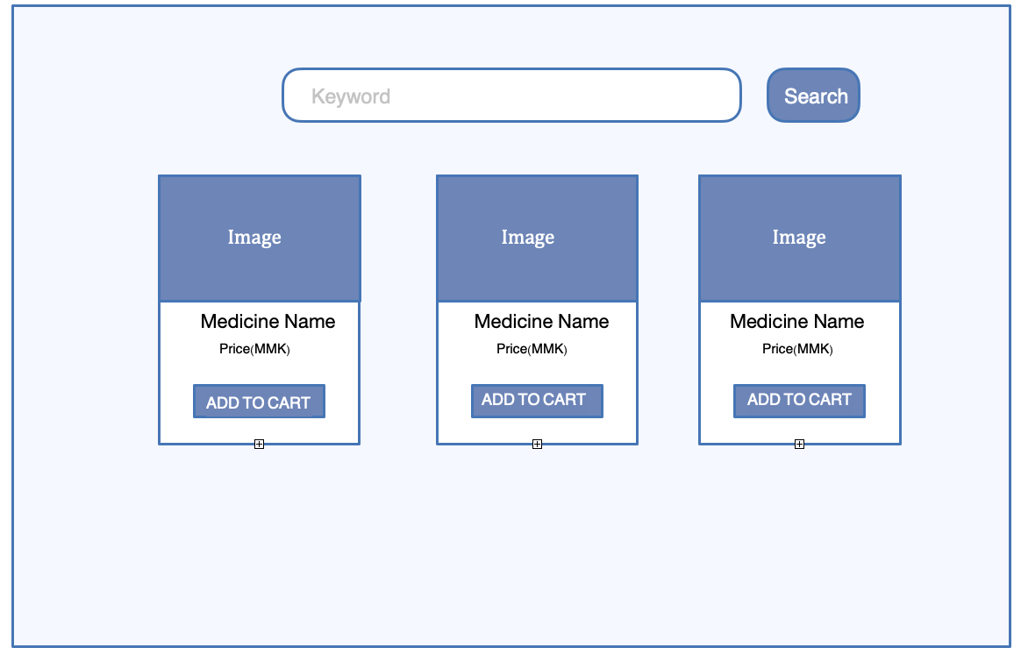
1
2

3
6
4

5

1
......
5
7

 | When Login user Type is User

 | Display all medicines list.

 | In Search

 | Get the keyword from text box and search from medicine table using name and category match with the keywork.

 | When the keyword is blank, Display all medicine list.(without deleted medicine)

 | When search result has empty. Display any message result can not find for any medicines.

№ | Name | Type | Tab IDX | I/O | 単項目チェック |  |  | 初期値 | DB (CRUD) |  | Remarks
 |  |  |  |  | Required | Digits
 |  |  |  |  |  | Min | Max |  | Table Name | Column Name
1 | Keyword | Textbox |  | I | × |  |  |  | medicines
2 | Search | Button |  | O |  |  |  |  |  |  | get keyword and search from medicine table using name
3 | Medicine Name | Label |  | O |  |  |  |  | medicines |  | Bind name of medicines table in datatable
4 | Price | Label |  | O |  |  |  |  | medicines |  | Bind price of medicines table in datatable
5 | ADD TO CART | Button |  | O |  |  |  |  |  |  | Add product to cart
6 | Medicine Name | Link |  | O |  |  |  |  | medicines |  | Go to medicine detail page
7 | Pagination | Link |  | O |  |  |  |  |  |  | Show pagination

User List

1
2
4
5
6
7
8
9
10
3
11
12
13
1
......
5

 | When Login user Type is Admin

 | Admin can search with keyword, edit, delete and dowload in users list.

№ | Name | Type | Tab IDX | I/O | 単項目チェック |  |  | 初期値 | DB (CRUD) |  | Remarks
 |  |  |  |  | Required | Digits
 |  |  |  |  |  | Min | Max |  | Table Name | Column Name
1 | keyword | Textbox |  | I | × |  |  |  | medicines |  | Enter User's name keyword
2 | Search | Button |  |  |  |  |  |  |  |  | get keyword from search input box and
3 | No | Label |  | O |  |  |  |  |  |  | ID of User
4 | Name | Label |  | O |  |  |  |  | users | id | Name of User
5 | Email | Label |  | O |  |  |  |  | users | username | Email of User
6 | Phone | Label |  | O |  |  |  |  | users | email | Phone of User
7 | Address | Label |  | O |  |  |  |  | users | phone | Address of User
8 | Type | Label |  | O |  |  |  |  | users | Address | Type of User (Admin or User)
9 | Registered Date | Label |  | O |  |  |  |  | users | type | Created Date of User
10 | Action | Label |  | O |  |  |  |  | users | created_at | Label for actions
11 | Edit | Button |  |  |  |  |  |  |  |  | Edit user with specific user id
12 | Delete | Button |  |  |  |  |  |  |  |  | Delete user with specific user id
13 | pagination | Link |  |  |  |  |  |  |  |  | paginate user with specific paginate value eg.(5,10)

Create Medicine Form
Create Medicine Form

Medicine name*
Enter medicine name
1

Description*
2
Enter description

Code number*
3
Enter medicine code

Category name*
4
Select Category

Unit in stock*
5
Enter unit in stock

Price*
6
Enter Price

Photo
7
Image Upload

Create
Cancel

8
9

Validation Message
When click create button, while medicine name, description, code number , category name, unit in stock and price are blanked.

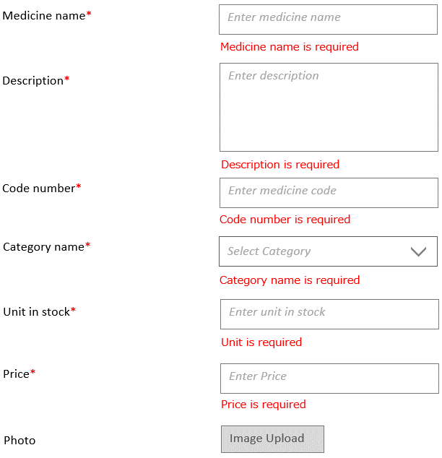

№ | Name | Type | Tab IDX | I/O | 単項目チェック |  |  | 初期値 | DB (CRUD) |  | Remarks
 |  |  |  |  | Required | Digits
 |  |  |  |  |  | Min | Max |  | Table Name | Column Name
1 | Medicine Name | Textbox |  | I | 〇 |  |  |  |  |  | Medicine's Name
2 | Description | Textbox |  | I | 〇 |  |  |  |  |  | Medicine's description
3 | Code Number | Textbox |  | I | 〇 |  |  |  |  |  | Medicine's code number
4 | Category Name | Dropdown |  | I | 〇 |  |  |  |  |  | Medicine's Categories
5 | Unit in stock | Textbox |  | I | 〇 |  |  |  |  |  | Medicine's unit in stock
6 | Price | Date Picker |  | I | 〇 |  |  |  |  |  | Medicine's price
7 | Photo | File |  | I | × |  | 2 mb |  |  |  | Medicine's Image
8 | Create | Button |  |  |  |  |  |  |  |  | Go to Confirm Medicine Page
9 | Cancel | Button |  |  |  |  |  |  |  |  | Clear All Medicine Information

Medicine Confirm
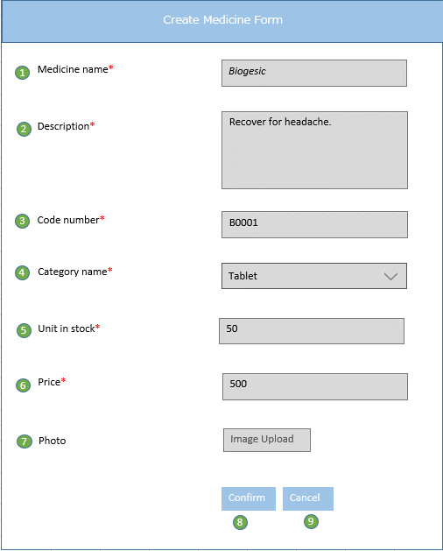
Medicine Confirm Form

Success Message
When click confirm button, display success message in medicine list page.

Successfully created

№ | Name | Type | Tab IDX | I/O | 単項目チェック |  |  | 初期値 | DB (CRUD) |  | Remarks
 |  |  |  |  | Required | Digits
 |  |  |  |  |  | Min | Max |  | Table Name | Column Name
1 | Medicine Name | Textbox |  | I |  |  |  |  |  |  | Medicine name from create medicine form.
2 | Description | Textbox |  | I |  |  |  |  |  |  | Medicine description from create medicine form.
3 | Code Number | Textbox |  | I |  |  |  |  |  |  | Medicine code number from create medicine form.
4 | Category Name | Dropdown |  | I |  |  |  |  |  |  | Medicine category name from create medicine form.
5 | Unit in stock | Textbox |  | I |  |  |  |  |  |  | Medicine unit in stock from create medicine form.
6 | Price | Date Picker |  | I |  |  |  |  |  |  | Medicine price from create medicine form.
7 | Photo | File |  | I |  |  |  |  |  |  | Medicine photo from create medicine form.
8 | Create | Button |  |  |  |  |  |  |  |  | If error, go to Create Medicine Page with previous filled value else save medicine to database
9 | Cancel | Button |  |  |  |  |  |  |  |  | Go back to Create Medicine Page with previous filled input value

Edit Medicine Form
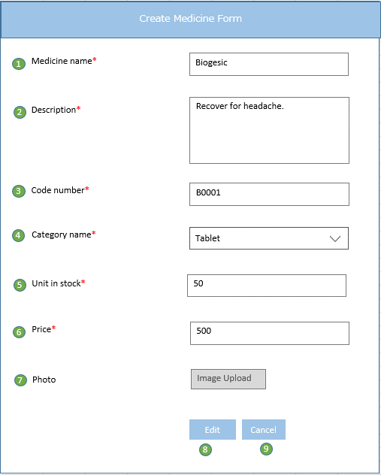
Edit Medicine Form

Validation Message
When click edit button, while one of input field or not selected( medicine name, description, code number, category name, unit in stock and price) is blanked.

№ | Name | Type | Tab IDX | I/O | 単項目チェック |  |  | 初期値 | DB (CRUD) |  | Remarks
 |  |  |  |  | Required | Digits
 |  |  |  |  |  | Min | Max |  | Table Name | Column Name
1 | Medicine Name | Textbox |  | I | 〇 |  |  |  |  |  | Medicine Name from medicine table
2 | Description | Textbox |  | I | 〇 |  |  |  |  |  | Medicine Description from medicine table
3 | Code Number | Textbox |  | I | 〇 |  |  |  |  |  | Medicine Code Number from medicine table
4 | Category Name | Dropdown |  | I | 〇 |  |  |  |  |  | Medicine Category Name from medicine table
5 | Unit in stock | Textbox |  | I | 〇 |  |  |  |  |  | Medicine Unit in stock from medicine table
6 | Price | Date Picker |  | I | 〇 |  |  |  |  |  | Medicine Price from medicine table
7 | Photo | File |  | I | × |  | 2 mb |  |  |  | Medicine Photo from medicine table
8 | Edit | Button |  |  |  |  |  |  |  |  | Go to Confirm Edit Medicine Page
9 | Cancel | Button |  |  |  |  |  |  |  |  | Go to Medicine list Page

Edit Medicine Confirm
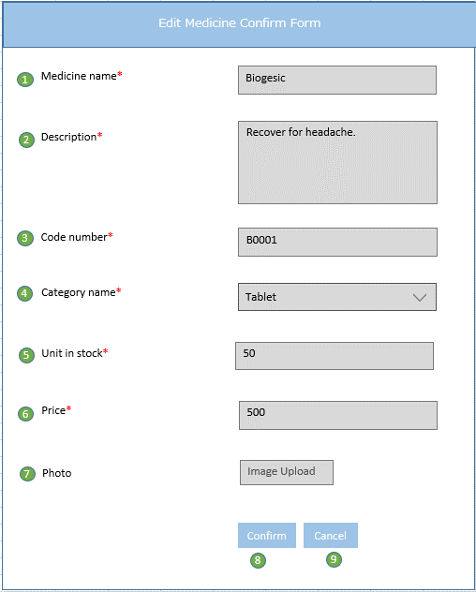

Success Message
When click confirm button, display success message in medicine list page.

Successfully updated

№ | Name | Type | Tab IDX | I/O | 単項目チェック |  |  | 初期値 | DB (CRUD) |  | Remarks
 |  |  |  |  | Required | Digits
 |  |  |  |  |  | Min | Max |  | Table Name | Column Name
1 | Medicine Name | Textbox |  | I |  |  |  |  |  |  | Medicine name from edit medicine form.
2 | Description | Textbox |  | I |  |  |  |  |  |  | Medicine description from edit medicine form.
3 | Code Number | Textbox |  | I |  |  |  |  |  |  | Medicine code number from edit medicine form.
4 | Category Name | Dropdown |  | I |  |  |  |  |  |  | Medicine category name from edit medicine form.
5 | Unit in stock | Textbox |  | I |  |  |  |  |  |  | Medicine unit in stock from edit medicine form.
6 | Price | Date Picker |  | I |  |  |  |  |  |  | Medicine price from edit medicine form.
7 | Photo | File |  | I |  |  |  |  |  |  | Medicine photo from edit medicine form.
8 | Create | Button |  |  |  |  |  |  |  |  | If error, go to Edit Medicine Page with previous filled value else update medicine to database
9 | Cancel | Button |  |  |  |  |  |  |  |  | Go back to Edit Medicine Page with previous filled input value

Medicine Detail
Medicine Detail

IMG
Category : Tablet
Medicine Name : NextGard
Price : 5000MMK

2
1
3
4

Description
In the curative domain there are various forms of medical practice. They may be thought of generally as forming a pyramidal structure, with three tiers representing increasing degrees of specialization and technical sophistication but catering to diminishing numbers of patients as they are filtered out of the system at a lower level.
5

6
7
Back
Add To Cart

 | When user type is Admin or User

 | Display medicine details of all products.

№ | Name | Type | Tab IDX | I/O | 単項目チェック |  |  | 初期値 | DB (CRUD) |  | Remarks
 |  |  |  |  | Required | Digits
 |  |  |  |  |  | Min | Max |  | Table Name | Column Name
1 | Image | Textbox |  | O |  |  |  |  | medicines | image | Bind image of medicines table in datatable
2 | Category | Textbox |  | O |  |  |  |  | categories | category_name | Bind category name of categories table in datatable
3 | Medicine Name | Textbox |  | O |  |  |  |  | medicines | m_name | Bind name of medicines table in datatable
4 | Price | Dropdown |  | O |  |  |  |  | medicines | price | Bind price of medicines table in datatable
5 | Description | Textbox |  | O |  |  |  |  | medicines | m_description | Bind description of medicines table in datatable
6 | BACK | Button |  | O |  |  |  |  |  |  | Go back to medicine list.
7 | ADD TO CART | Button |  | O |  |  |  |  |  |  | Add medicine to cart.

Cart
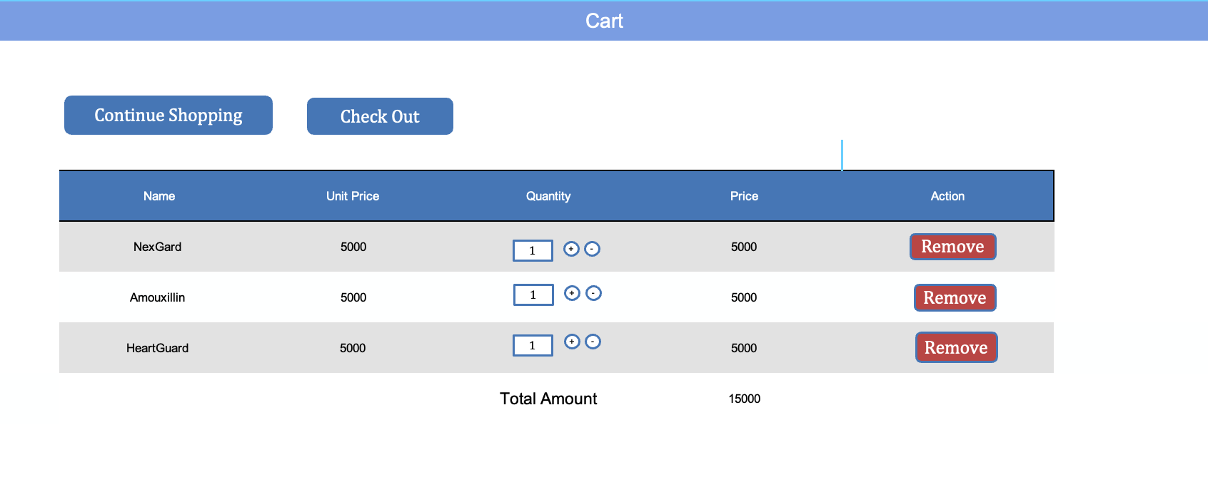

1
2

3
4
5
6
7

8

9

№ | Name | Type | Tab IDX | I/O | 単項目チェック |  |  | 初期値 | DB (CRUD) |  | Remarks
 |  |  |  |  | Required | Digits
 |  |  |  |  |  | Min | Max |  | Table Name | Column Name
1 | Continue Shopping Button | Button |  | O |  |  |  |  |  |  | Go medicine list page
2 | Checkout | Button |  | O |  |  |  |  |  |  | Go to order confirm page
3 | Name | Label |  | O |  |  |  |  | medicines | m_name | Bind name of medicines table in datatable
4 | Unit Price | Label |  | O |  |  |  |  | medicines | price | Bind price of medicines table in datatable
5 | Quantity | Label |  | O |  |  |  |  |  | quantity | Medicine unit in stock from edit medicine form.
6 | Price | Label |  | O |  |  |  |  |  |  | Calculate total amount of same items
7 | Action. | Label |  | O |  |  |  |  |  |  | Label for actions
8 | Remove | Button |  | O |  |  |  |  | medicines |  | Remove products from cart
9 | Total Amount | Label |  | O |  |  |  |  |  |  | Calculate grand total amount of all products in carts

Order List


2
1
3

4
5
6
7
8
9
11

10
12
13

1
......
5

14

№ | Name | Type | Tab IDX | I/O | 単項目チェック |  |  | 初期値 | DB (CRUD) |  | Remarks
 |  |  |  |  | Required | Digits
 |  |  |  |  |  | Min | Max |  | Table Name | Column Name
1 | Download | Button |  | O |  |  |  |  |  |  | Download order list as excel file
2 | Date | Textbox |  | O |  |  |  |  |  |  | Input date
3 | Search | Button |  | O |  |  |  |  |  |  | get keyword and search from order table using created date
4 | Customer Name | Label |  | O |  |  |  |  | users | username | Bind name of users table in datatable
5 | Medicine Name | Label |  | O |  |  |  |  | medicines | m_name | Bind name of medicines table in datatable
6 | Phone | Label |  | O |  |  |  |  | users | phone | Bind phone of users table in datatable
7 | Address | Label |  | O |  |  |  |  | users | address | Bind address of users table in datatable
8 | Ordered date | Label |  | O |  |  |  |  | orders | created_at | Bind created date of order from datatable
9 | Order Details | Label |  | O |  |  |  |  |  |  | Label for order detail link
10 | See Details | Link |  | O |  |  |  |  |  |  | Go to order detail page
11 | Actions. | Label |  | O |  |  |  |  |  |  | Label for actions
12 | Edit | Button |  | O |  |  |  |  |  |  | Edit orders
13 | Delete. | Button |  | O |  |  |  |  |  |  | Delete orders from order list
14 | Pagination | Link |  | O |  |  |  |  |  |  | Show pagination

Order Detail
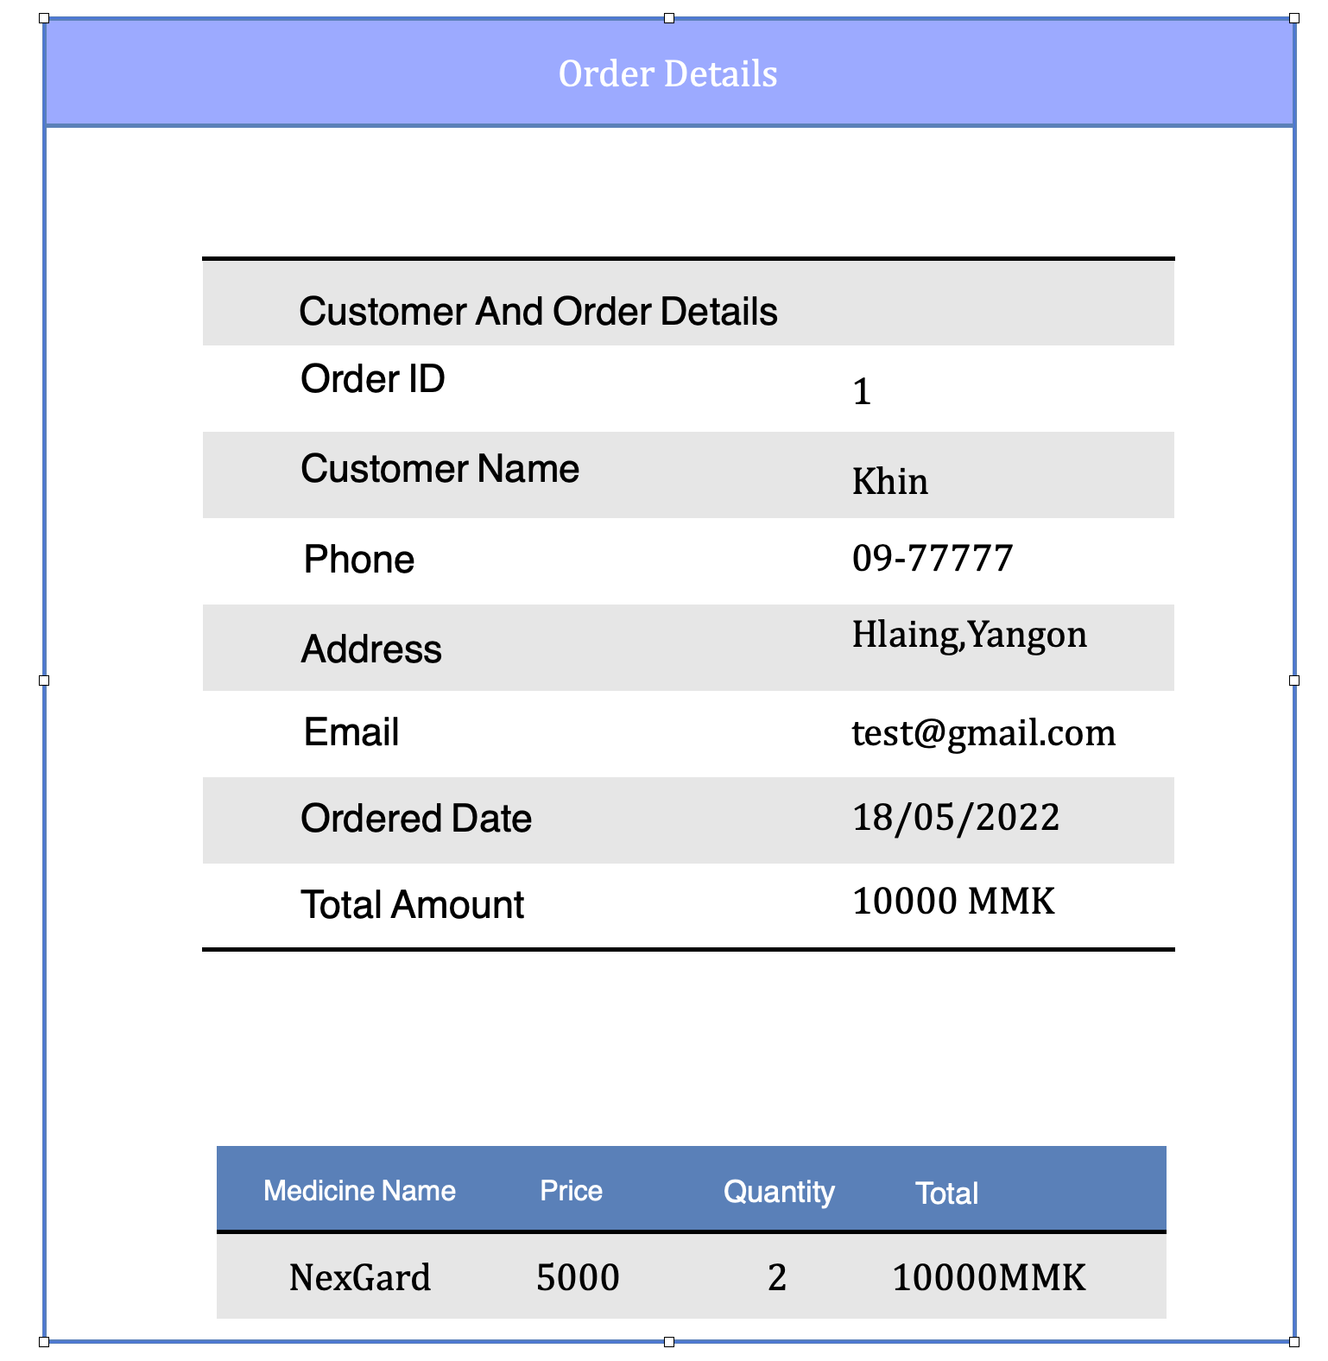

1

2

3

4

5

6

7

8
9
10
11

 | Order Details

 | When user type is Admin => When user type is User =>

 | Display order details of all orders in order list. Display order details of their order.

№ | Name | Type | Tab IDX | I/O | 単項目チェック |  |  | 初期値 | DB (CRUD) |  | Remarks
 |  |  |  |  | Required | Digits
 |  |  |  |  |  | Min | Max |  | Table Name | Column Name
1 | Order ID | Label |  | O |  |  |  |  | orders | id | Bind order id of orders table in datatable
2 | Customer Name | Label |  | O |  |  |  |  | users | username | Bind name of users table in datatable
3 | Phone | Label |  | O |  |  |  |  | users | phone | Bind phone of users table in datatable
4 | Address | Label |  | O |  |  |  |  | users | address | Bind address of users table in datatable
5 | Email | Label |  | O |  |  |  |  | users | email | Bind email of users table in datatable
6 | Ordered date | Label |  | O |  |  |  |  | orders | created_at | Bind created date of order from datatable
7 | Total Amount | Label |  | O |  |  |  |  | orders | amount | Bind total amount of order from datatable
8 | Medicine Name | Label |  | O |  |  |  |  | medicines | m_name | Bind name of medicines table in datatable
9 | Price | Label |  | O |  |  |  |  | medicines | price | Bind unit price of medicine from datatable
10 | Quantity. | Label |  | O |  |  |  |  | orders | m_quantity | Bind quantity of order from datatable
11 | Total | Label |  | O |  |  |  |  |  |  | Calculate of total of each item.

