1-3
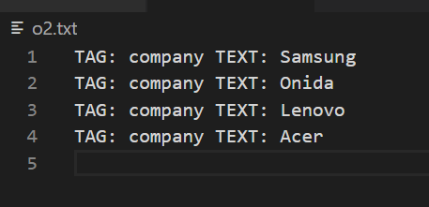
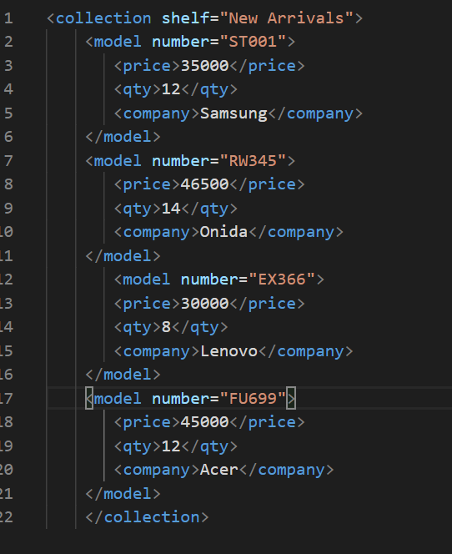
Put your test result reference here (screenshot, etc.)

 | python xmlextractor.py test2.xml price o2.txt
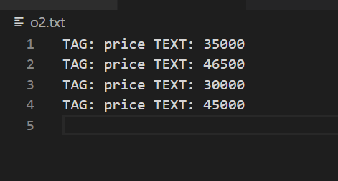

 | python xmlextractor.py test2.xml price o2.txt

4
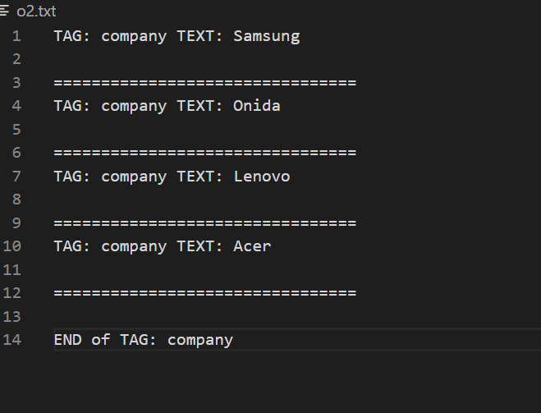
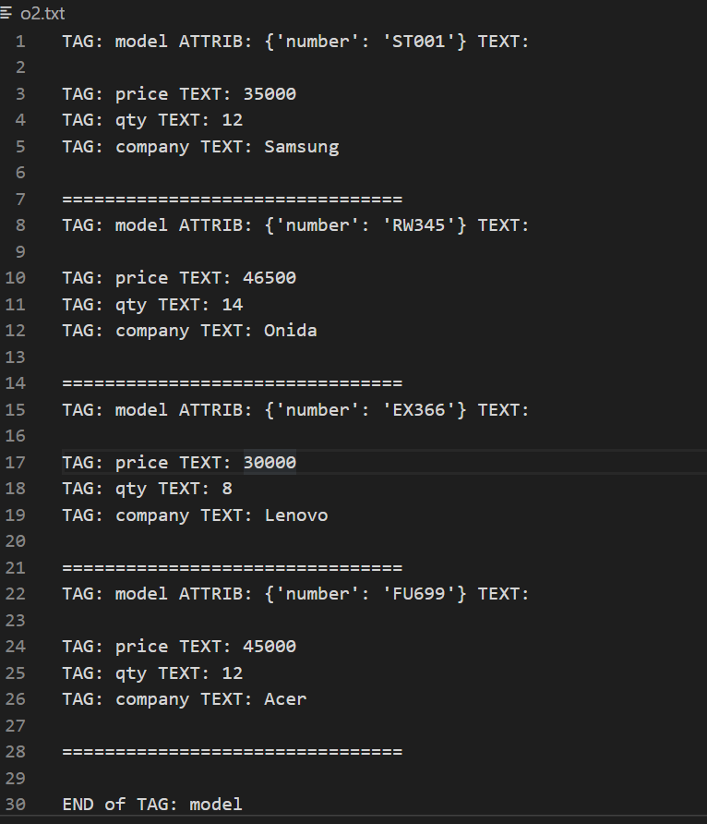
Put your test result reference here (screenshot, etc.)

5
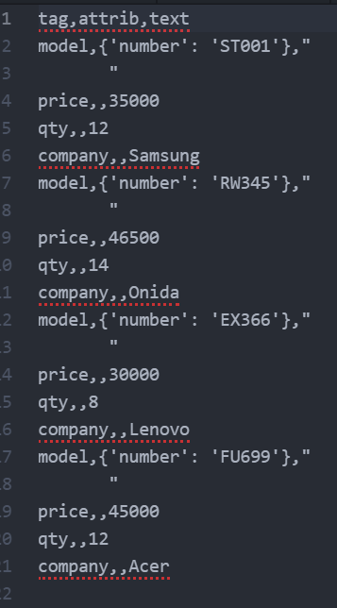
Put your test result reference here (screenshot, etc.)

6
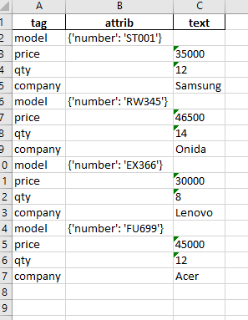
Put your test result reference here (screenshot, etc.)

7
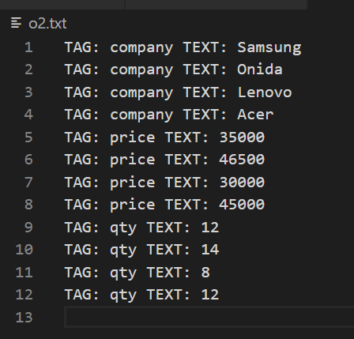
Put your test result reference here (screenshot, etc.)
 | python xmlextractor_.py test2.xml company,price,qty o2.txt

