Open Secured OD Overview
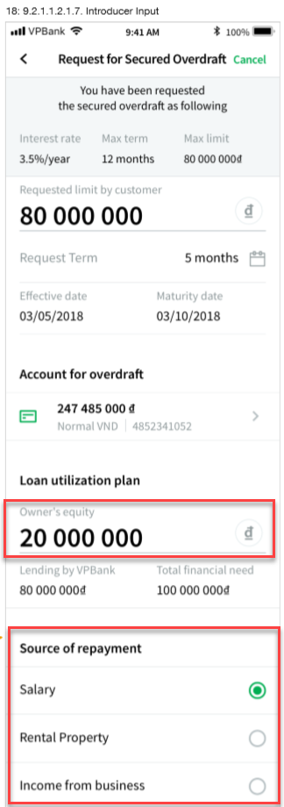

Items | Sample value on screen | Property mapping (OCB) | Note | Send to service ESB
Interest rate | 3.5%/year | Overdraft_Rate |  | http://www.vpbank.com/entity/vn/ba34/bd85/customeragreement/initiatecustomeragreementoverdraft/1 Stub : http://esbserver:7800/service/vn/ba34/bd85/customeragreement/1
Max term | 12 months
Max limit | 80 000 000đ | The system calculates = 80% of the total value of selected online savings
Requested limit by customer | 80 000 000đ | Overdraft_Limit
Request Term | 5 months | Overdraft_Term
Effective date | 2018-05-03 | Effective_Date
Matirity date | 2018-10-03 | Expiry_Date
Account for overdraft | 247 485 000đ Normal VND l 4852341052
Owner's equity | 20 000 000đ | EQUITY_OWNER | - Current save in DataBase OCB - Need Verify send or not send to ESB
Lending by VPBank | 80 000 000đ | Overdraft_Limit
Total financial need | 100 000 000đ | EQUITY_TOTAL
Source of repayment | Salary | PAYMENT_SOURCE | - Current save in DataBase OCB - Need Verify send or not send to ESB

Note: | SECURED ? | Ambiguous properties
 |  | Missing properties
 | Overdraft_Term | Properties existed, but no value
 | New | New

