Sheet1
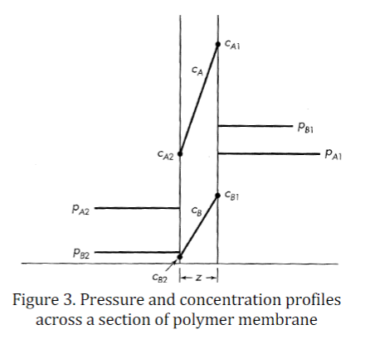
 | Feed pressure (psig) | Feed rotameter reading (mm) | permeate pressure | permeate rotatory reading (mm) | permeate oxygen mole% | retentate pressure | retentate rotameter reading | retentate oxygen mole% reading
70mm | 69 | 12 | 0 | 85 | 33.00% | 68 | 66 | 8.5 |  |  | 0psig = a+ 14.7 psia |  | or psia = psig + 1atm
variation 1.1 at reten = 90mm | 69 | 14.5 | 0 | 88 | 34.8 | 68 | 89.5 | 9 | O2% at room temperature
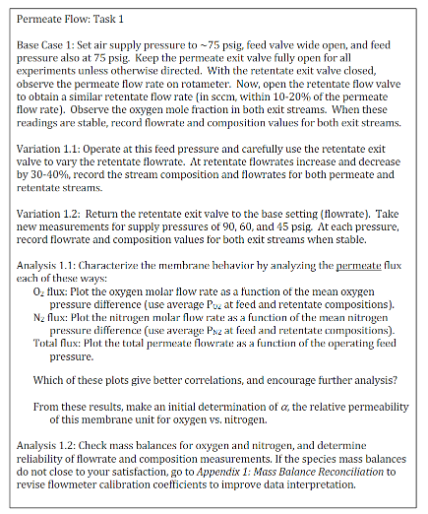
variation 1.1 at reten = 50mm | 69 | 11 |  | 88.5 | 31.1 |  | 50 | 7.7 | 21.5 |  | 3 choice:
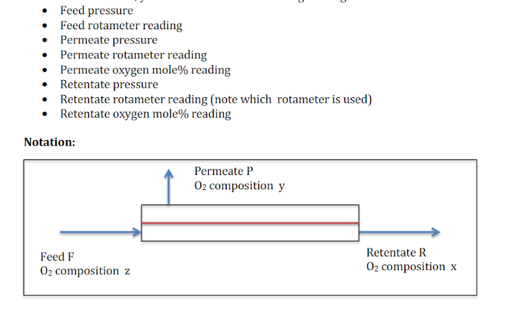
 |  |  |  |  |  |  |  |  |  |  | plot O2 conc versus mean oxygen pressure difference
 |  |  |  |  |  |  |  |  |  |  | plot N2 conc versus mean nitrogenpressure difference
 |  |  |  |  |  |  |  |  |  |  | plot total permeate flowrate as a function of operating feed pressure
 |  |  |  |  |  |  |  |  | FL-3905ST
 |  |  |  |  |  |  |  |  | cm = 50sccm/mm

 |  |  |  |  |  |  |  |  | retentate fully open:
 |  |  |  |  |  |  |  |  | 71-73 mm |  | alpha = Pe_a/Pe_b = Qa/Qb = Da/Db*Sa/Sb
task 2 |  |  |  |  |  |  |  |  | full retention flowrate: |  | Pe_a
base case 2: 75 psig | 68 | 19 | 0 | 94 | 37.7 | 68 | 146-147 | 10 | 3550 | sccm | Pe_b
variation 2.1: 75 psig - large scale retentate R/P | 65 | 82 | 0 | 97.5 | 44.2 | 63 | 129 (large scale) | 19.6 |  |  | Da | diffusivity constant of a
variation 2.2: 60 psig | 50 | 74 | 0 | 73 | 42 | 49 | 107 (large scale) | 19.8 |  |  | ca | conc of a
variation 2.2: 45 psig | 37 | 66 | 0 | 51 | 39.3 | 35 | 86 (large scale) | 20.2 |  |  | z | permeate wall thickness
variation 2.2: 30 psig | 23 | 57 | 0 | 31 | 35.6 | 22 | 63 (large scale) | 20.9 |  |  | ca = Sa * Pa
variation 2.2: 93 psig | 83 | 85 | 0 | 130 | 47.3 | 81 | 140 (large scale) | 19.2 |  |  | Sa | solubility constant of b
 |  |  |  |  |  |  |  |  |  |  | Ja = Da*Sa*(Pa1 - Pa2)/z
variation 2.2: 75 psig | 64 | 94 | 0 | 95 | 44.6 | 61.5 | 145 (large scale) | 20
variation 2.2: 60 psig | 50 | 89 | 0 | 72 | 42.5 | 48 | 122 (lage scale) | 20.2 |  |  | Ja = flux
variation 2.2: 45 psig | 36 | 78 | 0 | 50.5 | 39.7 | 35 | 99 (large scale) | 20.5 |  |  | membrane performance = Pe_a = Da*Sa
variation 2.2: 30 psig | 22 | 60.5 | 0 | 29.5 | 35.5 | 20 | 71 (large scale) | 21
variation 2.2: 92 psig | 81 | 90 |  | 129 | 47 | 80 | 144 (large scale) | 19.2

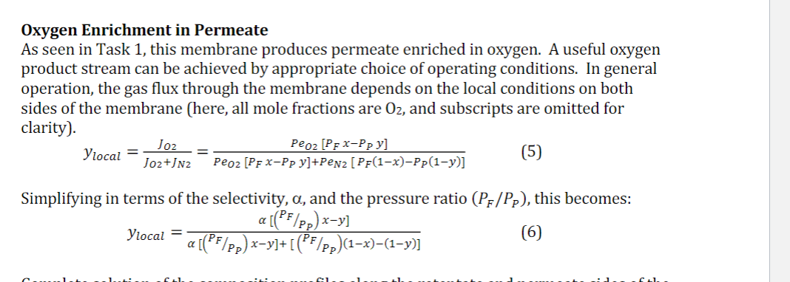
variation 2.2: 75 psig | 65 | 82.5 | 0 | 96 | 44.3 | 63 | 122 (large scale) | 19.3
variation 2.2: 60 psig | 52 | 76 | 0 | 77 | 42.4 | 50 | 105 (large scale) | 19.7
variation 2.2: 45 psig | 37 | 66 | 0 | 51 | 39.5 | 35 | 82 (large scale) | 20.2
variation 2.2: 30 psig | 22 | 54 | 0 | 29.2 | 35.3 | 20 | 59.5 (large scale) | 20.9
variation 2.2: 92 psig | 82 | 92 | 0 | 128 | 47 | 80 | 145 (large scale) | 19.2

 | Feed pressure (psig) | Feed rotameter reading (mm) | permeate pressure | permeate rotatory reading (mm) | permeate oxygen mole% | retentate pressure | retentate rotameter reading | retentate oxygen mole% reading
Task 3
Base case 3 ~ 75 psig | 69 | 7.5 | 0 | 77.5 | 24.9 | 69 | 15 | 8.8
variation 3.1 ~ 75psig | 69 | 7 | 0 | 77 | 23.8 | 69 | 10 | 10.2
variation 3.1 ~ 75psig | 69.5 | 6 | 0 | 76.5 | 22.2 | 69.5 | 2 | 12.7

Variation 3.2 ~ 90 | 82 | 7.5 | 0 | 92.5 | 25.2 | 82 | 18.5 | 7.3
Variation 3.2 ~ 90 | 83 | 7.2 | 0 | 91 | 23.6 | 82 | 10 | 10.5
Variation 3.2 ~90 | 83 | 7 | 0 | 89.5 | 22.3 | 82 | 2.5 | 13.6

Variation 3.2 ~ 45
Variation 3.2 ~ 45
Variation 3.2 ~45

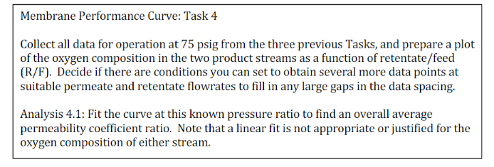
Task 4
75 psig | 64 | 94 | mi | 94.5 | 44.1 | 62 | 140 (large scale) | 20
75 psig | 66 | 74.5 | 0 | 96 | 43.8 | 64 | 110 (large scale) | 19.2
75 psig | 67 | 54.5 | 0 | 97.5 | 43.4 | 65 | 80 (large scale) | 18
75 psig | 68 | 37 | 0 | 97 | 42 | 66 | 50 (large scale) | 15.7
75 psig | 69 | 18 | 0 | 91 | 37.4 | 67 | 20 (large scale) | 10.2
75 psig | 69 | 19 | 0 | 91.5 | 37.7 | 67 | 140 | 10.3
75 psig | 68 | 17.5 | 0 | 90 | 36.3 | 67 | 110 | 9.6
75 psig | 68 | 13.5 | 0 | 87.5 | 34.3 | 68 | 80 | 8.6
75 psig | 68 | 11.5 | 0 | 83 | 31.4 | 68 | 50 | 7.2
75 psig | 69 | 8 | 0 | 77.5 | 26.2 | 68 | 20 | 6
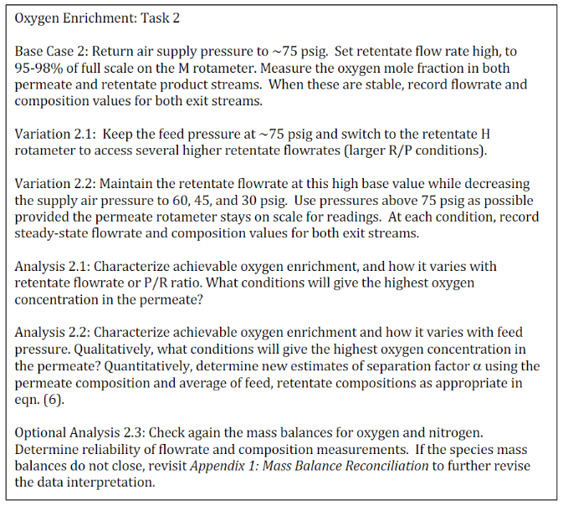
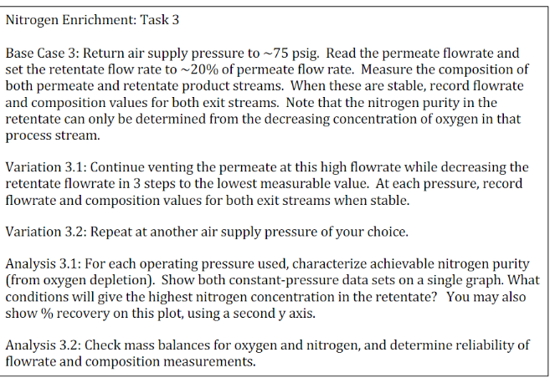
75 psig

