Sheet1
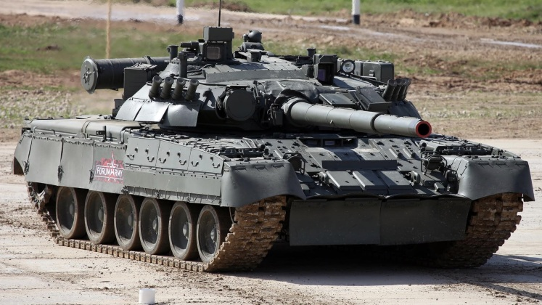
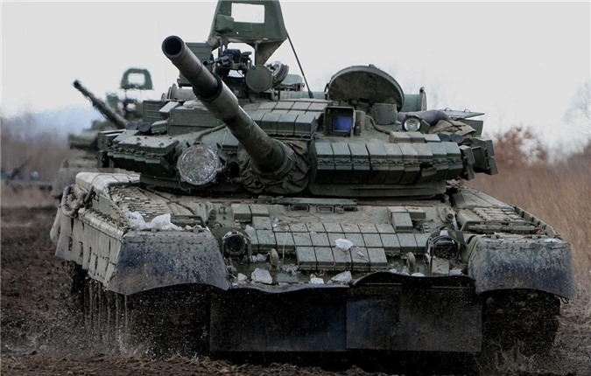
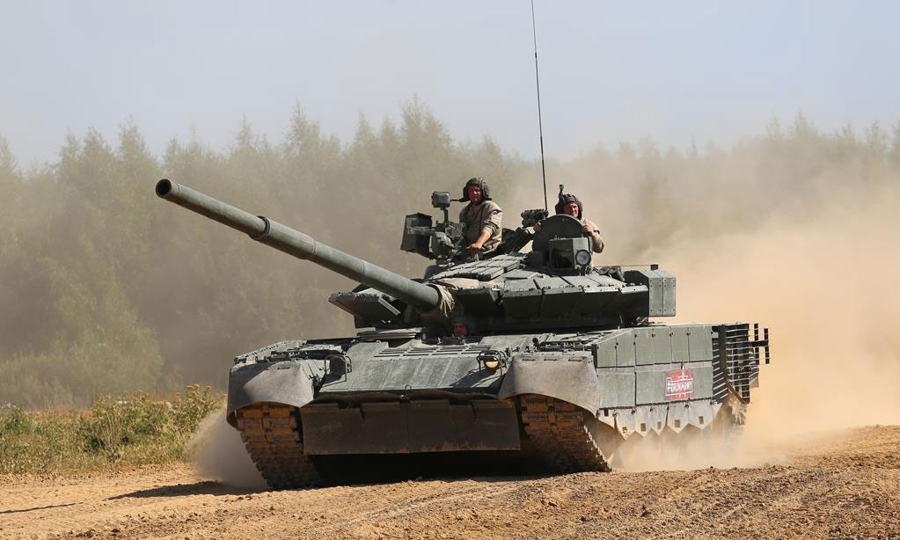
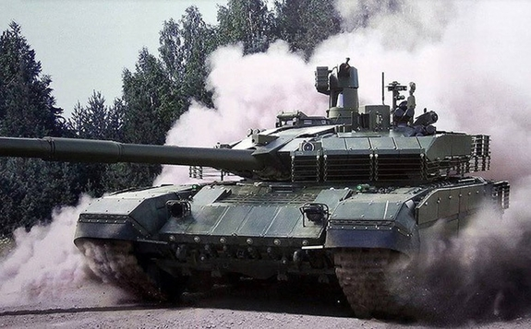
question | answer1 | answer2 | answer3 | answer4 | correct_id | category | tag | special | variable_limitation
Question with image: What image here shows a T-80U? |  |  |  |  | 3 | Tank

