Sheet1
question | answer1 | answer2 | answer3 | answer4 | correct_id | category | tag | special | variable_limitation
What image here shows a T-80U? |  |  |  |  | 1 | Military | Tank, AFV
What armaments here is the cannon of a T-72 tank? | D-10T2S | 2A46/D-81TM | 2A45 Sprut | 2A18/D-80 | 2 | Military | Tank, AFV, Cannon
The caliber of the U-5TS gun equipped on a T-62 tank is | 100mm | 105mm | 110mm | 115mm | 4 | Military | Tank, AFV, Cannon
Which of the following T-72 variant does not exist? | T-72B | T-72BV | T-72B3 | T-72BU | 2 | Military | Tank, AFV
What is the main difference between a T-72B and a T-72B1? | Nothing, they are the same vehicle | T-72B is equipped with a Sosna-U thermal sight, allowing better fire capacity | T-72B can fire the 9M119 ATGM through its gun barrel | T-72B is equipped with Kontakt-1 ERA which enhances its survivability | 3 | Military | Tank, AFV
The K designation for Russian tanks denote: | Attack, equipped with extra armor | Attack, equipped with better fire-control system and gun | Kharkov, vehicle designed and produced by the KhTZ | Command, equipped with better radio | 4 | Military | Tank, AFV
The S designation for Russian tanks denote: | Modernized, vehicle with all-rounded update | Export, vehicle manufactured for exporting | Composite, vehicle updated with additional composite armour | Speed, vehicle with upgraded engine for better speed | 2 | Military | Tank, AFV
The V designation for Russian tanks denote: | Explosive, equipped with additional ERA blocks | Command, used by high-rank officer with extra features | Export, vehicle manufactured for exporting | Amphibious, vehicle can be used to cross body of water | 3 | Military | Tank, AFV
Which of the following is available on a BMP-2 or its variant? | 2A28 73mm cannon | 2A42 30mm cannon | 9K111 Fagot ATGM | 9M113 Konkurs ATGM | 2, 3, 4 | Military |  | is_multiple_choice
The BMP-1 and BMP-2’s front hull armor is rated to protect against: | Small arm fire at all range, cannons upto 23mm from more than 500m | Small arm fire at all range, cannons upto 23mm from more than 1km | Small arm fire at more than 100m | Small arm fire at more than 300m | 1 | Military
By upgrading the 9M14M Malyutka to a 9M111 Fagot, the BMP-1 variant is designated | BMP-1M | BMP-1P | BMP-1D | BMP-2 | 2 | Military
Which of the following ERA is of USSR/Russian origin? | Kontakt-1 & Kontakt 5 | Relikt | Blazer | ERAWA | 1,2 | Military |  | is_multiple_choice
What is the prime reason for not equipping IFV with ERA? | The increased weight is not worth it | ERA provides insufficient protection | Exploding ERA can harm nearby infantry | The armor is too light, exploding ERA will cause more harm | 4 | Military
The first instance of tank being equipped with Kontakt-5 is: | T-90 | T-72B3 | T-80U | T-80BVM | 3 | Military
Which of the following vehicle is not a BMP? | 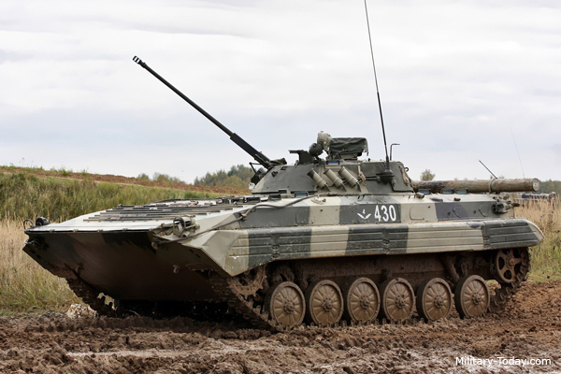 |  |  |  | 3, 4 | Military |  | is_multiple_choice
The 2K22 Tunguska was designed to replace the ZSU-23-4 Shilka due to | The Shilka’s range is too short | The Shilka is not equipped with long-range AA missile launcher | The Shilka cannot fire on the move | The Shilka’s gun is not good against modern CAS aircraft | 1, 4 | Military |  | is_multiple_choice
The latest version of the 9M311 AA missile equipped on the Tunguska is | 9M311K | 9M311M | 9M311-M1 | 9M311-M2 | 3 | Military
Amongst the ZSU family, the one with the most widespread adoption is | ZSU-57-2 Sparka | ZSU-23-4 Shilka | ZSU-37-2 Yenisei | ZSU-37 | 2 | Military
Which ATGM is available on BMP-2 and its variants? | 9M14M-2 Malyutka | 9K111 Fagot | 9M113 Konkurs | 9K115 Metis | 2, 3 | Military |  | is_multiple_choice
Which of the following vehicle is designed as a medium ranged AA missile system? | 9K33 Osa | 9K37 Buk | S-75 Dvina | 9K330 Tor | 2, 4 | Military |  | is_multiple_choice
Which of the following vehicle is a T-64 variant? | 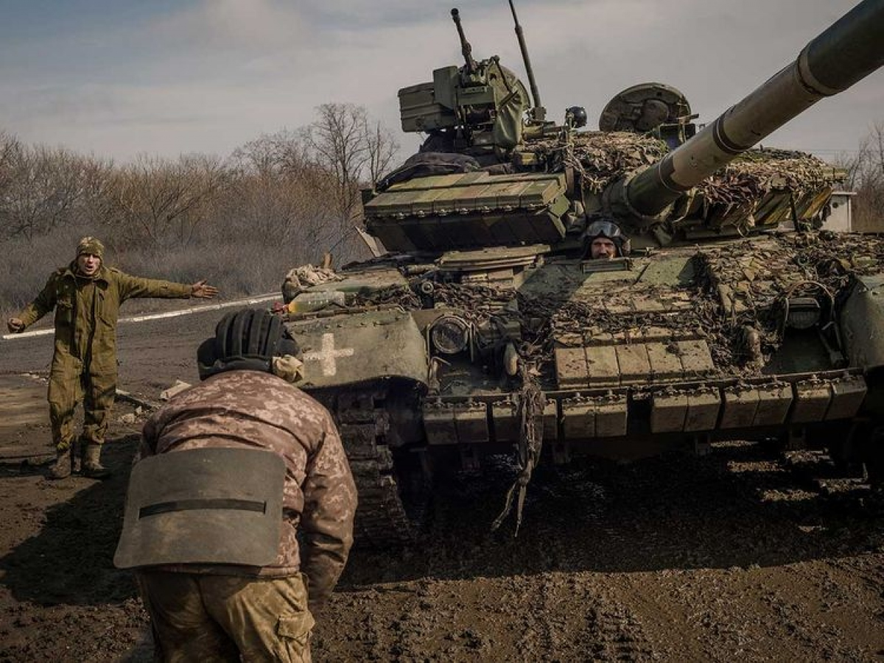 |  | 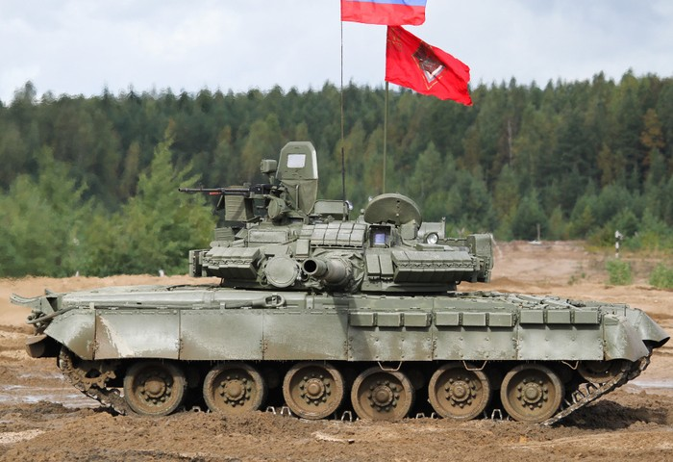 | 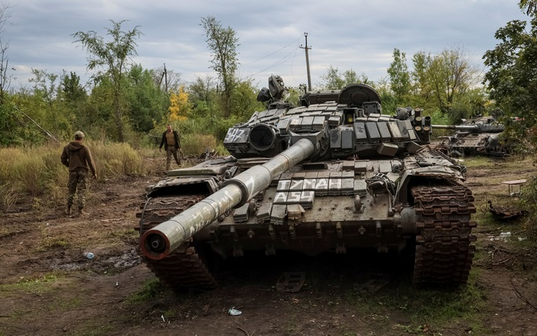 | 1, 2 | Military |  | is_multiple_choice
The newest variant of the T-80 family is | T-80A | T-80BV | T-80U | T-80BVM | 4 | Military
The newest variant of the T-72 family is | T-72B | T-72B3 | T-72B3M | T-72AV | 3
What features is unique to modern Russian/Soviet MBTs? | Gun-fired ATGM | Gas turbine engine | Autoloading carousel | Interleaved tracks | 1
Which is the most ground-breaking upgrade regarding the T-62? | Two-plane stabilizer | Smoothbore cannon | Coaxial machine gun | 581hp engine | 2
The AM upgrade of the T-55 added to its turret armor: | Additional steel plates | Slat armor | ERA | Composite armor | 4
Which of the following vehicle is not a T-54/55 derivative? | Zulfiqar-1 | Tiran-2 | Tiran-4Sh | Type 59 | 1
The 105mm L7A1 Royal Ordnance gun has not been equipped on: | A41 Centurion | FV214 Conqueror | M1 Abrams | Tiran-5Sh | 2
What is the advantage of a smoothbore cannon versus the riffled one? | Increased accuracy | Increased range | Increased barrel life | Increased smoke evacuation | 2, 3 |  |  | is_multiple_choice
Which ERA cannot degrade solid penetrator e.g APFSDS? | Kontakt-1 | Kontakt-5 | Relikt | All of them can | 1

