Sheet1
question | answer1 | answer2 | answer3 | answer4 | correct_id | category | tag | special | variable_limitation | image_1 | image_2 | image_3 | image_4 | image_5 | image_6
What image here shows a T-80U? |  |  |  |  | 1 | Military | Tank, AFV
What armaments here is the cannon of a T-72 tank? | D-10T2S | 2A46/D-81TM | 2A45 Sprut | 2A18/D-80 | 2 | Military | Tank, AFV, Weaponry
The caliber of the U-5TS gun equipped on a T-62 tank is | 100mm | 105mm | 110mm | 115mm | 4 | Military | Tank, AFV, Weaponry
Which of the following T-72 variant does not exist? | T-72B | T-72BV | T-72B3 | T-72BU | 2 | Military | Tank, AFV
What is the main difference between a T-72B and a T-72B1? | Nothing, they are the same vehicle | T-72B is equipped with a Sosna-U thermal sight, allowing better fire capacity | T-72B can fire the 9M119 ATGM through its gun barrel | T-72B is equipped with Kontakt-1 ERA which enhances its survivability | 3 | Military | Tank, AFV
The K designation for Russian tanks denote: | Attack, equipped with extra armor | Attack, equipped with better fire-control system and gun | Kharkov, vehicle designed and produced by the KhTZ | Command, equipped with better radio | 4 | Military | Tank, AFV
The S designation for Russian tanks denote: | Modernized, vehicle with all-rounded update | Export, vehicle manufactured for exporting | Composite, vehicle updated with additional composite armour | Speed, vehicle with upgraded engine for better speed | 2 | Military | Tank, AFV
The V designation for Russian tanks denote: | Explosive, equipped with additional ERA blocks | Command, used by high-rank officer with extra features | Export, vehicle manufactured for exporting | Amphibious, vehicle can be used to cross body of water | 3 | Military | Tank, AFV
Which of the following is available on a BMP-2 or its variant? | 2A28 73mm cannon | 2A42 30mm cannon | 9K111 Fagot ATGM | 9M113 Konkurs ATGM | 2, 3, 4 | Military | AFV | is_multiple_choice
The BMP-1 and BMP-2’s front hull armor is rated to protect against: | Small arm fire at all range, cannons upto 23mm from more than 500m | Small arm fire at all range, cannons upto 23mm from more than 1km | Small arm fire at more than 100m | Small arm fire at more than 300m | 1 | Military | AFV
By upgrading the 9M14M Malyutka to a 9M111 Fagot, the BMP-1 variant is designated | BMP-1M | BMP-1P | BMP-1D | BMP-2 | 2 | Military | AFV, Weaponry, ATGM
Which of the following ERA is of USSR/Russian origin? | Kontakt-1 & Kontakt 5 | Relikt | Blazer | ERAWA | 1,2 | Military | AFV | is_multiple_choice
What is the prime reason for not equipping IFV with ERA? | The increased weight is not worth it | ERA provides insufficient protection | Exploding ERA can harm nearby infantry | The armor is too light, exploding ERA will cause more harm | 4 | Military | AFV
The first instance of tank being equipped with Kontakt-5 is: | T-90 | T-72B3 | T-80U | T-80BVM | 3 | Military | AFV
Which of the following vehicle does not belong to the BMP family? | 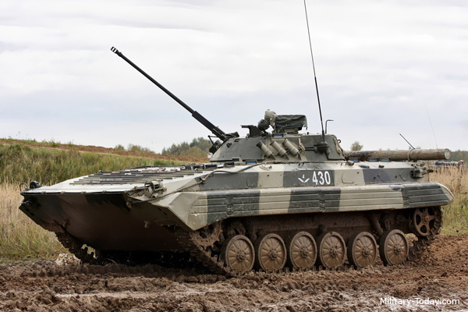 |  | 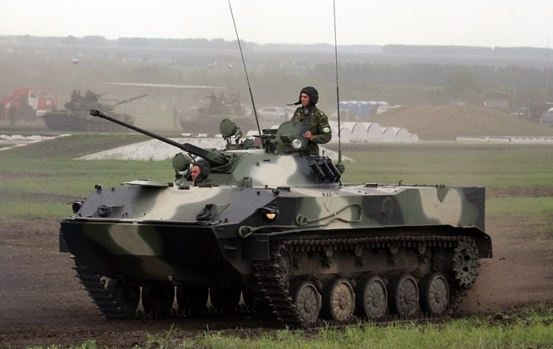 |  | 3, 4 | Military | AFV | is_multiple_choice
The 2K22 Tunguska was designed to replace the ZSU-23-4 Shilka due to | The Shilka’s range is too short | The Shilka is not equipped with long-range AA missile launcher | The Shilka cannot fire on the move | The Shilka’s gun is not good against modern CAS aircraft | 1, 4 | Military | AA, SPAAG | is_multiple_choice
The latest version of the 9M311 AA missile equipped on the Tunguska is | 9M311K | 9M311M | 9M311-M1 | 9M311-M2 | 3 | Military | AA, SPAAG, Weaponry
Amongst the ZSU family, the one with the most widespread adoption is | ZSU-57-2 Sparka | ZSU-23-4 Shilka | ZSU-37-2 Yenisei | ZSU-37 | 2 | Military | AA, SPAAG
Which ATGM is available on BMP-2 and its variants? | 9M14M-2 Malyutka | 9K111 Fagot | 9M113 Konkurs | 9K115 Metis | 2, 3 | Military | AFV, Weaponry, ATGM | is_multiple_choice
Which of the following vehicle is designed as a medium ranged AA missile system? | 9K33 Osa | 9K37 Buk | S-75 Dvina | 9K330 Tor | 2, 4 | Military | AA | is_multiple_choice
Which of the following vehicle is a T-64 variant? | 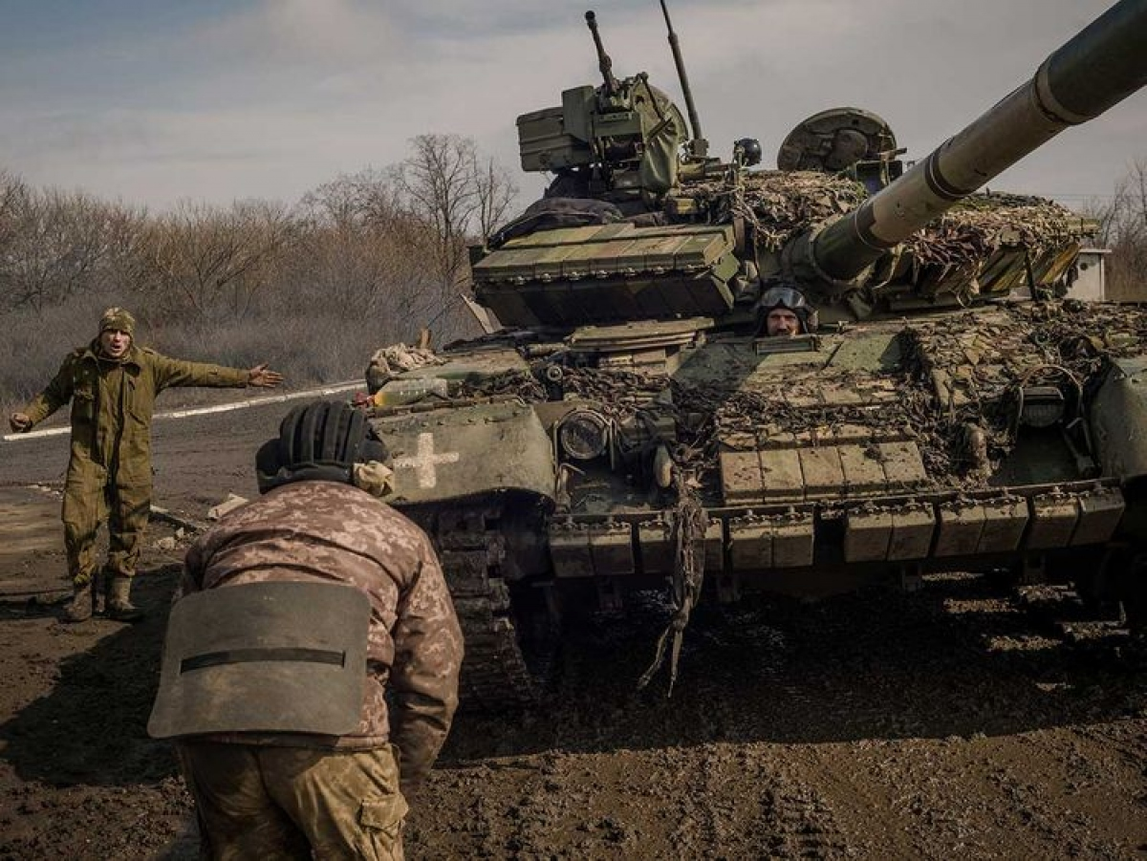 |  | 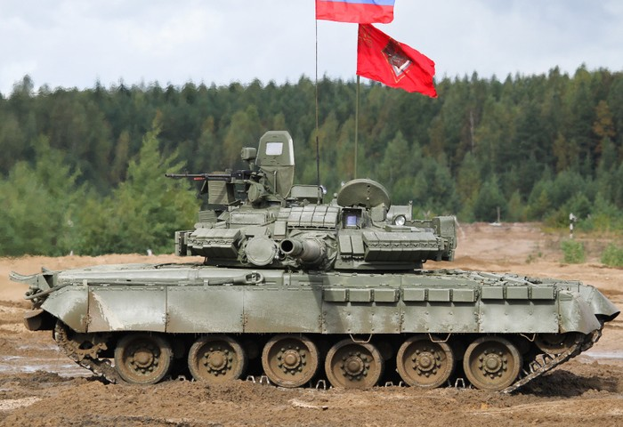 | 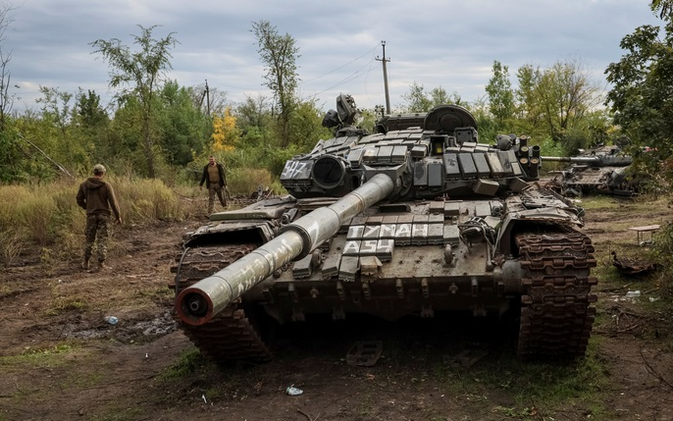 | 1, 2 | Military | Tank, AFV | is_multiple_choice
The newest variant of the T-80 family is | T-80A | T-80BV | T-80U | T-80BVM | 4 | Military | Tank, AFV
The newest variant of the T-72 family is | T-72B | T-72B3 | T-72B3M | T-72AV | 3 | Military | Tank, AFV
What features is unique to modern Russian/Soviet MBTs? | Gun-fired ATGM | Gas turbine engine | Autoloading carousel | Interleaved tracks | 1 | Military | Tank, AFV
Which is the most ground-breaking upgrade regarding the T-62? | Two-plane stabilizer | Smoothbore cannon | Coaxial machine gun | 581hp engine | 2 | Military | Tank, AFV
The AM upgrade of the T-55 added to its turret armor: | Additional steel plates | Slat armor | ERA | Composite armor | 4 | Military | Tank, AFV
Which of the following vehicle is not a T-54/55 derivative? | Zulfiqar-1 | Tiran-2 | Tiran-4Sh | Type 59 | 1 | Military | Tank, AFV
The 105mm L7A1 Royal Ordnance gun has not been equipped on: | A41 Centurion | FV214 Conqueror | M1 Abrams | Tiran-5Sh | 2 | Military | Tank, AFV, Weaponry
What is the advantage of a smoothbore cannon versus the riffled one? | Increased accuracy | Increased range | Increased barrel life | Increased smoke evacuation | 2, 3 | Military | Tank, AFV, Weaponry | is_multiple_choice
Which ERA cannot degrade solid penetrator e.g APFSDS? | Kontakt-1 | Kontakt-5 | Relikt | All of them can | 1 | Military | Tank, AFV
Which of the following helicopter can transport troops by default? | Ka-52 | Ka-50 | Mi-24 | Mi-28 | 3 | Military | Aviation, Helicopter
How many missiles can a Mi-24V carries? | 4 | 8 | 12 | 16 | 3 | Military | Aviation, Helicopter
The Su-27 aircraft is the first Soviet aircraft to adapt: | Canard wings, reducing distance needed before liftoff | Fly-by-wire control system | Vympel R-73 short range air-to-air missles | Zaslon heavy radar with detection range up to 200km | 2 | Military | Aviation, Jet
The original name of the project that created the Su-27 and Mig-29 is | PFI (ПФИ) | TPFI (ТПФИ) | LPFI (ЛПФИ) | RPFI (РПФИ) | 1 | Military | Aviation, Hard
After the N-019 pulse-doppler radar complex was leaked to the West, the Soviet created a modified variant which is | N-019M Topaz | N-010 Zhuk-M | N-010A Zhuk-MA/MAE | No such variant exist | 1 | Military | Aviation, Hard
Which of the following plane is a MiG-23? | 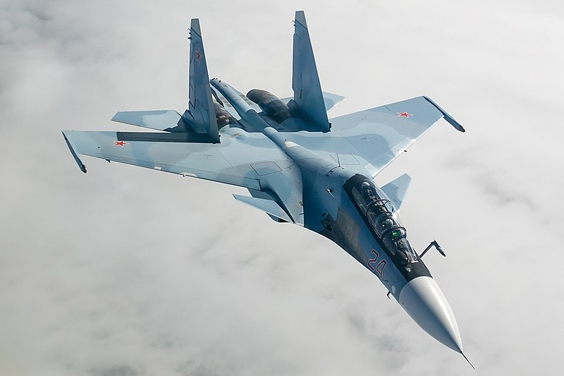 |  | 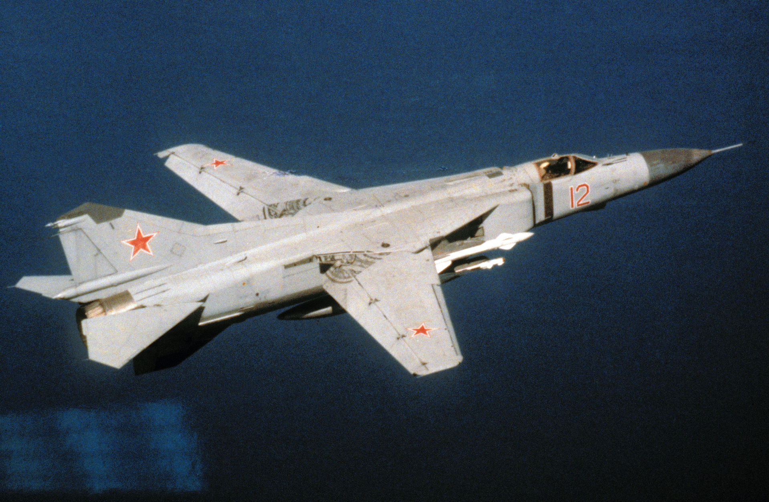 | 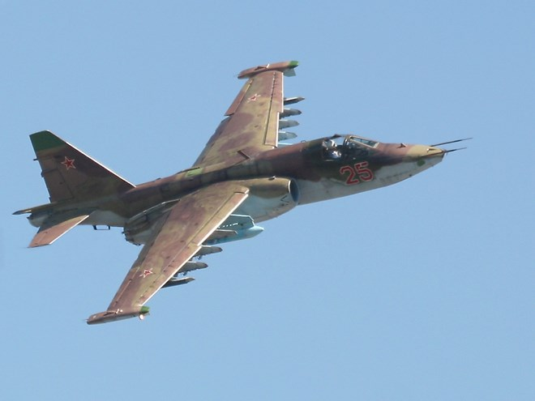 | 3 | Military | Aviation, Jet
Which update of the M1 Abrams gave it a 120mm gun? | M1A1 | M1IP | M1A1HC | M1A2 | 1 | Military | Tank, AFV
The first upgrade to give the M1 Abrams depleted uranium armor is: | M1A1 | M1A1HA | M1A1HC | M1A2 | 2 | Military | Tank, AFV
The SEP package for the M1A2 gives it: | An additional machine gun | Upgraded third-generation depleted uranium armor | Second-generation gunner thermal sight | Tank commander's independent thermal sight | 2, 3 | Military | Tank, AFV | is_multiple_choice
The maximum amount of machine gun on a M1 Abrams is | 2 | 3 | 4 | 5 | 3 | Military | Tank, AFV, Weaponry
The TUSK packgage for the M1 is designed for | Long-range defense against air-to-ground missile attack | Long-range defense against ground-to-ground kinetic projectile e.g APFSDS rounds | Short-range defense against chemical and/or biological weapons | Short range defense against infantry-borne AT weapons | 4 | Military | Tank, AFV
The maximum achievable speed for the M1 on paved road, while speed governor is installed is: | 64 km/h | 72 km/h | 80 km/h | 96 km/h | 2 | Military | Tank, AFV
The upgrade that gives the M60 stabilizer is | M60A1 | M60A2 | RISE | AOS | 4 | Military | Tank, AFV
The M60 gained capability to fire the MGM-51 Shillelagh missile in variant | M60A1 | M60A2 | M60A3 | None, only the M-551 Sheridan can fire this missile | 2 | Military | Tank, AFV, Weaponry, ATGM
For the M60A1 update, the carrying capacity of the tank was increased to: | 60 rounds | 61 rounds | 63 rounds | 57 rounds | 3 | Military | Tank, AFV
The Magach 4 is the Israeli name for the tank | M48A3 | M48A5 | M60A1 | M60A3 | 2 | Military | Tank, AFV
The Magach 6B with the Gal designation means: | A new fire control system | A new set of passive armor | An upgraded engine | An upgrade fixing issue with the gun mantlet | 1 | Military | Tank, AFV
The Nagmachon APC was converted from the hull of | T-55 tank | T-62 tank | M48 tank | Centurion tank | 4 | Military | AFV
The Achzarit APC was converted from the hull of | T-55 tank | T-62 tank | M48 tank | Centurion tank | 1 | Military | AFV
What are the unique features of a Merkava tank comparing to contemporary Western MBTs? | Troop-carrying compartment | Engine located at the front hull | Autoloader | Remote-controlled mortar | 1, 2, 4 | Military | Tank, AFV | is_multiple_choice
Which Mark gave the Merkava a 120mm gun? | Mark I | Mark II | Mark III | Mark IV | 3 | Military | Tank, AFV, Weaponry
Which of the following is a valid designator for variant of the Israeli IMI 120mm gun? | MG251 | MG252 | MG253 | MG254 | 2, 4 | Military | Tank, Weaponry | is_multiple_choice
The F-4 Phantom has a variant to launch AGM-88 SEAD missile, which is: | F-4D | F-4E | F-4X | F-4G | 4 | Military | Aviation, Jet, Weaponry
The F-16 Fighting Falcon is equipped with a hull cannon of type | 20mm M-61 Vulcan | 7.62mm GAU-2/A | 40mm L-60 Bofors | 25mm GAU-12/U | 1 | Military | Aviation, Jet, Weaponry
The maximum firing rate of a M-61 Vulcan cannon is | 1500 rpm | 3000 rpm | 6000 rpm | 9000 rpm | 3 | Military | Weaponry
The main rotor of a UH-1 Huey may have how many rotor blades? | 2 | 3 | 4 | 5 | 1, 3 | Military | Aviation, Helicopter | is_multiple_choice
The most produced variant of the UH-1 is | UH-1A | UH-1C | UH-1H | UH-1N | 3 | Military | Aviation, Helicopter
The UH-60 Black Hawk can transport how many people (excluding its own crew) | 10 | 11 | 13 | 14 | 2 | Military | Aviation, Helicopter
The AH-64 Apache has a front mounted chain gun, which is | 20mm M-61 Vulcan | 7.62mm GAU-2/A | 30mm M230E1 | None | 3 | Military | Aviation, Helicopter
The AGM-114 Hellfire missile have a thermobaric warhead variant, and such missile is called | AGM-114E | AGM-144V | AGM-144R | AGM-144N | 4 | Military | Aviation, Weaponry
The AH-64D variant of the Apache helicopter is nicknamed | Longbow | Kiowa | Cobra | Viper | 1 | Military | Aviation, Helicopter
The largest caliber artillery currently employed by US military is | 130mm | 155mm | 203mm | 308mm | 2 | Military | Artillery
The largest tracked rocket-launch artillery currently being employed by the US military is | M270 MLRS | M142 HIMARS | M1134 Stryker | M777 | 1 | Military | Artillery, MLRS
The minimum range for the 9K58 Smerch is | 20km | 26km | 30km | 36km | 1 | Military | Artillery, MLRS
The largest caliber artillery currently employed by Russian military is | 130mm | 155mm | 203mm | 308mm | 3 | Military | Artillery
The 9K79 Tochka-U has the maximum range of | 70km | 98km | 120km | 185km | 3 | Military | Artillery, MLRS
The latest variant of Scud missile developed by a Soviet institution is | Scud-A | Scud-B | Scud-C | Scud-D | 4 | Military | Artillery, MLRS
The Iskander-M missile currently employed by the Russian army can carry warhead upto | 400kg | 500kg | 600kg | 700kg | 4 | Military | Artillery, MLRS
The 3M54-1 Kalibr cruise missile, when used to attack land target, has a maximum range of | 2000km | 2500km | 3000km | 3500km | 2 | Military | Artillery, MLRS
Which of the following field gun wasn't used in the Vietnam War? | 130mm M-46 | 122mm D-74 | 152mm D-20 | 152mm 2A36 Giatsint | 1, 2, 3 | Military
Which of the following vehicle does not have the same chassis as the other 3? | 2S1 Gvozdika | 2S3 Akatsiya | 2S4 Tyulpan | 2S5 Giatsint-S | 1 | Military
The B-S pair of designation regarding Russina artillery field guns denote: | Tracked vs Wheeled carriers | Towed vs Self-propelled carriers | Divisional vs Regimental assignment | No such designation exists | 2 | Military
The 2S7M update of for the 2S7 self-propelled gun improved: | Shell carrying capacity | Engine | Range | Rate of Fire | 1, 4 | Military
The M107 SPG has the gun caliber of | 152mm | 155mm | 175mm | 180mm | 3 | Military
The variant of the M109 SPG which has the nicknamed "Paladin" is | M109 | M109A3 | M109A5 | M109A6 | 4 | Military
The maximum rate of fire of the M109 SPG is | 1 round per minute | 2 round per minute | 3 round per minute | 4 round per minute | 1 | Military
The maximum rate of fire of the baseline 2S19 Msta-S is | 4 round per minute | 6 round per minute | 8 round per minute | 10 round per minute | 3 | Military
The maximum range of the M109 SPG when using standard HE round is (nearest number apply) | 19km | 21km | 23km | 25km | 2 | Military
The maximum range of the 2S19 Msta-S when using standard HE round is (nearest number apply) | 19km | 21km | 23km | 25km | 4 | Military
The main drawing point of the PzH 2000 is | Maximum range | Accuracy | Sustaining fire rate | Burst fire rate | 4 | Military
The Roland AA missile was mounted on | AMX-30R chassis | Marder chassis | Leopard 1 chassis | Wiesel chassis | 1, 2 | Military
The Flakpanzer Gepard is equipped with how many 90mm cannon(s): | 1 | 2 | 3 | 4 | 2 | Military
The Tpz Fuchs can carry upto how many personels (crew not included)? | 8 | 10 | 12 | 14 | 2 | Military
The MILAN missile can be attached to a Marder 1 turret since which variant? | A1 | A1 | A1A | A2 | 3 | Military
The TOW missile was upgraded to TOW 2 version in which variant of the M2 Bradley? | M2A1 | M2A2 | M2A3 | M2A4 | 1 | Military
The AMX-10RC is equipped with a main gun of caliber | 100mm | 105mm | 115mm | 118mm | 2 | Military
The SXXI upgrade to the Leclerc tank replaced the composite armor with reactive modular armor in | Front of the turret | Side of the turret | Front of both turret and hull | The entire hull | 1 | Military
Since which variant did the Leopard 2 gained the angular-shaped turret? | 2A2 | 2A3 | 2A4 | 2A5 | 4 | Military
The Tu-22 aircraft gained the nickname "drunken" due to | Extreme agility in the air | Inconsistent drag due to aerodynamic heating | Drinkable alcoholic coolant | No such nickname actually | 3

