F1 Office-Wifi
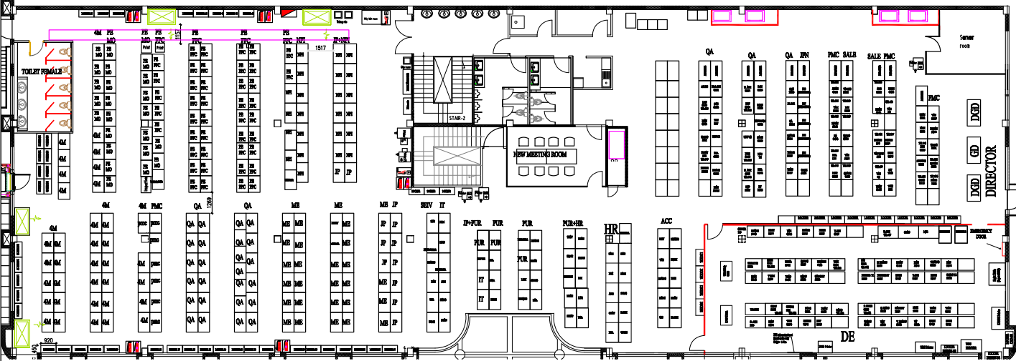
L3 Main
L3 BK
Wifi Controller Main
Wifi Controller BK
Router VNPT main
Router VNPT BK
SEI
Router Viettel
FW DE-Pro F1-1 Main
FW DE-Pro F1-2 BK
Aruba SW F1-1 Main
Aruba SW F1-2 BK
10.212.11.112
10.212.1.15
10.212.11.252
xx.xx.xx.xx
xxx.xxx.xxx.xx
xxx.xxx.xxx.xxx
FW Plus alpha
10.212.1.19
File Server system
F2
F3
F4
F5
Gi1/0/7
Gi2/0/7
Gi1/0/8
Gi2/0/8
Gi1/0/9
Gi2/0/9
Gi1/0/10
Gi2/0/10
PlusA server system
SEIPS-IT server system
TPLink
TPLink
TPLink
TPLink
DE Room
TPLink
PMC 01
11.210
PMC 02
11.209
PMC 03
11.204
QA 01
11.206
QA 02
11.203
QA 03
11.200
ACC
11.191
HR 01
11.197
HR 02
11.190
IT
11.199
PUR 01
11.113
PUR 02
11.208
Safety
11.196
ME 01
11.211
5.2
ME 02
11.215
TPlink
TPLink
TPLink
4M 01
11.213
TPLink
TPLink
Smart
11.198
PE-NPI 01
11.218
PE-NPI 02
11.201
PE-FPC 01
11.207
PE-FPC 02
11.217
Tplink PE-MO
Tplink PE-MO
5.3
Gi1/0/18
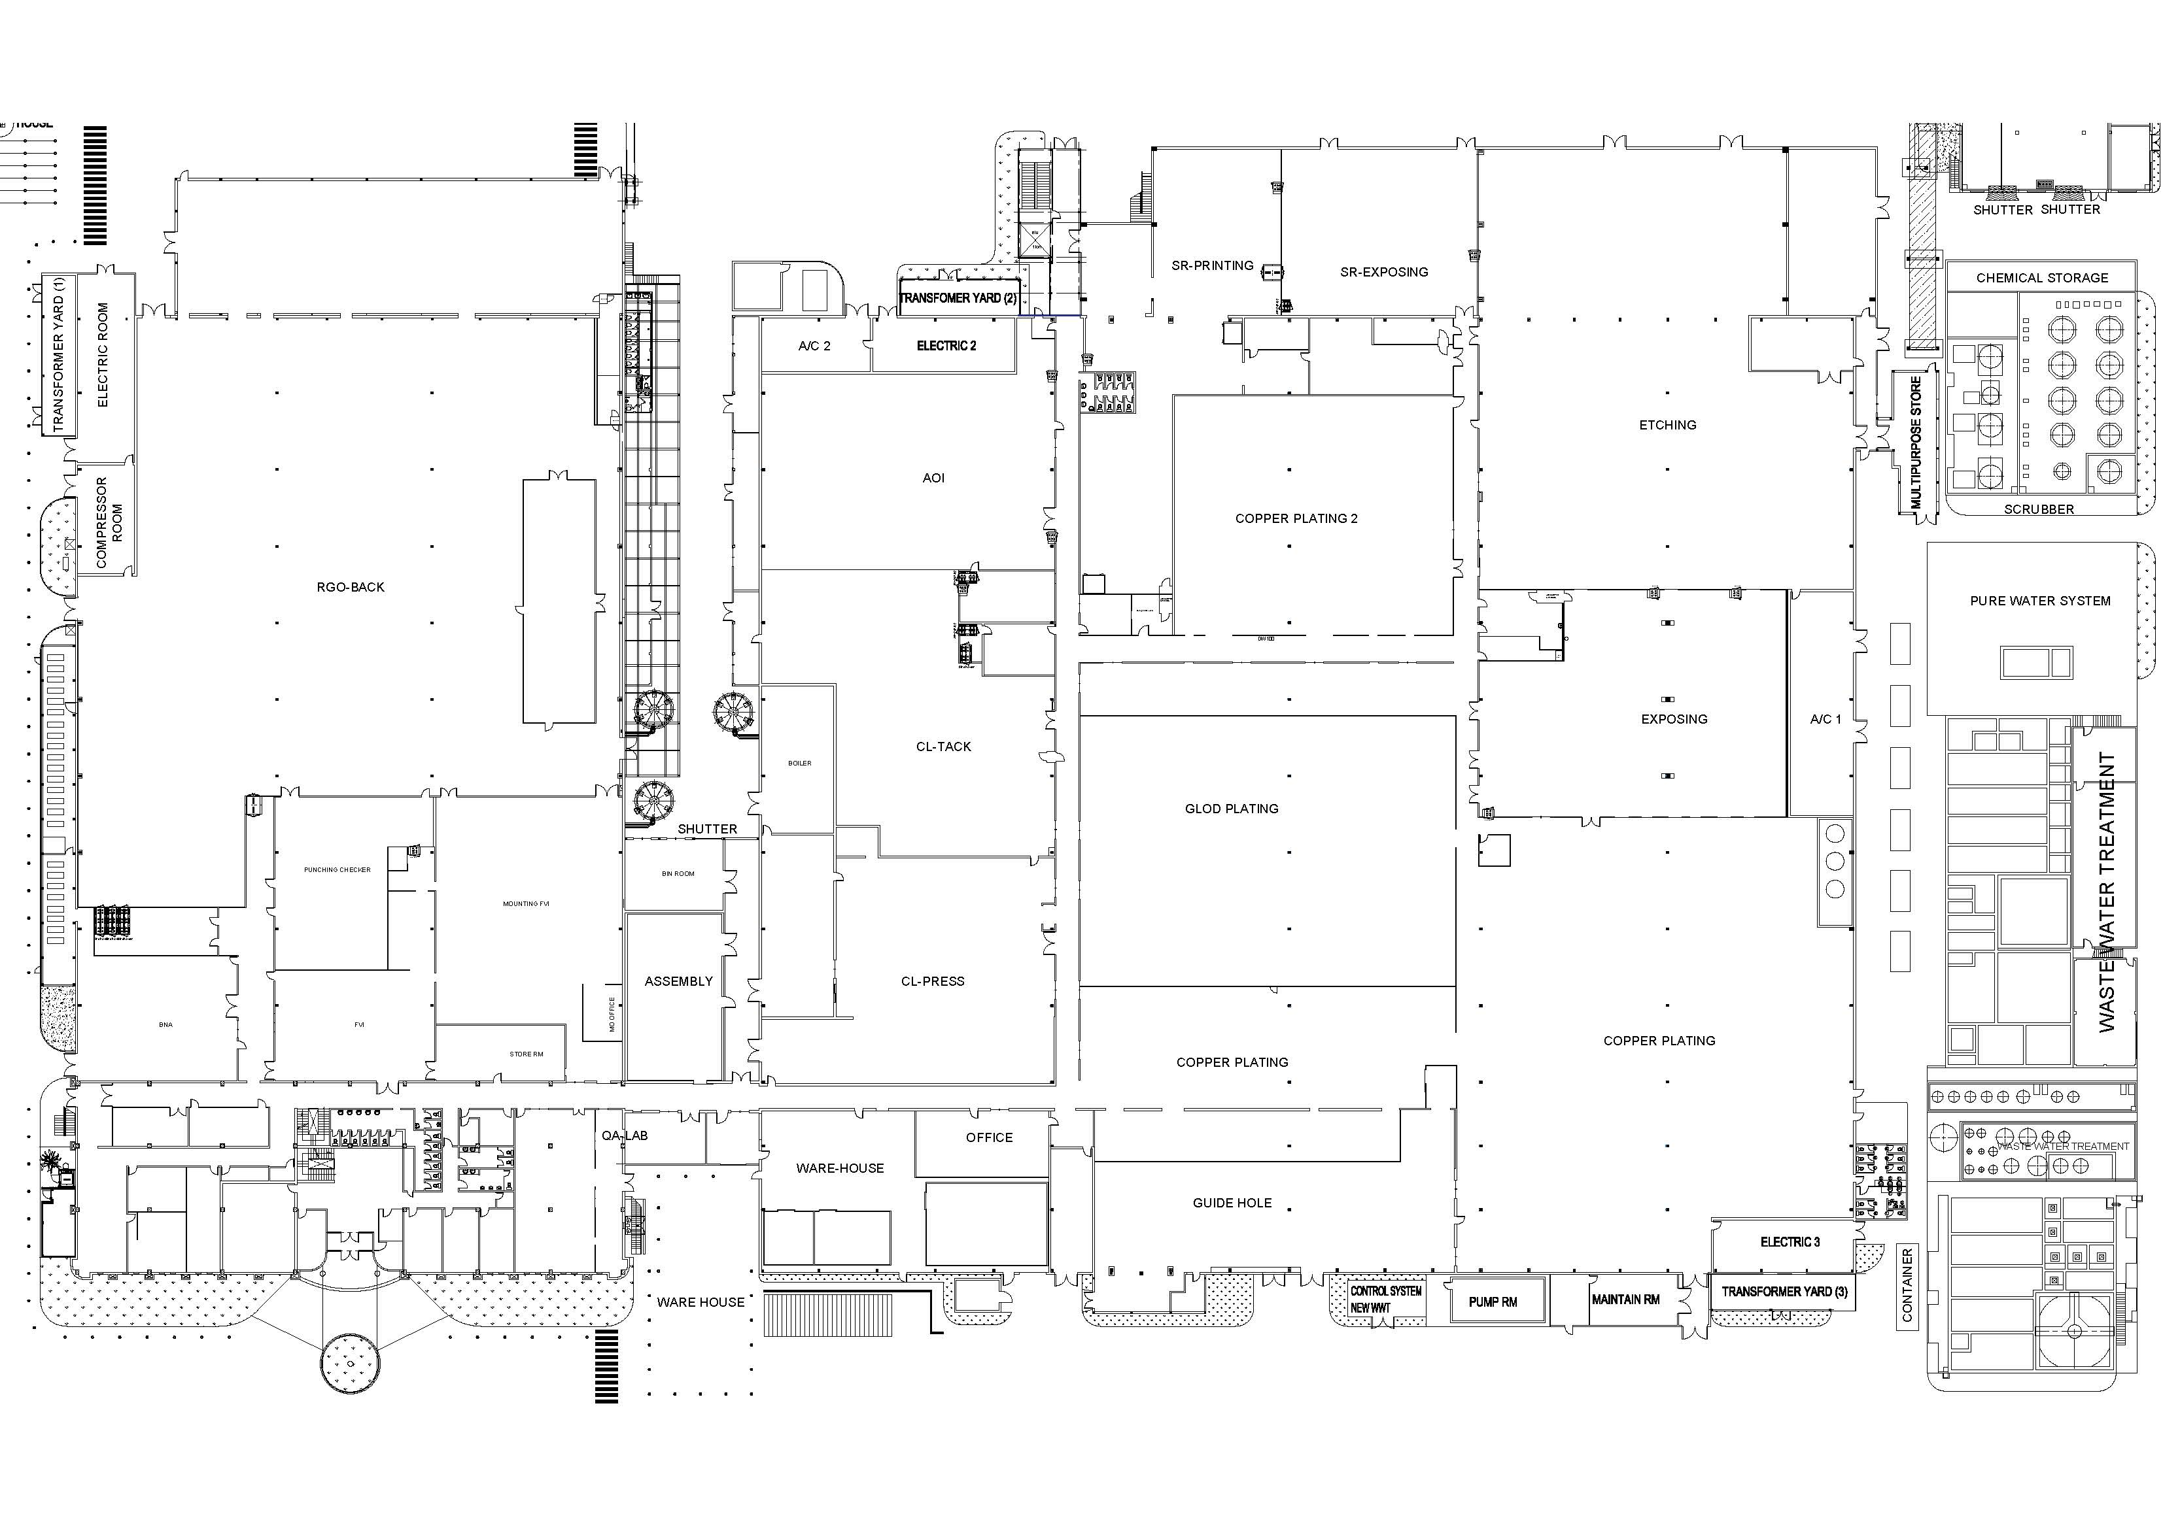

Gi1/0/23
1 | Meeting
2 | Assembly
3 | Mouting
11.220
9
4 | QALap
5 | Punching
6 | RGO Back
7 | Front Office
8 | WareHouse
11.12
11.223
24
15
Gi2/0/19
3
13
22
Gi2/0/1
24
1
20
18
8
4
19
 |  | Switch cisco POE
 |  | Cisco and no configuration switch
 |  | Aruba
11.110
7
11
22
11.193
 |  | Aruba POE
Gi1/0/20
6
5
21
Gi1/0/1
9
5
11.192
26
1
22
Gi2/0/4
11.205
7
11.219
10
11.224
16
24
11
11.215
15
2
1
9
16
12
2
3
Gi1/0/22
5
20
3
3
14
11.189
15
17
11.111
23
4
5
3
11.100
Shadow
1/22
7
8
24

24
5

1
2/22
1/20

1/1
Security Gate F1
1/8
1/13

1/19
2/20
1/21
2/14
1/9

6
5
9
16
16
16
16
16
13
16
16
16
16
16
16

TPLink

16
16

11
16
16
16
16
16
16

10
8
6
4
3
9
24

F5
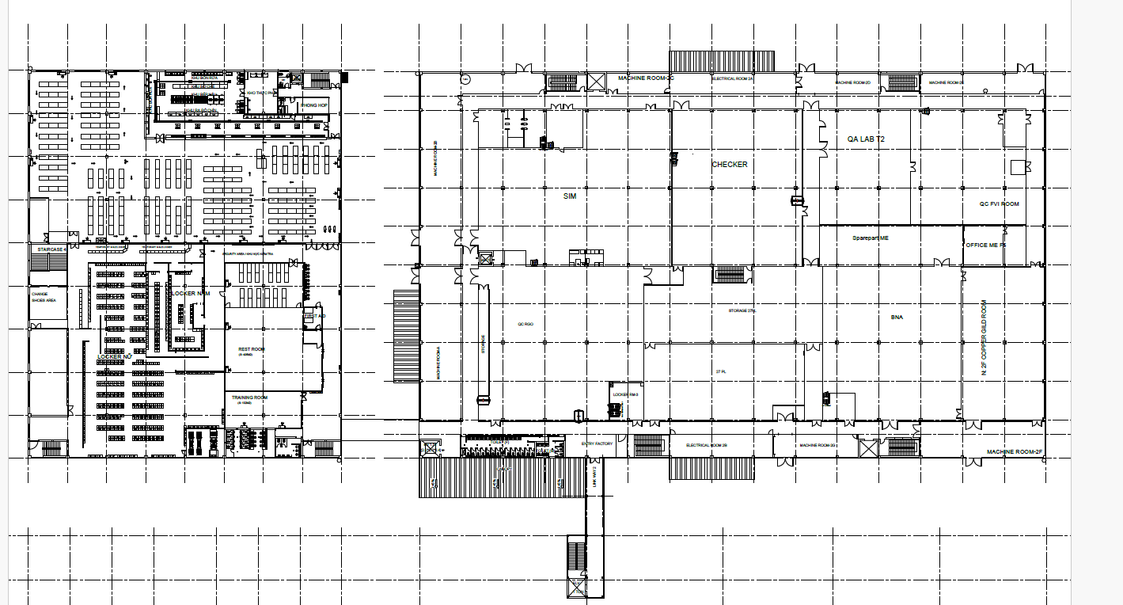
2nd Floor

20
5.220
1
23
23
10.99 2
12
15
24
5.9
16
3

16
11.231 8
8
16.20
10
9

11.229 7
10
7
Cisco POE
Cisco and no configuration switch
Aruba
Aruba POE

16
11.2 6
2
24
23

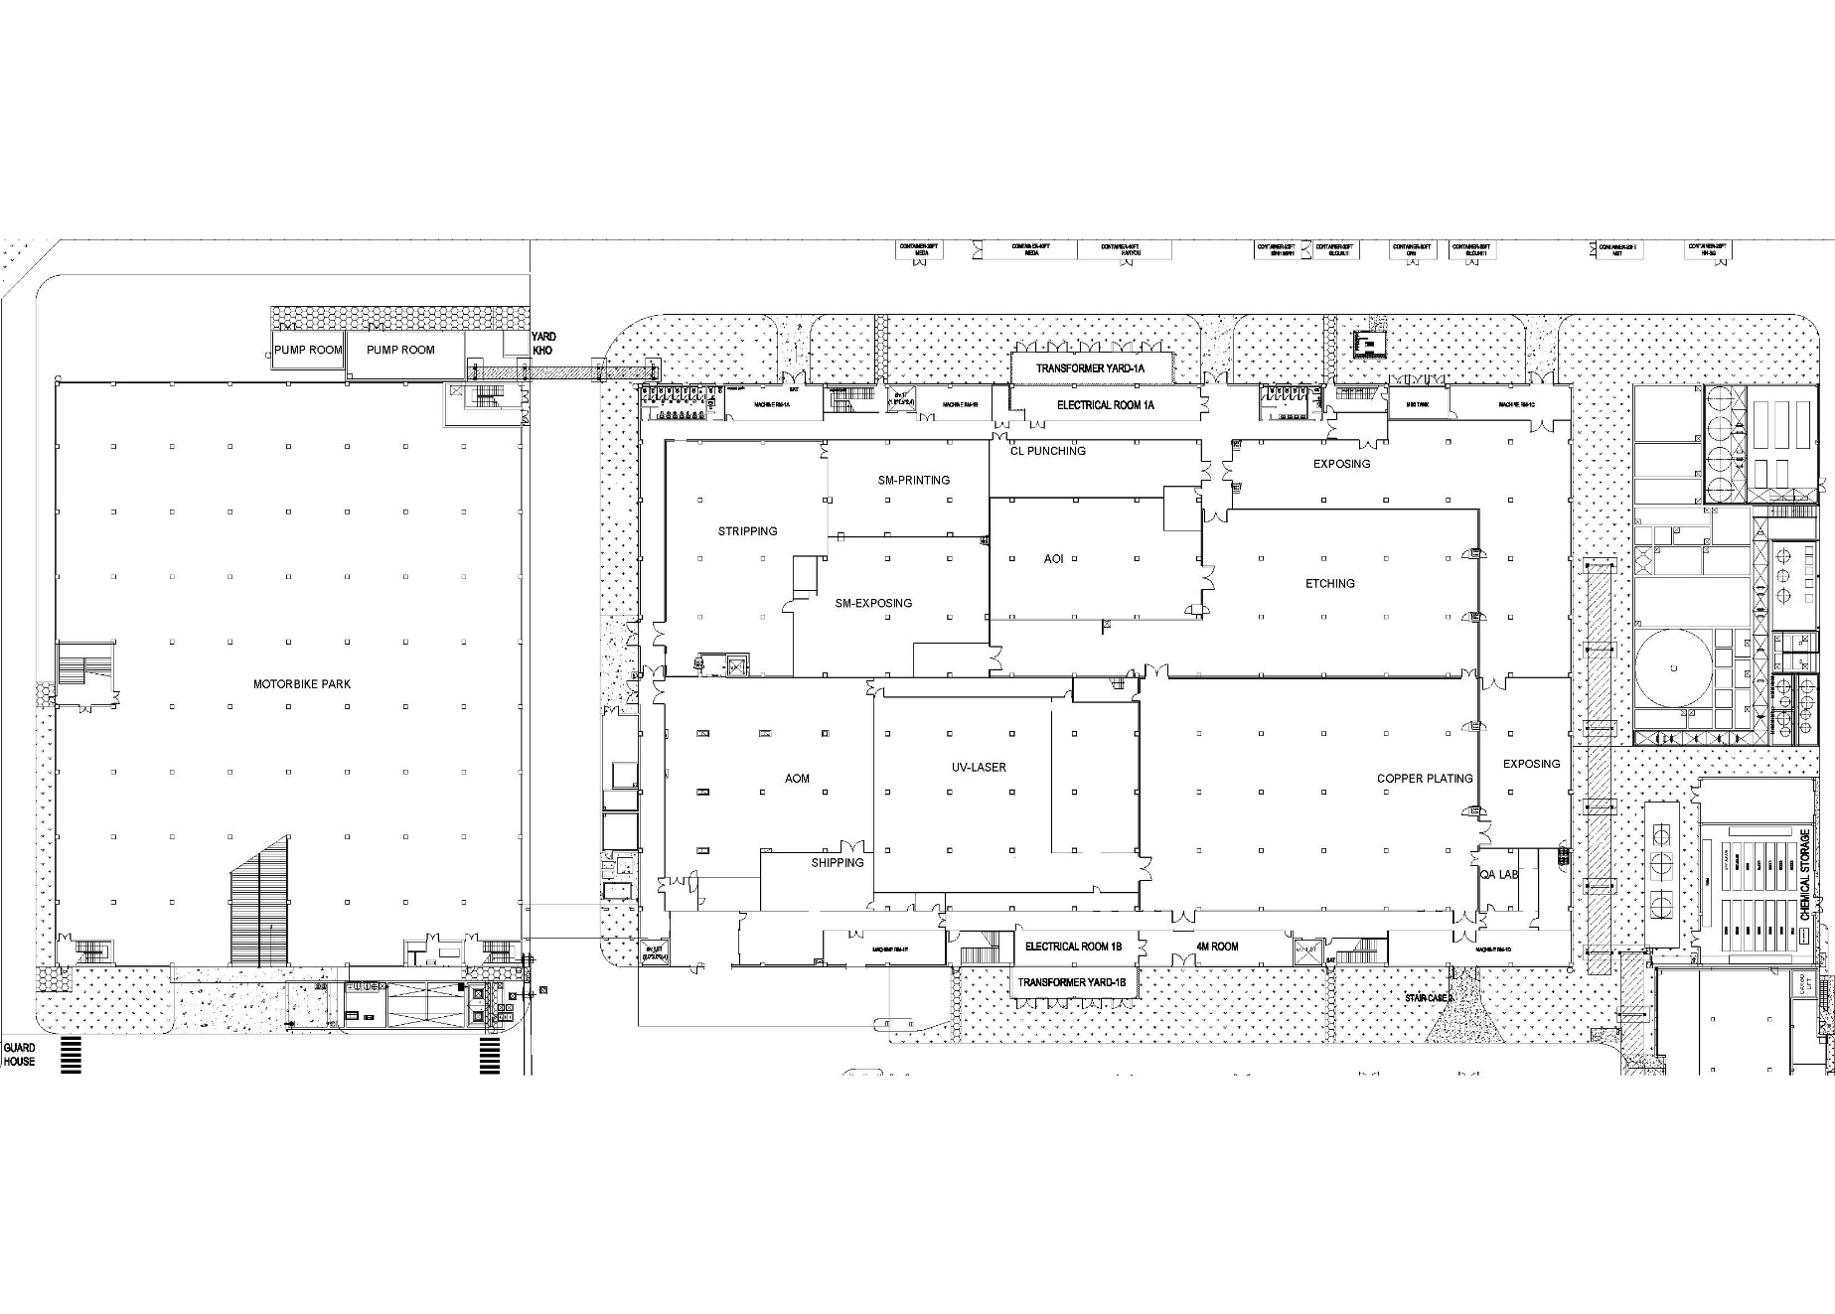

1st Floor

11.226 5
15
26
14
16.183
14
16
16
16
16.186
11.174 3
16.187
14
10
16
22
24
1/1
16.185
15
23
10.165
16
20
11.195 4
22
19
17
16.182
15
18
10.253 1

F1
F1

P24
P24
SW Cisco 2960X
24P
F5 Firewall
F5 Firewall

SW Cisco 2960X 24P
SW Cisco 2960X 24P
P6
P6
F5 Firewall
F5 Firewall
Production LAN
Production LAN
SW Cisco 2960X 24P
SW Cisco 2960X 24P
P22
1
P22
1
Office LAN
Office LAN
P19
P19
P20
P20
P23
P23
F5 Wifi
F5 Wifi
P21
P21
P10
P10
SW Cisco SG350 -10P
SW Cisco SG350 -10P
3
3

SIM Server
SIM Server
P24
P24
P26
P26
SW Cisco SG350 -28P
SW Cisco SG350 -28P
4
4
SW Cisco 2960X 24P
SW Cisco 2960X 24P
2
2
P26
P26
SW Cisco SG350 -28P
SW Cisco SG350 -28P
5
5

SW Cisco SG350 -10P
P10
SW Cisco SG350 -10P
P10
6
6

P10
P10
SW Cisco SG350 -10P
SW Cisco SG350 -10P
7
7

SW Cisco SG350 -10P
SW Cisco SG350 -10P
8
8

F1 Production
L3 Main
L3 BK
Wifi Controller Main
Wifi Controller BK
Router VNPT main
Router VNPT BK
SEI
Router Viettel
FW DE-Pro F1-1 Main
FW DE-Pro F1-2 BK
Aruba SW F1-1 Main
Aruba SW F1-2 BK
10.212.11.112
10.212.1.15
10.212.11.252
10.212.11.251
10.212.xxx.254
10.212.xxx.254
FW Plus alpha
10.212.1.19
F2
F3
F4
F5
Gi1/0/7
Gi2/0/7
Gi1/0/8
Gi2/0/8
Gi1/0/9
Gi2/0/9
Gi1/0/10
Gi2/0/10
ID Link
5.168
Cisco Pro 250
10.126.5.254
4.254

23
1.250
2
1
5.245
24
5.226
24
11
24
13
16
5.246
200.15
13
24
3
5
24
19
3
8
2
5.252
5.251
1
1.254
24
8
25
1.251
6
5.253
25
20
26
4
1.252
2
23
6.4

QA Lap F5

2
1.249
2
1.253
28
10
12
11
25
F5 QC RGO
1

5.224
2
13

Phong Thay do

2
12
1
Wifi
6.5
6.7
11
1
6.151

Security Gate

