Home
 | Total
Ahmedabad | 7
Bengaluru | 7
Chennai | 7
Delhi | 7
Dharamshala | 2
Guwahati | 2
Hyderabad | 7
Jaipur | 5
Kolkata | 7
Lucknow | 7
Mohali | 5
Mumbai | 7
IPL 2023 Venue |  | Teams Schedule
Ahmedabad |  | MI
Mohali |  | CSK
Lucknow |  | LSG
Hyderabad |  | PBKS
Bengaluru |  | SRH
Chennai |  | KKR
Delhi |  | RCB
Guwahati |  | GT
Kolkata |  | DC
Mumbai |  | RR
Ahmedabad
Jaipur
Dharamshala | IPL 2023 FULL SCHEULE

GT
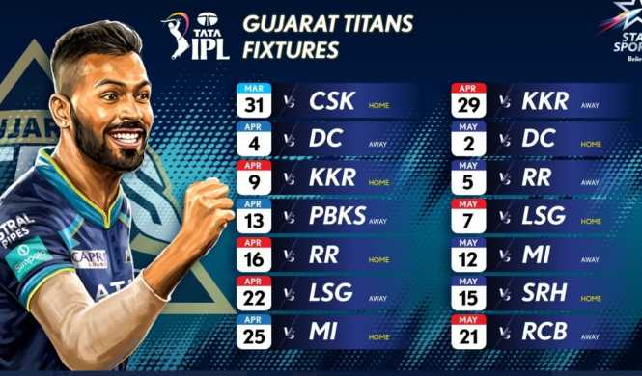

PBKS
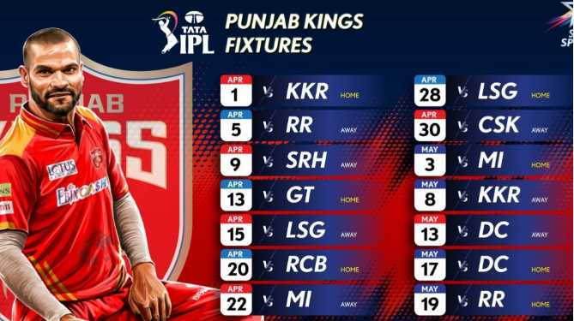

Go Back to Home

DC
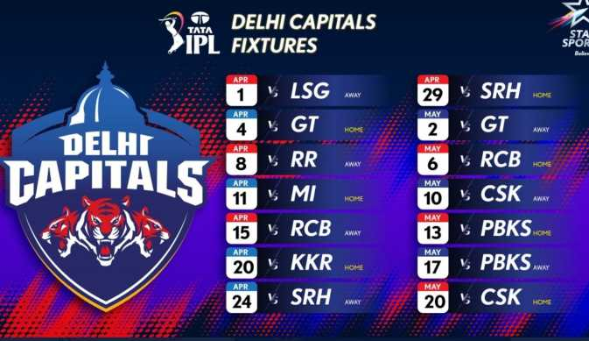

RCB
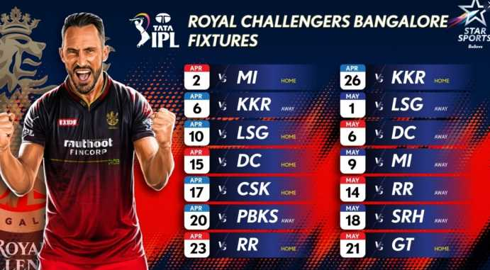

SRH
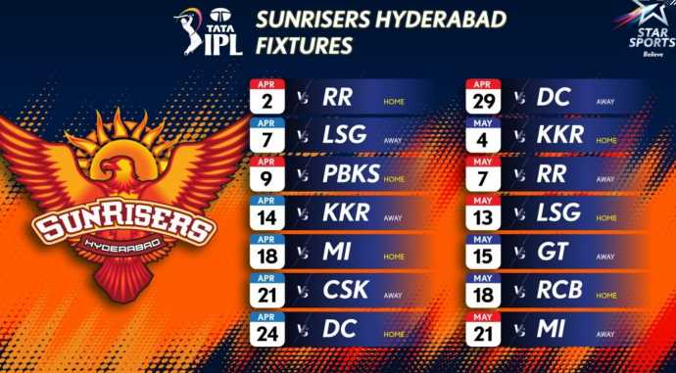

KKR
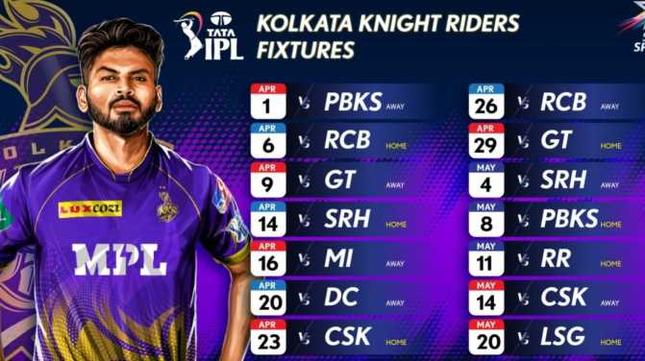

RR
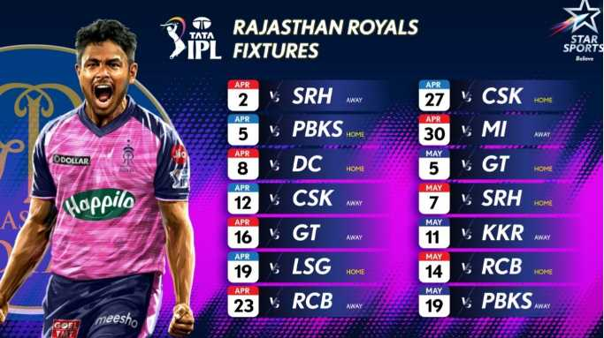

LSG
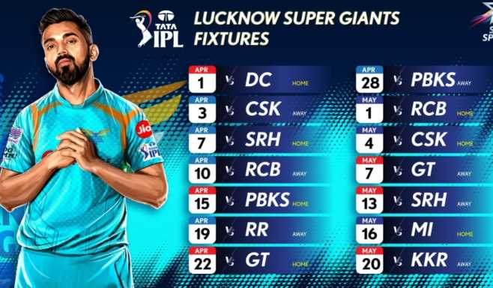

MI
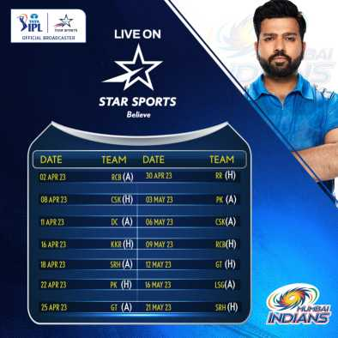

CSK
