records
Sample Measurement Record
Mano Engineering LLC |  |  |  |  |  |  |  |  |  |  | Part No. 70-0004
No. | A | B | C | D | E | F | G | H | I | J
1 | 7.1445 | 3.565 | 0.54 | 0.032 | 0.6 | 0.17 | 0.295 | 0.332 | 7.6375 | 7.1165
2 | 7.1505 | 3.555 | 0.527 | 0.0395 | 0.606 | 0.164 | 0.3 | 0.1915 | 7.6635 | 6.9815

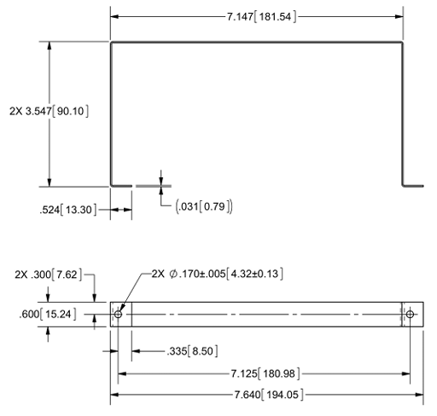
A
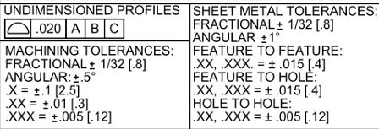

B
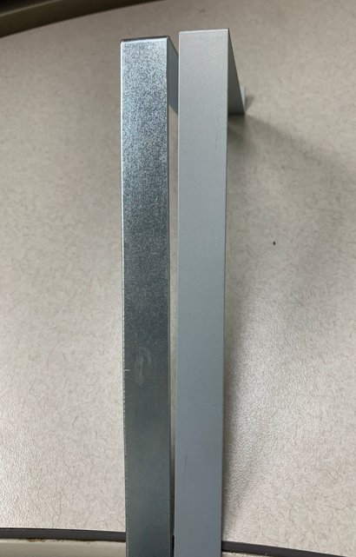
hole position is wrong
1
C
D
2

G
F
1
2

E
H
J

I

