Measurement
Sample Measurement Record
Mano Engineering LLC |  |  |  |  |  |  |  |  |  |  |  |  |  | Part #. 5322860300
No. | A | B | C | D | E | F | G | H | I | J | K | L | M | N
1 | 5.0300 | 45.2130 | 22.0000 | 11.0400 |  | 90.7600 | 9.7940 | 14.8050 | 57.9890 | 35.2270 | 12.1860
2 | 5.0900 | 45.1680 | 22.0000 | 11.0300 |  | 90.7400 | 9.9480 | 14.7750 | 57.9850 | 35.2670 | 12.1500
3 | 5.0900 | 45.1520 | 22.0100 | 11.0500 |  | 90.7200 | 9.9830 | 14.9260 | 57.9550 | 35.2500 | 12.2270
4 | 4.9400 | 45.1450 | 22.0100 | 11.0500 |  | 90.7500 | 9.7920 | 15.0430 | 57.9780 | 35.2370 | 12.1530
5 | 5.0900 | 45.1660 | 22.0000 | 11.0200 |  | 90.7300 | 10.0500 | 14.9150 | 57.9780 | 35.2240 | 12.2030

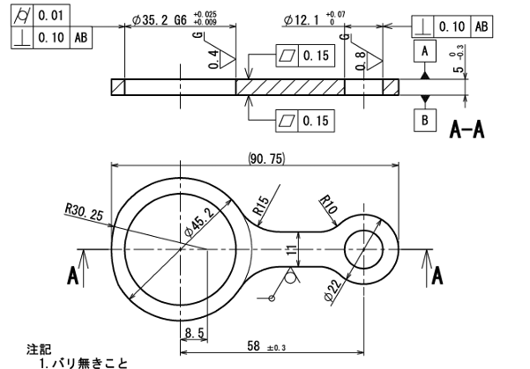
J
K
Note: "E" can't be measured reliably
A

F

E
H
G
B
D

C
I

