Measurement
Sample Measurement Record
Mano Engineering LLC |  |  |  |  |  |  |  |  |  |  |  |  | Part # | 3222610
No. | A | B | C | D | E | F | G | H | I | J | K | L | M | N
1 | 0.1254 | 2.4889 | 2.4963 | 0.1308 | 4.9769 | 4.9935 | 2.4946 | 0.9965 | 0.9965 | 0.9965 | 0.9965 | 0.1312 | 0.0625 | 0.1302
2 | 0.1221 | 2.4861 | 2.4960 | 0.1248 | 4.9854 | 4.9988 | 2.4921 | 0.9965 | 0.9965 | 0.9965 | 0.9965 | 0.1313 | 0.0618 | 0.1295
3 | 0.1236 | 2.4989 | 2.4973 | 0.1292 | 4.9913 | 4.9901 | 2.5049 | 0.9965 | 0.9965 | 0.9965 | 0.9965 | 0.1297 | 0.0645 | 0.1342
4
5

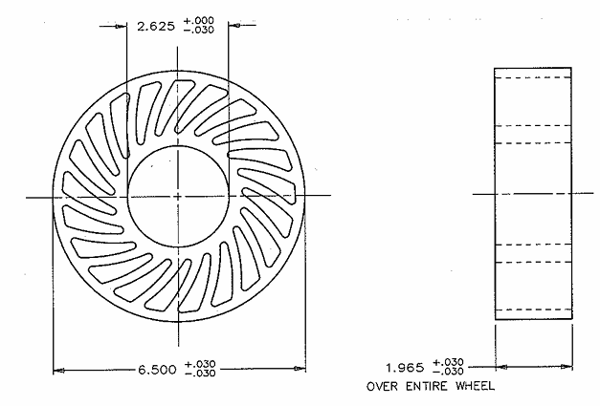
A
Note: No. 1 is customer's sample

C

B
D

