Print Page 1
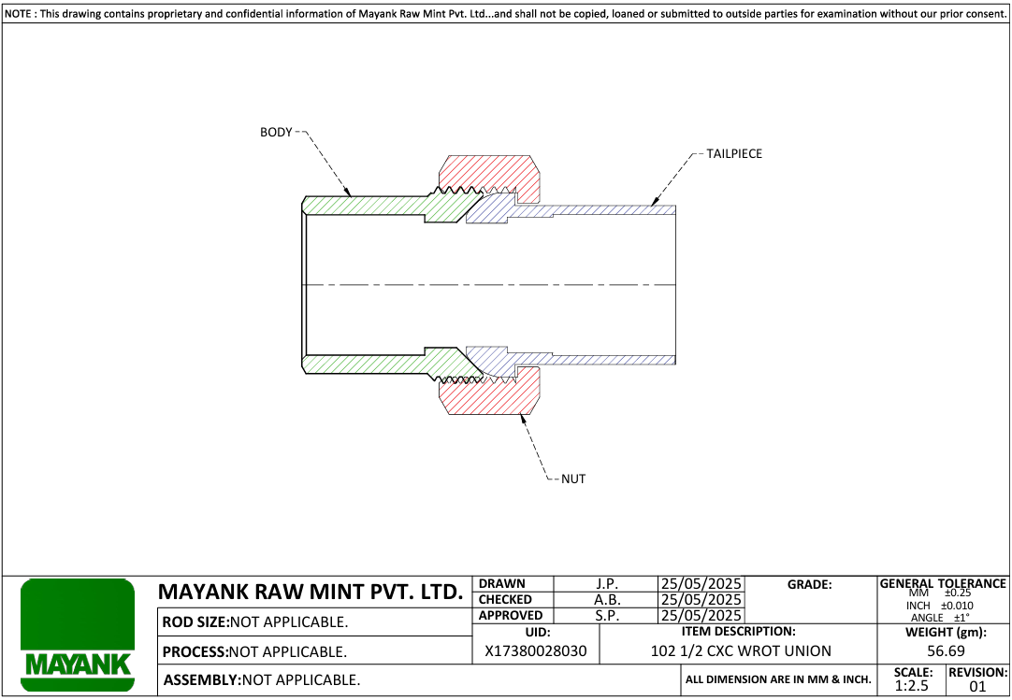

Print Page 2
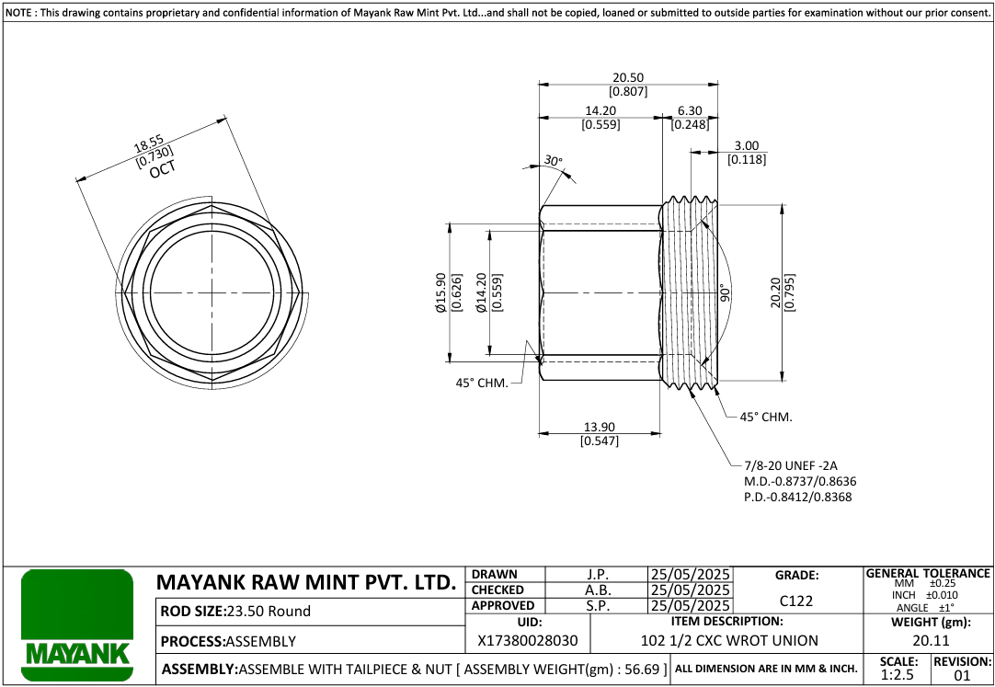
5
1
6
7

8
9

2

4
10

3

Print Page 3
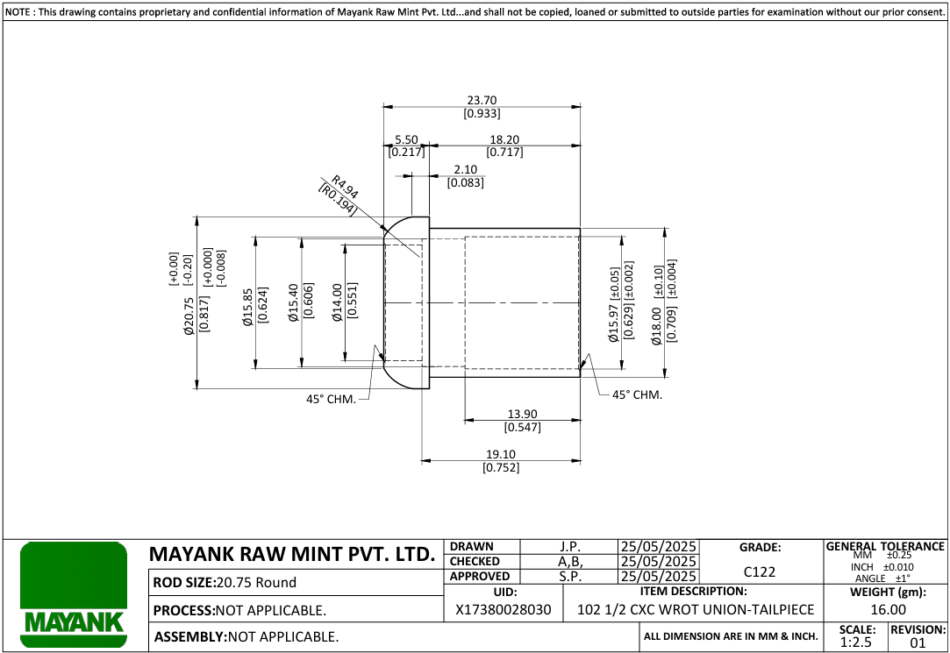
15
13
14

12

11

16

17
18
19

20
21

Print Page 4
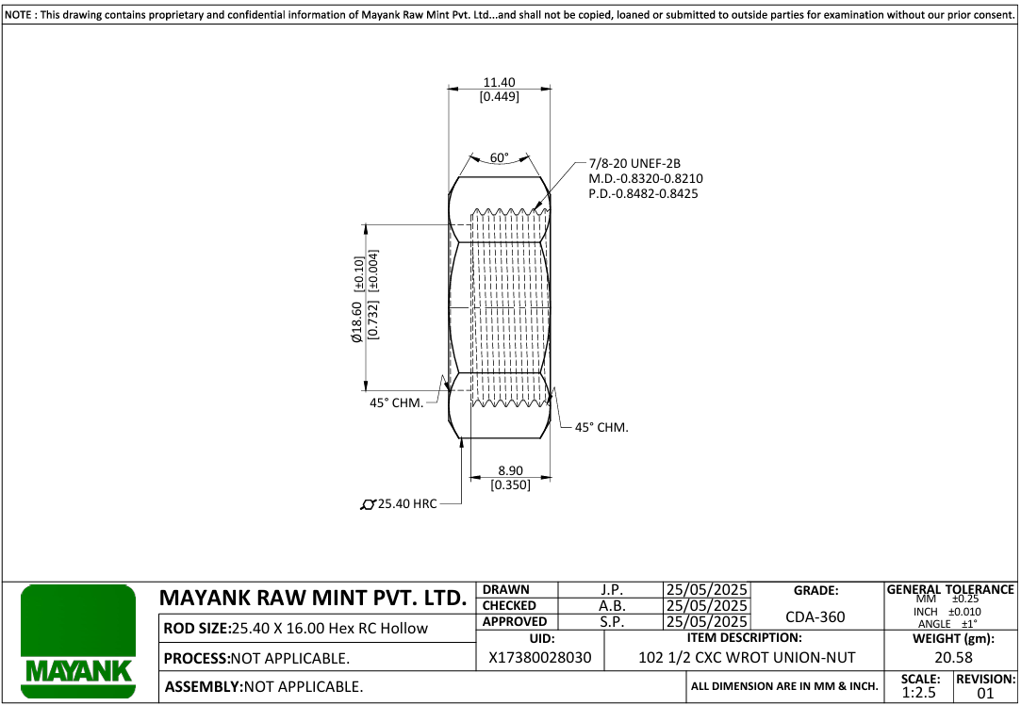

22

24

25

23

Tolerance Table


