1N
Item No. | Picture |  | Product name | Description & Features | Unit | Qty | BAR CODE | جملة | مفرق
JDCDP5281 | 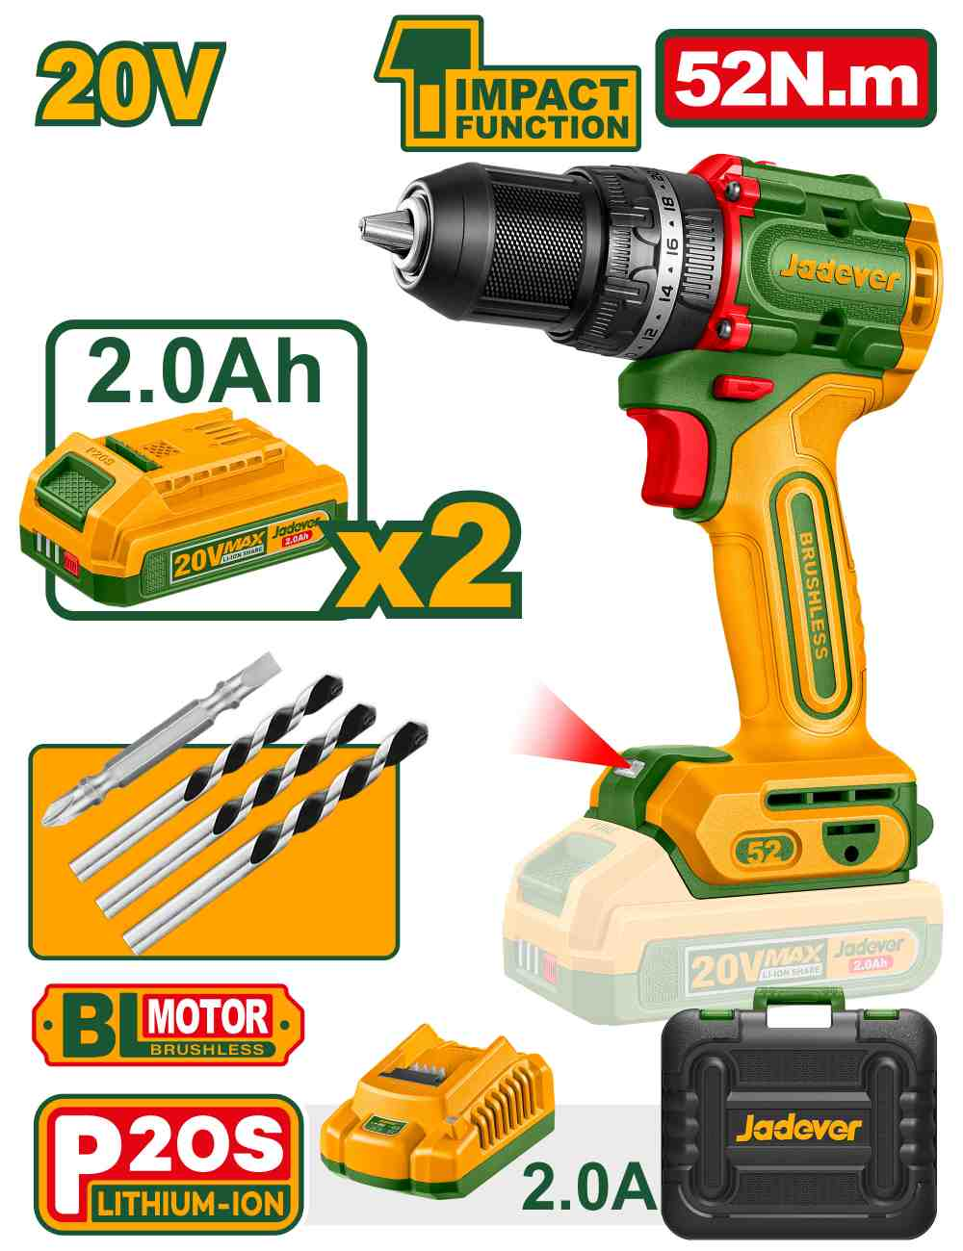 | Jadever JDCDP5281 درل شحن 20 فولت جوزة 13 ملم مع 2 بطارية وشاحن | Compact brushless cordless impact drill | Brushless motor Voltage: 20V No-load speed: 0-500/0-2000rpm Max impact rate: 30000bpm Max torque: 52Nm Plastic chuck Chuck capacity: 13mm Torque settings: 22+1+1 Mechanical 2-speed gear Spindle lock function Integrated LED work light LED battery power indicator Include: 2 Pcs 2.0Ah battery pack(JDLBP520) 1 Pcs charger(JDFCP502) Charge volts: 220-240V~50/60Hz 1 Pcs Cr-V bit 3 Pcs masonry drill bits Packed by carrying case | PCS | 300 | 6923736795023 | 38.50 | 49.000
JDTVM1D128 | 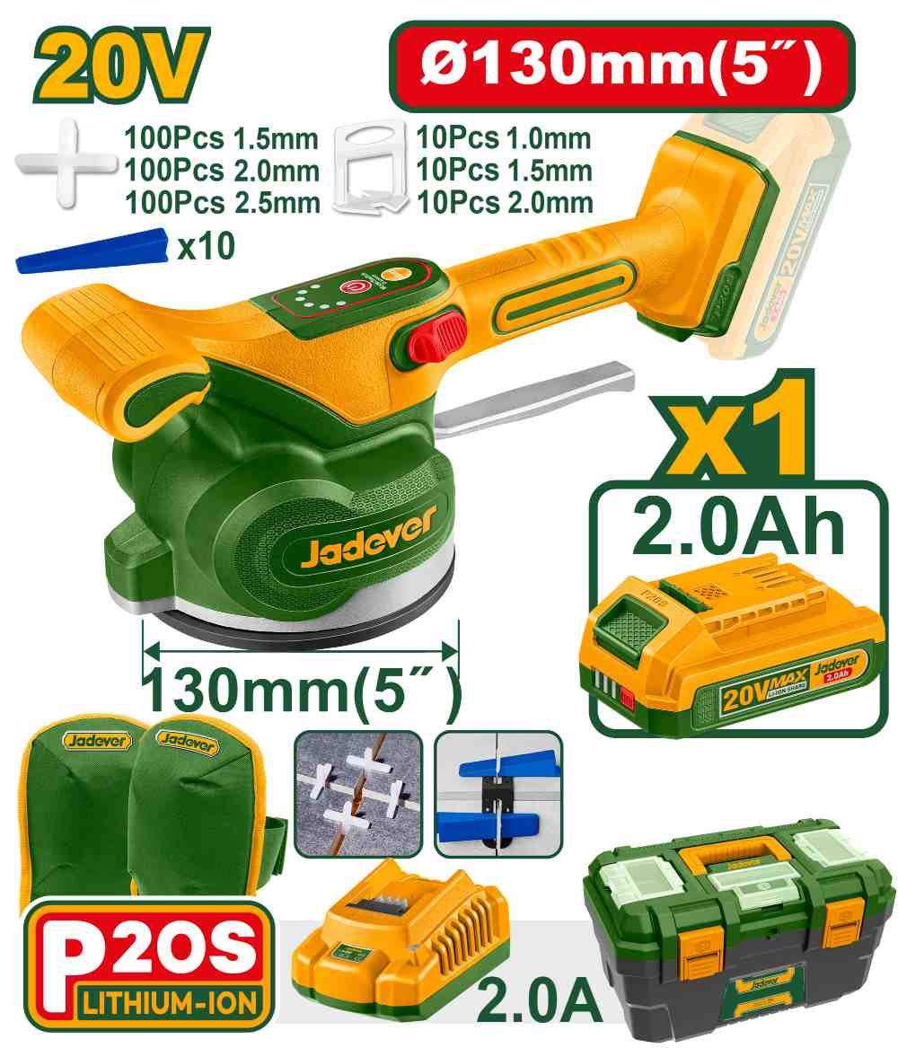 | Jadever JDTVM1D128 رجاج بلاط شحن 20 فولت مع بطارية 2 أمبير وصندوق بلاستيك مع واقي ركبة | Cordless tile vibration machine | Voltage: 20V Vibrational frequency: 0-10000rpm Adsorbability: 50kg Include: 1 Pcs 2.0Ah Battery pack (JDLBP520) 1 Pcs charger (JDFCP502) 1 Set kneepads 1 Set 1.5mm tile spacer 1 Set 2.0mm tile spacer 1 Set 2.5mm tile spacer With 1 Set 1.5mm tile spacer With 1 Set 2.0mm tile spacer With 1 Set 2.5mm tile spacer With 1 Set 1.0mm tile leveler With 1 Set 1.5mm tile leveler With 1 Set 2.0mm tile leveler With 1 Set tile leveler insert Packed by plastic buckle | SET | 140 | 6937541203505 | 32.50 | 40.000
JDCLP556 | 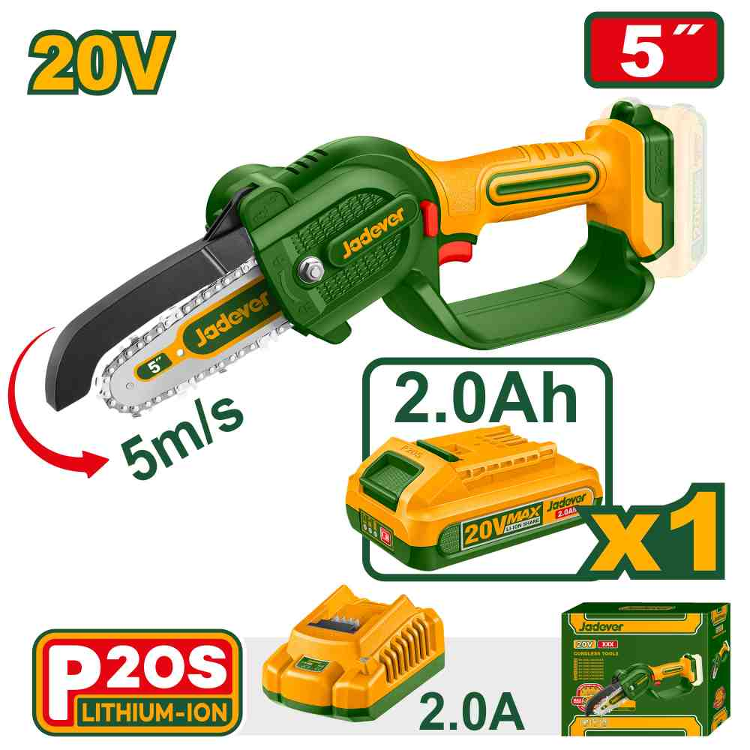 | Jadever JDCLP556 منشار شجر شحن 20 فولت 5 انش مع بطارية وشاحن | Cordless pruner saw | Voltage: 20V Bar length: 5"(13cm) Chain speed: 5m/s Include: 1 Pcs 5" saw chain 1 Pcs 5" chain saw bar 1 Pcs wrench 1 Pcs oil bottle(empty) 1 Pcs 2.0Ah 20V battery pack(JDLBP520) 1 Pcs charger(JDFCP502) Charge volts: 220-240V~50/60Hz Packed by color box | PCS | 60 | 6923736796310 | 31.00 | 44.000
JDLBP520 | 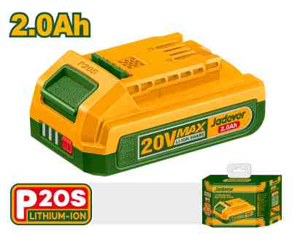 | Jadever JDLBP520 بطارية شحن 20 فولت 2 أمبير | Lithium-Ion battery pack | Voltage: 20V Lithium-Ion 2.0Ah battery LED battery power indicator One battery fits all P20S multiple tools Packed by color box | PCS | 40 | 6942210208910 | 10.00 | 14.000
JDLBP540 | 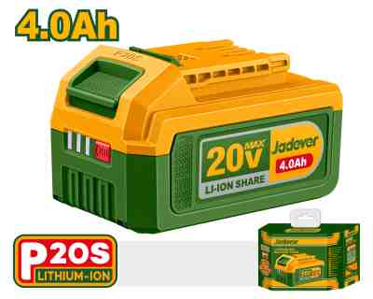 | Jadever JDLBP540 بطارية شحن 20 فولت 4 أمبير | Lithium-Ion battery pack | Voltage: 20V Lithium-Ion 4.0Ah battery LED battery power indicator One battery fits all P20S multiple tools Packed by color box | PCS | 36 | 6942210217905 | 17.00 | 23.000
JDFCP540 | 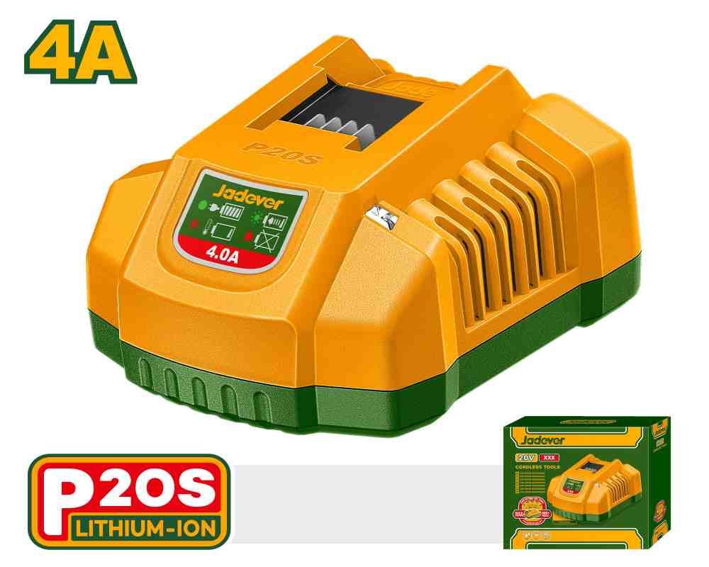 | Jadever JDFCP540 شاحن بطارية 20 فولت 4 أمبير | P20S battery charger | Input voltage:220-240V~50/60Hz Output voltage:20V Output current:4A Packed by color box | PCS | 40 | 6942431494390 | 8.00 | 12.000
JDCV4628 | 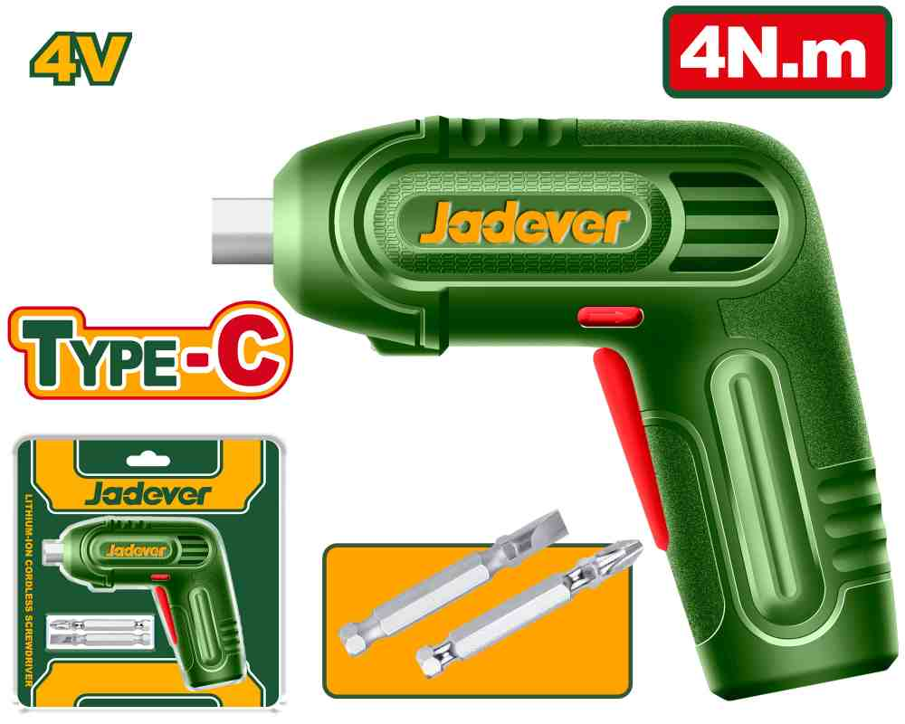 | Jadever JDCV4628 مفك شحن 4 فولت 4 نيوتن | Cordless screwdriver | Voltage:4V Hex Shank:1/4" No-load speed:240rpm Max torque:4Nm Charging via USB type-C cable(cable sold separately) Integrated LED work light Include: 2 Pcs 50mm Cr-V bits Packed by Double blister | PCS | 160 | 6923736796884 | 7.00 | 9.000
JDPL3C06 | 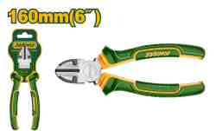 | Jadever JDPL3C06 قطاعة 6 أنش | Diagonal cutting pliers | Size: 6"/160mm Material: carbon steel Surface treatment: polish and anti-rust oil Two color handle Packed by PP hanger | PCS | 108 | 6942210219923 | 1.40 | 2.000
JDPL3C07 | 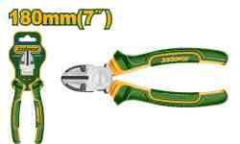 | Jadever JDPL3C07 قطاعة 7 أنش | Diagonal cutting pliers | Size: 7"/180mm Material: carbon steel Surface treatment: polish and anti-rust oil Two color handle Packed by PP hanger | PCS | 576 | 6942210211255 | 1.75 | 2.500
JDPL0953 | 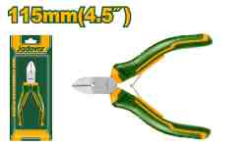 | Jadever JDPL0953 قطاعة الكتروني 4.5 أنش | Mini diagonal cutting pliers | Size:4.5"/115mm Polish and anti-rust oil With plastic handle Packed by plastic bag | PCS | 360 | 6942210205698 | 1.00 | 1.500
JDPL0957 | 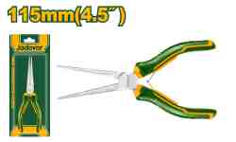 | Jadever JDPL0957 زرادية بوز طويل الكتروني 4.5 أنش | Mini needle nose pliers | Size:4.5"/115mm Polish and anti-rust oil With plastic handle Packed by plastic bag | PCS | 360 | 6942210205957 | 1.00 | 1.500
JDPS8613 | 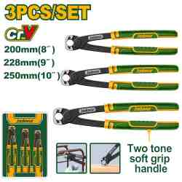 | Jadever JDPS8613 طقم قطاعات نجارين 3 قطع | 3 Pcs rabbet pliers set | 3 Pcs rabbet pliers set Include: 1 Pcs 8" rabbet pliers 1 Pcs 9" rabbet pliers 1 Pcs 10" rabbet pliers Material: Cr-V Surface treatment: black finish and polish Two color handle for strong grip and comfort Packed by double blister | SET | 400 | 6937541202270 | 5.00 | 8.000
JDPL2E11 | 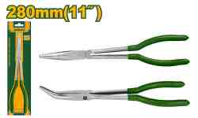 | Jadever JDPL2E11 زرادية بوز طويل 11 انش | 45-Degree long nose pliers | Size:11"/280mm Type: 45-degree Polish and anti-rust oil With plastic handle Packed by sliding card | PCS | 144 | 6937541205882 | 2.90 | 4.000
JDSS1408 | 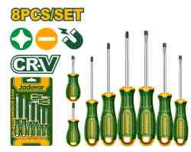 | Jadever JDSS1408 طفم مفكات 8 قطع | 8 Pcs screwdriver set | 8 Pcs screwdriver set Material:CR-V Round shank SL6.5*38 PH2*38 SL3*75 SL5.5*75 SL6.5*100 PH0*75 PH1*75 PH2*100 Packed by sliding card | SET | 240 | 6942210213266 | 3.00 | 4.500
JDSK9419 | 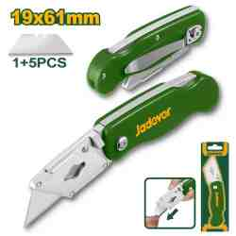 | Jadever JDSK9419 مشرط طوي مع 6 شفرات | Folding knife | Folding knife Blade size:61mm*19mm With 1+5 pcs blades Length:150mm Net weight:60g Material: plastic(hips) Packed by double blister | PCS | 288 | 6937541202768 | 1.35 | 2.000
JDSX2607 | 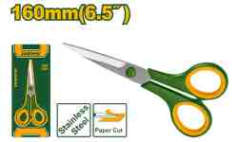 | Jadever JDSX2607 مقص 6.5 انش | Scissors | Size:160mm Material: Stainless steel Blade thickness:2.0mm Packed by sliding card | PCS | 480 | 6942210216755 | 0.70 | 1.200
JDSX4603 | 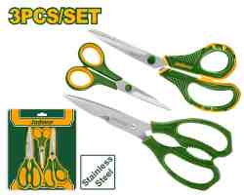 | Jadever JDSX4603 طقم مقصات 3 قطع | Scissors set | 3pcs scissors set Include: 1 Pcs 215mm/8.5'' scissors 1 Pcs 210mm/8" kitchen scissors 1 Pcs 140mm/5.5'' scissors Packed by paper hanger | SET | 288 | 6942210214775 | 2.00 | 3.500
JDHF3110 | 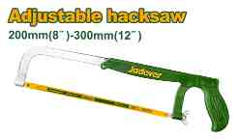 | Jadever JDHF3110 منشار حديد متحرك | Adjustable saw frame | Adjustable hacksaw frame Adjustable size:(200mm)8'', (250mm)10 '', (300mm)12 '' Steel handle and body,strong and comfortable Suitable for cutting metal, plastic and wood With 1 pc (300mm)12 " blade Packed by paper card | PCS | 432 | 6942431490040 | 1.50 | 2.200
JDHB2H24 | 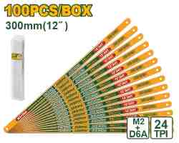 | باكيت نسلات منشار حديد 10 حبات Jadever JDHB2H24 | Bi-Metal hacksaw blade | Material: M2+D6A Number of teeth: 24T Size: 300mm 12" 100Pcs/box Suitable for : Hacksaw frame Packed by plastic box | PCS | 800 | 6942210219602 | 4.00 | 5.000
JDCSK3601 | 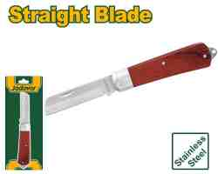 | Jadever JDCSK3601 سكين كيبل مستقيم | Cable stripping knife | The straight head Size:210mm Special steel Thickness:3mm Wooden handle Packed by sliding card | PCS | 720 | 6923736791520 | 2.00 | 3.000
JDCP5386 | 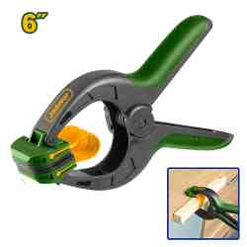 | Jadever JDCP5386 ملقط 6 انش | Spring clamp | Side spring clip clamp Size:6" Material of body:PA6+GF30 Material of jaw:ABS Material of tape:silica gel Packed by label | PCS | 800 | 6942431490286 | 1.00 | 1.500
JDGU3614 | 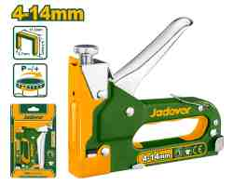 | Jadever JDGU3614 مكبس تنجيد 4-14 ملم | Staple gun | Staple gun Adjustable driving force Wire:0.7mm Crown:11.3mm Length:4-14mm Packed by sliding card Matched with Staple items: JDNA0706/JDNA0708/JDNA0710/JDNA0712/JDNA0714 | PCS | 240 | 6942210204424 | 3.00 | 4.500
JDAS2910 | 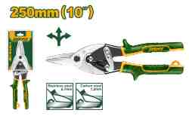 | Jadever JDAS2910 مقص صاج 10 انش | Aviation snip | Unique design two tone soft handle Aviation snip (Straight) Length:250mm(10") Max.cutting thicness: Carbon steel ≤1.2mm Stainless steel ≤0.7mm Packed by half double blister | PCS | 480 | 6942210211347 | 2.50 | 3.500
JDHM5325 | 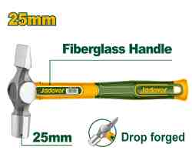 | Jadever JDHM5325 شاوكوش يد فيبر 25 ملم | Engineers cross pein hammer | Size：25mm Drop-forged hammerhead Heat treatment 45# carbon steel Unique design fiberglass handle Packed by label | PCS | 120 | 6942210215628 | 3.00 | 4.000
JDST2414 | 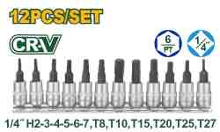 | Jadver JDST2414 طقم بوكس سداسي ومشرنف 12 قطعة 1/4 انش | 12 Pcs 1/4" Bit socket set | 12 Pcs 1/4" Bit socket set Include: 6 Pcs 1/4" Dr. Hex bit socket: H2-3-4-5-6-7 6 Pcs 1/4" Dr. Torx bit socket: T8,T10,T15,T20,T25,T27 Drive size: 1/4" Bit material: Cr-V Socket material: 50BV30 steel (Cr-V) Heat treatment Chromed plated Packed by double blister | SET | 160 | 6942210202956 | 3.00 | 4.500
JDTH2E02 | 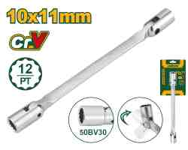 | Jadever JDTH2E02 مفتاح بوكس 10*11 ملم | Double flexible socket wrench | Double end flexible head wrench with 12 points socket Socket size: 10mm&11mm Length: 196mm Socket material: 50BV30 Wrench material: 45# carbon steelHeat treatment Chrome plated, matt finish Packed by paper hanger | PCS | 288 | 6942210218919 | 1.75 | 2.500
JDTH2E06 |  | Jadever JDTH2E06 مفتاح بوكس 18*19 ملم | Double flexible socket wrench | Double end flexible head wrench with 12 points socket Socket size: 18mm&19mm Length: 255mm Socket material: 50BV30 Wrench material: 45# carbon steelHeat treatment Chrome plated, matt finish Packed by paper hanger | PCS | 144 | 6942210215642 | 2.50 | 3.500
JDHY2515 | 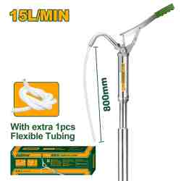 | JADEVER JDHY2515 Hand oil pump طرمبة زيت يدوي المنيوم | Hand oil pump | Hand oil pump Pump rate 15L/min Length: 127cm Material: carbon steel+aluminum pump head Chrome plated Tube can be removed More pressure with less effort Packed by color box | PCS | 120 | 6942210204561 | 11.00 | 16.000
JDHY2525 | 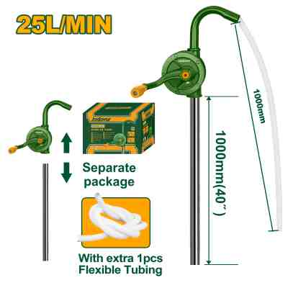 | JADEVER JDHY2525 Hand oil pump طرمبة زيت يدوي سكب ثقيل | Hand oil pump | Hand oil pump Pump rate 25L/min Length: 127cm Pumps diameter: 125mm Material: carbon steel Zinc plating Packed by colour box | PCS | 120 | 6942210204578 | 15.00 | 20.000
JDRW4214 | 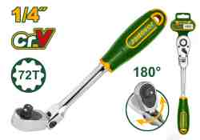 | Jadever JDRW4214 طرطيقة 1/4 انش متحركة | 1/4" Dr. Flex head ratchet | Drive size: 1/4" Tooth count: 72T Length: 200mm Material: Cr-V+Cr-Mo Flex head Heat treatment Chromed plated Two color soft handle Swivel head great for tight, confined areas Packed by plastic hanger | PCS | 160 | 6923736791483 | 5.00 | 6.500
JDMW2523 | 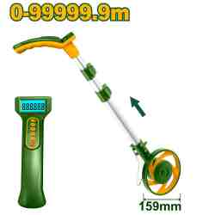 | Jadever JDMW2523 عجل قياس مساحة ديجتال | Digital display measuring wheel | Display resolution:0.1m Tolerance:±5% Measuring range:0-99999.9m Wheel diameter: 159mm Wheel perimeter: 500mm With stand With:2PCS AAA batteries Packed by color box | PCS | 60 | 6942210216595 | 24.00 | 35.000
JDFL7508 | 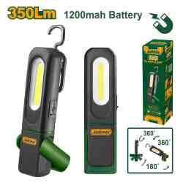 | Jadever JDFL7508 لوكس شحن قاعدة مغناطيس | Flashlight | Brightness: High:350 lumens Low:110 lumens Spot:80 lumens Irradiation distance:20m With 1pcs 1200mah battery High light 4H runtime Low light 6.5H runtime Spot light:3H runtime IP62 Size :154*31*42mm, Weight:108g(without battery) Packed by color box | PCS | 150 | 6942210206756 | 8.00 | 12.000
JDKR1G75 | 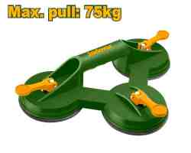 | Jadever JDKR1G75 شفاط زجاج ثلاثي حمولة 75 كيلو | Sucker | Three claw glass sucker Handle material: ABS Max. pull: 75kg Cup diameter: 115mm Packed by color sleeve | PCS | 90 | 6937541205806 | 4.50 | 6.500
JDTG3119 | 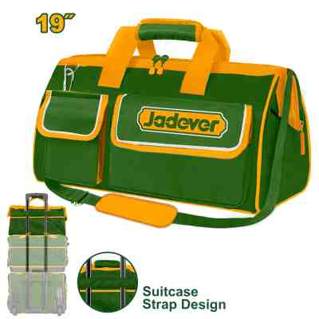 | Jadever JDTG3119 شنطة عدة قماش 19 انش | Tool bag | Size:19" Material:600D polyester Max load:16kg Rigid frame for easy opening and access internal & external pockets for additional storage capacity Packed by paper card | PCS | 120 | 6942210203090 | 7.25 | 10.000
JDTB4103 | 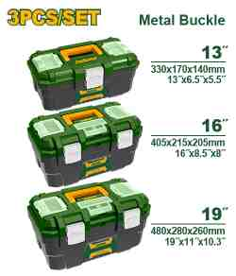 | Jadever JDTB4103 طقم صندوق عدة بلاستيك 13-16-19 انش بلاستيك | 3 Pcs Plastic tool boxes set | 3 Pcs Plastic tool boxes set 13"+16"+19" 13" Box size: 330mm(13")x170mm(6.5")x140mm(5.5") 16" Box size: 405mm(16")x215mm(8.5")x205mm(8") 19" Box size: 480mm(19")x280mm(11")x260mm(10.3") Metal buckle Material: PP plastic High-strength Handle Upper cover with three storage areas Upper cover with scale function Contains 1Pcs plastic tray Packed by label | SET | 64 | 6942210208057 | 15.00 | 22.500
JDCS5A05 | 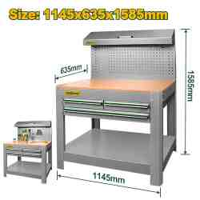 | Jadever JDCS5A05 طاولة عمل1145*635*1585 | Work bench | Work bench With 3pcs drawers and a pegboard Material: Steel frame + MDF Overall size:1145*635*1585mm Weight: 50kg Bottom shelf height from the ground: 198mm Working height: 920mm Thickness of work bench:0.8-1.0mm Thickness of drawer:0.7mm With 1 pcs 895*450*74.5mm drawer With 2 pcs 400*385*74.5mm drawers Ball bearing drawer Anti-shock protection Packed by carton box | PCS | 5 | 6937541208425 | 235.00 | 315.000
JDTB2370 | 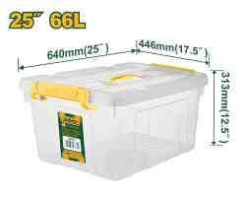 | صندوق تخزين بلاستيك شفاف 66 لتر Jadever JDTB2370 | Plastic storage box | 25" Plastic storage box Volume capacity:66L Size:640mm(25")*446mm(17.5)*313mm(12.5") Material:100% random PP Color:Clear Weight:1831g PP plastic buckle Lid with handle Packed by label | PCS | 160 | 6942210208231 | 7.50 | 10.000
JDTQ1856 | 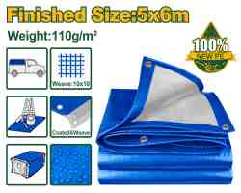 | JADEVER JDTQ1856 Tarp شادر أزرق مع حلقات 5*6 متر | Tarp | Polyethylene tarp Finished size: 5m*6m (FEET: 16.4x19.6) Material: 100% new PE Weight: 110g/㎡ Weave: 10*10 mesh Thickness: 0.15mm Aluminium grommets every 100cm for easy tie down Both sides laminated & coating with 100% new PE Ideal for waterproof; snowproof, dustproof, UV-protective Packing by poly bag with color paper | PCS | 84 | 6942210213334 | 10.50 | 15.000
JDFG2602 | 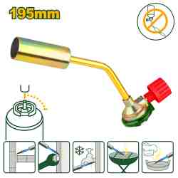 | JADEVER JDFG2602 Flame gun حراق غاز | Flame gun | Can't fire upside down Size: 195x70x40mm Weight: 105g Material: steel+aluminum+zinc alloy Flame temperature: 1100°(can be adjusted) Gas usage: 258g/h Connection type: bayonet type Igniting method: manual ignition Durable metal body, just cost 2 secs to replace gas, built-in filter screen to prevent blockage of air outlet Suitable for household, restaurants and multiple uses Packed by sliding card | PCS | 360 | 6942210201331 | 1.80 | 3.000
JDFG1604 | 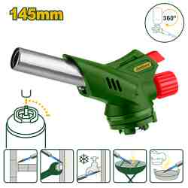 | JADEVER JDFG1604 Flame gun حراق غاز مع شعلة | Flame gun | Can fire upside down Size: 145*71*38mm Weight: 123g Material: aluminum+zinc alloy Flame temperature: 1300°(can be adjusted) Gas usage: 80g/h Connection type: bayonet type Igniting method: automatic piezoelectricity ignite Lightweight plastic body, just cost 2 secs to replace gas Suitable for household, restaurants and multiple uses Packed by sliding card | PCS | 240 | 6942210201324 | 2.70 | 5.000
JDPD3444 | 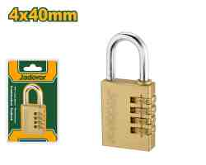 | Jadever JDPD3444 4 قفل ارقام 4 خانات 40 ملمk | 4 Digit brass combination padlock | Size:4x40mm Weight: 207g Lock body material: brass Lock core: solid brass cylinder With 4 code wheels The password combination can be customized Packed by double blister | PCS | 720 | 6942210216557 | 4.20 | 5.500
JDEB1550 | 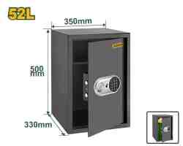 | JADEVER JDEB1550 Electronic safe خزنة قياس 35 عرض *33 عمق *50 طول 52 لتر | Electronic safe | Extenal dimensions(H*W*D):20"*14*13"(50*35*33cm) Volime:52L Thickness(door panel/box body):3/1.5mm Can be registered 3 to 8 digit code freely Net Weight:17kg Mounting:can be fixed to wall or floor Include: 1 x safe, 2 x mechanical key,1 x user manual/fitting instructions,4x expansion bolt Packed by color box | PCS | 124 | 6942210203359 | 55.00 | 75.000
JDSG1803 | 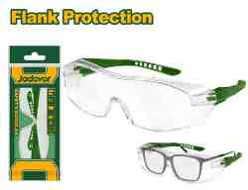 | Jadever JDSG1803 نظارة عمال شفاف فوق نظارات النظر | Safety goggles | Material:PC Safety glasses that fit over most eyeglasses Full-view full-slice structure prevents withstands impact Safety goggles Packed by poly bag | PCS | 576 | 6923736799359 | 0.80 | 1.500
JDSG3808 | 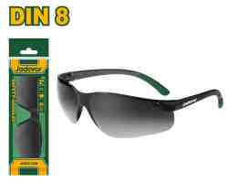 | Jadever JDSG3808 نظارة حماية شمسية | Safety goggles | Material:PC Dark shade:8 Light weight,comfortable to wear,wide visual field Indoor and outdoor lenses Packed by Poly bag | PCS | 576 | 6942210201980 | 0.65 | 1.250
JDEM1101 | 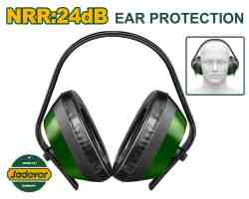 | Jadever JDEM1101 واقي اذن سماعة | Earmuff | Impact-resistant PS shell body,soft foam pad NRR:24dB Packed by paper card | PCS | 600 | 6942210202055 | 1.75 | 2.700
JDBD1510 | 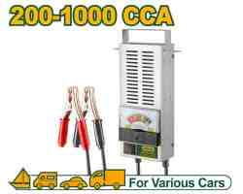 | Total JDBD1510 فاحص بطارية سيارة 100 أمبير | Battery load tester | Current range: 200-1000CCA Load current: 100A Suit 6/12V lead-acid battery Accurate&reliable with meter display Shock resistant movement accurate to 2% heavy-duty, ventilated, baked-enamel steel case Features: car battery tester Packed by color box | PCS | 40 | 6942431497438 | 20.00 | 30.000
JDJU1020 | 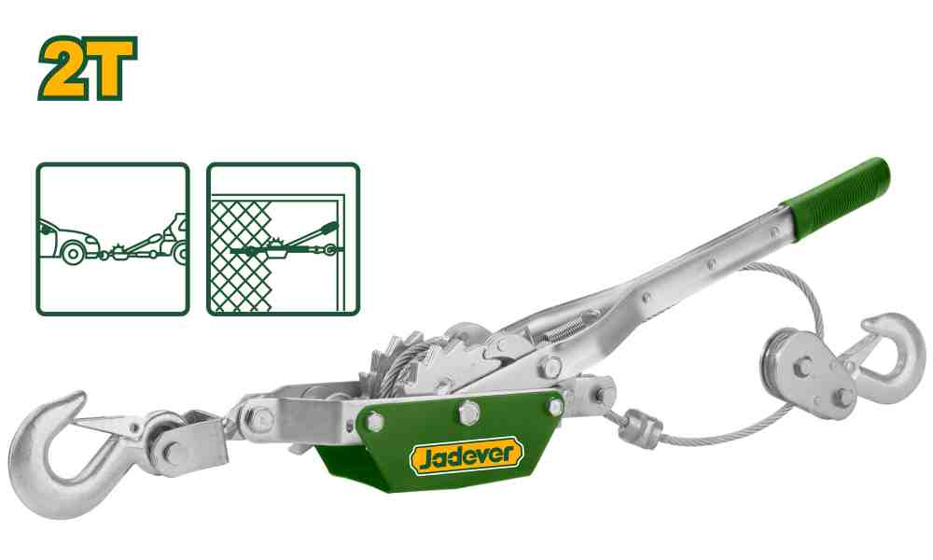 | JADEVER JDJU1020 Hand winch puller مشد سياج 2 طن | Hand winch puller | Lift capacity: 2T Double rack steel gear Cable diameter: 4.8mm Cable length: 2.8m Non-slip handle Number of hooks: 2 Min hook to hook distance: 62cm Max hook to hook distance: 1.8m Used to pull or tighten Ideal for moving vehicles, machines, logs and other heavy objects Packed by color box | PCS | 90 | 6942210202116 | 11.50 | 16.000
JDJW1101 | 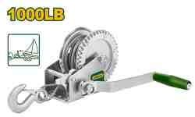 | JADEVER JDJW1101 Hand winch ونش يدوي 460 كيلو | Hand winch | Pulling capacity: 1000 lbs/460kgs Cable diameter: 4.8mm Cable length: 8m Gear ratio: 4.1:1 Medium carbon steel forged hook Non-slip nylon handle Size of mounting plate: 9cm width x 13.7cm length with fixing screw holes Surface treatment: zinc plating For towing boats, trailers, trucks and agriculture equipment Packed by color box | PCS | 90 | 6942210202123 | 12.50 | 17.000
JDWB5F04 | 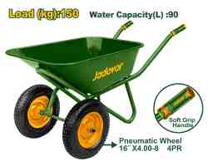 | Jadever JDWB5F04 عرباية باطون ثقيل حمولة 150 كيلو سماكة(0.8 ملم) | Wheel barrow | Load (kg):150 Water Capacity(L) :90 Sand Capacity(CBF):5 Wheel:16"X4.00-8,pneumatic wheel with bearing 4PR,tyre with diamond lines with 2pcs wheels Tray with 0.8mm thickness Handle with 1.2x32mm Leg with 1.2x28mm | PCS | 150 | 6942431491788 | 40.00 | 55.000
JDWB1315 | 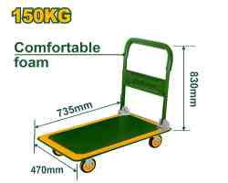 | Jadever JDWB1315 عرباية مبسطة 150 كيلو | Foldable platform hand truck | Capacity :150kgs Material: steel Steel handle with comfortable foam Extended size: 735*470*830mm Folded size: 735*470*220mm Plate size: 735*470mm Wheel diameter and material: 100mm(PP+TPR) N.W: 7kg Package: 1pcs with color sticker in a carton | PCS | 60 | 6942210203502 | 24.00 | 33.000
JDAY1A10 | 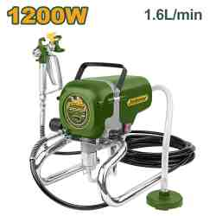 | ماكنه دهان ايرليس بدون هواء JADEVER JDAY1A10 | Airless paint sprayer | Voltage:220-240V~50/60Hz Motor rating power:1200W Max pressure:20.7MPa Max (Fluid) delivery: 1600ml/min 7.5m black pipe Weight: 11kg Automatic oiling system With 517 nozzle spray gun Packed by carton box | PCS | 10 | 6942210207968 | 125.00 | 188.000
JDGL1407 |  | Jadever JDGL1407 فرد سيلكون حراري 100 واط | Glue gun | Volts:220-240V~50/60Hz Input power:16W(100W) Gluing capacity:5-8g/min Glue stick diameter:7mm With 2pcs 100mm glue sticks Packed in double blister | PCS | 560 | 6923736791018 | 1.90 | 3.000
JDEL4561 |  | Jadever JDEL4561 كاوي لحام ستيشن مع هواء ساخن للالكترونيات | Hot air rework soldering station | Voltage:220-240V~50Hz Electric soldering iron: Input power:60W Temperature range 180℃~500℃ Straight, tip head Digital display Heat gun: Brushless Motor Input power:700W Temperature range 100℃~500℃ Gas flow: ≤120L/min Temperature can be adjusted by rotating and thermostatic Long life replaceable tip Packed by color box | PCS | 48 | 6937541200702 | 27.00 | 37.000
JDHXS1310 |  | Jadever JDHXS1310 قصدير لحام نقي 99.3% 1 ملم 50 غم | Lead-Free solder wire | Lead-Free solder wire Diameter: 1.0mm Net weight: 50g Mix: 99.3%Sn+0.7%Cu Flux content: 2.2% Typical temperature of soldering iron tip for use with this solder is 370-430°C Melting point is 227°C Packed by color box | PCS | 384 | 6923736792190 | 3.80 | 5.000
JDHXS1312 |  | Jadever JDHXS1312 قصدير لحام نقي 99.3% 1.2 ملم 50 غم | Lead-Free solder wire | Lead-Free solder wire Diameter: 1.2mm Net weight: 50g Mix: 99.3%Sn+0.7%Cu Flux content: 2.2% Typical temperature of soldering iron tip for use with this solder is 370-430°C Melting point is 227°C Packed by color box | PCS | 384 | 6923736799212 | 3.80 | 5.000
JDHXS1315 |  | Jadever JDHXS1315 قصدير لحام نقي 99.3% 1.5 ملم 50 غم | Lead-Free solder wire | Lead-Free solder wire Diameter: 1.5mm Net weight: 50g Mix: 99.3%Sn+0.7%Cu Flux content: 2.2% Typical temperature of soldering iron tip for use with this solder is 370-430°C Melting point is 227°C Packed by color box | PCS | 384 | 6923736790837 | 3.80 | 5.000
JDHP3A10 |  | Jadever JDHP3A10 ماكنة غسيل 1200 واط ماتور 70 بار | High pressure washer | Voltage: 220-240V~50Hz Induction motor Aluminum wire Input power: 1200W Max Pressure: 70Bar (1015PSI) Flow rate: 6.0L/min Auto stop system Include: 1 Set water spray gun 1 Pcs 8m high pressure hose 1 Pcs water inlet screw Packed by color box | PCS | 46 | 6923736794415 | 50.00 | 73.000
JDXN2918 |  | Jadever JDXN2918 فرد ماكنة غسيل | Spray gun(Quick connector) | Material: plastic body Quick connector Suitable for JDHP1A11/JDHP3A12/JDHP3A14/JDHP1A12 Packed by plastic bag | SET | 50 | 6923736790608 | 6.50 | 8.500
JDXN3915 |  | Jadever JDXN3915 بربيش ماكنة غسيل | High pressure hose(Quick connector) | Length: 5 Meters Material: PVC Quick connector Suitable for JDHP1A11/JDHP3A12/JDHP3A14/JDHP3A18 Packed by poly bag | PCS | 40 | 6923736798499 | 6.50 | 8.500
JDGA4611 |  | فرد تنفيخ هواء JADEVER JDGA4611 | Plastic air blow gun | Without quick plug Nozzle length:110mm Packed by sliding card | PCS | 400 | 6942210201287 | 1.20 | 2.500
JDSTC1501 |  | Jadever JDSTC1501 ماكنة تنظيف بخار للمكيفات 1500 واط | Air conditioner steam cleaner | Voltage: 220V-240V~50/60Hz Power:1500W tank capacity: 1L Working pressure: 1-1.5 bar max Power cord length: 2.5M Warm up time: 15s With working light Include: 1 Pcs storage accessory bag 1 Pcs big round brush 1 Pcs small round brush 1 Pcs high pressure nozzle 1 Pcs adaptor for ACC 1 Pcs measuring cup(500ml)+funnel 1 Pcs brass brush 1 Pcscleaning cloth 1 Pcs steam protective glove 1 Pcs shoulder strap Packed by color box | PCS | 50 | 6937541208982 | 40.00 | 50.000
JDSC1515 |  | ماكينة تنظيف بخار 5 بار 1800 واط Jadever JDSC1515 | Steam cleaner | Voltage: 220V-240V~50/60Hz Power:1800W Stainless tank capacity: 1.5L Nominal tank capacity: 1.3L Working pressure: 5 bar max Power cord length: 2.5M Warm up time: 7 min With safety valve filler cap With water-proof On-Off switch With working light & heating light Standard accessories: With 2pcs long wand with each 52cm With 1pcs floor scrub brush With 1pcs adaptor for floor scrub brush With 1pcs windows brush+textile iron With 1pcs storage accessory bag With 1pcs big round brush With 1pcs small round brush With 1pcs high pressure nozzle With 1pcs adaptor for ACC With 1pcs mop cloth+cleaning cloth With 1pcs measuring cup(500ml)+funnel With 1pcs mop cloth for textile iron With 1pcs brass brush Packed by color box | PCS | 40 | 6942431498565 | 70.00 | 99.000
JDMLT2Q40 |  | Jadever JDMLT2Q40 برج انارة بدون مولد 4.5 متر مع اربع كشافات 400 واط | Light tower | Lamp Type: LED lamps Lamp Power: 400W Lamp Number: 4 Rated Voltage: 220V Rated Frequency: 50Hz Mast Operation: 3 sections mast Elevating Height: 4500mm Elevating mode: manual winch Anti-wind Level: ＜6° Anti-slope: ＜10° Packed by wooden case | PCS | 6 | 6937541201198 | 1,200.00 | 1,400.000

