1N
 |  |  |  |  | Loading list of TO1N container on JAN. 11，2026 for Jordan TOTAL
Item No. | Picture |  | Product name | Description & Features | Unit | Qty | NW | CBM | BAR CODE
TIDLI205581 | 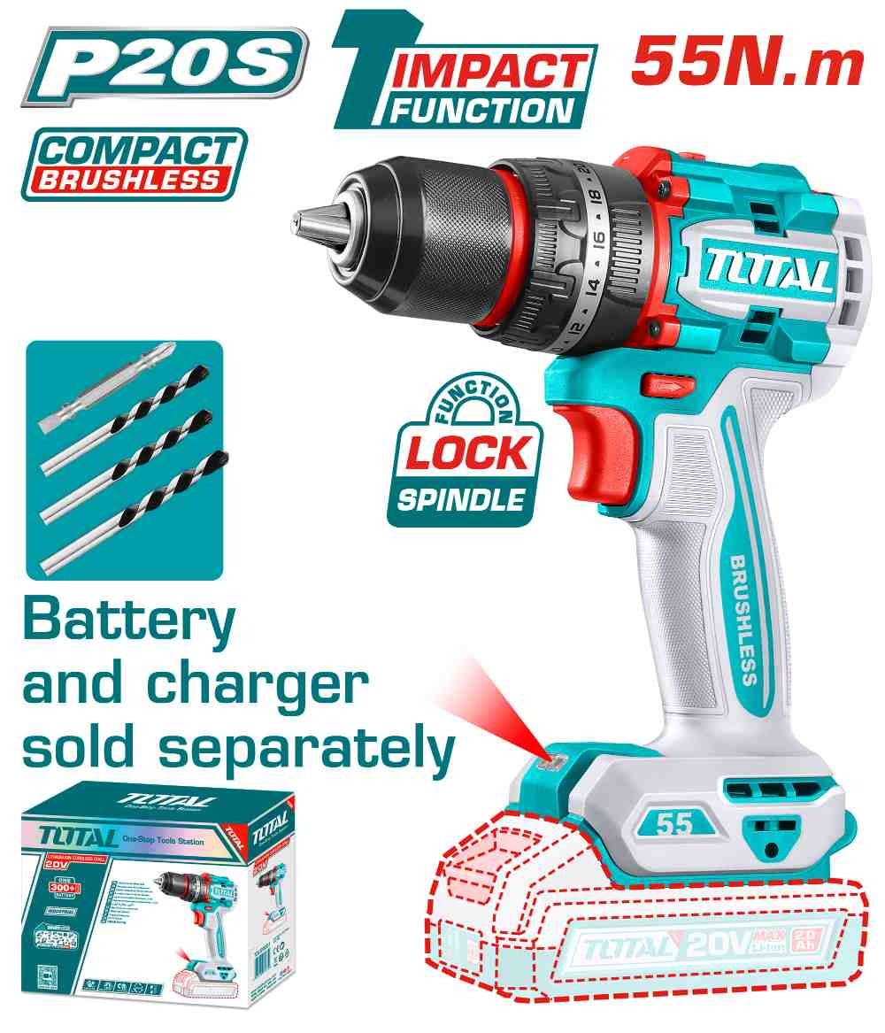 | Total TIDLI205581 درل شحن 20 فولت 55 نيوتن بدون بطاريات | Compact Brushless Cordless Impact Drill | Brushless motor Voltage: 20V No-load speed: 0-500/0-2000rpm Max impact rate: 30000bpm Max torque: 55Nm Metal chuck Chuck capacity: 13mm Torque settings: 22+1+1 Mechanical 2-speed gear Spindle lock function Integrated LED work light Include: 1 Pcs Cr-V 65mm bit 3 Pcs masonry drill bits Charger sold separately Packed by color box | PCS | 200 | 23.00 | 36.000 | 6942210223845
TIDLI206681 | 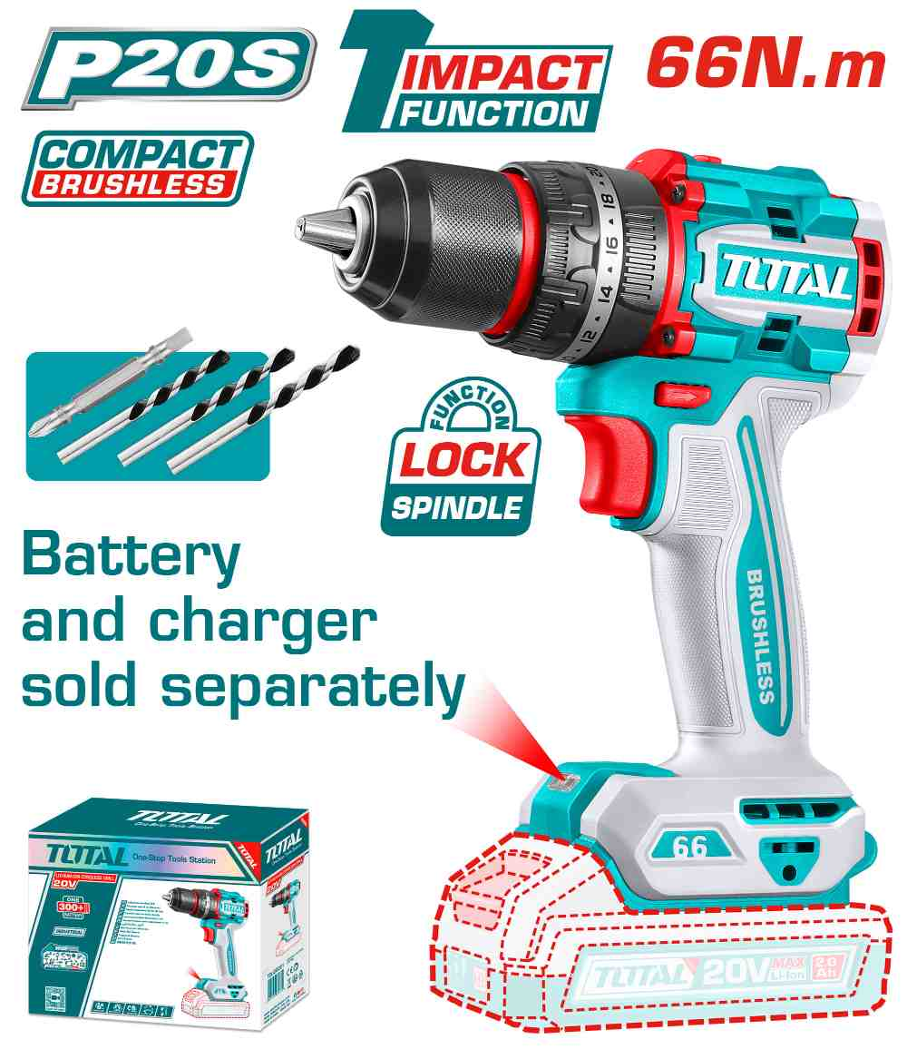 | Total TIDLI206681 درل شحن 20 فولت 66 نيوتن بدون بطاريات جوزة حديد 13 ملم | Compact Brushless Cordless Impact Drill | Brushless motor Voltage: 20V No-load speed: 0-500/0-2000rpm Max impact rate: 30000bpm Max torque: 66Nm Metal chuck Chuck capacity: 13mm Torque settings: 22+1+1 Mechanical 2-speed gear Spindle lock function Integrated LED work light Include: 1 Pcs Cr-V 65mm bit 3 Pcs masonry drill bits Charger sold separately Packed by color box | PCS | 200 | 25.00 | 35.000 | 6923736767969
TIDLI20668 | 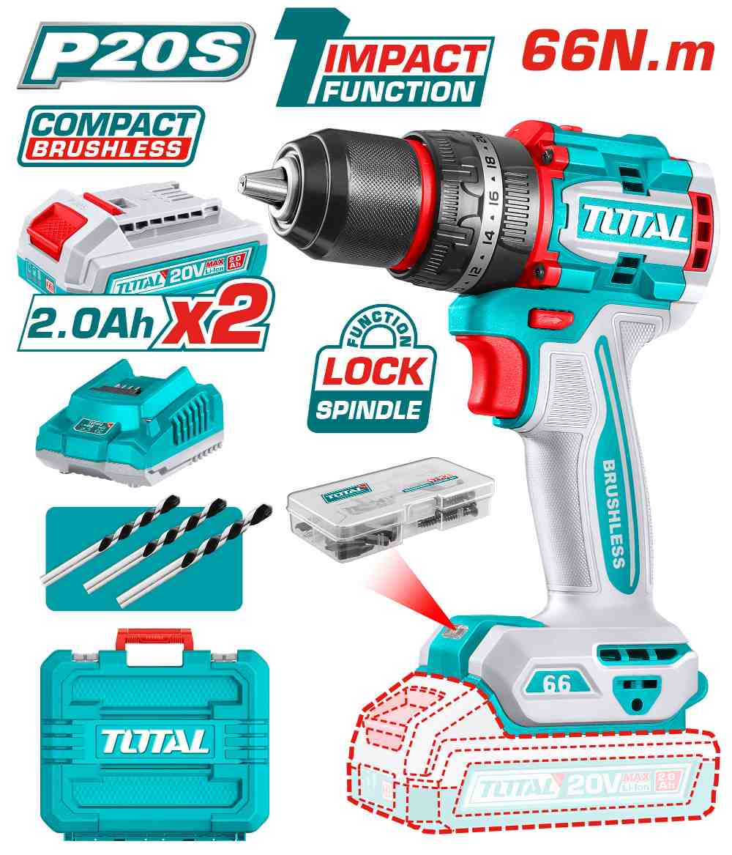 | Total TIDLI20668 درل شحن 20 فولت 66 نيوتن مع 2 بطارية 2 أمبير جوزة حديد 13 ملم | Compact Brushless Cordless Impact Drill | Brushless motor Voltage: 20V No-load speed: 0-500/0-2000rpm Max impact rate: 30000bpm Max torque: 66Nm Metal chuck Chuck capacity: 13mm Torque settings: 22+1+1 Mechanical 2-speed gear Spindle lock function Integrated LED work light LED battery power indicator Include: 2 Pcs 2.0Ah battery pack(TFBLI20011) 1 Pcs charger(TFCLI2001) Charge volts: 220-240V~50/60Hz 47 Pcs accessories 3 Pcs masonry drill bits Packed by carrying case | PCS | 290 | 51.00 | 68.000 | 6923736766269
TIDLI201668 | 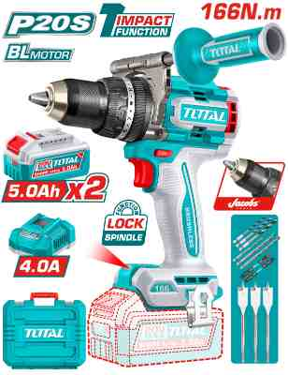 | Total TIDLI201668 درل شحن 20 فولت 166 نيوتن مع 2 بطارية 5 أمبير | Brushless cordless impact drill | Brushless motor Voltage: 20V No-load speed: 0-550/0-2100rpm Max impact rate: 31500bpm Max torque: 166Nm Jacobs metal chuck Chuck capacity: 13mm Torque settings: 23+1+1 Mechanical 2-speed gear Spindle lock function Integrated LED work light LED battery power indicator Include: 2 Pcs 5.0Ah battery pack(TFBLI20531) 1 Pcs charger(TFCLI20411) Charge volts: 220-240V~50/60Hz 3 Pcs wood flat drill bits(16.19.22mm) 3 Pcs masonry drill bits(5.6.8mm) 3 Pcs HSS drill bits(4.5.6mm) 2 Pcs 65mm impact screwdriver bits(PH2+PH2,PH2+SL6) 1 Pcs auxiliary handle Packed by carrying case | PCS | 40 | 111.00 | 140.000 | 6932584801961
TOSLI23056 | 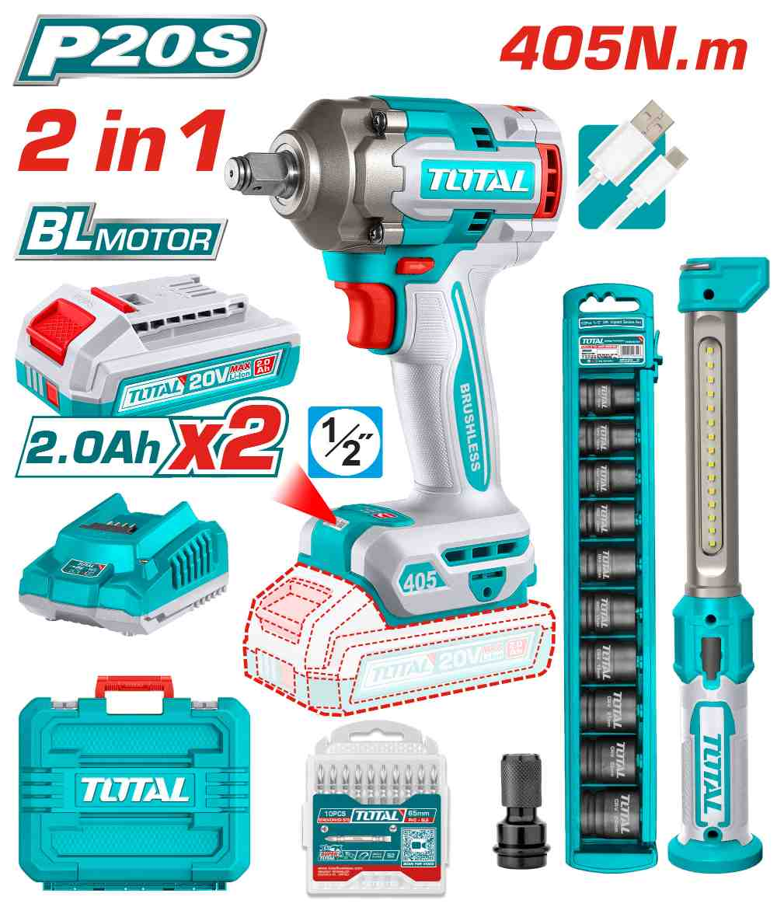 | Total TOSLI23056 درل بوكس شحن 20 فوات 405 نيوتن مع 2 بطارية 2 أمبير ولوكس هدية | Cordless 2 pcs combo kit | Voltage:20V With 1pcs cordless impact wrench(TIWLI20451) With 1pcs work lamp(TWLI043006) Cordless impact wrench(TIWLI20451): Brushless motor Voltage: 20V Square drive: 1/2" No-load speed: 0-1800/0-2000/0-2400rpm Impact rate: 0-2200/0-2600/0-3000bpm Fastening torque: 405Nm Breakaway torque: 555Nm Integrated LED work light Work lamp(TWLI043006) Using Li-polymer rechageable battery Lumens: Max:300±10% Low:75±10% LED power dissipation:3.5W Include: 1 Pcs USB charging cable 10 Pcs 1/2" DR. impact socket set 1 Pcs 1/2" square driver to 1/4" hex 10 Pcs PH2+SL6.0 65mm screwdriver bits 2 Pcs 2.0Ah battery pack(TFBLI20011) 1 Pcs charger(TFCLI2001) Charge volts:220-240V~50/60Hz Packed by carrying case | SET | 120 | 57.00 | 77.000 | 6932584808595
TIWLI2085 | 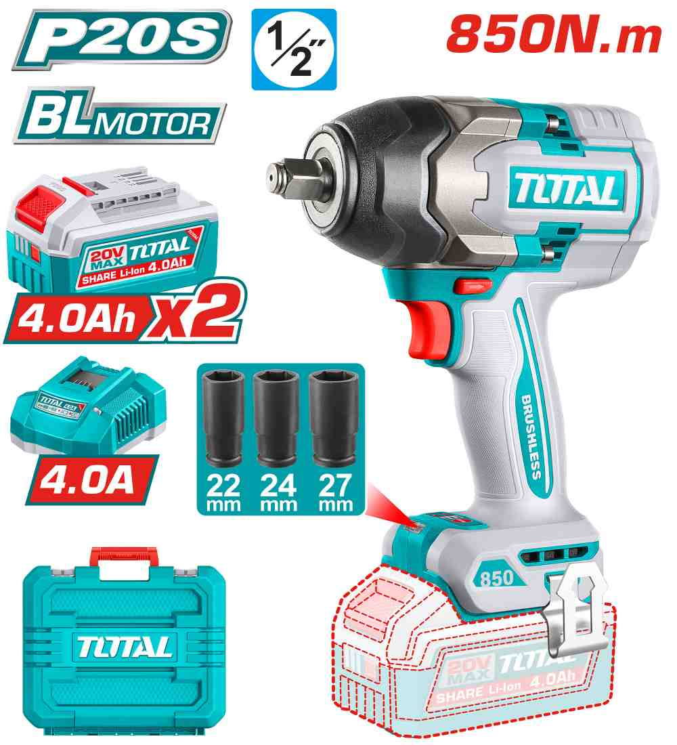 | Total TIWLI2085 درل بوكس 850 نيوتن مع 2 بطارية 4 أمبير وشاحن TDRLI2060151 | Cordless impact wrench | Brushless motor Voltage:20V Square drive:1/2" No-load speed: 0-1600/0-2100/0-2400rpm Impact rate: 0-1500/0-1800/0-2200bpm Fastening torque:850Nm Nut-Busting torque:1000Nm Integrated LED work light Include: 3 Pcs deep sockets(22,24,27mm) 2 Pcs 4.0Ah battery pack(TFBLI20021) 1 Pcs charger(TFCLI20411) Charge volts:220-240V~50/60Hz Packed by carrying case | PCS | 60 | 105.00 | 140.000 | 6942210229731
TAGLI261522 | 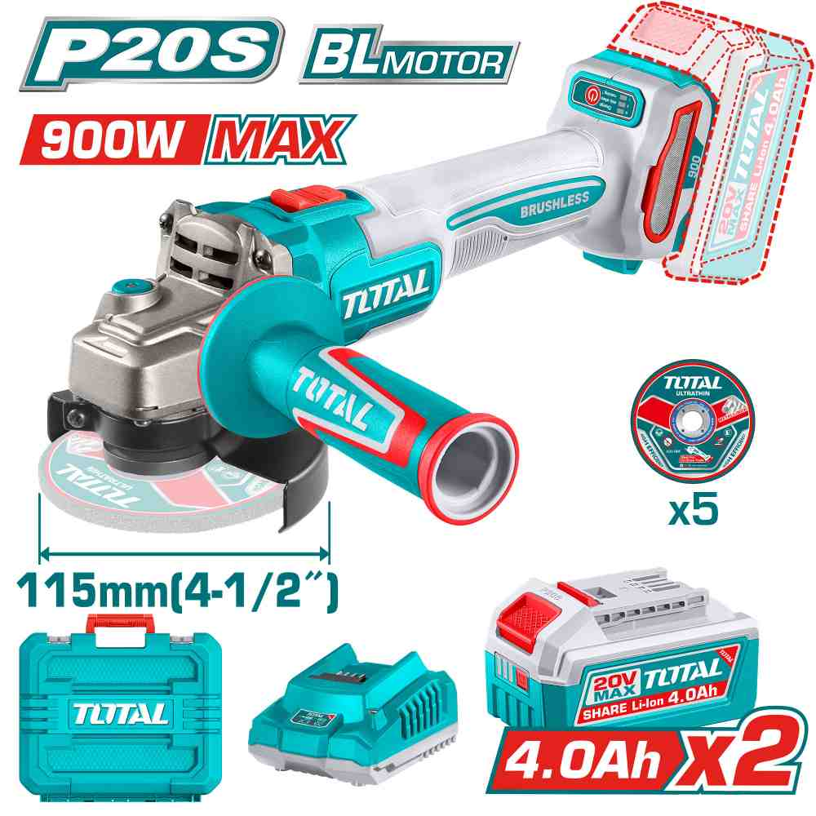 | Total TAGLI261522 صاروخ شحن 4.5 انش 20 فولت مع 2 بطارية 4 أمبير وشاحن 900 واط | Cordless angle grinder | Brushless motor Voltage: 20V Max input power: 900W No-load speed: 3000/6000/9000rpm Disc diameter:115mm Spindle thread:M14 Include: 1 Set abrasive metal cutting disc(5 Pcs) 2 Pcs 4.0Ah battery pack(TFBLI20021) 1 Pcs charger(TFCLI2001) Charge volts:220-240V~50/60Hz Packed by carrying case | PCS | 40 | 51.00 | 64.000 | 6932584803934
TAGLI27153 | 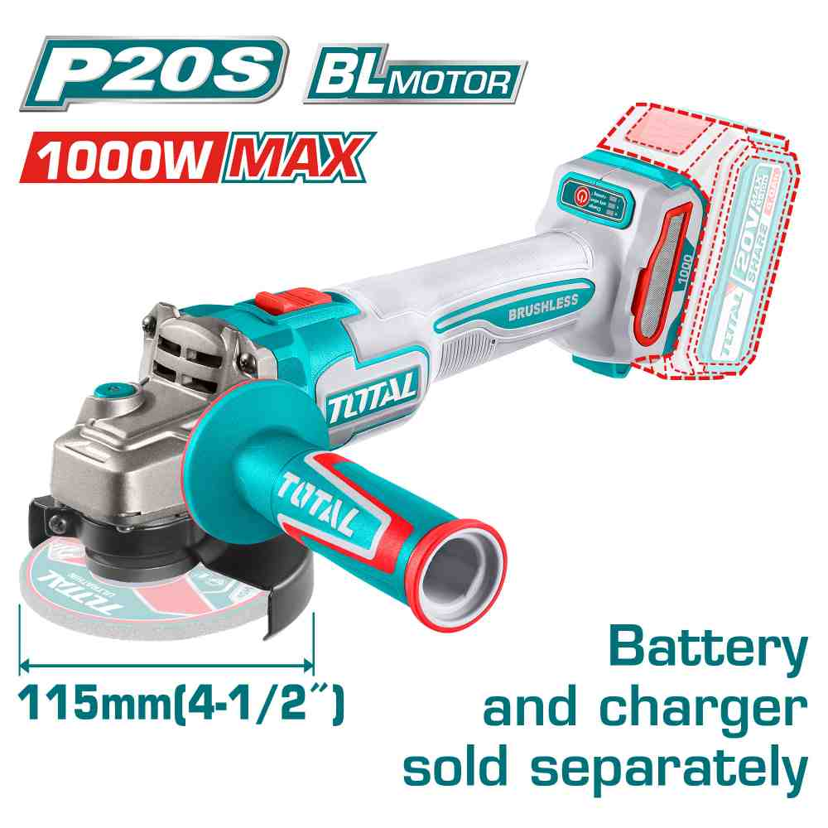 | Total TAGLI27153 صاروخ شحن 20 فولت 4.5 انش بدون بطاريات | Cordless angle grinder | Brushless motor Voltage: 20V Max input power: 1000W No-load speed: 3000/6000/9000rpm Disc diameter:115mm Spindle thread:M14 Disc not included Battery and charger sold separately Packed by color box | PCS | 60 | 25.00 | 35.000 | 6923736767167
TAGLI2120272 | 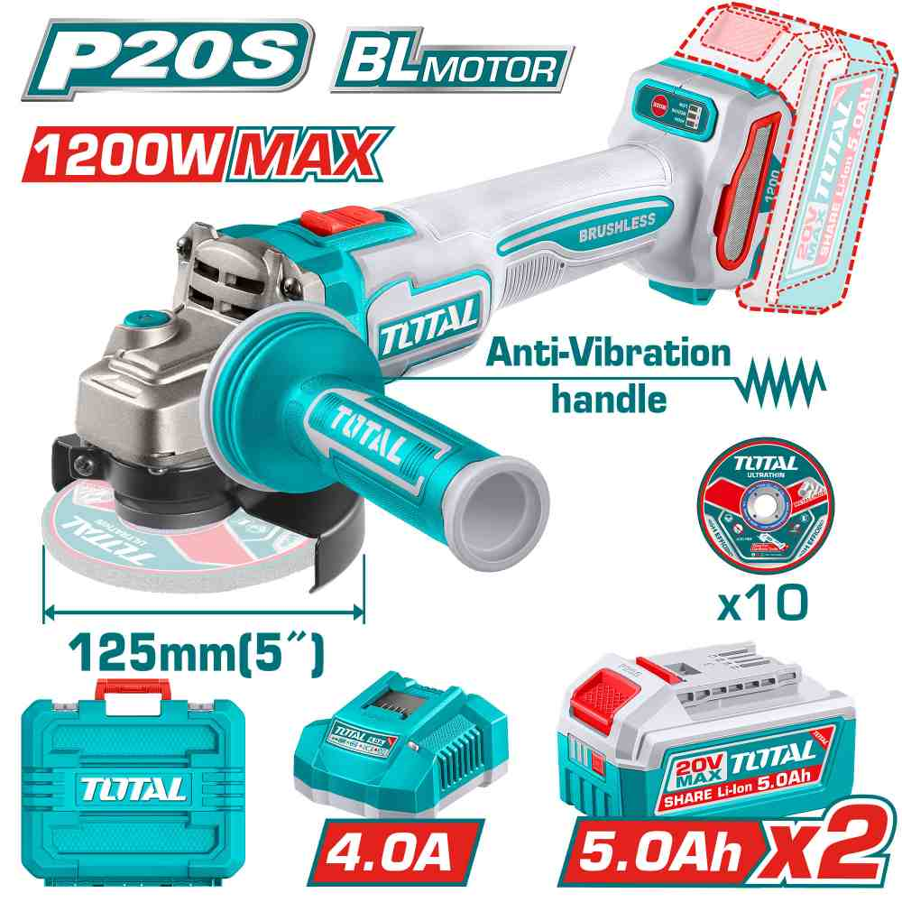 | Total TAGLI2120272 صاروخ شحن 20 فولت مع 2 بطارية 5 أمبير وشاحن | Cordless angle grinder | Brushless Motor Voltage:20V Max input power: 1200W No-load speed:3000/6000/9000rpm Disc diameter: 125mm Spindle thread: M14 Anti-Vibration handle Include: 1 Set abrasive metal cutting disc(10 Pcs) 2 Pcs 5.0Ah battery pack(TFBLI20531) 1 Pcs charger(TFCLI20411) Charge volts: 220-240V~50/60Hz Packed by carrying case | PCS | 120 | 70.00 | 95.000 | 6937541239436
TAC21012525 | 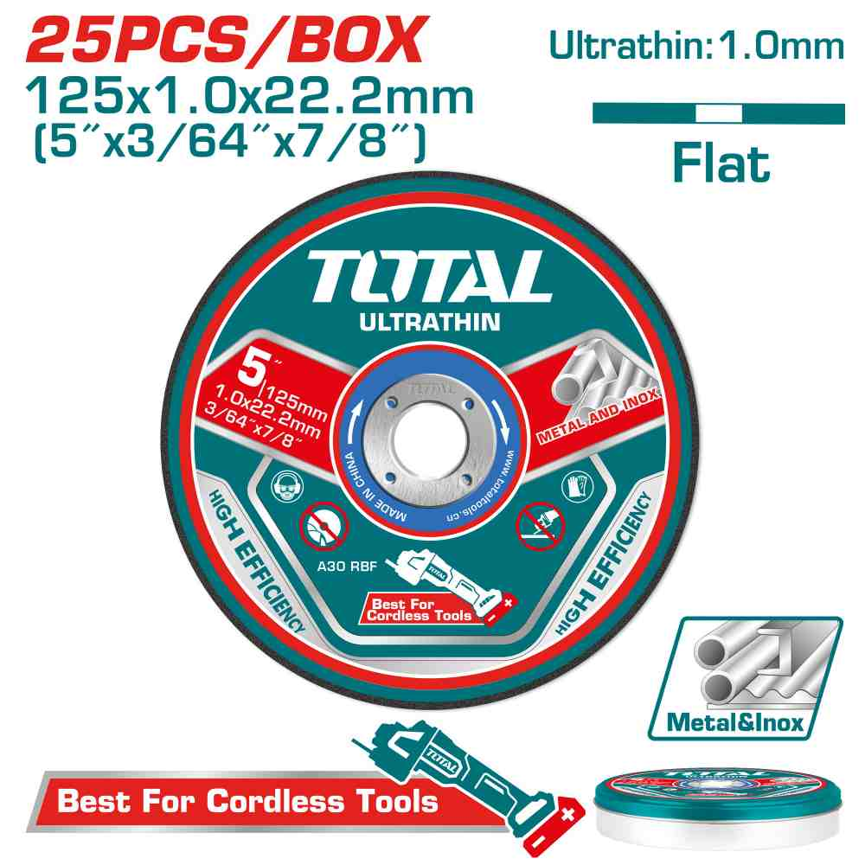 | Total TAC21012525 فيبر قص حديد رفيع 5 انش 25 حبة | Ultra-thin metal cutting disc set | 25pcs/set 125MM(5")X1.0MM(3/64")X22.2MM(7/8") Flat centre Cutting disc for metal and inox RPM:12200r/min 5set/Inner color box 20set/outer color box Packed by metal box | SET | 120 | 7.00 | 10.000 | 6942210222268
TDBLI20358 | 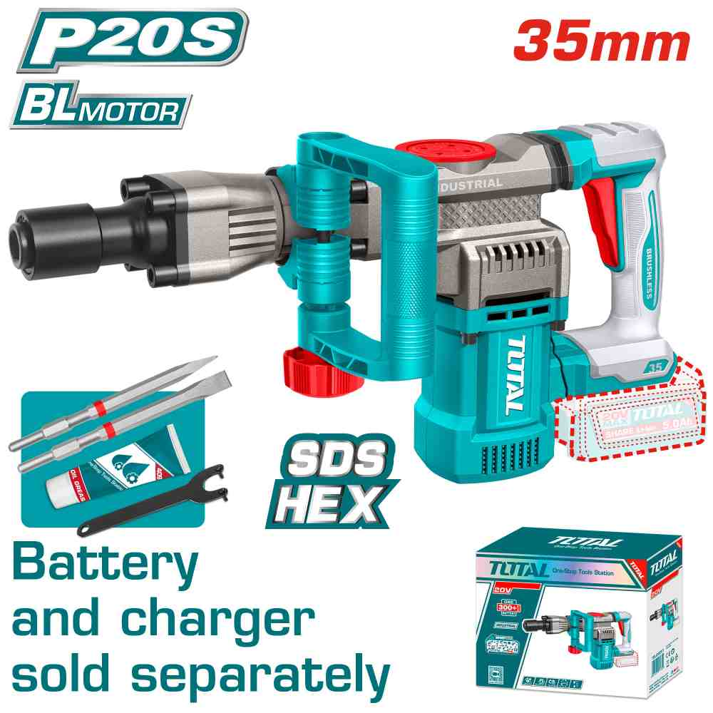 | Total TDBLI20358 همر عفريتة شحن 20 فوات بدون بطاريات | Cordless demolition breaker | Brushless motor Voltage: 20V Impact rate: 0-3200bpm Impact energy: 16J SDS HEX chuck system Include: 2 Pcs chisel 1 Pcs spanner Battery and charger sold separately Packed color box | PCS | 40 | 65.00 | 88.000 | 6932584806591
TCNLI9008 | 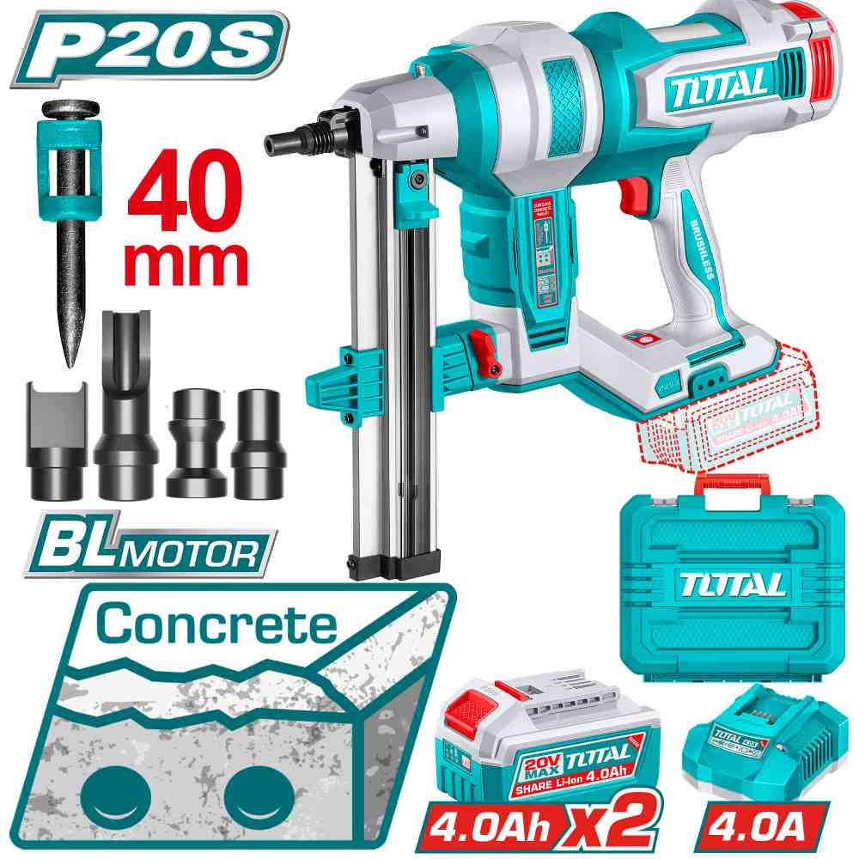 | Total TCNLI9008 فرد طخ مسامير باطون شحن 20 فولت مع 2 بطارية 4 أمبير | Cordless concrete nailer | Voltage: 20V Fastener length range: 19 - 40 mm( 3/4 ''-1-5/8'') Applications: Fastening cables and conduits to concrete C60 and steel 6mm (max. nail length 27mm) Brushless motor Include: 1000 Pcs nails (27mm) 1pcs air nozzle 1pcs pin 2 Pcs 20V 4.0AH battery(TFBLI20021) 1 Pcs charger(TFCLI20411) Charge volts: 220-240V~50/60Hz Packed by carrying case | PCS | 20 | 210.00 | 260.000 | 6932584806768
TAC145115 | 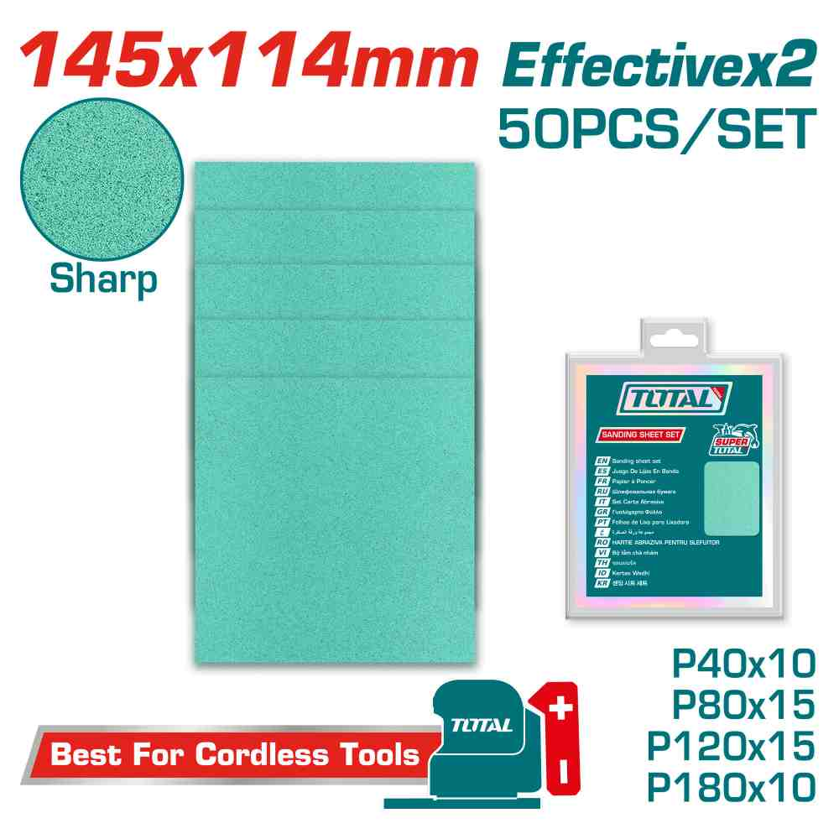 | Total TAC145115 ورق حف 50 حبة | Sanding sheet set | Size:145X114mm 50Pcs/set P40x10pcs P80x15pcs P120x15pcs P180x10pcs Suitable for grinding wood, wall, paint, plastic, stone, metal, glass Packed by double blister | SET | 100 | 3.50 | 5.000 | 6942210222381
TFSLI20313 | 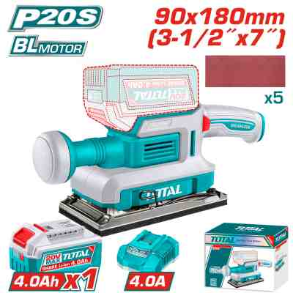 | Total TFSLI20313 حفافة شحن 20 فولت مع بطارية 4 أمبير وشاحن سريع | Cordless finishing sander | Brushless motor Voltage: 20V Bottom base: 90mmx180mm No-load speed:13000rpm Aluminum durable base Include: 5 Pcs sand paper 1 Pcs 4.0Ah battery pack(TFBLI20021) 1 Pcs charger(TFCLI20411) Charge volts:220-240V~50/60Hz Packed by color box | PCS | 60 | 40.00 | 55.000 | 6923736765538
TAC0902311 | 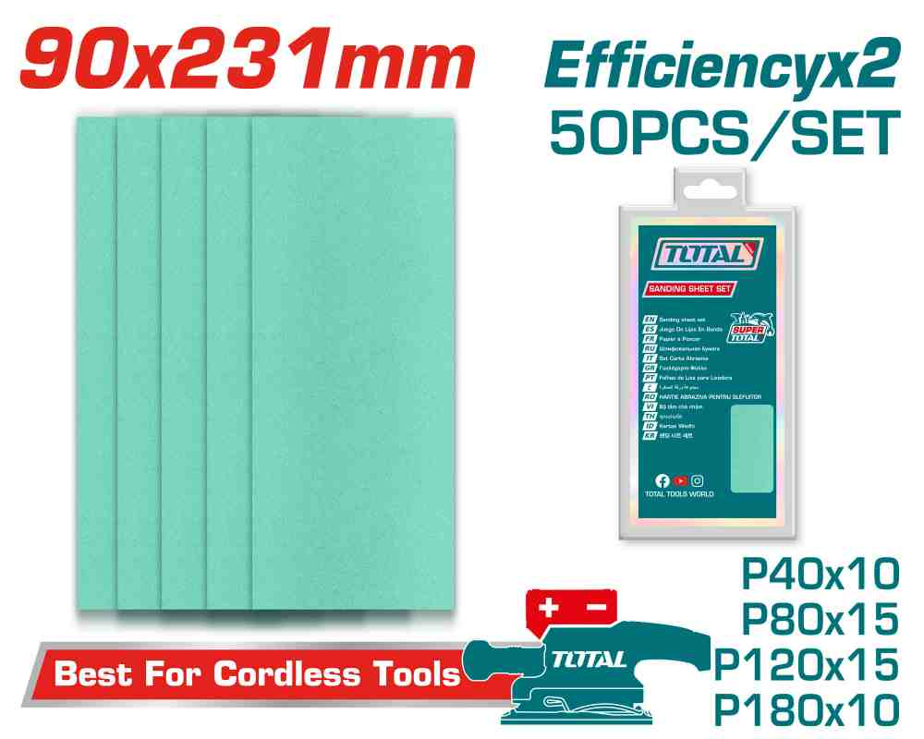 | Total TAC0902311 باكيت ورق حف مشكل قياس 90*231 ملم | Sanding sheet set | Size:90X231mm(3-35/64''x9-3/32'') 50Pcs/set P40x10pcs P80x15pcs P120x15pcs P180x10pcs Suitable for grinding wood, wall, paint, plastic, stone, metal, glass Packed by double blister | SET | 200 | 3.50 | 5.000 | 6932584808625
TSGLI2004 | 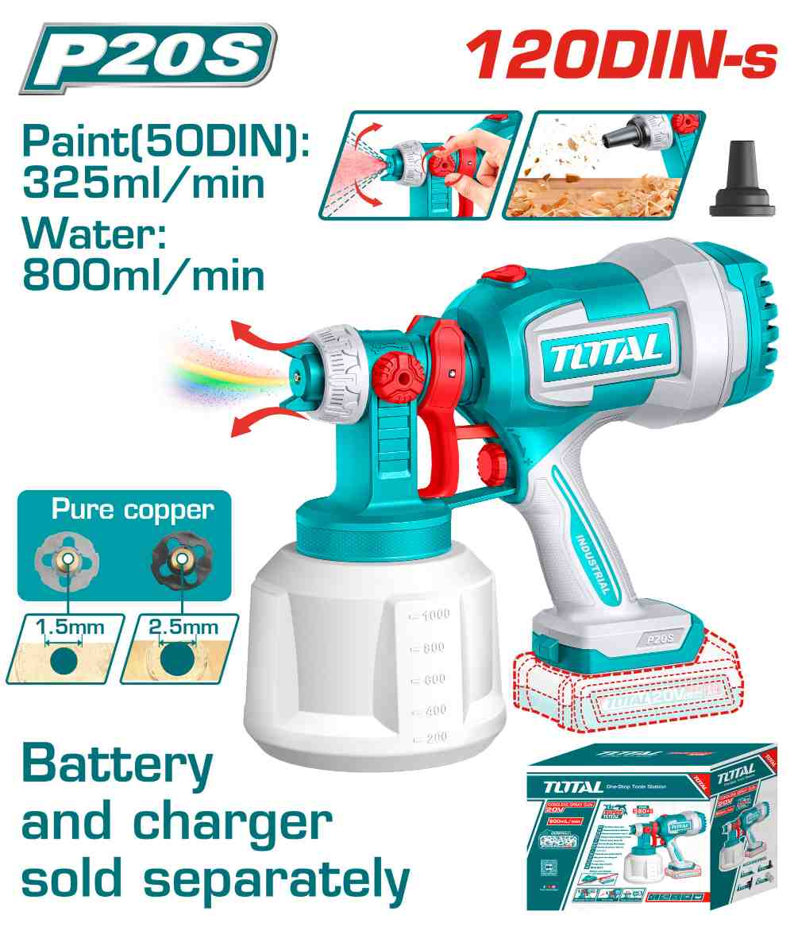 | Total TSGLI2004 فرد رش دهان شحن 20 فولت بدون بطاريات | Cordless spray gun | Voltage: 20V Spraying pressure: 0.1-0.2Bar Max.flow: 800ml/min Max.viscosity: 120DIN-s Container capacity: 1000ml Adjustable spray amplitude Include: 1 Pcs dust blower nozzle 1 Pcs viscosity measuring cup 1 Pcs nozzle cleaning needle 2 Pcs copper nozzle(1.5/2.5mm) Battery and charger sold separately Packed by color box | PCS | 32 | 19.00 | 26.000 | 6932584808854
TABLI2078 | 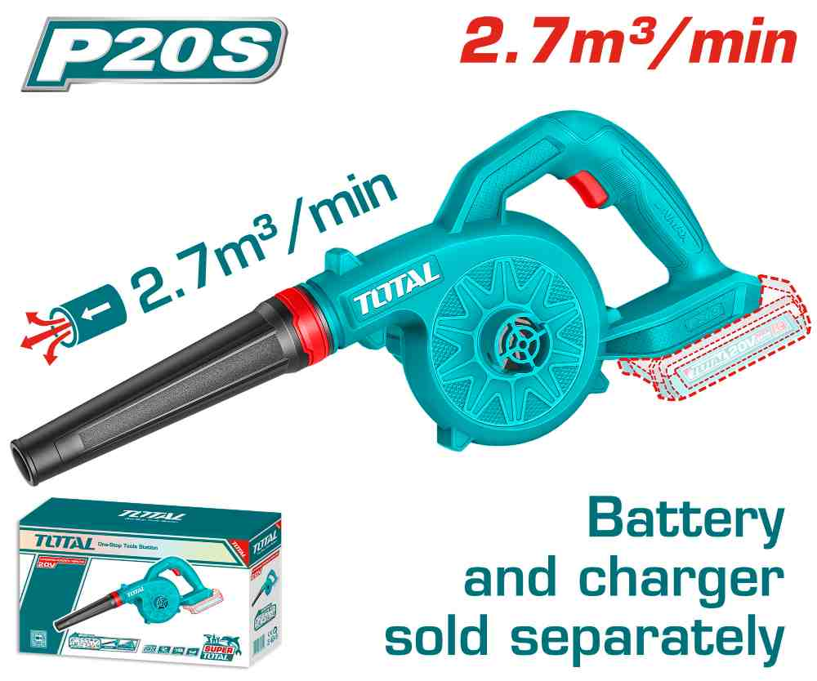 | Total TABLI2078 بلور شحن 20 فولت بدون بطارية وشاحن | Cordless blower | Voltage: 20V No-load speed: 18000rpm Max air volume: 2.7m³/min Battery and charger sold separately Packed by color box | PCS | 200 | 9.00 | 15.000 | 6932584800933
TABLI20781 | 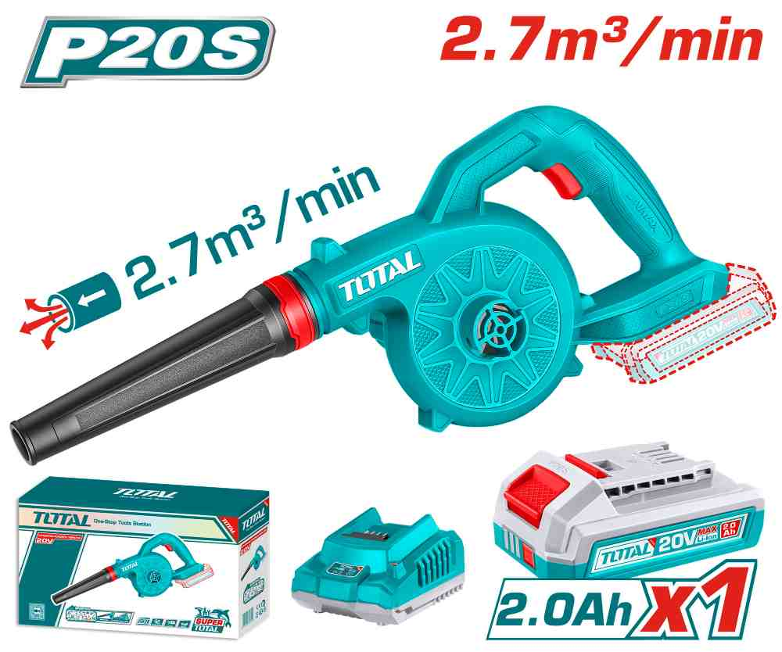 | Total TABLI20781 بلور شحن 20 فولت مع بطارية وشاحن 2 أمبير | Cordless blower | Voltage: 20V No-load speed: 18000rpm Max air volume: 2.7m³/min Include: 1 Pcs 2.0Ah battery pack(TFBLI20011) 1 Pcs charger(TFCLI2001) Charge volts: 220-240V~50/60Hz Packed by color box | PCS | 200 | 23.00 | 33.000 | 6932584808403
TWLI20258 | 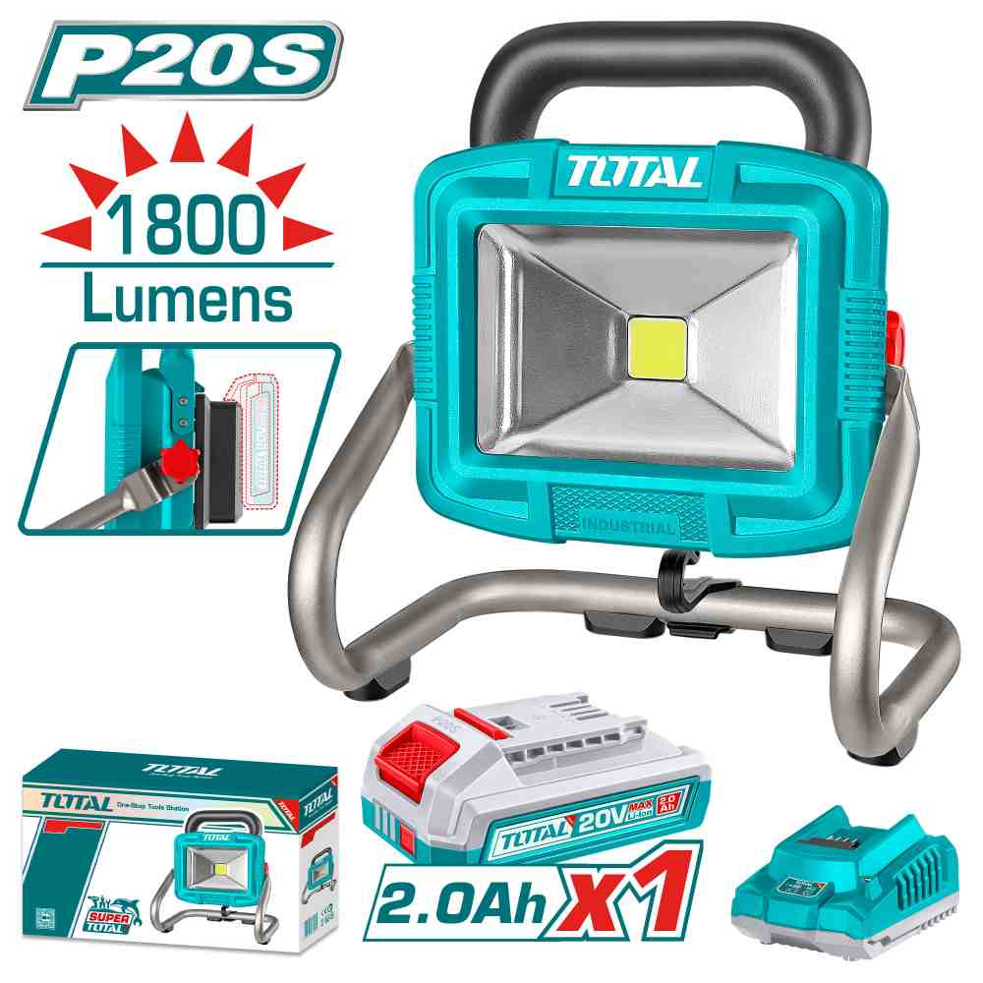 | Total TWLI20258 كشاف شحن 20 فولت مع بطارية 2 أمبير وشاحن | Cordless portable lamp | Voltage:20V LED power dissipation:20W With 1pcs 20V 2.0AH battery （TFBLI2001） and 1pcs charge （TFCLI2001E） Lumens: High:1800 Low:900 Packed by color box | PCS | 60 | 29.00 | 37.000 | 6976057330749
TVLI20061 | 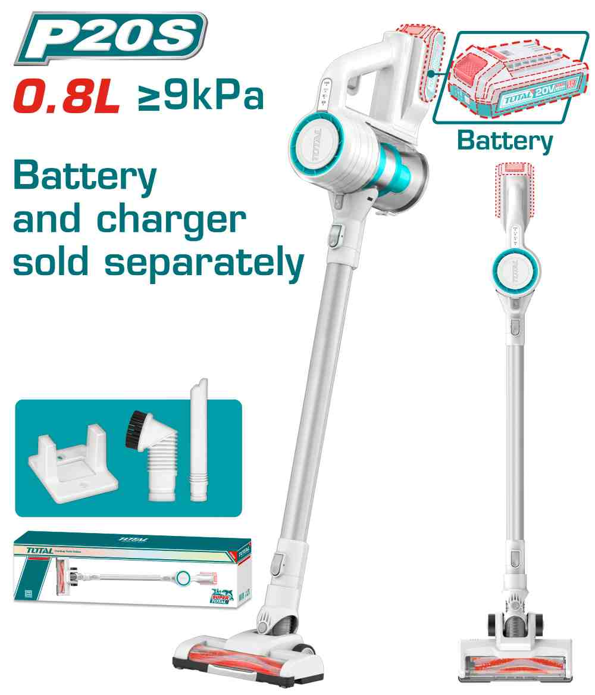 | Total TVLI20061 مكنسة عامودية شحن 20 فولت بدون بطارية | Cordless vacuum cleaner | Voltage:20V Vacuum pressure(KPa):≥9 Kpa Capacity:0.8L Power(W):120W Multiple cyclone Pure copper wire motor HEPA filter 1pcs metal tube 1pcs crevice nozzle 1pcs sofa brush 1pcs plastic hanger Packed by color box | PCS | 48 | 40.00 | 60.000 | 6942210229106
TFBCPK2212 | 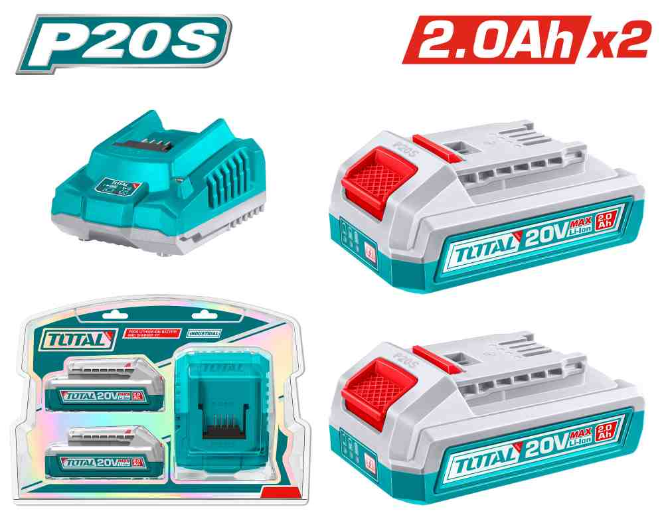 | Total TFBCPK2212 بطارية 20 فولت 2 أمبير عدد2 مع شاحن | P20S Lithium-Ion battery and charger kit | Voltage: 20V With 2pcs lithium-ion battery pack(TFBLI20011) With 1pcs charger(TFCLI2001) Lithium-ion battery pack(TFBLI20011): Lithium-ion 2.0Ah battery LED battery power indicator One battery fits all P20S multiple tools Fast intelligent charger(TFCLI2001): Input voltage:220-240V~50/60Hz Output voltage:20V Output current:2A Packed by double blister | SET | 60 | 25.00 | 35.000 | 6932584804184
TFALI2002 | 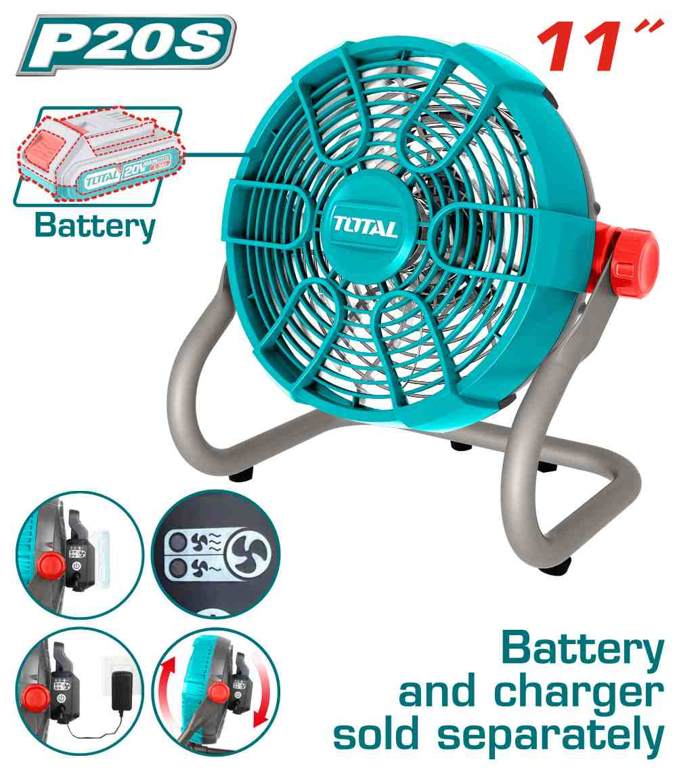 | مروحه شحن 20 فولت بدون بطاريه وشاحن TOTAL TFALI2002 | Cordless fan | DC Voltage:20V AC Voltage:220-240V~50/60HZ Speed settings:2 Dimensions:11" Tilt adjustment:0-360° Battery and charger sold separately Packed by color box | PCS | 20 | 30.00 | 40.000 | 6925582195774
TIDLI426981 | 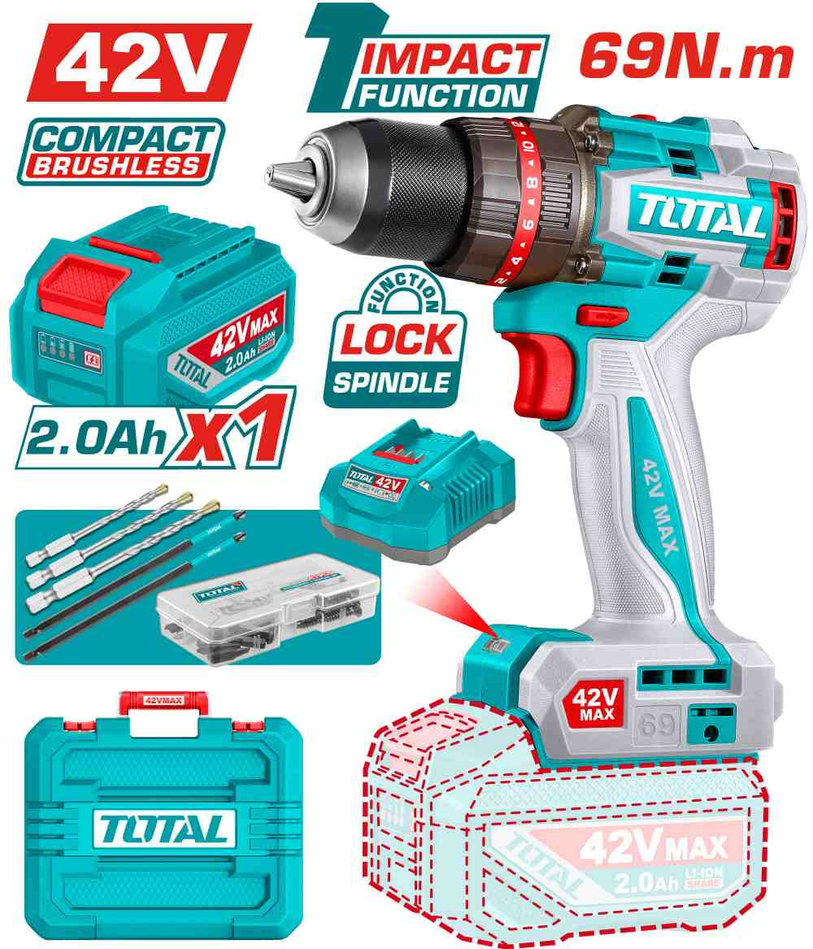 | Total TIDLI426981 درل شحن 42 فولت 69 نيوتن مع بطارية وشاحن | Compact Brushless Cordless Impact Drill | Brushless motor Voltage: 42V No-load speed: 0-500/0-2000rpm Max impact rate: 30000bpm Max torque: 69Nm Metal chuck Chuck capacity: 13mm Torque settings: 22+1+1 Mechanical 2-speed gear Spindle lock function Integrated LED work light Include: 47 Pcs accessories 3 Pcs masonry drill bits(4mm,5mm,6mm) 2 Pcs 150mm Impact screwdriver bits(PH2) 1 Pcs 2.0Ah battery pack(TFBLI42201) 1 Pcs charger(TFCLI42021) Charge volts:220-240V~50/60Hz Packed by carrying case | PCS | 150 | 59.00 | 78.000 | 6932584805235
TIDLI429982 | 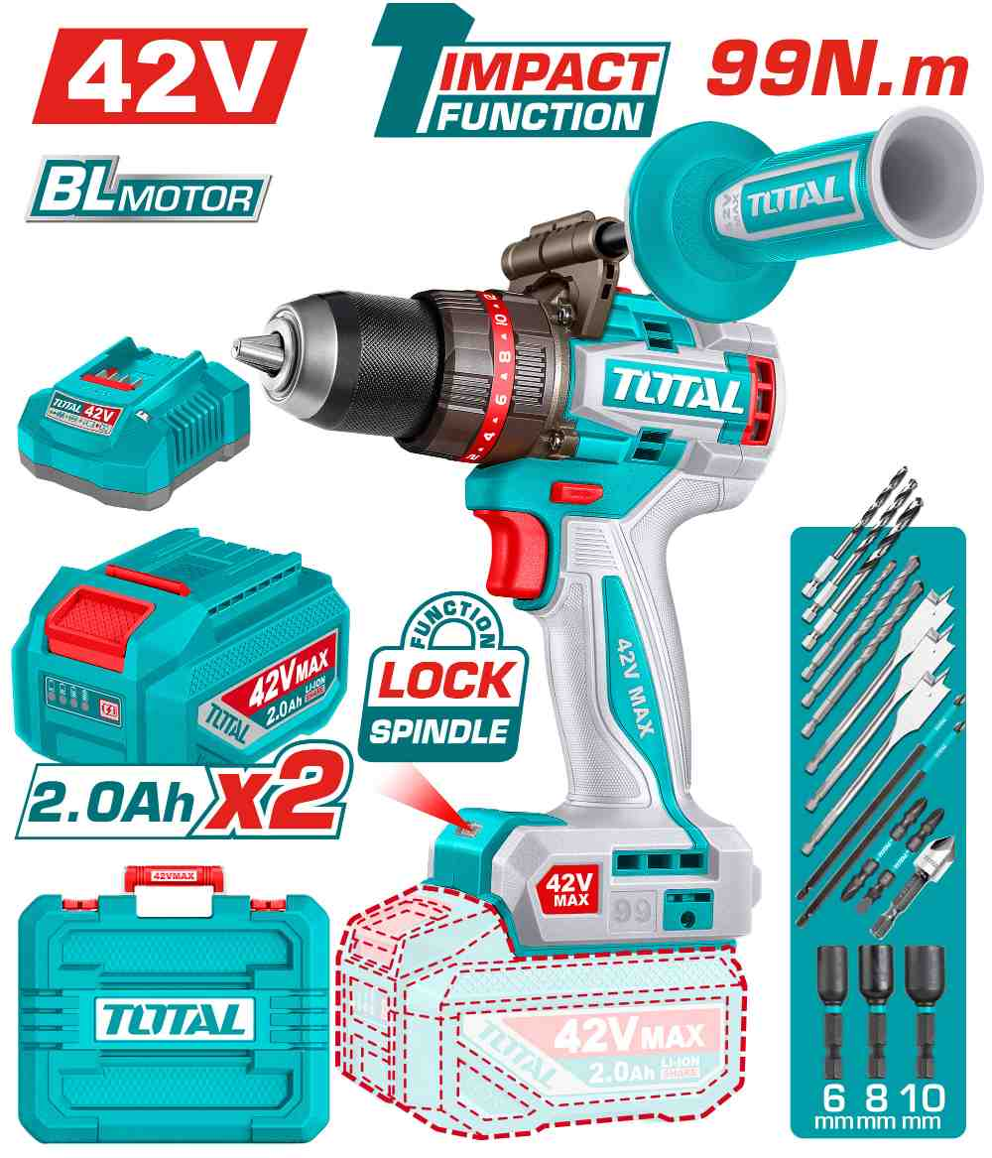 | Total TIDLI429982 درل شحن 42 فولت 99 نيوتن مع 2 بطارية 2 أمبير وشاحن | Brushless cordless impact drill | Brushless motor Voltage: 42V No-load speed: 0-500/0-2000rpm Max impact rate: 30000bpm Max torque: 99Nm Metal chuck Chuck capacity: 13mm Torque settings: 22+1+1 Mechanical 2-speed gear Spindle lock function Integrated LED work light LED battery power indicator Include: 3 Pcs wood flat drill bits(16.19.22mm) 3 Pcs masonry drill bits(5.6.8mm) 3 Pcs HSS drill bits(4.5.6mm) 2 Pcs 65mm impact screwdriver bits(PH2+PH2,PH2+SL6) 2 Pcs 150mm Impact screwdriver bits(PH2) 1 Pcs Countersink bit 3 Pcs 48mm magnetic nuts(6,8,10mm) 2 Pcs 2.0Ah battery pack(TFBLI42201) 1 Pcs charger(TFCLI42021) Charge volts:220-240V~50/60Hz Packed by carrying case | PCS | 50 | 90.00 | 120.000 | 6932584809332
TAGLI4108112 | 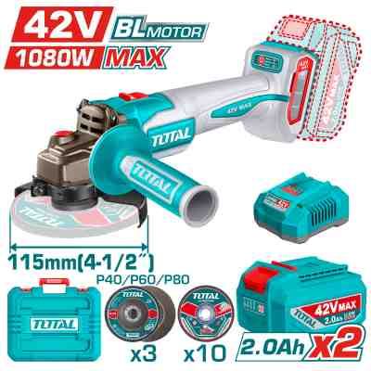 | Total TAGLI4108112 صاروخ شحن 4.5 انش 42 فولت مع 2 بطارية وشاحن | Cordless angle grinder | Brushless Motor Voltage:42V Max input power: 1080W No-load speed:3000/6000/9000rpm Disc diameter:115mm Spindle thread:M14 Include: 1 Set abrasive metal cutting disc(10 Pcs) 3 Pcs flap disc(P40/P60/P80) 2 Pcs 2.0Ah battery pack(TFBLI42201) 1 Pcs charger(TFCLI42021) Charge volts:220-240V~50/60Hz Packed by carrying case | PCS | 80 | 85.00 | 115.000 | 6932584809431
TRHLI422682 | 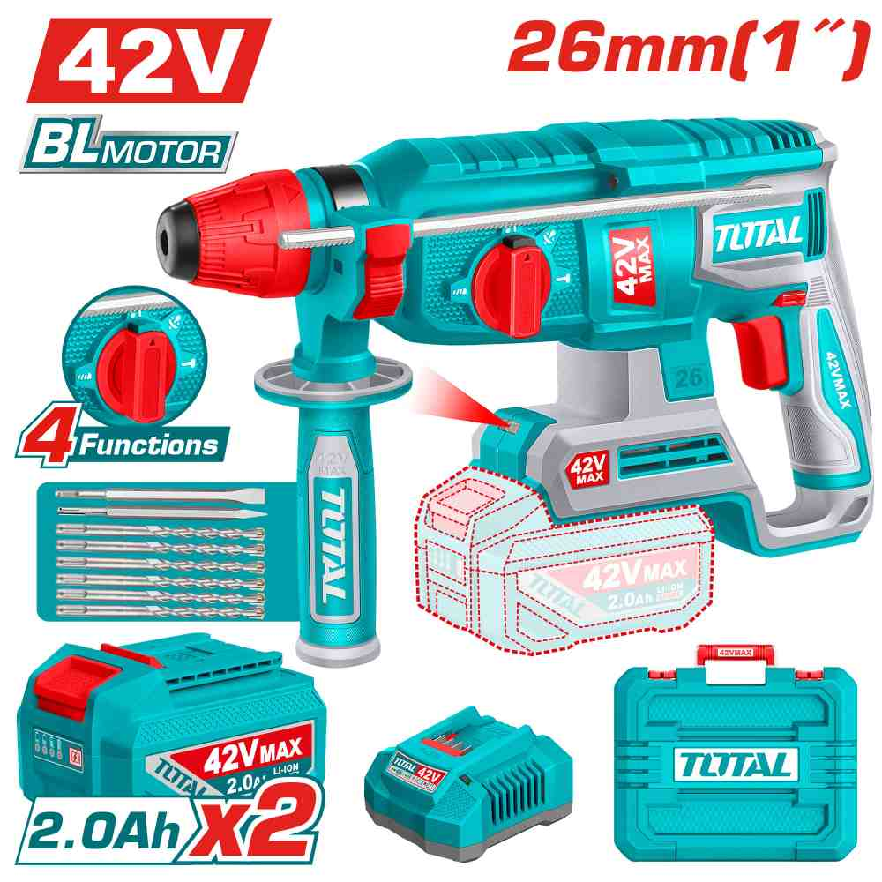 | Total TRHLI422682 همر شحن 42 فولت مع 2 بطارية 2 أمبير وشاحن | Cordless rotary hammer | Brushless motor Voltage:42V No-load speed:0-1100rpm Impact rate:0-5000bpm Impact energy:2.5J Max.drilling capacity: Concrete: 26mm Steel: 13mm Wood: 30mm SDS plus chuck system Integrated LED work light Include: 6 Pcs drills(6/8/10/12/14/16*160mm) 2 Pcs chisel 2 Pcs 2.0Ah battery pack(TFBLI42201) 1 Pcs charge(TFCLI42021) Charge volts:220-240V~50/60Hz Packed by carrying case | PCS | 72 | 86.00 | 112.000 | 6932584808472
TDLI12456 | 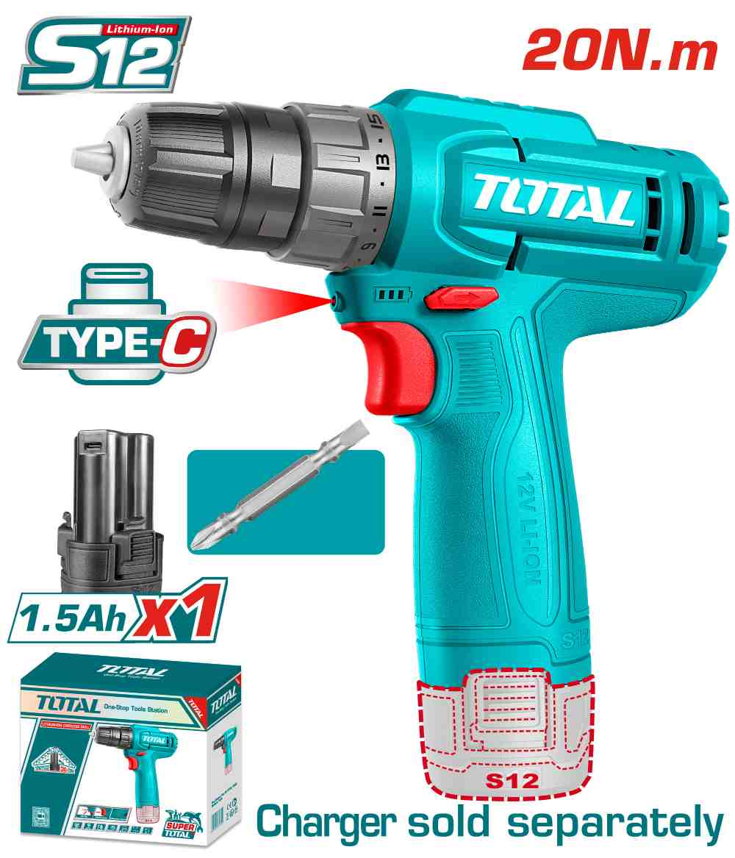 | Total TDLI12456 درل شحن 12 فولت 20 نيوتن مع بطارية 1.5 أمبير | Cordless drill | Voltage:12V No-load speed:0-750rpm Max torque:20Nm Plastic chuck Chuck capacity:0.8-10mm(1/32-3/8") Torque settings:15+1 Include: 1 Pcs Cr-V 65mm bit 1pcs 1.5Ah battery pack(TBLI12153) Battery charging port: USB type-C Charger sold separately Packed by color box | PCS | 300 | 10.50 | 14.000 | 6932584806065
TDLI12206 | 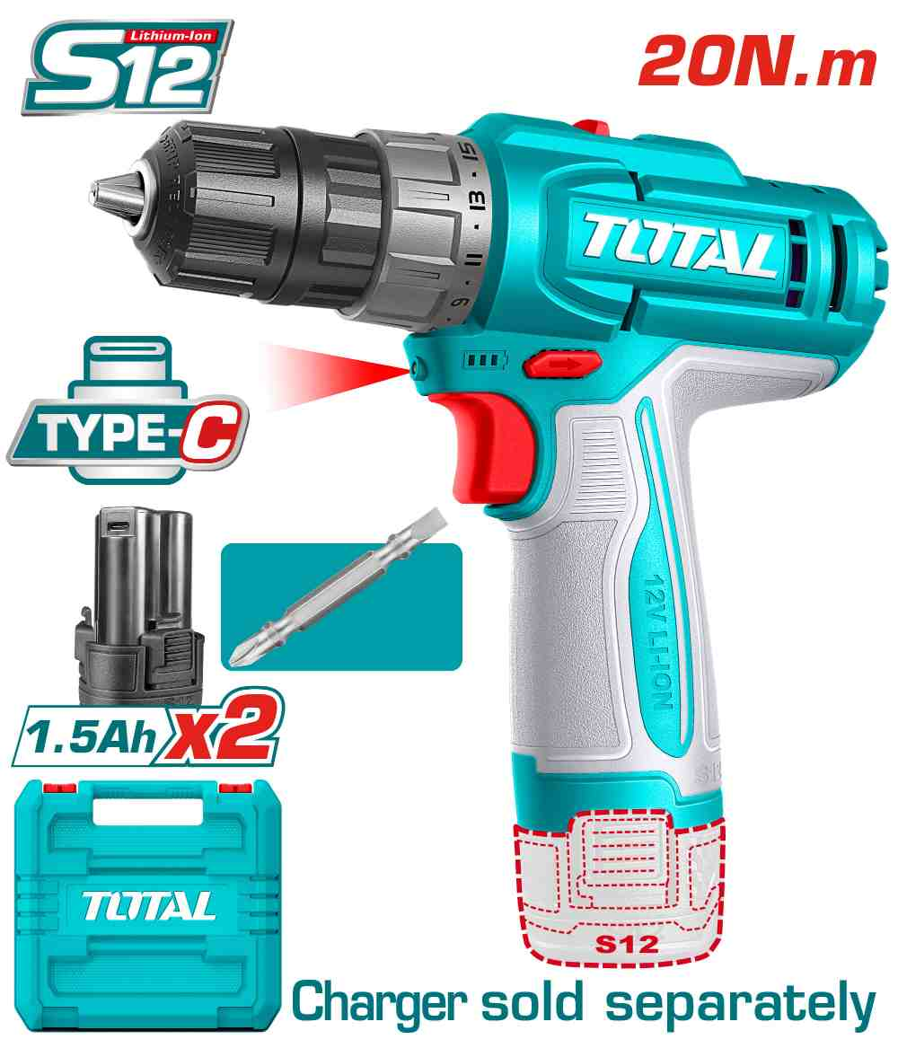 | Total TDLI12206 درل شحن 12 فولت 20 نيوتن مع 2 بطارية | Cordless drill | Voltage: 12V No-load speed: 0-400/0-1500rpm Max torque: 20Nm Plastic chuck Chuck capacity: 0.8-10mm Torque settings: 15+1 Mechanical 2-speed gear Integrated LED work light Include: 1 Pcs Cr-V 65mm bit 2 Pcs 1.5Ah battery pack(TBLI12153) Battery charging port: USB type-C Charger sold separately Packed by carrying case | PCS | 100 | 18.50 | 24.000 | 6932584805327
TIDLI12206 | 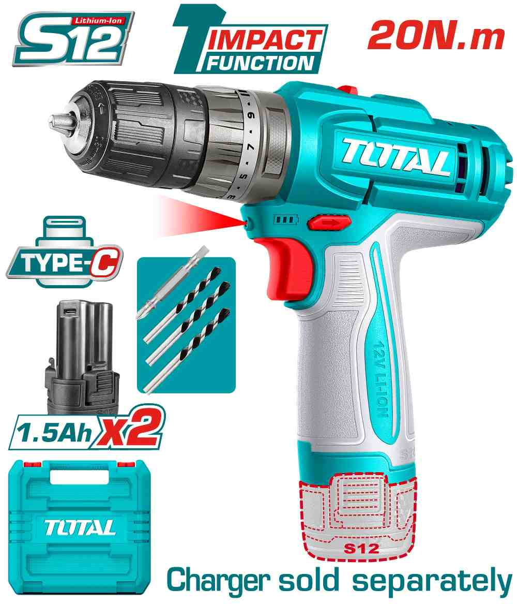 | Total TIDLI12206 درل شحن 12 فولت مع شاكوش 20 نيوتن مع 2 بطارية | Cordless impact drill | Voltage: 12V No-load speed: 400/0-1500rpm Max impact rate: 22500bpm Max torque: 20Nm Plastic chuck Chuck capacity: 0.8-10mm(1/32-3/8") Torque settings: 18+1+1 Integrated LED work light Include: 1 Pcs Cr-V 65mm bit 3 Pcs masonry drill bits 2 Pcs 1.5Ah battery pack(TBLI12153) Battery charging port:USB type-C Charger sold separately Packed by carrying case | PCS | 200 | 22.00 | 29.000 | 6932584807550
TIRLI12015 | 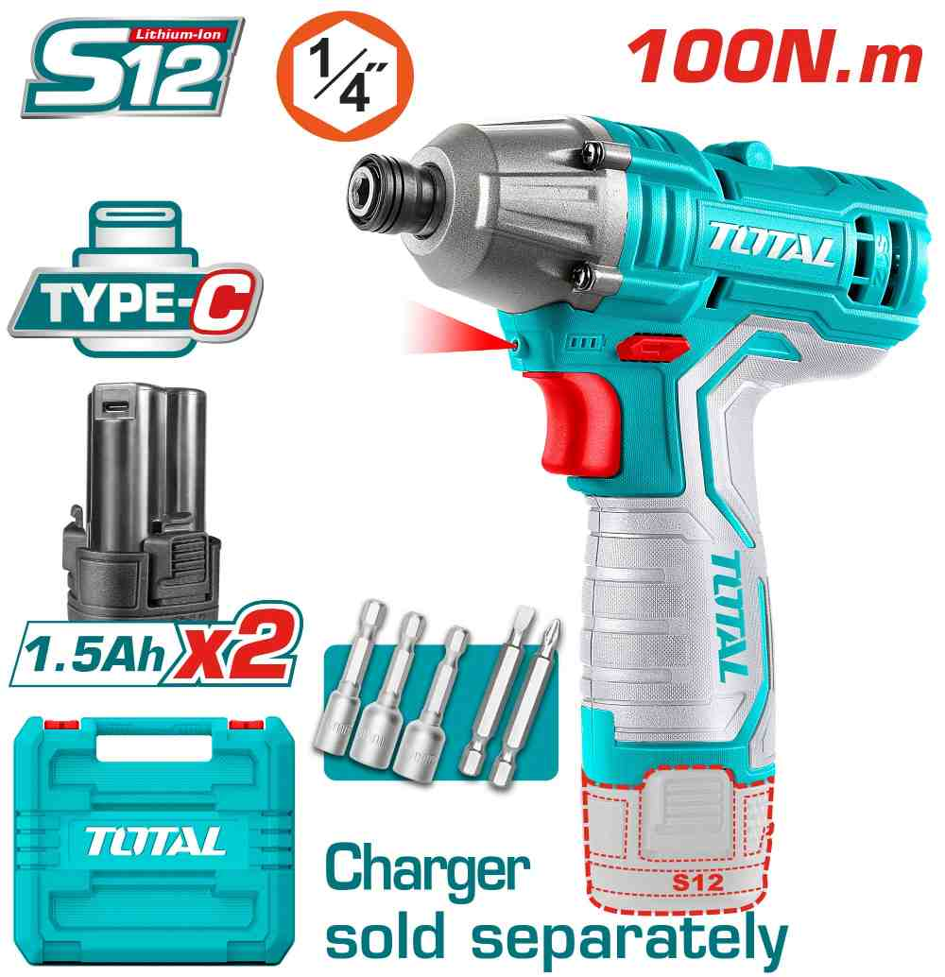 | Total TIRLI12015 درل براغي شحن 12 فولت 100 نيوتن مع 2 بطارية | Cordless impact driver | Voltage: 12V No-load speed: 0-2000rpm Impact rate: 0-2800bpm Max torque: 100Nm Hex shank: 6.35mm(1/4") Integrated LED work light Include: 2 Pcs screwdriver bits 3 Pcs nut setters 2 Pcs 1.5Ah battery pack(TBLI12153) Battery charging port: USB type-C Charger sold separately Packed by carrying case | PCS | 120 | 28.00 | 38.000 | 6976057331098
TBLI12153 | 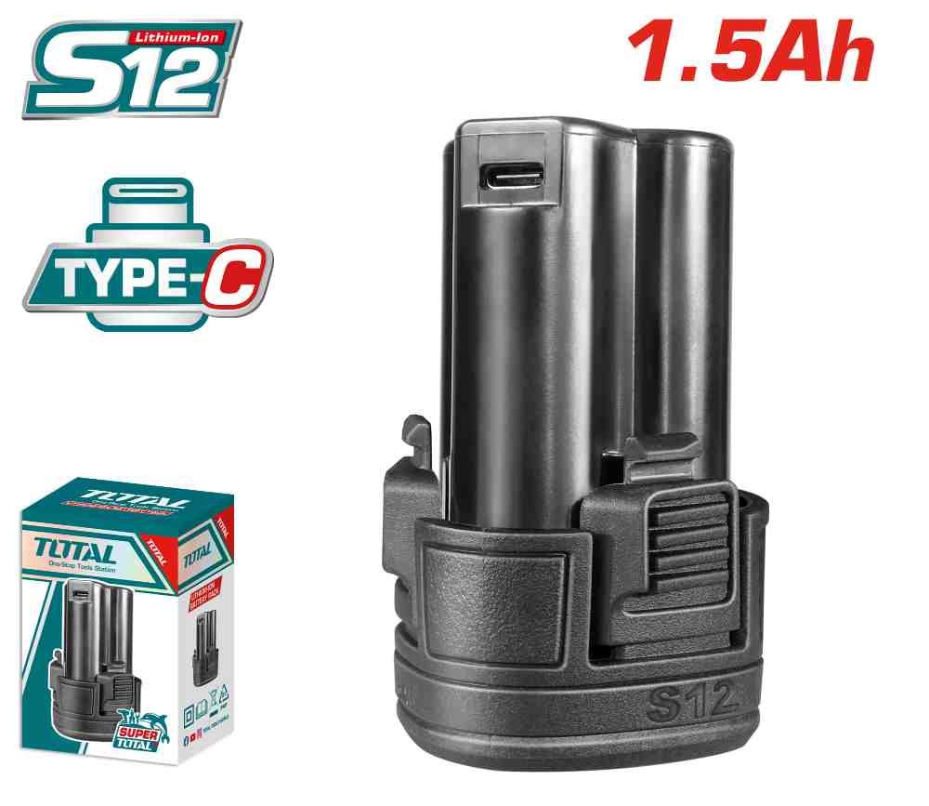 | Total TBLI12153 بطارية 12 فولت 1.5 امبير Type-c | Lithium-Ion battery pack | Voltage: 12V Lithium-Ion 1.5Ah battery Charging port: USB type-C One battery fits all S12 multiple tools Packed by color box | PCS | 100 | 7.00 | 10.000 | 6976057330503
TG10912556 | 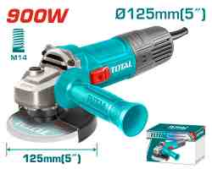 | صاروخ كهرباء 5" TOTAL TG10912556 Angle grinder 900W | Angle grinder | Voltage:220-240V~50/60Hz Input power:900W No-load speed:12000rpm Disc diameter:125mm Spindle thread:M14 With 1pcs auxiliary handle Disc not included Packed by color box | PCS | 150 | 18.00 | 25.000 | 6941639818427
TG11012536 | 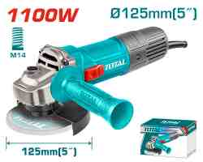 | Total TG11012536 صاروخ 5 انش 1100 واط | Angle grinder | Voltage: 220-240V~50/60Hz Input power: 1100W No-load speed: 12000rpm Disc diameter: 125mm Spindle thread: M14 With 1pcs auxiliary handle Disc not included Packed by color box | PCS | 234 | 22.00 | 30.000 | 6976057330916
TG110125565 | 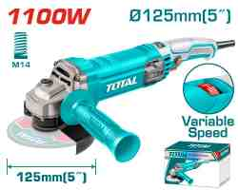 | Total TG110125565 صاروخ كهرباء 1100 واط 5 انش سرعات | Angle grinder | Voltage: 220-240V~50/60Hz Input power: 1100W No-load speed: 5000-12000rpm variable speed Disc diameter: 125mm Spindle thread: M14 With 1pcs auxiliary handle Disc not included Packed by color box | PCS | 102 | 25.00 | 33.000 | 6976057330848
TP11418026 | 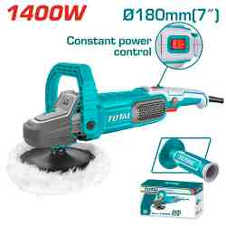 | Total TP11418026 Polisher صاروخ بولش سرعة من 600-3200 1400واط | Polisher | Voltage:220-240V~50/60Hz Input power:1400W No-load speed:600-3200rpm Polishing pad diameter:180mm Spindle Type : M14 Aluminum gear box Constant power variable speed Lock-on switch With 1pcs head cover With 1pcs auxiliary handle With 1pcs D-handle With 1pcs hook&loop polishing pad With 1pcs polishing bonnet With 1set extra carbon brushes Packed by color box | PCS | 80 | 44.00 | 58.000 | 6941639860983
TH1163855 | 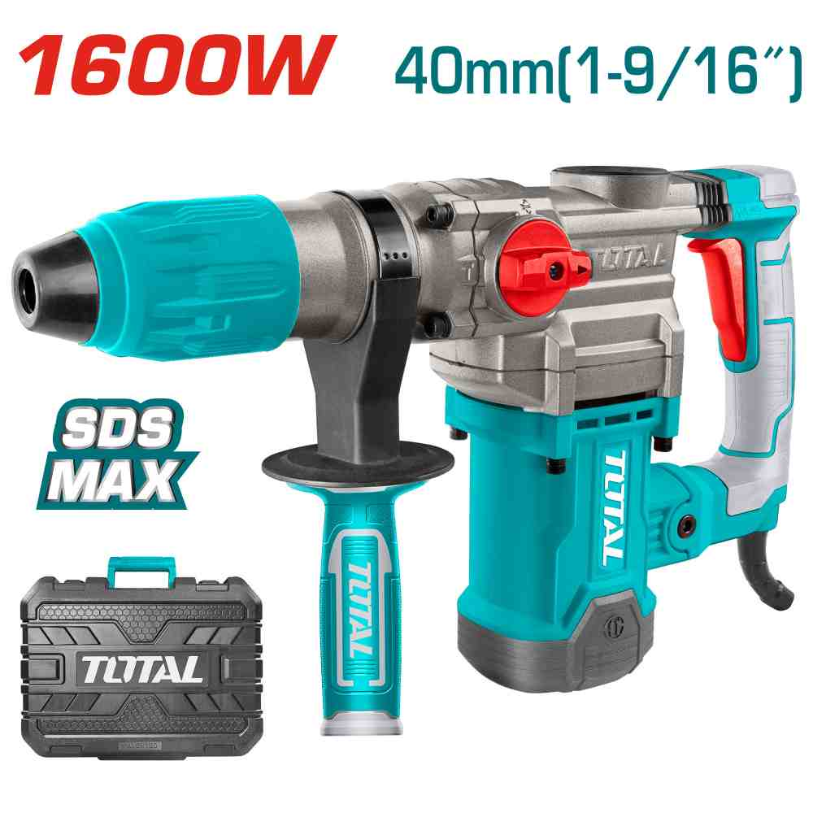 | Total TH1163855 SDS MAX همر تكسير ودوران كهرباء 1600 واط | Rotary hammer | Voltage:220-240V~50/60Hz Input power:1600W No-load speed:630rpm Impact rate:3850bpm Impact energy:10.0J Max.drilling capacity: Concrete:40mm Core bit:100mm SDS MAX chuck system Chisel-locking system Anti-vibration system Include 2 drills and 2 chisels 1set extra carbon brushes Packed by carrying case | PCS | 80 | 73.00 | 100.000 | 6976057333658
TB20078 | 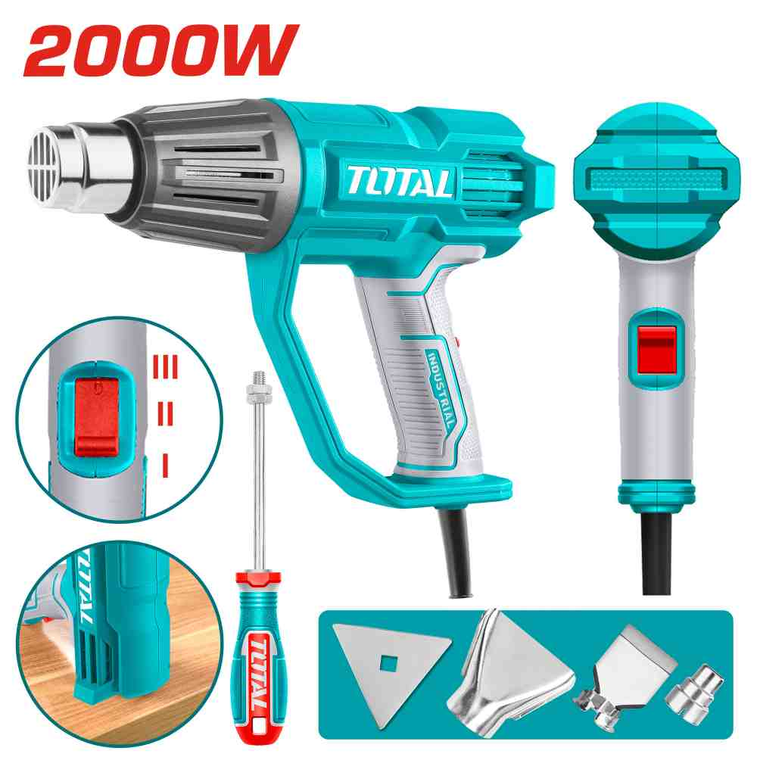 | Total TB20078 سشوار صناعي 2000 واط | Heat gun | Voltage: 220-240V~50/60Hz Input power: 2000W Temperature:50/450°C/550°C Airflow:450/300/450 L/min 3 temeprature settings Include: 1 Pcs reduction nozzle 1 Pcs reflector nozzle 1 Pcs flat nozzle 1 Pcs scraper Packed by color box | PCS | 110 | 13.00 | 21.000 | 6942210229069
TB20056 | 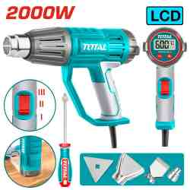 | Total TB20056 سشوار صناعي 2000 واط مع شاشة ديجتال | Heat gun | Voltage: 220V-240V~50/60Hz Input power: 2000W Temperature: 50/50-600°C/50-600°C Airflow: 450/300/450 L/min Adjustable temperature with LCD display for precise control Cable length:2M Include: 1 Pcs reduction nozzle 1 Pcs reflector nozzle 1 Pcs flat nozzle 1 Pcs scraper Packed by color box | PCS | 150 | 22.50 | 32.000 | 6976057330299
TB8036 | 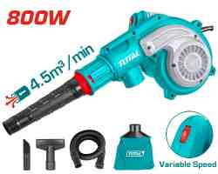 | Total TB8036 بلور كهرباء 800 واط سرعات | Aspirator blower | Voltage:220-240V~50/60Hz Input power:800W No-load speed:0-15000rpm Blowing rate:0-4.5m³/min Variable speed control With 1pcs dust bag With 1pcs flexible tube With 2pcs suction nozzles With 1set extra carbon brushes Packed by color box | PCS | 52 | 28.00 | 35.000 | 6923736768782
TF2131256 | 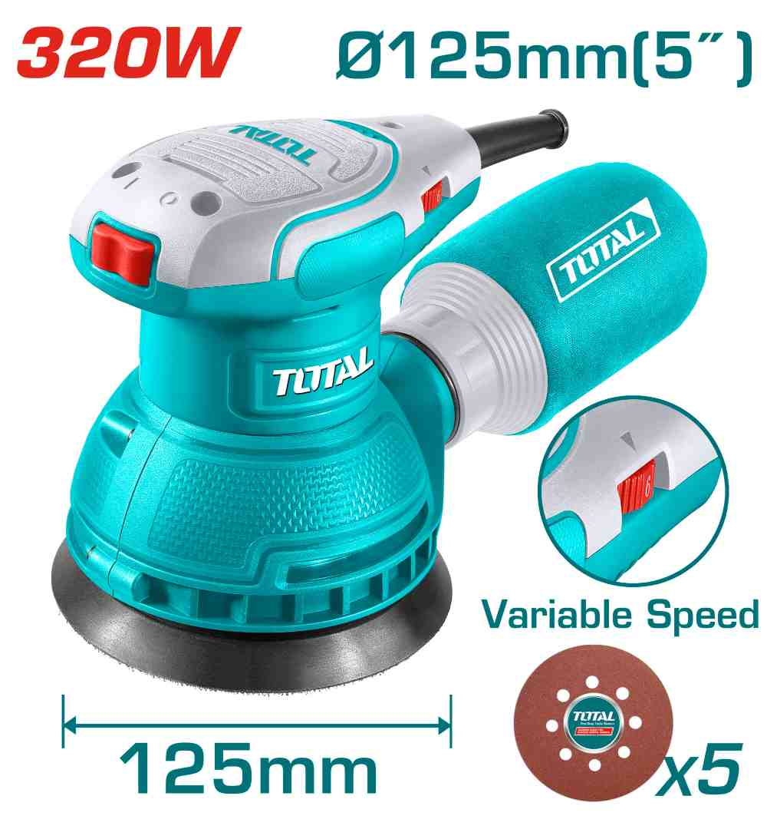 | Total TF2131256 حفافة دائرية كهرباء 320 واط | Rotary sander | Voltage: 220-240V~50/60Hz Input power: 320W No-load speed: 8000-13000rpm Dia of sanding pad:125mm Velcrops base Variable speed control With 5pcs sand papers(TAC731251) With 1set extra carbon brushes Packed by color box | PCS | 72 | 26.00 | 36.000 | 6942210225689
TS3006 | 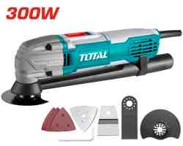 | Multi-function tool جهاز رجاج متعدد الوظائف 300 واط مع طقم اكسسوارات | Multi-function tools | Voltage: 220-240V~50/60Hz Input power:300W No-load speed:10000-20000rpm With 1pcs flexibel scraper blade With 1pcs cutting blade With 1pcs segment saw blade With 1pcs delta sand pad With 3pcs sand papers Pack by color box | PCS | 80 | 24.75 | 34.750 | 6925582191059
TL7508226 | 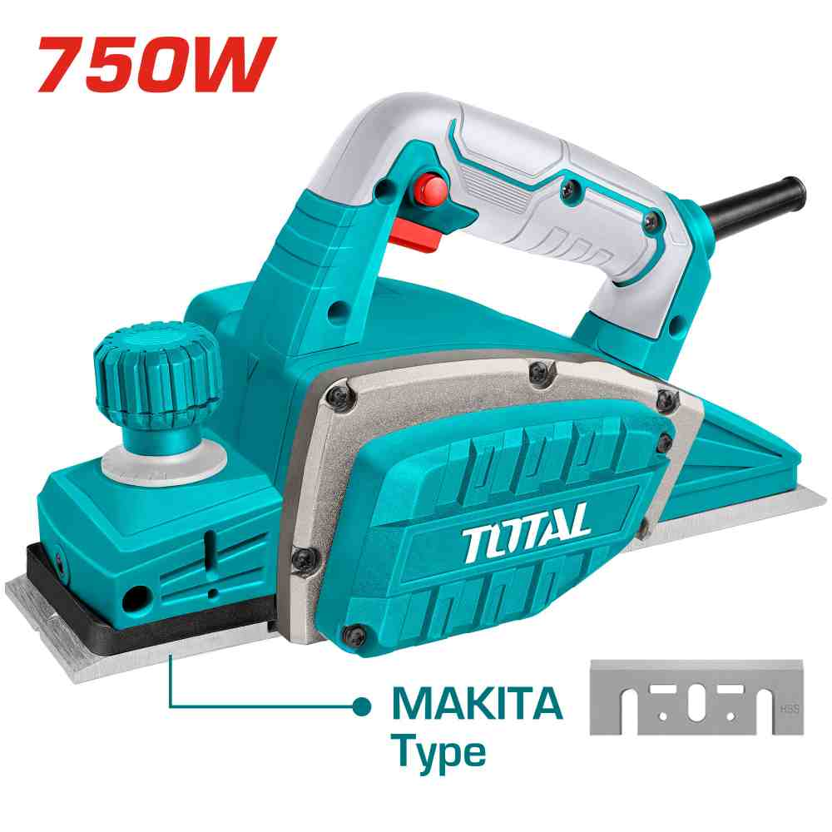 | Total TL7508226 فارة كهرباء 750 واط | Electric planer | Voltage:220-240V~50/60Hz Input power:750W No-load speed:17000rpm Planning width&depth:82x2mm Heavy duty aluminum base Aluminum side cover With 1 pcs socket wrench With 1 pcs parallel guide With 1 set extra carbon brushes Packed by color box | PCS | 40 | 32.00 | 42.000 | 6941639856498
TL1108236 | 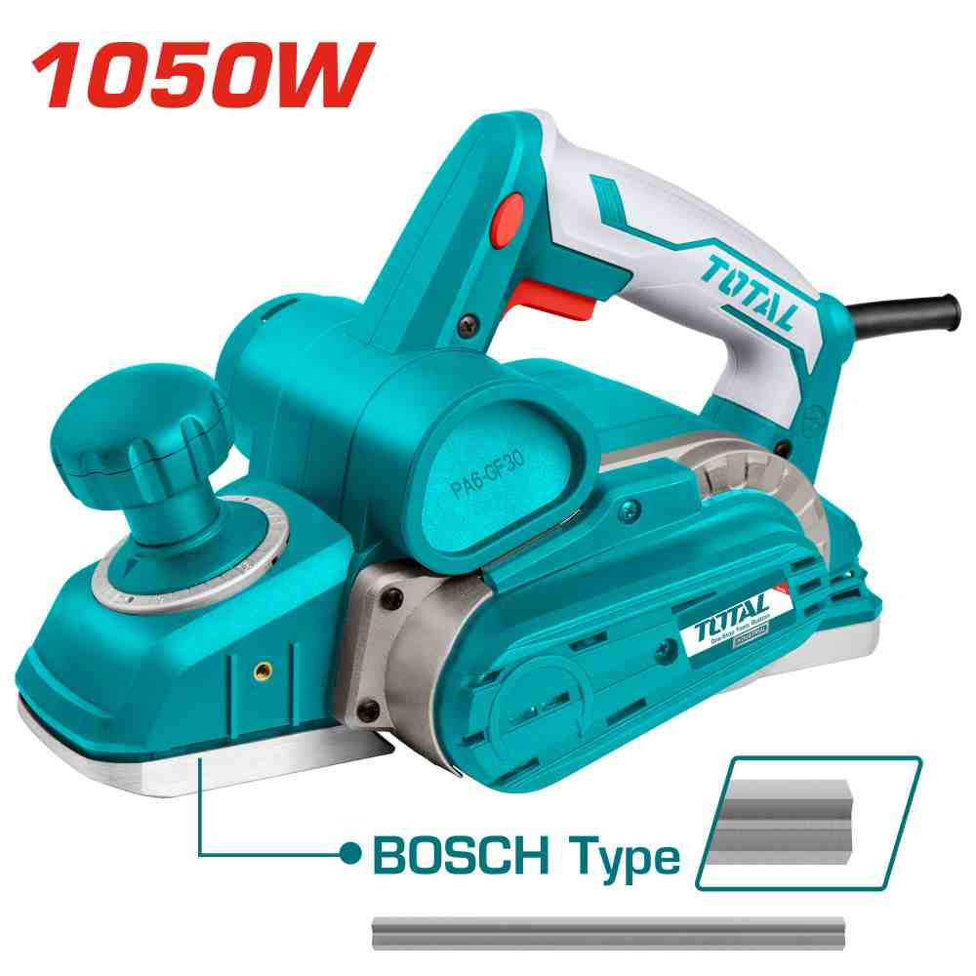 | فاره كهربائيه 1050 واط TOTAL TLI1108236 | Electric planer | Volts:220-240V~50/60Hz Input power:1050W No-load speed:16000rpm Planning width&depth:82x3mm Heavy duty aluminum base Aluminum side cover Self-cooling belt system With 1pcs belt With 1set parallel guides With 1pcs depth guide With 1set extra carbon brushes Packed by color box | PCS | 40 | 46.00 | 64.000 | 6925582186512
TT3506 | 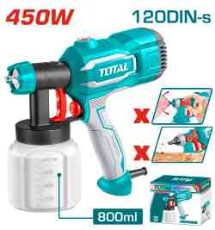 | TOTAL TT3506 SPRAY GUN 450W فرد رش دهان طاسة بلاستيك | Spray gun | Voltage:220-240V~50/60Hz Input power:450W Spraying Pressure:0.1-0.2Bar Max flow:550ml/min Max. viscosity:120DIN-s Container capacity:800ml Accessories: 1x viscosity measuring cup 1x nozzle cleaning needle Packed by color box | PCS | 80 | 16.00 | 22.000 | 6925582188752
TG2006 | 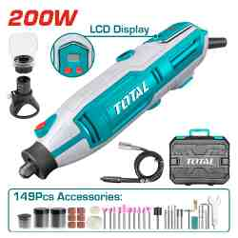 | Total TG2006 درمل 200 واط مع اكسسوارات 149 قطعة | Mini grinder | Voltage:220V-240V~50/60Hz Input power:200W No-load speed:10000-40000rpm Collet size:3.2mm/2.3mm LCD display Variable speed control With 1pcs flexible shaft With 149pcs accessories With 1pcs safe guard With 1pcs cutting guide With 1set extra carbon brushes Packed by BMC | PCS | 100 | 20.00 | 28.000 | 6941639877974
TDDM28001 | 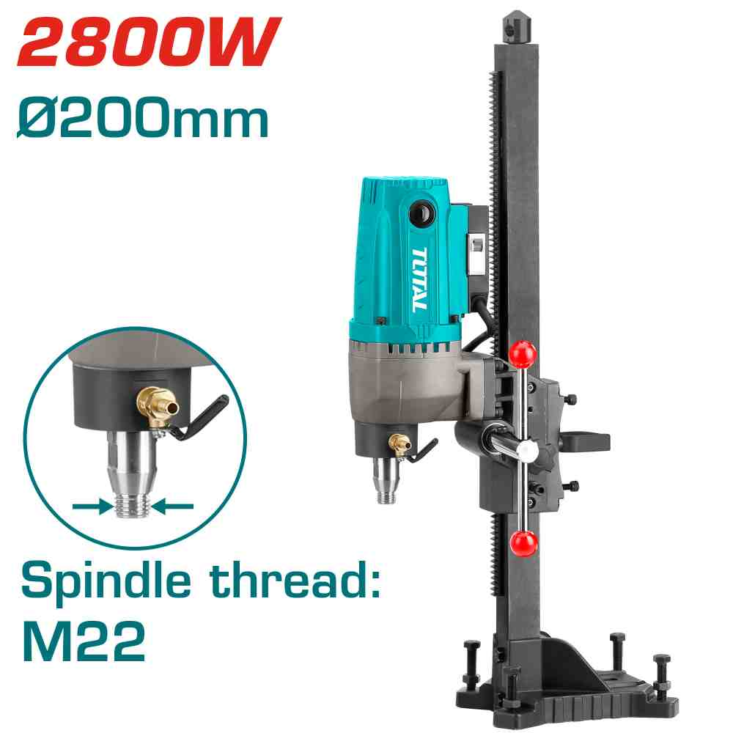 | Total TDDM28001 Diamond Drilling Machine 2800W درل كور مع قاعدة تثقيب حتى قطر 8 انش | Diamond drilling machine | Voltage:220-240V~50/60Hz Input power:2800W No-load speed:800rpm Max. drilling diameter:200mm Spindle thread:M22 With drilling stand With 1 set carbon brushes With leakage protection switch Packed by carton box | PCS | 20 | 145.00 | 200.000 | 6925582156355
TET1406 | 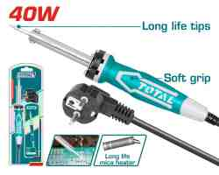 | TOTAL TET1406 Electric soldering iron 40w كاوي لحام | Electric soldering iron | Voltage:220-240V~50/60Hz Input power:40W Preheat.time:3~5minutes Straight,tip head With a piece of support Long life replaceble tip Packed by sliding card | PCS | 400 | 4.15 | 5.700 | 6925582188257
PBCA16008 | 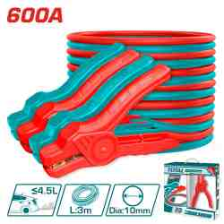 | كيبل اشتراك سياره 3 متر 600 امبير TOTAL PBCA16008 | Booster cable | Current: 600AMP Clamp size: 18x10cm Suitable for emission ≤4.5L car Cable material: copper coated aluminum Cable outside diameter: 10mm Cable length: 3m Packed by color box | SET | 160 | 10.00 | 14.990 | 6925582196719
TTAC1406 | 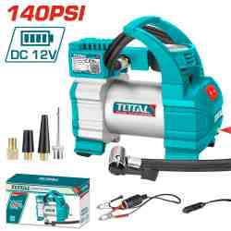 | TOTAL TTAC1406 Auto air compressor 140PSI(10Bar) DC12V منفاخ عجال سيارة راس واحد | Auto air compressor | Power supply:DC12V Rated current:10A Max.pressure:140PSI(10Bar) Max.air flow:35L/min With 1PCS LED light With 3M cord with cigarette lighter With 1Pcs battery clips With 4pcs nozzle adapters Packed by color box | PCS | 80 | 20.00 | 28.000 | 6925582192599
TTAC2506 | 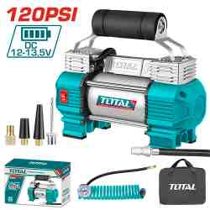 | TOTAL TTAC2506 Auto air compressor 120PSI 12V With light منفاخ عجال سيارة مع اضائة راسين | Auto air compressor | Voltage:12V Current:18A Max pressure: 120 PSI/8.27BAR/827KPA Max air flow:45L/min Duplex cylinder Integrated work light With 1pcs battery clips With 4pcs adapters With 1pcs 3m air hose with a brass quick-releasing adapter With 1pcs canvas bag Packed by color box | PCS | 124 | 27.50 | 37.000 | 6925582188455
TCS1110062 |  | Total TCS1110062 كبريسر هواء 6 لتر | Air compressor | Voltage:220-240V~50Hz Input power: 1100W（1.5HP） Tank:6L(1.6Gal) Oil free system Noise: 67db Aluminium wire motor No-load speed:2850rpm Operation pressure:max.8bar Packed by carton box | PCS | 25 | 69.00 | 90.000 | 6976057330817
TAT3031 |  | TOTAL TAT3031 Air blow gun فرد تنفيخ هواء | Air blow gun | Nozzle length:16mm Only with Europe type connector. Packed by sliding card | PCS | 400 | 2.45 | 3.400 | 6925582174885
THKISD12102L |  | TOTAL THKISD12102L 10PCS 1/2" deep impact socket set طقم بوكس اسود طويل 10 قطع | 10 Pcs 1/2" deep impact socket set | 10 Pcs 1/2" deep impact socket set Include: Drive:1/2" Size:10.12.13.14.15.17.19.21.22.24mm length:78mm Material:CrMo Cold extrusion Heat treatment Packed by carrying case | SET | 200 | 16.50 | 22.500 | 6925582156515
THKISD12203L |  | Total THKISD12203L طقم بوكس 1/2 انش اسود 20 قطعة | 20 Pcs 1/2"Dr. Impact socket set | 20 Pcs 1/2"Dr. Impact socket set Drive:1/2" Impact socket size: 10,12,13,14,15,17,19,21,22,24,mm Deep impact socket size: 10,12,13,14,15,17,19,21,22,24,mm Deep impact socket length: 78mm Material: Cr-Mo Cold extrusion Heat treatment Packed by carrying case | SET | 120 | 22.00 | 32.000 | 6932584805228
THDIS12212L |  | Total THDIS12212L بوكس اسود طويل 21 ملم | 1/2"DR. Deep impact socket | 1/2"DR. Deep impact socket Drive:1/2" Impact socket size:21mm Lenth:78mm Material:CrMo Cold extrusion Heat treatment Packed by Plastic hanger | PCS | 448 | 1.70 | 2.200 | 6923736766221
THDIS12222L |  | Total THDIS12222L بوكس اسود طويل 22 ملم | 1/2"DR. Deep impact socket | 1/2"DR. Deep impact socket Drive:1/2" Impact socket size:22mm Lenth:78mm Material:CrMo Cold extrusion Heat treatment Packed by Plastic hanger | PCS | 448 | 1.80 | 2.300 | 6932584802210
TGTSC51801 |  | جنزير منشار شجر 18" TOTAL TGTSC51801 | Saw chain | Length: 18" Chain Pitch:.325" Chain Gauge:0.058" Drive Links: 72 links Suitable for TG5451811 gasoline chain saw Packed by double blister | PCS | 200 | 9.00 | 13.000 | 6941639830351
TGTSC52401 |  | Total TGTSC52401 Saw chain 24" جنزير منشار شجر | Saw chain | Length: 24" Chain Pitch:3/8" Chain Gauge:0.063" Drive Links: 84 links Suitable for TG5602411 gasoline chain saw Packed by double blister | PCS | 50 | 13.00 | 20.000 | 6941639850601
THFB4301 |  | TOTAL THFB4301 فرشاية تنظيف سيارة | Fix brush | Size:420*130mm Material: PP/PA66 Suitable for TGT11316/UTGT11316/TGT11336/UTGT11336/TGT11356/UTGT11356/TGT11376/UTGT11376/TGT11226/TGT11246/UTGT11246 Packed by paper card | PCS | 80 | 2.20 | 3.500 | 6941639890317
TAC20111550 |  | Total TAC20111550 عرض خاص علبة فيبر قص حديد 4.5 انش عدد 50 حبة | Abrasive metal cutting disc set | 50pcs/set 115mm(4 1/2")X1.0mm(3/64")X22.2mm(7/8") RPM:13300r/min Flat centre Cutting disc for metal and INOX Packed by plastic box | SET | 306 | 8.75 | 14.000 | 6942210221230
TAC2211253 |  | TOTAL TAC2211253 Abrasive metal cutting disc فيبر 5" قص ستانلس | Abrasive metal cutting disc | 125MM(5")X1.2MM(3/64")X22.2MM(7/8") Flat centre cutting disc for metal RPM:12200r/min 100pcs/inner color box 400pcs/outer color box Packed by label | PCS | 2000 | 0.30 | 0.550 | 6925582169355
TAC231413 |  | TOTAL TAC231413 صينيه قص خشب 7.1/4" 60 سن | TCT saw blade | 185mm(7-1/4") 60T,arbor:20mm Reduction ring:16mm Suitable for circular saw For item TS1141856,TS11418526,TS11218576,TS1161856 Wood cutting Packed by double blister | PCS | 100 | 4.50 | 6.000 | 6925582166064
TAC231623 |  | TOTAL TAC231623 TCT saw blade 235mm(9-1/4") 60T 60سن 91/4 انش خشب | TCT saw blade | 235mm(9-1/4") 60T,arbor:30mm 16mm and 25.4 ring Suitable for circular saw item TS1222356,TS122235622 Wood cutting Packed by double blister | PCS | 200 | 5.85 | 8.450 | 6925582165463
TAC231723 |  | Total TAC231723 TCT saw blade 10" 60T صينية قص المنيوم وخشب | TCT saw blade | 254mm(10") 60T,arbor:30mm 16mm and 25.4mm ring Wood cutting Packed by double blister | PCS | 75 | 8.00 | 11.000 | 6925582176087
TAC231923 |  | Total TAC231923 اسطولنة قص خشب 12 انش 60 سن | TCT saw blade | 305mm(12") 60T,arbor:30mm 16mm and 25.4mm ring Suitable for mitre saw For item TS42163051,TS42183057 Wood cutting Packed by color box | PCS | 100 | 13.00 | 20.000 | 6925582173253
TAC451301 |  | Total TAC451301 13mm Key chuck جوزة درل | 13mm Key chuck | Chuck capacity:1.5-13mm Connection size:1/2"-20UNF Packed by double blister | SET | 150 | 2.65 | 3.750 | 6925582179019
TAC451301.1 |  | TOTAL TAC451301.1 13mm Key chuck with adaptor جوزة درل مع ادابتر | 13mm Key chuck with adaptor | Chuck capacity:1.5-13mm Connection size:1/2"-20UNF Including 1pcs adaptor Packed by double blister | SET | 325 | 3.00 | 4.000 | 6925582178234
TAC331120 |  | TOTAL TAC331120 Mix paddle 120*600MM ريشة خلط دهان سن 14 ملم | Mix paddle | Diameter:120mm Length:600mm Tool fitting:M14x2 Mixing from top down Packed by paper card | PCS | 60 | 6.60 | 9.000 | 6925582178081
THTMF286 |  | Total THTMF286 زرادية بوز 8 انش متعددة | 6-in-1 Multi-function long nose pliers | 6 In 1 multi-function long nose pliers Size: 8"/200mm Material: Cr-V Surface treatment: black finish and polish Multi-purpose built let you complete more tasks with one tool TPR three color handle for strong grip and comfort Packed by half double blister | PCS | 180 | 4.90 | 6.500 | 6941639888796
THT281006 |  | TOTAL THT281006 Pump pliers 10" زرادية فورد وسط | Pump pliers | Size:10"/250mm Max clamping open:40mm Material: Cr-V Surface treatment: black finish and polish TPR three color handle for strong grip and comfort Packed by half double blister | PCS | 360 | 3.30 | 4.500 | 6925582171068
THT281005 |  | Total THT281005 Pump pliers 10" زرادية فورد ثقيل | Pump pliers | Size:10"/250mm Max clamping open:50mm Cr-V,black finish and polish TPR two color handle Packed by PP hanger | PCS | 360 | 3.60 | 5.150 | 6925582157604
THT28101 |  | Total THT28101 Rabbet pliers قطاعة طوبار 10 انش | Rabbet pliers | Size：10"/250mm Cr-V,black finish and polish With plastic handle Packed by PP hanger | PCS | 180 | 2.85 | 3.700 | 6925582167740
THTIP2171 |  | TOTAL THTIP2171 COMBINATION PLIER 7" زرادية يد معزول | Insulated combination pliers | Size:7"/180mm Black finish and polish Insulated handle Stand high pressure:1000V Packed by half double blister | PCS | 360 | 4.60 | 5.850 | 6925582196412
THTIP2261 |  | Total THTIP2261 Insulated high leverage diagonal cutting pliers قطاعة معزول 6 انش | Insulated high leverage diagonal cutting pliers | Size:6"/160mm Black finish and polish Insulated handle Stand high pressure:1000V Packed by half double blister | PCS | 180 | 4.00 | 5.500 | 6925582196436
THT190703 |  | Total THT190703 Curved jaw locking plier زرادية كبس 7انش | Curved jaw locking plier | Carbon steel Size: 7" Openings range: 0-38mm Same function as THT190701 HRC38°-HRC48° Nickel plated Packed by half double blister | PCS | 360 | 2.55 | 3.600 | 6925582188592
THT191003 |  | TOTAL THT191003 Curved jaw locking plier 10" زرادية كبس | Curved jaw locking plier | Carbon steel Size: 10" Openings range: 0-50mm Same function as THT191001 HRC38°-HRC48° Nickel plated Packed by half double blister | PCS | 300 | 2.90 | 3.850 | 6925582188523
THT115362 |  | TOTAL THT115362 Cable cutter 36" مقص كيبل | Cable cutter | Size:36" Blades material:65Mn Used for cutting copper and aluminum cable Not for cutting ACSR , wire rope,steel or self supporting strand Cutting area:450mm2 Body heat treatment , cutting edges induction quenched Packed by paper card | PCS | 40 | 20.90 | 30.000 | 6925582171488
THT2506100 |  | Total THT2506100 طقم مفكات مع راسيات 100 قطعة | 100 Pcs screwdriver set | 100 pcs screwdriver set Include: 8pcs Slotted screwdriver:SL3.5*75;SL4*100;SL5*75;SL5*100;SL5*125;SL6*100;SL6*150;SL8*150 8pcs Phillips screwdriver:PH0*75;PH0*100;PH1*75;PH1*100;PH1*150;PH2*100;PH2*150;PH3*150 3pcs Torx screwdriver:T10*100*3;T15*100*3.5;T20*100*4 3pcs Pozidriv screwdriver:PZ0*100;PZ1*100;PZ2*100 1pcs Screwdriver magnetic shank:7*100 1pcs Scratch awl:3*75 8pcs Precision screwdriver:SL1.5*50;SL2.5*50;PH000*50;PH00*50;PH0*50;T6*50;T8*50;T10*50 60pcs Screwdriver bits: 2pcs SL3;2pcs SL4;3pcs SL5;3pcs SL6;2pcs SL7;2pcs PH0;3pcs PH1;3pcs PH2;2pcs PH3;2pcs PZ0;3pcs PZ1;3pcs PZ2;2pcs PZ3;1pcs H1.5;1pcs H2;1pcs H2.5;1pcs H3;2pcs H4;1pcs H5;1pcs H5.5;2pcs H6;2pcs T8;2pcs T9;2pcs T10;2pcs T15;2pcs T20;2pcs T25;2pcs T27;2pcs T30;2pcs T40 2pcs Z-shaped two-way screwdriver:SL5*PH1;SL6*PH2 6pcs 1/4" Power sleeve:5mm,6mm,7mm,8mm,9mm,10mm With 1 pcs plastic frame Material:CR-V Round blade Packed by double blister | SET | 40 | 19.00 | 25.000 | 6941639844129
THT421441 |  | TOTAL THT421441 44 pcs 1/4″ + 1/2″ Socket Set طقم بوكس | 44 Pcs 1/4"&1/2" socket set | 44PCS 1/4"+1/2" Socket set Include: 1Pcs 1/4"Dr Ratchet wrench,72T 13Pcs 1/4"Dr Socket:4-4.5-5-5.5-6-7-8-9-10-11-12-13-14mm 1Pcs 1/4"Dr Universal Joint 2Pcs 1/4"Dr Extension Bar:50mm &100mm 1Pcs 1/4"*114mm Sliding T bar 1Pcs 1/4"*150mm Flexible Extension Bar 1Pcs 1/2"Dr Ratchet wrench,72T 18Pcs 1/2"Dr Socket:8-10-12-13-14-15-16-17-18-19-20-21-22-23-24-27-30-32mm 1Pcs 1/2"Dr Universal Joint 2Pcs 1/2"Dr Extension Bar:125mm & 250mm 1Pcs 1/2"*250mm Sliding T bar 2Pcs Spark Plug Socket:16mm & 21mm Material:50BV30 High quality Cr-V steel With three-color soft handle Chromed plated Heat treated Packed by BMC | SET | 80 | 45.00 | 62.000 | 6925582183337
TPBXS101 |  | Total TPBXS101 صندوق عدة 16 انش | 16" Stackable Tool Box | 16" Stackable Tool Box Size:410mm(16")*320mm(12.5")*148mm(5.8") Material:PP plastic Weight:1290g PP plastic buckle Max Load : 15kg Can be stacked together easily and quickly Designed to organize, move, and protect tools Can with roller plate (THTWB61001) or foldable hand truck (THWB61201) for moving easily. Packed by label | PCS | 52 | 5.00 | 8.000 | 6932584806669
THTWB61001 |  | Total THTWB61001 قاعدة صندوق عدة مع عجال حمولة 100 كيلو | Rolling board | Max Load :100kg Platform size:537X360mm Overall size with casters:537x360x170mm Material: ABS Weight : 3800g Wheel size:4" Wheel material:PP+PVC plastic 16" Stackable Tool Box (TPBXS101) ,19" Stackable Tool Box (TPBXS102) and 19" Deepened stackable Tool Box (TPBXS103) can be stacked on rolling board,easy transport Packed by label | PCS | 40 | 15.00 | 20.000 | 6932584801084
THT261325 |  | شنطه عده قماش 13" TOTAL THT261325 | Tool bag | Size: 13" Max load: 12kg L*W*H:33*21*18cm Rigid frame for easy opening and access external pockets for additional storage capacity With 6 pockets outside Packed by paper card | PCS | 320 | 3.00 | 5.000 | 6941639850625
THT261625 |  | شنطه عده قماش 16" TOTAL THT261625 | Tool bag | Size: 16" Max load: 15kg L*W*H:41*29*21cm Rigid frame for easy opening and access Internal & external pockets for additional storage capacity With 6 pockets outside and 8 pockets inside Packed by paper card | PCS | 200 | 4.75 | 7.000 | 6941639848073
THT261925 |  | Total THT261925 شنطة عده 19 انش | Tool bag | Size:19" Material:1680D polyester Max load:18kg L*W*H:48*24*29cm With 6 pockets outside and 8 pockets inside Rigid frame for easy opening and access internal & external pockets for additional storage capacity. Adjustable strap ensures comfortable Packed by paper card | PCS | 60 | 6.50 | 8.500 | 6932584804641
THBP02025 |  | Total THBP0202 شنطة عدة ظهر فارغة | Tool backpack | Size: L38cm* W17cm*H46cm Max load: 8kg Material: polyester oxford 1680D Rigid frame for easy opening and access Internal External pockets for additional storage capacity Packed by paper card | PCS | 80 | 12.00 | 18.500 | 6942210220950
THT13161 |  | TOTAL THT13161 G clamp مربط | G clamp | Size:6” Body malleable cast iron T-shaped thread Packed by paper card | PCS | 80 | 5.50 | 7.550 | 6925582164787
THTGP236 |  | Total THTGP236 بريصة 2 أصبع 3 أنش | Two jaws puller | Size:3" 2Jaws,Maxforce:2000KG material:Cr-v,heat treated surface treatment:chrome-plated range of application: A=80MM,L1=40MM,L2=44MM Packed by color box | PCS | 60 | 4.50 | 6.000 | 6925582181043
THTGP246 |  | Total THTGP246 Two Jaws Puller 4" بريصة 2 اصبع | Two jaws puller | Size:4" 2Jaws,Maxforce:3000KG material:Cr-v,heat treated surface treatment:chrome-plated range of application: A=115MM,A1=125MM,L1=40MM,L2=90MM,L3=38MM,L4=60MM Packed by color box | PCS | 60 | 6.50 | 10.000 | 6925582180244
THTGP266 |  | Total THTGP266 Two Jaws Puller 6" بريصة 2 اصبع | Two jaws puller | Size:6" 2Jaws,Maxforce:5000KG material:Cr-v,heat treated surface treatment:chrome-plated range of application: A=160MM,A1=155MM,L1=50MM,L2=140MM,L3=50MM,L4=105MM Packed by color box | PCS | 36 | 12.00 | 18.000 | 6925582180251
THTGP336 |  | Three Jaws Puller بريصة 3 اصابع "3 صناعي ثقيل جدا | Three jaws puller | Size:3" 3Jaws,Maxforce:3000KG material:Cr-v,heat treated surface treatment:chrome-plated range of application: A=75MM,L1=40MM,L2=47MM Packed by color box | PCS | 60 | 6.50 | 10.000 | 6925582179958
THTGP346 |  | TOTAL THTGP346 Three Jaws Puller 4" 3Jaws بريصة 4" 3 اصابع صناعي ثقيل جدا | Three jaws puller | Size:4" 3Jaws,Maxforce:4000KG material:Cr-v,heat treated surface treatment:chrome-plated range of application: A=120MM,A1=125MM,L1=40MM,L2=87MM,L3=38MM,L4=60MM Packed by color box | PCS | 60 | 8.50 | 12.000 | 6925582179965
THTGP366 |  | TOTAL THTGP366 Three Jaws Puller 6" 3Jaws بريصة 6" 3 اصابع صناعي ثقيل جدا | Three jaws puller | Size:6" 3Jaws,Maxforce:6000KG material:Cr-v,heat treated surface treatment:chrome-plated range of application: A=175MM,A1=170MM,L1=50MM,L2=135MM,L3=50MM,L4=95MM Packed by color box | PCS | 36 | 15.00 | 25.000 | 6925582179972
TAC38051 |  | Total TAC38051 فرشاية سلك حديد 3 صف | Wire brush | Steel wire brush Length: 340mm(13-25/64'') Plastic handle, 3 rows With a shovel knife Packed by double blister | PCS | 216 | 1.50 | 2.000 | 6941639876809
THT91386 |  | TOTAL THT91386 Round Steel file مبرد حديد مبروم "8 | Round steel file | Round steel file Length:200mm Material:T12 steel Each one with plastic hanger Packed by poly bag | PCS | 600 | 1.65 | 2.250 | 6925582178142
THT918516 |  | Total THT918516 طقم مبرد حديد 5 قطع 8 انش | 5 Pcs steel file set | Work for metal Length:200mm, T12 Steel Flat steel file 1pcs Half round steel file 1pcs Round steel file 1pcs Triangle steel file 1pcs Square steel file 1pcs Packed by double blister | SET | 150 | 8.50 | 12.500 | 6925582179095
THT918326 |  | TOTAL THT918326 3pcs wood file set/8” طقم مبارد خشب | 3 Pcs wood file set | Work for wood Size:200mm Flat wood file 1pcs Half round wood file 1pcs Round wood file 1pcs Packed by double blister | SET | 180 | 4.95 | 6.200 | 6925582179088
THT21809 |  | Total THT21809 Caulking gun فرد سيلكون | Caulking gun | 9" Caulking gun Iron shank with teeth Length:230mm(9") Thickness: 0.8mm Diameter: 55mm Packed by label | PCS | 480 | 1.25 | 2.000 | 6941639868477
THT20115 |  | فرد معجونة 15" Total THT20115 | Aluminum caulking gun | 15" aluminum caulking gun Strong aluminum handle Length:380mm Diameter:51mm Packed by Label | PCS | 180 | 5.20 | 7.500 | 6925582160031
THT111051 |  | TOTAL THT111051 Grease Gun 400cc مطس شحمة | Grease gun | Heavy-Duty Grease Gun Taiwan Quality Capacity：400CC / 14oz Loading way：14Oz Cartridge / 400CC Bulk Working Pressure：4500psi Burst Pressure：10000psi Material：1.2mm Steel tube + Aluminum-Cast Standard Accessory： 1pcs 12" High Pressure Flexible Nylon Hose 1pcs Metallic Bend Spout Packed by color box | PCS | 150 | 8.80 | 11.250 | 6925582167634
THT83406 |  | Total THT83406 مشحاف ضرب 1.5 انش | Putty trowel | Size:40mm(1.5'') stainless steel Heat treatment Fine polished Packed by label | PCS | 600 | 0.90 | 1.300 | 6973138761591
THT83606 |  | TOTAL THT83606 Putty trowel مشحاف 2.5 | Putty trowel | Size:60mm(2.5'') stainless steel Heat treatment Fine polished Packed by label | PCS | 600 | 1.00 | 1.400 | 6925582178968
THT83806 |  | TOTAL THT83806 Putty trowel مشحاف 3 | Putty trowel | Size:80mm(3'') stainless steel Heat treatment Fine polished Packed by label | PCS | 600 | 1.20 | 1.600 | 6925582178975
TMT536002 |  | Total TMT536002 AC/DC جهاز ماتي ميتر 600 فولت | Digital multimeter | Display : TRUR RMS 4000 counts DC Current: 40mA/400mA/10A DC/AC Voltage:400mV/4V/40V/600V Resistance:400Ω/4kΩ/40kΩ/400kΩ/4MΩ/40MΩ Diode test NCV Data hold Battery test Flashlight Low battery indication Backlight With 2pcs LR03 AAA batteries Packed by double blister | PCS | 80 | 8.00 | 11.000 | 6923736766252
TSP12102 |  | كفوف عمال خفيف Total TSP12102 | Nitrile gloves | Size:XL Liner Material:Polyester Coating material/Finish: Nitrile Gauge:13 Protection level:4121X 12pairs/paper Use for oil environment (Less oil) worker etc. Nitrile coated palm, smooth and rough-texture palm finish. Packed by poly bag | PAIR | 3000 | 0.40 | 0.700 | 6941639888482
TSP13102 |  | Total TSP13102 كفوف عمال | Latex gloves | Size:XL Liner Material:Polyester Coating material/Finish: Latex Gauge:10 1pair/paper Use for heavy cargo handling worker, slight sharp objects carrier etc. Cotton/polyester seamless knitted shell. Textured palm dip for extra grip and durability. Packed by poly bag | PAIR | 1200 | 0.80 | 1.200 | 6941639888512
TSP302L.43 |  | جزمه عمال نمره 43 TOTAL TSP302L.43 | Rain boots | Size:43 Material:100% Virgin PVC Height:37cm High level oil, acid, alkali resistance 100% Waterproof Packed by poly bag | PAIR | 240 | 5.85 | 8.000 | 6925582167290
TSP302L.45 |  | جزمه عمال اخضر نمره 45 TOTAL TSP302L.45 | Rain boots | Size:45 100% Virgin PVC Height:37cm High level oil, acid, alkali resistance 100% Waterproof Packed by poly bag | PAIR | 114 | 6.20 | 8.000 | 6925582167313
TSP8601 |  | Total TSP8601 خوذة عمال أصفر | Safety helmet | Color:yellow Material:100% New PE Weight:380g PE shell with vents Lining material: ribbon Chin strap included "V"-type top reinforcement 6 Point suspension Adjust head size by ratchet knob Packed by label | PCS | 100 | 2.25 | 3.500 | 6932584806553
TSP8602 |  | Total TSP8602 خوذة عمال ابيض | Safety helmet | Color:white Material:100% New PE Weight:380g PE shell with vents Lining material: ribbon Chin strap included "V"-type top reinforcement 6 Point suspension Adjust head size by ratchet knob Packed by label | PCS | 300 | 2.25 | 3.500 | 6932584802289
THT0601 |  | Total THT0601 Pruning Shear 22cm مقص شجر سوبر ثقيل | Pruning shear | Size:8.5"(220mm) SK5 Entire metal frame,more durable High-Quality Garden Pruning Shear SK5 Heat treatment Telfon coating PP handle coverd TPR grip Packed by blister card | PCS | 384 | 3.50 | 6.500 | 6925582149364
THEPS25281 |  | منشار ومقص اغصان تلسكوب TOTAL THEPS25281 | Extendable pole saw & pruner | Max cutting diameter:25mm Steel telescopic tube length:2.4m Two parts total length:2.8m SK5 saw blade and triple teeth 2.7m nylon strings with 7mm diameter Double wheels design Heat treatment blade Blade painted teflon Packed by half double blister | PCS | 80 | 16.00 | 22.000 | 6925582199994
TIRLI2028 |  | Total TIRLI2028 درل بوكس شحن 20 فولت 285 نيوتن مع 2 بطارية 2 أمبير وشاحن | Cordless impact driver | Brushless motor Voltage: 20V Hex shank: 6.35mm No-load speed: 0-1600/0-1900/0-2600rpm Impact rate: 0-2100/0-2500/0-2900bpm Max torque: 285Nm Integrated LED work light Include: 2 Pcs screwdriver bits 3 Pcs nut setters 2 Pcs 2.0Ah battery pack(TFBLI20011) 1 Pcs charger(TFCLI2001) Charge volts: 220-240V~50/60Hz Packed by carrying case | PCS | 60 | 55.00 | 77.000 | 6942210227645
TCKLI20286 |  | Total TCKLI20286 طقم شحن درل بوكس 405 نيوتن مع درل 66 نيوتن مع 2 بطارية 2 أمبير | Cordless 2 pcs combo kit | Voltage:20V With 1pcs Compact Brushless Cordless Impact Drill(TIDLI206681) With 1pcs Cordless impact wrench(TIWLI20451) Compact Brushless Cordless Impact Drill(TIDLI206681): Brushless motor No-load speed: 0-500/0-2000rpm Max impact rate: 30000bpm Max torque: 66Nm Metal chuck Chuck capacity: 13mm Torque settings: 22+1+1 Mechanical 2-speed gear Spindle lock function Integrated LED work light Cordless impact wrench(TIWLI20451): Brushless motor Square drive: 1/2" No-load speed: 0-1800/0-2000/0-2400rpm Impact rate: 0-2200/0-2600/0-3000bpm Fastening torque: 405Nm Breakaway torque: 555Nm Include: 1 Pcs 20V charger(TFCLI2001) Charge volts: 220-240V~50/60Hz 2 Pcs 2.0Ah battery pack(TFBLI20011) 47 Pcs accessories 3 Pcs sockets(17 19 21mm) Packed by carrying case | SET | 60 | #N/A | #N/A | 6932584807031
TAGLI212027 |  | Total TAGLI212027 صاروخ شحن 20 فولت بدون بطاريات | Cordless angle grinder | Brushless Motor Voltage:20V Max input power: 1200W No-load speed:3000/6000/9000rpm Disc diameter:125mm Spindle thread:M14 Anti-Vibration handle Disc not included Battery and charger sold separately Packed by color box | PCS | 180 | 29.00 | 38.000 | 6937541239535
TWLI20885 |  | Total TWLI20885 كشاف شحن 20 فولت بدون بطاريات | Cordless work lamp | Voltage:20V LED power dissipation:22.5W Lumens:High:2500±10% Medium:1400±10% Low:800±10% 3 Brightness modes Metal hanger Ergonomic grip with softgrip Ultra long irradiation distance The LED lamp head can be swivelled through 130° degrees Battery and charger sold separately Packed by color box | PCS | 80 | 20.00 | 27.000 | 6937541235148
TVLI2006 |  | مكنسه شحن مع بطارية وشاحن 20 فولت Total TVLI2006 Lithium-Ion vacuum cleaner | Cordless vacuum cleaner | Voltage:20V Vacuum pressure(KPa):>9 Kpa Capacity:0.8L Power(W):120W Multiple cyclone Pure copper wire motor HEPA filter Charge volts:220V-240V~50/60Hz Charge time:1.2H Working time:>35min low speed level Working time:>18min high speed level 1pcs 2.0Ah battery pack 1pcs charger for 2.0Ah battery pack 1pcs metal tube 1pcs crevice nozzle 1pcs sofa brush 1pcs plastic hanger Packed by color box | PCS | 48 | 58.00 | 75.000 | 6941639841555
TABLI20428 |  | بلور زراعي شحن 20 فولت سرعات بدون بطاريه و شاحن Total TABLI20428 | Cordless blower | Brushless Motor Voltage:20V No-load speed :0-18500rpm Average air volume:8.5m3/min Maximum air speed:144km/h Variable speed control Battery and charger sold separately Packed by color box | PCS | 50 | 30.00 | 45.000 | 6941639846383
TFBCPK1012 |  | Total TFBCPK1012 بطارية 20 فولت 4 أمبير مع شاحن | Lithium-Ion battery and charger kit | Voltage: 20V With 1pcs lithium-ion battery pack(TFBLI20021) With 1pcs charger(TFCLI2001) Lithium-ion battery pack(TFBLI20021): Lithium-ion 4.0Ah battery LED battery power indicator One battery fits all P20S multiple tools Lithium-ion battery charger(TFCLI2001): Input voltage:220-240V~50/60Hz Output voltage:20V Output current:2A Packed by double blister | SET | 60 | 25.00 | 35.000 | 6932584807369
TPWLI4006 |  | Total TPWLI4006 مضخة غسيل 40 فولت 80 بار بدون فحمات تنك 15 لتر بدون بطارية وشاحن | Cordless pressure washer | Brushless Motor Voltage:40V Max pressure:80Bar Max flow :4L/min Container capacity:15L Three levels Auto stop system Battery and charger sold separately Telescopic metal tie rod Backyard storage Touch control panel 1pcs form sprayer 1pcs nozzle cleaning pin 1pcs 5M PVC pressure hose 1pcs Inlet adaptor 1pcs spray gun Packed by color box | PCS | 20 | 125.00 | 160.000 | 6941639868842
TFALI2001 |  | TOTAL TFALI2001 مروحه شحن 20 فولت بدون بطاريه | Cordless fan | DC Voltage:20V AC Voltage:220-240V~50/60HZ Speed settings:3 Dimensions:13" Battery and charger sold separately Packed by carton box | PCS | 20 | 44.00 | 56.000 | 6925582193619
TIDLI426982 |  | Total TIDLI426982 درل شحن 42 فولت 69 نيوتن مع 2 بطارية 2 أمبير وشاحن | Compact Brushless Cordless Impact Drill | Brushless motor Voltage: 42V No-load speed: 0-500/0-2000rpm Max impact rate: 30000bpm Max torque: 69Nm Metal chuck Chuck capacity: 13mm Torque settings: 22+1+1 Mechanical 2-speed gear Spindle lock function Integrated LED work light Include: 47 Pcs accessories 3 Pcs masonry drill bits(4mm,5mm,6mm) 2 Pcs 150mm Impact screwdriver bits(PH2) 2 Pcs 2.0Ah battery pack(TFBLI42201) 1 Pcs charger(TFCLI42021) Charge volts:220-240V~50/60Hz Packed by carrying case | PCS | 100 | 75.00 | 100.000 | 6937541238200
TIWLI42462 |  | Total TIWLI42462 درل بوكس شحن 42 فولت 460 نيوتن مع 2 بطارية 2 أمبير وشاحن | Cordless impact wrench | Brushless motor Voltage: 42V Square drive: 1/2" No-load speed: 0-1600/0-1900/0-2300rpm Impact rate: 0-2100/0-2500/0-2900bpm Fastening torque: 460Nm Nut-Busting torque: 600Nm Include: 5 Pcs sockets(14,15,17,19,21mm) 1 Pcs 1/2" square driver to 1/4" hex 2 Pcs screwdriver bits 2 Pcs battery pack(TFBLI42201) 1 Pcs charger(TFCLI42021) Charge volts:220-240V~50/60Hz Packed by carrying case | PCS | 40 | 85.00 | 115.000 | 6937541239627
TSLI4218512 |  | Total TSLI4218512 منشار سكل شحن 42 فولت 7.25 انش مع 2 بطارية 2.5 أمبير وشاحن | Cordless circular saw | Brushless motor Voltage: 42V No-load speed: 4800rpm Blade diameter: 185mm(7-1/4'') Arbor size:20mm Cutting capacity: 45° degree: 45mm 90° degree: 65mm Adjustable cutting depth Adjustable bevel cutting Include: 1 Pcs 185mm saw blade 2 Pcs 2.5Ah battery pack(TFBLI42251) 1 Pcs charger(TFCLI42021) Charge volts:220-240V~50/60Hz Packed by carrying case | PCS | 20 | 110.00 | 140.000 | 6937541239863
TG1071366 |  | Total TG1071366 درل كهرباء 13 ملم 710 واط | Impact drill | Voltage: 220-240V~50/60Hz Input power: 710W No-load speed: 0-3000rpm Max.drilling capacity: 13mm Variable speed control Forward/Reverse switch Hammer function Packed by color box | PCS | 200 | 15.00 | 22.000 | 6923736767648
TG1091366 |  | Total TG1091366 درل كهرباء 13 ملم 900 واط | Impact drill | Voltage:220-240V~50/60Hz Input power:900W No-load speed:0-2800rpm Max.drilling capacity:13mm Variable speed control Forward/Reverse switch Hammer function With 1set extra carbon brushes Packed by color box | PCS | 80 | 18.50 | 25.000 | 6932584805488
TD551082 |  | Total TD551082 درل كهرباء 10 ملم 550 واط جوزة اتوماتيك | Electric drill | Voltage:220-240V~50/60Hz Input power:550W No-load speed:0-3300rpm Max.drilling capacity:10mm 10mm keyless chuck Variable speed control Forward/Reverse switch With 1set extra carbon brushes Packed by color box | PCS | 100 | 13.50 | 17.000 | 6932584808090
TG10711556 |  | صاروخ 4.5" TOTAL TG10711556 Angle grinder 750W | Angle grinder | Voltage:220-240V~50/60Hz Input power:750W No-load speed:12000rpm Disc diameter:115mm Spindle thread:M14 With 1pcs auxiliary handle Disc not included Packed by color box | PCS | 400 | 15.50 | 19.990 | 6941639802983
TG109125565 |  | صاروخ كهرباء سرعات 5" TOTAL TG109125565 Angle grinder 900W | Angle grinder | Voltage:220-240V~50/60Hz Input power:900W No-load speed:5000-12000rpm Disc diameter:125mm Spindle thread:M14 Variable speed control With 1pcs auxiliary handle Disc not included Packed by color box | PCS | 204 | 23.00 | 31.500 | 6941639818694
TG12018026 |  | Total TG12018026 صاروخ كهرباء 7 أنش 2000 واط | Angle grinder | Voltage:220-240V~50/60Hz Input power:2000W No-load speed:8450rpm Disc diameter:180mm Spindle thread:M14 With 1pcs auxiliary handle With 1set extra carbon brushes Disc not included Packed by color box | PCS | 100 | 38.00 | 46.000 | 6925582196023
TF2241108 |  | Total TF2241108 حفافة كهرباء مربعة 240 واط | Palm sander | Voltage: 220-240V~50/60Hz Input power: 240W No-load speed: 14000rpm Bottom base: 110mmx100mm Include: 5 Pcs sand papers (TAC74914112) 1 Set extra carbon brushes Packed by color box | PCS | 100 | 18.50 | 26.000 | 6942210220424
TF1301836 |  | Total TF1301836 حفافة كهرباء مستطيلة 320 واط | Finishing sander | Voltage:220-240V~50/60Hz Input power:320W No-load speed:14000rpm Bottom base:90mmx180mm Aluminum durable base With 5pcs sand papers With 1set extra carbon brushes Packed by color box | PCS | 120 | 22.50 | 30.000 | 6923736766856
TAT11002 |  | Total TAT11002 Air spray gun 1000cc فرد رش دهان أساس فاله 1.8 ملم طاسه سفليه | Air spray gun | Standard nozzle:1.8mm Pattern width:200-250mm Paint capacity:1000cc Suitable for base coat With Europe type connector, USA type connector, Nitto type connector and Italy type connector. Optional nozzle:1.4-2.5mm Operating pressure:3-4bar Air cons:4.6-7.1cfm(130-200l/min) Packed by color box | PCS | 300 | 16.00 | 22.000 | 6925582176476
TAT10605 |  | فرد رش دهان TOTAL TAT10605 Spray gun | Air spray gun | TOP GRADE SPRAY GUN Standard nozzle:1.3mm Pattern width:180-260mm Paint capacity:600cc Suitable for finishing coat,Professional for spray car. With Europe type connector, USA type connector, Nitto type connector and Italy type connector. Operating pressure:2.0bar Air cons:5-9cfm(141-253l/min) Packed by color box | PCS | 40 | 40.00 | 58.000 | 6925582192452
TAT40122 |  | TOTAL TAT40122 Air impact wrench درل بناشر هواء 1/2 انش 610 نيوتن | Air impact wrench | Without quick plug Square drive:12.5mm(1/2") No-load speed:7000/min Max.torque:610Nm(450Ft-lb) Weight: 2.6KG Twin hammer mechanism With 3 pcs socket (17mm,19mm,21mm) With Europe type connector, USA type connector, Nitto type connector and Italy type connector. Air Consumption:142.5l/min(5.0cfm) Air Pressure:6.3bar(90psi) Length:187mm(7.3") Weight:2.6kgs(5.7lbs) Air Inlet:1/4" Air hose:3/8" Packed by color box | PCS | 60 | 39.00 | 54.000 | 6925582191226
TWP137026 |  | Total TWP137026 مضخة فراشة رفيعة 1/2 حصان | Water pump | Peripheral Pump Voltage:220-240V~50Hz Rated power:370W(0.5HP) Max.head:30m Max.flow:30L/min Max.suction:8m Pipe diameter:1"x1" Copper wire motor Stainless steel welding shaft : 304+45# Electrophoresis pump body Brass impeller 0.3m length cable Packed by color box | PCS | 816 | 19.00 | 25.000 | 6941639840336
TWP13706 |  | TOTAL TWP13706 Peripheral Pump مضخة ماء 0.5 حصان | Water pump | Peripheral Pump Voltage:220-240V~50Hz Rated power:370W(0.5HP) Max.head:35m Max.flow:35L/min Max.suction:8m Pipe diameter:1"x1" Copper wire motor Stainless steel welding shaft : 304+45# Electrophoresis pump body Brass impeller 0.3m length cable Packed by color box | PCS | 534 | 22.80 | 29.000 | 6925582184440
TWP15506 |  | TOTAL TWP15506 Peripheral pump مضخة ماء 3/4 حصان | Water pump | Peripheral Pump Voltage:220-240V~50Hz Rated power:550W(0.75HP) Max.head:45m Max.flow:45L/min Max.suction:8m Pipe diameter:1"x1" Copper wire motor Stainless steel welding shaft : 304+45# Electrophoresis pump body Brass impeller 0.3m length cable Packed by carton box | PCS | 240 | 35.00 | 45.000 | 6925582189469
TWP93706 |  | مضخه مياه 1/2" مع ايزي بريس وطابه TOTAL TWP93706 | Water pump | Automatic self-priming peripheral pump Voltage:220-240V~50Hz Rated power:370W(0.5HP) Max.head:32m Max.flow:35L/min Max.suction:8M Pipe diameter:1"x1" Copper wire motor Stainless steel welding shaft : 304+45# Electrophoresis pump body Brass impeller 0.3m length cable With 1pcs pressure switch With 1pcs 2L pressure tank Packed by color box | PCS | 87 | 35.00 | 50.000 | 6941639824923
TWP113706 |  | مضخه ماء مع طابه 1/2 حصان Total TWP113706 | Water pump | Intelligent self-priming pump Voltage:220-240V~50Hz Rated power:370W(0.5HP) Max.head:35m Max.flow:35L/min Max.suction:8M Pipe diameter:1"x1" Copper wire motor Stainless steel welding shaft : 304+45# Electrophoresis pump body Brass impeller 1.5m length cable with VDE plug With 1pcs flow switch With 1pcs pressure switch With 1pcs 2L pressure tank Intelligent control system Automatic start-stop Water shortage protection Water leakage protection Smart standby Packed by color box | PCS | 85 | 39.00 | 49.000 | 6976057333368
TWP2150026 |  | Total TWP2150026 مضخة ماء 2 حصان عامود ستانلس | Water pump | Centrifugal pump Voltage:220-240V~50Hz Rated power:1500W(2.0HP) Max.head:18m Max.flow:450L/min Max.suction:8m Pipe diameter:2"x2" Copper wire motor Stainless steel welding shaft : 304+45# Electrophoresis pump body Stainless steel impeller 0.3m length cable Packed by plywood case | PCS | 100 | 75.00 | 105.000 | 6976057333672
TWPS101 |  | Automatic pump control 10A ايزي برس 1.5 بار | Automatic pump control | Rated voltage:220-240V Frequency:50/60Hz Staring pressure:1.5bar Maximum power allowed: 1100W Max.current:10A Max.pressure:10bar Pipe diameter:1"x1" Protection degree:IP65 Packed by color box | PCS | 480 | 16.00 | 24.000 | 6925582170115
TWP65506 |  | مضخه غاطس 3/4" ستانلس 25 متر TOTAL TWP65506 | Submersible pump | Voltage:220-240V~50Hz Rated power: 550W(0.75HP) Max.head:25m Max.flow:117L/min Pipe diameter:1" 9m length cable Copper wire motor Stainless steel base Stainless steel screws Stainless steel shaft Thermal protection With float switch For clean water Packed by carton box | PCS | 90 | 54.50 | 70.000 | 6925582158144
TWP67506 |  | مضخه ماء حلوه غاطس ستانلس 1 حصان 1" 32 متر TOTAL SUBMERSIBRSIBLE PUMP TWP67506 | Submersible pump | Voltage:220-240V~50Hz Rated power: 750W(1.0HP) Max.head:32m Max.flow:120L/min Pipe diameter:1" 9m length cable Copper wire motor Stainless steel base Stainless steel screws Stainless steel shaft Thermal protection With float switch For clean water Packed by carton box | PCS | 90 | 66.00 | 85.000 | 6925582158151
TWP64006 |  | Total TWP64006 مضخة غاطسة بلاستيك 400 واط 1انش 8متر 1/2 حصان | Submersible pump | Voltage: 220-240V~50Hz Rated power: 400W Max. head: 8m Max. flow: 117L/min Pipe diameter: 1" Copper wire motor 9m length cable With float switch For clean water Packed by carton box | PCS | 120 | 28.00 | 38.000 | 6976057330701
TWP87506 |  | مضخة ماء غاطسة بلاستيك 8 متر 1 حصان Total TWP87506 Sewage submersible pump | Sewage submersible pump | Voltage:220V-240~50Hz Rated power:750W(1.0HP) Max.head:8m Max.flow:217L/min Max.depth:7m Pipe diameter:1" Copper wire motor 9m length cable With float switch For dirty water Packed by carton box | PCS | 150 | 35.00 | 55.000 | 6941639843641
TWP810001 |  | TOTAL TWP810001ubmersible sewage water pump 1000W 16m 2" مضخة غاطسة | Sewage submersible pump | Voltage:220V-240~50Hz Rated power:1000W Max.head:9m Max. flow:333L/min Max.depth:7m Pipe diameter:2" Copper wire motor 9m length cable With float switch For dirty water Packed by carton box | PCS | 50 | 46.00 | 58.000 | 6925582198553
TWP7110016 |  | مضخه غاطس ستانلس 1.5 حصان 2" TOTAL TWP7110016 | Sewage submersible pump | Voltage:220-240V~50Hz Rated power:1100W(1.5HP) Max.head:15m Max. flow:366L/min Pipe diameter:2" Copper wire motor Pump body:Stainless Motor body:Cast iron 9m length cable For dirty water Packed by wooden box | PCS | 40 | 85.00 | 110.000 | 6941639828457
TEA55221-1 |  | Total TEA55221-1 52cc حفار أرض بنزين | Earth auger | Rated power(cc./wattolt):52cc/1.4kw Auger speed:0-265/min With TEA55221-2 Used Together, TEA55221-2 sold separately. Fuel inlet pipe:double-deck PUR pipe Sparking plug:NGK 2-stroke Fuel tank capacity: 1200ml Max. engine speed: 9000/min Max. idle speed:3300±300 Packed by carton box | PCS | 40 | 110.00 | 140.000 | 6941639861805
TEA55221-2 |  | Total TEA55221-2 ريشة حفار ارض 150*800 ملم | Earth auger bits | Auger bit length:Φ150mm*80cm Suitable for TEA55221-1 Packed by carton box | PCS | 40 | 16.00 | 25.000 | 6941639864363
TGT11376 |  | Total TGT11376 مضخة غسيل 160 بار 2000 واط بوبين | High pressure washer | Voltage: 220-240V~50/60Hz Carbon brush motor Pure copper wire Input power: 2000W Max Pressure: 160Bar (2320PSI) Flow rate: 6.0L/min Auto stop system Include: 1 Set water spray gun (TGTSG026) 1 Pcs 5m super flexible high pressure hose 1 Pcs water inlet screw 1 Pcs soap bottle Packed by color box | PCS | 20 | 79.00 | 110.000 | 6942210223586
TGT11226 |  | ماكنه/مضخه غسيل 2000 واط 150 بار TOTAL TGT11226 | High pressure washer | Voltage: 220-240V~50Hz Copper wire induction motor Input power:2000W Max Pressure:150Bar (2200PSI) Flow rate:6.0L/min Auto stop system 1pcs soap bottle 1 set water spray gun(TGTSG026) 5m high pressure hose(TGTHPH526) Packed by color box | PCS | 40 | 105.00 | 155.000 | 6925582186765
TGT11176 |  | Total TGT11176 ماكنة غسيل 2400 واط 100 بار صناعي | High pressure washer (For commercial use) | Voltage: 220-240V~50Hz Copper pump Copper wire induction motor Input power: 2400W Max Pressure: 100Bar (1450PSI) Flow rate: 10L/min 500 hours lifetime 1 set metal spray gun 4 types of nozzles 8m high pressure hose(steel wired) Net weight : 24kg Packed by carton box | PCS | 8 | 166.00 | 220.000 | 6941639868057
TGTSG026 |  | TOTAL TGTSG026 Spray Gun فرد ماكينة | Spray gun | Material:Plastic body Suitable for TGT11316 UTGT11316 TGT11336 UTGT11336 TGT11356 UTGT11356 TGT11376 UTGT11376 TGT11226 TGT11246 UTGT11246 Packed by carton box | SET | 70 | 11.00 | 17.000 | 6925582189056
TAC7542201 |  | Total TAC7542201 ريشة تيتانيوم مدرجة قياس 4-22 ملم | Step drill bit | Size:4-22mm Step:4-6-8-10-12-14-16-18-20-22mm Shank:round shank Titanium finishing Material:HSS 4341 Packed by double blister | PCS | 120 | 3.50 | 5.000 | 6942210220240
TAC303768 |  | Total TAC303768 طقم فيابر قص وجلح حديد 3 أنش | 5PCS Abrasive metal cutting and grinding disc set | 5Pcs/set 3Pcs Abrasive metal cutting disc:76mm(3")X1.2mm(3/64")X10mm(25/64") 2Pcs abrasive metal grinding disc:76mm(3")X4.0mm(5/32")X10mm(25/64") Suitable for TAGLI7601,TAGLI76011,TAGLI76017,TAGLI76012 Packed by double blister | SET | 400 | 1.50 | 2.000 | 6942210228963
TAC31041 |  | TOTAL TAC31041 Cup wire brush with nut 100mm فرشاية 4" سلك نحاس | Wire cup brush | Dia: 100mm, 4" Thread: M14x2 Wire dia: 0.3mm Wire length: 30mm RPM: 8500r/min Apply on: planing, deburring, edge honing, descaling/paint stripping, weld seams Suitable for: Steel, Cast steel, Soft wood, Hard wood Packed by double blister | PCS | 900 | 1.65 | 2.550 | 6925582172232
TAC271031 |  | TOTAL TAC271031 Magnetic nut set راسيات هنجر عدد 3 10 ملم | 3 Pcs impact magnetic nut set | 10mm,3pcs/set Shank:1/4" Hex Length:65mm Material:50BV30 With strong magnet Packed by double blister | SET | 300 | 1.65 | 2.650 | 6925582169461
TESF2001 |  | Total TESF2001 خزنة 6.4 كيلو 20*31*20 سم | Electronic safe | Extenal dimensions(H*W*D):8"*12*8"(20*31*20cm) Volime:11L Thickness(door panel/box body):4/2mm Can be registered 3 to 8 digit code freely Net Weight:6.4kg Mounting:can be fixed to wall or floor Include: 1 x safe, 2 x mechanical key,1 x user manual/fitting instructions,2 x expansion bolt Packed by color box | PCS | 80 | 26.00 | 35.000 | 6941639884309
TESF5001 |  | Total TESF5001 خزنة حديد قياس 330*500*350 ملم 17كغم | Electronic safe | Extenal dimensions(H*W*D):20"*14*13"(50*35*33cm) Volime:52L Thickness(door panel/box body):4/2mm Can be registered 3 to 8 digit code freely Net Weight:17kg Mounting:can be fixed to wall or floor Include: 1 x safe, 2 x mechanical key,1 x user manual/fitting instructions,4x expansion bolt Packed by color box | PCS | 20 | 68.50 | 90.000 | 6941639884330
TG1111366 |  | Total TG1111366 درل كهرباء 1100 واط | Impact drill | Voltage:220-240V~50/60Hz Input power:1100W No-load speed:0-3000rpm Max.drilling capacity:13mm Variable speed control Forward/Reverse switch Hammer function Aluminum gear box With 1set extra carbon brushes Packed by color box | PCS | 170 | 32.00 | 40.000 | 6932584806058
TH308268 |  | همر كهرباء TOTAL TH308268 800W 26mm 2.5J SDS plus | Rotary hammer | Voltage:220-240V~50/60Hz Input power:800W No-load speed:0-1100rpm Impact rate:0-4000bpm Impact energy:2.5J Max.drilling capacity: Concrete:26mm Steel:13mm Wood:30mm SDS plus chuck system With 3 drills and 2 chisels With 1set extra carbon brushes Packed by BMC | PCS | 52 | 35.50 | 45.000 | 6925582192995
TH118366 |  | همر كهرباء TOTAL TH118366 Rotary hammer 1800W 36mm 7J SDS plus | Rotary hammer | Voltage:220-240V~50/60Hz Input power:1800W No-load speed:850rpm Impact rate:4200bpm Impact energy:7.0J Max.drilling capacity: Concrete:36mm Steel:13mm Wood:42mm SDS plus chuck system Chisel-locking system Double Anti-vibration system With 3 drills and 2 chisels With 1set extra carbon brushes Packed by BMC | PCS | 42 | 66.00 | 88.000 | 6925582177107
TS1161856 |  | منشار صينية 7.25 أنش TOTAL TS1161856 Circular saw 1600W | Circular saw | Voltage:220-240V~50/60Hz Input power:1600W No-load speed:5000rpm Blade diameter:185x20mm Cutting capacity: 45 degree:45mm 90 degree:65mm Adjustable cutting depth Adjustable bevel cutting With 1set extra carbon brushes With 1pcs 185mm blade Packed by color box | PCS | 50 | 42.00 | 55.000 | 6925582188950
TT5006-2 |  | فرد رش دهان كهرباء طاسة معدنية TOTAL TT5006-2 HVLP floor based spray gun 500W | HVLP spray gun | Voltage:220-240V~50/60Hz Input power:550W Spraying Pressure:0.1-0.2Bar Max flow:850ml/min Max. viscosity:120DIN-s Power cord length:2.0m 800ml Aluminum container Accessories: 1x viscosity measuring cup 1x nozzle cleaning needle 1x shoulder strap Packed by color box | PCS | 80 | #N/A | #N/A | 6925582189872
TS223558 |  | Total TS223558 ماكنة قص فيبر حديد 14 انش 2200 واط | Cut off saw | Voltage: 220-240V~50/60Hz Input power: 2200W No-load speed: 3700rpm Blade size: 355x25.4mm Max.cutting capacity: 100mm in round pipe 100x100mm in square steel 120x100mm in rectangle Max.cutting steel bar: 50mm With 1pcs 355mm cutting disc Packed by color box | PCS | 14 | 60.00 | 85.000 | 6942210224972
TS9243558 |  | Total TS9243558 فيبرقص 14 انش 2400 واط | Cut off saw | Voltage:220-240V~50/60Hz Input power:2400W No-load speed:3900rpm Blade size:355mmx25.4mm Max.cutting capacity: 100mm in round pipe 100mmx100mm in square steel 120mmx100mm in rectangle Max.cutting steel bar:50mm With 1pcs 355mm cutting disc Packed by color box | PCS | 20 | 70.00 | 95.000 | 6941639859482
TS42142107 |  | Total TS42142107 منشار ذيل 8 انش 1400 واط | Mitre saw | Voltage: 220-240V~50/60Hz Input power: 1400W No-load speed: 5000rpm Blade size: 210mmx25.4mm Max.cutting capacity: 60mmx120mm 0°×0°:H60mm×W120mm 45°×0°:H60mm×W85mm 0°×45°:H34mm×W120mm 45°×45°:H34mm×W85mm Mitre cuts 0-45° left and right Bevel cuts up to 45° to the left Include: 1 Set extra carbon brushes 2 Pcs extension bars 1 Pcs TCT blade 1 Pcs dust bag Packed by color box | PCS | 40 | #N/A | #N/A | 6941639841289
TW216049 |  | Total TW216049 ماكنة لحام 160 الكتروني أمبير | Inverter MMA welding machine | IGBT inverter technology Input voltage: 1~220-240V Frequency: 50/60Hz Output current: 15-160A Duty cycle:160A@30% LED display No-load voltage: 81V Max.output current: 160A Diameter of electrode: 1.6-3.2mm Anti-stick/Hot start/Arc-force 1 Pcs electrode holder with cable 1 Pcs earth clamp with cable 1 Pcs wire brush 1 Pcs helmet 1 Pcs portable strap Packed by color box | PCS | 60 | 51.50 | 75.000 | 6942210223906
TW225069 |  | Total TW225069 ماكنة لحام الكتروني 250 أمبير | Inverter MMA welding machine | IGBT inverter technology Input voltage: 1~220-240V Frequency: 50/60Hz Output current: 15-250A Duty cycle: 250A@60% LED display No-load voltage: 80V Max.output current: 250A Diameter of electrode: 1.6-5.0mm Anti-stick/Hot start/Arc-force 1 Pcs electrode holder with cable 1 Pcs earth clamp with cable 1 Pcs wire brush 1 Pcs helmet Packed by color box | PCS | 40 | 118.00 | 159.000 | 6942210227201
TW25005 |  | Total TW25005 ماكنة لحام انفيرتر 500 امبير 3 فاز | Inverter MMA welding machine | IGBT inverter technology Input voltage(V):380-400 Phase:Three Frequency(Hz):50/60 Output current(A):20-500 Duty cycle(%):500A@60% No accessories included No-load voltage(V):75 Max.output current(A):500 Diameter of electrode(mm):2.5-6.0 Packed by carton box | PCS | 10 | 300.00 | 400.000 | 6925582185072
TP130005 |  | TOTAL TP130005 Gasoline generator 3kw مولد كهرباء بنزين | Gasoline generator | Rated voltage(V):220-240 Rated frequency(Hz):50 Max.output(kW):3.0 Rated output(kW):2.8 Rated speed(rpm):3000 Engine:4 stroke,OHV Displacement(mL):210 Cooling system:Air-cooled Ignition system:T.C.I Starting system:Recoil Aluminum coil alternator Fuel tank(L):15 Dry weight(kg):42 Packed by carton box | PCS | 12 | 165.00 | 200.000 | 6925582176445
THISEB12031 |  | Total THISEB12031 طقم وصلات بوكس 1/2 انش اسود 3 قطع | 3 Pcs 1/2"DR. Impact extension bar set | 3 Pcs 1/2"DR. Impact extension bar set Include: Drive size:1/2" 3Pcs Impact extension bar:3"(75mm)\6"(150mm)\10"(250mm) Material: CR-MO Cold extrusion Heat treatment Packed by Double blister | SET | 200 | 5.00 | 8.500 | 6932584809868
TWP23706 |  | TOTAL TWP23706 Centrifugal pump مضخة فراشة عريضة 0.5 حصان | Water pump | Centrifugal pump Voltage:220-240V~50Hz Rated power:370W(0.5HP) Max.head:18m Max.flow:80L/min Max.suction:8m Pipe diameter:1"x1" Copper wire motor Stainless steel welding shaft : 304+45# Electrophoresis pump body Stainless steel impeller 0.3m length cable Packed by carton box | PCS | 120 | 37.00 | 48.500 | 6925582191899
TWP27506 |  | مضخه فراش عريض 1 حصان TOTAL TWP27506 | Water pump | Centrifugal pump Voltage:220-240V~50Hz Rated power:750W(1.0HP) Max.head:30m Max.flow:120L/min Max.suction:8m Pipe diameter:1"x1" Copper wire motor Stainless steel welding shaft : 304+45# Electrophoresis pump body Stainless steel impeller 0.3m length cable Packed by carton box | PCS | 120 | 48.50 | 65.000 | 6925582188646
TWP215006 |  | Total TWP215006 مضخة فراشة عريضة 2 حصان | Water pump | Centrifugal pump Voltage:220-240V~50Hz Rated power:1500W(2.0HP) Max.head:45m Max.flow:140L/min Max.suction:8m Pipe diameter:1"x1" Copper wire motor Stainless steel welding shaft : 304+45# Electrophoresis pump body Stainless steel impeller 0.3m length cable Packed by carton box | PCS | 20 | 85.00 | 115.000 | 6925582191905
TWP222002 |  | Total TWP222002 مضخة فراشة عريضة 3 حصان 3 انش عامود ستانلس | Water pump | Centrifugal pump Voltage:220-240V~50Hz Rated power:2200W(3.0HP) Max.head:15m Max.flow rate:800L/min Max.suction:8m Pipe diameter:3"x3" Copper wire motor Stainless steel welding shaft : 304+45# Electrophoresis pump body Stainless steel impeller 0.3m length cable Packed by plywood case | PCS | 50 | 100.00 | 130.000 | 6925582175134
TSCM120 |  | Total TSCM120 Water pump مضخة ماء جيزر اتوماتيك | Water pump | Circulating pump Voltage:220-240V~50Hz Rated power: 120W Max.head:8m Max.flow:23L/min Maximum water temperature: 110 °C Inlet/Outlet :20x20mm 3 position adjustment Copper wire motor PPO+Brass impeller Stainless steel screws 1m length cable Packed by color box | PCS | 96 | 29.00 | 39.000 | 6941639817451
TP5434421 |  | Total TP5434421 Gasoline grass trimmer and bush cutter ماكنة جز وقص حواف العشب بنزين شفره + حبل | Gasoline grass trimmer and brush cutter | Displacement:42.7cc Rated power:1.25kW Max speed:8000rpm Max cutting path:420mm Fuel inlet pipe:double-deck PUR pipe Easy start Sparking plug:NGK Spool liner:2.4mmx4m Blade diameter:255mm(3teeth) Fuel tank capacity:1200ml Powerful 2-stroke motor With 2 function:trimmer and cutter Air cooled engine,single cylinder With Line spool TGTLS2545 Bush cutter blade TGTBCB95 Packed by color box | PCS | 20 | 70.00 | 100.000 | 6941639801221
TG5451811 |  | Total TG5451811 48cc منشار بنزين 18 أنش | Gasoline chain saw | Displacement:46cc Rated power:1.8kW Engine idle speed:3100±300rpm Max. cutting diameter:430mm(18") Sparking plug:NGK Easy start Fuel tank capacity:550ml Oil tank capacity:260ml Powerful 2-stroke motor 18" chain ( TGTSC51801) Chain saw bar (TGTSB51801) Packed by color box | PCS | 42 | 68.00 | 95.000 | 6941639826989
TVC14122 |  | مكنسه صناعي TOTAL TVC14122 Vacuum cleaner 800W 12L | Vacuum cleaner | Voltage: 220V-240V~50/60Hz Input power: 800W Copper wire motor Metal tank Dust capacity:12L Air flow:1.7m3/min Vacuum pressure:16KPa 1.5m flexible hose Plastic three parts tube 1pcs plastic floor brush 1set 2 in 1 brush 2.3m cord length HEPA fliter Wet and dry cleaning Packed by carton box | PCS | 40 | 38.00 | 58.000 | 6925582194814
THT92102 |  | TOTAL THT92102 Wire brusher 250mm فرشاية سلك | Wire brusher | Length: 250mm, 10" Length with wire: 130mm Wire dia: 0.3mm Wire length: 30mm Apply on: planing, descaling/paint stripping, etching, brushing/dust removal, light cleaning work Suitable for: Steel, Cast steel, Soft wood, Hard wood Packed by double blister | PCS | 480 | 0.80 | 1.150 | 6925582168990
THT19902 |  | TOTAL THT19902 long nose lock plier زرادية كبس "9 ثقيل بوز | Long nose locking plier | Carbon steel Size: 9" Openings range: 0-60mm Same function as THT19901 HRC38°-HRC48° Nickel plated Packed by half double blister | PCS | 210 | 3.50 | 5.000 | 6925582188509
THT171006 |  | TOTAL THT171006 Pipe wrench 10" مفتاح مواسير | Pipe wrench | Size:10"(250mm) Max clamping diameter:34mm Mobile jaw material:cr-mo Inactivate treatment Body material:ductile cast iron Black finish and polish Solid rivet Packed by paper card | PCS | 600 | 3.50 | 5.000 | 6925582183221
THT171186 |  | TOTAL THT171186 Pipe wrench 18" مفتاح مواسير | Pipe wrench | Size:18" (450mm) Max clamping diameter:60mm Mobile jaw material:cr-mo Inactivate treatment Body material:ductile cast iron Black finish and polish Solid rivet Packed by paper card | PCS | 200 | 7.70 | 10.000 | 6925582183450
THT171486 |  | TOTAL THT170806 Pipe wrench 48" مفتاح مواسير | Pipe wrench | Size:48" Max clamping diameter:110mm Mobile jaw material:cr-mo Inactivate treatment Body material:ductile cast iron Black finish and polish Solid rivet Packed by paper card | PCS | 40 | 27.50 | 40.000 | 6925582185058
TPBX0172 |  | صندوق عده بلاستيك 17" TOTAL TPBX0172 | 17" Plastic tool box | 17" Plastic Tool Box Size : 436mm(17")*220mm(8.7")*205mm(8") Material :PP weight :1430g Max Load :15KG Metal buckle High-strength Handle Upper cover with three storage areas Upper cover with scale function Contains 1Pcs plastic tray Packed by lable | PCS | 80 | 5.75 | 8.500 | 6941639848707
TPBXK0032 |  | Total TPBXK0032 طقم صناديق عدة 3 قطع قياس 14,17,20 | 3 Pcs plastic tool boxes set | 3 Plastic Tool Boxes Set : 14"+17"+20" 14" Size : 356mm(14")*168mm(6.6")*150mm(6") 17" Size : 436mm(17")*220mm(8.7")*205mm(8") 20" Size : 508mm(20")*296mm(11.7")*261mm(10.3") Material : PP Metal buckle High-strength Handle Upper cover with three storage areas Upper cover with scale function Contains 1Pcs plastic tray Packed by label | SET | 40 | 20.00 | 34.000 | 6941639848677
TPBXS102 |  | Total TPBXS102 صندوق عدة 19 انش | 19" Stackable Tool Box | 19" Stackable Tool Box Size :480mm(19")*320mm(12.5")*148mm(5.8") Material:PP plastic Weight:1390g PP plastic buckle Max Load:15kg Can be stacked together easily and quickly Designed to organize, move, and protect tools Can with roller plate (THTWB61001) or foldable hand truck (THWB61201) for moving easily. Packed by label | PCS | 80 | 6.00 | 8.500 | 6932584804634
TPBXS103 |  | Total TPBXS103 صندوق عدة 19 انش مع فوم | 19" Stackable Tool Box | 19" Stackable Tool Box deep Size :480mm(19")*320mm(12.5")*248mm(10") Material:PP plastic Weight:2200g PP plastic buckle Max Load:25kg Can be stacked together easily and quickly Designed to organize, move, and protect tools Can with roller plate (THTWB61001) or foldable hand truck (THWB61201) for moving easily. Packed by label | PCS | 40 | 11.50 | 16.000 | 6932584803170
THWB61201 |  | Total THWB61201 عرباية طوي عجلين حمولة 130 كيلو | Foldable hand truck | Load capacity: 130kg Frame material: aluminium Foot plate material: aluminium Extended size: 560x506x1110mm Folded size: 86x480x840mm Foot plate size: 377x480mm Wheels: 175mm(PP+TPR) Weight:6600g Including elastic bungee cord 16" Stackable Tool Box (TPBXS101) ,19" Stackable Tool Box (TPBXS102) and 19" Deepened stackable Tool Box (TPBXS103) can be stacked on foldable hand truck,easy transport Packed by paper card | PCS | 50 | 40.00 | 50.000 | 6932584809363
THT54166 |  | TOTAL THT54166 hacksaw frame 300mm/12" منشار حديد | Hacksaw frame | Size:300mm/12" With 1pcs 300 mm (12") 24 TPI M2+D6A bi-metal blade Handle material:ABS plastics +TPR plastics Suitable for cutting metal, plastic, wood Soft grip design Comfortable, easy to use, lightweight hacksaw Packed by paper card | PCS | 480 | 2.20 | 3.400 | 6925582186321
THT521106 |  | TOTAL THT521106 Aviation snip 10" مقص صاج شمال ثقيل | Aviation snip | Unique design two tone soft handle Aviation snip Left Length:250mm 10" Max.cutting thickness: Carbon steel ≤1.2mm Stainless steel ≤0.7mm Packed by half double blister | PCS | 240 | 3.50 | 4.500 | 6925582179866
THT523106 |  | TOTAL THT523106 Aviation snip 10" مقص صاج يمين | Aviation snip | Unique design two tone soft handle Aviation snip Right Length:250mm 10" Max.cutting thickness: Carbon steel ≤1.2mm Stainless steel ≤0.7mm Packed by half double blister | PCS | 240 | 3.50 | 4.500 | 6925582179873
THT21309 |  | فرد سيلكون مبسط TOTAL THT21309 Caulking gun | Caulking gun | 9" caulking gun Aluminum handle Double push plate With needle Thickness:2.2mm Length:230mm Diameter:55mm Packed by paper card | PCS | 960 | 2.00 | 3.000 | 6925582171761
THTT81286 |  | TOTAL THTT81286 Plastering Trowel مالج مشرنف يد ربر | Plastering trowel with teeth(Plastic handle) | Size:280x130mm Teeth:10*10mm Blade material:stainless steel Unique design handle Slight bow in blade good for working Packed by label | PCS | 400 | 3.00 | 4.750 | 6925582179484
THT84251 |  | TOTAL THT84251 Paint brush 2.5" فرشاية دهان يد خشب | Paint brush | Size:2.5"(63mm) Length: 51mm Thickness: 16mm Wooden handle Packed by plastic bag | PCS | 960 | 0.70 | 1.150 | 6925582168853
THT1022121 |  | طقم شق رنج 6-24 ملم Total THT1022121 12Pcs combination spanner set | 12 Pcs combination spanner set | 12pcs combination spanner set Size:6-24mm 6mm,8mm,10mm,11mm,12mm,13mm,14mm,15mm,17mm,19mm,22mm,24mm Fine polished Packed by canvas bag | SET | 56 | 12.00 | 17.000 | 6925582171808
THT101106 |  | مفتاح موليت 10" TOTAL THT101106 Adjustable wrench | Adjustable wrench | Unique design Handle Length:250mm(10"),CrV Adjustable clamp size:0-40mm Two color rubber handle Packed by double blister | PCS | 264 | 4.55 | 6.750 | 6925582177879
THT291408 |  | TOTAL THT291408 Test pencil 3x140mm مفك تستر صغير | Test pencil | Test voltage:AC 100-500V Slotted size:3x140mm Packed by plastic hanger | PCS | 3240 | 0.40 | 0.550 | 6925582180459
TMT5310002 |  | Total TMT5310002 AC/DC جهاز ملتي ميتر 1000 فولت | Digital multimeter | Display : TRUR RMS 6000 counts DC/AC Current: 6000uA/60mA/600mA/10A DC Voltage:600mV/6V/60V/600V/1000V AC Voltage:600mV/6V/60V/600V/750V Resistance:600Ω/6kΩ/60kΩ/600kΩ/6MΩ/60MΩ Capacitance:10nF/100nF/1000nF/10uF/1000uF/10mF/100mF Frequency:10Hz/100Hz/1000Hz/10kHz/100kHz/1000kHz/10MHz Duty cycle: 1%~95% ±(2.0% +3) Non-contact voltage detection live line or neutral Line distinguish Diode test Max/Min and Data hold With backlight function With flash light function With lower battery indication function With input jack LED indicate With 3pcs LR03 AAA batteries Packed by double blister | PCS | 40 | 14.50 | 20.000 | 6923736766481
TSP11102 |  | TOTAL TSP11102Knitted & PVC Dots Gloves كفوف مبزر | Knitted&PVC dots gloves | Size:10 (XL) Liner Material:lampshade cotton Coating material/Finish: PVC Gauge:10 12pairs/paper Use for transporting and cargo handling worker, recycling worker,repairer etc. Weight:58g/pair; 700g/dozen Cotton class: A Packed in poly bag | PAIR | 864 | 0.32 | 0.550 | 6937541235063
TSP13106-XL |  | كفوف كيماوي مغطس وسط TOTAL TSP13106-XL | Latex gloves | Size:XL Liner Material:Polyester Coating material/Finish: embossed latex Gauge:13 Protection level:2131X 1pair/paper Use for heavy cargo handling worker, slight sharp objects carrier etc. From pressing,longer life time than normal. Polyester seamless knitted shell. Textured palm dip for extra grip and durability. Packed by poly bag | PAIR | 840 | 1.10 | 1.700 | 6925582196924
TSP302L.39 |  | Total TSP302L.39 Rain boots جزمة عمال | Rain boots | Size:39 Material:100% Virgin PVC Height:37cm High level oil, acid, alkali resistance 100% Waterproof Packed by poly bag | PAIR | 30 | 5.85 | 8.000 | 6925582167122
TSP302L.44 |  | Total TSP302L.44 Rain boots جزمة عمال | Rain boots | Size:44 100% Virgin PVC Height:37cm High level oil, acid, alkali resistance 100% Waterproof Packed by poly bag | PAIR | 180 | 5.85 | 8.000 | 6925582167306
THT0109 |  | مقص شجر TOTAL THT0109 PRUNING SHEAR 20cm | Pruning shear | Size:8.5"/220mm Aluminum body pruning shear blade Handle non slip treatment Max cutting diameter 12mm Pack by blister card | PCS | 600 | 2.20 | 3.400 | 6925582179491
THSPP20202 |  | Total THSPP20202 طرمبة رش 2 لتر | Pressure sprayer | 2L Safety pressure release valve Strong Aluminum pump lever Pressure:2.5BAR Press and release fuction Adjustable nozzle with straight jet and mist spray Packed by poly bag | PCS | 300 | 2.50 | 3.500 | 6941639880912
THSPP30802 |  | Total THSPP30802 طرمبة رش 8 لتر | Pressure sprayer | Tank volume: 8L Safety pressure release valve Handy carry strap Strong aluminum pump lever Pressure: 2.5Bar 1.2m length flexible hose Stainless lance and nozzle ON/OFF trigger with trigger lock Adjustable sprayer pattern mist to stream Packed by color box | PCS | 60 | 8.00 | 12.000 | 6976057330411
THSPP42002 |  | Total THSPP42002 طرمبة رش 20 لتر | Knapsack sprayer | 20L Y trigger with fiber glass lance Pressure：4.5BAR Adjustable nozzle from jet to mist Large container specifically designed for spraying larger areas Packed by color box | PCS | 50 | 16.00 | 22.000 | 6941639880967
THWS030301 |  | طقم كوبلينج زراعي 3 قطع TOTAL THWS030301 | 3 Pcs hose quick connectors set | 3pcs Hose quick connectors set With 1pcs 1/2" plastic hose quick connector with water stop With 1pcs 1/2" plastic hose quick connector With 1pcs 1/2" tap Adaptor with 3/4" tap adaptor Packed by paper hanger | PCS | 960 | 1.65 | 2.250 | 6925582181746
TLK32202 |  | TOTAL TLK32202 Heavy duty brass block padlock قفل نحاس 20 ملم | Heavy duty brass padlock | Size:20mm Material:brass Weight:40g With 3 pcs brass keys Packed by double blister | PCS | 480 | 1.30 | 2.000 | 6925582160444

