7N
Item No. | Picture |  | Product name | Description & Features | Unit | Qty | BAR CODE | جملة | مفرق
TIDLI209686 | 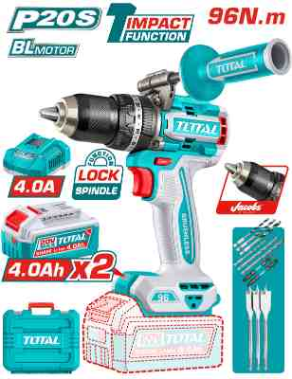 | Total TIDLI209686 درل شحن 20 فولت 96 نيوتن مع 2 بطارية 4 أمبير | Brushless cordless impact drill | Brushless motor Voltage: 20V No-load speed: 0-550/0-2100rpm Max impact rate: 31500bpm Max torque: 96Nm Jacobs metal chuck Chuck capacity: 13mm Torque settings: 22+1+1 Mechanical 2-speed gear Spindle lock function Integrated LED work light LED battery power indicator Include: 2 Pcs 4.0Ah battery pack(TFBLI20021) 1 Pcs charger(TFCLI20411) Charge volts: 220-240V~50/60Hz 3 Pcs wood flat drill bits(16.19.22mm) 3 Pcs masonry drill bits(5.6.8mm) 3 Pcs HSS drill bits(4.5.6mm) 2 Pcs 65mm impact screwdriver bits(PH2+PH2,PH2+SL6) 1 Pcs auxiliary handle Packed by carrying case | PCS | 50 | 6932584807840 | 77.00 | 105.000
TRHLI202689 | 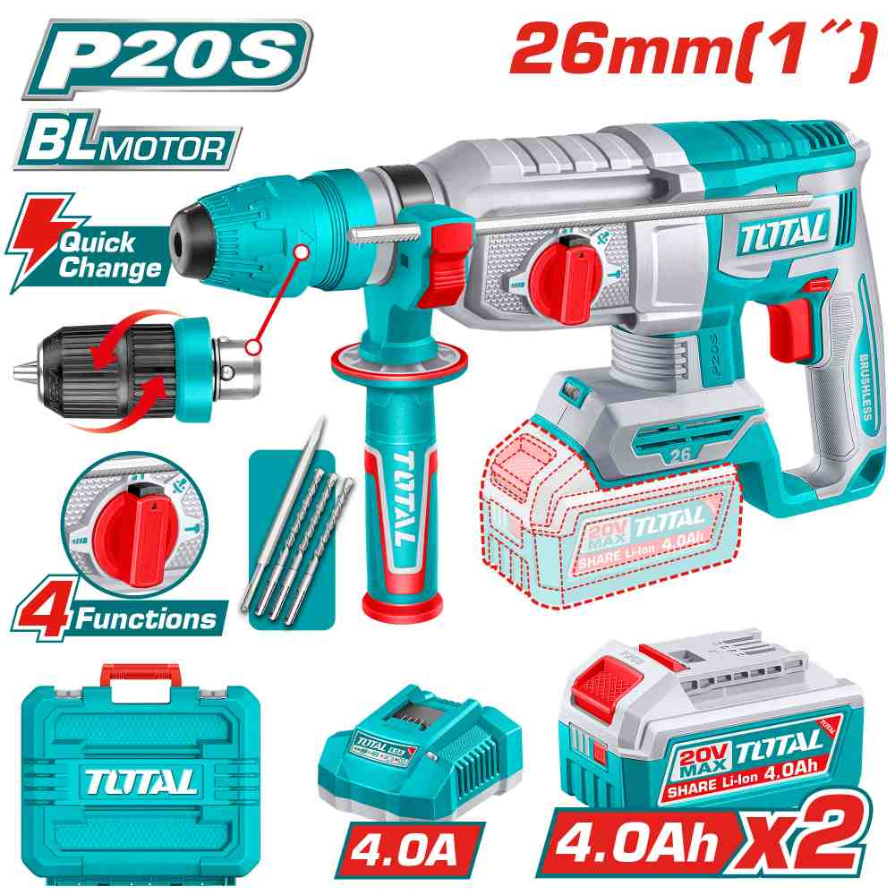 | Total TRHLI202689 همر شحن 20 فولت 26 ملم مع 2 بطارية 4 أمبير وشاحن + جوزة اتوماتيك | Cordless rotary hammer | Brushless motor Voltage:20V No-load speed:0-1100rpm Impact rate:0-5000bpm Single impact force:2.5J Max.drilling capacity: Concrete: 26mm Steel: 13mm Wood: 30mm SDS plus chuck system Integrated LED work light Include: 3 Pcs drills(6,8,10mm) 1 Pcs chisel 1 Pcs keyless quick-change chuck 2 Pcs 4.0Ah battery pack(TFBLI20021) 1 Pcs charge(TFCLI20411) Charge volts:220-240V~50/60Hz Packed by carrying case | PCS | 72 | 6932584806805 | 93.00 | 125.000
TABLI20323 | 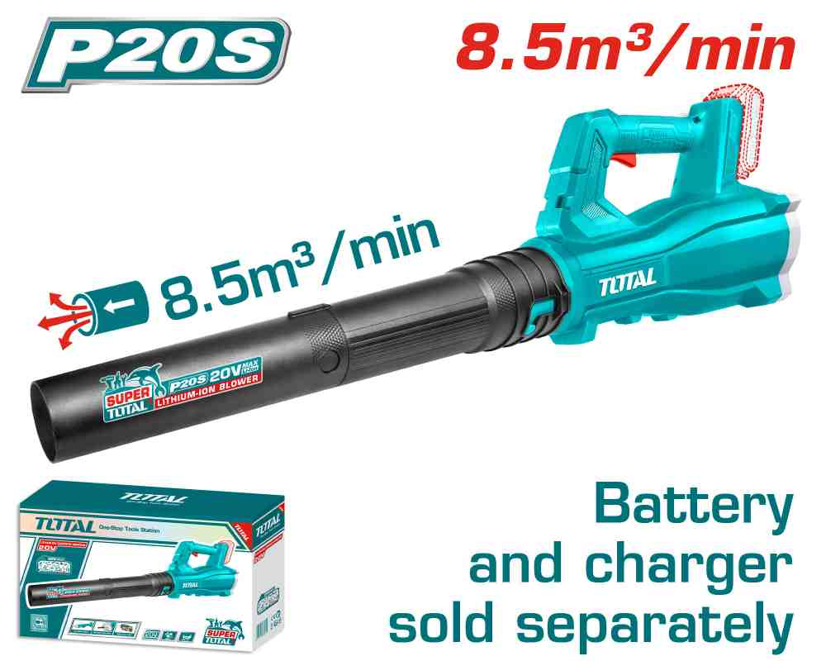 | بلور زراعي شحن بدون بطاريه TOTAL TABLI20323 Lithium-Ion blower20V | Cordless blower | Voltage: 20V No-load speed: 15000rpm Average air volume: 8.5m3/min Max. air speed: 115km/h Battery and charger sold separately Packed by color box | PCS | 50 | 6976057331241 | 20.00 | 30.000
TABLI20428 | 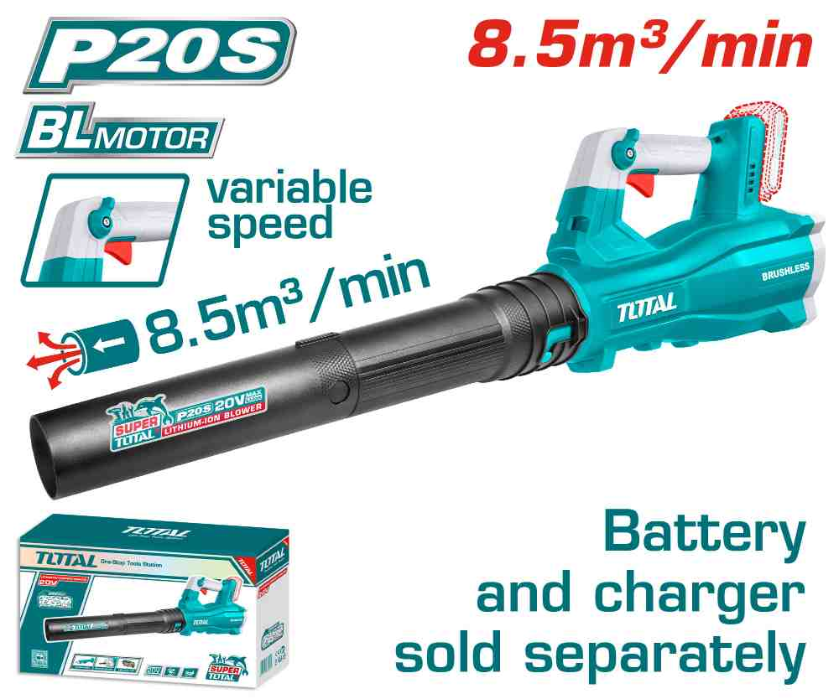 | بلور زراعي شحن 20 فولت سرعات بدون بطاريه و شاحن Total TABLI20428 | Cordless blower | Brushless Motor Voltage:20V No-load speed :0-18500rpm Average air volume:8.5m3/min Maximum air speed:144km/h Variable speed control Battery and charger sold separately Packed by color box | PCS | 50 | 6941639846383 | 30.00 | 45.000
TPTS201681 | 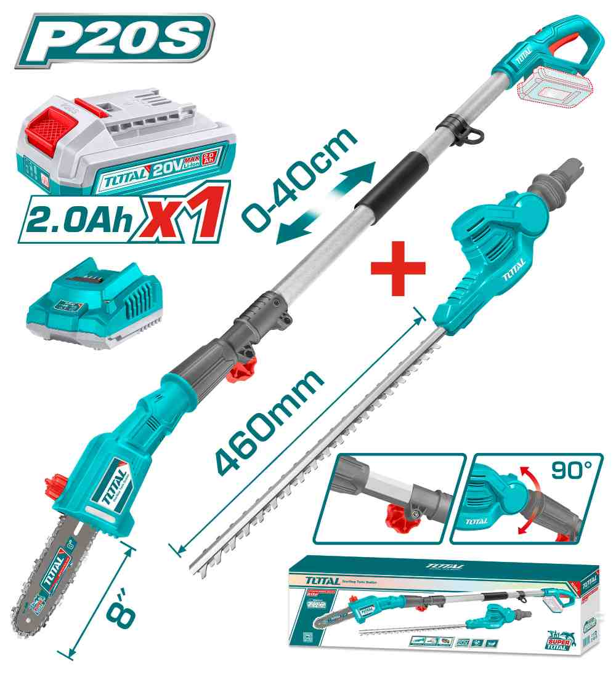 | Total TPTS201681 مقص سياج + منشار سياج تلسكوب شحن 20 فولت مع بطارية وشاحن | Cordless pole saw with pole hedge trimmer | Voltage: 20V With 1pcs lithium-ion pole saw (TPSLI20081) With 1pcs lithium-ion pole hedge trimmer(TPHT201601) Lithium-ion pole hedge trimmer(TPHT201601): Blade cutting length: 460mm Maximum speed: 2800spm Maximum cutting diameter: 18mm Laser cut blade Total machine length:2.4m Max Lithium-ion pole saw(TPSLI20081): Bar length: 8"(20cm) Chain speed: 4.8m/s Oil tank capacity: 70ml Total machine length:2m Max Include: 1 Pcs 2.0Ah battery pack(TFBLI2001) 1 Pcs charger(TFCLI2001E) Charge volts:220-240V~50/60Hz Packed by color box | SET | 24 | 6941639867111 | 100.00 | 130.000
TG12223026 | 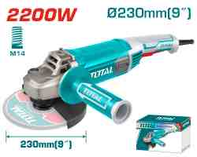 | صاروخ كهرباء 9" 2200 واط TOTAL TG12223026 | Angle grinder | Voltage:220-240V~50/60Hz Input power:2200W No-load speed:6600rpm Disc diameter:230mm Spindle thread:M14 With 1pcs auxiliary handle With 1set extra carbon brushes Disc not included Packed by color box | PCS | 200 | 6925582197556 | 40.00 | 53.000
TG1252306 | 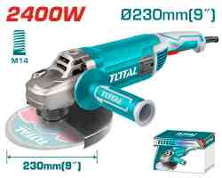 | TOTAL TG1252306 Angle grinder 2400W صاروخ كهرباء 9 انش 2400 واط | Angle grinder | Voltage:220-240V~50/60Hz Input power:2400W No-load speed:6400rpm Disc diameter:230mm Spindle thread:M14 With 1pcs auxiliary handle With 1set extra carbon brushes Disc not included Packed by color box | PCS | 100 | 6925582188769 | 49.00 | 65.000
TG1262306 | 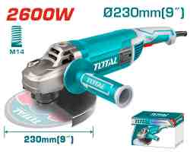 | TOTAL TG1262306 Angle grinder صاروخ كهرباء 9 انش 2600 واط | Angle grinder | Voltage:220V-240V~50/60Hz Input power:2600W No-load speed:6200rpm Disc diameter:230mm Spindle thread:M14 With 1pcs auxiliary handle With 1set extra carbon brushes Disc not included Packed by color box | PCS | 116 | 6925582187137 | 56.50 | 75.000
TH1153256 | 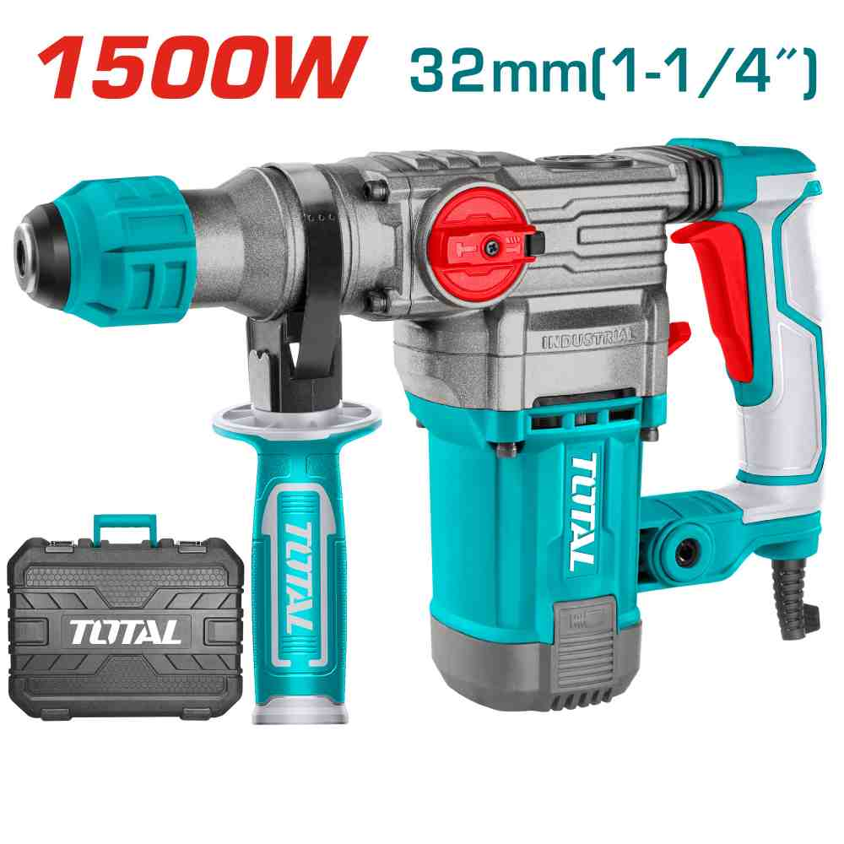 | Total TH1153256 Rotary hammer SDS plus همر كهرباء 1500 واط | Rotary hammer | Voltage:220-240V~50/60Hz Input power:1500W No-load speed:950rpm Impact rate:4500bpm Impact energy:5.5J Max.drilling capacity: Concrete:32mm Steel:13mm Wood:40mm SDS plus chuck system Anti-vibration system With 3 drills and 2 chisels Packed by BMC | PCS | 100 | 6941639853954 | 51.00 | 72.000
TF2131256 | 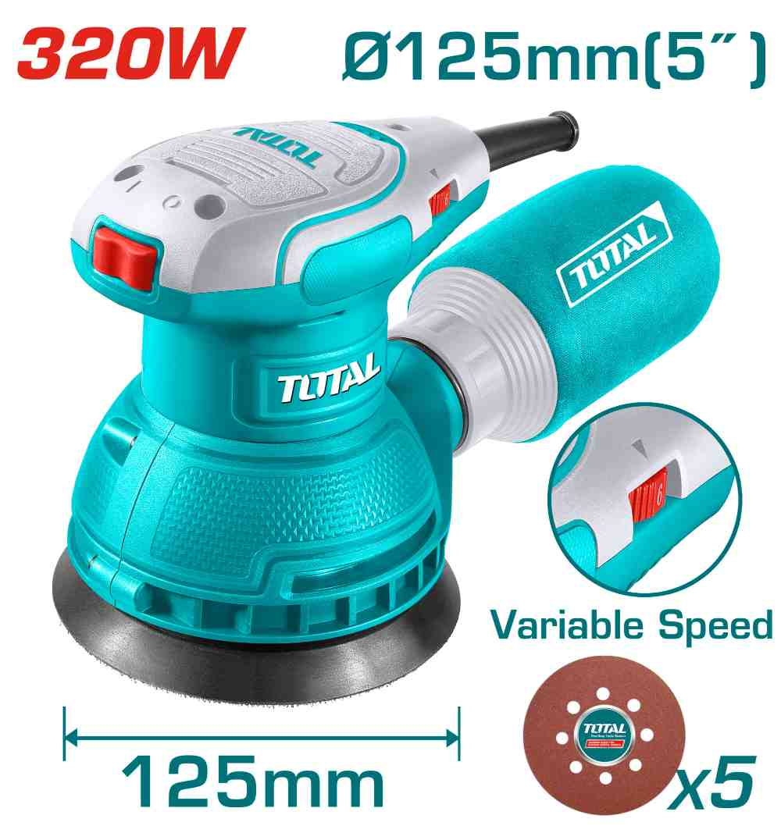 | Total TF2131256 حفافة دائرية كهرباء 320 واط | Rotary sander | Voltage: 220-240V~50/60Hz Input power: 320W No-load speed: 8000-13000rpm Dia of sanding pad:125mm Velcrops base Variable speed control With 5pcs sand papers(TAC731251) With 1set extra carbon brushes Packed by color box | PCS | 48 | 6942210225689 | 26.00 | 36.000
TP280001 | 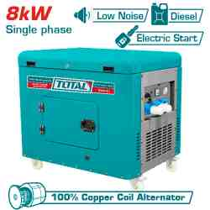 | Total TP280001 مولد كهرباء صامت ديزل 1 فاز 8 كيلو واط | Silent diesel generator | Rated voltage(V):220-240 Rated frequency(Hz):50 Phase:Single Max.output(kW):8.0 Rated output(kW):7.5 Rated speed(rpm):3000 DC output:12V,8.3A Engine:Diesel 15.0HP Displacement(mL):668 Cooling system:Air-cooled Starting system:Electric Copper coil alternator Fuel tank(L):25 Dry weight(kg):236 36AH maintenance-free battery Silent type diesel generator Packed by carton box | PCS | 5 | 6941639861850 | 1,360.00 | 1,800.000
TWP13706 | 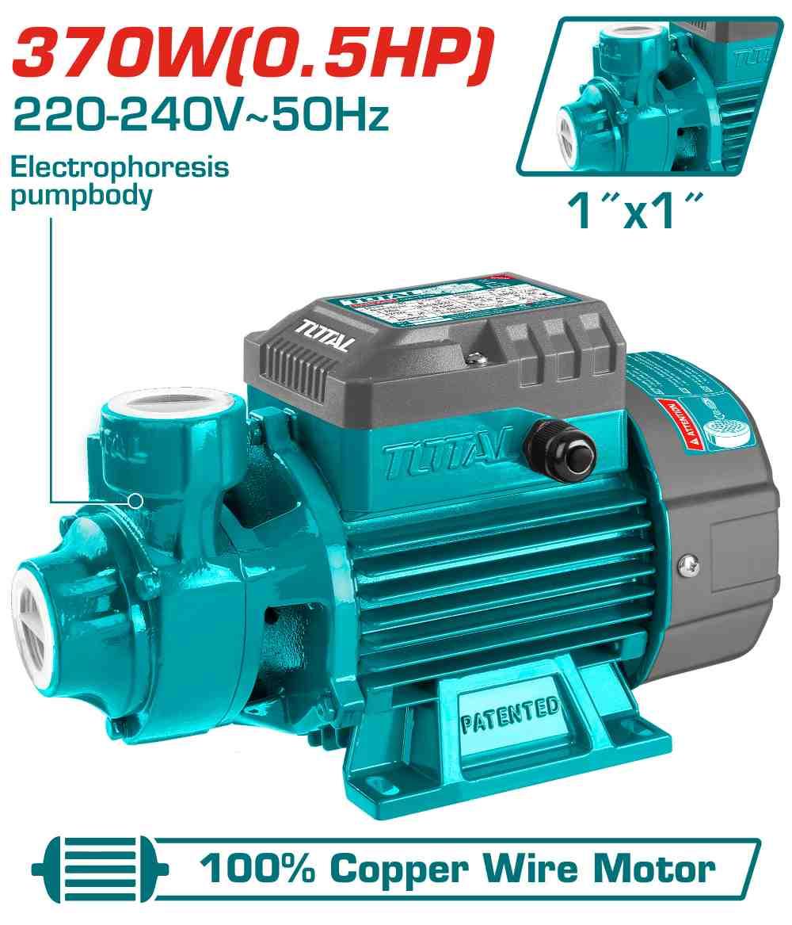 | TOTAL TWP13706 Peripheral Pump مضخة ماء 0.5 حصان | Water pump | Peripheral Pump Voltage:220-240V~50Hz Rated power:370W(0.5HP) Max.head:35m Max.flow:35L/min Max.suction:8m Pipe diameter:1"x1" Copper wire motor Stainless steel welding shaft : 304+45# Electrophoresis pump body Brass impeller 0.3m length cable Packed by color box | PCS | 600 | 6925582184440 | 22.80 | 29.000
TWP93706 | 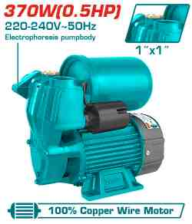 | مضخه مياه 1/2" مع ايزي بريس وطابه TOTAL TWP93706 | Water pump | Automatic self-priming peripheral pump Voltage:220-240V~50Hz Rated power:370W(0.5HP) Max.head:32m Max.flow:35L/min Max.suction:8M Pipe diameter:1"x1" Copper wire motor Stainless steel welding shaft : 304+45# Electrophoresis pump body Brass impeller 0.3m length cable With 1pcs pressure switch With 1pcs 2L pressure tank Packed by color box | PCS | 300 | 6941639824923 | 35.00 | 50.000
TWP311006 | 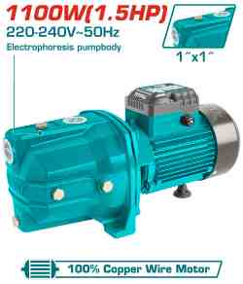 | Total TWP311006 مضخة جت 1.5 حصان 1100 واط | Water pump | Self-priming Jet Pump Voltage:220-240V~50Hz Rated power:1100W(1.5HP) Max.head:60m Max.flow:70L/min Max.suction:9m Pipe diameter:1"x1" Copper wire motor Stainless steel welding shaft : 304+45# Electrophoresis pump body Stainless steel impeller 0.3m length cable Packed by carton box | PCS | 210 | 6925582191912 | 55.00 | 70.000
TWPS102 | 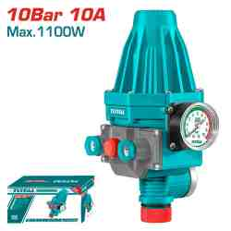 | TOTAL TWPS102 Automatic pump control ايزي برس 1.5 بار | Automatic pump control | Rated voltage:220-240V Frequency:50/60Hz Staring pressure:1.5bar Maximum power allowed: 1100W Max.current:10A Max.pressure:10bar Pipe diameter:1"x1" Protection degree:IP65 Packed by color box | PCS | 360 | 6925582170368 | 16.00 | 24.000
TG5451811 | 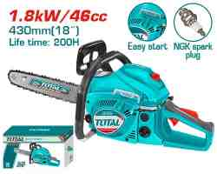 | Total TG5451811 48cc منشار بنزين 18 أنش | Gasoline chain saw | Displacement:46cc Rated power:1.8kW Engine idle speed:3100±300rpm Max. cutting diameter:430mm(18") Sparking plug:NGK Easy start Fuel tank capacity:550ml Oil tank capacity:260ml Powerful 2-stroke motor 18" chain ( TGTSC51801) Chain saw bar (TGTSB51801) Packed by color box | PCS | 8 | 6941639826989 | 68.00 | 95.000
TVC14301 | 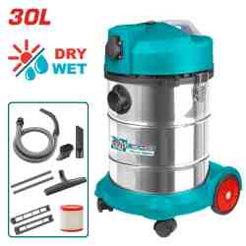 | مكنسة صناعي 1 ماتور TOTAL TVC14301 Vacuum cleaner 1400W 30L | Vacuum cleaner | Wet and dry cleaning Voltage: 220V-240V~50/60Hz Input power: 1400W Air flow:1.9CBM/Min Vacuum pressure:16-18KPa Dust capacity:30L With power tools socket Power calble:1.8m 1pcs flexible hose 1pcs floor brush 1pcs plastic tube 1pcs HEPA filter(TVCAIHP02) Packed by carton box | PCS | 20 | 6925582165203 | 70.00 | 100.000
TGT11236 | 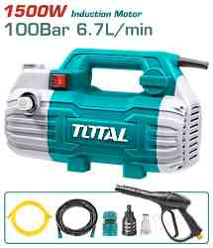 | ماكنه/مضخه غسيل 1500 واط 100 بار TOTAL TGT11236 | High pressure washer | Voltage: 220-240V~50Hz Copper wire induction motor Input power:1500W Max Pressure:100Bar (1450PSI) Flow rate:6.7L/min With self-priming fuction Auto Stop System 1Set water spray gun 1Pcs 8m high pressure metal hose 1Pcs 1.5m inlet hose 1Pcs water inlet screw 1Pcs hose quick connector Packed by color box | PCS | 70 | 6925582192698 | 72.00 | 92.000
TGT11316 | 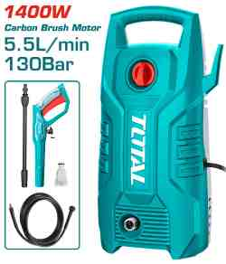 | ماكينة غسيل 130 بار 1400 TOTAL واط بوبين | High pressure washer | Voltage: 220-240V~50/60Hz Carbon brush motor Pure copper wire Input power:1400W Max Pressure:130Bar (1900PSI) Flow rate:5.5L/min Auto stop system 1 set water spray gun(TGTSG026) 5m high pressure hose(TGTHPH526) Packed by color box | PCS | 199 | 6925582186758 | 45.00 | 65.000
TGT11376 | 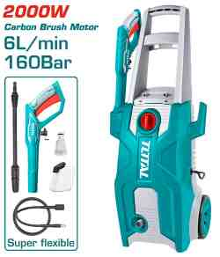 | Total TGT11376 مضخة غسيل 160 بار 2000 واط بوبين | High pressure washer | Voltage: 220-240V~50/60Hz Carbon brush motor Pure copper wire Input power: 2000W Max Pressure: 160Bar (2320PSI) Flow rate: 6.0L/min Auto stop system Include: 1 Set water spray gun (TGTSG026) 1 Pcs 5m super flexible high pressure hose 1 Pcs water inlet screw 1 Pcs soap bottle Packed by color box | PCS | 40 | 6942210223586 | 79.00 | 110.000
TGT11226 | 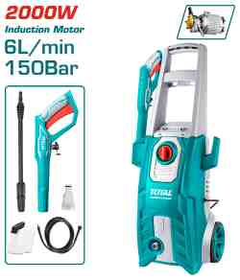 | ماكنه/مضخه غسيل 2000 واط 150 بار TOTAL TGT11226 | High pressure washer | Voltage: 220-240V~50Hz Copper wire induction motor Input power:2000W Max Pressure:150Bar (2200PSI) Flow rate:6.0L/min Auto stop system 1pcs soap bottle 1 set water spray gun(TGTSG026) 5m high pressure hose(TGTHPH526) Packed by color box | PCS | 30 | 6925582186765 | 105.00 | 155.000
TAC2231151 | 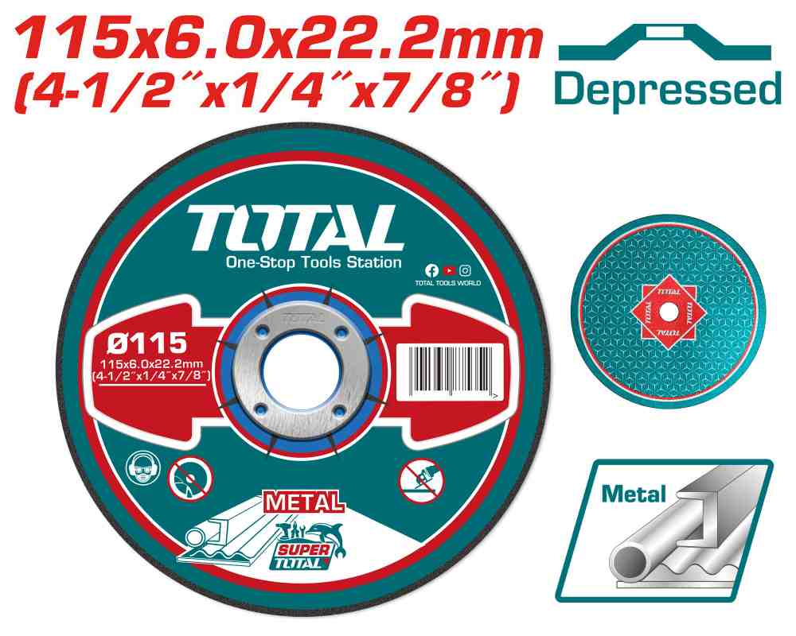 | TOTAL TAC2231151 Abrasive metal grinding disc فيبر 4.5" جلخ حديد | Abrasive metal grinding disc | 115mm(4-1/2")X6.0mm(1/4")X22.2mm(7/8") Depressed centre Grinding disc for metal 25pcs/inner color box 100pcs/outer color box Packed by label | PCS | 500 | 6925582160857 | 0.50 | 0.700
TPBXK0032 | 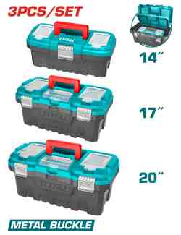 | Total TPBXK0032 طقم صناديق عدة 3 قطع قياس 14,17,20 | 3 Pcs plastic tool boxes set | 3 Plastic Tool Boxes Set : 14"+17"+20" 14" Size : 356mm(14")*168mm(6.6")*150mm(6") 17" Size : 436mm(17")*220mm(8.7")*205mm(8") 20" Size : 508mm(20")*296mm(11.7")*261mm(10.3") Material : PP Metal buckle High-strength Handle Upper cover with three storage areas Upper cover with scale function Contains 1Pcs plastic tray Packed by label | SET | 40 | 6941639848677 | 20.00 | 34.000
TPBXS102 | 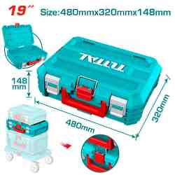 | Total TPBXS102 صندوق عدة 19 انش | 19" Stackable Tool Box | 19" Stackable Tool Box Size :480mm(19")*320mm(12.5")*148mm(5.8") Material:PP plastic Weight:1390g PP plastic buckle Max Load:15kg Can be stacked together easily and quickly Designed to organize, move, and protect tools Can with roller plate (THTWB61001) or foldable hand truck (THWB61201) for moving easily. Packed by label | PCS | 44 | 6932584804634 | 6.00 | 8.500
THRRTB2012 | 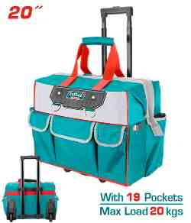 | Total THRRTB2012 شنطة عده مع عجال 20 انش | Rolling rigid tool bag | Size: 20" Material: 600D and 1680D polyester& anti-moisture material for sides Max load: 20kg With Wheeled Telescopic pull handle L*W*H:45*28*36cm With 5 pcs external pockets and multiple internal Rigid frame for easy opening and access Packed by paper card | PCS | 40 | 6976057330008 | 22.00 | 30.000
THPET1103 | 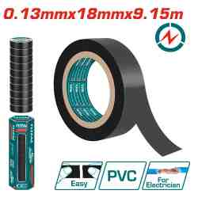 | تيب كهرباء خفيف سماكة 0.13 ملم Total THPET1103 PVC Insulating tape | PVC insulating tape | PVC Length:9.15m(10yards) Color:Black Width:18mm Thickness:0.13mm Packed by label | PCS | 3000 | 6925582155655 | 1.80 | 0.300
TSP13106-XL | 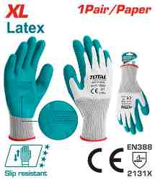 | كفوف كيماوي مغطس وسط TOTAL TSP13106-XL | Latex gloves | HAND PROTECTION:Use for glass transportation, smooth surface grip Size:XL Liner Material:Polyester Coating material/Finish: embossed latex Gauge:13 Protection level:2131X Polyester seamless knitted shell. Textured palm dip for extra grip and durability. 1pair/paper Packed by paper card | PAIR | 1080 | 6925582196924 | 1.10 | 1.700
TSP302L.42 | 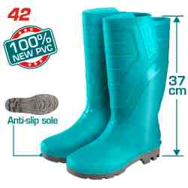 | جزمه عمال نمره 42 TOTAL TSP302L.42 | Rain boots | Size:42 Material:100% Virgin PVC Height:37cm High level oil, acid, alkali resistance 100% Waterproof Packed by poly bag | PAIR | 336 | 6925582167283 | 5.85 | 8.000
THSPP30502 | 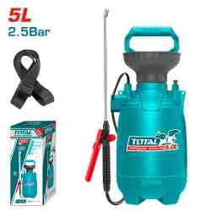 | Total THSPP30502 طرمبة رش 5 لتر | Pressure sprayer | 5L Safety pressure release valve Handy carry strap Strong Aluminum pump lever Pressure:2.5BAR 1.2m length flexible hose Stainless lance and plastic nozzle ON/OFF trigger with trigger lock Adjustable sprayer pattern mist to stream Packed by color box | PCS | 60 | 6941639880936 | 7.00 | 9.000
THHR40122 | 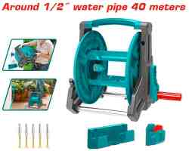 | بكره بربيش بلاستيك TOTAL THHR40122 | Hose reel | The maximum can be wrapped around 1/2" water pipe 40 meters Foldable handle for easy storage Aluminum tube bracket, can be hung on the wall Supplied fully assembled Lengthened and enlarged handle,Anti-pinch design Thick brackets, large-capacity inner, using water pipes, making messy water pipes neat and tidy, easy to use and store Meterial：PP、Aluminum Packed by color box | PCS | 46 | 6941639889908 | 11.00 | 16.000
THLAD09031 | 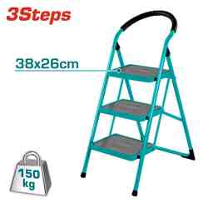 | سلم حديد 3 درجات درجه عريضه ثقيل وزن 6.60 كغم TOTAL THLAD09031 | Steel ladder | Material:steel,3Steps Step size:380*260mm Open Size:665*490*1065mm Max.Load::150kg Packed by carton box | PCS | 20 | 6925582172393 | 25.00 | 32.000
THLAD09041 | 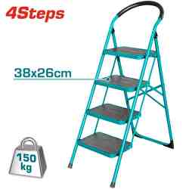 | سلم حديد 4 درجات درجه عريضه ثقيل وزن 9 كغم TOTAL THLAD09041 | Steel ladder | Material:steel,4Steps Step size:380*260mm Open Size:830*490*1290mm Max.Load:150kg Packed by carton box | PCS | 20 | 6925582180411 | 33.00 | 40.000
THT301251 | 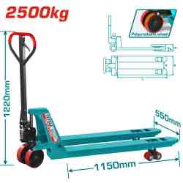 | TOTAL THT301251 Hand pallet truck جك طبالي 2.5 طن | Hand pallet truck | Capacity Q:2500kg Fork size B×L:550×1150mm Distance between forks D:230mm Min. fork height H:85mm Max. fork height H1:200mm Steering wheel:Φ200×50mm Load roller tandem:Φ80×70mm Polyurethane wheel Packed by plywood case | PCS | 12 | 6925582172294 | 210.00 | 280.000
THT301301 | 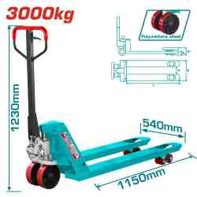 | جك طبالي 3 طن Total THT301301 | Hand pallet truck | Capacity Q:3000kg Fork size B×L:540×1150mm Distance between forks D:220mm Min. fork height H:85mm Max. fork height H1:200mm Steering wheel:Φ200*50mm Load roller tandem:Φ80*70mm Polyurethane wheel Comfortable rubber grip Packed in plywood case | PCS | 12 | 6942210222565 | 265.00 | 365.000

