8N
Item No. | Picture |  | Product name | Description & Features | Unit | Qty | BAR CODE | جملة | مفرق
TIWLI20455 | 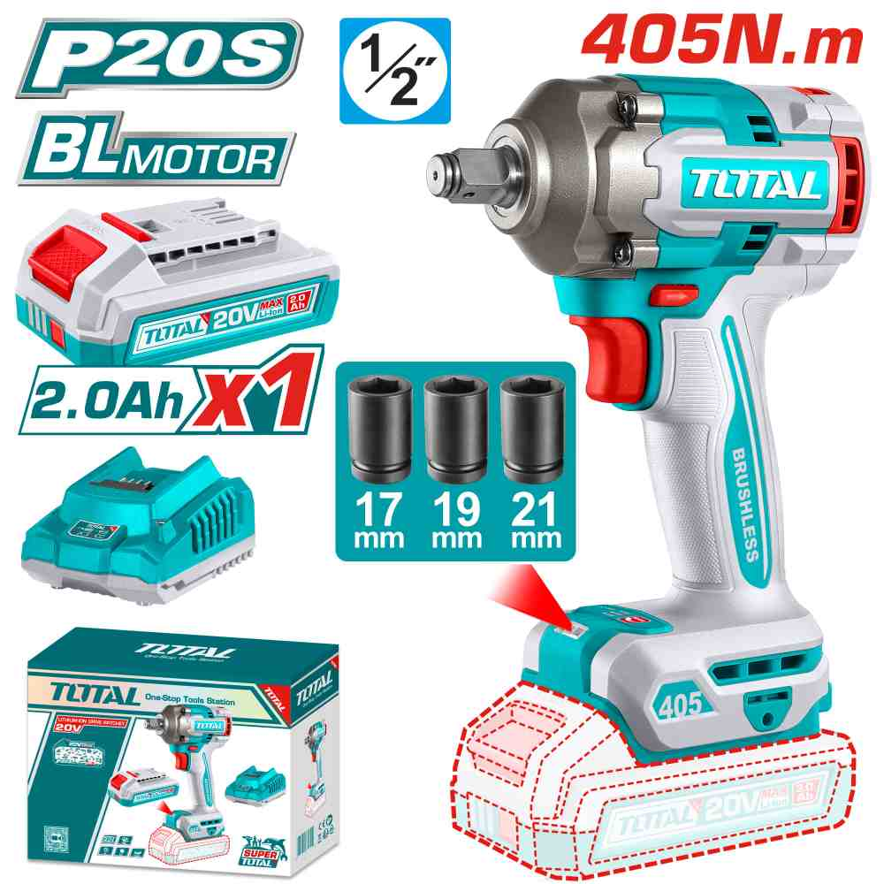 | Total TIWLI20455 درل بوكس شحن 20 فولت 405 نيوتن مع بطارية 2 أمبير | Cordless impact wrench | Brushless motor Voltage: 20V Square drive: 1/2" No-load speed: 0-1800/0-2000/0-2400rpm Impact rate: 0-2200/0-2600/0-3000bpm Fastening torque: 405Nm Breakaway torque: 555Nm Integrated LED work light Include: 1 Pcs 20V charger(TFCLI2001) Charge volts: 220-240V~50/60Hz 1 Pcs 2.0Ah battery pack(TFBLI20011) 3 Pcs sockets(17,19,21mm) Packed by color box | PCS | 90 | 6923736767815 | 37.00 | 48.000
TIWLI20551 | 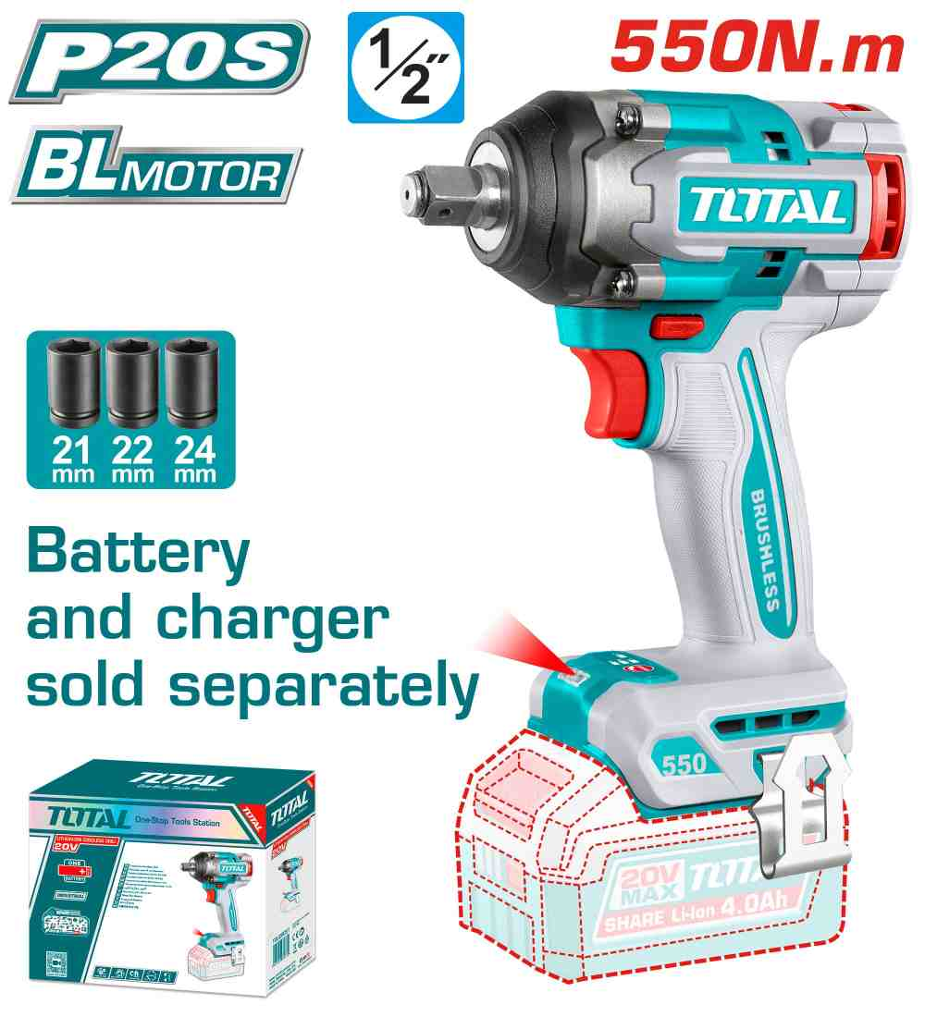 | Total TIWLI20551 درل بوكس شحن 20 فولت 550 نيوتن بدون بطاريات | Cordless impact wrench | Brushless motor Voltage: 20V Square drive: 1/2" No-load speed: 0-1500/0-2000/0-2500rpm Impact rate: 0-2600/0-3000/0-3500bpm Fastening torque: 550Nm Breakaway torque: 700Nm Integrated work light Include: 1 Pcs belt clip 3 Pcs sockets(21,22,24mm) Packed by color box | PCS | 120 | 6932584807260 | 35.00 | 45.000
TIRLI2028 | 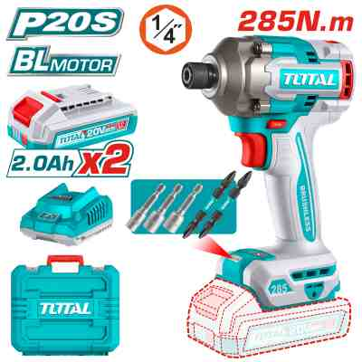 | Total TIRLI2028 درل بوكس شحن 20 فولت 285 نيوتن مع 2 بطارية 2 أمبير وشاحن | Cordless impact driver | Brushless motor Voltage: 20V Hex shank: 6.35mm No-load speed: 0-1600/0-1900/0-2600rpm Impact rate: 0-2100/0-2500/0-2900bpm Max torque: 285Nm Integrated LED work light Include: 2 Pcs screwdriver bits 3 Pcs nut setters 2 Pcs 2.0Ah battery pack(TFBLI20011) 1 Pcs charger(TFCLI2001) Charge volts: 220-240V~50/60Hz Packed by carrying case | PCS | 30 | 6942210227645 | 55.00 | 77.000
THPTCS84362 | 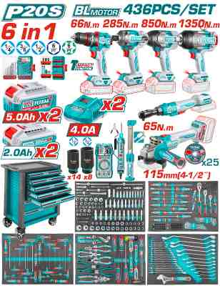 | Total THPTCS84362 عرباية عدة كاملة مع طقم شحن 436 قطعة | 436 Pcs Tool chest set | 436 Pcs Tool Chest Set Lithium-Ion tools part: 1pcs 850NM Cordless impact wrench(TIWLI20851): 1pcs 1350NM Cordless impact wrench(TIWLI201351): 1pcs 65NM Cordless drive ratchet(TDRLI206521) 1pcs 66NM Compact Brushless Cordless Impact Drill(TIDLI206681) 1pcs Cordless impact driver(TIRLI20281) 1pcs 1000W Cordless angle grinder(TAGLI27153): With 2 Pcs 5.0Ah battery pack(TFBLI20531) With 2 Pcs 2.0Ah battery pack(TFBLI20011) With 2 Pcs 4A charger(TFCLI20411) With 1Pcs Car tester(with 2pcs battery)(THTS41001) With 1Pcs Digital Multimeter(with 3pcs battery)(TMT5310002) With 1Pcs work light(TWLI043006) Charge volts: 220-240V~50/60Hz 10 Pcs 1/2" impact deep socket: 10,12,13,14,15,17,19,21,22,24 8 Pcs 3/4" impact deep socket: 26,27,29,30,32,35,36,38 1Pcs work light(TWLI043006) Chest part: With 7pcs drawers Overall size:765x465x812mm Overall with casters size:765x465x976mm Casters size:5"*2" Thickness of Cabinet:0.8-1.0mm Thickness of drawer:0.7mm With 5pcs 536x410x74.5mm drawer With 2pcs 536x410x153.5mm drawer 5Pcs iron hooks(for hanger tools) Packed in EVA foam + carton box + Pallet Tools part: 1Pcs Ratchet wrench: 1/4",72T 23Pcs 1/4" x 32(L) bits Socket:Hex:3,4,5,6,8,10mm Star: T8,T10,T15,T20,T25,T27,T30,T40 SL:4,SL5.5,SL6.5,PH1,PH2,PH3,PZ1,PZ2,PZ3. 13Pcs 1/4" socket 4mm,4.5mm,5mm,5.5mm,6mm,7mm,8mm,9mm,10mm,11mm,12mm,13mm,14 10Pcs 1/4"DR 50mm(L) Deep socket:4mm,5mm,6mm,7mm,8mm,9mm,10mm,11mm,12mm,13m, 6Pcs 1/4" star socket:E4,E5,E6,E7,E8,E10 2Pcs 1/4"Dr.extension bar:50mm,100mm 1Pcs Spinner handle:1/4"x150mm 1Pcs Extension flexible bar :1/4" x 150mm 1Pcs 1/4"Universal joint 1Pcs Sliding "T" Bar:1/4"x 114mm 1Pcs 1/4" three way adaptor:3/8"(F)*1/4"(M) 1Pcs magnetic shank:6.35mm*100mm 1Pcs bit holder:1/4"*6.35mm 40Pcs 6.35*25mm(L) bits:T5-T6-T7-T8-T9-T10-T15-T20-T25-T30-PH1-PH2-PH2-PH3-PH4-PZ1-PZ2-PZ2-PZ3-PZ4 -SL3-SL3-SL4-SL4-SL5-SL5.5-SL6-SL6.5-SL7-SL7-H2-H3-H3-H4-H4-H5-H5-H6-H7-H7 1Pcs ratchet wrench: 3/8",72T 15Pcs 3/8"x48mm | SET | 24 | 6937541238194 | 695.00 | 799.000
TAC938660 | 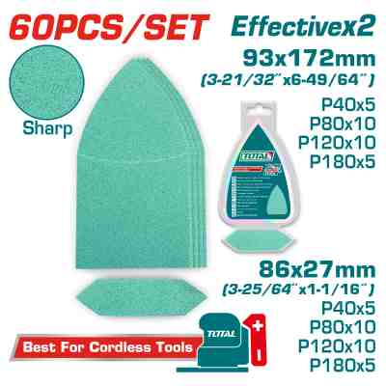 | Total TAC938660 ورق حف مشكل عدد 60 حبة | Sanding sheet set | Size:93*172mm(3-21/32''x6-49/64'') 30pcs:P40x5pcs P80x10pcs P120x10pcs P180x5pcs Size:86*27mm(3-25/64''x1-1/16'') 30pcs:P40x5pcs P80x10pcs P120x10pcs P180x5pcs 60Pcs/set Suitable for grinding wood, wall, paint, plastic, stone, metal, glass Packed by double blister | SET | 100 | 6942210223043 | 4.40 | 5.500
TABLI2068 | 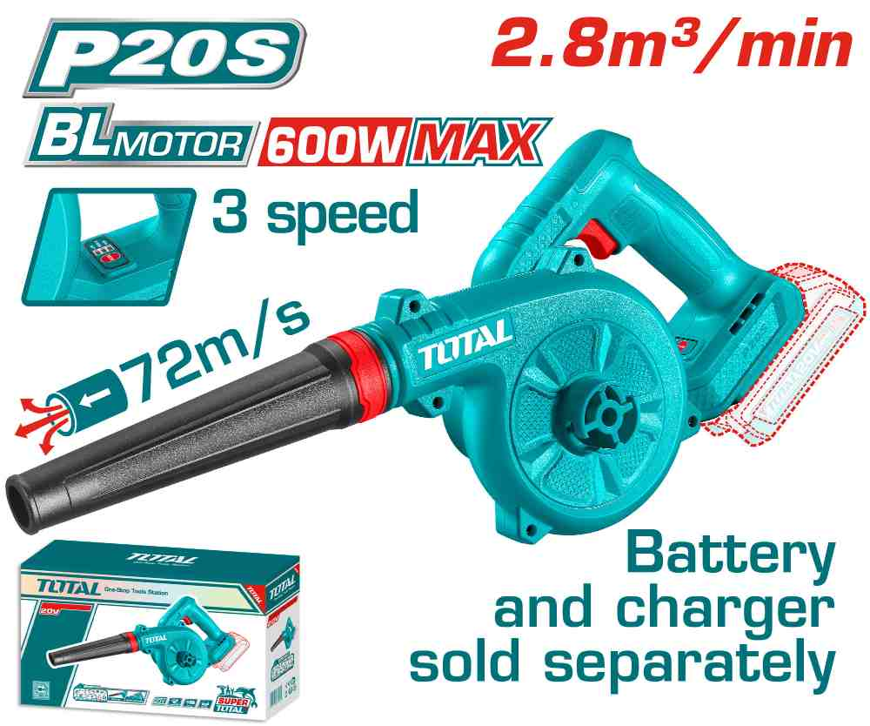 | Total TABLI2068 بلور شحن 20 فولت سرعات بدون بطاريات | Cordless blower | Brushless motor Voltage: 20V No-load speed: 13000/16000/19500rpm Maximum air speed:72m/s Max air volume:2.8m³/min 3 speed control Battery and charger sold separately Packed by color box | PCS | 160 | 6932584805273 | 15.00 | 20.000
TABLI2003 | 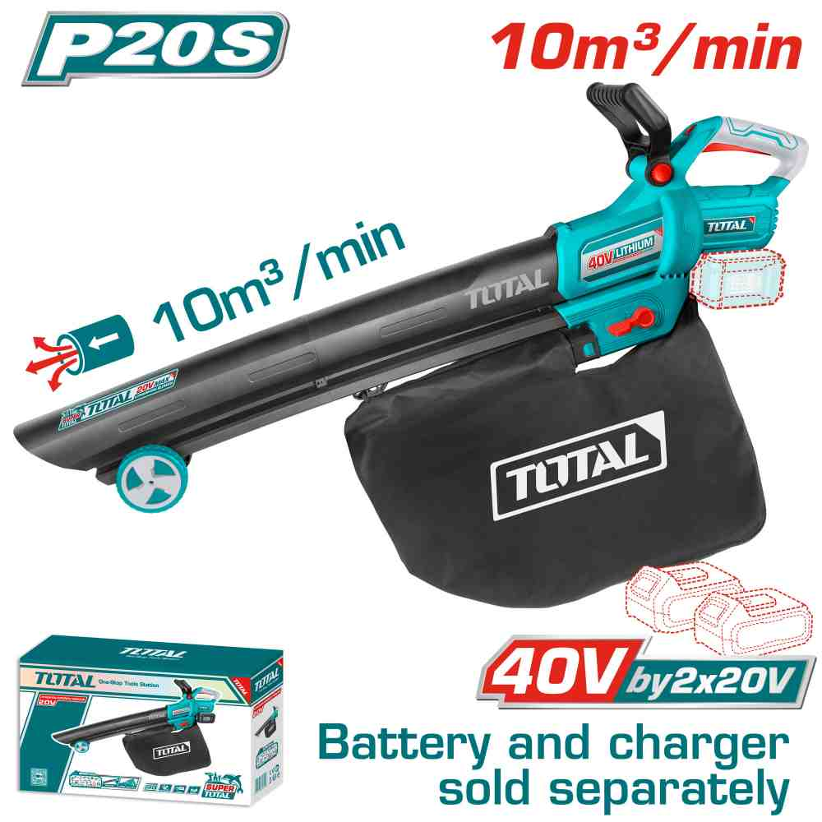 | بلور شحن زراعي سحب ونفخ بدون بطاريه وشاحن TOTAL TABLI2003 Lithium-Ion aspirator | Cordless aspirator blower | Voltage:40V No-load speed :6000-11500rpm Maximum air volume:10m3/min Maximum air speed:190km/h Variable speed control Vacuum function Include: 1 Pcs dust bag Battery and charger sold separately Packed by color box | PCS | 100 | 6941639858966 | 50.00 | 70.000
TOSLI251296 | 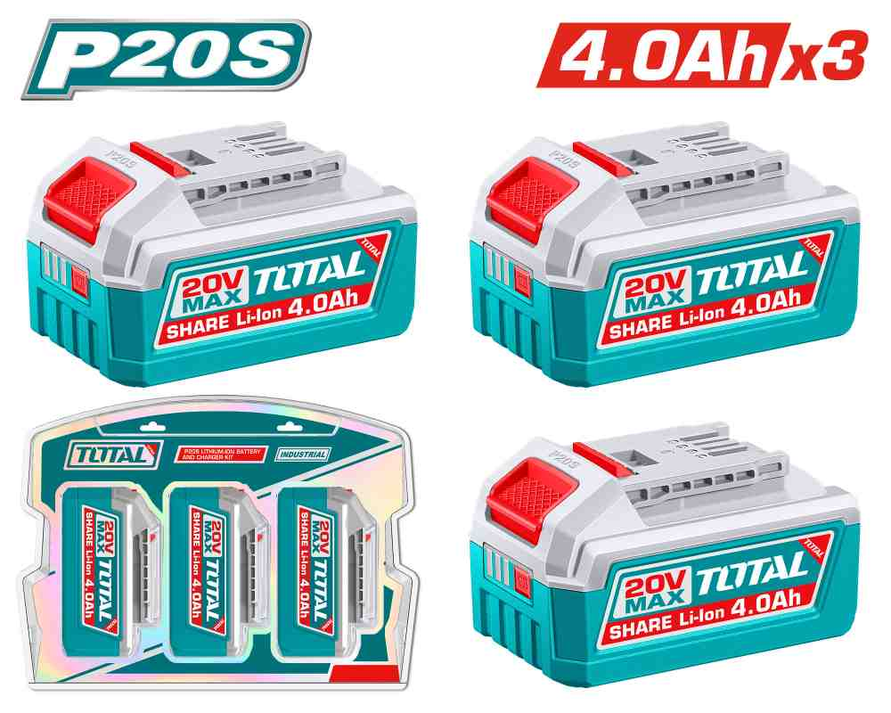 | Total TOSLI251296 عرض خاص بطارية 4 أمبير عدد 3 حبات | Lithium-Ion battery kit | Voltage: 20V With 3pcs lithium-ion battery pack(TFBLI20021) Lithium-ion battery pack(TFBLI20021): Lithium-ion 4.0Ah battery One battery fits all P20S multiple tools Packed by double blister | SET | 140 | 6937541239948 | 45.00 | 60.000
TFBCPK2013 | 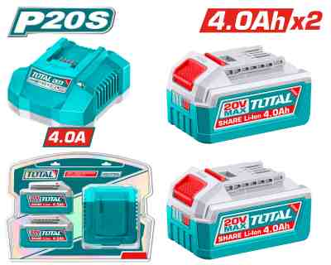 | Total TFBCPK2013 طقم بطاريات 20 فولت 4 أمبير وشاحن سريع | Lithium-Ion battery and charger kit | Voltage: 20V With 2pcs lithium-ion battery pack(TFBLI20021) With 1pcs charger(TFCLI20411) Lithium-ion battery pack(TFBLI20021): Lithium-ion 4.0Ah battery LED battery power indicator One battery fits all P20S multiple tools Lithium-ion battery charger(TFCLI20411): Input voltage:220-240V~50/60Hz Output voltage:21V Output current:4A Packed by double blister | SET | 60 | 6932584801015 | 45.00 | 55.000
TACLI2026 | 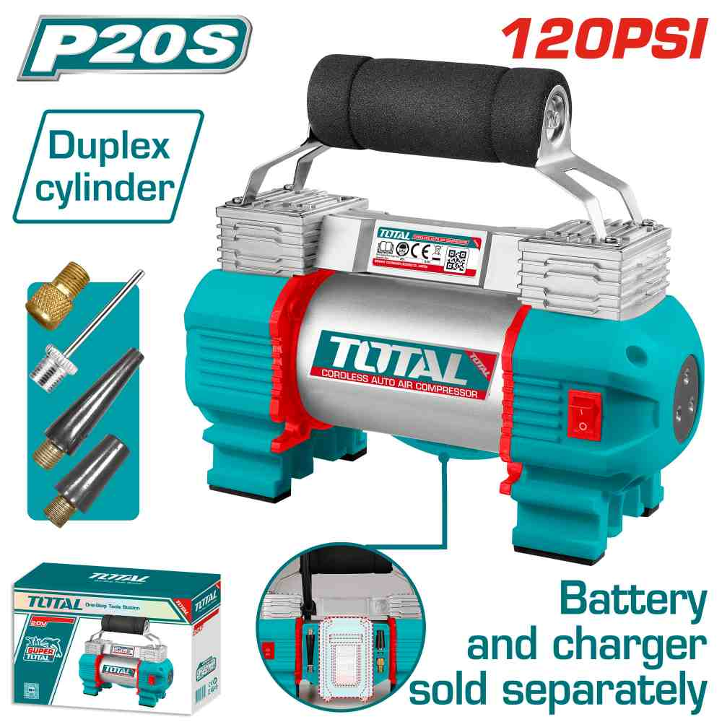 | Total TACLI2026 منفاخ سيارات شحن 20 فولت بدون بطاريات | Cordless auto air compressor | Voltage: 20V Max pressure: 120 PSI/8.27BAR/827KPA Max air flow:45L/min Duplex cylinder LED light With 4pcs adaptors With 1pcs air tube(40cm) Battery and charger sold separately Packed by color box | PCS | 40 | 6932584804054 | 30.00 | 39.000
TTAC2506 | 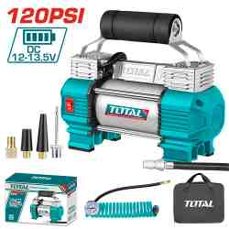 | TOTAL TTAC2506 Auto air compressor 120PSI 12V With light منفاخ عجال سيارة مع اضائة راسين | Auto air compressor | Voltage:12V Current:18A Max pressure: 120 PSI/8.27BAR/827KPA Max air flow:45L/min Duplex cylinder Integrated work light With 1pcs battery clips With 4pcs adapters With 1pcs 3m air hose with a brass quick-releasing adapter With 1pcs canvas bag Packed by color box | PCS | 416 | 6925582188455 | 27.50 | 37.000
TCS2241008 | 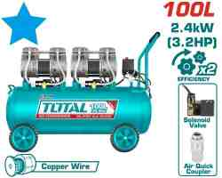 | Total TCS2241008 AIR COMPRESSOR كمبريسر هواء 100 لتر راسين صامت 3.2 حصان بدون زيت | Air compressor | Voltage:220-240V~50Hz Input power: 2×1200W （3.2HP） Tank:100L(26.4Gal) Oil free system Noise: 75db Copper wire motor No-load speed:2850rpm Operation pressure:max.8bar Packed by plywood case | PCS | 6 | 6941639835486 | 230.00 | 320.000
TWP15506 | 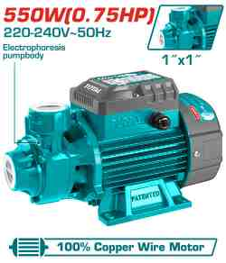 | TOTAL TWP15506 Peripheral pump مضخة ماء 3/4 حصان | Water pump | Peripheral Pump Voltage:220-240V~50Hz Rated power:550W(0.75HP) Max.head:45m Max.flow:45L/min Max.suction:8m Pipe diameter:1"x1" Copper wire motor Stainless steel welding shaft : 304+45# Electrophoresis pump body Brass impeller 0.3m length cable Packed by carton box | PCS | 300 | 6925582189469 | 35.00 | 45.000
TWP113706 | 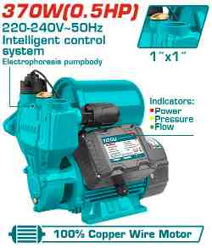 | مضخه ماء مع طابه 1/2 حصان Total TWP113706 | Water pump | Intelligent self-priming pump Voltage:220-240V~50Hz Rated power:370W(0.5HP) Max.head:35m Max.flow:35L/min Max.suction:8M Pipe diameter:1"x1" Copper wire motor Stainless steel welding shaft : 304+45# Electrophoresis pump body Brass impeller 1.5m length cable with VDE plug With 1pcs flow switch With 1pcs pressure switch With 1pcs 2L pressure tank Intelligent control system Automatic start-stop Water shortage protection Water leakage protection Smart standby Packed by color box | PCS | 230 | 6976057333368 | 39.00 | 49.000
TWP25506 | 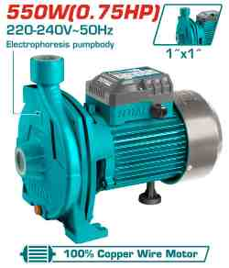 | TOTAL TWP25506 Centrifugal pump مضخة فراشة عريضة 0.75 حصان | Water pump | Centrifugal pump Voltage:220-240V~50Hz Rated power:550W(0.75HP) Max.head:25m Max.flow:100L/min Max.suction:8m Pipe diameter:1"x1" Copper wire motor Stainless steel welding shaft : 304+45# Electrophoresis pump body Stainless steel impeller 0.3m length cable Packed by carton box | PCS | 100 | 6925582195255 | 46.00 | 61.000
TWP37506 | 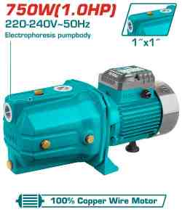 | Total TWP37506 Jet pumpمضخة جت (الحرامي) 1 حصان عامود ستانلس | Water pump | Self-priming Jet Pump Voltage:220-240V~50Hz Rated power:750W(1.0HP) Max.head:51m Max. flow:55L/min Max.suction:9m Pipe diameter:1"x1" Copper wire motor Stainless steel welding shaft : 304+45# Electrophoresis pump body Stainless steel impeller 0.3m length cable Packed by carton box | PCS | 140 | 6925582188721 | 51.00 | 65.000
TWP7110016 | 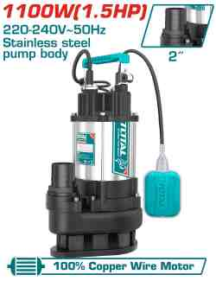 | مضخه غاطس ستانلس 1.5 حصان 2" TOTAL TWP7110016 | Sewage submersible pump | Voltage:220-240V~50Hz Rated power:1100W(1.5HP) Max.head:15m Max. flow:366L/min Pipe diameter:2" Copper wire motor Pump body:Stainless Motor body:Cast iron 9m length cable For dirty water Packed by wooden box | PCS | 40 | 6941639828457 | 88.00 | 125.000
TWP7150026 | 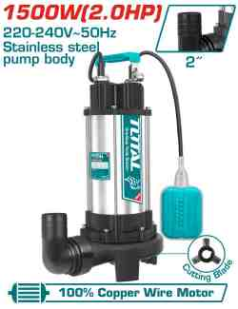 | مضخه غاطسه ستانلس 2 حصان TOTAL TWP7150026 | Sewage submersible pump | Voltage:220-240V~50Hz Rated power:1500W(2.0HP) Max.head:14.5m Max. flow rate:350L/min Pipe diameter:2" Copper wire motor Pump body:Stainless Motor body:Cast iron 9m length cable Built-in cutting blade For dirty water Control box for protection Packed by wooden box | PCS | 60 | 6941639835189 | 119.00 | 165.000
TGT616152 | 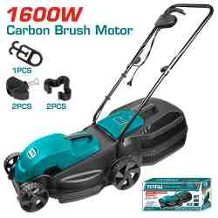 | Total TGT616152 ماكنة قص عشب كهرباء 1600 واط 38 سم | Electric lawn mower | Voltage:220-240V~50/60Hz Input power:1600W No-load speed:3500rpm Carbon brush motor Cutting width:380mm Cutting height:28/48/68mm Grass box size:45L Packed by carton box | PCS | 10 | 6925582177008 | 59.00 | 75.000
TGT196201 | 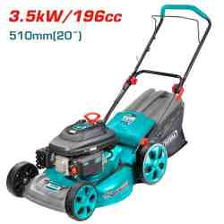 | Total TGT196201 ماكنة قص نجيل بنزين 196 سي سي 51 سم | Gasoline lawn mower | Zongshen brand engine(The best one in China) Displacement:196cc 4 stroke engine Rated power:3.5Kw(4.8HP) Rated speed: 2800rpm 3 function:Catcher,side discharge, mulching,rear discharge Cutting height:28-80mm(7 positions) Cutting width:510mm(20") Catchervolume:60L Deck material:steel Wheel size:8"/10" Torque:10Nm Packed by carton box | PCS | 5 | 6925582199598 | 200.00 | 270.000
TVC14301 | 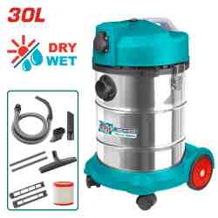 | مكنسة صناعي 1 ماتور TOTAL TVC14301 Vacuum cleaner 1400W 30L | Vacuum cleaner | Wet and dry cleaning Voltage: 220V-240V~50/60Hz Input power: 1400W Air flow:1.9CBM/Min Vacuum pressure:16-18KPa Dust capacity:30L With power tools socket Power calble:1.8m 1pcs flexible hose 1pcs floor brush 1pcs plastic tube 1pcs HEPA filter(TVCAIHP02) Packed by carton box | PCS | 10 | 6925582165203 | 70.00 | 100.000
TGT11236 | 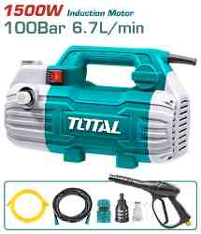 | ماكنه/مضخه غسيل 1500 واط 100 بار TOTAL TGT11236 | High pressure washer | Voltage: 220-240V~50Hz Copper wire induction motor Input power:1500W Max Pressure:100Bar (1450PSI) Flow rate:6.7L/min With self-priming fuction Auto Stop System 1Set water spray gun 1Pcs 8m high pressure metal hose 1Pcs 1.5m inlet hose 1Pcs water inlet screw 1Pcs hose quick connector Packed by color box | PCS | 30 | 6925582192698 | 72.00 | 92.000
TGT11316 | 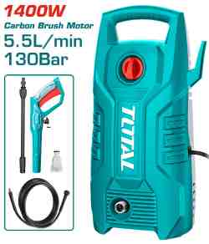 | ماكينة غسيل 130 بار 1400 TOTAL واط بوبين | High pressure washer | Voltage: 220-240V~50/60Hz Carbon brush motor Pure copper wire Input power:1400W Max Pressure:130Bar (1900PSI) Flow rate:5.5L/min Auto stop system 1 set water spray gun(TGTSG026) 5m high pressure hose(TGTHPH526) Packed by color box | PCS | 160 | 6925582186758 | 45.00 | 65.000
TGT11376 | 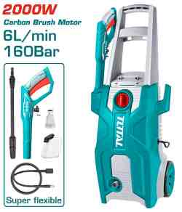 | Total TGT11376 مضخة غسيل 160 بار 2000 واط بوبين | High pressure washer | Voltage: 220-240V~50/60Hz Carbon brush motor Pure copper wire Input power: 2000W Max Pressure: 160Bar (2320PSI) Flow rate: 6.0L/min Auto stop system Include: 1 Set water spray gun (TGTSG026) 1 Pcs 5m super flexible high pressure hose 1 Pcs water inlet screw 1 Pcs soap bottle Packed by color box | PCS | 60 | 6942210223586 | 79.00 | 110.000
TGT11226 | 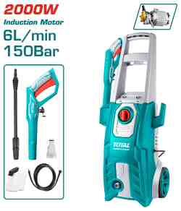 | ماكنه/مضخه غسيل 2000 واط 150 بار TOTAL TGT11226 | High pressure washer | Voltage: 220-240V~50Hz Copper wire induction motor Input power:2000W Max Pressure:150Bar (2200PSI) Flow rate:6.0L/min Auto stop system 1pcs soap bottle 1 set water spray gun(TGTSG026) 5m high pressure hose(TGTHPH526) Packed by color box | PCS | 10 | 6925582186765 | 105.00 | 155.000
TGT11246 | 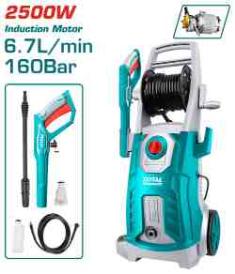 | ماكنه/مضخه غسيل 2500 واط TOTAL TGT11246 | High pressure washer | Voltage:220-240V~50Hz Copper wire induction motor Input power:2500W Max Pressure:160Bar (2300PSI) Flow rate:6.7L/min Auto stop system 1pcs soap bottle 1 set water spray gun(TGTSG026) 5m high pressure hose( TGTHPH526) Packed by color box | PCS | 16 | 6925582188578 | 140.00 | 200.000
TAC2211255 | 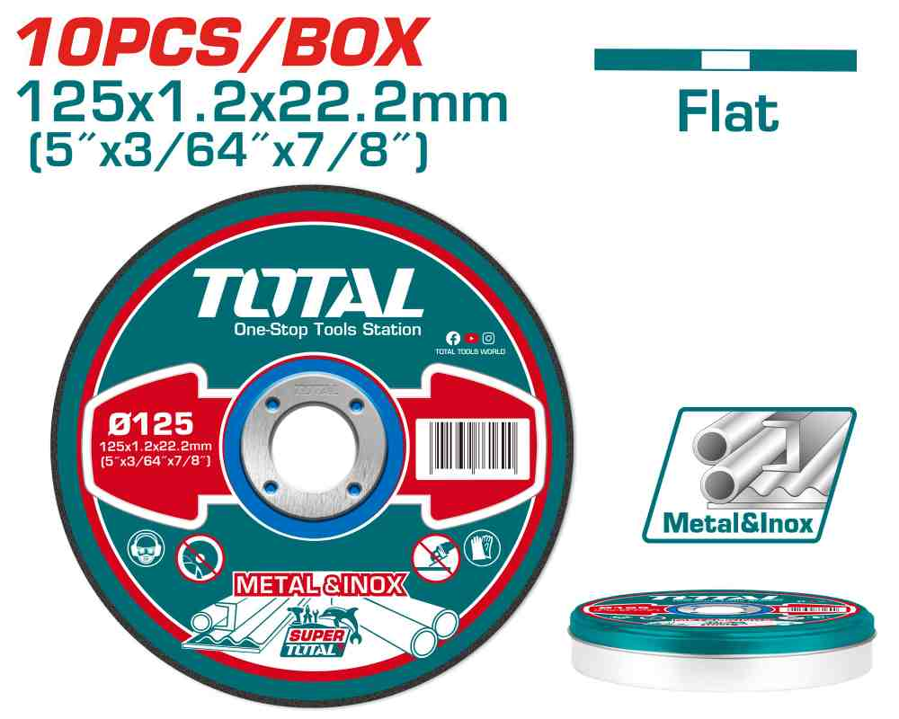 | فيبر قص ستانلس 5" 10 قطع TOTAL TAC2211255 | Abrasive metal cutting disc set | 10pcs/set 10pcs/shrink 125MM(5")X1.2MM(3/64")X22.2MM(7/8") Packed by label RPM:12200r/min Flat centre cutting disc for metal Packed by metal box | SET | 1000 | 6925582197587 | 3.20 | 4.500
TAC2162301 | 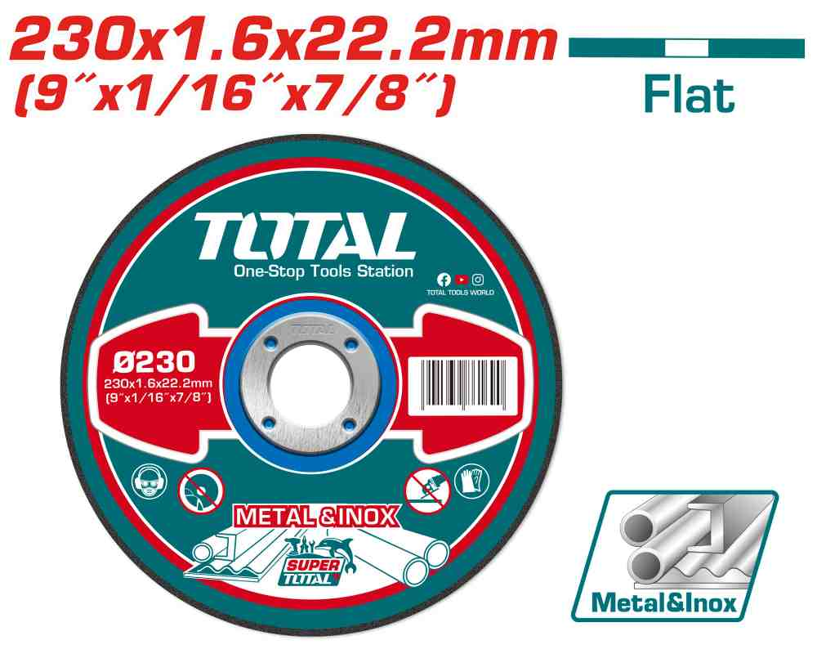 | Total TAC2162301 فيبر قص ستانلس 9 انش | Abrasive metal cutting disc | 230MM(9")X1.6MM(1/16")X22.2MM(7/8") Flat centre Cutting disc for metal and inox RPM:6650r/min 50pcs/inner color box 100pcs/outer color box Packed by label | PCS | 3000 | 6941639861690 | 0.80 | 1.250
TAC2211251 | 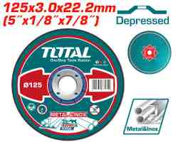 | TOTAL TAC2211251 Abrasive metal cutting disc فيبر 5" قص حديد | Abrasive metal cutting disc | 125mm(5")X3.0mm(1/8")X22.2mm(7/8") Depressed centre cutting disc for metal and inox 50pcs/inner color box 200pcs/outer color box Packed by label | PCS | 3000 | 6925582169348 | 0.35 | 0.450
TAC2192302 | 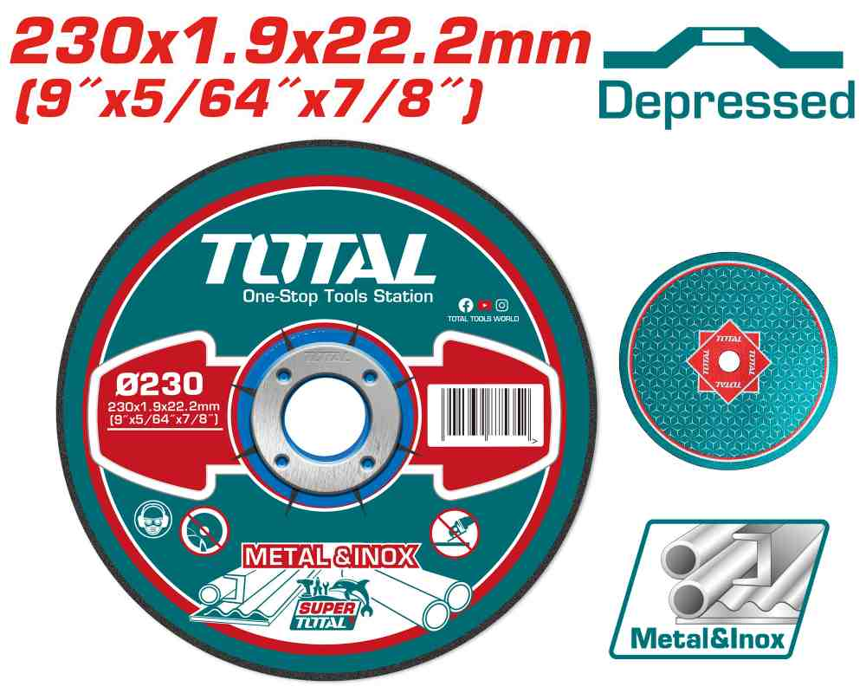 | Total TAC2192302 فيبر قص حديد 9 انش 1.9 ملم | Abrasive metal cutting disc | 230MM(9")X1.9MM(5/64")X22.2MM(7/8") Depressed centre Cutting disc for metal and inox 25pcs/color box RPM:6650r/min Packed by label | PCS | 2500 | 6941639875383 | 1.00 | 1.400
TAC2231151 | 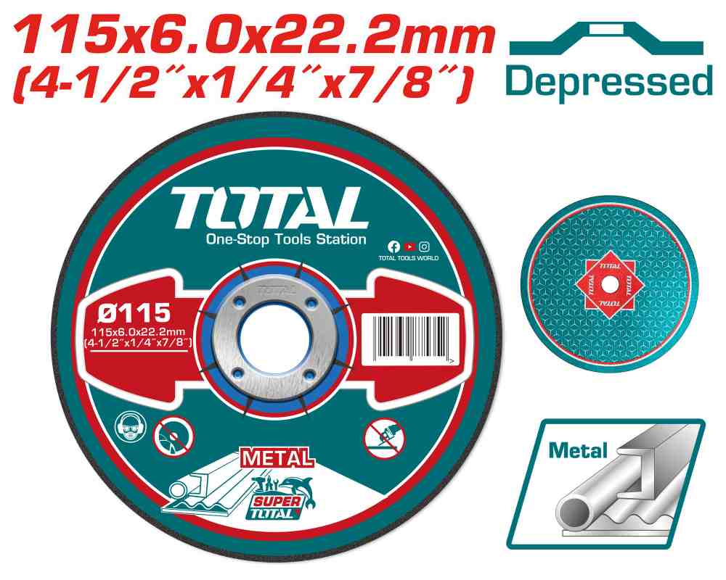 | TOTAL TAC2231151 Abrasive metal grinding disc فيبر 4.5" جلخ حديد | Abrasive metal grinding disc | 115mm(4-1/2")X6.0mm(1/4")X22.2mm(7/8") Depressed centre Grinding disc for metal 25pcs/inner color box 100pcs/outer color box Packed by label | PCS | 500 | 6925582160857 | 0.50 | 0.700
TAC2231251 | 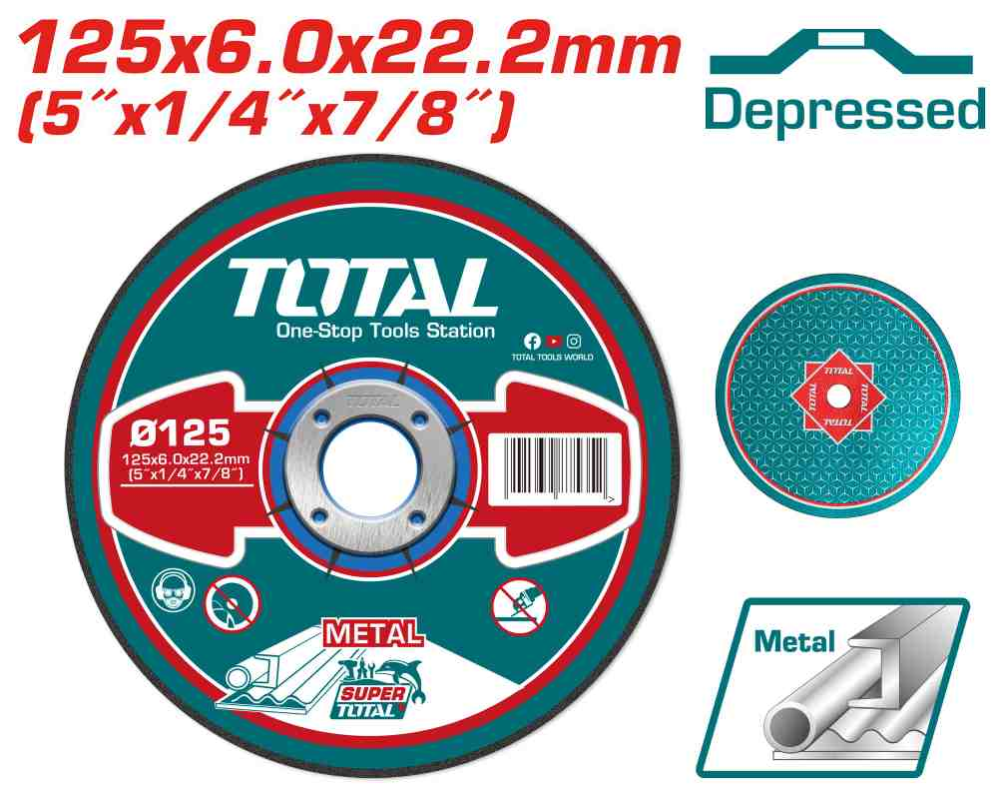 | TOTAL TAC2231251 Abrasive metal grinding disc فيبر 5" جلخ حديد | Abrasive metal grinding disc | 125mm(5")X6.0mm(1/4")X22.2mm(7/8") Depressed centre grinding disc for metal 25pcs/inner color box 100pcs/outer color box Packed by label | PCS | 1000 | 6925582160871 | 0.55 | 0.750
TAC061801 | 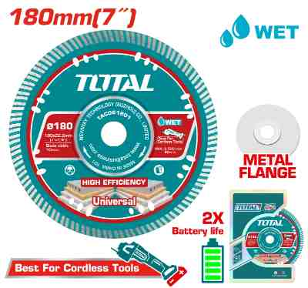 | Total TAC061801 دسك قص مسكر 7 انش | Ultrathin diamond disc | Size: 180(7'')X22.2mm Blade width: 10mm Blade Thickness: 2.2mm Matrix Thickness: 1.4mm Material: 75Cr1 Used for cutting marble, granite, bricks, stone, concrete Suitable for Lithium-ion angle grinder Packed by color box | PCS | 120 | 6937541235124 | 3.50 | 4.500
THT10701 | 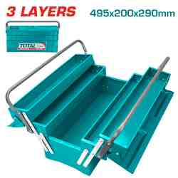 | TOTAL THT10701 METAL TOOL BOX 3 LAYERS صندوق عدة حديد كبير | Tool box | Size:495*200*290mm 3 Layers Steel thickness:0.6~0.8mm Packed by label | PCS | 20 | 6925582163940 | 21.00 | 31.000
TPBXS101 | 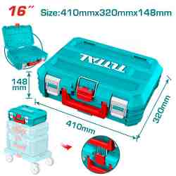 | Total TPBXS101 صندوق عدة 16 انش | 16" Stackable Tool Box | 16" Stackable Tool Box Size:410mm(16")*320mm(12.5")*148mm(5.8") Material:PP plastic Weight:1290g PP plastic buckle Max Load : 15kg Can be stacked together easily and quickly Designed to organize, move, and protect tools Can with roller plate (THTWB61001) or foldable hand truck (THWB61201) for moving easily. Packed by label | PCS | 40 | 6932584806669 | 5.00 | 8.000
TPBXS102 | 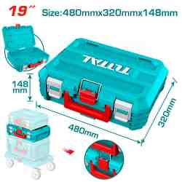 | Total TPBXS102 صندوق عدة 19 انش | 19" Stackable Tool Box | 19" Stackable Tool Box Size :480mm(19")*320mm(12.5")*148mm(5.8") Material:PP plastic Weight:1390g PP plastic buckle Max Load:15kg Can be stacked together easily and quickly Designed to organize, move, and protect tools Can with roller plate (THTWB61001) or foldable hand truck (THWB61201) for moving easily. Packed by label | PCS | 24 | 6932584804634 | 6.00 | 8.500
THT561625 | 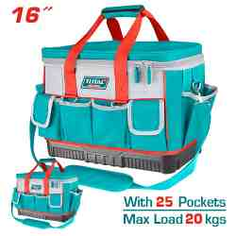 | Total THT561625 شنطة عدة 16 انش 25 جيب | Tool bag | Size: 16" 25 pcs pockets for tools Round top geometric construction Material: 600D and 1680D polyester Max load: 20kg L*W*H:46*23*33cm Reinforced plastic base for durability Internal pockets for additional storage capacity Adjustable shoulder strap included Packed by paper card | PCS | 20 | 6976057330039 | 13.00 | 20.000
THRRTB2712 | 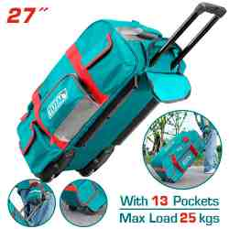 | Total THRRTB2712 شنطة عدة 27 انش مع عجال | Wheeled tool bag | Size: 27" Material: 1680D polyester Max load: 25kg With Wheeled Telescopic pull handle Size(L*W*H):68.5*29.5*32cm With 6 Pcs external pockets and multiple internal Rigid frame for easy opening and access Packed by paper card | PCS | 20 | 6932584803064 | 29.00 | 39.000
THT541026 | 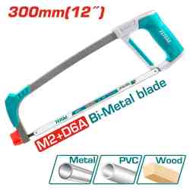 | منشار حديد 12" TOTAL THT541026 Hacksaw frame 300mm | Hacksaw frame | Size:300mm/12" With 1pcs 300 mm (12") 24 TPI M2+D6A bi-metal blade Handle material:Aluminum +TPR plastics Suitable for cutting metal, plastic, wood Soft grip design,strong and comfortable Adjustable saw blade Angle: 0°&90° Adjustable saw blade tension Packed by paper card | PCS | 360 | 6925582193572 | 3.40 | 5.000
THT522136 | 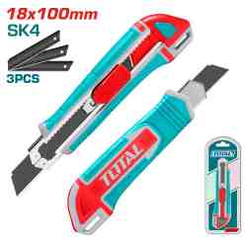 | Total THT522136 مشرط كبس 18*100 ملم | Snap-off blade knife | Blade Size:18mmx100mm With 3 pcs SK4 blades(THT519112) With flat push button Length:167mm Packed by sliding card | PCS | 1920 | 6941639847830 | 0.90 | 1.300

