Method Comparison Figures
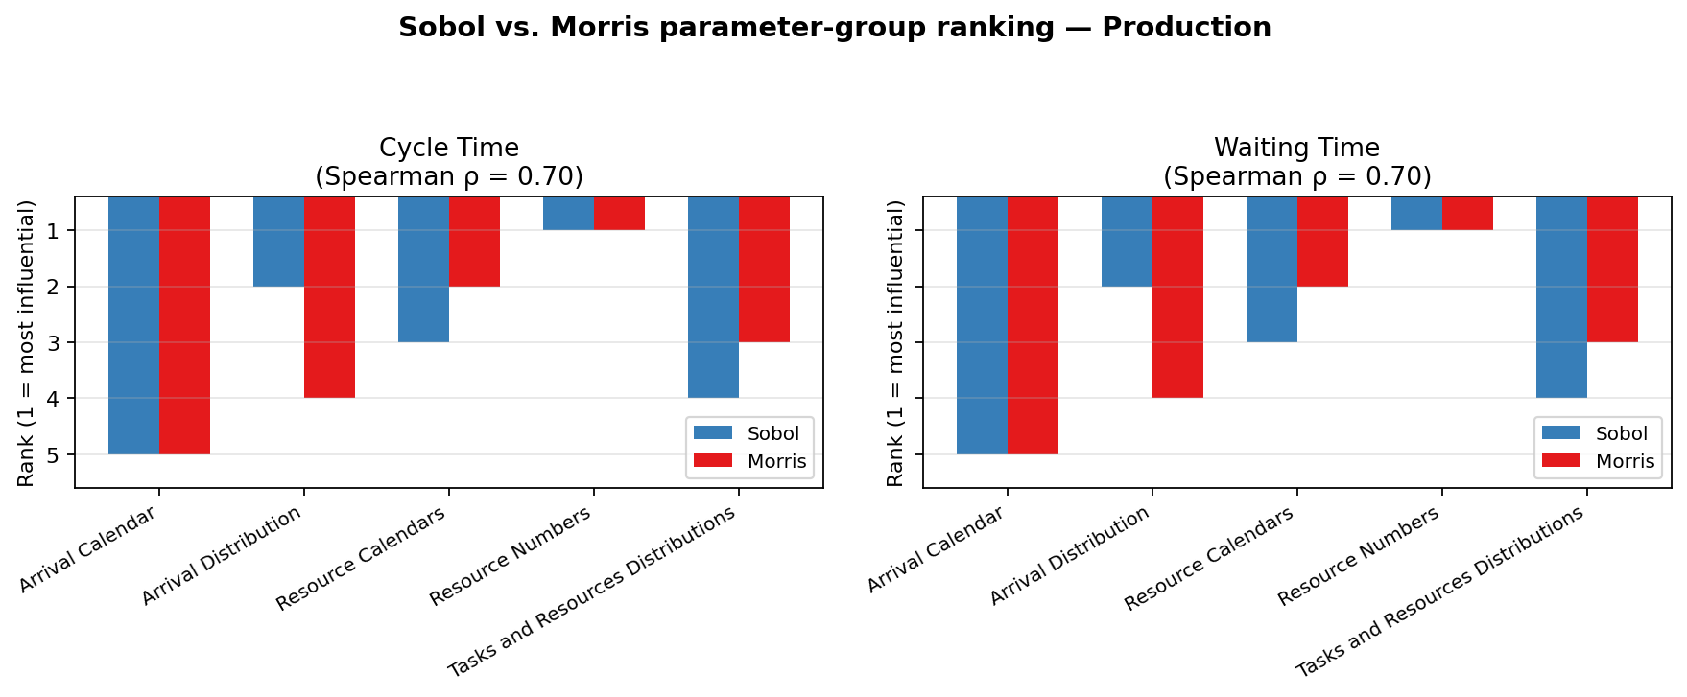
Sobol and Morris agree closely on which parameter groups matter most: ranks cluster near the diagonal and per-case Spearman correlations are consistently high, showing comparable parameter-group prioritization.

BPIC 2012
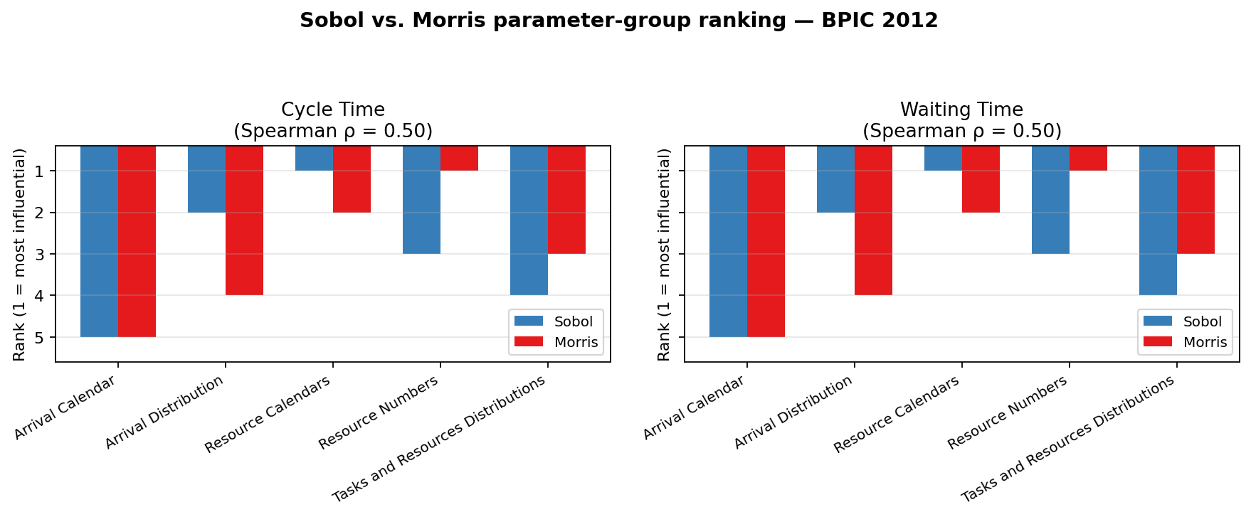

BPIC 2013
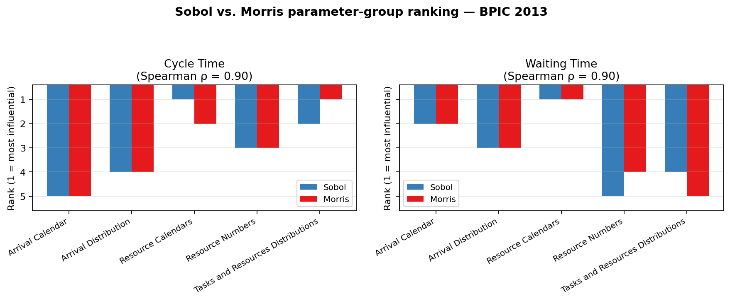

BPIC 2017
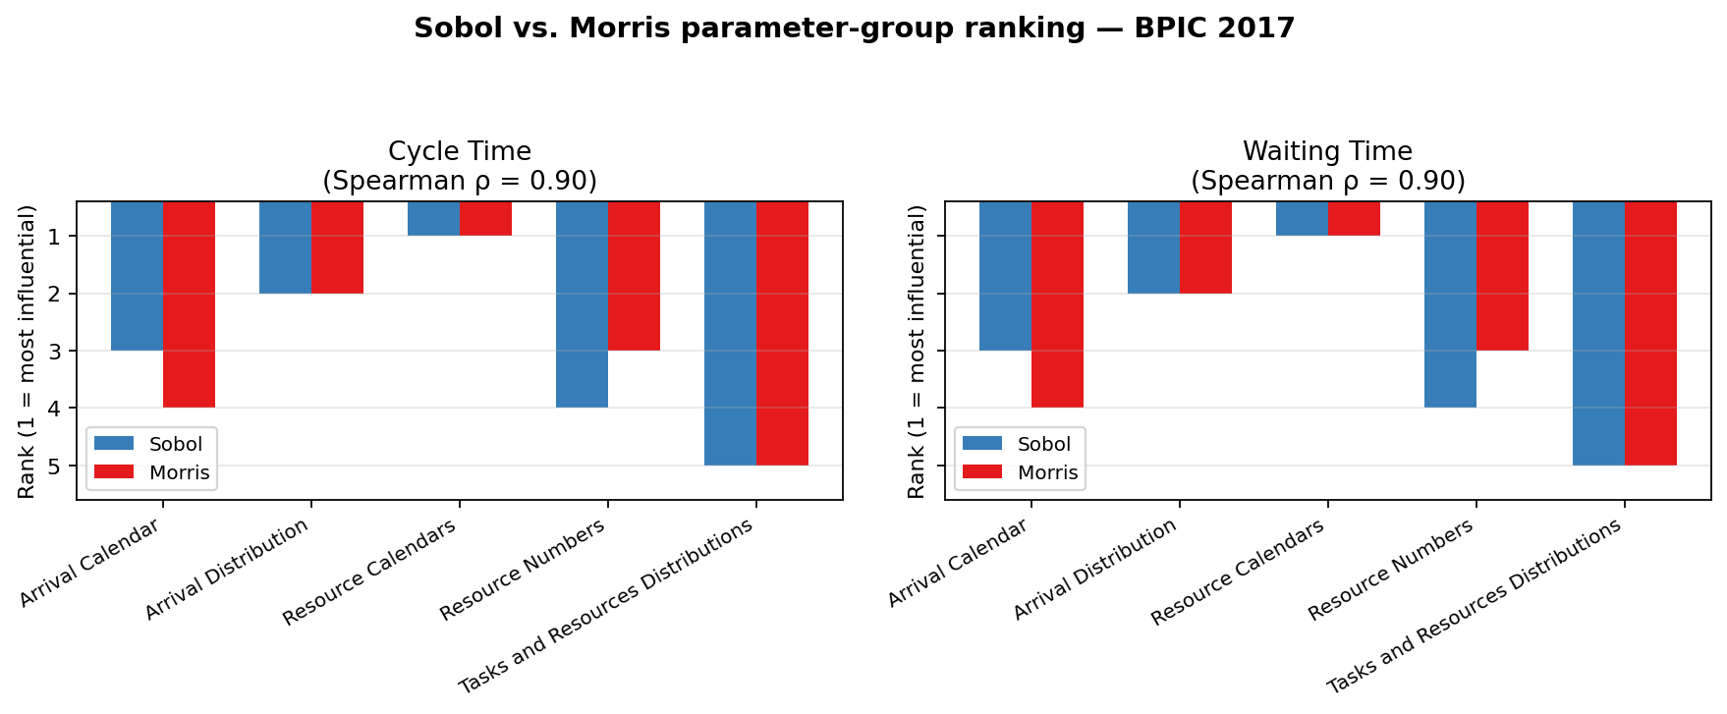

Datamining
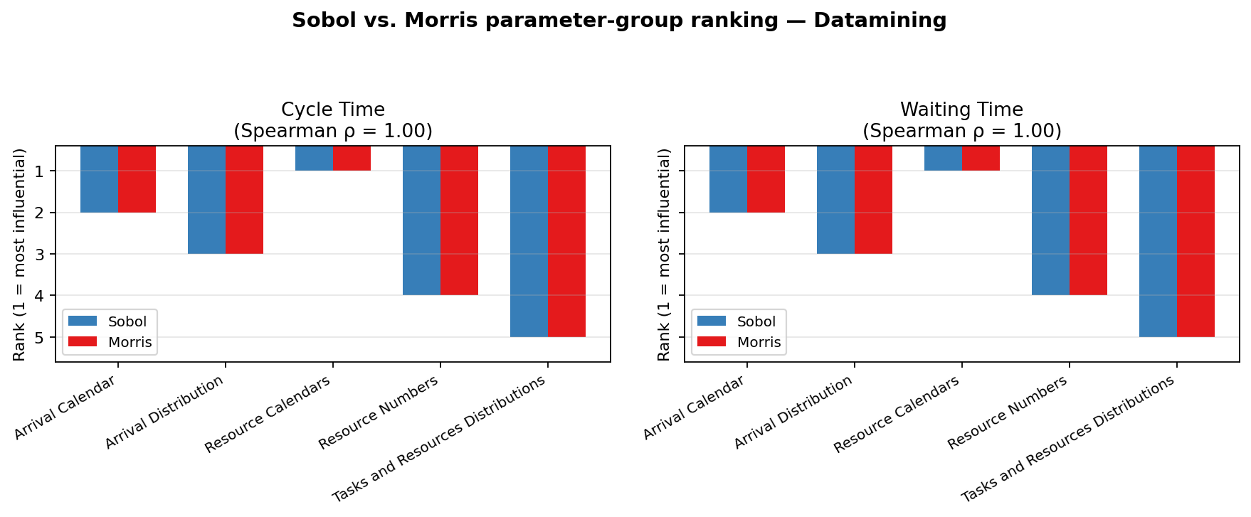

Production

