Gateway Within-Group
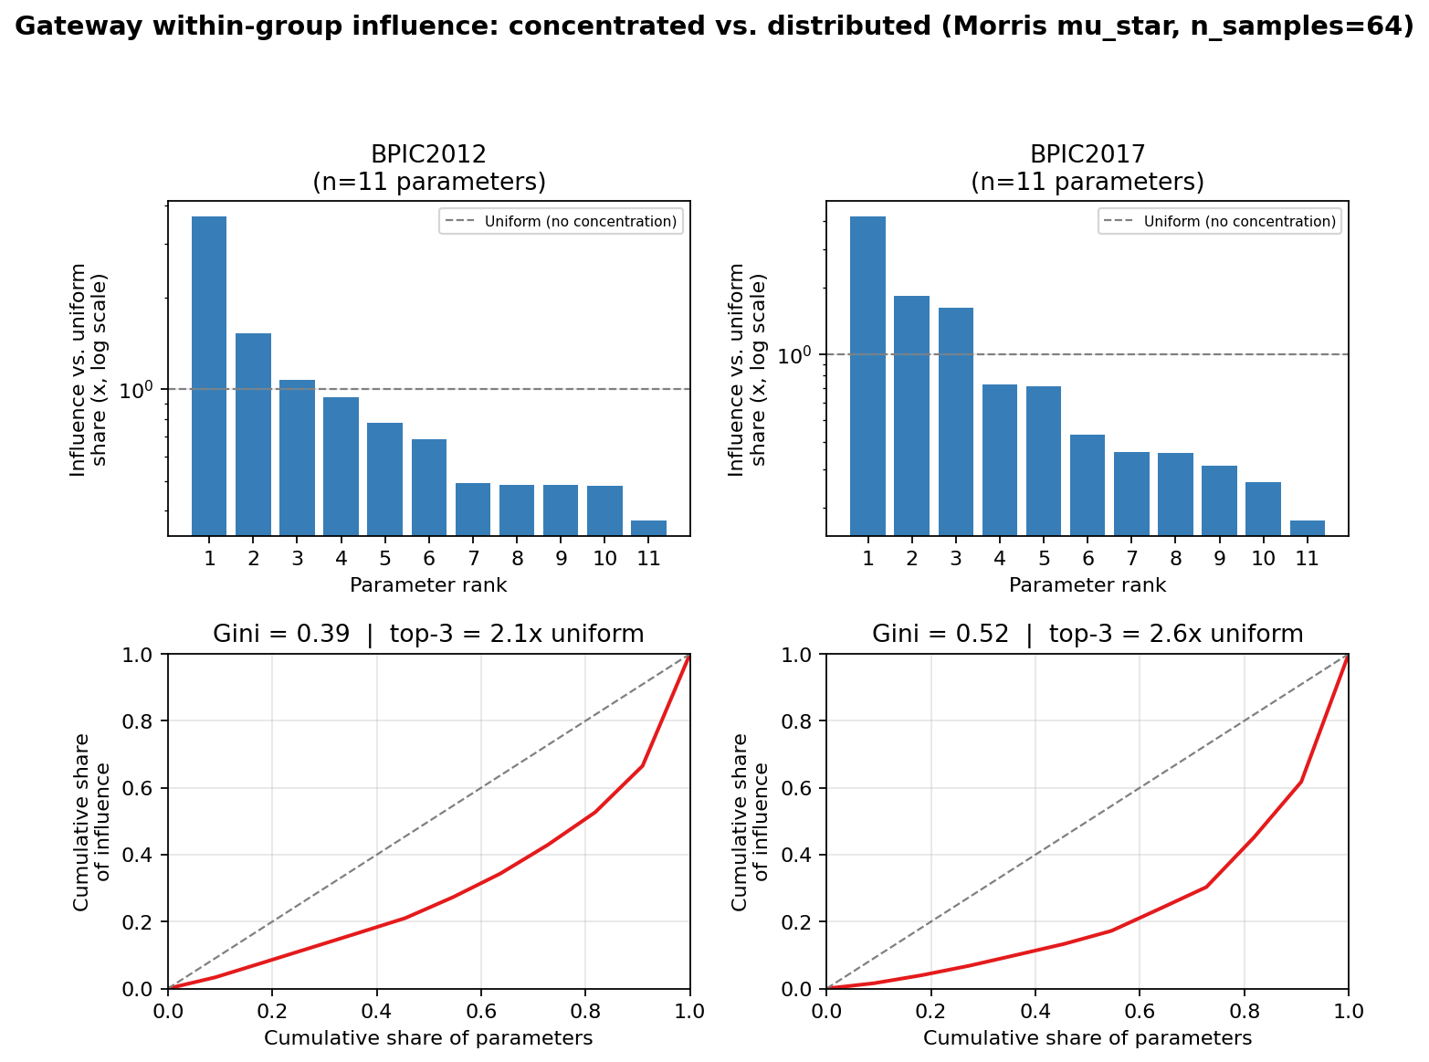
Top panel: each rank's influence share relative to a uniform/no-concentration baseline (1x = every gateway equally influential); bars far above 1x on the log scale = concentrated. Gateway influence is concentrated in a small subset of gateways for BPIC2012, ACR, and Production (top gateway several x above uniform), and least pronounced for BPIC2017 (closest to the 1x uniform line).

Resource Calendar Within-Group
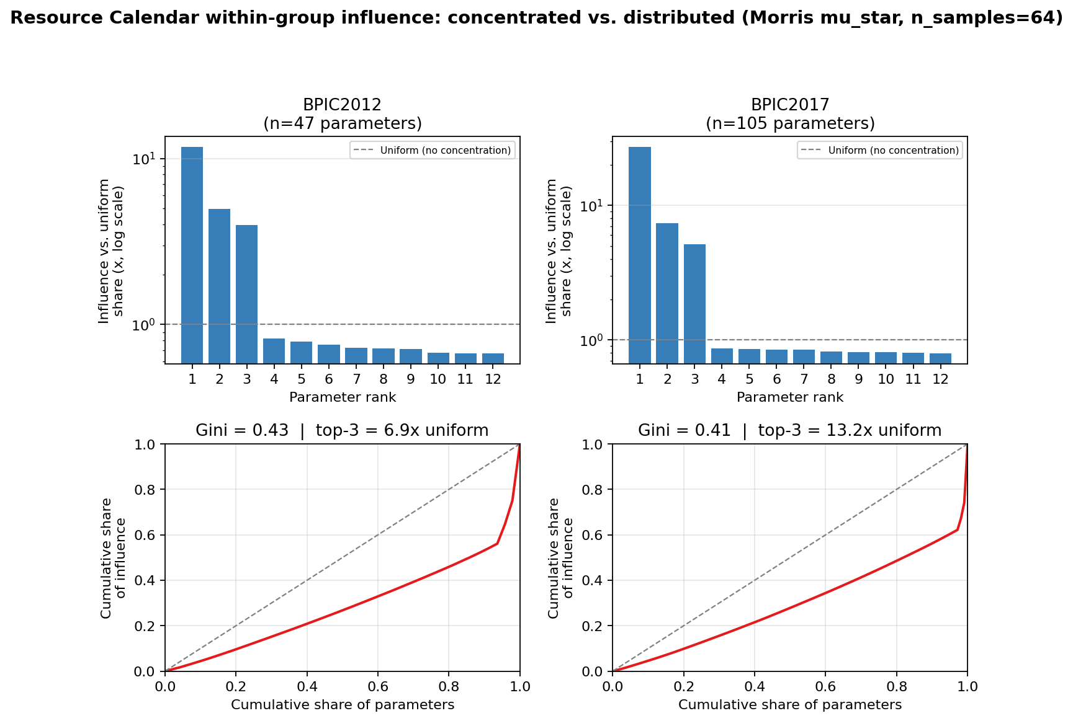
Top panel: each rank's influence share relative to a uniform/no-concentration baseline (1x = every calendar equally influential); this stays comparable across datasets even though group size ranges from 26 (BPIC2012) to 561 (ACR/Datamining). Resource-calendar influence is concentrated in a few calendars for BPIC2012, Production, and ACR (top calendars 13-20x the uniform baseline), whereas BPIC2017 shows a near-uniform, distributed pattern (top calendar ~1x baseline).

