Resource Calendar Within-Group
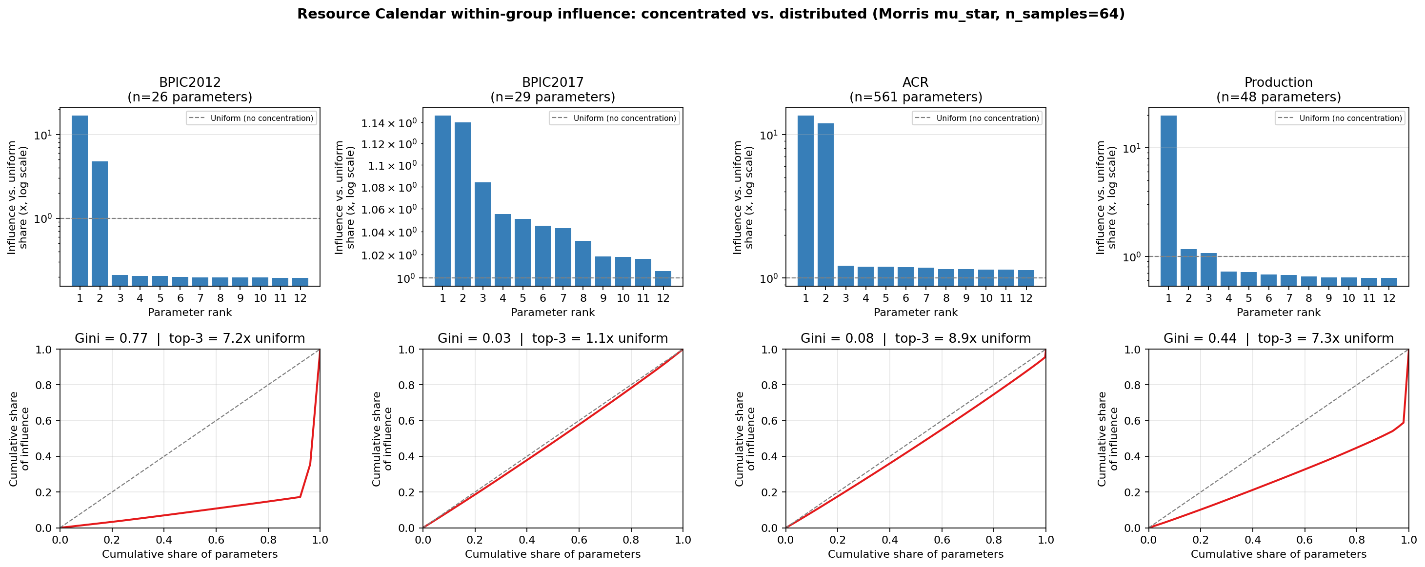
Top panel: each rank's influence share relative to a uniform/no-concentration baseline (1x = every calendar equally influential); this stays comparable across datasets even though group size ranges from 26 (BPIC2012) to 561 (ACR/Datamining). Resource-calendar influence is concentrated in a few calendars for BPIC2012, Production, and ACR (top calendars 13-20x the uniform baseline), whereas BPIC2017 shows a near-uniform, distributed pattern (top calendar ~1x baseline).

