Figures
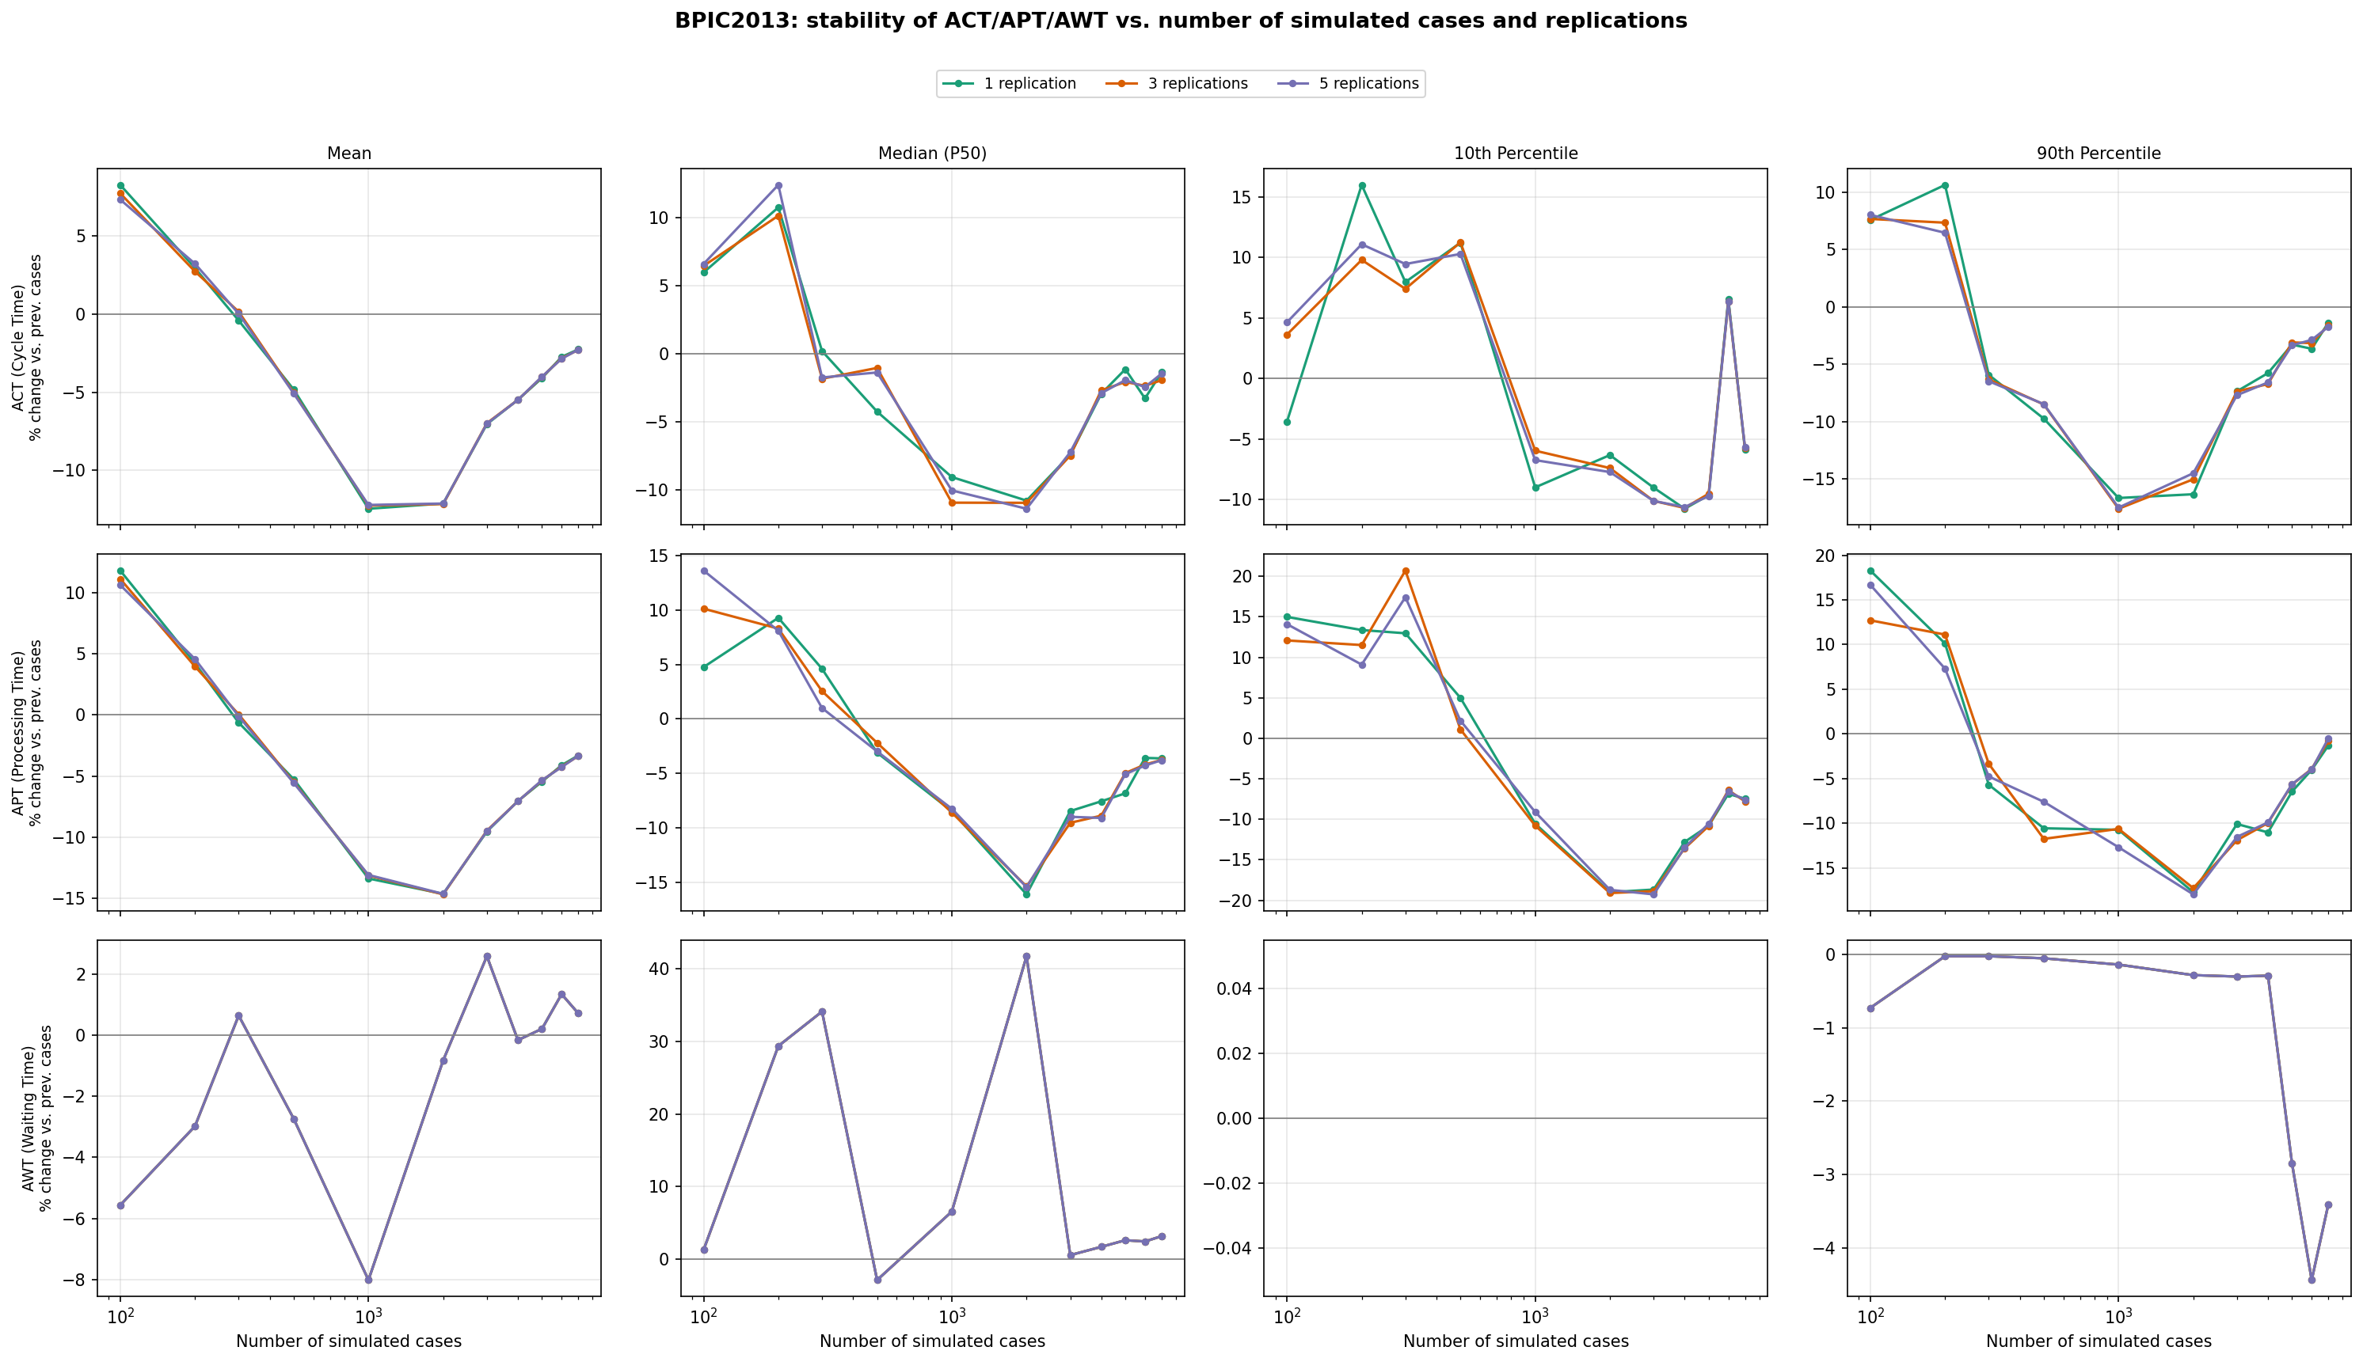
Stability of ACT (Cycle Time), APT (Processing Time), and AWT (Waiting Time) -- mean, median, 10th and 90th percentile -- as the number of simulated cases and replications increases. Curves flattening toward 0% indicate no material improvement beyond that point.

BPIC2012
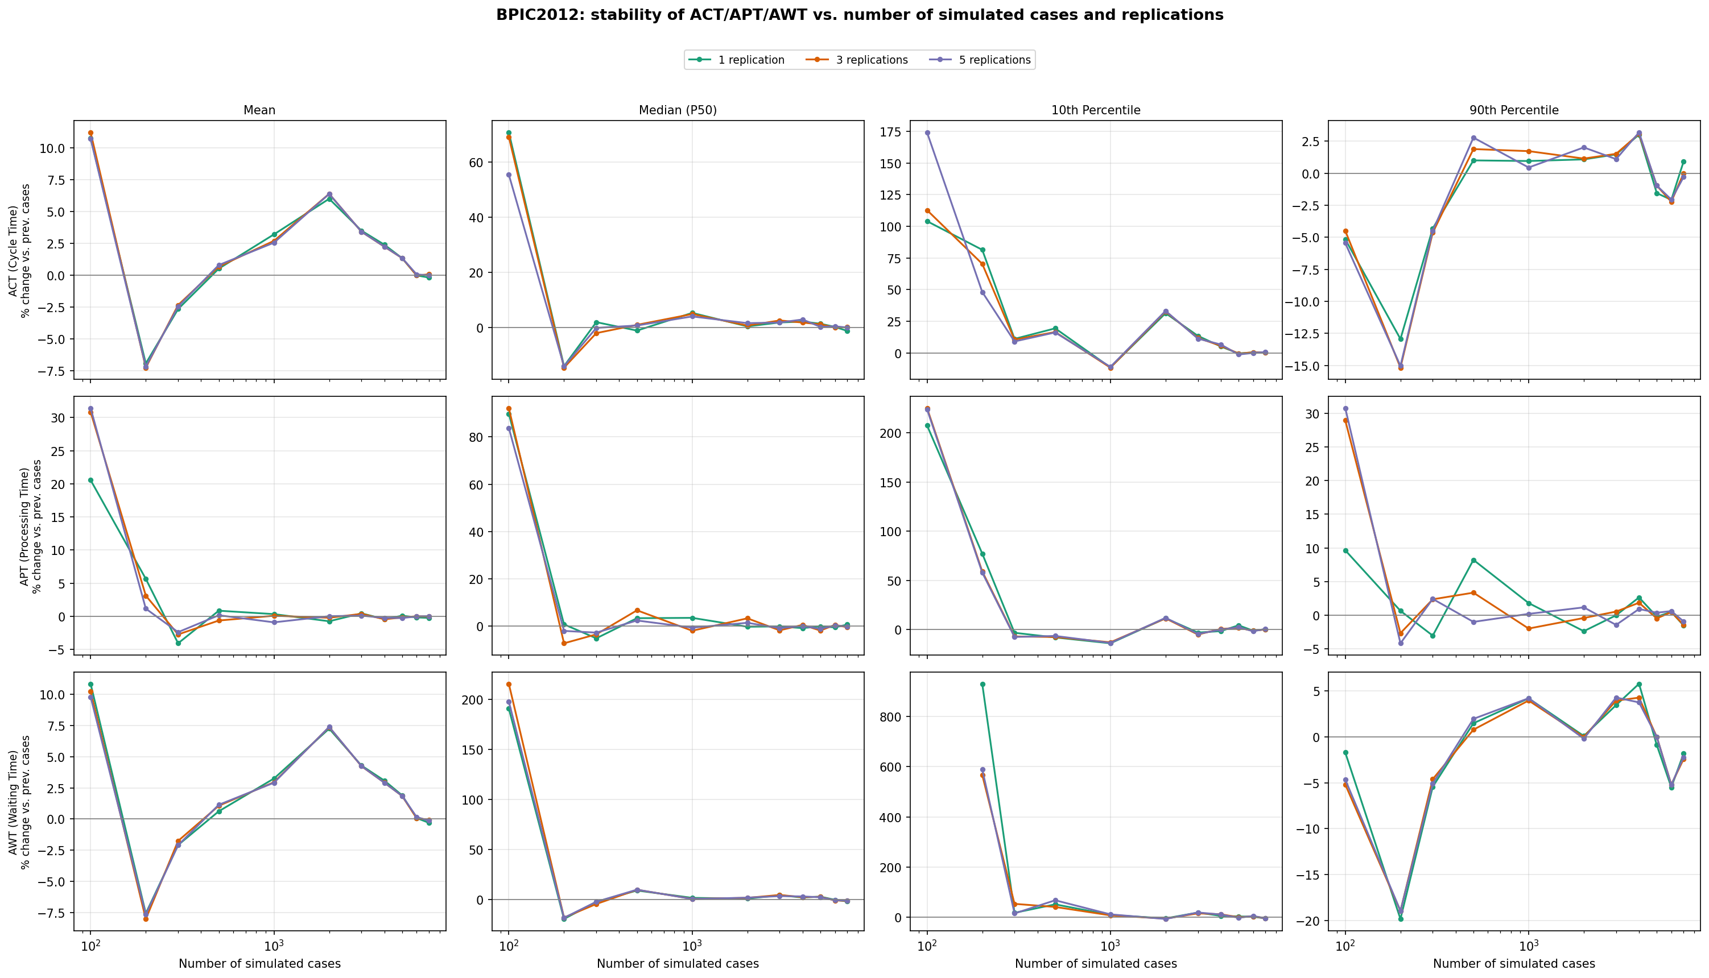

BPIC2017
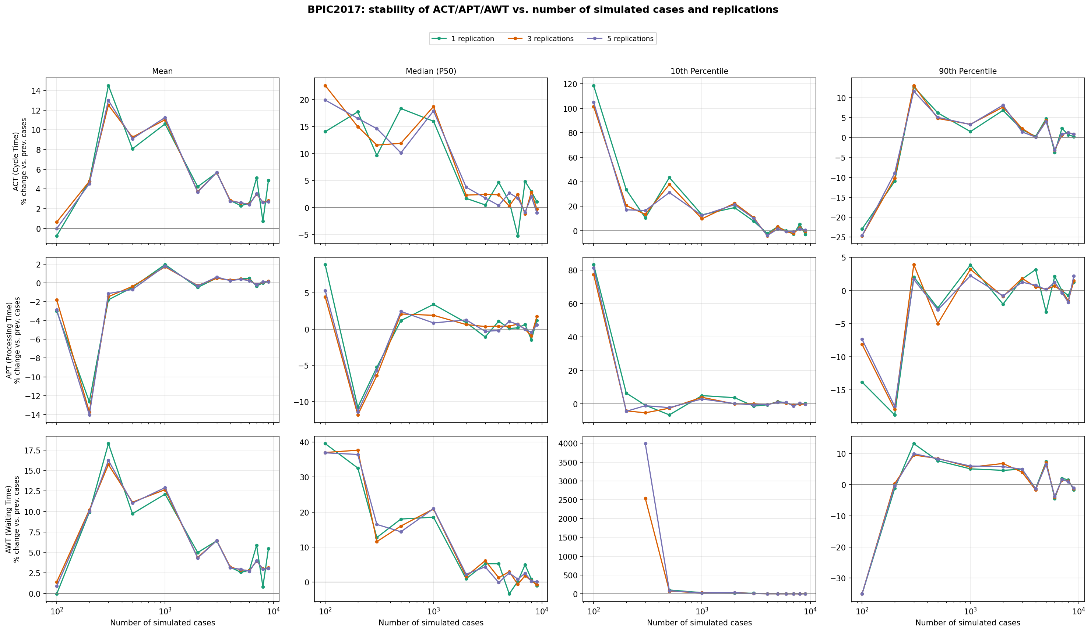

BPIC2013

