Table 1-1
This file presents data from the tables in CBO’s February 2024 report The Budget and Economic Outlook: 2024 to 2034 and provides supplemental data.
www.cbo.gov/publication/59710

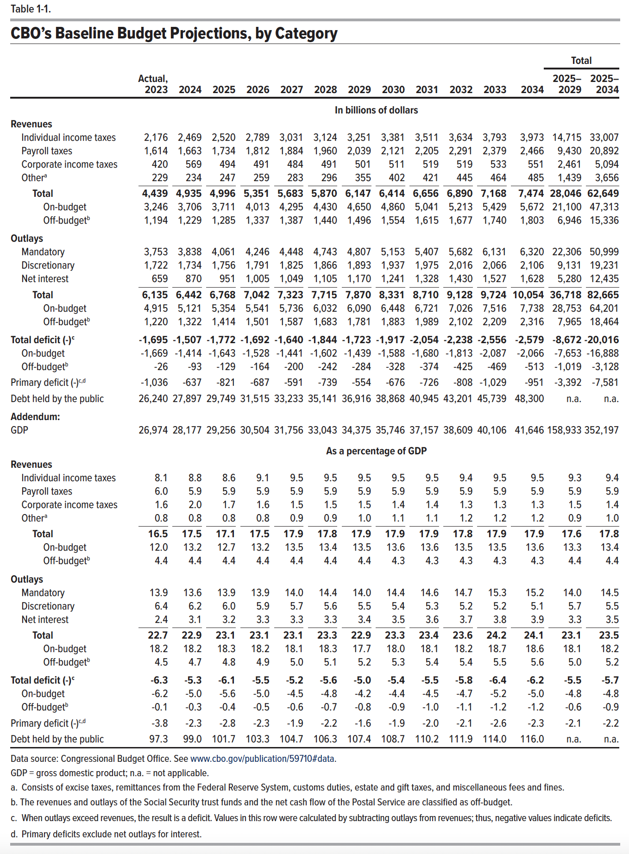
Table 1-1. CBO’s Baseline Budget Projections, by Category

 |  |  |  |  |  |  |  |  |  |  |  |  | Total
 | Actual, 2023 | 2024 | 2025 | 2026 | 2027 | 2028 | 2029 | 2030 | 2031 | 2032 | 2033 | 2034 | 2025– 2029 | 2025– 2034
 | In billions of dollars
Revenues
Individual income taxes | 2,176 | 2,469 | 2,520 | 2,789 | 3,031 | 3,124 | 3,251 | 3,381 | 3,511 | 3,634 | 3,793 | 3,973 | 14,715 | 33,007
Payroll taxes | 1,614 | 1,663 | 1,734 | 1,812 | 1,884 | 1,960 | 2,039 | 2,121 | 2,205 | 2,291 | 2,379 | 2,466 | 9,430 | 20,892
Corporate income taxes | 420 | 569 | 494 | 491 | 484 | 491 | 501 | 511 | 519 | 519 | 533 | 551 | 2,461 | 5,094
Other | 229 | 234 | 247 | 259 | 283 | 296 | 355 | 402 | 421 | 445 | 464 | 485 | 1,439 | 3,656
Total | 4,439 | 4,935 | 4,996 | 5,351 | 5,683 | 5,870 | 6,147 | 6,414 | 6,656 | 6,890 | 7,168 | 7,474 | 28,046 | 62,649
On-budget | 3,246 | 3,706 | 3,711 | 4,013 | 4,295 | 4,430 | 4,650 | 4,860 | 5,041 | 5,213 | 5,429 | 5,672 | 21,100 | 47,313
Off-budget | 1,194 | 1,229 | 1,285 | 1,337 | 1,387 | 1,440 | 1,496 | 1,554 | 1,615 | 1,677 | 1,740 | 1,803 | 6,946 | 15,336
Outlays
Mandatory | 3,753 | 3,838 | 4,061 | 4,246 | 4,448 | 4,743 | 4,807 | 5,153 | 5,407 | 5,682 | 6,131 | 6,320 | 22,306 | 50,999
Discretionary | 1,722 | 1,734 | 1,756 | 1,791 | 1,825 | 1,866 | 1,893 | 1,937 | 1,975 | 2,016 | 2,066 | 2,106 | 9,131 | 19,231
Net interest | 659 | 870 | 951 | 1,005 | 1,049 | 1,105 | 1,170 | 1,241 | 1,328 | 1,430 | 1,527 | 1,628 | 5,280 | 12,435
Total | 6,135 | 6,442 | 6,768 | 7,042 | 7,323 | 7,715 | 7,870 | 8,331 | 8,710 | 9,128 | 9,724 | 10,054 | 36,718 | 82,665
On-budget | 4,915 | 5,121 | 5,354 | 5,541 | 5,736 | 6,032 | 6,090 | 6,448 | 6,721 | 7,026 | 7,516 | 7,738 | 28,753 | 64,201
Off-budget | 1,220 | 1,322 | 1,414 | 1,501 | 1,587 | 1,683 | 1,781 | 1,883 | 1,989 | 2,102 | 2,209 | 2,316 | 7,965 | 18,464
Total deficit (-) | -1,695 | -1,507 | -1,772 | -1,692 | -1,640 | -1,844 | -1,723 | -1,917 | -2,054 | -2,238 | -2,556 | -2,579 | -8,672 | -20,016
On-budget | -1,669 | -1,414 | -1,643 | -1,528 | -1,441 | -1,602 | -1,439 | -1,588 | -1,680 | -1,813 | -2,087 | -2,066 | -7,653 | -16,888
Off-budget | -26 | -93 | -129 | -164 | -200 | -242 | -284 | -328 | -374 | -425 | -469 | -513 | -1,019 | -3,128
Primary deficit (-) | -1,036 | -637 | -821 | -687 | -591 | -739 | -554 | -676 | -726 | -808 | -1,029 | -951 | -3,392 | -7,581
Debt held by the public | 26,240 | 27,897 | 29,749 | 31,515 | 33,233 | 35,141 | 36,916 | 38,868 | 40,945 | 43,201 | 45,739 | 48,300 | n.a. | n.a.
Addendum:
GDP | 26,974 | 28,177 | 29,256 | 30,504 | 31,756 | 33,043 | 34,375 | 35,746 | 37,157 | 38,609 | 40,106 | 41,646 | 158,933 | 352,197
 | As a percentage of gross domestic product
Revenues
Individual income taxes | 8.1 | 8.8 | 8.6 | 9.1 | 9.5 | 9.5 | 9.5 | 9.5 | 9.5 | 9.4 | 9.5 | 9.5 | 9.3 | 9.4
Payroll taxes | 6.0 | 5.9 | 5.9 | 5.9 | 5.9 | 5.9 | 5.9 | 5.9 | 5.9 | 5.9 | 5.9 | 5.9 | 5.9 | 5.9
Corporate income taxes | 1.6 | 2.0 | 1.7 | 1.6 | 1.5 | 1.5 | 1.5 | 1.4 | 1.4 | 1.3 | 1.3 | 1.3 | 1.5 | 1.4
Other | 0.8 | 0.8 | 0.8 | 0.8 | 0.9 | 0.9 | 1.0 | 1.1 | 1.1 | 1.2 | 1.2 | 1.2 | 0.9 | 1.0
Total | 16.5 | 17.5 | 17.1 | 17.5 | 17.9 | 17.8 | 17.9 | 17.9 | 17.9 | 17.8 | 17.9 | 17.9 | 17.6 | 17.8
On-budget | 12.0 | 13.2 | 12.7 | 13.2 | 13.5 | 13.4 | 13.5 | 13.6 | 13.6 | 13.5 | 13.5 | 13.6 | 13.3 | 13.4
Off-budget | 4.4 | 4.4 | 4.4 | 4.4 | 4.4 | 4.4 | 4.4 | 4.3 | 4.3 | 4.3 | 4.3 | 4.3 | 4.4 | 4.4
Outlays
Mandatory | 13.9 | 13.6 | 13.9 | 13.9 | 14.0 | 14.4 | 14.0 | 14.4 | 14.6 | 14.7 | 15.3 | 15.2 | 14.0 | 14.5
Discretionary | 6.4 | 6.2 | 6.0 | 5.9 | 5.7 | 5.6 | 5.5 | 5.4 | 5.3 | 5.2 | 5.2 | 5.1 | 5.7 | 5.5
Net interest | 2.4 | 3.1 | 3.2 | 3.3 | 3.3 | 3.3 | 3.4 | 3.5 | 3.6 | 3.7 | 3.8 | 3.9 | 3.3 | 3.5
Total | 22.7 | 22.9 | 23.1 | 23.1 | 23.1 | 23.3 | 22.9 | 23.3 | 23.4 | 23.6 | 24.2 | 24.1 | 23.1 | 23.5
On-budget | 18.2 | 18.2 | 18.3 | 18.2 | 18.1 | 18.3 | 17.7 | 18.0 | 18.1 | 18.2 | 18.7 | 18.6 | 18.1 | 18.2
Off-budget | 4.5 | 4.7 | 4.8 | 4.9 | 5.0 | 5.1 | 5.2 | 5.3 | 5.4 | 5.4 | 5.5 | 5.6 | 5.0 | 5.2
Total deficit (-) | -6.3 | -5.3 | -6.1 | -5.5 | -5.2 | -5.6 | -5.0 | -5.4 | -5.5 | -5.8 | -6.4 | -6.2 | -5.5 | -5.7
On-budget | -6.2 | -5.0 | -5.6 | -5.0 | -4.5 | -4.8 | -4.2 | -4.4 | -4.5 | -4.7 | -5.2 | -5.0 | -4.8 | -4.8
Off-budget | -0.1 | -0.3 | -0.4 | -0.5 | -0.6 | -0.7 | -0.8 | -0.9 | -1.0 | -1.1 | -1.2 | -1.2 | -0.6 | -0.9
Primary deficit (-) | -3.8 | -2.3 | -2.8 | -2.3 | -1.9 | -2.2 | -1.6 | -1.9 | -2.0 | -2.1 | -2.6 | -2.3 | -2.1 | -2.2
Debt held by the public | 97.3 | 99.0 | 101.7 | 103.3 | 104.7 | 106.3 | 107.4 | 108.7 | 110.2 | 111.9 | 114.0 | 116.0 | n.a. | n.a.

Back to Table of Contents

Table 1-2
This file presents data from the tables in CBO’s February 2024 report The Budget and Economic Outlook: 2024 to 2034 and provides supplemental data.
www.cbo.gov/publication/59710

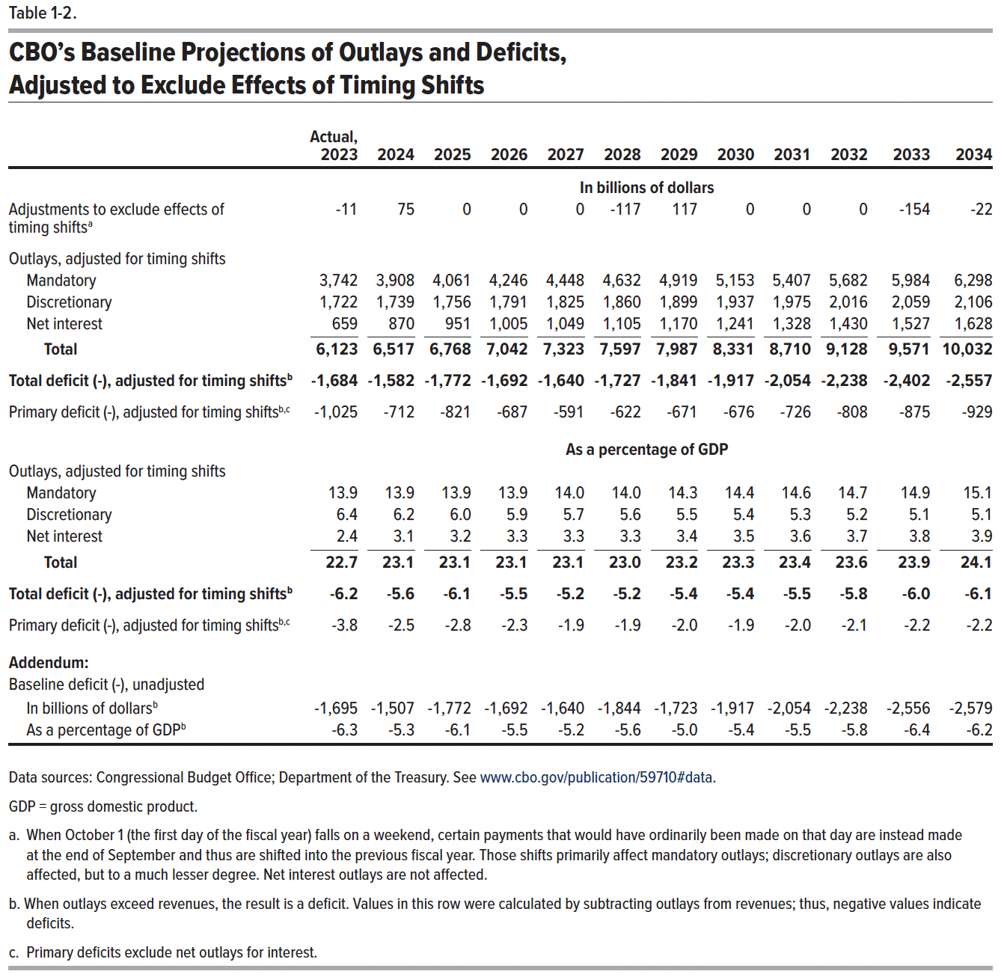
Table 1-2. CBO’s Baseline Projections of Outlays and Deficits, Adjusted to Exclude Effects of Timing Shifts

 | Actual, 2023 | 2024 | 2025 | 2026 | 2027 | 2028 | 2029 | 2030 | 2031 | 2032 | 2033 | 2034
 | In billions of dollars
Adjustments to exclude the effects of timing shifts | -11 | 75 | 0 | 0 | 0 | -117 | 117 | 0 | 0 | 0 | -154 | -22
Outlays adjusted for timing shifts
Mandatory | 3,742 | 3,908 | 4,061 | 4,246 | 4,448 | 4,632 | 4,919 | 5,153 | 5,407 | 5,682 | 5,984 | 6,298
Discretionary | 1,722 | 1,739 | 1,756 | 1,791 | 1,825 | 1,860 | 1,899 | 1,937 | 1,975 | 2,016 | 2,059 | 2,106
Net interest | 659 | 870 | 951 | 1,005 | 1,049 | 1,105 | 1,170 | 1,241 | 1,328 | 1,430 | 1,527 | 1,628
Total | 6,123 | 6,517 | 6,768 | 7,042 | 7,323 | 7,597 | 7,987 | 8,331 | 8,710 | 9,128 | 9,571 | 10,032
Total deficit (-), adjusted for timing shifts | -1,684 | -1,582 | -1,772 | -1,692 | -1,640 | -1,727 | -1,841 | -1,917 | -2,054 | -2,238 | -2,402 | -2,557
Primary deficit (-), adjusted for timing shifts | -1,025 | -712 | -821 | -687 | -591 | -622 | -671 | -676 | -726 | -808 | -875 | -929
 | As a percentage of gross domestic product
Outlays, adjusted for timing shifts
Mandatory | 13.9 | 13.9 | 13.9 | 13.9 | 14.0 | 14.0 | 14.3 | 14.4 | 14.6 | 14.7 | 14.9 | 15.1
Discretionary | 6.4 | 6.2 | 6.0 | 5.9 | 5.7 | 5.6 | 5.5 | 5.4 | 5.3 | 5.2 | 5.1 | 5.1
Net interest | 2.4 | 3.1 | 3.2 | 3.3 | 3.3 | 3.3 | 3.4 | 3.5 | 3.6 | 3.7 | 3.8 | 3.9
Total | 22.7 | 23.1 | 23.1 | 23.1 | 23.1 | 23.0 | 23.2 | 23.3 | 23.4 | 23.6 | 23.9 | 24.1
Total deficit (-), adjusted for timing shifts | -6.2 | -5.6 | -6.1 | -5.5 | -5.2 | -5.2 | -5.4 | -5.4 | -5.5 | -5.8 | -6.0 | -6.1
Primary deficit (-), adjusted for timing shifts | -3.8 | -2.5 | -2.8 | -2.3 | -1.9 | -1.9 | -2.0 | -1.9 | -2.0 | -2.1 | -2.2 | -2.2
Addendum:
Baseline deficit (-), unadjusted
In billions of dollars | -1,695 | -1,507 | -1,772 | -1,692 | -1,640 | -1,844 | -1,723 | -1,917 | -2,054 | -2,238 | -2,556 | -2,579
As a percentage of GDP | -6.3 | -5.3 | -6.1 | -5.5 | -5.2 | -5.6 | -5.0 | -5.4 | -5.5 | -5.8 | -6.4 | -6.2

Back to Table of Contents

Table 1-3
This file presents data from the tables in CBO’s February 2024 report The Budget and Economic Outlook: 2024 to 2034 and provides supplemental data.
www.cbo.gov/publication/59710

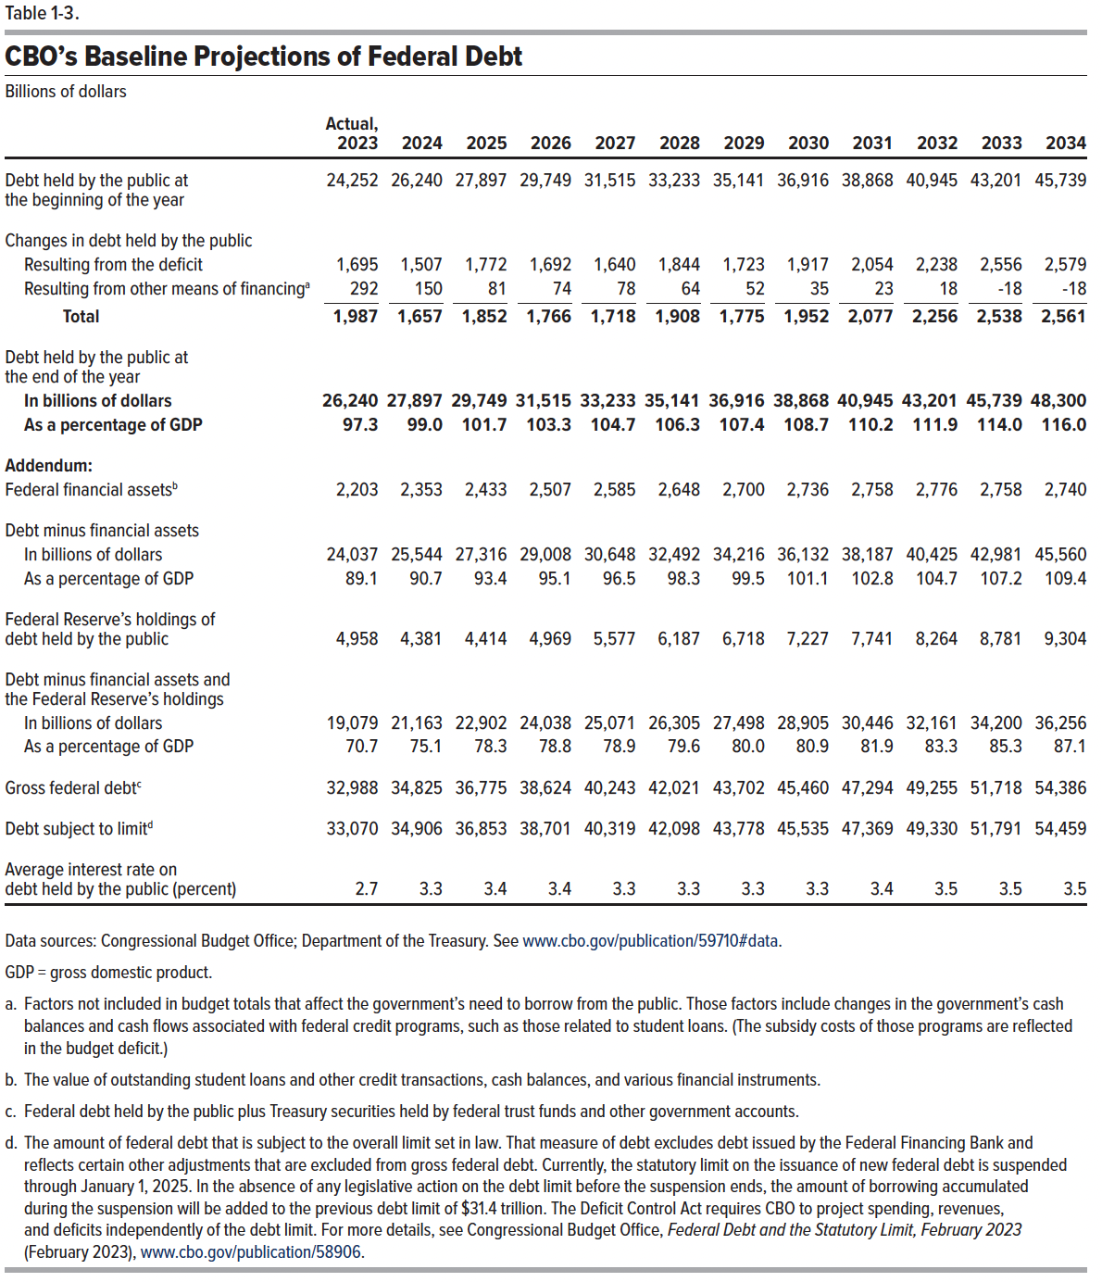
Table 1-3. CBO's Baseline Projections of Federal Debt
Billons of dollars

 | Actual, 2023 | 2024 | 2025 | 2026 | 2027 | 2028 | 2029 | 2030 | 2031 | 2032 | 2033 | 2034
Debt held by the public at the beginning of the year | 24,252 | 26,240 | 27,897 | 29,749 | 31,515 | 33,233 | 35,141 | 36,916 | 38,868 | 40,945 | 43,201 | 45,739
Changes in debt held by the public
Resulting from the deficit | 1,695 | 1,507 | 1,772 | 1,692 | 1,640 | 1,844 | 1,723 | 1,917 | 2,054 | 2,238 | 2,556 | 2,579
Resulting from other means of financing | 292 | 150 | 81 | 74 | 78 | 64 | 52 | 35 | 23 | 18 | -18 | -18
Total | 1,987 | 1,657 | 1,852 | 1,766 | 1,718 | 1,908 | 1,775 | 1,952 | 2,077 | 2,256 | 2,538 | 2,561
Debt held by the public at the end of the year
In billions of dollars | 26,240 | 27,897 | 29,749 | 31,515 | 33,233 | 35,141 | 36,916 | 38,868 | 40,945 | 43,201 | 45,739 | 48,300
As a percentage of GDP | 97.3 | 99.0 | 101.7 | 103.3 | 104.7 | 106.3 | 107.4 | 108.7 | 110.2 | 111.9 | 114.0 | 116.0
Addendum:
Federal financial assets | 2,203 | 2,353 | 2,433 | 2,507 | 2,585 | 2,648 | 2,700 | 2,736 | 2,758 | 2,776 | 2,758 | 2,740
Debt minus financial assets
In billions of dollars | 24,037 | 25,544 | 27,316 | 29,008 | 30,648 | 32,492 | 34,216 | 36,132 | 38,187 | 40,425 | 42,981 | 45,560
As a percentage of GDP | 89.1 | 90.7 | 93.4 | 95.1 | 96.5 | 98.3 | 99.5 | 101.1 | 102.8 | 104.7 | 107.2 | 109.4
Federal Reserve's holdings of debt held by the public | 4,958 | 4,381 | 4,414 | 4,969 | 5,577 | 6,187 | 6,718 | 7,227 | 7,741 | 8,264 | 8,781 | 9,304
Debt minus financial assets and the Federal Reserve's holdings
In billions of dollars | 19,079 | 21,163 | 22,902 | 24,038 | 25,071 | 26,305 | 27,498 | 28,905 | 30,446 | 32,161 | 34,200 | 36,256
As a percentage of GDP | 70.7 | 75.1 | 78.3 | 78.8 | 78.9 | 79.6 | 80.0 | 80.9 | 81.9 | 83.3 | 85.3 | 87.1
Gross federal debt | 32,988 | 34,825 | 36,775 | 38,624 | 40,243 | 42,021 | 43,702 | 45,460 | 47,294 | 49,255 | 51,718 | 54,386
Debt subject to limit | 33,070 | 34,906 | 36,853 | 38,701 | 40,319 | 42,098 | 43,778 | 45,535 | 47,369 | 49,330 | 51,791 | 54,459
Average interest rate on debt held by the public (percent) | 2.69 | 3.31 | 3.38 | 3.36 | 3.32 | 3.31 | 3.32 | 3.34 | 3.39 | 3.45 | 3.49 | 3.51

Back to Table of Contents

Table 1-4
This file presents data from the tables in CBO’s February 2024 report The Budget and Economic Outlook: 2024 to 2034 and provides supplemental data.
www.cbo.gov/publication/59710

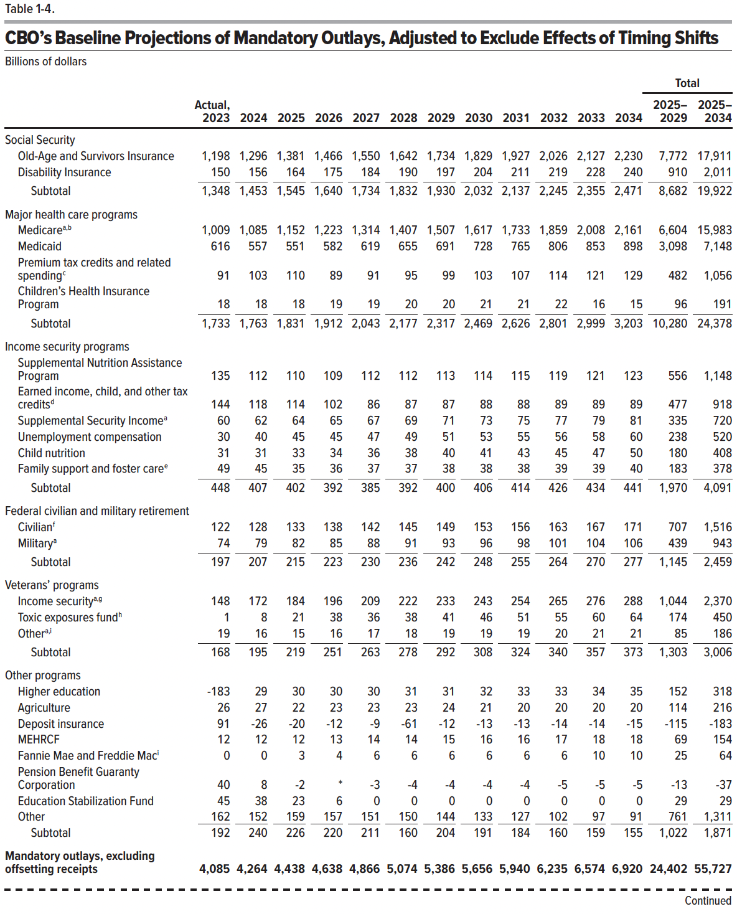
Table 1-4 CBO's Baseline Projections of Mandatory Outlays, Adjusted to Exclude the Effects of Timing Shifts
Billions of dollars
 |  |  |  |  |  |  |  |  |  |  |  |  | Total
 | Actual, |  |  |  |  |  |  |  |  |  |  |  | 2025‒ | 2025‒
 | 2023 | 2024 | 2025 | 2026 | 2027 | 2028 | 2029 | 2030 | 2031 | 2032 | 2033 | 2034 | 2029 | 2034
Social Security
Old-Age and Survivors Insurance | 1,198 | 1,296 | 1,381 | 1,466 | 1,550 | 1,642 | 1,734 | 1,829 | 1,927 | 2,026 | 2,127 | 2,230 | 7,772 | 17,911
Disability Insurance | 150 | 156 | 164 | 175 | 184 | 190 | 197 | 204 | 211 | 219 | 228 | 240 | 910 | 2,011
Subtotal | 1,348 | 1,453 | 1,545 | 1,640 | 1,734 | 1,832 | 1,930 | 2,032 | 2,137 | 2,245 | 2,355 | 2,471 | 8,682 | 19,922
Major health care programs
Medicare | 1,009 | 1,085 | 1,152 | 1,223 | 1,314 | 1,407 | 1,507 | 1,617 | 1,733 | 1,859 | 2,008 | 2,161 | 6,604 | 15,983
Medicaid | 616 | 557 | 551 | 582 | 619 | 655 | 691 | 728 | 765 | 806 | 853 | 898 | 3,098 | 7,148
Premium tax credits and related spending | 91 | 103 | 110 | 89 | 91 | 95 | 99 | 103 | 107 | 114 | 121 | 129 | 482 | 1,056
Children's Health Insurance Program | 18 | 18 | 18 | 19 | 19 | 20 | 20 | 21 | 21 | 22 | 16 | 15 | 96 | 191
Subtotal | 1,733 | 1,763 | 1,831 | 1,912 | 2,043 | 2,177 | 2,317 | 2,469 | 2,626 | 2,801 | 2,999 | 3,203 | 10,280 | 24,378
Income security programs
Supplemental Nutrition Assistance Program | 135 | 112 | 110 | 109 | 112 | 112 | 113 | 114 | 115 | 119 | 121 | 123 | 556 | 1,148
Earned income, child, and other tax credits | 144 | 118 | 114 | 102 | 86 | 87 | 87 | 88 | 88 | 89 | 89 | 89 | 477 | 918
Supplemental Security Income | 60 | 62 | 64 | 65 | 67 | 69 | 71 | 73 | 75 | 77 | 79 | 81 | 335 | 720
Unemployment compensation | 30 | 40 | 45 | 45 | 47 | 49 | 51 | 53 | 55 | 56 | 58 | 60 | 238 | 520
Child nutrition | 31 | 31 | 33 | 34 | 36 | 38 | 40 | 41 | 43 | 45 | 47 | 50 | 180 | 408
Family support and foster care | 49 | 45 | 35 | 36 | 37 | 37 | 38 | 38 | 38 | 39 | 39 | 40 | 183 | 378
Subtotal | 448 | 407 | 402 | 392 | 385 | 392 | 400 | 406 | 414 | 426 | 434 | 441 | 1,970 | 4,091
Federal civilian and military retirement
Civilian | 122 | 128 | 133 | 138 | 142 | 145 | 149 | 153 | 156 | 163 | 167 | 171 | 707 | 1,516
Military | 74 | 79 | 82 | 85 | 88 | 91 | 93 | 96 | 98 | 101 | 104 | 106 | 439 | 943
Subtotal | 197 | 207 | 215 | 223 | 230 | 236 | 242 | 248 | 255 | 264 | 270 | 277 | 1,145 | 2,459
Veterans' programs
Income security | 148 | 172 | 184 | 196 | 209 | 222 | 233 | 243 | 254 | 265 | 276 | 288 | 1,044 | 2,370
Toxic exposures fund | 1 | 8 | 21 | 38 | 36 | 38 | 41 | 46 | 51 | 55 | 60 | 64 | 174 | 450
Other | 19 | 16 | 15 | 16 | 17 | 18 | 19 | 19 | 19 | 20 | 21 | 21 | 85 | 186
Subtotal | 168 | 195 | 219 | 251 | 263 | 278 | 292 | 308 | 324 | 340 | 357 | 373 | 1,303 | 3,006
Other programs
Higher education | -183 | 29 | 30 | 30 | 30 | 31 | 31 | 32 | 33 | 33 | 34 | 35 | 152 | 318
Agriculture | 26 | 27 | 22 | 23 | 23 | 23 | 24 | 21 | 20 | 20 | 20 | 20 | 114 | 216
Deposit Insurance | 91 | -26 | -20 | -12 | -9 | -61 | -12 | -13 | -13 | -14 | -14 | -15 | -115 | -183
MERHCF | 12 | 12 | 12 | 13 | 14 | 14 | 15 | 16 | 16 | 17 | 18 | 18 | 69 | 154
Fannie Mae and Freddie Mac | 0 | 0 | 3 | 4 | 6 | 6 | 6 | 6 | 6 | 6 | 10 | 10 | 25 | 64
Pension Benefit Guaranty Corporation | 40 | 8 | -2 | 0 | -3 | -4 | -4 | -4 | -4 | -5 | -5 | -5 | -13 | -37
Education Stabilization Fund | 45 | 38 | 23 | 6 | 0 | 0 | 0 | 0 | 0 | 0 | 0 | 0 | 29 | 29
Other | 162 | 152 | 159 | 157 | 151 | 150 | 144 | 133 | 127 | 102 | 97 | 91 | 761 | 1,311
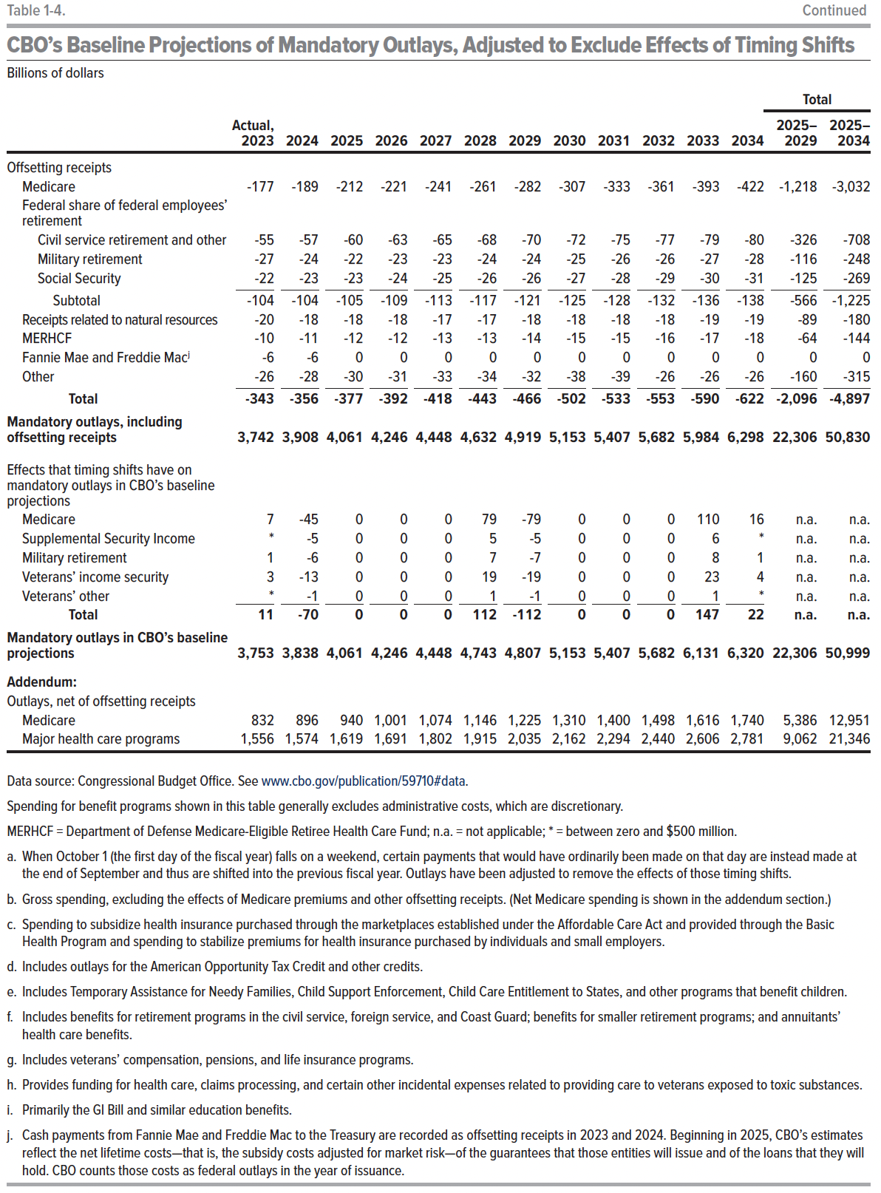
Subtotal | 192 | 240 | 226 | 220 | 211 | 160 | 204 | 191 | 184 | 160 | 159 | 155 | 1,022 | 1,871
Mandatory outlays, excluding the effects of offsetting receipts | 4,085 | 4,264 | 4,438 | 4,638 | 4,866 | 5,074 | 5,386 | 5,656 | 5,940 | 6,235 | 6,574 | 6,920 | 24,402 | 55,727
Offsetting receipts
Medicare | -177 | -189 | -212 | -221 | -241 | -261 | -282 | -307 | -333 | -361 | -393 | -422 | -1,218 | -3,032
Federal share of federal employees' retirement
Civil service retirement and other | -55 | -57 | -60 | -63 | -65 | -68 | -70 | -72 | -75 | -77 | -79 | -80 | -326 | -708
Military retirement | -27 | -24 | -22 | -23 | -23 | -24 | -24 | -25 | -26 | -26 | -27 | -28 | -116 | -248
Social Security | -22 | -23 | -23 | -24 | -25 | -26 | -26 | -27 | -28 | -29 | -30 | -31 | -125 | -269
Subtotal | -104 | -104 | -105 | -109 | -113 | -117 | -121 | -125 | -128 | -132 | -136 | -138 | -566 | -1,225
Receipts related to natural resources | -20 | -18 | -18 | -18 | -17 | -17 | -18 | -18 | -18 | -18 | -19 | -19 | -89 | -180
MERHCF | -10 | -11 | -12 | -12 | -13 | -13 | -14 | -15 | -15 | -16 | -17 | -18 | -64 | -144
Fannie Mae and Freddie Mac | -6 | -6 | 0 | 0 | 0 | 0 | 0 | 0 | 0 | 0 | 0 | 0 | 0 | 0
Other | -26 | -28 | -30 | -31 | -33 | -34 | -32 | -38 | -39 | -26 | -26 | -26 | -160 | -315
Total | -343 | -356 | -377 | -392 | -418 | -443 | -466 | -502 | -533 | -553 | -590 | -622 | -2,096 | -4,897
Mandatory outlays, including offsetting receipts | 3,742 | 3,908 | 4,061 | 4,246 | 4,448 | 4,632 | 4,919 | 5,153 | 5,407 | 5,682 | 5,984 | 6,298 | 22,306 | 50,830
 |  | 0
Effects that timing shifts have on mandatory outlays in CBO's baseline projections
Medicare | 7 | -45 | 0 | 0 | 0 | 79 | -79 | 0 | 0 | 0 | 110 | 16 | n.a | n.a
Supplemental Security Income | 0 | -5 | 0 | 0 | 0 | 5 | -5 | 0 | 0 | 0 | 6 | 0 | n.a | n.a
Military retirement | 1 | -6 | 0 | 0 | 0 | 7 | -7 | 0 | 0 | 0 | 8 | 1 | n.a | n.a
Veterans' income security | 3 | -13 | 0 | 0 | 0 | 19 | -19 | 0 | 0 | 0 | 23 | 4 | n.a | n.a
Veterans' other | 0 | -1 | 0 | 0 | 0 | 1 | -1 | 0 | 0 | 0 | 1 | 0 | n.a | n.a
Total | 11 | -70 | 0 | 0 | 0 | 112 | -112 | 0 | 0 | 0 | 147 | 22 | n.a | n.a
Mandatory outlays in CBO's baseline projections | 3,753 | 3,838 | 4,061 | 4,246 | 4,448 | 4,743 | 4,807 | 5,153 | 5,407 | 5,682 | 6,131 | 6,320 | 22,306 | 50,999
Addendum:
Outlays, net of offsetting receipts
Medicare | 832 | 896 | 940 | 1,001 | 1,074 | 1,146 | 1,225 | 1,310 | 1,400 | 1,498 | 1,616 | 1,740 | 5,386 | 12,951
Major health care programs | 1,556 | 1,574 | 1,619 | 1,691 | 1,802 | 1,915 | 2,035 | 2,162 | 2,294 | 2,440 | 2,606 | 2,781 | 9,062 | 21,346

Back to Table of Contents

Table 1-5
This file presents data from the tables in CBO’s February 2024 report The Budget and Economic Outlook: 2024 to 2034 and provides supplemental data.
www.cbo.gov/publication/59710

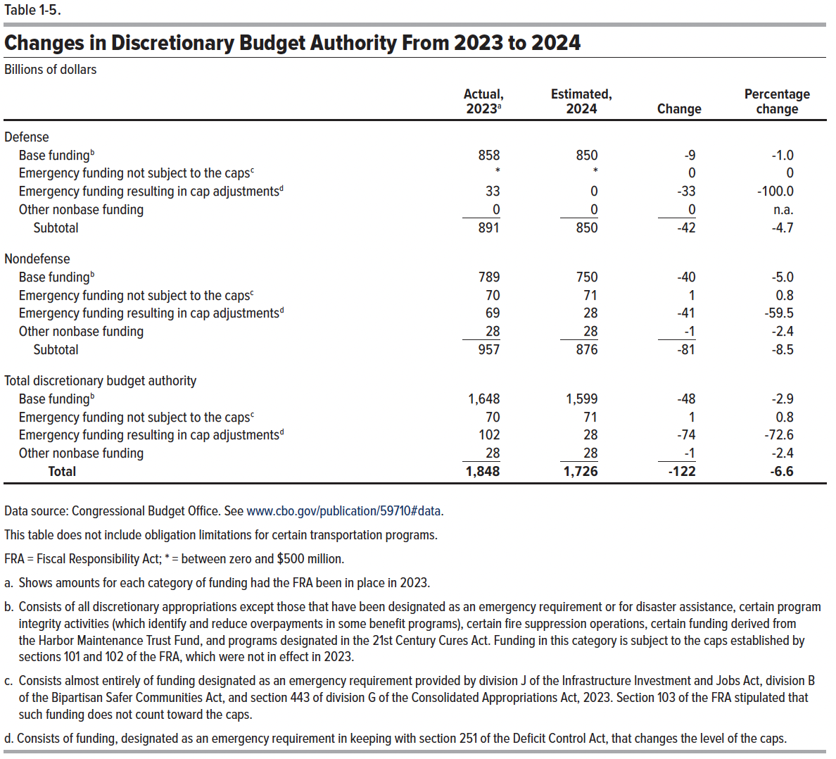
Table 1-5. Changes in Discretionary Budget Authority From 2023 to 2024
Billions of dollars

 | Actual, 2023 | Estimated, 2024 |  | Percentage change
 |  |  | Change

Defense
Base funding | 858 | 850 | -9 | -1.0
Emergency spending not subject to the caps | 0 | 0 | 0 | 0
Emergency spending resulting in cap adjustments | 33 | 0 | -33 | -100.0
Other nonbase funding | 0 | 0 | 0 | n/a
 | _____ | _____ | _____
Subtotal | 891 | 850 | -42 | -4.7

Nondefense
Base funding | 789 | 750 | -40 | -5.0
Emergency spending not subject to the caps | 70 | 71 | 1 | 0.8
Emergency spending resulting in cap adjustments | 69 | 28 | -41 | -59.5
Other nonbase funding | 28 | 28 | -1 | -2.4
 | _____ | _____ | _____
Subtotal | 957 | 876 | -81 | -8.5

Total discretionary budget authority
Base funding | 1,648 | 1,599 | -48 | -2.9
Emergency spending not subject to the caps | 70 | 71 | 1 | 0.8
Emergency spending resulting in cap adjustments | 102 | 28 | -74 | -72.6
Other nonbase funding | 28 | 28 | -1 | -2.4
 | _____ | _____ | _____
Total | 1,848 | 1,726 | -122 | -6.6

Back to Table of Contents

Table 1-6
This file presents data from the tables in CBO’s February 2024 report The Budget and Economic Outlook: 2024 to 2034 and provides supplemental data.
www.cbo.gov/publication/59710

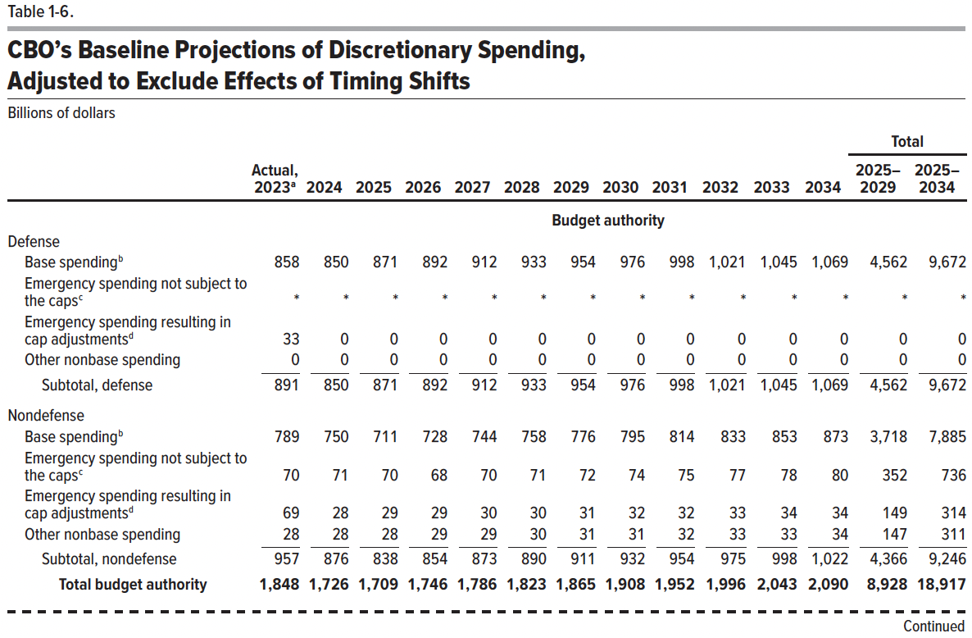
Table 1-6. CBO's Baseline Projections of Discretionary Spending, Adjusted to Exclude Effects of Timing Shifts
Billions of dollars

 |  |  |  |  |  |  |  |  |  |  |  |  | Total
 | Actual, |  |  |  |  |  |  |  |  |  |  |  | 2023‒ | 2023‒
 | 2023 | 2024 | 2025 | 2026 | 2027 | 2028 | 2029 | 2030 | 2031 | 2032 | 2033 | 2034 | 2029 | 2034
 | Budget authority
Defense
Base spending | 858 | 850 | 871 | 892 | 912 | 933 | 954 | 976 | 998 | 1021 | 1045 | 1069 | 4,562 | 9,672
Emergency spending not subject to the caps | 0 | 0 | 0 | 0 | 0 | 0 | 0 | 0 | 0 | 0 | 0 | 0 | 0 | 0
Emergency spending resulting in cap adjustments | 33 | 0 | 0 | 0 | 0 | 0 | 0 | 0 | 0 | 0 | 0 | 0 | 0 | 0
Other nonbase spending | 0 | 0 | 0 | 0 | 0 | 0 | 0 | 0 | 0 | 0 | 0 | 0 | 0 | 0
Subtotal, defense | 891 | 850 | 871 | 892 | 912 | 933 | 954 | 976 | 998 | 1,021 | 1,045 | 1,069 | 4,562 | 9,672
Nondefense
Base spending | 789 | 750 | 711 | 728 | 744 | 758 | 776 | 795 | 814 | 833 | 853 | 873 | 3,718 | 7,885
Emergency spending not subject to the caps | 70 | 71 | 70 | 68 | 70 | 71 | 72 | 74 | 75 | 77 | 78 | 80 | 352 | 736
Emergency spending resulting in cap adjustments | 69 | 28 | 29 | 29 | 30 | 30 | 31 | 32 | 32 | 33 | 34 | 34 | 149 | 314
Other nonbase spending | 28 | 28 | 28 | 29 | 29 | 30 | 31 | 31 | 32 | 33 | 33 | 34 | 147 | 311
Subtotal, nondefense | 957 | 876 | 838 | 854 | 873 | 890 | 911 | 932 | 954 | 975 | 998 | 1,022 | 4,366 | 9,246
Total budget authority | 1,848 | 1,726 | 1,709 | 1,746 | 1,786 | 1,823 | 1,865 | 1,908 | 1,952 | 1,996 | 2,043 | 2,090 | 8,928 | 18,917
 | Outlays
Defense
Base spending | 805 | 822 | 845 | 869 | 888 | 907 | 926 | 946 | 966 | 988 | 1,011 | 1,034 | 4,435 | 9,381
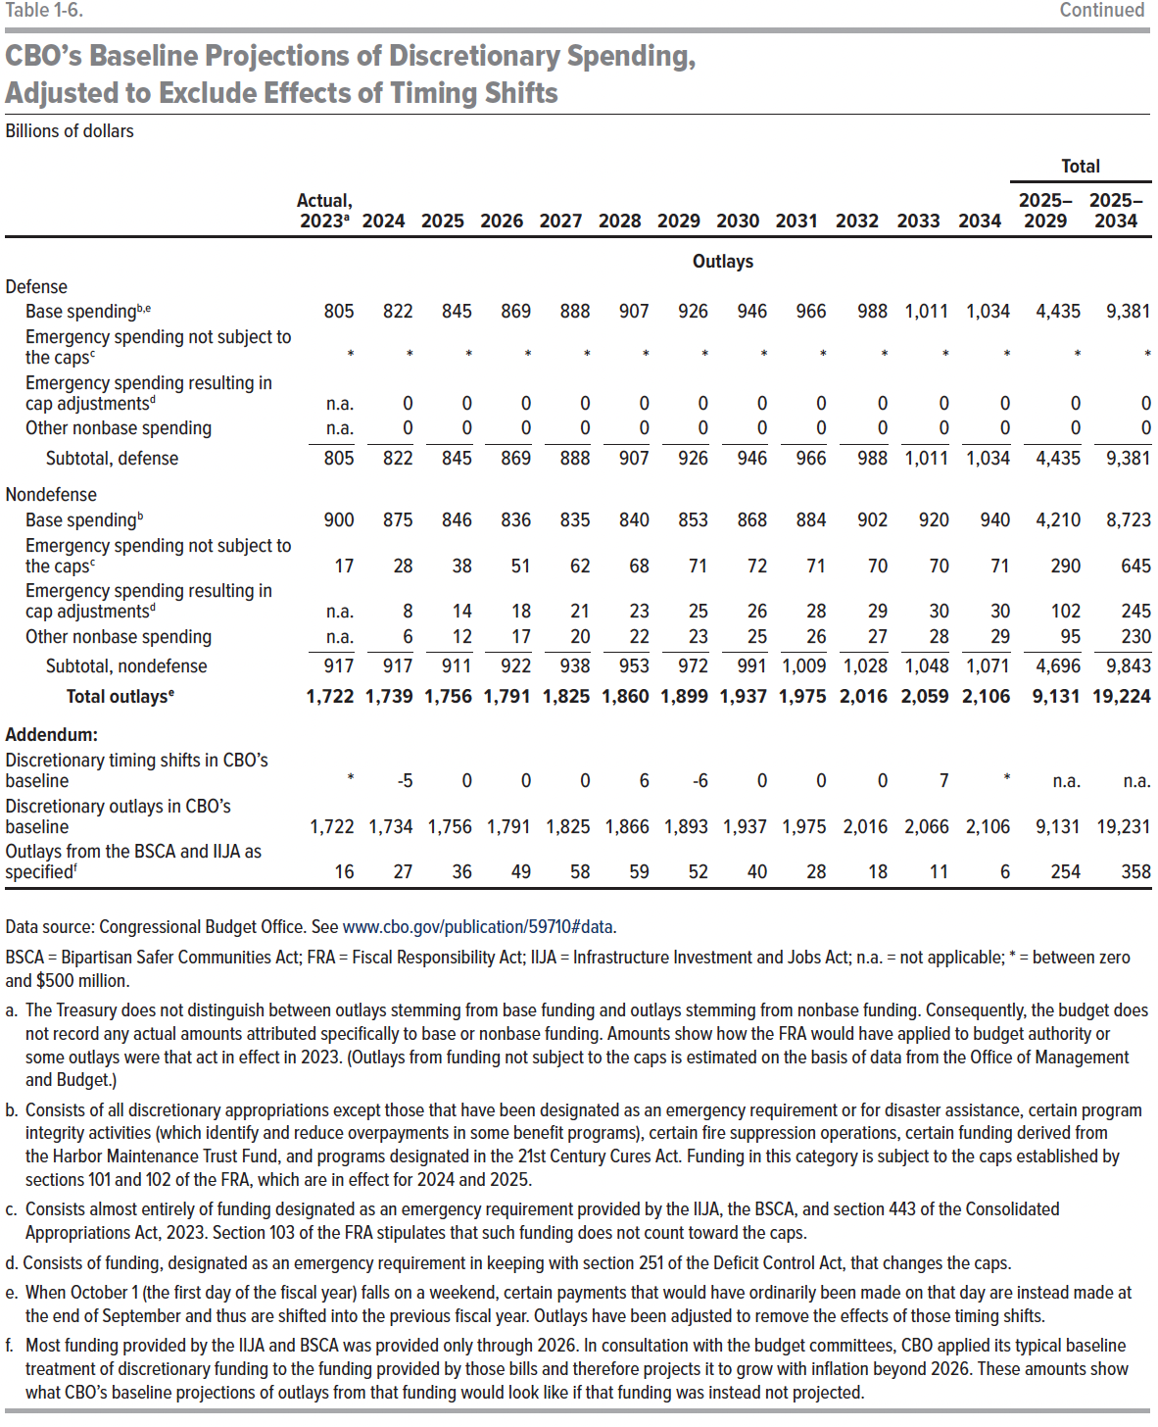
Emergency spending not subject to the caps | 0 | 0 | 0 | 0 | 0 | 0 | 0 | 0 | 0 | 0 | 0 | 0 | 0 | 0
Emergency spending resulting in cap adjustments | n.a. | 0 | 0 | 0 | 0 | 0 | 0 | 0 | 0 | 0 | 0 | 0 | 0 | 0
Other nonbase spending | n.a. | 0 | 0 | 0 | 0 | 0 | 0 | 0 | 0 | 0 | 0 | 0 | 0 | 0
Subtotal, defense | 805 | 822 | 845 | 869 | 888 | 907 | 926 | 946 | 966 | 988 | 1,011 | 1,034 | 0 | 9,381
Nondefense
Base spending | 900 | 875 | 846 | 836 | 835 | 840 | 853 | 868 | 884 | 902 | 920 | 940 | 4,210 | 8,723
Emergency spending not subject to the caps | 17 | 28 | 38 | 51 | 62 | 68 | 71 | 72 | 71 | 70 | 70 | 71 | 290 | 645
Emergency spending resulting in cap adjustments | n.a. | 8 | 14 | 18 | 21 | 23 | 25 | 26 | 28 | 29 | 30 | 30 | 102 | 245
Other nonbase spending | n.a. | 6 | 12 | 17 | 20 | 22 | 23 | 25 | 26 | 27 | 28 | 29 | 95 | 230
Subtotal, nondefense | 917 | 917 | 911 | 922 | 938 | 953 | 972 | 991 | 1,009 | 1,028 | 1,048 | 1,071 | 4,696 | 9,843
Total outlays | 1,722 | 1,739 | 1,756 | 1,791 | 1,825 | 1,860 | 1,899 | 1,937 | 1,975 | 2,016 | 2,059 | 2,106 | 9,131 | 19,224
Addendum:
Discretionary timing shifts in CBO's baseline | 0 | -5 | 0 | 0 | 0 | 6 | -6 | 0 | 0 | 0 | 7 | 0 | 0 | 7
Discretionary outlays in CBO's baseline | 1,722 | 1,734 | 1,756 | 1,791 | 1,825 | 1,866 | 1,893 | 1,937 | 1,975 | 2,016 | 2,066 | 2,106 | 9,131 | 19,231
Outlays from BSCA and IIJA as specified | 17 | 27 | 36 | 49 | 58 | 59 | 52 | 40 | 28 | 18 | 11 | 6 | 254 | 358

Back to Table of Contents

Table 1-7
This file presents data from the tables in CBO’s February 2024 report The Budget and Economic Outlook: 2024 to 2034 and provides supplemental data.
www.cbo.gov/publication/59710

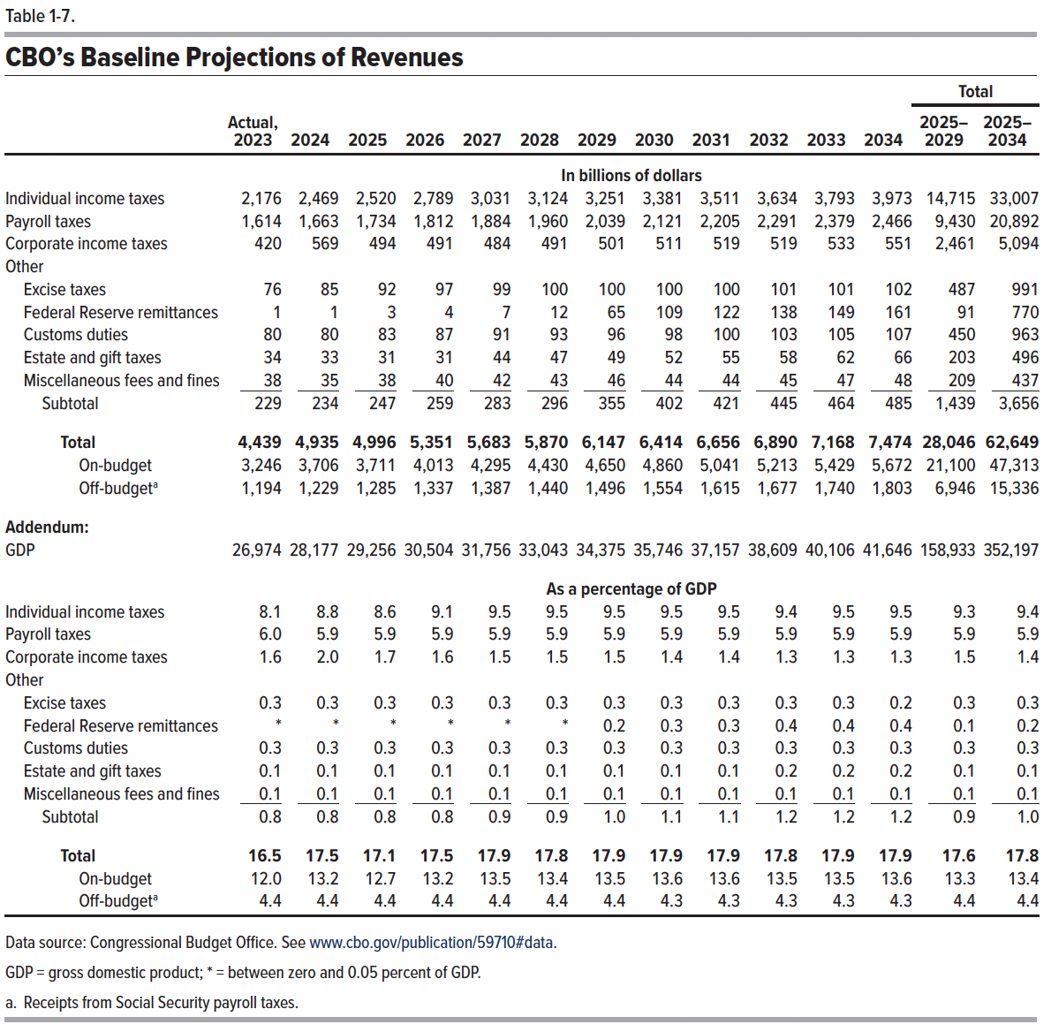
Table 1-7. CBO's Baseline Projections of Revenues

 |  |  |  |  |  |  |  |  |  |  |  |  | Total
 | Actual, 2023 | 2024 | 2025 | 2026 | 2027 | 2028 | 2029 | 2030 | 2031 | 2032 | 2033 | 2034 | 2025– 2029 | 2025– 2034
 | In billions of dollars
Individual income taxes | 2,176 | 2,469 | 2,520 | 2,789 | 3,031 | 3,124 | 3,251 | 3,381 | 3,511 | 3,634 | 3,793 | 3,973 | 14,715 | 33,007
Payroll taxes | 1,614 | 1,663 | 1,734 | 1,812 | 1,884 | 1,960 | 2,039 | 2,121 | 2,205 | 2,291 | 2,379 | 2,466 | 9,430 | 20,892
Corporate income taxes | 420 | 569 | 494 | 491 | 484 | 491 | 501 | 511 | 519 | 519 | 533 | 551 | 2,461 | 5,094
Other
Excise taxes | 76 | 85 | 92 | 97 | 99 | 100 | 100 | 100 | 100 | 101 | 101 | 102 | 487 | 991
Federal Reserve remittances | 1 | 1 | 3 | 4 | 7 | 12 | 65 | 109 | 122 | 138 | 149 | 161 | 91 | 770
Customs duties | 80 | 80 | 83 | 87 | 91 | 93 | 96 | 98 | 100 | 103 | 105 | 107 | 450 | 963
Estate and gift taxes | 34 | 33 | 31 | 31 | 44 | 47 | 49 | 52 | 55 | 58 | 62 | 66 | 203 | 496
Miscellaneous fees and fines | 38 | 35 | 38 | 40 | 42 | 43 | 46 | 44 | 44 | 45 | 47 | 48 | 209 | 437
Subtotal | 229 | 234 | 247 | 259 | 283 | 296 | 355 | 402 | 421 | 445 | 464 | 485 | 1,439 | 3,656
Total | 4,439 | 4,935 | 4,996 | 5,351 | 5,683 | 5,870 | 6,147 | 6,414 | 6,656 | 6,890 | 7,168 | 7,474 | 28,046 | 62,649
On-budget | 3,246 | 3,706 | 3,711 | 4,013 | 4,295 | 4,430 | 4,650 | 4,860 | 5,041 | 5,213 | 5,429 | 5,672 | 21,100 | 47,313
Off-budget | 1,194 | 1,229 | 1,285 | 1,337 | 1,387 | 1,440 | 1,496 | 1,554 | 1,615 | 1,677 | 1,740 | 1,803 | 6,946 | 15,336

Addendum:
GDP | 26,974 | 28,177 | 29,256 | 30,504 | 31,756 | 33,043 | 34,375 | 35,746 | 37,157 | 38,609 | 40,106 | 41,646 | 158,933 | 352,197

 | As a percentage of gross domestic product
Individual income taxes | 8.1 | 8.8 | 8.6 | 9.1 | 9.5 | 9.5 | 9.5 | 9.5 | 9.5 | 9.4 | 9.5 | 9.5 | 9.3 | 9.4
Payroll taxes | 6.0 | 5.9 | 5.9 | 5.9 | 5.9 | 5.9 | 5.9 | 5.9 | 5.9 | 5.9 | 5.9 | 5.9 | 5.9 | 5.9
Corporate income taxes | 1.6 | 2.0 | 1.7 | 1.6 | 1.5 | 1.5 | 1.5 | 1.4 | 1.4 | 1.3 | 1.3 | 1.3 | 1.5 | 1.4
Other
Excise taxes | 0.3 | 0.3 | 0.3 | 0.3 | 0.3 | 0.3 | 0.3 | 0.3 | 0.3 | 0.3 | 0.3 | 0.2 | 0.3 | 0.3
Federal Reserve remittances | 0 | 0 | 0 | 0 | 0 | 0 | 0.2 | 0.3 | 0.3 | 0.4 | 0.4 | 0.4 | 0.1 | 0.2
Customs duties | 0.3 | 0.3 | 0.3 | 0.3 | 0.3 | 0.3 | 0.3 | 0.3 | 0.3 | 0.3 | 0.3 | 0.3 | 0.3 | 0.3
Estate and gift taxes | 0.1 | 0.1 | 0.1 | 0.1 | 0.1 | 0.1 | 0.1 | 0.1 | 0.1 | 0.2 | 0.2 | 0.2 | 0.1 | 0.1
Miscellaneous fees and fines | 0.1 | 0.1 | 0.1 | 0.1 | 0.1 | 0.1 | 0.1 | 0.1 | 0.1 | 0.1 | 0.1 | 0.1 | 0.1 | 0.1
Subtotal | 0.8 | 0.8 | 0.8 | 0.8 | 0.9 | 0.9 | 1.0 | 1.1 | 1.1 | 1.2 | 1.2 | 1.2 | 0.9 | 1.0
Total | 16.5 | 17.5 | 17.1 | 17.5 | 17.9 | 17.8 | 17.9 | 17.9 | 17.9 | 17.8 | 17.9 | 17.9 | 17.6 | 17.8
On-budget | 12.0 | 13.2 | 12.7 | 13.2 | 13.5 | 13.4 | 13.5 | 13.6 | 13.6 | 13.5 | 13.5 | 13.6 | 13.3 | 13.4
Off-budget | 4.4 | 4.4 | 4.4 | 4.4 | 4.4 | 4.4 | 4.4 | 4.3 | 4.3 | 4.3 | 4.3 | 4.3 | 4.4 | 4.4

Back to Table of Contents

Table 1-8
This file presents data from the tables in CBO’s February 2024 report The Budget and Economic Outlook: 2024 to 2034 and provides supplemental data.
www.cbo.gov/publication/59710

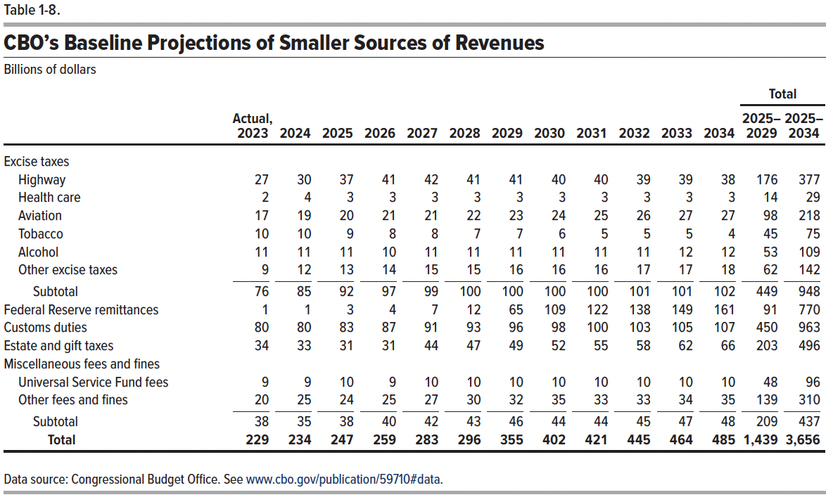
Table 1-8. CBO's Baseline Projections of Smaller Sources of Revenues
Billions of dollars
 |  |  |  |  |  |  |  |  |  |  |  |  | Total
 | Actual, 2023 | 2024 | 2025 | 2026 | 2027 | 2028 | 2029 | 2030 | 2031 | 2032 | 2033 | 2034 | 2025– 2029 | 2025– 2034
Excise taxes
Highway | 27 | 30 | 37 | 41 | 42 | 41 | 41 | 40 | 40 | 39 | 39 | 38 | 176 | 377
Health care | 2 | 4 | 3 | 3 | 3 | 3 | 3 | 3 | 3 | 3 | 3 | 3 | 14 | 29
Aviation | 17 | 19 | 20 | 21 | 21 | 22 | 23 | 24 | 25 | 26 | 27 | 27 | 98 | 218
Tobacco | 10 | 10 | 9 | 8 | 8 | 7 | 7 | 6 | 5 | 5 | 5 | 4 | 45 | 75
Alcohol | 11 | 11 | 11 | 10 | 11 | 11 | 11 | 11 | 11 | 11 | 12 | 12 | 53 | 109
Other excise taxes | 9 | 12 | 13 | 14 | 15 | 15 | 16 | 16 | 16 | 17 | 17 | 18 | 62 | 142
Subtotal | 76 | 85 | 92 | 97 | 99 | 100 | 100 | 100 | 100 | 101 | 101 | 102 | 449 | 948
Federal Reserve remittances | 1 | 1 | 3 | 4 | 7 | 12 | 65 | 109 | 122 | 138 | 149 | 161 | 91 | 770
Customs duties | 80 | 80 | 83 | 87 | 91 | 93 | 96 | 98 | 100 | 103 | 105 | 107 | 450 | 963
Estate and gift taxes | 34 | 33 | 31 | 31 | 44 | 47 | 49 | 52 | 55 | 58 | 62 | 66 | 203 | 496
Miscellaneous fees and fines
Universal Service Fund fees | 9 | 9 | 10 | 9 | 10 | 10 | 10 | 10 | 10 | 10 | 10 | 10 | 48 | 96
Other fees and fines | 20 | 25 | 24 | 25 | 27 | 30 | 32 | 35 | 33 | 33 | 34 | 35 | 139 | 310
Subtotal | 38 | 35 | 38 | 40 | 42 | 43 | 46 | 44 | 44 | 45 | 47 | 48 | 209 | 437
Total | 229 | 234 | 247 | 259 | 283 | 296 | 355 | 402 | 421 | 445 | 464 | 485 | 1,439 | 3,656

Back to Table of Contents

Box 1-1 Table
This file presents data from the tables in CBO’s February 2024 report The Budget and Economic Outlook: 2024 to 2034 and provides supplemental data.
www.cbo.gov/publication/59710

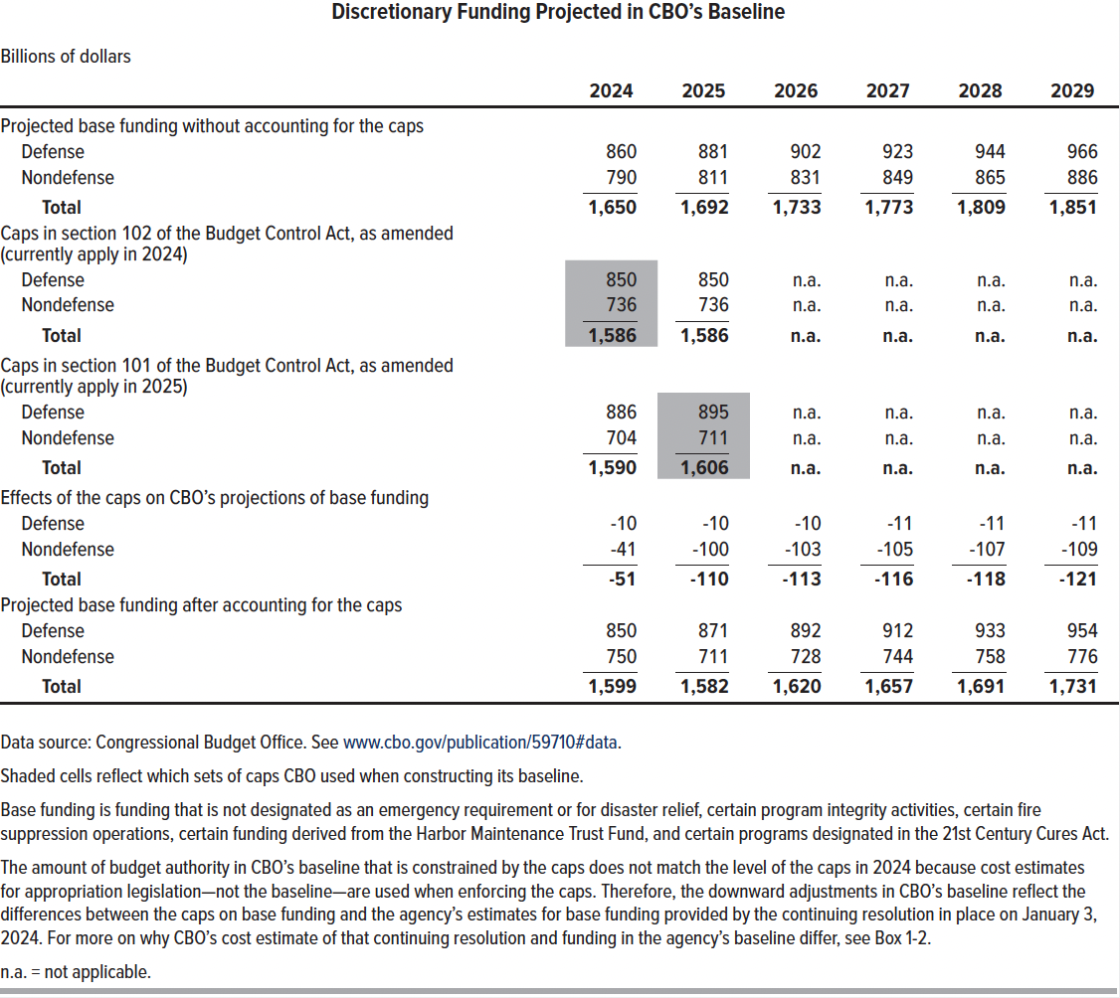
Table for Box 1-1. Discretionary Funding Projected in CBO's Baseline
Billions of dollars

 | 2024 | 2025 | 2026 | 2027 | 2028 | 2029
Projected base funding without accounting for the caps
Defense | 860 | 881 | 902 | 923 | 944 | 966
Nondefense | 790 | 811 | 831 | 849 | 865 | 886
Total | 1,650 | 1,692 | 1,733 | 1,773 | 1,809 | 1,851

Caps in section 102 of the Budget Control Act, as amended (currently apply in 2024)
Defense | 850 | 850 | n.a. | n.a. | n.a. | n.a.
Nondefense | 736 | 736 | n.a. | n.a. | n.a. | n.a.
Total | 1,586 | 1,586 | n.a. | n.a. | n.a. | n.a.

Caps in section 101 of the Budget Control Act, as amended (currently apply in 2025)
Defense | 886 | 895 | n.a. | n.a. | n.a. | n.a.
Nondefense | 704 | 711 | n.a. | n.a. | n.a. | n.a.
Total | 1,590 | 1,606 | n.a. | n.a. | n.a. | n.a.

Effect of the caps on CBO's projections of base funding
Defense | -10 | -10 | -10 | -11 | -11 | -11
Nondefense | -41 | -100 | -103 | -105 | -107 | -109
Total | -51 | -110 | -113 | -116 | -118 | -121

Projected base funding after accounting for the caps
Defense | 850 | 871 | 892 | 912 | 933 | 954
Nondefense | 750 | 711 | 728 | 744 | 758 | 776
Total | 1,599 | 1,582 | 1,620 | 1,657 | 1,691 | 1,731

Back to Table of Contents

Box 1-2 Table
This file presents data from the tables in CBO’s February 2024 report The Budget and Economic Outlook: 2024 to 2034 and provides supplemental data.
www.cbo.gov/publication/59710

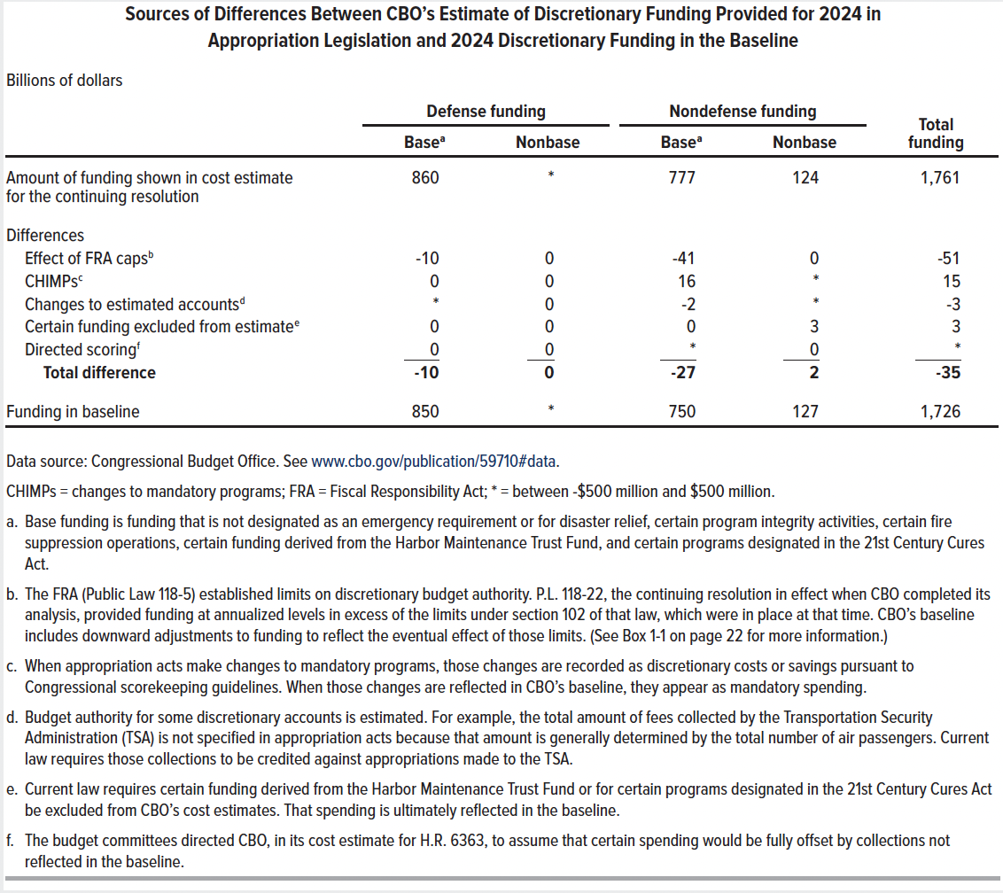
Table for Box 1-2. Sources of Differences Between CBO's Estimate of Discretionary Funding Provided for 2024 in Appropriation Legislation and 2024 Discretionary Funding in the Baseline
Billions of dollars
 |  |  | Nondefense funding |  | Defense funding |  | Total funding, 2024
 |  |  | Base | Nonbase | Base | Nonbase
Amount of funding shown in cost estimate for H.R. 6363 |  |  | 777 | 124 | 860 | 0 | 1,761

Differences
 | Effect of FRA caps |  | -41 | 0 | -10 | 0 | -51
 | CHIMPs |  | 16 | 0 | 0 | 0 | 15
 | Changes to estimated accounts |  | -2 | 0 | 0 | 0 | -3
 | Certain funding excluded from estimate |  | 0 | 3 | 0 | 0 | 3
 | Directed scoring |  | 0 | 0 | 0 | 0 | 0
 |  | Total differences | -27 | 2 | -10 | 0 | -35

Funding in baseline |  |  | 750 | 127 | 850 | 0 | 1,726

Back to Table of Contents

Table 3-1
This file presents data from the tables in CBO’s February 2024 report The Budget and Economic Outlook: 2024 to 2034 and provides supplemental data.
www.cbo.gov/publication/59710

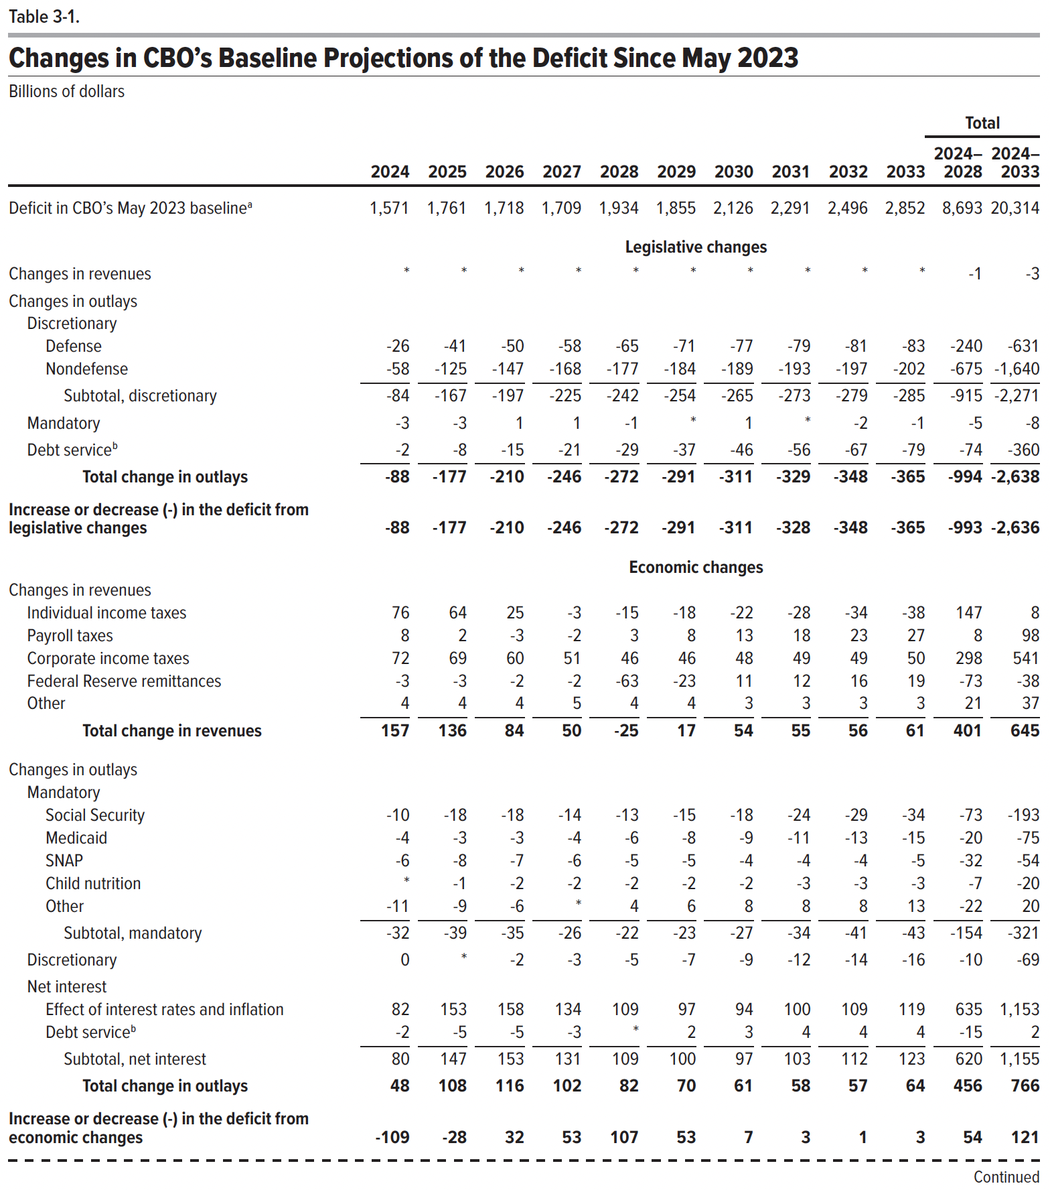
Table 3-1. Changes in CBO's Baseline Projections of the Deficit Since May 2023
Billions of dollars

 |  |  |  |  |  |  |  |  |  |  | Total
 | 2024 | 2025 | 2026 | 2027 | 2028 | 2029 | 2030 | 2031 | 2032 | 2033 | 2024– 2028 | 2024– 2033

Deficit in CBO's May 2023 baseline | 1,571 | 1,761 | 1,718 | 1,709 | 1,934 | 1,855 | 2,126 | 2,291 | 2,496 | 2,852 | 8,693 | 20,314
 | Legislative changes
Changes in revenues | 0 | 0 | 0 | 0 | 0 | 0 | 0 | 0 | 0 | 0 | -1 | -3
Changes in outlays
Discretionary
Defense | -26 | -41 | -50 | -58 | -65 | -71 | -77 | -79 | -81 | -83 | -240 | -631
Nondefense | -58 | -125 | -147 | -168 | -177 | -184 | -189 | -193 | -197 | -202 | -675 | -1,640
Subtotal, discretionary | -84 | -167 | -197 | -225 | -242 | -254 | -265 | -273 | -279 | -285 | -915 | -2,271
Mandatory | -3 | -3 | 1 | 1 | -1 | 0 | 1 | 0 | -2 | -1 | -5 | -8
Debt service | -2 | -8 | -15 | -21 | -29 | -37 | -46 | -56 | -67 | -79 | -74 | -360
Total change in outlays | -88 | -177 | -210 | -246 | -272 | -291 | -311 | -329 | -348 | -365 | -994 | -2,638
Increase or decrease (-) in the deficit from legislative changes | -88 | -177 | -210 | -246 | -272 | -291 | -311 | -328 | -348 | -365 | -993 | -2,636
 | Economic changes
Changes in revenues
Individual income taxes | 76 | 64 | 25 | -3 | -15 | -18 | -22 | -28 | -34 | -38 | 147 | 8
Payroll taxes | 8 | 2 | -3 | -2 | 3 | 8 | 13 | 18 | 23 | 27 | 8 | 98
Corporate income taxes | 72 | 69 | 60 | 51 | 46 | 46 | 48 | 49 | 49 | 50 | 298 | 541
Federal Reserve remittances | -3 | -3 | -2 | -2 | -63 | -23 | 11 | 12 | 16 | 19 | -73 | -38
Other | 4 | 4 | 4 | 5 | 4 | 4 | 3 | 3 | 3 | 3 | 21 | 37
Total change in revenues | 157 | 136 | 84 | 50 | -25 | 17 | 54 | 55 | 56 | 61 | 401 | 645
Changes in outlays
Mandatory
Social Security | -10 | -18 | -18 | -14 | -13 | -15 | -18 | -24 | -29 | -34 | -73 | -192
Medicaid | -4 | -3 | -3 | -4 | -6 | -8 | -9 | -11 | -13 | -15 | -20 | -75
SNAP | -6 | -8 | -7 | -6 | -5 | -5 | -4 | -4 | -4 | -5 | -32 | -54
Child nutrition | 0 | -1 | -2 | -2 | -2 | -2 | -2 | -3 | -3 | -3 | -7 | -20
Other | -11 | -9 | -6 | 0 | 4 | 6 | 8 | 8 | 8 | 13 | -22 | 20
Subtotal, mandatory | -32 | -39 | -35 | -26 | -22 | -23 | -27 | -34 | -41 | -43 | -154 | -321
Discretionary | 0 | 0 | -2 | -3 | -5 | -7 | -9 | -12 | -14 | -16 | -10 | -69
Net interest
Effect of interest rates and inflation | 82 | 153 | 158 | 134 | 109 | 97 | 94 | 100 | 109 | 119 | 635 | 1,153
Debt service | -2 | -5 | -5 | -3 | 0 | 2 | 3 | 4 | 4 | 4 | -15 | 2
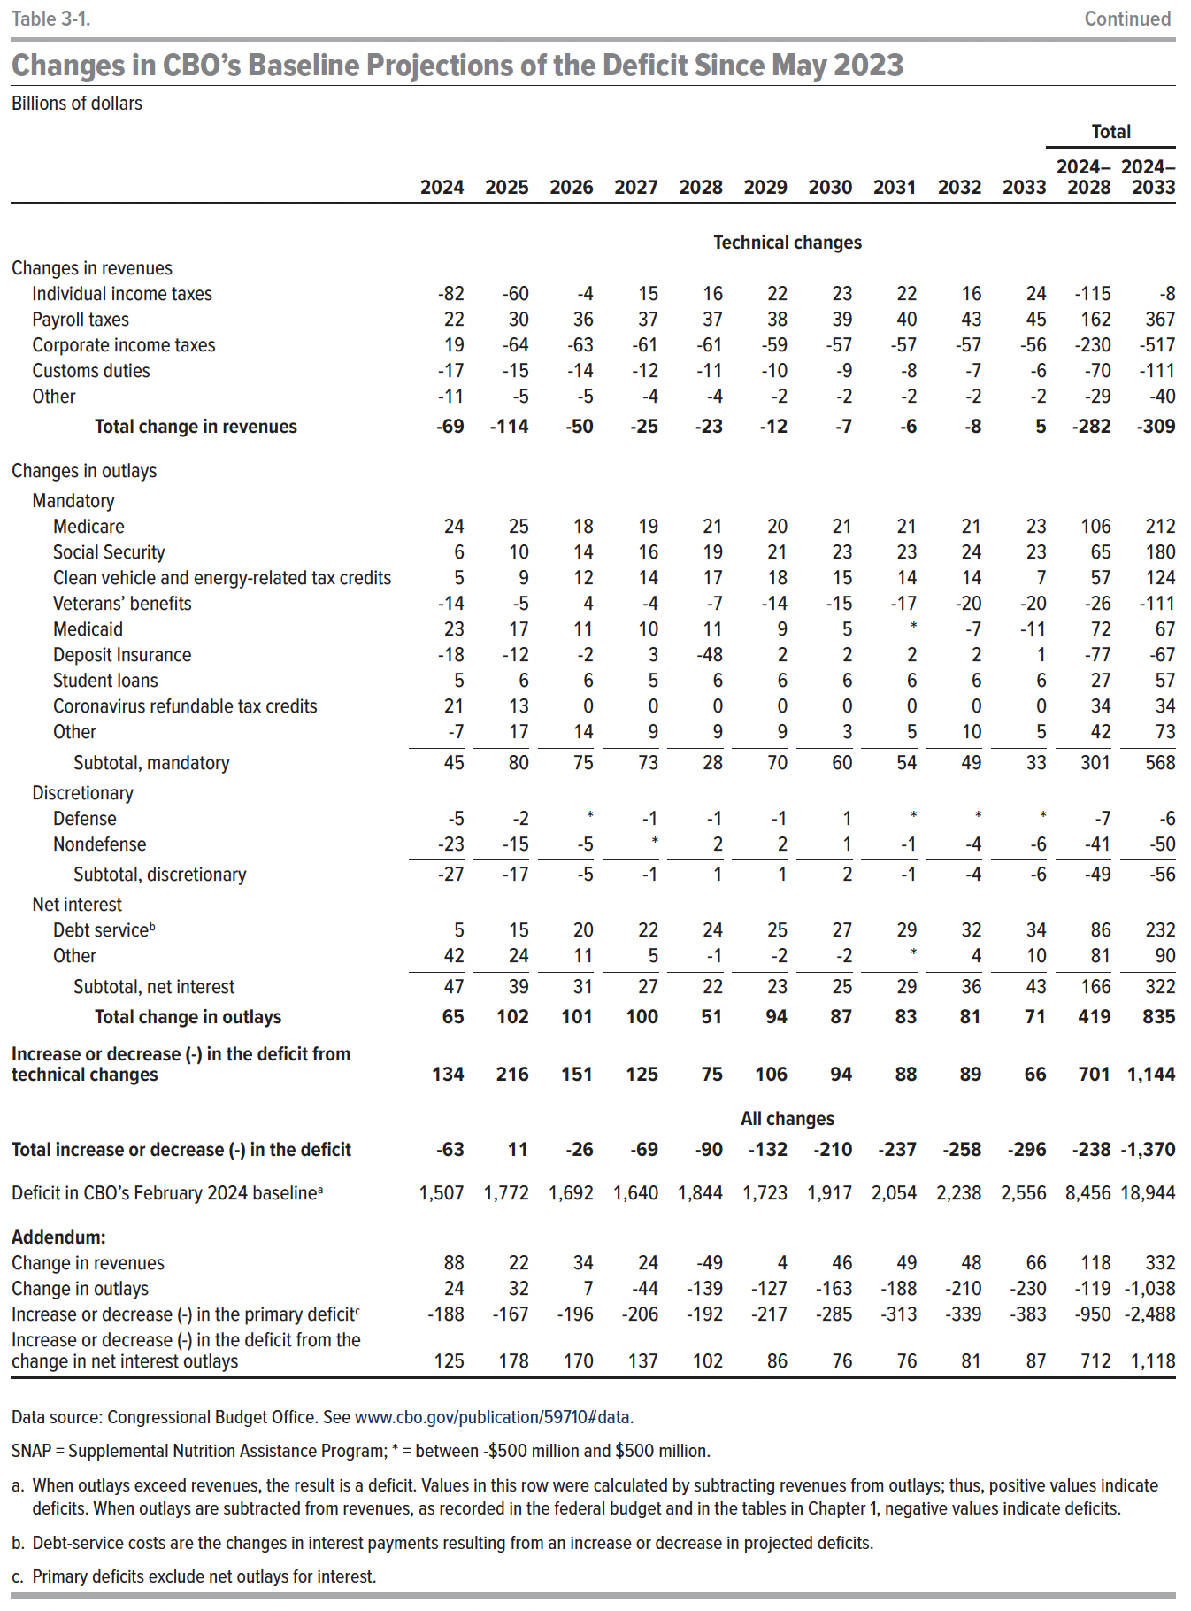
Subtotal, net interest | 80 | 147 | 153 | 131 | 109 | 100 | 97 | 103 | 112 | 123 | 620 | 1,155
Total change in outlays | 48 | 108 | 116 | 102 | 82 | 70 | 61 | 58 | 57 | 64 | 456 | 766
Increase or decrease (-) in the deficit from economic changes | -109 | -28 | 32 | 53 | 107 | 53 | 7 | 3 | 1 | 3 | 54 | 121
 | Technical changes
Changes in revenues
Individual income taxes | -82 | -60 | -4 | 15 | 16 | 22 | 23 | 22 | 16 | 24 | -115 | -8
Payroll taxes | 22 | 30 | 36 | 37 | 37 | 38 | 39 | 40 | 43 | 45 | 162 | 367
Corporate income taxes | 19 | -64 | -63 | -61 | -61 | -59 | -57 | -57 | -57 | -56 | -230 | -517
Customs duties | -17 | -15 | -14 | -12 | -11 | -10 | -9 | -8 | -7 | -6 | -70 | -111
Other | -11 | -5 | -5 | -4 | -4 | -2 | -2 | -2 | -2 | -2 | -29 | -40
Total change in revenues | -69 | -114 | -50 | -25 | -23 | -12 | -7 | -6 | -8 | 5 | -282 | -309
Changes in outlays
Mandatory
Medicare | 24 | 25 | 18 | 19 | 21 | 20 | 21 | 21 | 21 | 23 | 106 | 212
Social Security | 6 | 10 | 14 | 16 | 19 | 21 | 23 | 23 | 24 | 23 | 65 | 180
Clean vehicle and energy-related tax credits | 5 | 9 | 12 | 14 | 17 | 18 | 15 | 14 | 14 | 7 | 57 | 124
Veterans' benefits | -14 | -5 | 4 | -4 | -7 | -14 | -15 | -17 | -20 | -20 | -26 | -111
Medicaid | 23 | 17 | 11 | 10 | 11 | 9 | 5 | 0 | -7 | -11 | 72 | 67
Deposit Insurance | -18 | -12 | -2 | 3 | -48 | 2 | 2 | 2 | 2 | 1 | -77 | -67
Student loans | 5 | 6 | 6 | 5 | 6 | 6 | 6 | 6 | 6 | 6 | 27 | 57
Coronavirus refundable tax credits | 21 | 13 | 0 | 0 | 0 | 0 | 0 | 0 | 0 | 0 | 34 | 34
Other | -7 | 17 | 14 | 9 | 9 | 9 | 3 | 5 | 10 | 5 | 42 | 73
Subtotal, mandatory | 45 | 80 | 75 | 73 | 28 | 70 | 60 | 54 | 49 | 33 | 301 | 568
Discretionary
Defense | -5 | -2 | 0 | -1 | -1 | -1 | 1 | 0 | 0 | 0 | -7 | -6
Nondefense | -23 | -15 | -5 | 0 | 2 | 2 | 1 | -1 | -4 | -6 | -41 | -50
Subtotal, discretionary | -27 | -17 | -5 | -1 | 1 | 1 | 2 | -1 | -4 | -6 | -49 | -56
Net interest
Debt service | 5 | 15 | 20 | 22 | 24 | 25 | 27 | 29 | 32 | 34 | 86 | 232
Other | 42 | 24 | 11 | 5 | -1 | -2 | -2 | 0 | 4 | 10 | 81 | 90
Subtotal, net interest | 47 | 39 | 31 | 27 | 22 | 23 | 25 | 29 | 36 | 43 | 166 | 322
Total change in outlays | 65 | 102 | 101 | 100 | 51 | 94 | 87 | 83 | 81 | 71 | 419 | 835
Increase or decrease (-) in the deficit from technical changes | 134 | 216 | 151 | 125 | 75 | 106 | 94 | 88 | 89 | 66 | 701 | 1,144
 | All Changes
Total increase or decrease (-) in the deficit | -63 | 11 | -26 | -69 | -90 | -132 | -210 | -237 | -258 | -296 | -238 | -1,370
Deficit in CBO's February 2024 baseline | 1,507 | 1,772 | 1,692 | 1,640 | 1,844 | 1,723 | 1,917 | 2,054 | 2,238 | 2,556 | 8,456 | 18,944
Addendum:
Changes in revenues | 88 | 22 | 34 | 24 | -49 | 4 | 46 | 49 | 48 | 66 | 118 | 332
Changes in outlays | 24 | 32 | 7 | -44 | -139 | -127 | -163 | -188 | -210 | -230 | -119 | -1,038
Increase or decrease (-) in the primary deficit | -188 | -167 | -196 | -206 | -192 | -217 | -285 | -313 | -339 | -383 | -950 | -2,488
Increase or decrease (-) in the deficit from the change in net interest outlays | 125 | 178 | 170 | 137 | 102 | 86 | 76 | 76 | 81 | 87 | 712 | 1,118

Back to Table of Contents

