Table 1-1
This file presents data that supplement CBO’s February 2026 report The Budget and Economic Outlook: 2026 to 2036.
www.cbo.gov/publication/61882

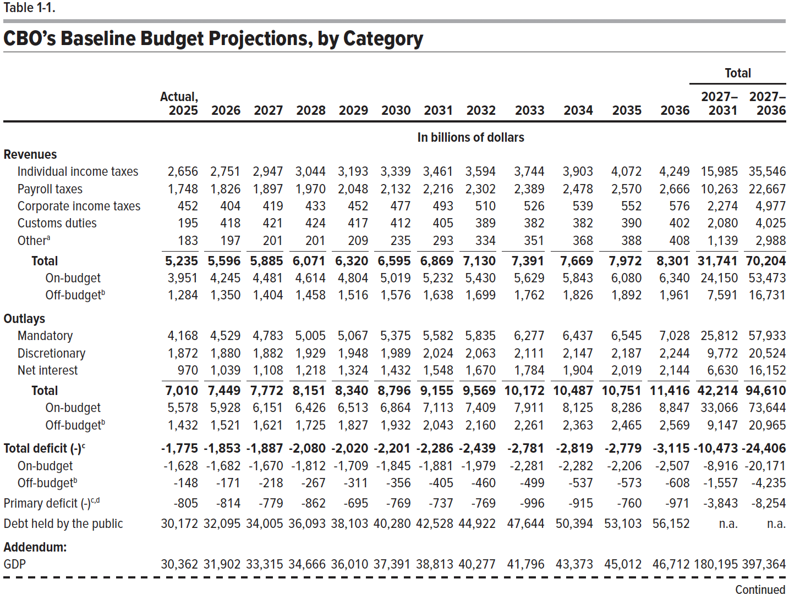
Table 1-1. CBO's Baseline Budget Projections, by Category

 |  |  |  |  |  |  |  |  |  |  |  |  | Total
 | Actual, |  |  |  |  |  |  |  |  |  |  |  | 2027– 2031 | 2027– 2036
 | 2025 | 2026 | 2027 | 2028 | 2029 | 2030 | 2031 | 2032 | 2033 | 2034 | 2035 | 2036
 | In billions of dollars
Revenues
Individual income taxes | 2,656 | 2,751 | 2,947 | 3,044 | 3,193 | 3,339 | 3,461 | 3,594 | 3,744 | 3,903 | 4,072 | 4,249 | 15,985 | 35,546
Payroll taxes | 1,748 | 1,826 | 1,897 | 1,970 | 2,048 | 2,132 | 2,216 | 2,302 | 2,389 | 2,478 | 2,570 | 2,666 | 10,263 | 22,667
Corporate income taxes | 452 | 404 | 419 | 433 | 452 | 477 | 493 | 510 | 526 | 539 | 552 | 576 | 2,274 | 4,977
Customs duties | 195 | 418 | 421 | 424 | 417 | 412 | 405 | 389 | 382 | 382 | 390 | 402 | 2,080 | 4,025
Other | 183 | 197 | 201 | 201 | 209 | 235 | 293 | 334 | 351 | 368 | 388 | 408 | 1,139 | 2,988
Total | 5,235 | 5,596 | 5,885 | 6,071 | 6,320 | 6,595 | 6,869 | 7,130 | 7,391 | 7,669 | 7,972 | 8,301 | 31,741 | 70,204
On-budget | 3,951 | 4,245 | 4,481 | 4,614 | 4,804 | 5,019 | 5,232 | 5,430 | 5,629 | 5,843 | 6,080 | 6,340 | 24,150 | 53,473
Off-budget | 1,284 | 1,350 | 1,404 | 1,458 | 1,516 | 1,576 | 1,638 | 1,699 | 1,762 | 1,826 | 1,892 | 1,961 | 7,591 | 16,731
Outlays
Mandatory | 4,168 | 4,529 | 4,783 | 5,005 | 5,067 | 5,375 | 5,582 | 5,835 | 6,277 | 6,437 | 6,545 | 7,028 | 25,812 | 57,933
Discretionary | 1,872 | 1,880 | 1,882 | 1,929 | 1,948 | 1,989 | 2,024 | 2,063 | 2,111 | 2,147 | 2,187 | 2,244 | 9,772 | 20,524
Net interest | 970 | 1,039 | 1,108 | 1,218 | 1,324 | 1,432 | 1,548 | 1,670 | 1,784 | 1,904 | 2,019 | 2,144 | 6,630 | 16,152
Total | 7,010 | 7,449 | 7,772 | 8,151 | 8,340 | 8,796 | 9,155 | 9,569 | 10,172 | 10,487 | 10,751 | 11,416 | 42,214 | 94,610
On-budget | 5,578 | 5,928 | 6,151 | 6,426 | 6,513 | 6,864 | 7,113 | 7,409 | 7,911 | 8,125 | 8,286 | 8,847 | 33,066 | 73,644
Off-budget | 1,432 | 1,521 | 1,621 | 1,725 | 1,827 | 1,932 | 2,043 | 2,160 | 2,261 | 2,363 | 2,465 | 2,569 | 9,147 | 20,965
Total deficit (-) | -1,775 | -1,853 | -1,887 | -2,080 | -2,020 | -2,201 | -2,286 | -2,439 | -2,781 | -2,819 | -2,779 | -3,115 | -10,473 | -24,406
On-budget | -1,628 | -1,682 | -1,670 | -1,812 | -1,709 | -1,845 | -1,881 | -1,979 | -2,281 | -2,282 | -2,206 | -2,507 | -8,916 | -20,171
Off-budget | -148 | -171 | -218 | -267 | -311 | -356 | -405 | -460 | -499 | -537 | -573 | -608 | -1,557 | -4,235
Primary deficit (-) | -805 | -814 | -779 | -862 | -695 | -769 | -737 | -769 | -996 | -915 | -760 | -971 | -3,843 | -8,254
Debt held by the public | 30,172 | 32,095 | 34,005 | 36,093 | 38,103 | 40,280 | 42,528 | 44,922 | 47,644 | 50,394 | 53,103 | 56,152 | n.a. | n.a.
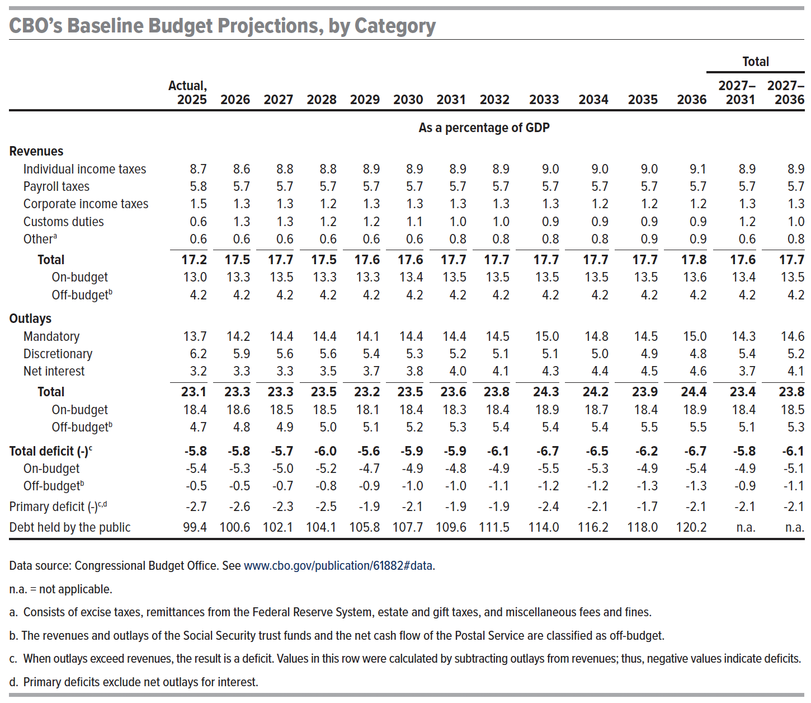
Addendum:
GDP | 30,362 | 31,902 | 33,315 | 34,666 | 36,010 | 37,391 | 38,813 | 40,277 | 41,796 | 43,373 | 45,012 | 46,712 | 180,195 | 397,364
 | As a percentage of GDP
Revenues
Individual income taxes | 8.7 | 8.6 | 8.8 | 8.8 | 8.9 | 8.9 | 8.9 | 8.9 | 9.0 | 9.0 | 9.0 | 9.1 | 8.9 | 8.9
Payroll taxes | 5.8 | 5.7 | 5.7 | 5.7 | 5.7 | 5.7 | 5.7 | 5.7 | 5.7 | 5.7 | 5.7 | 5.7 | 5.7 | 5.7
Corporate income taxes | 1.5 | 1.3 | 1.3 | 1.2 | 1.3 | 1.3 | 1.3 | 1.3 | 1.3 | 1.2 | 1.2 | 1.2 | 1.3 | 1.3
Customs duties | 0.6 | 1.3 | 1.3 | 1.2 | 1.2 | 1.1 | 1.0 | 1.0 | 0.9 | 0.9 | 0.9 | 0.9 | 1.2 | 1.0
Other | 0.6 | 0.6 | 0.6 | 0.6 | 0.6 | 0.6 | 0.8 | 0.8 | 0.8 | 0.8 | 0.9 | 0.9 | 0.6 | 0.8
Total | 17.2 | 17.5 | 17.7 | 17.5 | 17.6 | 17.6 | 17.7 | 17.7 | 17.7 | 17.7 | 17.7 | 17.8 | 17.6 | 17.7
On-budget | 13.0 | 13.3 | 13.5 | 13.3 | 13.3 | 13.4 | 13.5 | 13.5 | 13.5 | 13.5 | 13.5 | 13.6 | 13.4 | 13.5
Off-budget | 4.2 | 4.2 | 4.2 | 4.2 | 4.2 | 4.2 | 4.2 | 4.2 | 4.2 | 4.2 | 4.2 | 4.2 | 4.2 | 4.2
Outlays
Mandatory | 13.7 | 14.2 | 14.4 | 14.4 | 14.1 | 14.4 | 14.4 | 14.5 | 15.0 | 14.8 | 14.5 | 15.0 | 14.3 | 14.6
Discretionary | 6.2 | 5.9 | 5.6 | 5.6 | 5.4 | 5.3 | 5.2 | 5.1 | 5.1 | 5.0 | 4.9 | 4.8 | 5.4 | 5.2
Net interest | 3.2 | 3.3 | 3.3 | 3.5 | 3.7 | 3.8 | 4.0 | 4.1 | 4.3 | 4.4 | 4.5 | 4.6 | 3.7 | 4.1
Total | 23.1 | 23.3 | 23.3 | 23.5 | 23.2 | 23.5 | 23.6 | 23.8 | 24.3 | 24.2 | 23.9 | 24.4 | 23.4 | 23.8
On-budget | 18.4 | 18.6 | 18.5 | 18.5 | 18.1 | 18.4 | 18.3 | 18.4 | 18.9 | 18.7 | 18.4 | 18.9 | 18.4 | 18.5
Off-budget | 4.7 | 4.8 | 4.9 | 5.0 | 5.1 | 5.2 | 5.3 | 5.4 | 5.4 | 5.4 | 5.5 | 5.5 | 5.1 | 5.3
Total deficit (-) | -5.8 | -5.8 | -5.7 | -6.0 | -5.6 | -5.9 | -5.9 | -6.1 | -6.7 | -6.5 | -6.2 | -6.7 | -5.8 | -6.1
On-budget | -5.4 | -5.3 | -5.0 | -5.2 | -4.7 | -4.9 | -4.8 | -4.9 | -5.5 | -5.3 | -4.9 | -5.4 | -4.9 | -5.1
Off-budget | -0.5 | -0.5 | -0.7 | -0.8 | -0.9 | -1.0 | -1.0 | -1.1 | -1.2 | -1.2 | -1.3 | -1.3 | -0.9 | -1.1
Primary deficit (-) | -2.7 | -2.6 | -2.3 | -2.5 | -1.9 | -2.1 | -1.9 | -1.9 | -2.4 | -2.1 | -1.7 | -2.1 | -2.1 | -2.1
Debt held by the public | 99.4 | 100.6 | 102.1 | 104.1 | 105.8 | 107.7 | 109.6 | 111.5 | 114.0 | 116.2 | 118.0 | 120.2 | n.a. | n.a.

Back to Table of Contents

Table 1-2
This file presents data that supplement CBO’s February 2026 report The Budget and Economic Outlook: 2026 to 2036.
www.cbo.gov/publication/61882

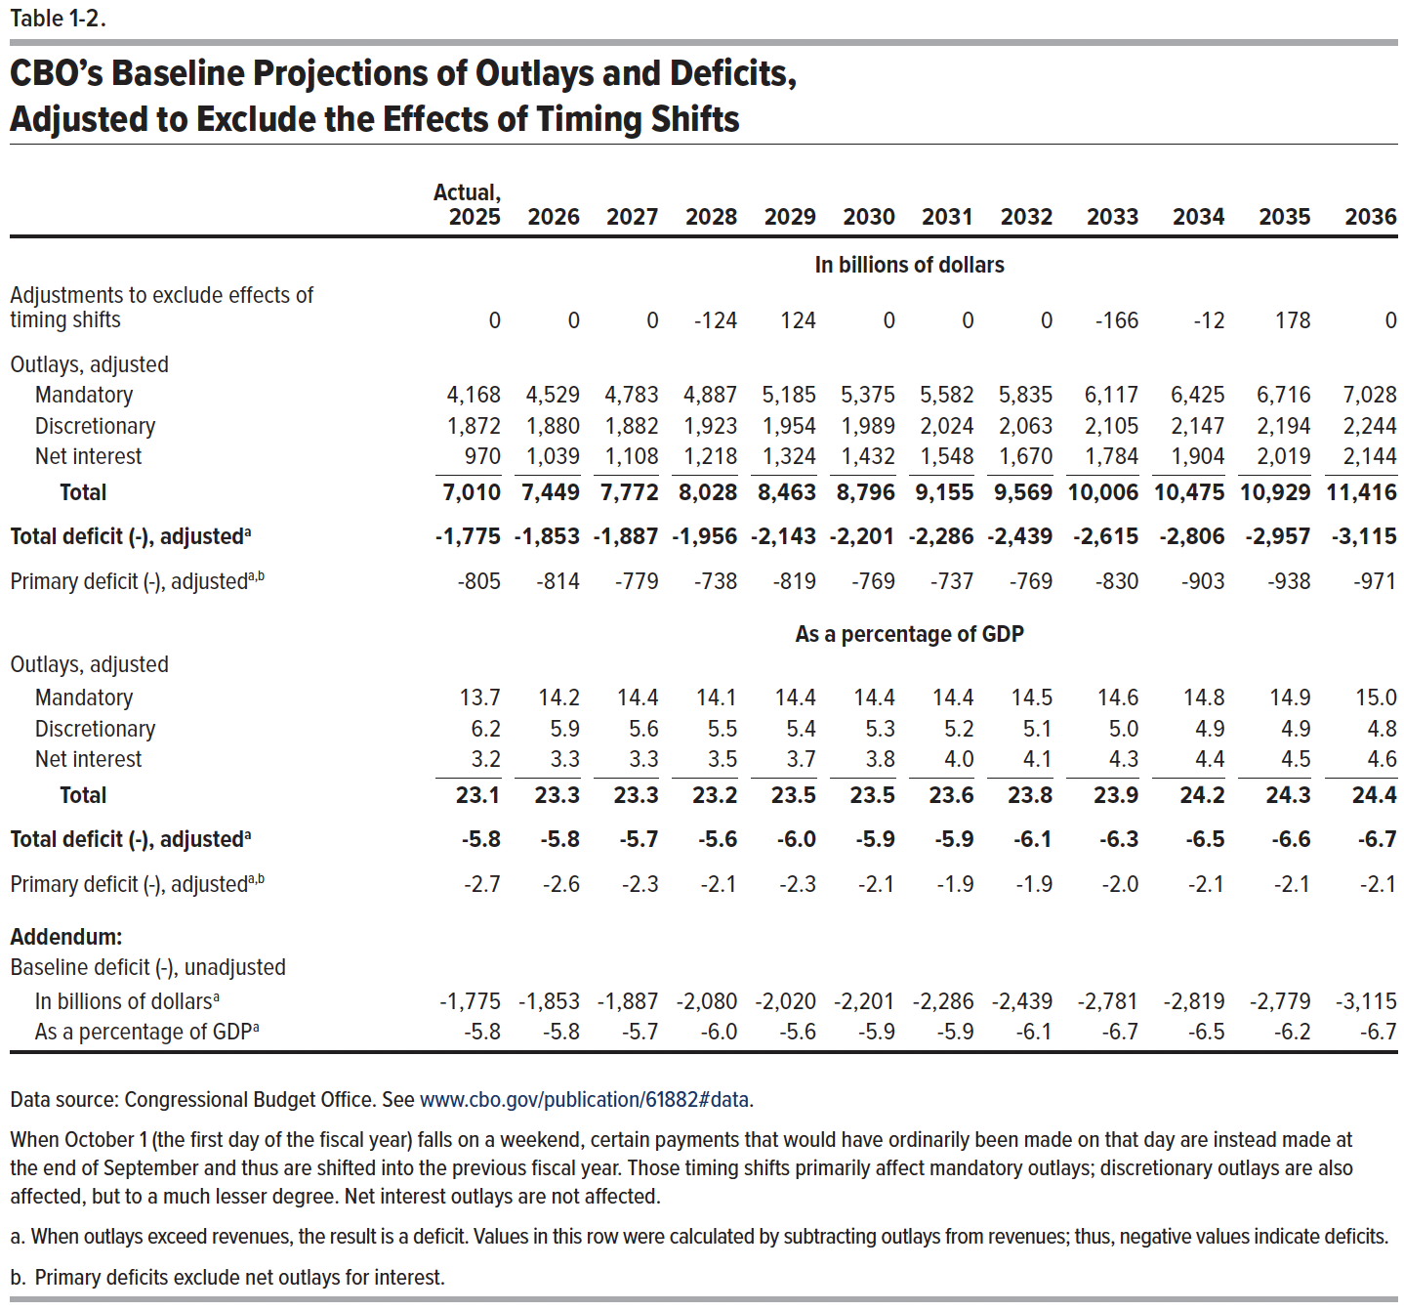
Table 1-2. CBO’s Baseline Projections of Outlays and Deficits, Adjusted to Exclude the Effects of Timing Shifts

 | Actual
 | 2025 | 2026 | 2027 | 2028 | 2029 | 2030 | 2031 | 2032 | 2033 | 2034 | 2035 | 2036
 | In billions of dollars
Adjustments to exclude effects of timing shifts | 0 | 0 | 0 | -124 | 124 | 0 | 0 | 0 | -166 | -12 | 178 | 0
Outlays, adjusted
Mandatory | 4,168 | 4,529 | 4,783 | 4,887 | 5,185 | 5,375 | 5,582 | 5,835 | 6,117 | 6,425 | 6,716 | 7,028
Discretionary | 1,872 | 1,880 | 1,882 | 1,923 | 1,954 | 1,989 | 2,024 | 2,063 | 2,105 | 2,147 | 2,194 | 2,244
Net interest | 970 | 1,039 | 1,108 | 1,218 | 1,324 | 1,432 | 1,548 | 1,670 | 1,784 | 1,904 | 2,019 | 2,144
Total | 7,010 | 7,449 | 7,772 | 8,028 | 8,463 | 8,796 | 9,155 | 9,569 | 10,006 | 10,475 | 10,929 | 11,416
Total deficit (-), adjusted | -1,775 | -1,853 | -1,887 | -1,956 | -2,143 | -2,201 | -2,286 | -2,439 | -2,615 | -2,806 | -2,957 | -3,115
Primary deficit (-), adjusted | -805 | -814 | -779 | -738 | -819 | -769 | -737 | -769 | -830 | -903 | -938 | -971
 | As a percentage of GDP
Outlays, adjusted
Mandatory | 13.7 | 14.2 | 14.4 | 14.1 | 14.4 | 14.4 | 14.4 | 14.5 | 14.6 | 14.8 | 14.9 | 15.0
Discretionary | 6.2 | 5.9 | 5.6 | 5.5 | 5.4 | 5.3 | 5.2 | 5.1 | 5.0 | 4.9 | 4.9 | 4.8
Net interest | 3.2 | 3.3 | 3.3 | 3.5 | 3.7 | 3.8 | 4.0 | 4.1 | 4.3 | 4.4 | 4.5 | 4.6
Total | 23.1 | 23.3 | 23.3 | 23.2 | 23.5 | 23.5 | 23.6 | 23.8 | 23.9 | 24.2 | 24.3 | 24.4
Total deficit (-), adjusted | -5.8 | -5.8 | -5.7 | -5.6 | -6.0 | -5.9 | -5.9 | -6.1 | -6.3 | -6.5 | -6.6 | -6.7
Primary deficit (-), adjusted | -2.7 | -2.6 | -2.3 | -2.1 | -2.3 | -2.1 | -1.9 | -1.9 | -2.0 | -2.1 | -2.1 | -2.1
Addendum:
Baseline deficit (-), unadjusted
In billions of dollars | -1,775 | -1,853 | -1,887 | -2,080 | -2,020 | -2,201 | -2,286 | -2,439 | -2,781 | -2,819 | -2,779 | -3,115
As a percentage of GDP | -5.8 | -5.8 | -5.7 | -6.0 | -5.6 | -5.9 | -5.9 | -6.1 | -6.7 | -6.5 | -6.2 | -6.7

Back to Table of Contents

Table 1-3
This file presents data that supplement CBO’s February 2026 report The Budget and Economic Outlook: 2026 to 2036.
www.cbo.gov/publication/61882

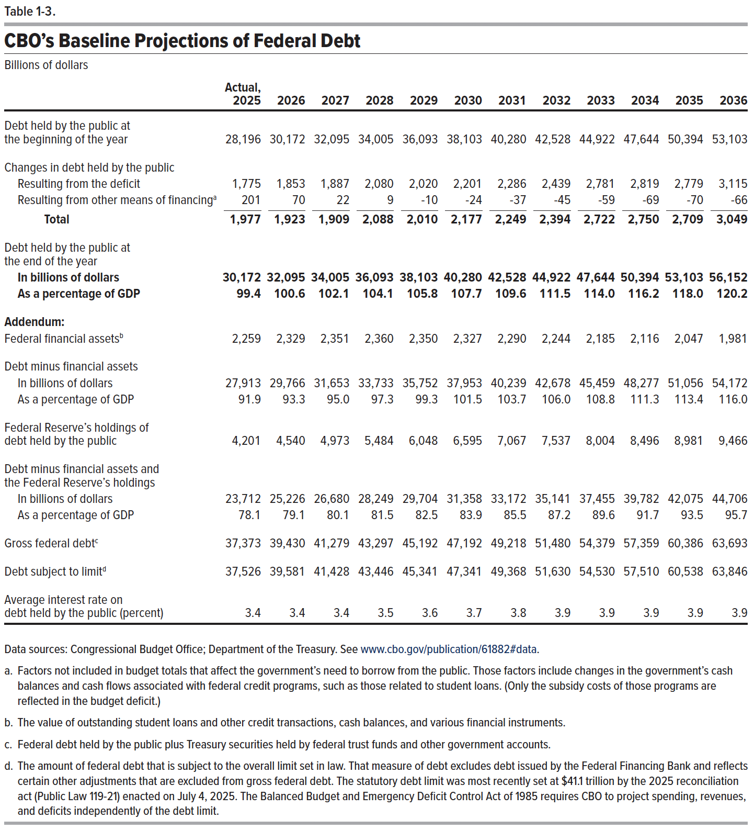
Table 1-3. CBO's Baseline Projections of Federal Debt
Billions of dollars

 | Actual, 2025 | 2026 | 2027 | 2028 | 2029 | 2030 | 2031 | 2032 | 2033 | 2034 | 2035 | 2036
Debt held by the public at the beginning of the year | 28,196 | 30,172 | 32,095 | 34,005 | 36,093 | 38,103 | 40,280 | 42,528 | 44,922 | 47,644 | 50,394 | 53,103

Changes in debt held by the public
Resulting from the deficit | 1,775 | 1,853 | 1,887 | 2,080 | 2,020 | 2,201 | 2,286 | 2,439 | 2,781 | 2,819 | 2,779 | 3,115
Resulting from other means of financing | 201 | 70 | 22 | 9 | -10 | -24 | -37 | -45 | -59 | -69 | -70 | -66
Total | 1,977 | 1,923 | 1,909 | 2,088 | 2,010 | 2,177 | 2,249 | 2,394 | 2,722 | 2,750 | 2,709 | 3,049

Debt held by the public at the end of the year
In billions of dollars | 30,172 | 32,095 | 34,005 | 36,093 | 38,103 | 40,280 | 42,528 | 44,922 | 47,644 | 50,394 | 53,103 | 56,152
As a percentage of GDP | 99.4 | 100.6 | 102.1 | 104.1 | 105.8 | 107.7 | 109.6 | 111.5 | 114.0 | 116.2 | 118.0 | 120.2

Addendum:
Federal financial assets | 2,259 | 2,329 | 2,351 | 2,360 | 2,350 | 2,327 | 2,290 | 2,244 | 2,185 | 2,116 | 2,047 | 1,981

Debt minus financial assets
In billions of dollars | 27,913 | 29,766 | 31,653 | 33,733 | 35,752 | 37,953 | 40,239 | 42,678 | 45,459 | 48,277 | 51,056 | 54,172
As a percentage of GDP | 91.9 | 93.3 | 95.0 | 97.3 | 99.3 | 101.5 | 103.7 | 106.0 | 108.8 | 111.3 | 113.4 | 116.0

Federal Reserve's holdings of debt held by the public | 4,201 | 4,540 | 4,973 | 5,484 | 6,048 | 6,595 | 7,067 | 7,537 | 8,004 | 8,496 | 8,981 | 9,466

Debt minus financial assets and Federal Reserve's holdings
In billions of dollars | 23,712 | 25,226 | 26,680 | 28,249 | 29,704 | 31,358 | 33,172 | 35,141 | 37,455 | 39,782 | 42,075 | 44,706
As a percentage of GDP | 78.1 | 79.1 | 80.1 | 81.5 | 82.5 | 83.9 | 85.5 | 87.2 | 89.6 | 91.7 | 93.5 | 95.7

Gross federal debt | 37,373 | 39,430 | 41,279 | 43,297 | 45,192 | 47,192 | 49,218 | 51,480 | 54,379 | 57,359 | 60,386 | 63,693

Debt subject to limit | 37,526 | 39,581 | 41,428 | 43,446 | 45,341 | 47,341 | 49,368 | 51,630 | 54,530 | 57,510 | 60,538 | 63,846

Average interest rate on debt held by the public (percent) | 3.4 | 3.4 | 3.4 | 3.5 | 3.6 | 3.7 | 3.8 | 3.9 | 3.9 | 3.9 | 3.9 | 3.9

Back to Table of Contents

Table 1-4
This file presents data that supplement CBO’s February 2026 report The Budget and Economic Outlook: 2026 to 2036.
www.cbo.gov/publication/61882

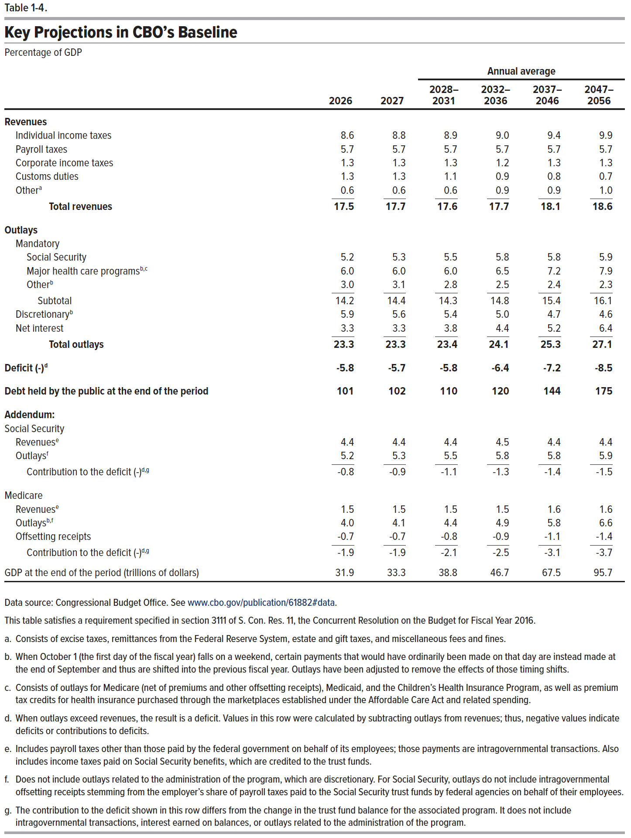
Table 1-4. Key Projections in CBO's Baseline
Percentage of GDP
 |  |  | Annual average
 | 2026 | 2027 | 2028– 2031 | 2032– 2036 | 2037– 2046 | 2047– 2056
Revenues
Individual income taxes | 8.6 | 8.8 | 8.9 | 9.0 | 9.4 | 9.9
Payroll taxes | 5.7 | 5.7 | 5.7 | 5.7 | 5.7 | 5.7
Corporate income taxes | 1.3 | 1.3 | 1.3 | 1.2 | 1.3 | 1.3
Customs duties | 1.3 | 1.3 | 1.1 | 0.9 | 0.8 | 0.7
Other | 0.6 | 0.6 | 0.6 | 0.9 | 0.9 | 1.0
Total revenues | 17.5 | 17.7 | 17.6 | 17.7 | 18.1 | 18.6

Outlays
Mandatory
Social Security | 5.2 | 5.3 | 5.5 | 5.8 | 5.8 | 5.9
Major health care programs | 6.0 | 6.0 | 6.0 | 6.5 | 7.2 | 7.9
Other | 3.0 | 3.1 | 2.8 | 2.5 | 2.4 | 2.3
Subtotal | 14.2 | 14.4 | 14.3 | 14.8 | 15.4 | 16.1

Discretionary | 5.9 | 5.6 | 5.4 | 5.0 | 4.7 | 4.6
Net interest | 3.3 | 3.3 | 3.8 | 4.4 | 5.2 | 6.4
Total outlays | 23.3 | 23.3 | 23.4 | 24.1 | 25.3 | 27.1

Deficit (-) | -5.8 | -5.7 | -5.8 | -6.4 | -7.2 | -8.5

Debt held by the public at the end of the period | 101 | 102 | 110 | 120 | 144 | 175

Addendum:
Social Security
Revenues | 4.4 | 4.4 | 4.4 | 4.5 | 4.4 | 4.4
Outlays | 5.2 | 5.3 | 5.5 | 5.8 | 5.8 | 5.9
Contribution to the deficit (-) | -0.8 | -0.9 | -1.1 | -1.3 | -1.4 | -1.5

Medicare
Revenues | 1.5 | 1.5 | 1.5 | 1.5 | 1.6 | 1.6
Outlays | 4.0 | 4.1 | 4.4 | 4.9 | 5.8 | 6.6
Offsetting receipts | -0.7 | -0.7 | -0.8 | -0.9 | -1.1 | -1.4
Contribution to the deficit (-) | -1.9 | -1.9 | -2.1 | -2.5 | -3.1 | -3.7

GDP at the end of the period (trillions of dollars) | 31.9 | 33.3 | 38.8 | 46.7 | 67.5 | 95.7

Back to Table of Contents

Table 3-1
This file presents data that supplement CBO’s February 2026 report The Budget and Economic Outlook: 2026 to 2036.
www.cbo.gov/publication/61882

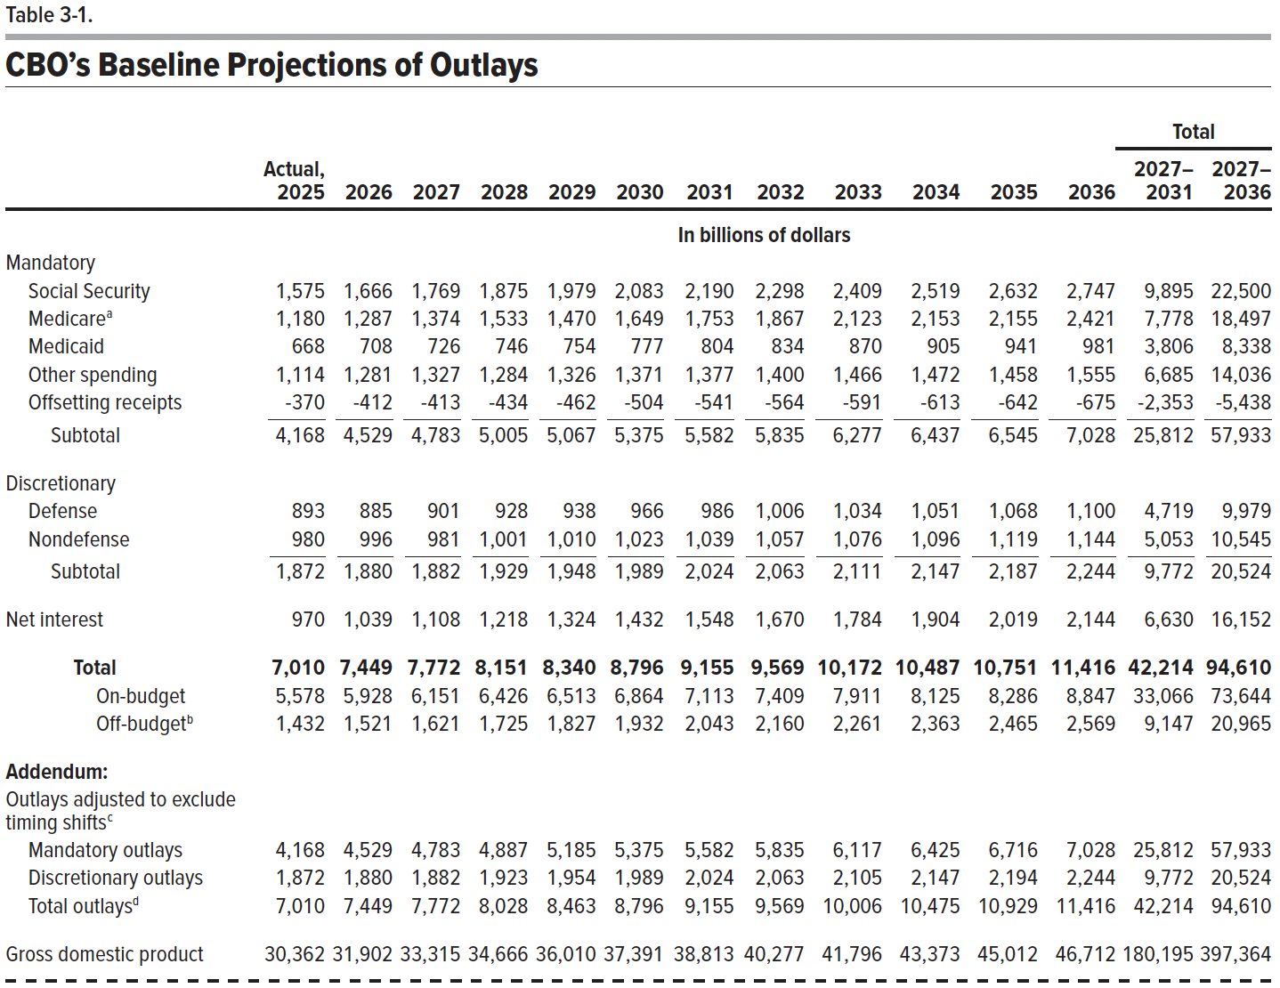
Table 3-1. CBO's Baseline Projections of Outlays

 |  |  |  |  |  |  |  |  |  |  |  |  | Total
 | Actual, 2025 | 2026 | 2027 | 2028 | 2029 | 2030 | 2031 | 2032 | 2033 | 2034 | 2035 | 2036 | 2027– 2031 | 2027– 2036
 | In billions of dollars
Mandatory
Social Security | 1,575 | 1,666 | 1,769 | 1,875 | 1,979 | 2,083 | 2,190 | 2,298 | 2,409 | 2,519 | 2,632 | 2,747 | 9,895 | 22,500
Medicare | 1,180 | 1,287 | 1,374 | 1,533 | 1,470 | 1,649 | 1,753 | 1,867 | 2,123 | 2,153 | 2,155 | 2,421 | 7,778 | 18,497
Medicaid | 668 | 708 | 726 | 746 | 754 | 777 | 804 | 834 | 870 | 905 | 941 | 981 | 3,806 | 8,338
Other spending | 1,114 | 1,281 | 1,327 | 1,284 | 1,326 | 1,371 | 1,377 | 1,400 | 1,466 | 1,472 | 1,458 | 1,555 | 6,685 | 14,036
Offsetting receipts | -370 | -412 | -413 | -434 | -462 | -504 | -541 | -564 | -591 | -613 | -642 | -675 | -2,353 | -5,438
Subtotal | 4,168 | 4,529 | 4,783 | 5,005 | 5,067 | 5,375 | 5,582 | 5,835 | 6,277 | 6,437 | 6,545 | 7,028 | 25,812 | 57,933

Discretionary
Defense | 893 | 885 | 901 | 928 | 938 | 966 | 986 | 1,006 | 1,034 | 1,051 | 1,068 | 1,100 | 4,719 | 9,979
Nondefense | 980 | 996 | 981 | 1,001 | 1,010 | 1,023 | 1,039 | 1,057 | 1,076 | 1,096 | 1,119 | 1,144 | 5,053 | 10,545
Subtotal | 1,872 | 1,880 | 1,882 | 1,929 | 1,948 | 1,989 | 2,024 | 2,063 | 2,111 | 2,147 | 2,187 | 2,244 | 9,772 | 20,524
Net interest | 970 | 1,039 | 1,108 | 1,218 | 1,324 | 1,432 | 1,548 | 1,670 | 1,784 | 1,904 | 2,019 | 2,144 | 6,630 | 16,152

Total | 7,010 | 7,449 | 7,772 | 8,151 | 8,340 | 8,796 | 9,155 | 9,569 | 10,172 | 10,487 | 10,751 | 11,416 | 42,214 | 94,610
On-budget | 5,578 | 5,928 | 6,151 | 6,426 | 6,513 | 6,864 | 7,113 | 7,409 | 7,911 | 8,125 | 8,286 | 8,847 | 33,066 | 73,644
Off-budget | 1,432 | 1,521 | 1,621 | 1,725 | 1,827 | 1,932 | 2,043 | 2,160 | 2,261 | 2,363 | 2,465 | 2,569 | 9,147 | 20,965

Addendum:
Outlays adjusted to exclude timing shifts
Mandatory outlays | 4,168 | 4,529 | 4,783 | 4,887 | 5,185 | 5,375 | 5,582 | 5,835 | 6,117 | 6,425 | 6,716 | 7,028 | 25,812 | 57,933
Discretionary outlays | 1,872 | 1,880 | 1,882 | 1,923 | 1,954 | 1,989 | 2,024 | 2,063 | 2,105 | 2,147 | 2,194 | 2,244 | 9,772 | 20,524
Total outlays | 7,010 | 7,449 | 7,772 | 8,028 | 8,463 | 8,796 | 9,155 | 9,569 | 10,006 | 10,475 | 10,929 | 11,416 | 42,214 | 94,610

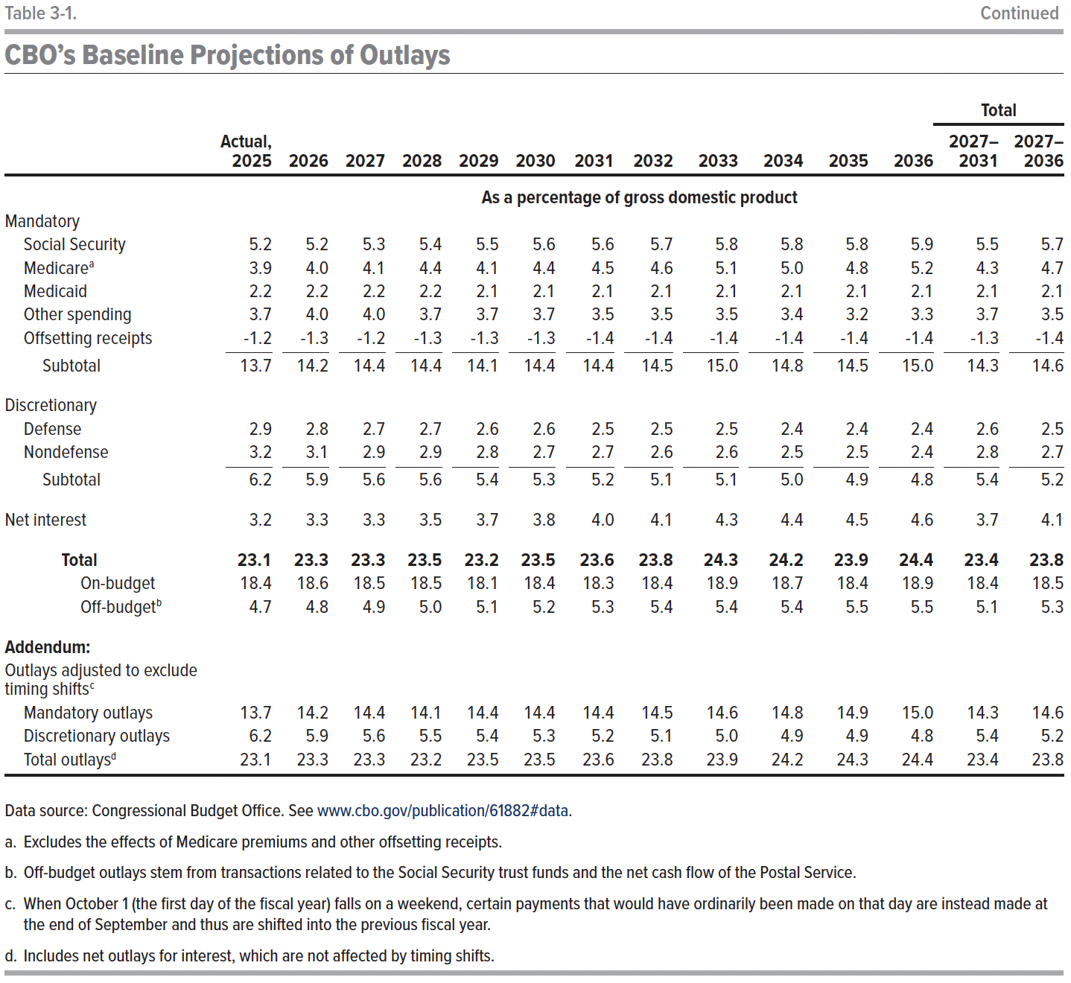
Gross domestic product | 30,362 | 31,902 | 33,315 | 34,666 | 36,010 | 37,391 | 38,813 | 40,277 | 41,796 | 43,373 | 45,012 | 46,712 | 180,195 | 397,364

 | As a percentage of gross domestic product
Mandatory
Social Security | 5.2 | 5.2 | 5.3 | 5.4 | 5.5 | 5.6 | 5.6 | 5.7 | 5.8 | 5.8 | 5.8 | 5.9 | 5.5 | 5.7
Medicare | 3.9 | 4.0 | 4.1 | 4.4 | 4.1 | 4.4 | 4.5 | 4.6 | 5.1 | 5.0 | 4.8 | 5.2 | 4.3 | 4.7
Medicaid | 2.2 | 2.2 | 2.2 | 2.2 | 2.1 | 2.1 | 2.1 | 2.1 | 2.1 | 2.1 | 2.1 | 2.1 | 2.1 | 2.1
Other spending | 3.7 | 4.0 | 4.0 | 3.7 | 3.7 | 3.7 | 3.5 | 3.5 | 3.5 | 3.4 | 3.2 | 3.3 | 3.7 | 3.5
Offsetting receipts | -1.2 | -1.3 | -1.2 | -1.3 | -1.3 | -1.3 | -1.4 | -1.4 | -1.4 | -1.4 | -1.4 | -1.4 | -1.3 | -1.4
Subtotal | 13.7 | 14.2 | 14.4 | 14.4 | 14.1 | 14.4 | 14.4 | 14.5 | 15.0 | 14.8 | 14.5 | 15.0 | 14.3 | 14.6

Discretionary
Defense | 2.9 | 2.8 | 2.7 | 2.7 | 2.6 | 2.6 | 2.5 | 2.5 | 2.5 | 2.4 | 2.4 | 2.4 | 2.6 | 2.5
Nondefense | 3.2 | 3.1 | 2.9 | 2.9 | 2.8 | 2.7 | 2.7 | 2.6 | 2.6 | 2.5 | 2.5 | 2.4 | 2.8 | 2.7
Subtotal | 6.2 | 5.9 | 5.6 | 5.6 | 5.4 | 5.3 | 5.2 | 5.1 | 5.1 | 5.0 | 4.9 | 4.8 | 5.4 | 5.2

Net interest | 3.2 | 3.3 | 3.3 | 3.5 | 3.7 | 3.8 | 4.0 | 4.1 | 4.3 | 4.4 | 4.5 | 4.6 | 3.7 | 4.1

Total | 23.1 | 23.3 | 23.3 | 23.5 | 23.2 | 23.5 | 23.6 | 23.8 | 24.3 | 24.2 | 23.9 | 24.4 | 23.4 | 23.8
On-budget | 18.4 | 18.6 | 18.5 | 18.5 | 18.1 | 18.4 | 18.3 | 18.4 | 18.9 | 18.7 | 18.4 | 18.9 | 18.4 | 18.5
Off-budget | 4.7 | 4.8 | 4.9 | 5.0 | 5.1 | 5.2 | 5.3 | 5.4 | 5.4 | 5.4 | 5.5 | 5.5 | 5.1 | 5.3
Addendum:
Outlays adjusted to exclude timing shifts
Mandatory outlays | 13.7 | 14.2 | 14.4 | 14.1 | 14.4 | 14.4 | 14.4 | 14.5 | 14.6 | 14.8 | 14.9 | 15.0 | 14.3 | 14.6
Discretionary outlays | 6.2 | 5.9 | 5.6 | 5.5 | 5.4 | 5.3 | 5.2 | 5.1 | 5.0 | 4.9 | 4.9 | 4.8 | 5.4 | 5.2
Total outlays | 23.1 | 23.3 | 23.3 | 23.2 | 23.5 | 23.5 | 23.6 | 23.8 | 23.9 | 24.2 | 24.3 | 24.4 | 23.4 | 23.8

Back to Table of Contents

Table 3-2
This file presents data that supplement CBO’s February 2026 report The Budget and Economic Outlook: 2026 to 2036.
www.cbo.gov/publication/61882

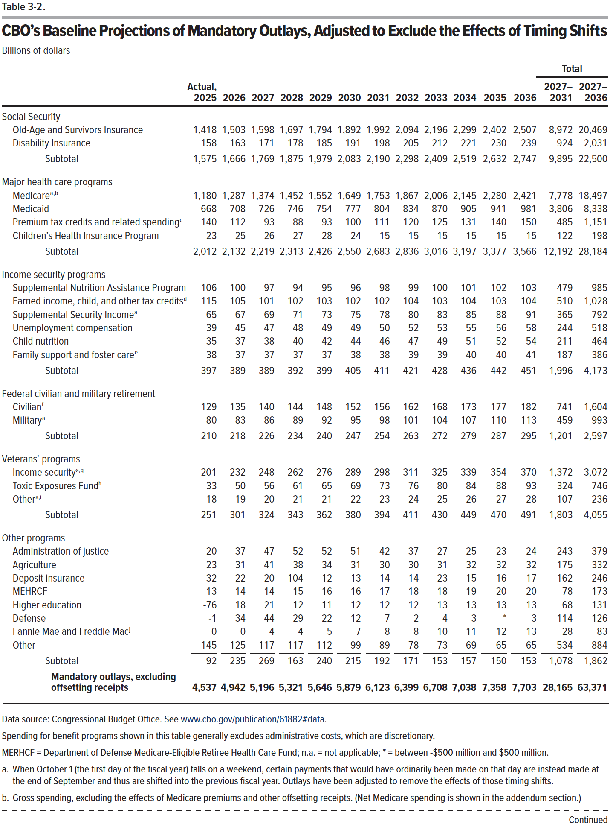
Table 3-2. CBO’s Baseline Projections of Mandatory Outlays, Adjusted to Exclude the Effects of Timing Shifts
Billions of dollars
 |  |  |  |  |  |  |  |  |  |  |  |  | Total
 | Actual, 2025 | 2026 | 2027 | 2028 | 2029 | 2030 | 2031 | 2032 | 2033 | 2034 | 2035 | 2036 | 2027– 2031 | 2027– 2036
Social Security
Old-Age and Survivors Insurance | 1,418 | 1,503 | 1,598 | 1,697 | 1,794 | 1,892 | 1,992 | 2,094 | 2,196 | 2,299 | 2,402 | 2,507 | 8,972 | 20,469
Disability Insurance | 158 | 163 | 171 | 178 | 185 | 191 | 198 | 205 | 212 | 221 | 230 | 239 | 924 | 2,031
Subtotal | 1,575 | 1,666 | 1,769 | 1,875 | 1,979 | 2,083 | 2,190 | 2,298 | 2,409 | 2,519 | 2,632 | 2,747 | 9,895 | 22,500

Major health care programs
Medicare | 1,180 | 1,287 | 1,374 | 1,452 | 1,552 | 1,649 | 1,753 | 1,867 | 2,006 | 2,145 | 2,280 | 2,421 | 7,778 | 18,497
Medicaid | 668 | 708 | 726 | 746 | 754 | 777 | 804 | 834 | 870 | 905 | 941 | 981 | 3,806 | 8,338
Premium tax credits and related spending | 140 | 112 | 93 | 88 | 93 | 100 | 111 | 120 | 125 | 131 | 140 | 150 | 485 | 1,151
Children's Health Insurance Program | 23 | 25 | 26 | 27 | 28 | 24 | 15 | 15 | 15 | 15 | 15 | 15 | 122 | 198
Subtotal | 2,012 | 2,132 | 2,219 | 2,313 | 2,426 | 2,550 | 2,683 | 2,836 | 3,016 | 3,197 | 3,377 | 3,566 | 12,192 | 28,184

Income security programs
Supplemental Nutrition Assistance Program | 106 | 100 | 97 | 94 | 95 | 96 | 98 | 99 | 100 | 101 | 102 | 103 | 479 | 985
Earned income, child, and other tax credits | 115 | 105 | 101 | 102 | 103 | 102 | 102 | 104 | 103 | 104 | 103 | 104 | 510 | 1,028
Supplemental Security Income | 65 | 67 | 69 | 71 | 73 | 75 | 78 | 80 | 83 | 85 | 88 | 91 | 365 | 792
Unemployment compensation | 39 | 45 | 47 | 48 | 49 | 49 | 50 | 52 | 53 | 55 | 56 | 58 | 244 | 518
Child nutrition | 35 | 37 | 38 | 40 | 42 | 44 | 46 | 47 | 49 | 51 | 52 | 54 | 211 | 464
Family support and foster care | 38 | 37 | 37 | 37 | 37 | 38 | 38 | 39 | 39 | 40 | 40 | 41 | 187 | 386
Subtotal | 397 | 389 | 389 | 392 | 399 | 405 | 411 | 421 | 428 | 436 | 442 | 451 | 1,996 | 4,173

Federal civilian and military retirement
Civilian | 129 | 135 | 140 | 144 | 148 | 152 | 156 | 162 | 168 | 173 | 177 | 182 | 741 | 1,604
Military | 80 | 83 | 86 | 89 | 92 | 95 | 98 | 101 | 104 | 107 | 110 | 113 | 459 | 993
Subtotal | 210 | 218 | 226 | 234 | 240 | 247 | 254 | 263 | 272 | 279 | 287 | 295 | 1,201 | 2,597

Veterans' programs
Income security | 201 | 232 | 248 | 262 | 276 | 289 | 298 | 311 | 325 | 339 | 354 | 370 | 1,372 | 3,072
Toxic Exposures Fund | 33 | 50 | 56 | 61 | 65 | 69 | 73 | 76 | 80 | 84 | 88 | 93 | 324 | 746
Other | 18 | 19 | 20 | 21 | 21 | 22 | 23 | 24 | 25 | 26 | 27 | 28 | 107 | 236
Subtotal | 251 | 301 | 324 | 343 | 362 | 380 | 394 | 411 | 430 | 449 | 470 | 491 | 1,803 | 4,055

Other programs
Administration of justice | 20 | 37 | 47 | 52 | 52 | 51 | 42 | 37 | 27 | 25 | 23 | 24 | 243 | 379
Agriculture | 23 | 31 | 41 | 38 | 34 | 31 | 30 | 30 | 31 | 32 | 32 | 32 | 175 | 332
Deposit insurance | -32 | -22 | -20 | -104 | -12 | -13 | -14 | -14 | -23 | -15 | -16 | -17 | -162 | -246
MEHRCF | 13 | 14 | 14 | 15 | 16 | 16 | 17 | 18 | 18 | 19 | 20 | 20 | 78 | 173
Higher education | -76 | 18 | 21 | 12 | 11 | 12 | 12 | 12 | 13 | 13 | 13 | 13 | 68 | 131
Defense | -1 | 34 | 44 | 29 | 22 | 12 | 7 | 2 | 4 | 3 | 0 | 3 | 114 | 126
Fannie Mae and Freddie Mac | 0 | 0 | 4 | 4 | 5 | 7 | 8 | 8 | 10 | 11 | 12 | 13 | 28 | 83
Other | 145 | 125 | 117 | 117 | 112 | 99 | 89 | 78 | 73 | 69 | 65 | 65 | 534 | 884
Subtotal | 92 | 235 | 269 | 163 | 240 | 215 | 192 | 171 | 153 | 157 | 150 | 153 | 1,078 | 1,862

Mandatory outlays, excluding offsetting receipts | 4,537 | 4,942 | 5,196 | 5,321 | 5,646 | 5,879 | 6,123 | 6,399 | 6,708 | 7,038 | 7,358 | 7,703 | 28,165 | 63,371

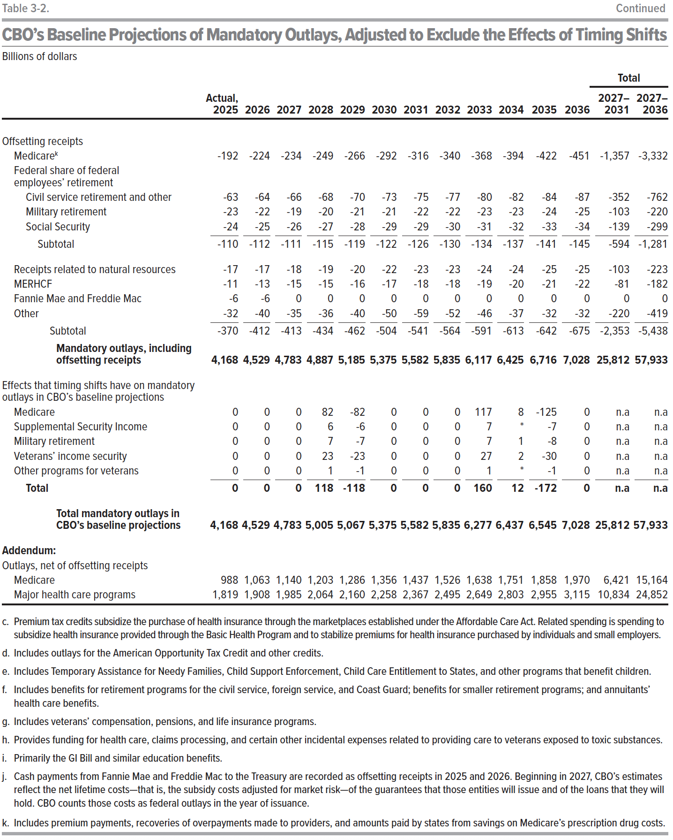
Offsetting receipts
Medicare | -192 | -224 | -234 | -249 | -266 | -292 | -316 | -340 | -368 | -394 | -422 | -451 | -1,357 | -3,332
Federal share of federal employees' retirement
Civil service retirement and other | -63 | -64 | -66 | -68 | -70 | -73 | -75 | -77 | -80 | -82 | -84 | -87 | -352 | -762
Military retirement | -23 | -22 | -19 | -20 | -21 | -21 | -22 | -22 | -23 | -23 | -24 | -25 | -103 | -220
Social Security | -24 | -25 | -26 | -27 | -28 | -29 | -29 | -30 | -31 | -32 | -33 | -34 | -139 | -299
Subtotal | -110 | -112 | -111 | -115 | -119 | -122 | -126 | -130 | -134 | -137 | -141 | -145 | -594 | -1,281

Receipts related to natural resources | -17 | -17 | -18 | -19 | -20 | -22 | -23 | -23 | -24 | -24 | -25 | -25 | -103 | -223
MERHCF | -11 | -13 | -15 | -15 | -16 | -17 | -18 | -18 | -19 | -20 | -21 | -22 | -81 | -182
Fannie Mae and Freddie Mac | -6 | -6 | 0 | 0 | 0 | 0 | 0 | 0 | 0 | 0 | 0 | 0 | 0 | 0
Other | -32 | -40 | -35 | -36 | -40 | -50 | -59 | -52 | -46 | -37 | -32 | -32 | -220 | -419
Subtotal | -370 | -412 | -413 | -434 | -462 | -504 | -541 | -564 | -591 | -613 | -642 | -675 | -2,353 | -5,438

Mandatory outlays, including offsetting receipts | 4,168 | 4,529 | 4,783 | 4,887 | 5,185 | 5,375 | 5,582 | 5,835 | 6,117 | 6,425 | 6,716 | 7,028 | 25,812 | 57,933

Effects that timing shifts have on mandatory outlays in CBO's baseline projections
Medicare | 0 | 0 | 0 | 82 | -82 | 0 | 0 | 0 | 117 | 8 | -125 | 0 | n.a | n.a
Supplemental Security Income | 0 | 0 | 0 | 6 | -6 | 0 | 0 | 0 | 7 | 0 | -7 | 0 | n.a | n.a
Military retirement | 0 | 0 | 0 | 7 | -7 | 0 | 0 | 0 | 7 | 1 | -8 | 0 | n.a | n.a
Veterans' income security | 0 | 0 | 0 | 23 | -23 | 0 | 0 | 0 | 27 | 2 | -30 | 0 | n.a | n.a
Other programs for veterans | 0 | 0 | 0 | 1 | -1 | 0 | 0 | 0 | 1 | 0 | -1 | 0 | n.a | n.a
Total | 0 | 0 | 0 | 118 | -118 | 0 | 0 | 0 | 160 | 12 | -172 | 0 | n.a | n.a

Total mandatory outlays in CBO's baseline projections | 4,168 | 4,529 | 4,783 | 5,005 | 5,067 | 5,375 | 5,582 | 5,835 | 6,277 | 6,437 | 6,545 | 7,028 | 25,812 | 57,933

Addendum:
Outlays, net of offsetting receipts
Medicare | 988 | 1,063 | 1,140 | 1,203 | 1,286 | 1,356 | 1,437 | 1,526 | 1,638 | 1,751 | 1,858 | 1,970 | 6,421 | 15,164
Major health care programs | 1,819 | 1,908 | 1,985 | 2,064 | 2,160 | 2,258 | 2,367 | 2,495 | 2,649 | 2,803 | 2,955 | 3,115 | 10,834 | 24,852

Back to Table of Contents

Table 3-3
This file presents data that supplement CBO’s February 2026 report The Budget and Economic Outlook: 2026 to 2036.
www.cbo.gov/publication/61882

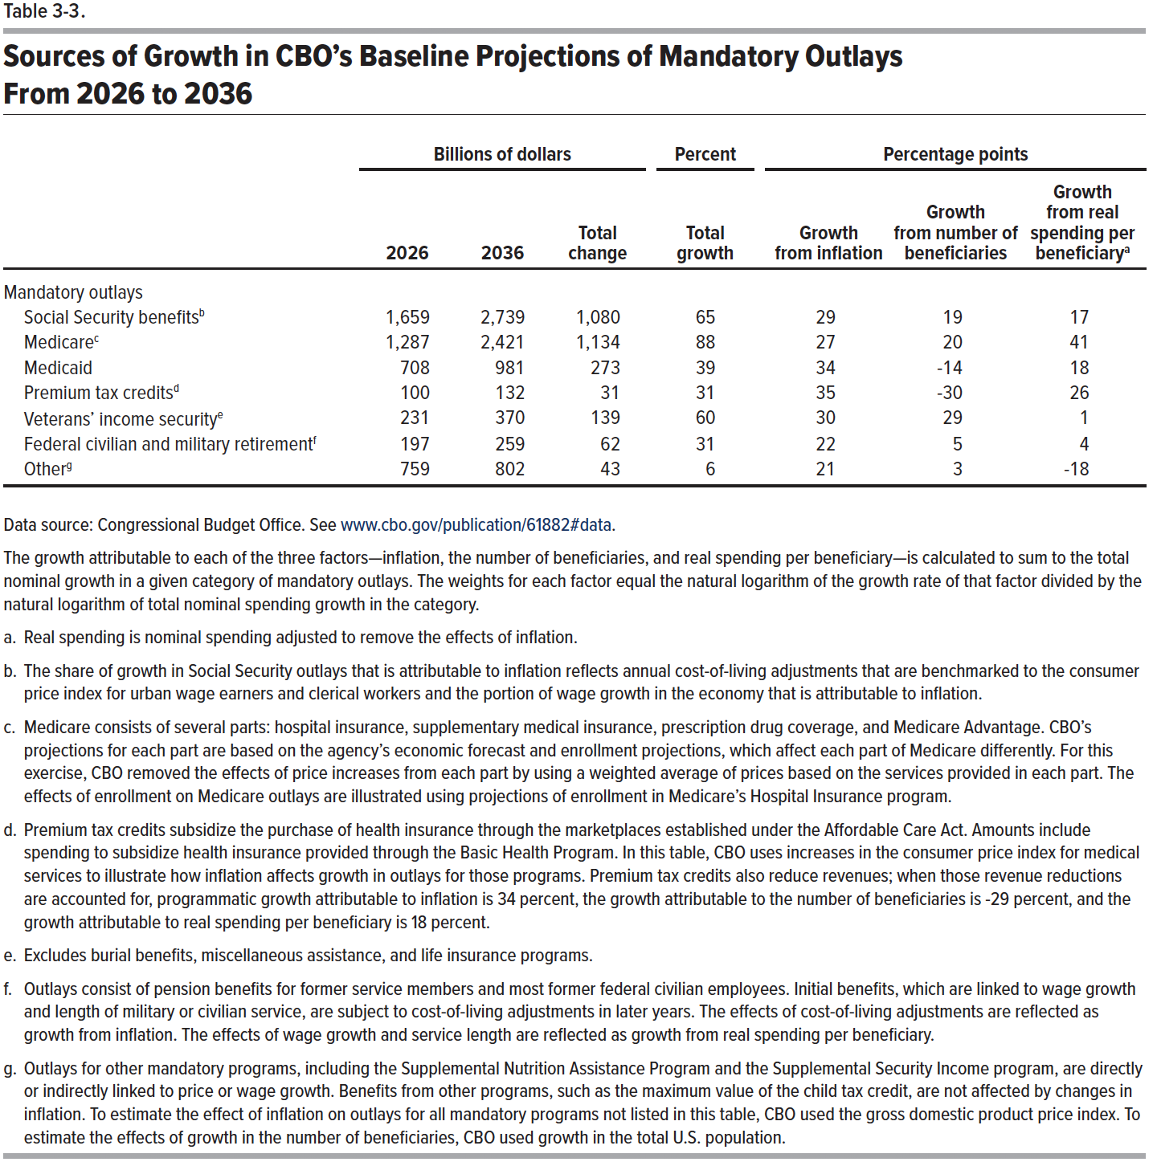
Table 3-3. Sources of Growth in CBO's Baseline Projections of Mandatory Outlays From 2026 to 2036

 | Billions of dollars |  |  | Percent | Percentage points
 | 2026 | 2036 | Total change | Total growth | Growth from inflation | Growth from number of beneficiaries | Growth from real spending per beneficiary
Mandatory outlays
Social Security benefits | 1,659 | 2,739 | 1,080 | 65 | 29 | 19 | 17
Medicare | 1,287 | 2,421 | 1,134 | 88 | 27 | 20 | 41
Medicaid | 708 | 981 | 273 | 39 | 34 | -14 | 18
Premium tax credits | 100 | 132 | 31 | 31 | 35 | -30 | 26
Veterans' income security | 231 | 370 | 139 | 60 | 30 | 29 | 1
Federal civilian and military retirement | 197 | 259 | 62 | 31 | 22 | 5 | 4
Other | 759 | 802 | 43 | 6 | 21 | 3 | -18

Back to Table of Contents

Table 3-4
This file presents data that supplement CBO’s February 2026 report The Budget and Economic Outlook: 2026 to 2036.
www.cbo.gov/publication/61882

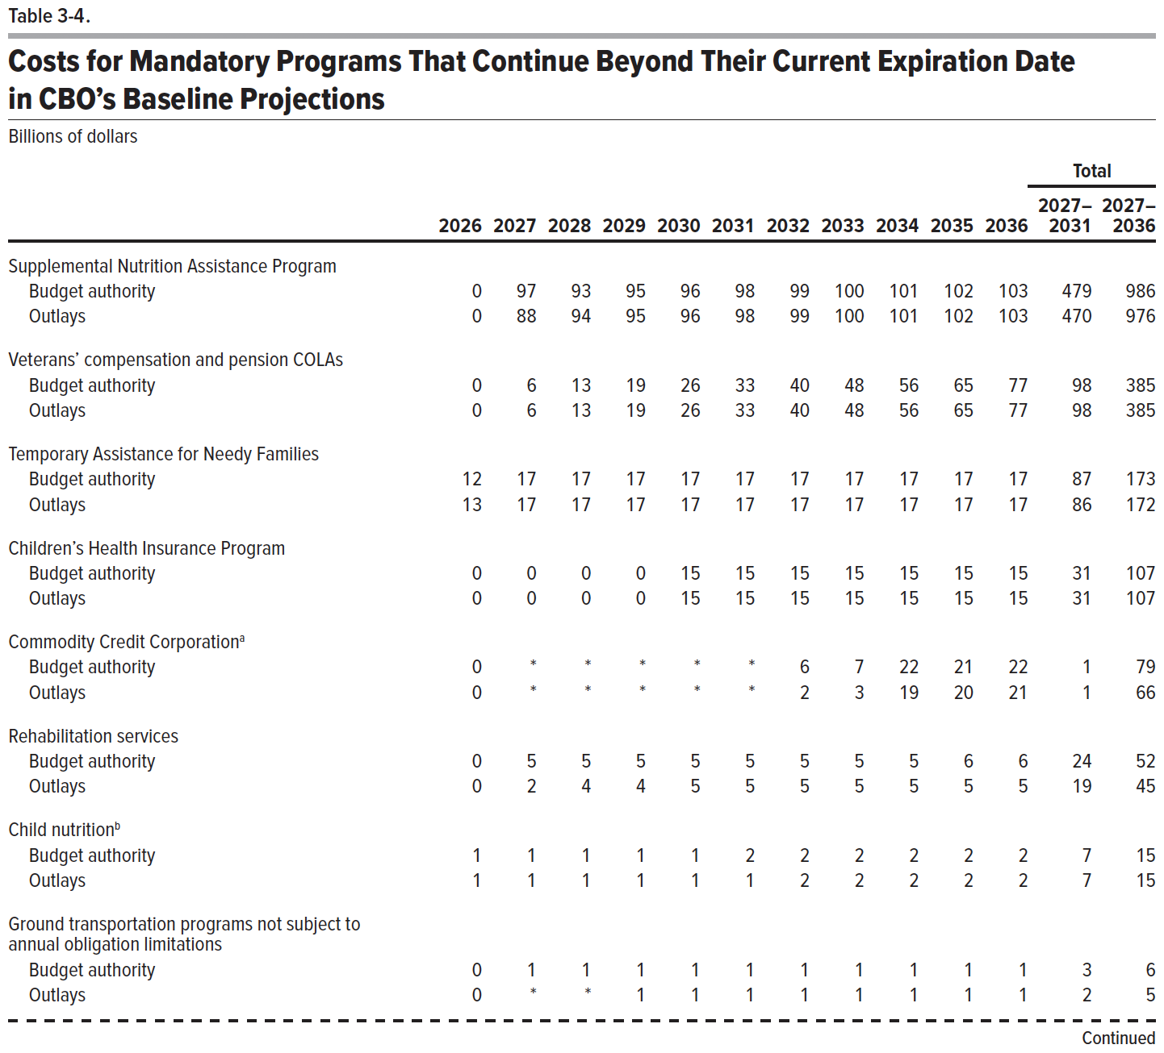
Table 3-4. Costs for Mandatory Programs That Continue Beyond Their Current Expiration Date in CBO's Baseline Projections
Billions of dollars
 |  |  |  |  |  |  |  |  |  |  |  | Total
 | 2026 | 2027 | 2028 | 2029 | 2030 | 2031 | 2032 | 2033 | 2034 | 2035 | 2036 | 2027– 2031 | 2027– 2036
Supplemental Nutrition Assistance Program
Budget authority | 0 | 97 | 93 | 95 | 96 | 98 | 99 | 100 | 101 | 102 | 103 | 479 | 986
Outlays | 0 | 88 | 94 | 95 | 96 | 98 | 99 | 100 | 101 | 102 | 103 | 470 | 976

Veterans' compensation and pension COLAs
Budget authority | 0 | 6 | 13 | 19 | 26 | 33 | 40 | 48 | 56 | 65 | 77 | 98 | 385
Outlays | 0 | 6 | 13 | 19 | 26 | 33 | 40 | 48 | 56 | 65 | 77 | 98 | 385

Temporary Assistance for Needy Families
Budget authority | 12 | 17 | 17 | 17 | 17 | 17 | 17 | 17 | 17 | 17 | 17 | 87 | 173
Outlays | 13 | 17 | 17 | 17 | 17 | 17 | 17 | 17 | 17 | 17 | 17 | 86 | 172

Children's Health Insurance Program
Budget authority | 0 | 0 | 0 | 0 | 15 | 15 | 15 | 15 | 15 | 15 | 15 | 31 | 107
Outlays | 0 | 0 | 0 | 0 | 15 | 15 | 15 | 15 | 15 | 15 | 15 | 31 | 107

Commodity Credit Corporation
Budget authority | 0 | 0 | 0 | 0 | 0 | 0 | 6 | 7 | 22 | 21 | 22 | 1 | 79
Outlays | 0 | 0 | 0 | 0 | 0 | 0 | 2 | 3 | 19 | 20 | 21 | 1 | 66

Rehabilitation services
Budget authority | 0 | 5 | 5 | 5 | 5 | 5 | 5 | 5 | 5 | 6 | 6 | 24 | 52
Outlays | 0 | 2 | 4 | 4 | 5 | 5 | 5 | 5 | 5 | 5 | 5 | 19 | 45

Child nutrition
Budget authority | 1 | 1 | 1 | 1 | 1 | 2 | 2 | 2 | 2 | 2 | 2 | 7 | 15
Outlays | 1 | 1 | 1 | 1 | 1 | 1 | 2 | 2 | 2 | 2 | 2 | 7 | 15

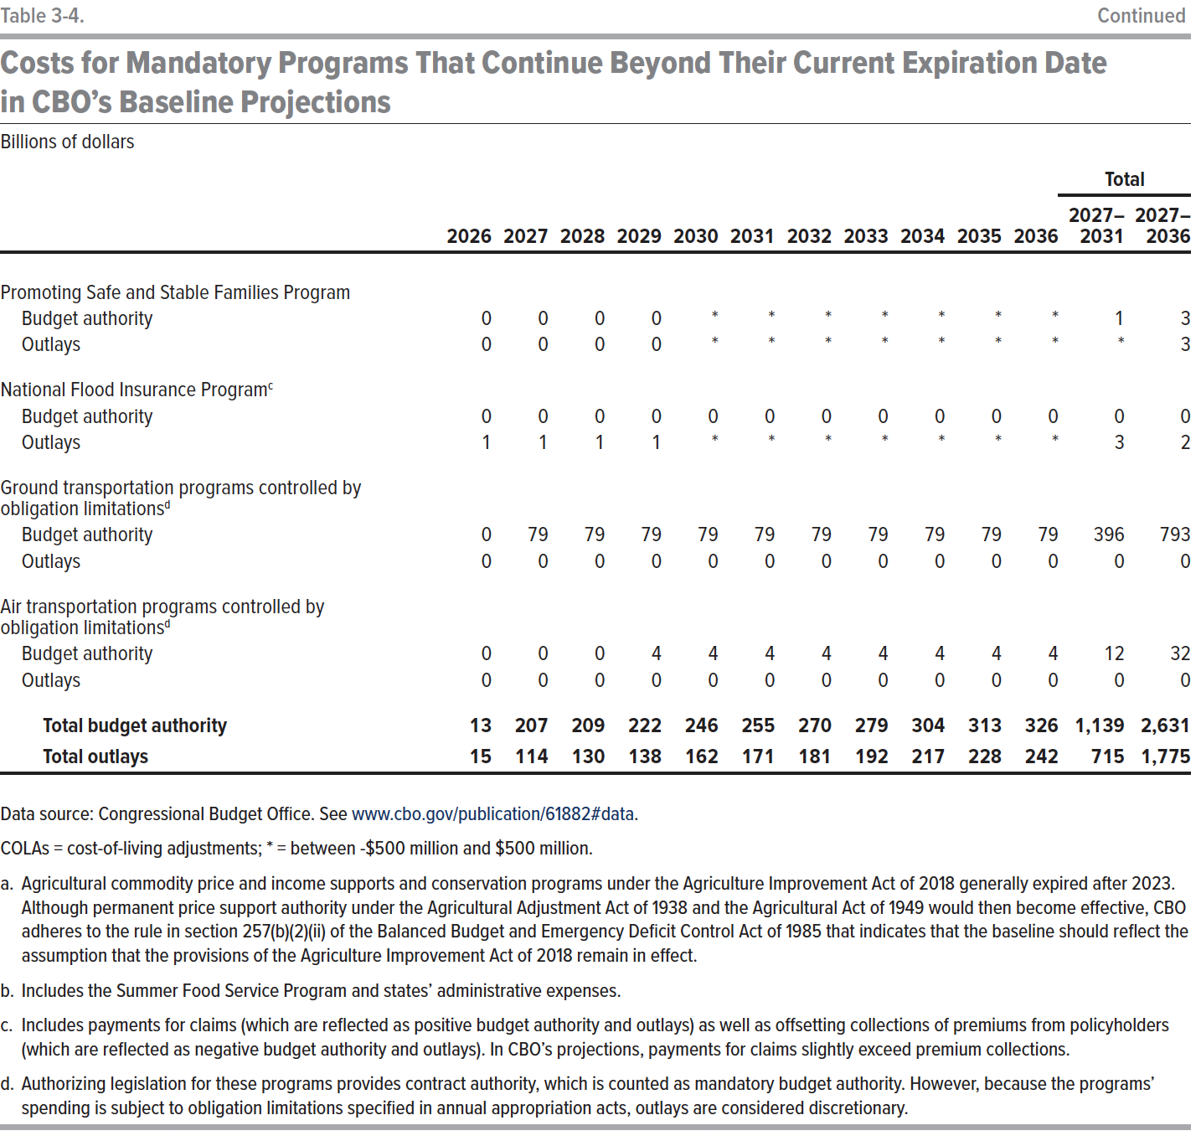
Ground transportation programs not subject to annual obligation limitations
Budget authority | 0 | 1 | 1 | 1 | 1 | 1 | 1 | 1 | 1 | 1 | 1 | 3 | 6
Outlays | 0 | 0 | 0 | 1 | 1 | 1 | 1 | 1 | 1 | 1 | 1 | 2 | 5

Promoting Safe and Stable Families Program
Budget authority | 0 | 0 | 0 | 0 | 0 | 0 | 0 | 0 | 0 | 0 | 0 | 1 | 3
Outlays | 0 | 0 | 0 | 0 | 0 | 0 | 0 | 0 | 0 | 0 | 0 | 0 | 3

National Flood Insurance Program
Budget authority | 0 | 0 | 0 | 0 | 0 | 0 | 0 | 0 | 0 | 0 | 0 | 0 | 0
Outlays | 1 | 1 | 1 | 1 | 0 | 0 | 0 | 0 | 0 | 0 | 0 | 3 | 2

Ground transportation programs controlled by obligation limitations
Budget Authority | 0 | 79 | 79 | 79 | 79 | 79 | 79 | 79 | 79 | 79 | 79 | 396 | 793
Outlays | 0 | 0 | 0 | 0 | 0 | 0 | 0 | 0 | 0 | 0 | 0 | 0 | 0

Air transportation programs controlled by obligation limitations
Budget authority | 0 | 0 | 0 | 4 | 4 | 4 | 4 | 4 | 4 | 4 | 4 | 12 | 32
Outlays | 0 | 0 | 0 | 0 | 0 | 0 | 0 | 0 | 0 | 0 | 0 | 0 | 0

Total budget authority | 13 | 207 | 209 | 222 | 246 | 255 | 270 | 279 | 304 | 313 | 326 | 1,139 | 2,631
Total outlays | 15 | 114 | 130 | 138 | 162 | 171 | 181 | 192 | 217 | 228 | 242 | 715 | 1,775

Back to Table of Contents

Table 3-5
This file presents data that supplement CBO’s February 2026 report The Budget and Economic Outlook: 2026 to 2036.
www.cbo.gov/publication/61882

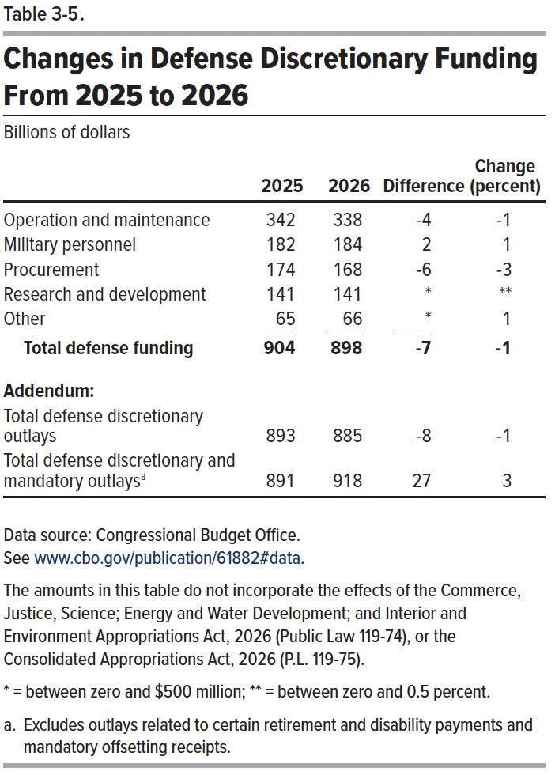
Table 3-5. Changes in Defense Discretionary Funding From 2025 to 2026
Billions of dollars
 | 2025 | 2026 | Difference | Change (percent)
Operation and maintenance | 342 | 338 | -4 | -1
Military personnel | 182 | 184 | 2 | 1
Procurement | 174 | 168 | -6 | -3
Research and development | 141 | 141 | 0 | 0
Other | 65 | 66 | 0 | 1
Total defense funding | 904 | 898 | -7 | -1
Addendum:
Total defense discretionary outlays | 893 | 885 | -8 | -1
Total defense discretionary and mandatory outlays | 891 | 918 | 27 | 3

Back to Table of Contents

Table 3-6
This file presents data that supplement CBO’s February 2026 report The Budget and Economic Outlook: 2026 to 2036.
www.cbo.gov/publication/61882

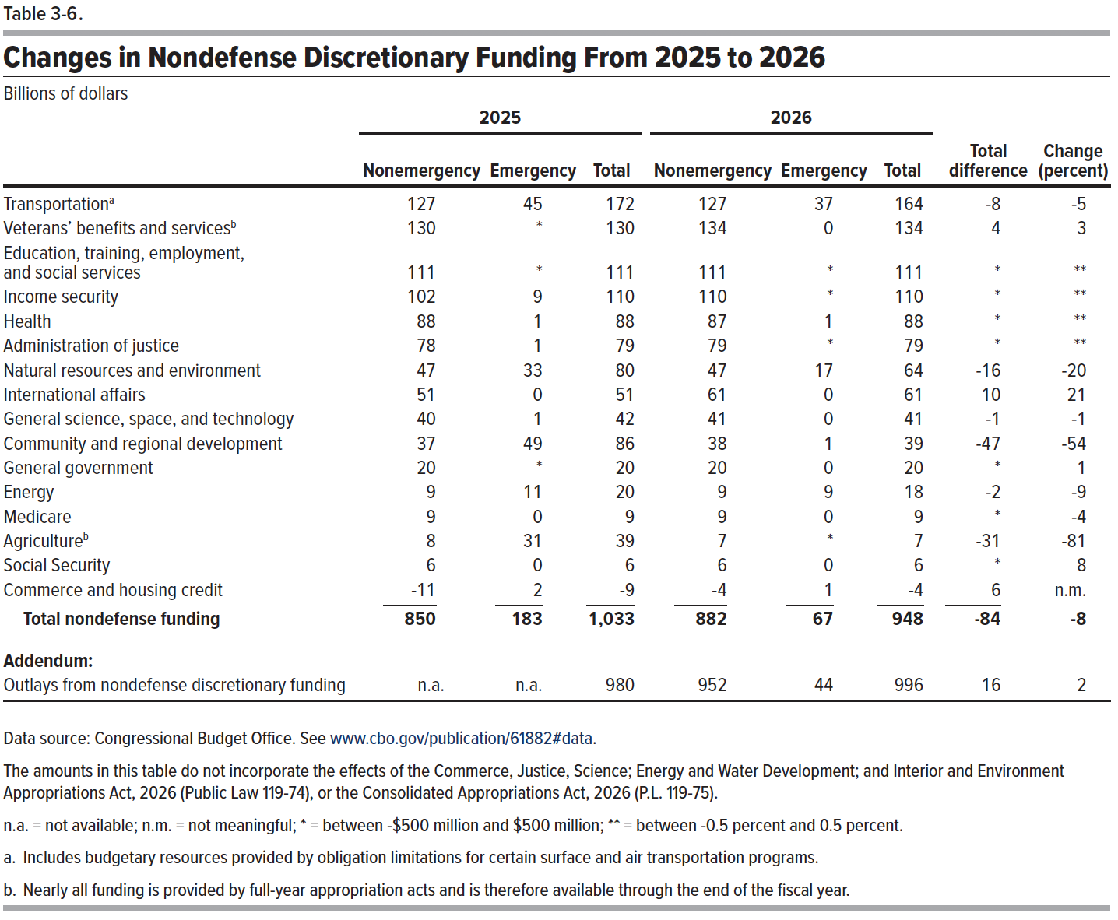
Table 3-6. Changes in Nondefense Discretionary Funding From 2025 to 2026
Billions of dollars
 | 2025 |  |  | 2026 |  |  | Total | Change
 | Nonemergency | Emergency | Total | Nonemergency | Emergency | Total | difference | (percent)
Transportation | 127 | 45 | 172 | 127 | 37 | 164 | -8 | -5
Veterans' benefits and services | 130 | 0 | 130 | 134 | 0 | 134 | 4 | 3
Education, training, employment, and social services | 111 | 0 | 111 | 111 | 0 | 111 | 0 | 0
Income security | 102 | 9 | 110 | 110 | 0 | 110 | 0 | 0
Health | 88 | 1 | 88 | 87 | 1 | 88 | 0 | 0
Administration of justice | 78 | 1 | 79 | 79 | 0 | 79 | 0 | 0
Natural resources and environment | 47 | 33 | 80 | 47 | 17 | 64 | -16 | -20
International affairs | 51 | 0 | 51 | 61 | 0 | 61 | 10 | 21
General science, space, and technology | 40 | 1 | 42 | 41 | 0 | 41 | -1 | -1
Community and regional development | 37 | 49 | 86 | 38 | 1 | 39 | -47 | -54
General government | 20 | 0 | 20 | 20 | 0 | 20 | 0 | 1
Energy | 9 | 11 | 20 | 9 | 9 | 18 | -2 | -9
Medicare | 9 | 0 | 9 | 9 | 0 | 9 | 0 | -4
Agriculture | 8 | 31 | 39 | 7 | 0 | 7 | -31 | -81
Social Security | 6 | 0 | 6 | 6 | 0 | 6 | 0 | 8
Commerce and housing credit | -11 | 2 | -9 | -4 | 1 | -4 | 6 | n.m.
Total nondefense funding | 850 | 183 | 1,033 | 882 | 67 | 948 | -84 | -8
Addendum:
Outlays from nondefense discretionary funding | n.a. | n.a. | 980 | 952 | 44 | 996 | 16 | 2

Back to Table of Contents

Table 3-7
This file presents data that supplement CBO’s February 2026 report The Budget and Economic Outlook: 2026 to 2036.
www.cbo.gov/publication/61882

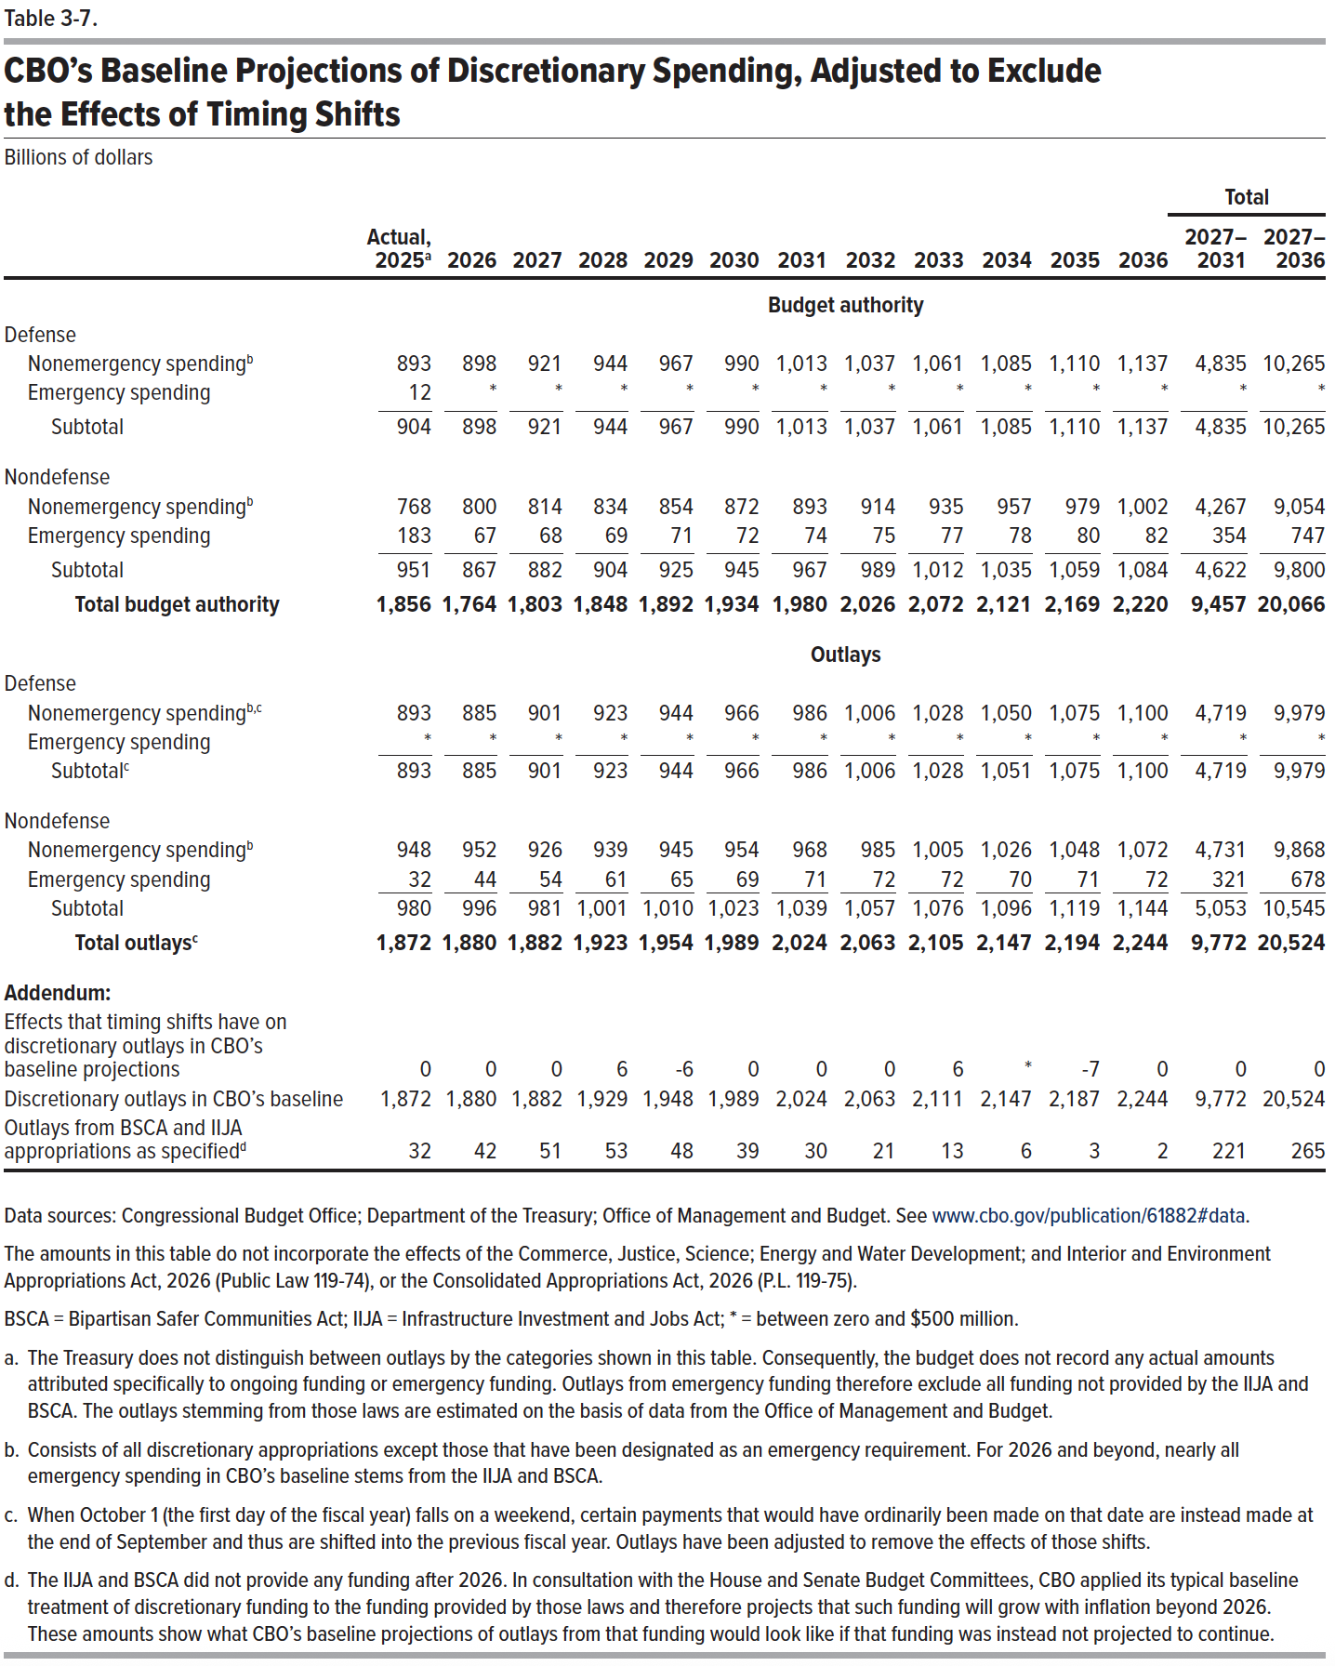
Table 3-7. CBO’s Baseline Projections of Discretionary Spending, Adjusted to Exclude the Effects of Timing Shifts
Billions of dollars

 |  |  |  |  |  |  |  |  |  |  |  |  | Total
 | 2025 | 2026 | 2027 | 2028 | 2029 | 2030 | 2031 | 2032 | 2033 | 2034 | 2035 | 2036 | 2027– 2031 | 2027– 2036
 | Budget authority
Defense
Nonemergency spending | 893 | 898 | 921 | 944 | 967 | 990 | 1,013 | 1,037 | 1,061 | 1,085 | 1,110 | 1,137 | 4,835 | 10,265
Emergency spending | 12 | 0 | 0 | 0 | 0 | 0 | 0 | 0 | 0 | 0 | 0 | 0 | 0 | 0
Subtotal | 904 | 898 | 921 | 944 | 967 | 990 | 1,013 | 1,037 | 1,061 | 1,085 | 1,110 | 1,137 | 4,835 | 10,265
Nondefense
Nonemergency spending | 768 | 800 | 814 | 834 | 854 | 872 | 893 | 914 | 935 | 957 | 979 | 1,002 | 4,267 | 9,054
Emergency spending | 183 | 67 | 68 | 69 | 71 | 72 | 74 | 75 | 77 | 78 | 80 | 82 | 354 | 747
Subtotal | 951 | 867 | 882 | 904 | 925 | 945 | 967 | 989 | 1,012 | 1,035 | 1,059 | 1,084 | 4,622 | 9,800
Total budget authority | 1,856 | 1,764 | 1,803 | 1,848 | 1,892 | 1,934 | 1,980 | 2,026 | 2,072 | 2,121 | 2,169 | 2,220 | 9,457 | 20,066

 | Outlays
Defense
Nonemergency spending | 893 | 885 | 901 | 923 | 944 | 966 | 986 | 1,006 | 1,028 | 1,050 | 1,075 | 1,100 | 4,719 | 9,979
Emergency spending | 0 | 0 | 0 | 0 | 0 | 0 | 0 | 0 | 0 | 0 | 0 | 0 | 0 | 0
Subtotal | 893 | 885 | 901 | 923 | 944 | 966 | 986 | 1,006 | 1,028 | 1,051 | 1,075 | 1,100 | 4,719 | 9,979
Nondefense
Nonemergency spending | 948 | 952 | 926 | 939 | 945 | 954 | 968 | 985 | 1,005 | 1,026 | 1,048 | 1,072 | 4,731 | 9,868
Emergency spending | 32 | 44 | 54 | 61 | 65 | 69 | 71 | 72 | 72 | 70 | 71 | 72 | 321 | 678
Subtotal | 980 | 996 | 981 | 1,001 | 1,010 | 1,023 | 1,039 | 1,057 | 1,076 | 1,096 | 1,119 | 1,144 | 5,053 | 10,545
Total outlays | 1,872 | 1,880 | 1,882 | 1,923 | 1,954 | 1,989 | 2,024 | 2,063 | 2,105 | 2,147 | 2,194 | 2,244 | 9,772 | 20,524

Addendum:
Effects that timing shifts have on discretionary outlays in CBO's baseline projections | 0 | 0 | 0 | 6 | -6 | 0 | 0 | 0 | 6 | 0 | -7 | 0 | 0 | 0
Discretionary outlays in CBO's baseline | 1,872 | 1,880 | 1,882 | 1,929 | 1,948 | 1,989 | 2,024 | 2,063 | 2,111 | 2,147 | 2,187 | 2,244 | 9,772 | 20,524
Outlays from BSCA and IIJA appropriations as specified | 32 | 42 | 51 | 53 | 48 | 39 | 30 | 21 | 13 | 6 | 3 | 2 | 221 | 265

Back to Table of Contents

Table 3-8
This file presents data that supplement CBO’s February 2026 report The Budget and Economic Outlook: 2026 to 2036.
www.cbo.gov/publication/61882

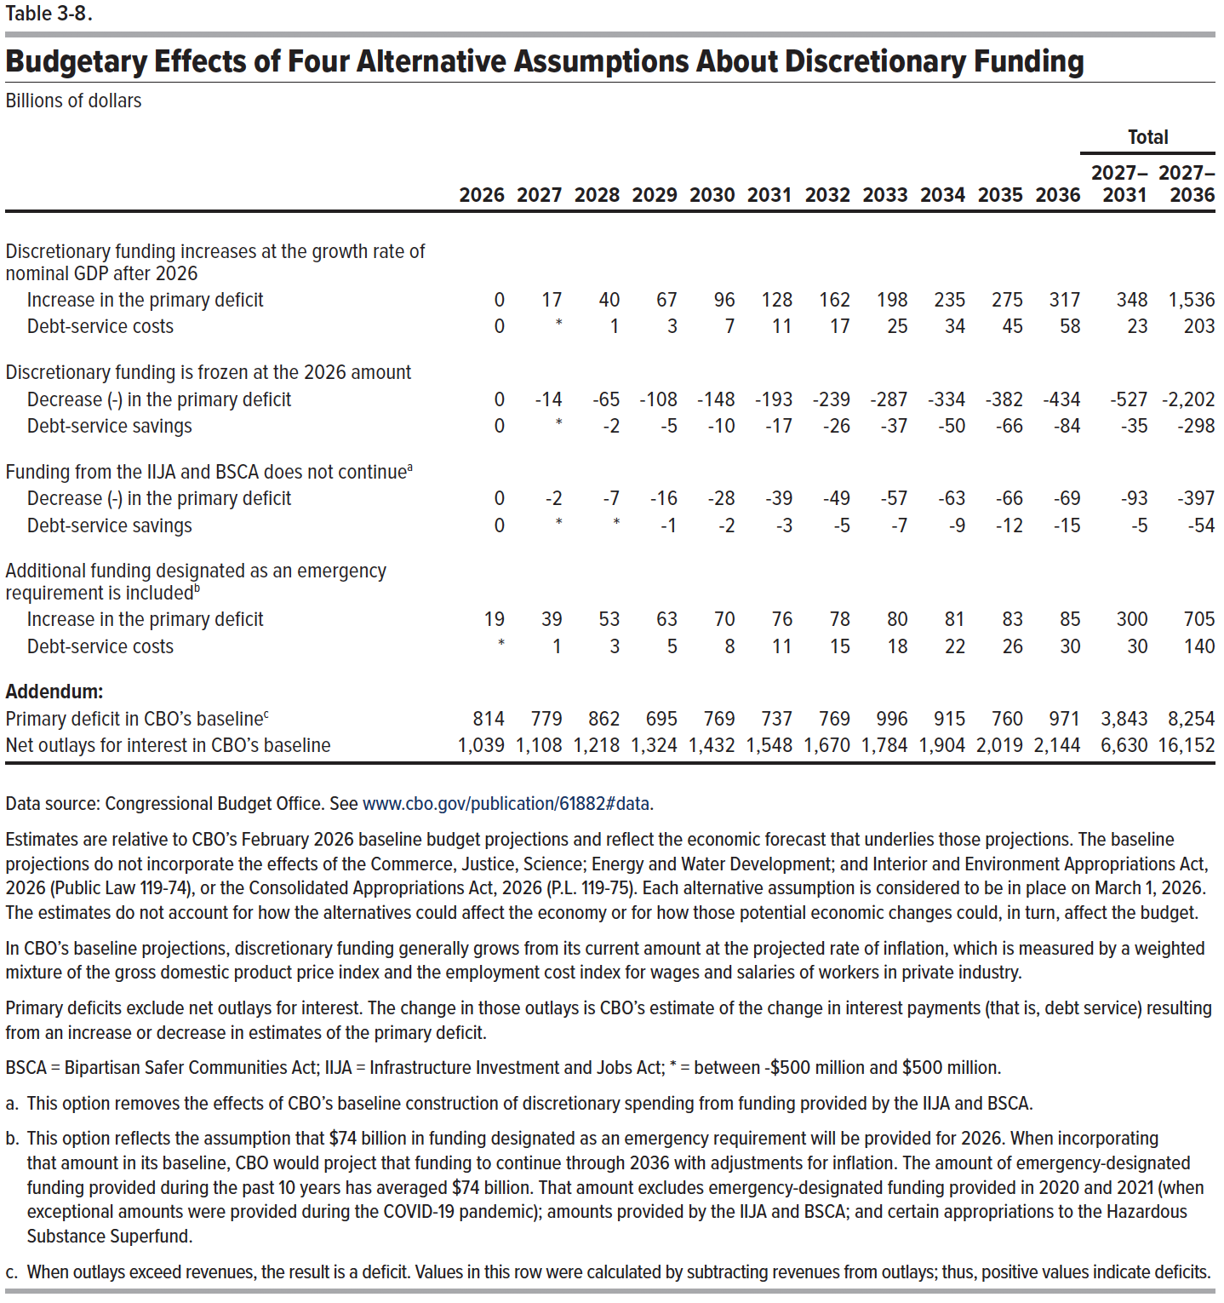
Table 3-8. Budgetary Effects of Four Alternative Assumptions About Discretionary Funding
Billions of dollars

 |  |  |  |  |  |  |  |  |  |  |  | Total
 | 2026 | 2027 | 2028 | 2029 | 2030 | 2031 | 2032 | 2033 | 2034 | 2035 | 2036 | 2027– 2031 | 2027– 2036
Discretionary funding increases at the growth rate of nominal GDP after 2026
Increase in the primary deficit | 0 | 17 | 40 | 67 | 96 | 128 | 162 | 198 | 235 | 275 | 317 | 348 | 1,536
Debt-service costs | 0 | 0 | 1 | 3 | 7 | 11 | 17 | 25 | 34 | 45 | 58 | 23 | 203

Discretionary funding is frozen at the 2026 amount
Decrease (-) in the primary deficit | 0 | -14 | -65 | -108 | -148 | -193 | -239 | -287 | -334 | -382 | -434 | -527 | -2,202
Debt-service savings | 0 | 0 | -2 | -5 | -10 | -17 | -26 | -37 | -50 | -66 | -84 | -35 | -298

Funding from the IIJA and BSCA does not continue
Decrease (-) in the primary deficit | 0 | -2 | -7 | -16 | -28 | -39 | -49 | -57 | -63 | -66 | -69 | -93 | -397
Debt-service savings | 0 | 0 | 0 | -1 | -2 | -3 | -5 | -7 | -9 | -12 | -15 | -5 | -54

Additional funding designated as an emergency requirement is included
Increase in the primary deficit | 18 | 39 | 53 | 63 | 70 | 76 | 77 | 79 | 81 | 83 | 85 | 300 | 705
Debt-service costs | 0 | 1 | 3 | 5 | 8 | 11 | 15 | 18 | 22 | 26 | 30 | 30 | 140

Addendum:
Primary deficit in CBO's baseline | 814 | 779 | 862 | 695 | 769 | 737 | 769 | 996 | 915 | 760 | 971 | 3,843 | 8,254
Net outlays for interest in CBO's baseline | 1,039 | 1,108 | 1,218 | 1,324 | 1,432 | 1,548 | 1,670 | 1,784 | 1,904 | 2,019 | 2,144 | 6,630 | 16,152

Back to Table of Contents

Box 3-2 Table
This file presents data that supplement CBO’s February 2026 report The Budget and Economic Outlook: 2026 to 2036.
www.cbo.gov/publication/61882

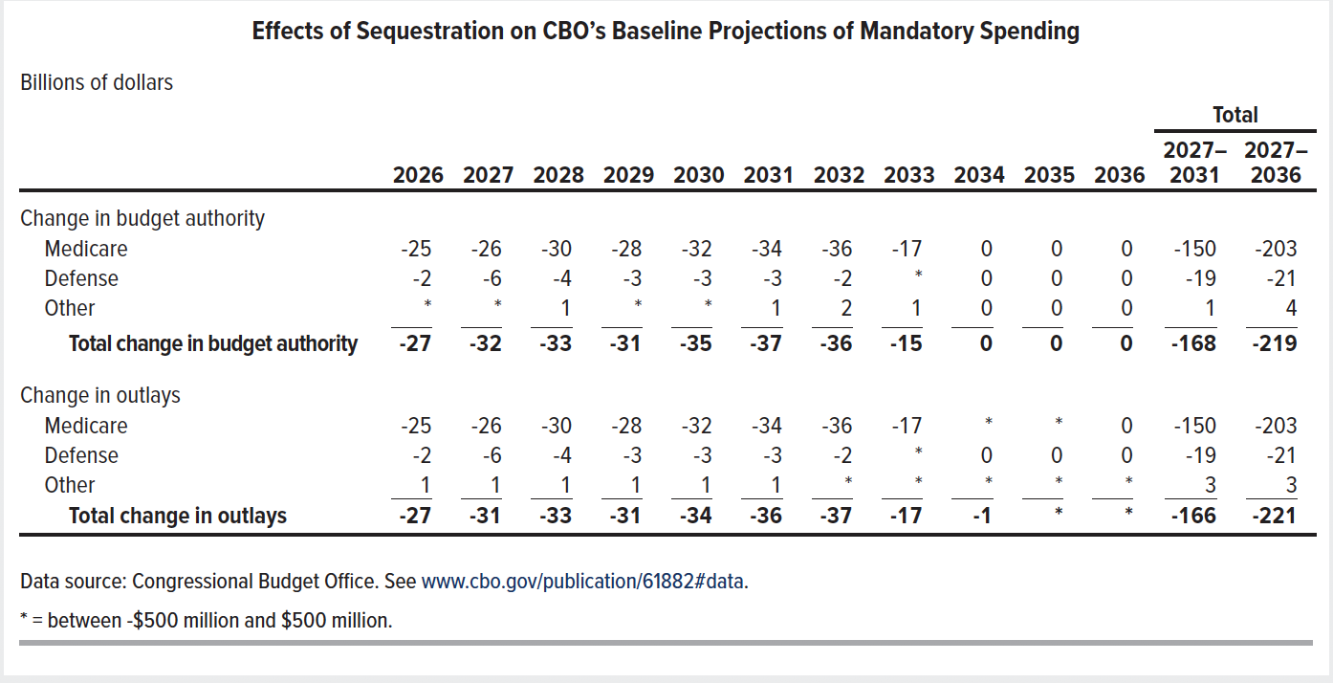
Box 3-2 Table. Effects of Sequestration on CBO's Baseline Projections of Mandatory Spending
Billions of dollars

 |  |  |  |  |  |  |  |  |  |  |  | Total
 | 2026 | 2027 | 2028 | 2029 | 2030 | 2031 | 2032 | 2033 | 2034 | 2035 | 2036 | 2027– 2031 | 2027– 2036
Change in budget authority
Medicare | -25 | -26 | -30 | -28 | -32 | -34 | -36 | -17 | 0 | 0 | 0 | -150 | -203
Defense | -2 | -6 | -4 | -3 | -3 | -3 | -2 | 0 | 0 | 0 | 0 | -19 | -21
Other | 0 | 0 | 1 | 0 | 0 | 1 | 2 | 1 | 0 | 0 | 0 | 1 | 4
Total change in budget authority | -27 | -32 | -33 | -31 | -35 | -37 | -36 | -15 | 0 | 0 | 0 | -168 | -219

Change in outlays
Medicare | -25 | -26 | -30 | -28 | -32 | -34 | -36 | -17 | 0 | 0 | 0 | -150 | -203
Defense | -2 | -6 | -4 | -3 | -3 | -3 | -2 | 0 | 0 | 0 | 0 | -19 | -21
Other | 1 | 1 | 1 | 1 | 1 | 1 | 0 | 0 | 0 | 0 | 0 | 3 | 3
Total change in outlays | -27 | -31 | -33 | -31 | -34 | -36 | -37 | -17 | -1 | 0 | 0 | -166 | -221

Back to Table of Contents

Table 5-1
This file presents data that supplement CBO’s February 2026 report The Budget and Economic Outlook: 2026 to 2036.
www.cbo.gov/publication/61882

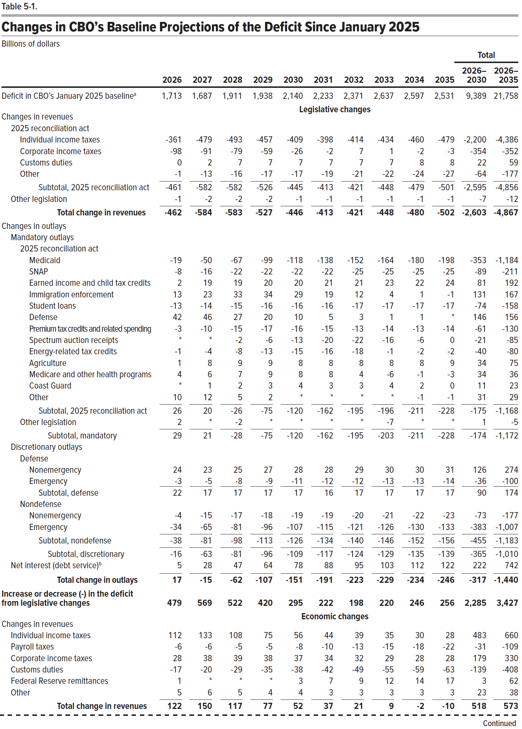
Table 5-1. Changes in CBO’s Baseline Projections of the Deficit Since January 2025
Billions of dollars
 |  |  |  |  |  |  |  |  |  |  | Total
 | 2026 | 2027 | 2028 | 2029 | 2030 | 2031 | 2032 | 2033 | 2034 | 2035 | 2026– 2030 | 2026– 2035

Deficit in CBO's January 2025 baseline | 1,713 | 1,687 | 1,911 | 1,938 | 2,140 | 2,233 | 2,371 | 2,637 | 2,597 | 2,531 | 9,389 | 21,758
 | Legislative changes
Changes in revenues
2025 reconciliation act
Individual income taxes | -361 | -479 | -493 | -457 | -409 | -398 | -414 | -434 | -460 | -479 | -2,200 | -4,386
Corporate income taxes | -98 | -91 | -79 | -59 | -26 | -2 | 7 | 1 | -2 | -3 | -354 | -352
Customs duties | 0 | 2 | 7 | 7 | 7 | 7 | 7 | 7 | 8 | 8 | 22 | 59
Other | -1 | -13 | -16 | -17 | -17 | -19 | -21 | -22 | -24 | -27 | -64 | -177
Subtotal, 2025 reconciliation act | -461 | -582 | -582 | -526 | -445 | -413 | -421 | -448 | -479 | -501 | -2,595 | -4,856
Other legislation | -1 | -2 | -2 | -2 | -1 | -1 | -1 | -1 | -1 | -1 | -7 | -12
Total change in revenues | -462 | -584 | -583 | -527 | -446 | -413 | -421 | -448 | -480 | -502 | -2,603 | -4,867
Changes in outlays
Mandatory outlays
2025 reconciliation act
Medicaid | -19 | -50 | -67 | -99 | -118 | -138 | -152 | -164 | -180 | -198 | -353 | -1,184
SNAP | -8 | -16 | -22 | -22 | -22 | -22 | -25 | -25 | -25 | -25 | -89 | -211
Earned income and child tax credits | 2 | 19 | 19 | 20 | 20 | 21 | 21 | 23 | 22 | 24 | 80 | 190
Immigration enforcement | 13 | 23 | 33 | 34 | 29 | 19 | 12 | 4 | 1 | -1 | 131 | 167
Student loans | -13 | -14 | -15 | -16 | -16 | -16 | -17 | -17 | -17 | -17 | -74 | -158
Defense | 42 | 46 | 27 | 20 | 10 | 5 | 3 | 1 | 1 | 0 | 146 | 156
Premium tax credits and related spending | -3 | -10 | -15 | -17 | -16 | -15 | -14 | -14 | -13 | -14 | -61 | -130
Spectrum auction receipts | 0 | 0 | -2 | -6 | -13 | -20 | -22 | -16 | -6 | 0 | -21 | -85
Energy-related tax credits | -1 | -4 | -8 | -13 | -15 | -16 | -18 | -1 | -2 | -2 | -40 | -80
Agriculture | 1 | 8 | 9 | 9 | 8 | 8 | 8 | 8 | 8 | 9 | 34 | 75
Medicare and other health programs | 2 | 5 | 7 | 8 | 8 | 8 | 4 | 1 | -1 | -3 | 30 | 39
Coast Guard | 0 | 1 | 2 | 3 | 4 | 3 | 3 | 4 | 2 | 0 | 11 | 23
Other | 10 | 12 | 5 | 2 | 0 | 0 | 0 | 0 | -1 | -1 | 31 | 29
Subtotal, 2025 reconciliation act | 26 | 20 | -26 | -75 | -120 | -162 | -195 | -196 | -211 | -228 | -175 | -1,168
Other legislation | 2 | 0 | -2 | 0 | 0 | 0 | 0 | -7 | 0 | 0 | 1 | -5
Subtotal, mandatory | 29 | 21 | -28 | -75 | -120 | -162 | -195 | -203 | -211 | -228 | -174 | -1,172
Discretionary outlays
Defense
Nonemergency | 24 | 23 | 25 | 27 | 28 | 28 | 29 | 30 | 30 | 31 | 126 | 274
Emergency | -3 | -5 | -8 | -9 | -11 | -12 | -12 | -13 | -13 | -14 | -36 | -100
Subtotal, defense | 22 | 17 | 17 | 17 | 17 | 16 | 17 | 17 | 17 | 17 | 90 | 174
Nondefense
Nonemergency | -4 | -15 | -17 | -18 | -19 | -19 | -20 | -21 | -22 | -23 | -73 | -177
Emergency | -34 | -65 | -81 | -96 | -107 | -115 | -121 | -126 | -130 | -133 | -383 | -1,007
Subtotal, nondefense | -38 | -81 | -98 | -113 | -126 | -134 | -140 | -146 | -152 | -156 | -455 | -1,183
Subtotal, discretionary | -16 | -63 | -81 | -96 | -109 | -117 | -124 | -129 | -135 | -139 | -365 | -1,010
Net interest (debt service) | 5 | 28 | 47 | 64 | 78 | 88 | 95 | 103 | 112 | 122 | 222 | 742
Total change in outlays | 17 | -15 | -62 | -107 | -151 | -191 | -223 | -229 | -234 | -246 | -317 | -1,440

Increase or decrease (-) in the deficit from legislative changes | 479 | 569 | 522 | 420 | 295 | 222 | 198 | 220 | 246 | 256 | 2,285 | 3,427
 | Economic changes
Changes in revenues
Individual income taxes | 112 | 133 | 108 | 75 | 56 | 44 | 39 | 35 | 30 | 28 | 483 | 660
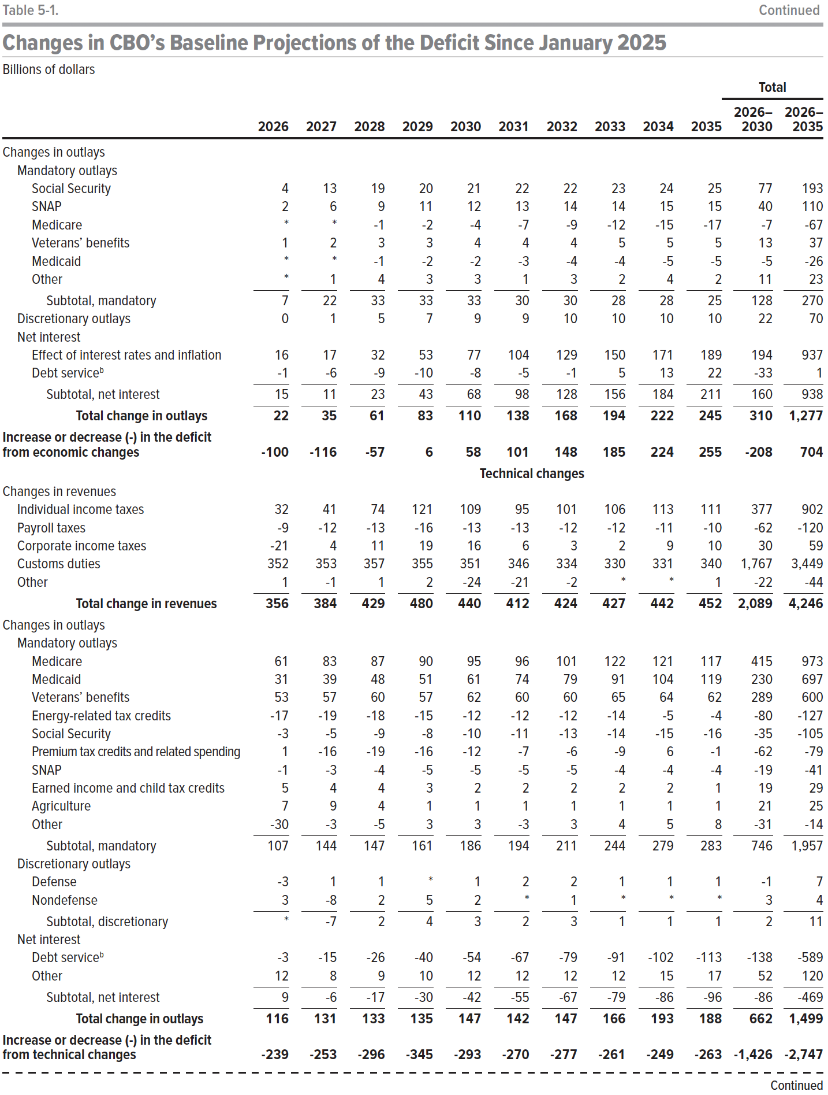
Payroll taxes | -6 | -6 | -5 | -5 | -8 | -10 | -13 | -15 | -18 | -22 | -31 | -109
Corporate income taxes | 28 | 38 | 39 | 38 | 37 | 34 | 32 | 29 | 28 | 28 | 179 | 330
Customs duties | -17 | -20 | -29 | -35 | -38 | -42 | -49 | -55 | -59 | -63 | -139 | -408
Federal Reserve remittances | 1 | 0 | 0 | 0 | 3 | 7 | 9 | 12 | 14 | 17 | 3 | 62
Other | 5 | 6 | 5 | 4 | 4 | 3 | 3 | 3 | 3 | 3 | 23 | 38
Total change in revenues | 122 | 150 | 117 | 77 | 52 | 37 | 21 | 9 | -2 | -10 | 518 | 573
Changes in Outlays
Mandatory outlays
Social Security | 4 | 13 | 19 | 20 | 21 | 22 | 22 | 23 | 24 | 25 | 77 | 193
SNAP | 2 | 6 | 9 | 11 | 12 | 13 | 14 | 14 | 15 | 15 | 40 | 110
Medicare | 0 | 0 | -1 | -2 | -4 | -7 | -9 | -12 | -15 | -17 | -7 | -67
Veterans' benefits | 1 | 2 | 3 | 3 | 4 | 4 | 4 | 5 | 5 | 5 | 13 | 37
Medicaid | 0 | 0 | -1 | -2 | -2 | -3 | -4 | -4 | -5 | -5 | -5 | -26
Other | 0 | 1 | 4 | 3 | 3 | 1 | 3 | 2 | 4 | 2 | 11 | 23
Subtotal, mandatory | 7 | 22 | 33 | 33 | 33 | 30 | 30 | 28 | 28 | 25 | 128 | 270
Discretionary outlays | 0 | 1 | 5 | 7 | 9 | 9 | 10 | 10 | 10 | 10 | 22 | 70
Net interest
Effect of interest rates and inflation | 16 | 17 | 32 | 53 | 77 | 104 | 129 | 150 | 171 | 189 | 194 | 937
Debt service | -1 | -6 | -9 | -10 | -8 | -5 | -1 | 5 | 13 | 22 | -33 | 1
Subtotal, net interest | 15 | 11 | 23 | 43 | 68 | 98 | 128 | 156 | 184 | 211 | 160 | 938
Total change in outlays | 22 | 35 | 61 | 83 | 110 | 138 | 168 | 194 | 222 | 245 | 310 | 1,277

Increase or decrease (-) in the deficit from economic changes | -100 | -116 | -57 | 6 | 58 | 101 | 148 | 185 | 224 | 255 | -208 | 704
 | Technical changes
Changes in revenues
Individual income taxes | 32 | 41 | 74 | 121 | 109 | 95 | 101 | 106 | 113 | 111 | 377 | 902
Payroll taxes | -9 | -12 | -13 | -16 | -13 | -13 | -12 | -12 | -11 | -10 | -62 | -120
Corporate income taxes | -21 | 4 | 11 | 19 | 16 | 6 | 3 | 2 | 9 | 10 | 30 | 59
Customs duties | 352 | 353 | 357 | 355 | 351 | 346 | 334 | 330 | 331 | 340 | 1,767 | 3,449
Other | 1 | -1 | 1 | 2 | -24 | -21 | -2 | 0 | 0 | 1 | -22 | -44
Total change in revenues | 356 | 384 | 429 | 480 | 440 | 412 | 424 | 427 | 442 | 452 | 2,089 | 4,246
Changes in outlays
Mandatory outlays
Medicare | 61 | 83 | 87 | 90 | 95 | 96 | 101 | 122 | 121 | 117 | 415 | 973
Medicaid | 31 | 39 | 48 | 51 | 61 | 74 | 79 | 91 | 104 | 119 | 230 | 697
Veterans' benefits | 53 | 57 | 60 | 57 | 62 | 60 | 60 | 65 | 64 | 62 | 289 | 600
Energy-related tax credits | -17 | -19 | -18 | -15 | -12 | -12 | -12 | -14 | -5 | -4 | -80 | -127
Social Security | -3 | -5 | -9 | -8 | -10 | -11 | -13 | -14 | -15 | -16 | -35 | -105
Premium tax credits and related spending | 1 | -16 | -19 | -16 | -12 | -7 | -6 | -9 | 6 | -1 | -62 | -79
SNAP | -1 | -3 | -4 | -5 | -5 | -5 | -5 | -4 | -4 | -4 | -19 | -41
Earned income and child tax credits | 5 | 4 | 4 | 3 | 2 | 2 | 2 | 2 | 2 | 1 | 19 | 29
Agriculture | 7 | 9 | 4 | 1 | 1 | 1 | 1 | 1 | 1 | 1 | 21 | 25
Other | -30 | -3 | -5 | 3 | 3 | -3 | 3 | 4 | 5 | 8 | -31 | -14
Subtotal, mandatory | 107 | 144 | 147 | 161 | 186 | 194 | 211 | 244 | 279 | 283 | 746 | 1,957
Discretionary outlays
Defense | -3 | 1 | 1 | 0 | 1 | 2 | 2 | 1 | 1 | 1 | -1 | 7
Nondefense | 3 | -8 | 2 | 5 | 2 | 0 | 1 | 0 | 0 | 0 | 3 | 4
Subtotal, discretionary | 0 | -7 | 2 | 4 | 3 | 2 | 3 | 1 | 1 | 1 | 2 | 11
Net interest
Debt service | -3 | -15 | -26 | -40 | -54 | -67 | -79 | -91 | -102 | -113 | -138 | -589
Other | 12 | 8 | 9 | 10 | 12 | 12 | 12 | 12 | 15 | 17 | 52 | 120
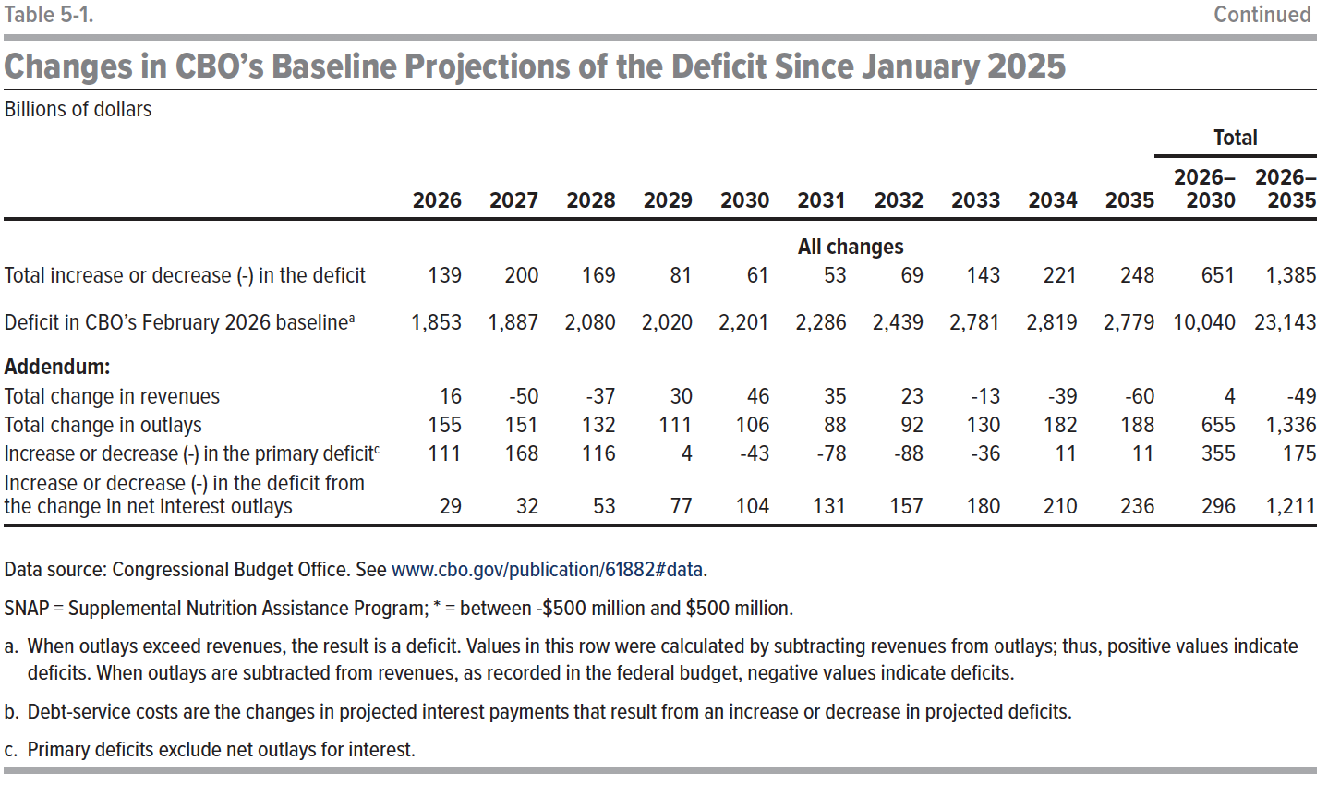
Subtotal, net interest | 9 | -6 | -17 | -30 | -42 | -55 | -67 | -79 | -86 | -96 | -86 | -469
Total change in outlays | 116 | 131 | 133 | 135 | 147 | 142 | 147 | 166 | 193 | 188 | 662 | 1,499

Increase or decrease (-) in the deficit from technical changes | -239 | -253 | -296 | -345 | -293 | -270 | -277 | -261 | -249 | -263 | -1,426 | -2,747
 | All changes
Total increase or decrease (-) in the deficit | 139 | 200 | 169 | 81 | 61 | 53 | 69 | 143 | 221 | 248 | 651 | 1,385
Deficit in CBO's February 2026 baseline | 1,853 | 1,887 | 2,080 | 2,020 | 2,201 | 2,286 | 2,439 | 2,781 | 2,819 | 2,779 | 10,040 | 23,143

Addendum:
Total change in revenues | 16 | -50 | -37 | 30 | 46 | 35 | 23 | -13 | -39 | -60 | 4 | -49
Total change in outlays | 155 | 151 | 132 | 111 | 106 | 88 | 92 | 130 | 182 | 188 | 655 | 1,336
Increase or decrease (-) in the primary deficit | 111 | 168 | 116 | 4 | -43 | -78 | -88 | -36 | 11 | 11 | 355 | 175
Increase or decrease (-) in the deficit from the change in net interest outlays | 29 | 32 | 53 | 77 | 104 | 131 | 157 | 180 | 210 | 236 | 296 | 1,211

Back to Table of Contents

