Stat
<PreOP dermographics >
 | Clinical MPS | Subclinical MPS | Non MPS
 | (N=79) | (N=100) | (N=292)

Male | 45 (57.0%) | 59 (59.0%) | 123 (42.1%) | 0.003

Age | 58.0 [45.5;68.0] | 59.5 [47.0;65.0] | 59.0 [47.0;69.0] | 0.89

preHTN | 55 (69.6%) | 53 (53.0%) | 169 (57.9%) | 0.07

preDM | 4 ( 5.1%) | 5 ( 5.0%) | 14 ( 4.8%) | 0.993

preCAD | 5 ( 6.3%) | 4 ( 4.0%) | 7 ( 2.4%) | 0.215

preCKD | 1 ( 1.3%) | 0 ( 0.0%) | 4 ( 1.4%) | 0.504

Redo-sternotomy | 0 ( 0.0%) | 4 ( 4.0%) | 6 ( 2.1%) | 0.181

Redo-aorta | 1 ( 1.3%) | 2 ( 2.0%) | 1 ( 0.3%) | 0.269

Marfan | 7 ( 8.9%) | 9 ( 9.0%) | 33 (11.3%) | 0.717

Preoperative lab
-Hb | 12.7 +- 2.1 | 12.7 +- 2.1 | 12.3 +- 1.9 | 0.062
-AST | 36.5 [24.0;64.5] | 34.0 [23.0;57.5] | 24.0 [19.0;35.5] | <0.001
-ALT | 26.5 [16.0;63.5] | 26.0 [15.0;52.0] | 20.0 [14.0;30.0] | 0.001
-Cr | 1.2 [ 0.8; 1.6] | 1.1 [ 0.8; 1.4] | 0.9 [ 0.7; 1.1] | <0.001
-Lipase | 28.2 [21.5;58.0] | 28.9 [18.8;44.8] | 29.1 [21.8;41.2] | 0.791
-TnI | 0.1 [ 0.0; 0.3] | 0.1 [ 0.0; 0.7] | 0.0 [ 0.0; 0.1] | <0.001

< Opertive procedures and complications >
 | Clinical MPS | Subclinical MPS | Non MPS
 | (N=79) | (N=100) | (N=292)
Extent of replacment |  |  |  | 0.596
- Ascending only | 12 (15.2%) | 26 (26.0%) | 66 (22.6%)
- Hemi arch | 46 (58.2%) | 53 (53.0%) | 146 (50.0%)
- Partial arch | 4 ( 5.1%) | 4 ( 4.0%) | 13 ( 4.5%)
- Total arch | 17 (21.5%) | 17 (17.0%) | 67 (22.9%)

Root procedures | 13 (16.5%) | 18 (18.0%) | 68 (23.3%) | 0.294
 |  |  |  | 0.594
Elephant | 2 ( 2.5%) | 5 ( 5.0%) | 9 ( 3.1%)
Frozen Elephant | 2 ( 2.5%) | 0 ( 0.0%) | 2 ( 0.7%) | 0.166

CPB time (min) | 203.0 [168.5;264.0] | 197.0 [166.0;232.5] | 198.0 [159.5;243.0] | 0.316
ACC time (min) | 125.0 [99.0;168.0] | 125.0 [94.5;165.5] | 123.0 [93.0;167.0] | 0.87
TCA time (min) | 41.0 [34.5;104.5] | 40.0 [32.5;104.5] | 44.0 [35.0;99.0] | 0.657
Rectal temperature ('c) | 21.4 [19.0;22.5] | 20.2 [18.6;23.0] | 21.0 [18.6;23.0] | 0.84

All combined surgery | 50 (63.3%) | 49 (49.0%) | 114 (39.0%) | <0.001
- AVR or AVP | 30 (38.0%) | 37 (37.0%) | 84 (28.8%) | 0.146
- CABG | 12 (15.2%) | 12 (12.0%) | 22 ( 7.5%) | 0.088

ICU stay (h) | 87.0 [53.0;178.0] | 90.0 [49.0;160.5] | 69.0 [41.5;124.0] | 0.012
Ventilator (h) | 28.0 [11.5;73.5] | 19.0 [12.0;52.5] | 19.0 [12.0;35.0] | 0.053

HD (d) | 14.0 [ 9.0;27.0] | 14.0 [10.0;21.0] | 12.0 [10.0;18.0] | 0.106

Complications
- Bleeding | 8 (10.1%) | 12 (12.0%) | 23 ( 7.9%) | 0.44
- SWI | 1 ( 1.3%) | 0 ( 0.0%) | 1 ( 0.3%) | 0.408
- DSWI | 2 ( 2.5%) | 0 ( 0.0%) | 3 ( 1.0%) | 0.259
- Graftinfection | 0 ( 0.0%) | 0 ( 0.0%) | 3 ( 1.0%) | 0.396
- ARF | 19 (24.1%) | 12 (12.0%) | 21 ( 7.2%) | <0.001
- Periop MI | 1 ( 1.3%) | 0 ( 0.0%) | 1 ( 0.3%) | 0.408
- Stroke | 10 (12.7%) | 5 ( 5.0%) | 12 ( 4.1%) | 0.014

Early mortality | 15 (19.0%) | 3 ( 3.0%) | 12 ( 4.1%) | <0.001

 | < Risk factor of mortality >
 | Urivariate | Multivariate
 |  | p-value | OR | 95% interval
Age | <0.01 | <0.01 | 1.043 | 1.026 | 1.060
Male | 0.11
pre op HTN | <0.01 | 0.523 | 1.120 | 0.791 | 1.587
pre op DM | 0.945
CVAhx | 0.271
pre op lungds. | 0.546
pre op CAD | 0.699
pre op PVD | 0.55
pre op CKD | 0.623
Redosternotomy | 0.884
Marfan | <0.01 | 0.313 | 0.599 | 0.222 | 1.621
pre op Hb | <0.01 | 0.335 | 0.955 | 0.870 | 1.049
Totalarch | 0.157
Root | 0.011 | 0.932 | 0.977 | 0.567 | 1.682
CPBtime | 0.04 | <0.01 | 1.005 | 1.003 | 1.007
ACCtime | 0.208
TCAtime | 0.111
Clinical MPS | 0.015 | 0.026 | 1.641 | 1.061 | 2.538
Subclinical MPS | <0.01 | 0.108 | 1.338 | 0.938 | 1.907

< Kaplan-Meier : Clinical vs Subclinical vs non >
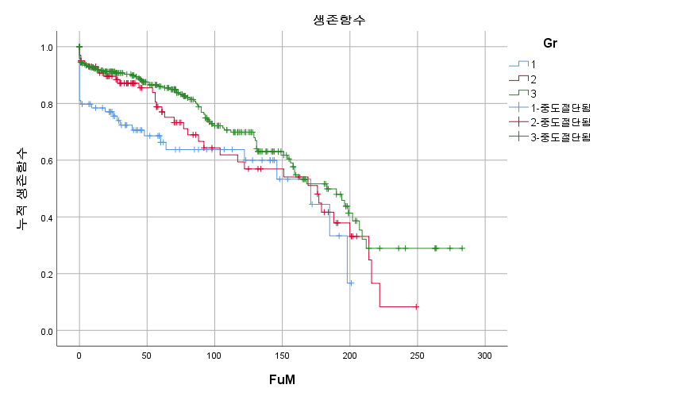

 |  |  |  |  | < log rank >
 |  |  |  |  | clinical vs sub | 0.152
 |  |  |  |  | clinical vs non | 0.005
 |  |  |  |  | sub vs non | 0.132

< Kaplan-Meier : Clinical vs other >
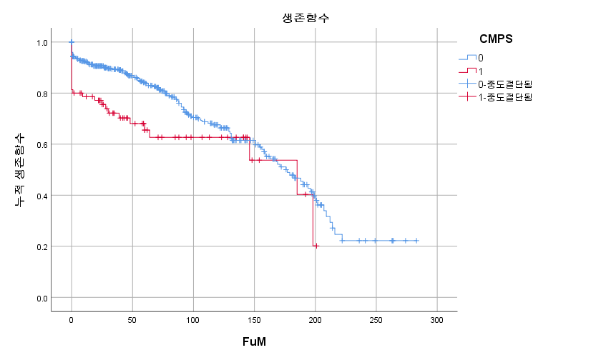

 |  |  |  |  | < log rank > | 0.013

