w Answers
residual error, MLP 2->1
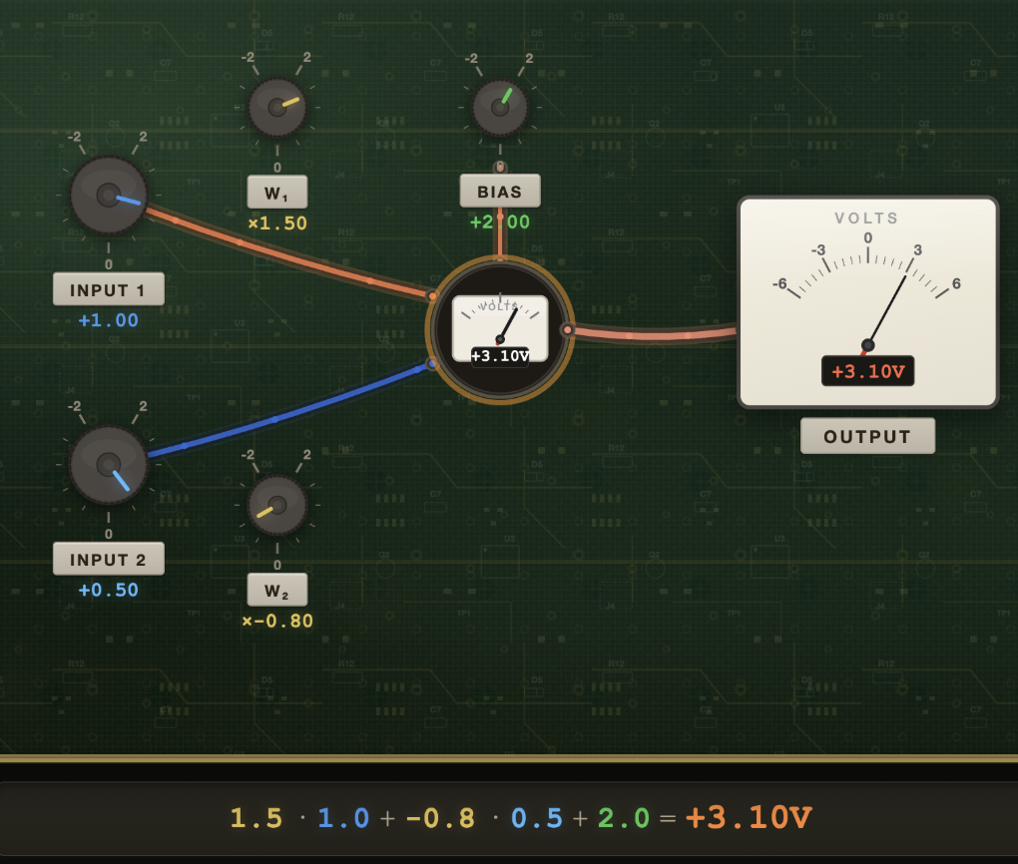
 | input | 1.0 | 0.5 | 1.0

 |  |  |  | bias
 | weight | 1.5 | -0.8 | 2.0

 | output | 3.1

 | expected | 4.0
 | output

 | residual error | 0.9 | [FILL]

y vs. observed y, and error
Residual error

 | x | 1.0 | 2.0 | 3.0 | 4.0 | 5.0 | 6.0 | 7.0 | 8.0 | 9.0 | 10.0
[FILL] | y=x+1 | 2.0 | 3.0 | 4.0 | 5.0 | 6.0 | 7.0 | 8.0 | 9.0 | 10.0 | 11.0

 | yhat=x+4rand | 4.7 | 4.4 | 5.6 | 5.5 | 5.9 | 8.4 | 7.1 | 9.3 | 12.9 | 10.5

 | error | -2.7 | -1.4 | -1.6 | -0.5 | 0.1 | -1.4 | 0.9 | -0.3 | -2.9 | 0.5

Mean error

error vs. error^2
[FILL] | sum | -9.2
 | # items | 10.0

 | mean error | -0.92

Mean squared error

 |  | [FILL]
 | error^2 | 7.3 | 2.0 | 2.4 | 0.2 | 0.0 | 1.9 | 0.8 | 0.1 | 8.4 | 0.2
 | sum | 23.5
 | # items | 10.0

 | MSE | 2.35

Root mean squared error

 | MSE | 2.4

 | RMSE | 1.53 | [FILL]

Residual error: loss landscape

 | y | 0 | 1 | 2 | 3 | 4 | 5 | 6 | 7 | 8 | 9 | 10
yhat | 0 | 0.0 | 1.0 | 2.0 | 3.0 | 4.0 | 5.0 | 6.0 | 7.0 | 8.0 | 9.0 | 10.0
 | 1 | -1.0 | 0.0 | 1.0 | 2.0 | 3.0 | 4.0 | 5.0 | 6.0 | 7.0 | 8.0 | 9.0
 | 2 | -2.0 | -1.0 | 0.0 | 1.0 | 2.0 | 3.0 | 4.0 | 5.0 | 6.0 | 7.0 | 8.0
 | 3 | -3.0 | -2.0 | -1.0 | 0.0 | 1.0 | 2.0 | 3.0 | 4.0 | 5.0 | 6.0 | 7.0
 | 4 | -4.0 | -3.0 | -2.0 | -1.0 | 0.0 | 1.0 | 2.0 | 3.0 | 4.0 | 5.0 | 6.0
 | 5 | -5.0 | -4.0 | -3.0 | -2.0 | -1.0 | 0.0 | 1.0 | 2.0 | 3.0 | 4.0 | 5.0
 | 6 | -6.0 | -5.0 | -4.0 | -3.0 | -2.0 | -1.0 | 0.0 | 1.0 | 2.0 | 3.0 | 4.0
 | 7 | -7.0 | -6.0 | -5.0 | -4.0 | -3.0 | -2.0 | -1.0 | 0.0 | 1.0 | 2.0 | 3.0
 | 8 | -8.0 | -7.0 | -6.0 | -5.0 | -4.0 | -3.0 | -2.0 | -1.0 | 0.0 | 1.0 | 2.0
 | 9 | -9.0 | -8.0 | -7.0 | -6.0 | -5.0 | -4.0 | -3.0 | -2.0 | -1.0 | 0.0 | 1.0
 | 10 | -10.0 | -9.0 | -8.0 | -7.0 | -6.0 | -5.0 | -4.0 | -3.0 | -2.0 | -1.0 | 0.0

Residual mean error: loss landscape

 | y | 0 | 1 | 2 | 3 | 4 | 5 | 6 | 7 | 8 | 9 | 10 | 11 | 12 | 13 | 14 | 15 | 16 | 17 | 18 | 19 | 20
yhat | 0
 | 1
 | 2
 | 3
 | 4
 | 5 |  |  |  |  |  | 0.0 | 11.0 | 22.0 | 33.0 | 44.0 | 55.0 | 66.0 | 77.0 | 88.0 | 99.0 | 110.0
 | 6 |  |  |  |  |  | -11.0 | 0.0 | 11.0 | 22.0 | 33.0 | 44.0 | 55.0 | 66.0 | 77.0 | 88.0 | 99.0
 | 7 |  |  |  |  |  | -22.0 | -11.0 | 0.0 | 11.0 | 22.0 | 33.0 | 44.0 | 55.0 | 66.0 | 77.0 | 88.0
 | 8 |  |  |  |  |  | -33.0 | -22.0 | -11.0 | 0.0 | 11.0 | 22.0 | 33.0 | 44.0 | 55.0 | 66.0 | 77.0
 | 9 |  |  |  |  |  | -44.0 | -33.0 | -22.0 | -11.0 | 0.0 | 11.0 | 22.0 | 33.0 | 44.0 | 55.0 | 66.0
 | 10 |  |  |  |  |  | -55.0 | -44.0 | -33.0 | -22.0 | -11.0 | 0.0 | 11.0 | 22.0 | 33.0 | 44.0 | 55.0
 | 11 |  |  |  |  |  | -66.0 | -55.0 | -44.0 | -33.0 | -22.0 | -11.0 | 0.0 | 11.0 | 22.0 | 33.0 | 44.0
 | 12 |  |  |  |  |  | -77.0 | -66.0 | -55.0 | -44.0 | -33.0 | -22.0 | -11.0 | 0.0 | 11.0 | 22.0 | 33.0
 | 13 |  |  |  |  |  | -88.0 | -77.0 | -66.0 | -55.0 | -44.0 | -33.0 | -22.0 | -11.0 | 0.0 | 11.0 | 22.0
 | 14 |  |  |  |  |  | -99.0 | -88.0 | -77.0 | -66.0 | -55.0 | -44.0 | -33.0 | -22.0 | -11.0 | 0.0 | 11.0
 | 15 |  |  |  |  |  | -110.0 | -99.0 | -88.0 | -77.0 | -66.0 | -55.0 | -44.0 | -33.0 | -22.0 | -11.0 | 0.0
 | 16
 | 17
 | 18
 | 19
 | 20
root mean squared error: loss landscape

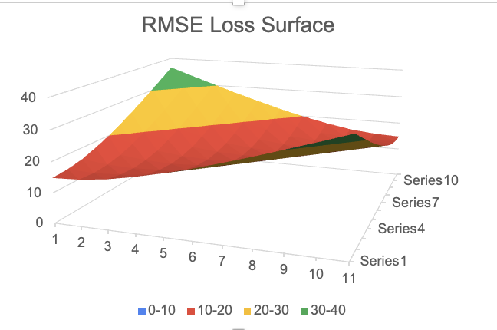
 | y | 0 | 1 | 2 | 3 | 4 | 5 | 6 | 7 | 8 | 9 | 10 | 11 | 12 | 13 | 14 | 15 | 16 | 17 | 18 | 19 | 20
yhat | 0
 | 1
 | 2
 | 3
 | 4
 | 5 |  |  |  |  |  | 14.8 | 15.2 | 16.2 | 17.9 | 19.9 | 22.2 | 24.8 | 27.5 | 30.4 | 33.3 | 36.3
 | 6 |  |  |  |  |  | 15.2 | 14.8 | 15.2 | 16.2 | 17.9 | 19.9 | 22.2 | 24.8 | 27.5 | 30.4 | 33.3
 | 7 |  |  |  |  |  | 16.2 | 15.2 | 14.8 | 15.2 | 16.2 | 17.9 | 19.9 | 22.2 | 24.8 | 27.5 | 30.4
 | 8 |  |  |  |  |  | 17.9 | 16.2 | 15.2 | 14.8 | 15.2 | 16.2 | 17.9 | 19.9 | 22.2 | 24.8 | 27.5
 | 9 |  |  |  |  |  | 19.9 | 17.9 | 16.2 | 15.2 | 14.8 | 15.2 | 16.2 | 17.9 | 19.9 | 22.2 | 24.8
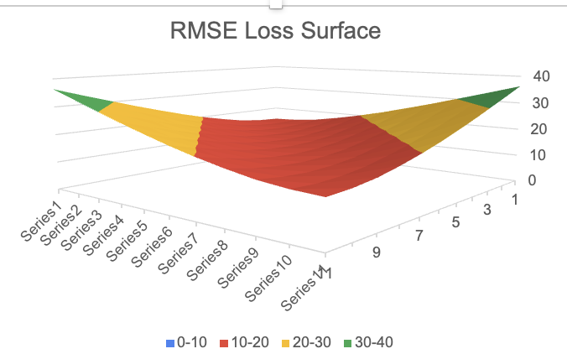
 | 10 |  |  |  |  |  | 22.2 | 19.9 | 17.9 | 16.2 | 15.2 | 14.8 | 15.2 | 16.2 | 17.9 | 19.9 | 22.2
 | 11 |  |  |  |  |  | 24.8 | 22.2 | 19.9 | 17.9 | 16.2 | 15.2 | 14.8 | 15.2 | 16.2 | 17.9 | 19.9
 | 12 |  |  |  |  |  | 27.5 | 24.8 | 22.2 | 19.9 | 17.9 | 16.2 | 15.2 | 14.8 | 15.2 | 16.2 | 17.9
 | 13 |  |  |  |  |  | 30.4 | 27.5 | 24.8 | 22.2 | 19.9 | 17.9 | 16.2 | 15.2 | 14.8 | 15.2 | 16.2
 | 14 |  |  |  |  |  | 33.3 | 30.4 | 27.5 | 24.8 | 22.2 | 19.9 | 17.9 | 16.2 | 15.2 | 14.8 | 15.2
 | 15 |  |  |  |  |  | 36.3 | 33.3 | 30.4 | 27.5 | 24.8 | 22.2 | 19.9 | 17.9 | 16.2 | 15.2 | 14.8
 | 16
 | 17
 | 18
 | 19
 | 20

When to use Residuals errors and when to use cross-entropy loss: [ChatGPT generated image]
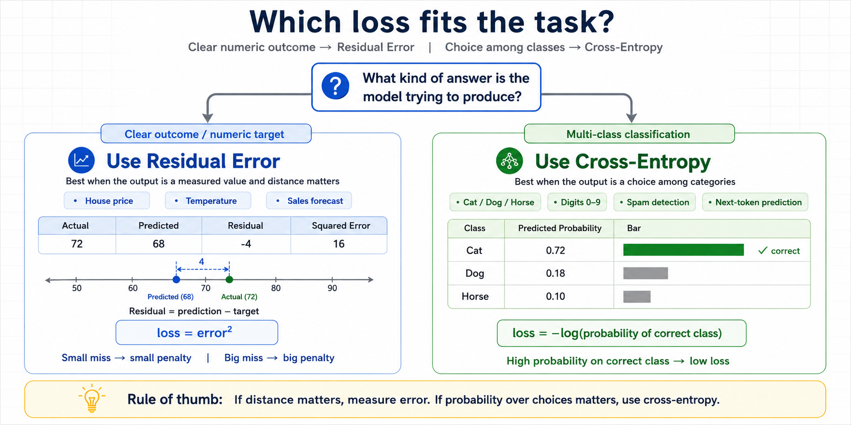

Cross-entropy: multi-classification error
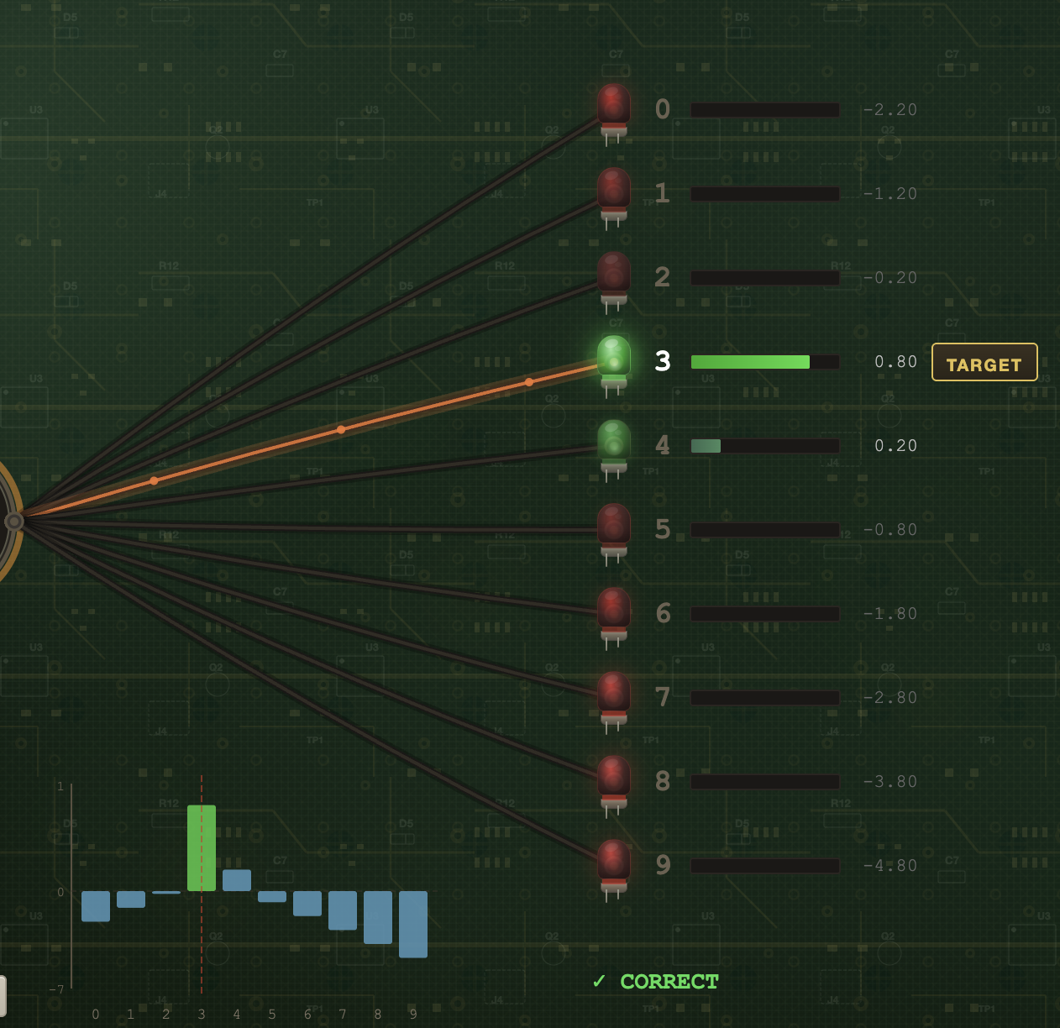

 |  |  |  |  |  |  |  |  |  |  |  | Meaning

 | Class | 0 | 1 | 2 | 3 | 4 | 5 | 6 | 7 | 8 | 9 | <-- | Predicted first digit
 | y | 0.00 | 0.00 | 0.00 | 1.00 | 0.00 | 0.00 | 0.00 | 0.00 | 0.00 | 0.00 | <-- | Actual probability (for 3.2)
 | yhat (softmax) | 0.0 | 0.1 | 0.2 | 0.4 | 0.2 | 0.1 | 0.0 | 0.0 | 0.0 | 0.0 | <-- | Predicted probability (for 3.2)

 | log(yhat) | -3.9 | -2.9 | -1.9 | -0.9 | -1.5 | -2.5 | -3.5 | -4.5 | -5.5 | -6.2
 | log(yhat)*y | 0.0 | 0.0 | 0.0 | -0.9 | 0.0 | 0.0 | 0.0 | 0.0 | 0.0 | 0.0 | <-- | error for single prediction

 | sum(log*y) | -0.9
 | # samples | 1.0
 | sum/count | -0.88 | <-- | average error for all prediction across multiple items

 | cross entropy | 0.88

Cross-entropy 1D exploration

 | yhat modifier | 0.00 | 0.25 | 0.50 | 0.75 | 1.00 | 1.25 | 1.50 | 1.75 | 2.00 | 2.25 | 2.50 | 2.75

 | y | 0.6 | 0.2 | 0.8 | 0.9 | 0.4 | 0.4 | 0.1 | 0.3 | 0.1 | 0.8 | 0.4 | 0.2
 | yhat | 0.1 | 0.1 | 0.0 | 0.4 | 1.0 | 0.3 | 0.3 | 0.2 | 0.7 | 0.2 | 0.7 | 0.6

 | cross entropy | 0.7 | 0.4 | 0.3 | 0.2 | 0.2 | 0.1 | 0.1 | 0.1 | 0.1 | 0.2 | 0.2 | 0.3

yhat modifier -> cross entropy

wo Answers
residual error, MLP 2->1

 | input | 1.0 | 0.5 | 1.0

 |  |  |  | bias
 | weight | 1.5 | -0.8 | 2.0

 | output | 3.1

 | expected | 4.0
 | output

 | residual error | [FILL]

y vs. observed y, and error
Residual error

 | x | 1.0 | 2.0 | 3.0 | 4.0 | 5.0 | 6.0 | 7.0 | 8.0 | 9.0 | 10.0
 | y=x+1 | 2.0 | 3.0 | 4.0 | 5.0 | 6.0 | 7.0 | 8.0 | 9.0 | 10.0 | 11.0

 | yhat=x+4rand | 3.0 | 4.4 | 5.7 | 7.1 | 8.0 | 8.7 | 8.8 | 11.7 | 12.5 | 13.3

 | error | [FILL]

Mean error

error vs. error^2
 | sum | 0.0
 | # items | 0.0

 | mean error | [FILL]

Mean squared error

 | error^2 | [FILL]
 | sum | 0.0
 | # items | 0.0

 | MSE | #DIV/0!

Root mean squared error

 | MSE | #DIV/0!

 | RMSE | [FILL]

Residual error: loss landscape

 | y | 0 | 1 | 2 | 3 | 4 | 5 | 6 | 7 | 8 | 9 | 10
yhat | 0 | [FILL: y - yhat]
 | 1
 | 2
 | 3
 | 4
 | 5
 | 6
 | 7
 | 8
 | 9
 | 10

Residual mean error: loss landscape

 | y | 0 | 1 | 2 | 3 | 4 | 5 | 6 | 7 | 8 | 9 | 10 | 11 | 12 | 13 | 14 | 15 | 16 | 17 | 18 | 19 | 20
yhat | 0
 | 1
 | 2
 | 3
 | 4
 | 5 |  |  |  |  |  | SUMPRODUCT(C$94:M$94 - $B95:$B105) / COUNT(C$94:M$94)
 | 6
 | 7
 | 8
 | 9
 | 10
 | 11
 | 12
 | 13
 | 14
 | 15
 | 16
 | 17
 | 18
 | 19
 | 20
root mean squared error: loss landscape

 | y | 0 | 1 | 2 | 3 | 4 | 5 | 6 | 7 | 8 | 9 | 10 | 11 | 12 | 13 | 14 | 15 | 16 | 17 | 18 | 19 | 20
yhat | 0
 | 1
 | 2
 | 3
 | 4
 | 5 |  |  |  |  |  | SQRT(SUMPRODUCT((C$94:M$94 - $B119:$B129)^2) / COUNT(C$94:M$94))
 | 6
 | 7
 | 8
 | 9
 | 10
 | 11
 | 12
 | 13
 | 14
 | 15
 | 16
 | 17
 | 18
 | 19
 | 20

When to use Residuals errors and when to use cross-entropy loss: [ChatGPT generated image]

Cross-entropy: multi-classification error

 |  |  |  |  |  |  |  |  |  |  |  | Meaning

 | Class | 0 | 1 | 2 | 3 | 4 | 5 | 6 | 7 | 8 | 9 | <-- | Predicted first digit
 | y | 0.00 | 0.00 | 0.00 | 1.00 | 0.00 | 0.00 | 0.00 | 0.00 | 0.00 | 0.00 | <-- | Actual probability (for 3.2)
 | yhat (softmax) | 0.0 | 0.1 | 0.2 | 0.4 | 0.2 | 0.1 | 0.0 | 0.0 | 0.0 | 0.0 | <-- | Predicted probability (for 3.2)

 | log(yhat) | LN(C177)
 | log(yhat)*y | [FILL] |  |  |  |  |  |  |  |  |  | <-- | error for single prediction

 | sum(log*y) | [FILL]
 | # samples | 1.0
 | sum/# | #VALUE! | <-- | average error for all prediction across multiple items

 | cross entropy | #VALUE!

Cross-entropy 1D exploration

 | yhat modifier | 0.00 | 0.25 | 0.50 | 0.75 | 1.00 | 1.25 | 1.50 | 1.75 | 2.00 | 2.25 | 2.50 | 2.75

 | y | 0.1 | 0.7 | 0.4 | 0.0 | 0.5 | 0.3 | 0.4 | 0.6 | 0.8 | 0.3 | 0.7 | 0.3
 | yhat | 0.6 | 0.4 | 0.4 | 0.6 | 0.3 | 0.9 | 0.1 | 0.9 | 0.1 | 1.0 | 0.0 | 0.3

 | cross entropy | 0.6 | 0.4 | 0.2 | 0.2 | 0.1 | 0.1 | 0.1 | 0.1 | 0.1 | 0.1 | 0.2 | 0.3

yhat modifier -> cross entropy

