w Answers
Backpropagation: 2->1 MLP (2 inputs, 1 output)

 |  |  |  |  |  | Learning rate | 1.00
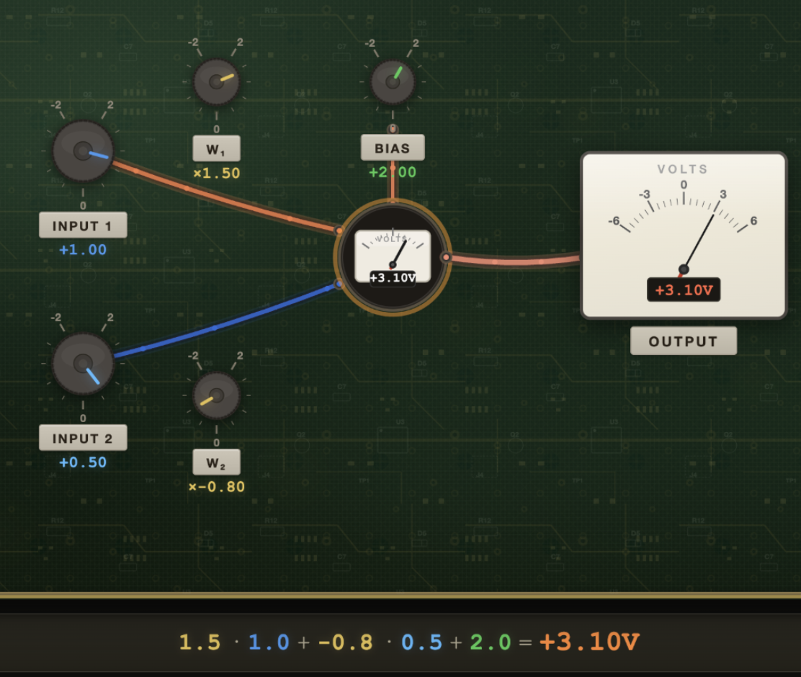
 | Feed-Forward |  |  |  |  | Backpropagation |  |  |  |  | New Values

 |  | Neuron #1 | #2 |  |  |  | Neuron #1 | #2 |  |  | Neuron #1 | #2
 | Input (2) | 1.00 | 0.50

 | Output (1)
 | weights | 1.50 | -0.80 |  |  | dW | -1.80 | -0.90 |  |  | 3.30 | 0.10
 | bias | 2.00 |  |  |  | dB | -1.80 |  |  |  | 3.80

 | value | 3.10

 | Expected | 4.00

 | Residual | -0.90 |  |  |  | dL/dy | -1.80
 | MSE loss | 0.81

 | [Exercise] 1. Copy new values until the loss function converges
 | 2. Play around with learning rate

Backpropagation: 1->2->1 MLP (1 input, 2 hidden + ReLU, 1 output + Sigmoid )

 |  |  |  |  |  | Learning rate | 1.00

 | Feed-Forward |  |  |  |  | Backpropagation |  |  |  |  | New Values
 |  |  |  |  |  |  |  |  |  |  |  |  | [Exercise] 1. Copy new values until the loss function converges
 |  | Neuron #1 | #2 |  |  |  | Neuron #1 | #2 |  |  | Neuron #1 | #2 | 2. Play around with learning rate
 | Input (1) | 0.50

 | Hidden (2)
 | weights | 0.27 | 0.85 |  |  | dW_h | 0.03 | 0.05 |  |  | 0.24 | 0.80
 | biases | 0.93 | 0.90 |  |  | dB_h | 0.06 | 0.09 |  |  | 0.87 | 0.81

 | value | 1.06 | 1.32

 | RELU | 1.06 | 1.32 |  |  | dReLU | 0.06 | 0.09

 | Output (1)
 | weights | 0.50 | 0.75 |  |  | dW_o | 0.13 | 0.16 |  |  | 0.37 | 0.59
 | Bias | 0.50 |  |  |  | dB_o | 0.12 |  |  |  | 0.38

 | value | 2.02 | 2.02 |  |  | δ_out | 0.12
 | Sigmoid | 0.88 |  |  |  | dL/dŷ | 1.17

 | Expect | 0.30
 | Residual loss | 0.58

Cross-Entropy: 1->10 MLP (1 input, 10 output neurons)

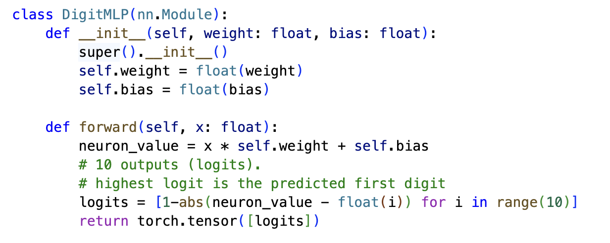
 | Feed-Forward

 | Input (1) | 9.00

 | Hidden (1)
 | weight | 0.90
 | bias | 0.00

 | neuron value | 8.10

 | Logits (10) | #0 | #1 | #2 | #3 | #4 | #5 | #6 | #7 | #8 | #9
 | logit_i | -7.10 | -6.10 | -5.10 | -4.10 | -3.10 | -2.10 | -1.10 | -0.10 | 0.90 | 0.10

 | target | 0.00 | 0.00 | 0.00 | 0.00 | 0.00 | 0.00 | 0.00 | 0.00 | 0.00 | 1.00
 | target class | 9.00
 | predicted | 8.00

 | CE loss | 1.51

 | Backpropagation

 |  | #0 | #1 | #2 | #3 | #4 | #5 | #6 | #7 | #8 | #9
 | δ_out | 0.00 | 0.00 | 0.00 | 0.00 | 0.01 | 0.02 | 0.07 | 0.18 | 0.49 | -0.78
 | d_logit/d_nv | -1.00 | -1.00 | -1.00 | -1.00 | -1.00 | -1.00 | -1.00 | -1.00 | -1.00 | 1.00
 | δ × d_logit | 0.00 | 0.00 | 0.00 | 0.00 | -0.01 | -0.02 | -0.07 | -0.18 | -0.49 | -0.78

 | dL/d(nv) | -1.56

 | dW | -14.02
 | dB | -1.56

 | New Values

 | Learning rate | 0.01 |  |  | [Exercise] 1. Copy new values until the loss function converges
 |  |  |  |  | 2. Play around with learning rate
 | weight | 1.04 |  |  | 3. Try different input values and target classes
 | bias | 0.02 |  |  | 4. Watch how the single neuron value shifts toward the target digit

