w Answers
Dropout - Training time

 | Input | 0.7 | 0.8 | 0.2 | 0.1 | 0.7 | 0.4 | 0.5
 |  | 0.6 | 0.1 | 0.6 | 0.2 | 0.1 | 0.7 | 0.6
 |  | 0.6 | 0.1 | 0.0 | 0.8 | 0.4 | 0.6 | 0.6
 |  | 0.5 | 0.7 | 0.4 | 0.6 | 1.0 | 1.0 | 0.2
 |  | 0.7 | 0.2 | 0.6 | 0.8 | 0.9 | 0.7 | 0.4
 |  | 0.1 | 0.8 | 0.7 | 0.8 | 0.4 | 0.4 | 0.6
 |  | 0.4 | 0.1 | 0.2 | 0.6 | 0.3 | 0.1 | 0.1

 | Rate | 10%

 | Dropout | 1 | 1 | 1 | 1 | 1 | 1 | 1
 | mask | 1 | 1 | 1 | 1 | 1 | 1 | 0
 |  | 1 | 1 | 1 | 1 | 1 | 1 | 1
 |  | 1 | 1 | 1 | 1 | 0 | 1 | 1
 |  | 1 | 1 | 1 | 1 | 1 | 1 | 1
 |  | 1 | 1 | 1 | 1 | 1 | 1 | 1
 |  | 0 | 1 | 1 | 1 | 1 | 1 | 1

 | Mask applied | 0.7 | 0.8 | 0.2 | 0.1 | 0.7 | 0.4 | 0.5
 |  | 0.6 | 0.1 | 0.6 | 0.2 | 0.1 | 0.7 | 0.0
 |  | 0.6 | 0.1 | 0.0 | 0.8 | 0.4 | 0.6 | 0.6
 |  | 0.5 | 0.7 | 0.4 | 0.6 | 0.0 | 1.0 | 0.2
 |  | 0.7 | 0.2 | 0.6 | 0.8 | 0.9 | 0.7 | 0.4
 |  | 0.1 | 0.8 | 0.7 | 0.8 | 0.4 | 0.4 | 0.6
 |  | 0.0 | 0.1 | 0.2 | 0.6 | 0.3 | 0.1 | 0.1

 | Scale up | 1.11 | 1.11 | 1.11 | 1.11 | 1.11 | 1.11 | 1.11 | Note: can be applied on training or in inference, but must be applied in either
 | ratio | 1.11 | 1.11 | 1.11 | 1.11 | 1.11 | 1.11 | 1.11
 |  | 1.11 | 1.11 | 1.11 | 1.11 | 1.11 | 1.11 | 1.11
 |  | 1.11 | 1.11 | 1.11 | 1.11 | 1.11 | 1.11 | 1.11
 |  | 1.11 | 1.11 | 1.11 | 1.11 | 1.11 | 1.11 | 1.11
 |  | 1.11 | 1.11 | 1.11 | 1.11 | 1.11 | 1.11 | 1.11
 |  | 1.11 | 1.11 | 1.11 | 1.11 | 1.11 | 1.11 | 1.11

 | Dropout | 0.8 | 0.9 | 0.2 | 0.1 | 0.8 | 0.5 | 0.6
 |  | 0.6 | 0.1 | 0.6 | 0.2 | 0.1 | 0.8 | 0.0
 |  | 0.6 | 0.1 | 0.0 | 0.9 | 0.5 | 0.7 | 0.7
 |  | 0.6 | 0.8 | 0.5 | 0.7 | 0.0 | 1.1 | 0.2
 |  | 0.8 | 0.2 | 0.6 | 0.9 | 1.0 | 0.8 | 0.4
 |  | 0.1 | 0.9 | 0.8 | 0.8 | 0.4 | 0.4 | 0.7
 |  | 0.0 | 0.1 | 0.3 | 0.7 | 0.3 | 0.1 | 0.1

Dropout - Inference time

 | Input | 0.6 | 1.0 | 0.1 | 1.0 | 0.3 | 0.8 | 0.1
 |  | 0.9 | 0.1 | 0.9 | 0.7 | 0.3 | 0.4 | 0.2
 |  | 0.1 | 0.3 | 0.1 | 0.3 | 0.9 | 0.2 | 0.1
 |  | 0.3 | 0.4 | 0.0 | 0.9 | 0.9 | 0.5 | 0.7
 |  | 0.9 | 0.3 | 0.2 | 0.4 | 1.0 | 0.6 | 0.6
 |  | 0.1 | 0.1 | 0.8 | 0.9 | 0.5 | 0.7 | 0.5
 |  | 0.2 | 0.8 | 0.5 | 0.1 | 0.8 | 0.4 | 1.0

 | Dropout | 1 | 1 | 1 | 1 | 1 | 1 | 1
 | mask | 1 | 1 | 1 | 1 | 1 | 1 | 1
 |  | 1 | 1 | 1 | 1 | 1 | 1 | 1
 |  | 1 | 1 | 1 | 1 | 1 | 1 | 1
 |  | 1 | 1 | 1 | 1 | 1 | 1 | 1
 |  | 1 | 1 | 1 | 1 | 1 | 1 | 1
 |  | 1 | 1 | 1 | 1 | 1 | 1 | 1

 | Dropout | 0.6 | 1.0 | 0.1 | 1.0 | 0.3 | 0.8 | 0.1
 |  | 0.9 | 0.1 | 0.9 | 0.7 | 0.3 | 0.4 | 0.2
 |  | 0.1 | 0.3 | 0.1 | 0.3 | 0.9 | 0.2 | 0.1
 |  | 0.3 | 0.4 | 0.0 | 0.9 | 0.9 | 0.5 | 0.7
 |  | 0.9 | 0.3 | 0.2 | 0.4 | 1.0 | 0.6 | 0.6
 |  | 0.1 | 0.1 | 0.8 | 0.9 | 0.5 | 0.7 | 0.5
 |  | 0.2 | 0.8 | 0.5 | 0.1 | 0.8 | 0.4 | 1.0

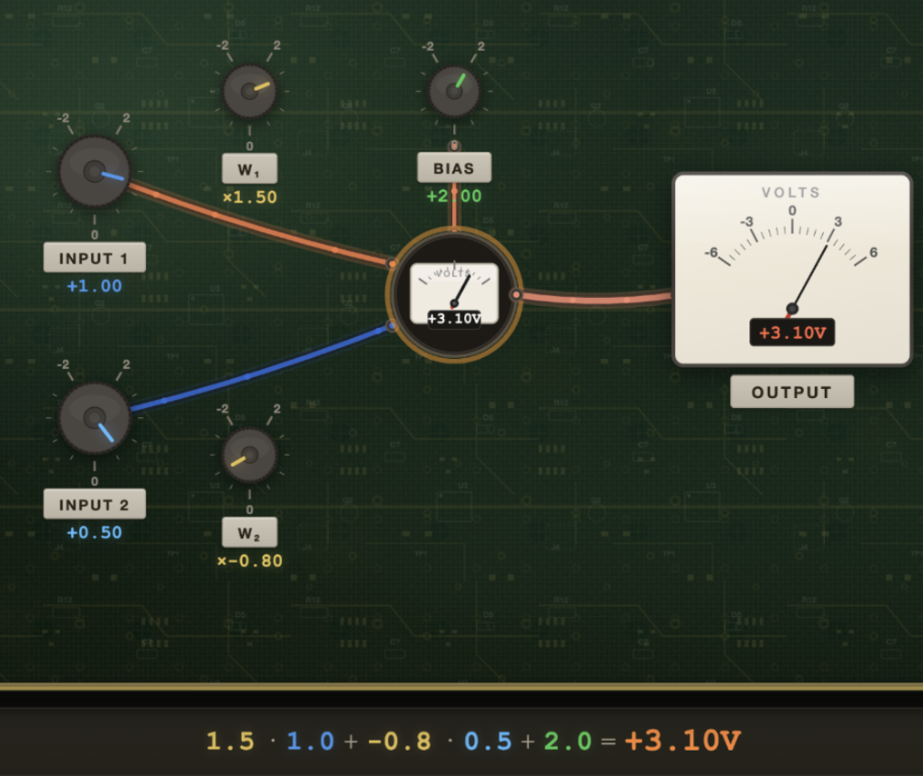
Backpropogation: 2->1 MLP (2 inputs, 1 output)

 |  |  |  |  |  |  |  |  |  | Learning rate | 1.00

 | Feed-Forward |  |  |  |  | Backpropagation |  |  |  | New Values

 |  | Neuron #1 | #2 |  |  |  | Neuron #1 | #2 |  | Neuron #1 | #2
 | Input (2) | 1.00 | 0.50

 | Output (1)
 | weights | 1.50 | -0.80 |  |  | dW | -1.80 | -0.90 |  | 3.30 | 0.10
 | bias | 2.00 |  |  |  | dB | -1.80 |  |  | 3.80

 | value | 3.10

 | Expected | 4.00

 | Residual | -0.90 |  |  |  | dL/dy | -1.80
 | MSE loss | 0.81

Gradient clipping backpropagation: Value

 | Feed-Forward |  |  |  |  | Backpropagation |  |  |  | Value Clipped |  | New Values |  | Hyperparameters

 |  | Neuron #1 | #2 |  |  |  | Neuron #1 | #2 |  | Neuron #1 | #2 | Neuron #1 | #2 |  | Learning rate | 1.00
 | Input (2) | 1.00 | 0.50
 |  |  |  |  |  |  |  |  |  |  |  |  |  |  | Max gradient | 1.00
 | Output (1) |  |  |  |  |  |  |  |  |  |  |  |  |  | Min gradient | -1.00
 | weights | 1.50 | -0.80 |  |  | dW | -1.80 | -0.90 |  | -1.00 | -0.90 | 2.50 | 0.10
 | bias | 2.00 |  |  |  | dB | -1.80 |  |  | -1.00 |  | 3.00

 | value | 3.10

 | Expected | 4.00

 | Residual | -0.90 |  |  |  | dL/dy | -1.80
 | MSE loss | 0.81

Gradient clipping backpropagation: Norm

 | Feed-Forward |  |  |  |  | Backpropagation |  |  |  | Norm Clipped |  | New Values |  | Hyperparameters
 |  |  |  |  |  |  |  |  |  | Norm factor | 0.37

 |  | Neuron #1 | #2 |  |  |  | Neuron #1 | #2 |  | Neuron #1 | #2 | Neuron #1 | #2 |  | Learning rate | 1.00
 | Input (2) | 1.00 | 0.50

 | Output (1)
 | weights | 1.50 | -0.80 |  |  | dW | -1.80 | -0.90 |  | -0.67 | -0.33 | 2.17 | -0.47
 | bias | 2.00 |  |  |  | dB | -1.80 |  |  | -0.67 |  | 2.67

 | value | 3.10

 | Expected | 4.00

 | Residual | -0.90 |  |  |  | dL/dy | -1.80
 | MSE loss | 0.81

Weight Decay, Vanilla SGD

 | Feed-Forward |  |  |  |  | Backpropagation |  |  |  | Weight Decay |  | New Values |  | Hyperparameters

 |  | Neuron #1 | #2 |  |  |  | Neuron #1 | #2 |  | Neuron #1 | #2 | Neuron #1 | #2 |  | Learning rate | 1.00
 | Input (2) | 1.00 | 0.50
 |  |  |  |  |  |  |  |  |  |  |  |  |  |  | Weight Decay | 0.10
 | Output (1)
 | weights | 1.50 | -0.80 |  |  | dW | -1.80 | -0.90 |  | 0.15 | -0.08 | 3.15 | 0.18
 | bias | 2.00 |  |  |  | dB | -1.80 |  |  | 0.00 |  | 3.80

 | value | 3.10

 | Expected | 4.00

 | Residual | -0.90 |  |  |  | dL/dy | -1.80
 | MSE loss | 0.81

