w Answers
GPT2 (Small) - Transformer
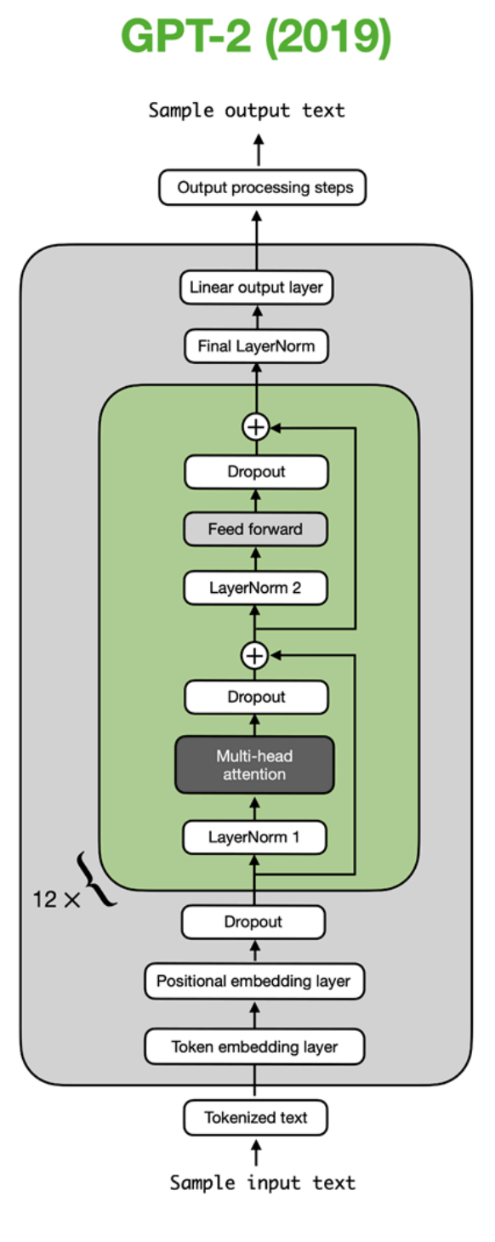 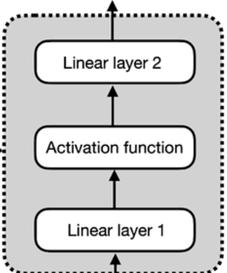

Tokenizer (by word for simplicity, but pretend its BPE)
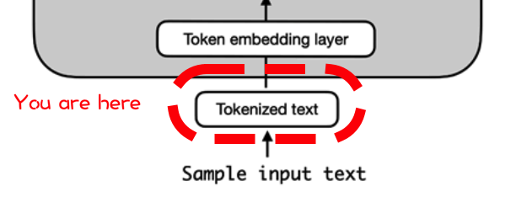
 | text | the brown dog jumped over the lazy fox

 | tokens | EOS | the | brown | dog | jumped | over | the | lazy | fox | Lorem | ipsum | dolor | sit | amet, | consectetur | adipiscing | elit | ... | foo
 | token_id | 1 | 2 | 3 | 4 | 5 | 6 | 7 | 8 | 9 | 10 | 11 | 12 | 13 | 14 | 15 | 16 | 17 | ... | 52678 | ⬅ Vocab size

 | input tokens | the | brown | dog | jumped | over | the | lazy | fox
 | input ids | 2 | 3 | 4 | 5 | 6 | 7 | 8 | 9

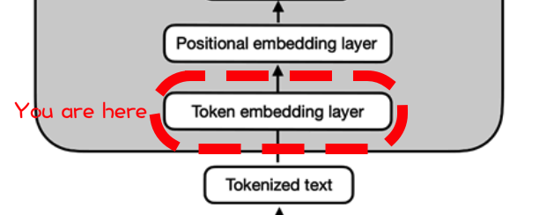

 |  | Embedding input matrix |  |  |  |  |  |  |  |  |  |  |  |  |  |  |  |  |  | Embedding matrix

 |  |  | 1 | 2 | 3 | 4 | 5 | ... | 765 | 766 | 767 | 768 | ⬅ hidden dimension (768) |  |  |  |  |  |  | 1 | 2 | 3 | 4 | 5 | ... | 765 | 766 | 767 | 768 | ⬅ hidden dimension (768)
 | 2 | the | 0.7 | -1.1 | 0.9 | 2.5 | 1.1 | ... | 0.9 | -0.3 | -0.6 | 0.9 |  |  |  |  |  | 1 | EOS | 0.6 | -1.1 | -0.7 | -0.2 | 0.6 | ... | -0.1 | -0.1 | 0.0 | 1.8
 | 3 | brown | -2.1 | 0.1 | -1.9 | -2.0 | 0.9 | ... | -0.2 | -1.2 | 1.0 | -0.1 |  |  |  |  |  | 2 | the | 0.7 | -1.1 | 0.9 | 2.5 | 1.1 | ... | 0.9 | -0.3 | -0.6 | 0.9
 | 4 | dog | -1.6 | 0.6 | -1.3 | 0.3 | 1.1 | ... | 1.0 | -0.9 | 1.6 | -0.2 |  |  |  |  |  | 3 | brown | -2.1 | 0.1 | -1.9 | -2.0 | 0.9 | ... | -0.2 | -1.2 | 1.0 | -0.1
 | 5 | jumped | 0.2 | -1.5 | 3.9 | 0.5 | -0.1 | ... | -0.1 | -1.7 | -1.5 | -0.1 |  |  |  |  |  | 4 | dog | -1.6 | 0.6 | -1.3 | 0.3 | 1.1 | ... | 1.0 | -0.9 | 1.6 | -0.2
 | 6 | over | 1.9 | 2.1 | 0.3 | -0.7 | 0.0 | ... | 0.3 | 1.1 | 0.0 | -0.1 |  |  |  |  |  | 5 | jumped | 0.2 | -1.5 | 3.9 | 0.5 | -0.1 | ... | -0.1 | -1.7 | -1.5 | -0.1
 | 7 | the | 0.4 | -1.0 | -0.1 | 0.3 | 0.9 | ... | 0.8 | -0.4 | -0.2 | -0.6 |  |  |  |  |  | 6 | over | 1.9 | 2.1 | 0.3 | -0.7 | 0.0 | ... | 0.3 | 1.1 | 0.0 | -0.1
 | 8 | lazy | 0.9 | 0.9 | 0.4 | -0.3 | 0.0 | ... | 0.9 | 0.6 | -0.4 | -1.4 |  |  |  |  |  | 7 | the | 0.4 | -1.0 | -0.1 | 0.3 | 0.9 | ... | 0.8 | -0.4 | -0.2 | -0.6
 | 9 | fox | -2.0 | -1.6 | -0.7 | -1.4 | 0.9 | ... | 0.7 | -0.6 | 1.6 | 0.5 |  |  |  |  |  | 8 | lazy | 0.9 | 0.9 | 0.4 | -0.3 | 0.0 | ... | 0.9 | 0.6 | -0.4 | -1.4
 | ... | ... | ... | ... | ... | ... | ... | ... | ... | ... | ... | ... |  |  |  |  |  | 9 | fox | -2.0 | -1.6 | -0.7 | -1.4 | 0.9 | ... | 0.7 | -0.6 | 1.6 | 0.5
 | 1 | EOS | -0.4 | 0.3 | -1.6 | 1.0 | -0.9 | ... | -0.6 | -0.4 | -0.6 | -0.1 |  |  |  |  |  | 10 | Lorem | 1.3 | -0.8 | -0.6 | -0.6 | 0.9 | ... | 1.3 | -2.0 | 0.8 | -0.9
 | 1 | EOS | -0.4 | 0.3 | -1.6 | 1.0 | -0.9 | ... | -0.6 | -0.4 | -0.6 | -0.1 |  |  |  |  |  | 11 | ipsum | -1.7 | 0.4 | 0.8 | -0.2 | -0.9 | ... | 2.2 | -1.4 | 1.0 | 0.5
 | ⬆ Context size (1024) |  |  |  |  |  |  |  |  |  |  |  |  |  |  |  |  | 12 | dolor | 0.4 | -0.4 | 0.3 | 1.3 | 0.2 | ... | 0.4 | 0.5 | 0.0 | -1.1
 |  |  |  |  |  |  |  |  |  |  |  |  |  |  |  |  |  | 13 | sit | -1.5 | -0.5 | 0.3 | 1.0 | 0.1 | ... | 0.7 | 0.2 | 0.0 | -0.7
 |  |  |  |  |  |  |  |  |  |  |  |  |  |  |  |  |  | 14 | amet, | 0.6 | -1.1 | 0.5 | 0.0 | 0.5 | ... | 0.0 | -1.3 | -1.1 | 1.0
 |  |  |  |  |  |  |  |  |  |  |  |  |  |  |  |  |  | 15 | consectetur | -1.1 | 1.4 | 1.0 | 1.0 | 0.4 | ... | -0.9 | 0.0 | 0.4 | -1.1
 |  |  |  |  |  |  |  |  |  |  |  |  |  |  |  |  |  | 16 | adipiscing | 0.2 | -0.1 | 0.2 | -1.7 | 1.5 | ... | 0.9 | 1.2 | 0.4 | 1.7
 |  |  |  |  |  |  |  |  |  |  |  |  |  |  |  |  |  | 17 | elit | -1.0 | 1.3 | -0.6 | -0.7 | 1.0 | ... | 0.5 | -0.3 | -0.1 | -0.3
 |  |  |  |  |  |  |  |  |  |  |  |  |  |  |  |  |  | ... | ... | ... | ... | ... | ... | ... | ... | ... | ... | ... | ...
 |  |  |  |  |  |  |  |  |  |  |  |  |  |  |  |  |  | 52678 | foo | -0.3 | 0.8 | 0.8 | -1.0 | -1.1 | ... | 1.0 | 1.1 | -2.5 | -2.3
 |  |  |  |  |  |  |  |  |  |  |  |  |  |  |  |  |  | ⬆ Vocab size

Absolute Positional Encoding (GPT2 actually uses learned embedding)

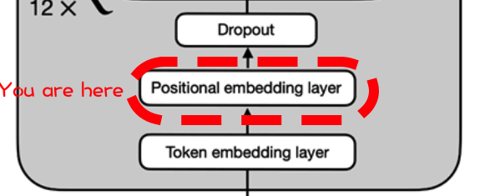
 | Embedding | 0.7 | -1.1 | 0.9 | 2.5 | 1.1 | 0.9 | -0.3 | -0.6 | 0.9
 | Input | -2.1 | 0.1 | -1.9 | -2.0 | 0.9 | -0.2 | -1.2 | 1.0 | -0.1
 | Matrix | -1.6 | 0.6 | -1.3 | 0.3 | 1.1 | 1.0 | -0.9 | 1.6 | -0.2
 |  | 0.2 | -1.5 | 3.9 | 0.5 | -0.1 | -0.1 | -1.7 | -1.5 | -0.1
 |  | 1.9 | 2.1 | 0.3 | -0.7 | 0.0 | 0.3 | 1.1 | 0.0 | -0.1
 |  | 0.4 | -1.0 | -0.1 | 0.3 | 0.9 | 0.8 | -0.4 | -0.2 | -0.6
 |  | 0.9 | 0.9 | 0.4 | -0.3 | 0.0 | 0.9 | 0.6 | -0.4 | -1.4
 |  | -2.0 | -1.6 | -0.7 | -1.4 | 0.9 | 0.7 | -0.6 | 1.6 | 0.5
 |  | -0.4 | 0.3 | -1.6 | 1.0 | -0.9 | -0.6 | -0.4 | -0.6 | -0.1

 | PE(x) | 1 | 2 | 3 | 4 | 5 | 6 | 7 | 8 | 9
 | 1 | 0.84 | 0.54 | 0.45 | 0.89 | 0.21 | 0.98 | 0.10 | 1.00 | 0.05
 | 2 | 0.91 | -0.42 | 0.80 | 0.60 | 0.42 | 0.91 | 0.20 | 0.98 | 0.09
 | 3 | 0.14 | -0.99 | 0.98 | 0.18 | 0.60 | 0.80 | 0.30 | 0.96 | 0.14
 | 4 | -0.76 | -0.65 | 0.96 | -0.28 | 0.76 | 0.65 | 0.39 | 0.92 | 0.18
 | 5 | -0.96 | 0.28 | 0.73 | -0.68 | 0.88 | 0.47 | 0.48 | 0.88 | 0.23
 | 6 | -0.28 | 0.96 | 0.35 | -0.94 | 0.96 | 0.27 | 0.56 | 0.83 | 0.27
 | 7 | 0.66 | 0.75 | -0.11 | -0.99 | 1.00 | 0.06 | 0.64 | 0.76 | 0.32
 | 8 | 0.99 | -0.15 | -0.54 | -0.84 | 0.99 | -0.15 | 0.72 | 0.70 | 0.36
 | 9 | 0.41 | -0.91 | -0.86 | -0.51 | 0.93 | -0.36 | 0.78 | 0.62 | 0.41
 |  |  |  |  |  | ⬇
 |  |  |  |  |  | ⬇
 | w/ encoding | 1.53 | -0.52 | 1.33 | 3.35 | 1.35 | 1.92 | -0.24 | 0.44 | 0.97
 |  | -1.2 | -0.4 | -1.1 | -1.4 | 1.3 | 0.7 | -1.0 | 2.0 | 0.0
 |  | -1.4 | -0.4 | -0.3 | 0.5 | 1.7 | 1.8 | -0.6 | 2.5 | -0.1
 |  | -0.6 | -2.2 | 4.9 | 0.3 | 0.7 | 0.5 | -1.3 | -0.6 | 0.1
 |  | 0.9 | 2.4 | 1.1 | -1.4 | 0.9 | 0.7 | 1.6 | 0.9 | 0.1
 |  | 0.1 | -0.1 | 0.2 | -0.6 | 1.8 | 1.1 | 0.2 | 0.6 | -0.4
 |  | 1.5 | 1.6 | 0.3 | -1.3 | 1.0 | 1.0 | 1.2 | 0.4 | -1.1
 |  | -1.0 | -1.7 | -1.3 | -2.3 | 1.9 | 0.5 | 0.1 | 2.3 | 0.8
 |  | 0.0 | -0.6 | -2.5 | 0.4 | 0.0 | -0.9 | 0.4 | 0.1 | 0.3

Dropout (pre-transformer)

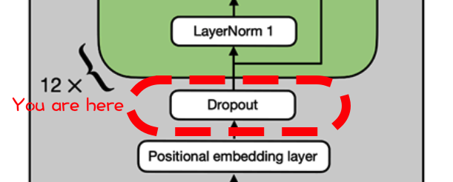
 | Rate | 10%

 | Dropout | 1 | 1 | 1 | 1 | 0 | 1 | 1 | 1 | 0
 | mask | 1 | 1 | 1 | 1 | 1 | 1 | 1 | 1 | 1
 |  | 1 | 1 | 1 | 1 | 0 | 1 | 1 | 1 | 1
 |  | 0 | 1 | 1 | 0 | 1 | 1 | 1 | 1 | 1
 |  | 0 | 1 | 0 | 1 | 1 | 1 | 1 | 1 | 1
 |  | 1 | 1 | 1 | 1 | 1 | 1 | 1 | 1 | 1
 |  | 1 | 1 | 1 | 1 | 0 | 1 | 1 | 1 | 1
 |  | 1 | 0 | 1 | 1 | 1 | 1 | 1 | 1 | 1
 |  | 1 | 0 | 1 | 1 | 0 | 1 | 0 | 1 | 1
 |  |  |  |  |  | ⬇
 |  |  |  |  |  | ⬇
 | Dropout | 1.5 | -0.5 | 1.3 | 3.4 | 0.0 | 1.9 | -0.2 | 0.4 | 0.0
 |  | -1.2 | -0.4 | -1.1 | -1.4 | 1.3 | 0.7 | -1.0 | 2.0 | 0.0
 |  | -1.4 | -0.4 | -0.3 | 0.5 | 0.0 | 1.8 | -0.6 | 2.5 | -0.1
 |  | 0.0 | -2.2 | 4.9 | 0.0 | 0.7 | 0.5 | -1.3 | -0.6 | 0.1
 |  | 0.0 | 2.4 | 0.0 | -1.4 | 0.9 | 0.7 | 1.6 | 0.9 | 0.1
 |  | 0.1 | -0.1 | 0.2 | -0.6 | 1.8 | 1.1 | 0.2 | 0.6 | -0.4
 |  | 1.5 | 1.6 | 0.3 | -1.3 | 0.0 | 1.0 | 1.2 | 0.4 | -1.1
 |  | -1.0 | 0.0 | -1.3 | -2.3 | 1.9 | 0.5 | 0.1 | 2.3 | 0.8
 |  | 0.0 | 0.0 | -2.5 | 0.4 | 0.0 | -0.9 | 0.0 | 0.1 | 0.3
 |  |  |  |  |  | ⬇
 |  |  |  |  |  | ⬇
TRANSFORMER -BEGIN-
1st pre LayerNorm
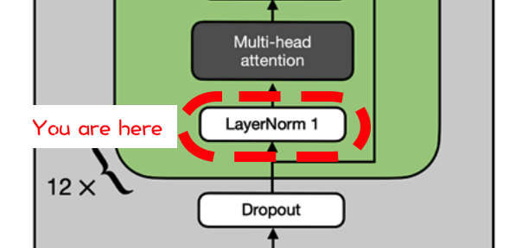
 |  |  |  |  |  | ⬇
 | LayerNorm | 0.6 | -1.2 | 0.4 | 2.1 | -0.7 | 0.9 | -0.9 | -0.4 | -0.7
 |  | -0.9 | -0.2 | -0.9 | -1.1 | 1.2 | 0.7 | -0.8 | 1.9 | 0.1
 |  | -1.4 | -0.5 | -0.5 | 0.2 | -0.2 | 1.4 | -0.7 | 2.0 | -0.2
 |  | -0.1 | -1.3 | 2.5 | -0.1 | 0.2 | 0.2 | -0.8 | -0.5 | -0.1
 |  | -0.6 | 1.8 | -0.6 | -1.9 | 0.3 | 0.2 | 1.0 | 0.3 | -0.5
 |  | -0.3 | -0.6 | -0.2 | -1.3 | 2.1 | 1.0 | -0.2 | 0.4 | -1.0
 |  | 1.1 | 1.2 | -0.1 | -1.7 | -0.4 | 0.6 | 0.8 | 0.0 | -1.5 | ➡ | ➡ | ➡ | ➡
 |  | -0.8 | -0.1 | -1.0 | -1.7 | 1.3 | 0.3 | 0.0 | 1.6 | 0.5 |  |  |  | ⬇
 |  | 0.4 | 0.3 | -2.6 | 0.9 | 0.3 | -0.7 | 0.3 | 0.4 | 0.6 |  |  |  | ⬇
 |  |  |  |  |  |  |  |  |  |  |  |  |  | ⬇
Multi-head attention
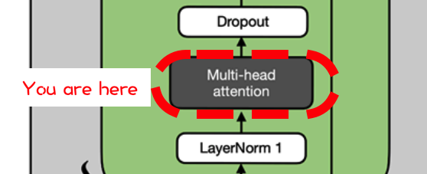
 |  |  |  |  |  |  |  |  |  |  | (for demo purposes, 5x5)
 |  |  |  |  |  |  |  |  |  |  | Input | 0.6 | -1.2 | 0.4 | 2.1 | -0.7 |  |  |  |  |  |  | Causal | 0 | -99 | -99 | -99 | -99
 |  |  |  |  |  |  |  |  |  |  | (X) | -0.9 | -0.2 | -0.9 | -1.1 | 1.2 |  |  |  |  |  |  | Mask | 0 | 0 | -99 | -99 | -99
 |  |  |  |  |  |  |  | ⬅ | ⬅ | ⬅ | ⬅ | -1.4 | -0.5 | -0.5 | 0.2 | -0.2 | ➡ | ➡ | ➡ | ➡ | (10 more) |  |  | 0 | 0 | 0 | -99 | -99
 |  |  |  |  |  |  |  | ⬇ |  |  |  | -0.1 | -1.3 | 2.5 | -0.1 | 0.2 |  |  |  | ⬇ |  |  |  | 0 | 0 | 0 | 0 | -99
 |  |  |  |  |  |  |  | ⬇ |  |  |  | -0.6 | 1.8 | -0.6 | -1.9 | 0.3 |  |  |  | ⬇ |  |  |  | 0 | 0 | 0 | 0 | 0
 |  |  |  |  |  |  |  | ⬇ |  |  |  |  |  |  |  |  |  |  |  | ⬇

 | Weight Q1 | 0.4 | -1.0 | -0.4 | 1.4 | -0.2 |  | Q1 | 1.6 | -2.2 | 5.0 | 2.0 | -1.2 |  |  | Weight Q2 | -0.5 | -0.3 | 1.0 | 2.7 | -1.6 |  | Q2 | -1.0 | -6.2 | 7.3 | 2.0 | 0.0
 | (Query) | 0.6 | -1.7 | -0.7 | -0.5 | -0.7 |  |  | 3.5 | -0.5 | 1.3 | 4.4 | -2.8 |  |  | (Query) | 0.2 | 1.5 | -0.9 | 2.0 | 1.6 |  |  | -1.2 | 0.1 | 3.3 | -4.8 | 2.9
 |  | 1.5 | 0.4 | -0.2 | -0.1 | -2.1 | ➡ | ➡ | 2.1 | -5.3 | 1.3 | 6.8 | -1.3 |  |  |  | -1.0 | -0.3 | 0.5 | -0.6 | -2.2 | ➡ | ➡ | 0.4 | -2.2 | -0.5 | 2.8 | -0.7
 |  | 0.6 | -0.8 | -0.9 | -0.2 | -0.3 |  |  | 2.5 | -0.3 | 0.9 | 2.5 | -1.4 |  |  |  | -0.6 | -0.3 | -0.4 | 0.9 | 0.6 |  |  | 0.1 | 0.9 | 2.1 | -2.2 | 0.6
 |  | 0.4 | -1.7 | -0.2 | -0.8 | -0.9 |  |  | 2.6 | -0.5 | 0.1 | 4.4 | -2.8 |  |  |  | 0.2 | 0.1 | -0.3 | -1.3 | -0.1 |  |  | 0.7 | 1.3 | -3.0 | 0.5 | -0.2

 | Weight K1 | -0.5 | -2.0 | 0.4 | 1.0 | -1.6 |  | K1 | 1.7 | -3.4 | 4.7 | 4.3 | -2.4 |  |  | Weight K2 | 0.9 | 0.3 | -2.5 | -0.7 | 1.3 |  | K2 | 3.2 | 3.3 | -1.1 | -1.4 | 0.4
 | (Key) | 0.6 | -1.1 | 0.8 | -2.7 | 0.9 |  |  | 0.1 | 4.3 | -6.5 | 1.3 | -2.3 |  |  | (Key) | 1.8 | -0.5 | -0.6 | -1.5 | 1.5 |  |  | 1.5 | 3.0 | -3.3 | 1.4 | -1.7
 |  | -0.5 | -0.6 | 0.1 | 0.0 | 0.0 | ➡ | ➡ | 0.1 | 0.7 | 0.2 | -0.3 | -0.5 |  |  |  | -2.2 | 1.0 | 0.2 | -0.2 | -0.2 | ➡ | ➡ | -2.3 | 2.1 | -2.3 | -5.1 | 2.7
 |  | 0.7 | -1.5 | -0.1 | 1.1 | -1.1 |  |  | 2.5 | -3.9 | 5.1 | 5.1 | -2.4 |  |  |  | 0.6 | 0.2 | 0.3 | -0.3 | -0.1 |  |  | -0.2 | -0.7 | -0.8 | 1.3 | -0.3
 |  | 0.1 | 0.8 | 0.3 | 1.5 | 1.4 |  |  | -2.0 | 0.1 | 2.2 | -3.4 | 1.6 |  |  |  | -2.8 | -0.6 | 0.9 | 2.2 | 1.7 |  |  | -3.6 | 3.3 | 3.4 | -8.7 | 2.3

 | Weight V1 | 0.7 | -0.2 | 1.6 | 0.0 | -1.2 |  | V1 | -1.0 | -3.8 | 0.5 | 4.4 | -1.4 |  |  | Weight V2 | 2.0 | -0.7 | 0.2 | -1.4 | -1.0 |  | V2 | 2.3 | -2.4 | -1.6 | 7.2 | -3.0
 | (Value) | 0.9 | 0.0 | 1.5 | -1.0 | 0.0 |  |  | -1.5 | -0.5 | -2.8 | 2.3 | -1.2 |  |  | (Value) | 0.2 | 0.9 | -1.7 | 0.1 | -0.2 |  |  | 1.9 | -0.1 | 0.4 | -0.6 | 1.3
 |  | -0.6 | 0.5 | 0.1 | -1.1 | -0.2 | ➡ | ➡ | -0.6 | 1.6 | -3.2 | -1.2 | 0.7 |  |  |  | -0.6 | 0.4 | 0.2 | 0.4 | 0.9 | ➡ | ➡ | -1.6 | 1.7 | -0.2 | -3.6 | 1.4
 |  | 0.6 | -1.0 | -1.2 | 0.2 | 0.5 |  |  | 2.6 | 0.9 | 1.7 | 1.0 | -1.2 |  |  |  | -0.9 | -0.7 | 0.3 | 0.1 | 1.1 |  |  | -1.0 | 2.9 | -0.2 | -3.2 | 0.1
 |  | 0.5 | 0.9 | 2.1 | 1.2 | -1.0 |  |  | -3.2 | -5.1 | 1.8 | 2.3 | 0.3 |  |  |  | 0.7 | 0.7 | -0.1 | 0.3 | 0.1 |  |  | -0.2 | -1.1 | 0.5 | 0.3 | 0.6

 |  |  |  |  | Q*Kt/Dk^0.5 | 1.9 | -2.0 | 4.8 | 0.9 | -0.1 |  |  |  |  |  |  |  |  |  | Q*Kt/Dk^0.5 | -3.7 | -8.6 | 17.6 | -3.8 | 3.0
 |  |  |  |  |  | 0.5 | 1.3 | -6.4 | 3.3 | -1.7 |  |  |  |  |  |  |  |  |  |  | -1.7 | -9.4 | 9.7 | 0.7 | 2.8
 |  |  |  |  |  | 1.8 | -4.8 | 9.1 | 2.0 | -0.3 |  |  |  |  |  |  |  |  |  |  | 2.8 | 6.9 | -13.2 | 4.7 | -4.2
 |  |  |  |  |  | 6.7 | -3.9 | 12.1 | 4.7 | -2.7 |  |  |  |  |  |  |  |  |  |  | -3.6 | 4.3 | 11.6 | -13.9 | 4.6
 |  |  |  |  |  | -6.7 | 4.1 | -8.0 | -7.8 | 4.0 |  |  |  |  |  |  |  |  |  |  | 1.8 | -2.6 | -5.2 | 8.1 | -3.3
 |  |  |  |  |  |  |  | ⬇ |  |  |  |  |  |  |  |  |  |  |  |  |  |  | ⬇
 |  |  |  |  |  |  |  | ⬇ |  |  |  |  |  |  |  |  |  |  |  |  |  |  | ⬇
 |  |  |  |  | SoftMax(Q*Kt/Dk^0.5) | 1.00 | 0.00 | 0.00 | 0.00 | 0.00 |  |  |  |  |  |  |  |  |  | SoftMax(Q*Kt/Dk^0.5) | 1.00 | 0.00 | 0.00 | 0.00 | 0.00
 |  |  |  |  | w/ Mask | 0.32 | 0.68 | 0.00 | 0.00 | 0.00 |  |  |  |  |  |  |  |  |  | w/ Mask | 1.00 | 0.00 | 0.00 | 0.00 | 0.00
 |  |  |  |  |  | 0.00 | 0.00 | 1.00 | 0.00 | 0.00 |  |  |  |  |  |  |  |  |  |  | 0.02 | 0.98 | 0.00 | 0.00 | 0.00
 |  |  |  |  |  | 0.00 | 0.00 | 0.99 | 0.00 | 0.00 |  |  |  |  |  |  |  |  |  |  | 0.00 | 0.00 | 1.00 | 0.00 | 0.00
 |  |  |  |  |  | 0.00 | 0.52 | 0.00 | 0.00 | 0.48 |  |  |  |  |  |  |  |  |  |  | 0.00 | 0.00 | 0.00 | 1.00 | 0.00
 |  |  |  |  |  |  |  | ⬇ |  |  |  |  |  |  |  |  |  |  |  |  |  |  | ⬇
 |  |  |  |  |  |  |  | ⬇ |  |  |  |  |  |  |  |  |  |  |  |  |  |  | ⬇
 |  |  |  |  | Causal self-attention #1 | -2.2 | -3.3 | 4.8 | 0.0 | -0.7 |  |  |  |  |  |  |  |  |  | Causal self-attention #2 | -0.1 | -1.5 | 7.2 | -3.0 | 0.0
 |  |  |  |  |  | -1.7 | -1.0 | -0.5 | 0.0 | -0.6 |  |  |  |  |  |  |  |  |  |  | 1.8 | 0.4 | -0.6 | 1.3 | 0.0
 |  |  |  |  |  | -0.1 | 1.4 | -4.4 | 0.0 | 0.3 |  |  |  |  |  |  |  |  |  |  | 0.1 | -0.2 | -3.6 | 1.4 | 0.0
 |  |  |  |  |  | 2.9 | 0.0 | 2.7 | 0.0 | -0.6 |  |  |  |  |  |  |  |  |  |  | 1.9 | -0.2 | -3.2 | 0.1 | 0.0
 |  |  |  |  |  | -4.8 | -3.3 | 4.1 | 0.0 | 0.2 |  |  |  |  |  | ⬅ | ⬅ | ⬅ | ⬅ | ⬅ | -1.4 | 0.5 | 0.3 | 0.6 | 0.0
 |  |  |  |  |  |  |  |  |  | ⬇ |  |  |  |  |  | ⬇
 |  |  |  |  |  |  |  |  |  | ⬇ |  |  |  |  |  | ⬇
 |  |  |  |  |  |  |  | Causal self-attention #1 |  |  |  |  | Causal self-attention #2 |  |  |  |  | Causal self-attention #12 (pretend there's 9 more here))
 |  |  |  |  |  |  | Concat | -2.2 | -3.3 | 4.8 | 0.0 | -0.7 | -0.1 | -1.5 | 7.2 | -3.0 | 0.0 | -0.5 | 2.1 | 0.7 | 1.4 | 1.3
 |  |  |  |  |  |  |  | -1.7 | -1.0 | -0.5 | 0.0 | -0.6 | 1.8 | 0.4 | -0.6 | 1.3 | 0.0 | -0.6 | -1.2 | -1.9 | 0.8 | -1.1
 |  |  |  |  |  |  |  | -0.1 | 1.4 | -4.4 | 0.0 | 0.3 | 0.1 | -0.2 | -3.6 | 1.4 | 0.0 | 0.2 | 1.2 | 0.8 | 0.2 | 0.6
 |  |  |  |  |  |  |  | 2.9 | 0.0 | 2.7 | 0.0 | -0.6 | 1.9 | -0.2 | -3.2 | 0.1 | 0.0 | 0.7 | -0.2 | 0.6 | 0.1 | 0.5
 |  |  |  |  |  |  |  | -4.8 | -3.3 | 4.1 | 0.0 | 0.2 | -1.4 | 0.5 | 0.3 | 0.6 | 0.0 | -1.2 | 0.5 | 0.6 | 0.0 | -0.4
 |  |  |  |  |  |  |  |  |  |  |  |  |  |  |  |  | ⬇
 |  |  |  |  |  |  |  |  |  |  |  |  |  |  |  |  | ⬇
 |  |  |  |  |  |  | W0 | 0.6 | -1.4 | 0.6 | -1.5 | -0.2 |  | MHA | 4.8 | -1.3 | -1.9 | 14.7 | -6.0
 |  |  |  |  |  |  |  | 0.0 | 0.2 | 0.5 | 0.1 | 0.7 |  |  | -6.0 | -2.4 | -2.2 | -1.9 | -1.0
 |  |  |  |  |  |  |  | 0.8 | -1.0 | 1.9 | 1.5 | 0.0 | ➡ | ➡ | -2.4 | 2.9 | -3.3 | -4.4 | 1.1
 |  |  |  |  |  |  |  | -1.7 | -0.3 | -0.6 | 1.1 | 0.7 |  |  | 7.0 | -7.6 | 9.4 | -1.8 | 0.0
 |  |  |  |  |  |  |  | 0.8 | 0.4 | 0.2 | 1.1 | -0.3 |  |  | -3.3 | 4.3 | 6.0 | 15.1 | -2.6
 |  |  |  |  |  |  |  | 0.7 | 0.0 | 0.7 | 0.0 | -0.6
 |  |  |  |  |  |  |  | -0.7 | -0.3 | -0.2 | -1.5 | -0.2
 |  |  |  |  |  |  |  | 0.2 | -0.1 | -0.7 | 0.3 | -0.2
 |  |  |  |  |  |  |  | -0.1 | -1.5 | 0.8 | 0.5 | 0.2
 |  |  |  |  |  |  |  | -0.6 | 3.0 | -1.2 | 0.5 | 0.1
 |  |  |  |  |  |  |  | 2.1 | -2.5 | -1.0 | -1.2 | 1.9
 |  |  |  |  |  |  |  | 0.1 | -1.2 | 1.2 | 0.6 | -0.4
 |  |  |  |  |  |  |  | 0.4 | 1.8 | 1.2 | 1.2 | 0.2
 |  |  |  |  |  |  |  | -1.2 | -2.2 | -1.6 | -0.3 | 0.0
 |  |  |  |  |  |  |  | 1.6 | 0.4 | -1.8 | 0.2 | -0.9

Dropout (in transformer, after attention)

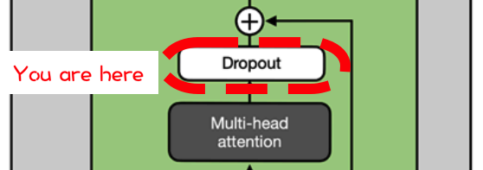
 | Rate | 10%

 | Dropout | 1 | 1 | 1 | 1 | 1
 | mask | 1 | 1 | 1 | 1 | 1
 |  | 1 | 1 | 1 | 1 | 1
 |  | 1 | 1 | 1 | 1 | 1
 |  | 0 | 1 | 1 | 1 | 1
 |  |  |  | ⬇
 |  |  |  | ⬇
 | Dropout | 4.8 | -1.3 | -1.9 | 14.7 | -6.0
 |  | -6.0 | -2.4 | -2.2 | -1.9 | -1.0
 |  | -2.4 | 2.9 | -3.3 | -4.4 | 1.1
 |  | 7.0 | -7.6 | 9.4 | -1.8 | 0.0
 |  | 0.0 | 4.3 | 6.0 | 15.1 | -2.6
 |  |  |  | ⬇
Residual adding input before the pre-layernorm 1
 |  |  |  | ⬇
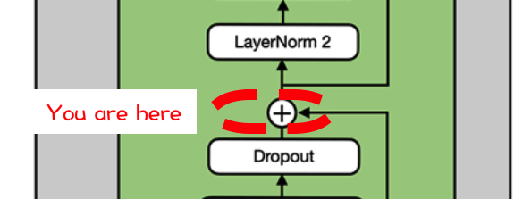
 | Pre- | 1.5 | -0.5 | 1.3 | 3.4 | 0.0
 | LayerNorm | -1.2 | -0.4 | -1.1 | -1.4 | 1.29
 | Input | -1.4 | -0.4 | -0.3 | 0.5 | 0.00
 |  | 0.0 | -2.2 | 4.9 | 0.0 | 0.7
 |  | 0.0 | 2.4 | 0.0 | -1.4 | 0.9

 | w/ Residual | 6.4 | -1.8 | -0.6 | 18.0 | -6.0
 |  | -7.1 | -2.7 | -3.3 | -3.3 | 0.3
 |  | -3.9 | 2.5 | -3.7 | -3.9 | 1.1
 |  | 7.0 | -9.7 | 14.3 | -1.8 | 0.7
 |  | 0.0 | 6.7 | 6.0 | 13.7 | -1.7
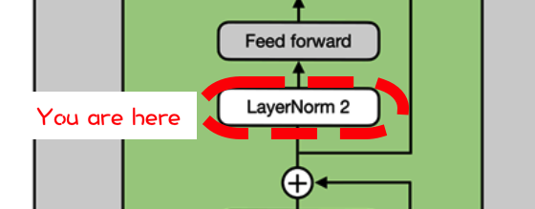
 |  |  |  | ⬇
2nd pre LayerNorm
 |  |  |  | ⬇
 | LayerNorm | 2.4 | -3.7 | -2.8 | 11.0 | -6.8
 |  | -3.9 | 0.5 | -0.1 | -0.1 | 3.6
 |  | -3.6 | 6.4 | -3.3 | -3.7 | 4.2
 |  | 2.1 | -5.1 | 5.3 | -1.7 | -0.6
 |  | -4.0 | 1.4 | 0.8 | 7.0 | -5.3

FFN: Growing (4x)
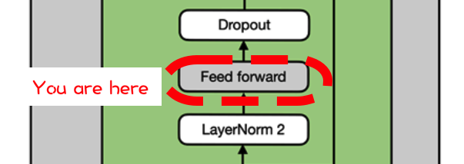
 | 4x Weights | -1.5 | -0.5 | -0.3 | -1.7 | 0.0 | 0.8 | 1.6 | -1.9 | -0.4 | -0.4 | 1.2 | -0.2 | 0.8 | 0.1 | 0.7 | 0.5 | -1.0 | 0.0 | -0.1 | 0.7
 |  | 1.3 | -0.3 | -0.9 | 1.5 | -0.3 | -0.5 | 1.0 | -0.4 | 1.1 | 0.8 | -1.4 | -0.5 | 0.1 | -1.1 | 0.3 | -0.4 | -0.5 | -1.4 | 0.7 | -0.9
 |  | -0.6 | 0.5 | -0.1 | -2.7 | -0.7 | 0.6 | -0.5 | -0.8 | 1.1 | 0.7 | 0.3 | 0.6 | -2.2 | -0.6 | -0.7 | 0.3 | -1.0 | -0.1 | 0.5 | -0.8
 |  | 0.0 | 0.5 | -0.5 | 0.5 | -0.1 | 0.6 | 0.8 | 1.8 | 0.8 | -1.2 | -0.3 | -1.0 | 0.7 | 0.4 | 0.5 | -2.4 | -0.5 | -0.8 | 0.5 | 2.3
 |  | 0.1 | 1.0 | -1.5 | -1.3 | -0.6 | -0.4 | -0.7 | 3.5 | -0.1 | -1.1 | -1.0 | 2.4 | 2.7 | 2.6 | -1.7 | 0.7 | -1.6 | 0.5 | -0.5 | -0.4
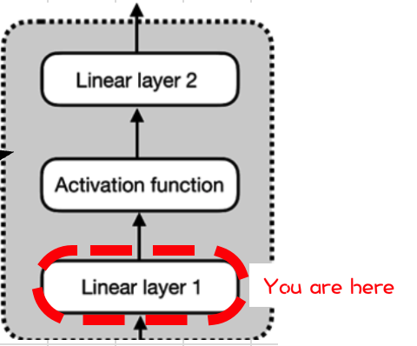
 |  |  |  |  |  |  |  |  |  | ⬇
 |  |  |  |  |  |  |  |  |  | ⬇
 | LayerNorm | -6.9 | -2.6 | 7.8 | 12.1 | 6.6 | 11.9 | 14.7 | -4.5 | 1.5 | -11.2 | 10.5 | -27.4 | -3.3 | -6.8 | 19.2 | -29.4 | 8.4 | -6.5 | 4.5 | 35.4
 | @ 4x | 6.7 | 5.6 | -4.7 | 2.9 | -2.3 | -5.0 | -8.4 | 19.5 | 1.5 | -2.0 | -9.1 | 9.0 | 6.7 | 8.3 | -8.6 | 0.6 | -2.0 | 1.1 | -1.3 | -4.8
 |  | 15.5 | 0.7 | -9.0 | 17.8 | -2.0 | -12.2 | -3.7 | 14.5 | 1.2 | 4.2 | -17.2 | 8.9 | 13.6 | 3.7 | -7.3 | 6.3 | -1.5 | -3.8 | -1.1 | -16.1
 |  | -12.5 | 1.5 | 5.3 | -25.9 | -1.7 | 6.6 | -5.1 | -10.9 | -1.7 | 1.2 | 12.3 | 5.8 | -13.0 | 0.4 | -3.3 | 8.5 | -3.0 | 7.7 | -1.2 | -1.6
 |  | 6.9 | 0.4 | 4.3 | 16.7 | 1.8 | 3.1 | 3.6 | 0.4 | 10.1 | 1.2 | -3.3 | -19.2 | -14.5 | -13.1 | 9.4 | -23.0 | 7.8 | -10.4 | 7.7 | 13.5
 |  |  |  |  |  |  |  |  |  | ⬇
FFN: GELU
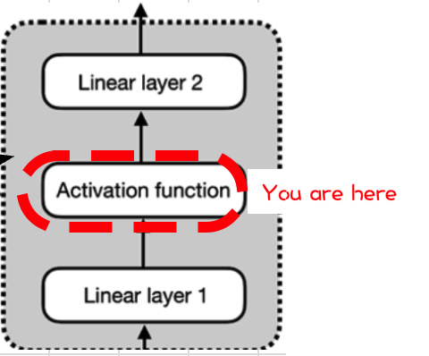
 |  |  |  |  |  |  |  |  |  | ⬇
 | GeLU | 0.0 | 0.0 | 7.8 | 12.1 | 6.6 | 11.9 | 14.7 | 0.0 | 1.4 | 0.0 | 10.5 | 0.0 | 0.0 | 0.0 | 19.2 | 0.0 | 8.4 | 0.0 | 4.5 | 35.4
 |  | 6.7 | 5.6 | 0.0 | 2.9 | 0.0 | 0.0 | 0.0 | 19.5 | 1.4 | 0.0 | 0.0 | 9.0 | 6.7 | 8.3 | 0.0 | 0.5 | 0.0 | 1.0 | -0.1 | 0.0
 |  | 15.5 | 0.5 | 0.0 | 17.8 | 0.0 | 0.0 | 0.0 | 14.5 | 1.1 | 4.2 | 0.0 | 8.9 | 13.6 | 3.7 | 0.0 | 6.3 | -0.1 | 0.0 | -0.1 | 0.0
 |  | 0.0 | 1.4 | 5.3 | 0.0 | -0.1 | 6.6 | 0.0 | 0.0 | -0.1 | 1.0 | 12.3 | 5.8 | 0.0 | 0.3 | 0.0 | 8.5 | 0.0 | 7.7 | -0.1 | -0.1
 |  | 6.9 | 0.3 | 4.3 | 16.7 | 1.7 | 3.1 | 3.6 | 0.3 | 10.1 | 1.1 | 0.0 | 0.0 | 0.0 | 0.0 | 9.4 | 0.0 | 7.8 | 0.0 | 7.7 | 13.5
 |  |  |  |  |  |  |  |  |  |  |  | ⬇
 |  |  |  |  |  |  |  |  |  |  |  | ⬇
FFN: Shrinking (4x)
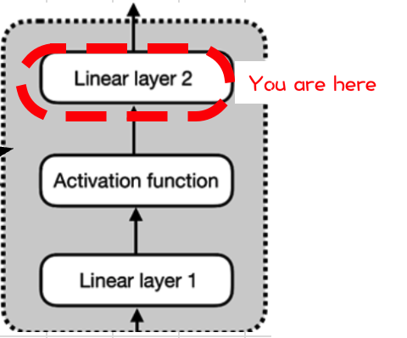
 |  |  |  |  |  |  |  |  |  |  |  | ⬇
 | /4x Weights | 0.4 | 0.7 | 0.1 | 0.3 | -0.6 |  |  | 4x shrinking | -4.4 | 37.3 | 15.7 | -15.0 | 2.8
 |  | -0.5 | -1.2 | 0.2 | 0.7 | 0.4 |  |  |  | -8.7 | -15.8 | -15.9 | 10.9 | -24.2
 |  | 0.1 | -0.4 | -0.1 | -2.1 | 1.5 | ➡ | ➡ | ➡ | -46.6 | -16.2 | -5.3 | -2.9 | -40.2
 |  | -1.9 | -1.1 | 0.8 | 0.5 | -1.5 |  |  |  | -3.1 | -7.0 | -2.6 | -0.8 | 42.6
 |  | -0.9 | 1.5 | -0.4 | -0.1 | 0.0 |  |  |  | -19.3 | -2.0 | 30.1 | -18.5 | -34.7
 |  | -0.7 | -0.1 | -0.9 | -0.1 | 2.3
 |  | -0.9 | -0.4 | -1.7 | -0.6 | 0.9
 |  | 0.7 | 0.0 | -0.6 | 0.2 | -0.4
 |  | 0.1 | -0.1 | 1.0 | -1.3 | -0.5
 |  | -1.4 | 0.4 | -0.4 | 0.2 | 1.6
 |  | 0.2 | 0.9 | 0.4 | 1.0 | 0.6
 |  | 0.2 | -0.4 | 0.3 | 1.7 | 0.3
 |  | -1.1 | -0.4 | -1.0 | -2.4 | -0.9
 |  | -1.3 | -0.5 | -0.6 | 0.2 | -0.8
 |  | -0.3 | 1.0 | 0.0 | 1.2 | -1.0
 |  | -0.6 | 0.1 | 0.1 | -0.7 | 1.3
 |  | 0.0 | -1.2 | 1.0 | -0.3 | -1.0
 |  | 0.6 | -1.5 | -0.4 | -1.0 | -0.3
 |  | 0.3 | -0.1 | -0.6 | -0.9 | 0.3
 |  | 1.3 | 0.9 | 1.0 | -0.5 | -0.3

Dropout (in transformer, after FFN)

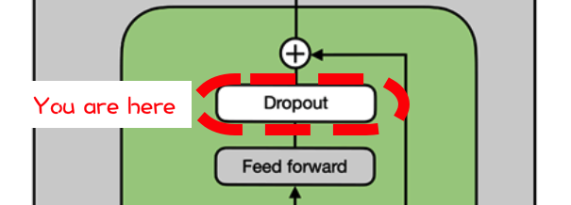
 | Rate | 10%

 | Dropout | 1 | 1 | 1 | 1 | 1
 | mask | 1 | 1 | 1 | 1 | 1
 |  | 0 | 1 | 0 | 1 | 1
 |  | 1 | 1 | 1 | 1 | 1
 |  | 1 | 1 | 1 | 1 | 1
 |  |  |  | ⬇
 |  |  |  | ⬇
 | Dropout | -4.4 | 37.3 | 15.7 | -15.0 | 2.8
 |  | -8.7 | -15.8 | -15.9 | 10.9 | -24.2
 |  | 0.0 | -16.2 | 0.0 | -2.9 | -40.2
 |  | -3.1 | -7.0 | -2.6 | -0.8 | 42.6
 |  | -19.3 | -2.0 | 30.1 | -18.5 | -34.7

Residual adding input before the 2nd pre-layernorm
 |  |  |  | ⬇
 | Pre- | 6.4 | -1.8 | -0.6 | 18.0 | -6.0
 | LayerNorm | -7.1 | -2.7 | -3.3 | -3.3 | 0.32
 | Input | -3.9 | 2.5 | -3.7 | -3.9 | 1.11
 |  | 7.0 | -9.7 | 14.3 | -1.8 | 0.7
 |  | 0.0 | 6.7 | 6.0 | 13.7 | -1.7

 | w/ Residual | 2.0 | 35.5 | 15.1 | 3.0 | -3.3
 |  | -15.8 | -18.6 | -19.2 | 7.6 | -23.9
 |  | -3.9 | -13.7 | -3.7 | -6.8 | -39.0
 |  | 3.8 | -16.7 | 11.7 | -2.6 | 43.3
 |  | -19.3 | 4.8 | 36.1 | -4.8 | -36.4
 |  |  |  |  | ⬇
 |  |  |  |  | ⬇
TRANSFORMER -END-
Even more transformers (12 in total!)
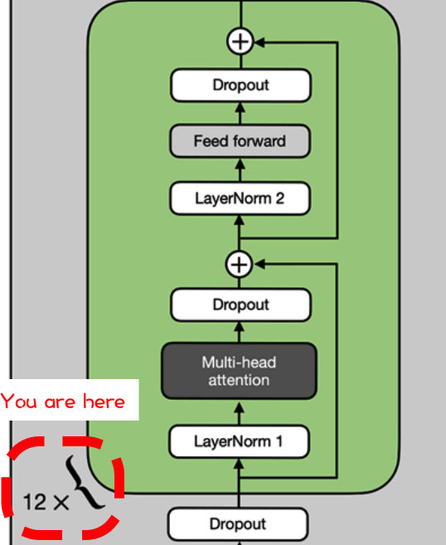
 |  |  |  |  | ⬇
 |  | Transformer 1 | 2.0 | 35.5 | 15.1 | 3.0 | -3.3
 |  | output | -15.8 | -18.6 | -19.2 | 7.6 | -23.9
 |  |  | -3.9 | -13.7 | -3.7 | -6.8 | -39.0
 |  |  | 3.8 | -16.7 | 11.7 | -2.6 | 43.3
 |  |  | -19.3 | 4.8 | 36.1 | -4.8 | -36.4
 |  |  |  |  | ⬇
 |  | Transformer 2 | -1.2 | 0.6 | -1.8 | 0.3 | 1.2
 |  | output | 1.4 | 0.2 | 0.5 | 1.2 | 0.7
 |  |  | -0.4 | -0.5 | 0.1 | 0.4 | 0.5
 |  |  | -0.4 | -2.0 | -0.9 | 0.4 | 0.7
 |  |  | -1.2 | 0.4 | 0.9 | 1.7 | -0.7
 |  |  |  |  | ⬇
 |  | Transformer 3 | 2.5 | 0.1 | 1.7 | 0.5 | -0.9
 |  | output | -2.1 | 0.2 | 0.6 | -1.0 | -0.2
 |  |  | 0.5 | -0.6 | -1.0 | 0.7 | -0.3
 |  |  | -0.2 | -0.7 | 0.1 | 1.3 | -3.1
 |  |  | -0.6 | 0.2 | 0.9 | 0.2 | 0.1
 |  |  |  |  | ⬇
 |  | Transformer 4 | 1.0 | -1.0 | 0.5 | 1.8 | -0.3
 |  | output | 0.8 | -1.6 | 0.9 | 0.2 | -0.7
 |  |  | -1.4 | -1.0 | 0.8 | 0.7 | 0.2
 |  |  | 2.3 | -1.1 | -0.5 | 1.5 | -1.1
 |  |  | -0.5 | -1.2 | -0.2 | -0.1 | -0.3
 |  |  |  |  | ⬇
 |  | Transformer 5 | -0.9 | -0.1 | -0.7 | 0.3 | -0.2
 |  | output | -1.6 | -1.6 | -1.1 | -2.0 | 0.7
 |  |  | 0.4 | 0.5 | -1.1 | 0.0 | -0.5
 |  |  | -0.6 | -0.4 | -0.3 | 0.5 | 0.2
 |  |  | -0.9 | 1.1 | 0.5 | -1.5 | -0.9
 |  |  |  |  | ⬇
 |  | Transformer 6 | -1.4 | 0.3 | -1.9 | 1.7 | -0.1
 |  | output | -0.1 | -0.8 | -1.4 | 0.6 | 0.4
 |  |  | 1.2 | -1.9 | 1.7 | -1.2 | 0.4
 |  |  | -1.6 | -1.0 | -0.1 | -1.6 | 1.4
 |  |  | -1.0 | -0.6 | -0.2 | 2.0 | -1.6
 |  |  |  |  | ⬇
 |  | Transformer 7 | -0.4 | 0.9 | 1.2 | -1.0 | 0.0
 |  | output | -0.2 | 0.1 | 1.1 | -2.0 | 0.5
 |  |  | -1.6 | 0.0 | -0.4 | 0.4 | -0.1
 |  |  | 1.5 | 1.7 | -0.3 | 0.0 | -0.3
 |  |  | -1.7 | -2.0 | -1.0 | -0.6 | 2.3
 |  |  |  |  | ⬇
 |  | Transformer 8 | -0.2 | 0.5 | 1.9 | 0.0 | 0.8
 |  | output | 1.2 | 0.9 | 0.2 | -1.0 | -0.7
 |  |  | -1.4 | -0.4 | 1.1 | -0.7 | 0.7
 |  |  | -2.8 | 0.4 | -0.2 | 1.8 | -0.5
 |  |  | 1.0 | 2.1 | 1.0 | -1.1 | -0.7
 |  |  |  |  | ⬇
 |  | Transformer 9 | -0.9 | 1.5 | 0.0 | 1.9 | -0.4
 |  | output | 1.1 | -0.2 | 0.6 | -0.9 | 1.8
 |  |  | -0.8 | 0.5 | -1.9 | 0.5 | 0.2
 |  |  | -2.4 | -1.4 | 0.2 | 0.1 | -0.5
 |  |  | -1.1 | -1.4 | -0.6 | 1.1 | -0.8
 |  |  |  |  | ⬇
 |  | Transformer 10 | 0.6 | -0.1 | -1.4 | -0.3 | 0.1
 |  | output | 1.0 | -0.9 | 1.8 | -2.3 | 1.2
 |  |  | -0.2 | -0.5 | -0.8 | -0.6 | 0.0
 |  |  | 1.3 | 0.8 | 1.5 | 0.7 | 0.4
 |  |  | 0.3 | 1.1 | -0.2 | -2.1 | -0.6
 |  |  |  |  | ⬇
 |  | Transformer 11 | -0.4 | 1.0 | 1.3 | -1.6 | 1.8
 |  | output | -0.5 | 0.6 | -1.2 | 0.1 | -0.4
 |  |  | 0.4 | 0.7 | -0.3 | 1.7 | 0.9
 |  |  | 1.0 | -0.5 | -0.1 | -0.6 | -0.6
 |  |  | 1.7 | 0.5 | 1.3 | -0.4 | -0.1
 |  |  |  |  | ⬇
 |  | Transformer 12 | -0.5 | -0.7 | 0.9 | 0.3 | -0.2
 |  | output | 2.4 | -1.1 | -0.3 | -0.7 | -0.4
 |  |  | 0.9 | -0.7 | -1.5 | 0.4 | 1.6
 |  |  | -0.8 | 1.8 | 0.5 | 0.0 | 0.2
 |  |  | 0.2 | 1.0 | 0.9 | 0.0 | 0.1
 |  |  |  | ⬇
Final LayerNorm
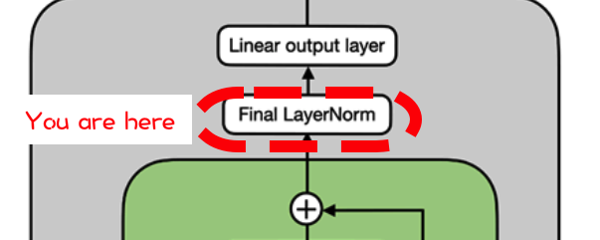
 |  |  |  | ⬇
 | LayerNorm | -0.8 | -1.1 | 1.6 | 0.6 | -0.2
 |  | 2.0 | -0.8 | -0.2 | -0.6 | -0.3
 |  | 0.6 | -0.7 | -1.5 | 0.3 | 1.3
 |  | -1.3 | 1.7 | 0.1 | -0.4 | -0.1
 |  | -0.7 | 1.4 | 1.0 | -1.0 | -0.7

Unembedding Matrix

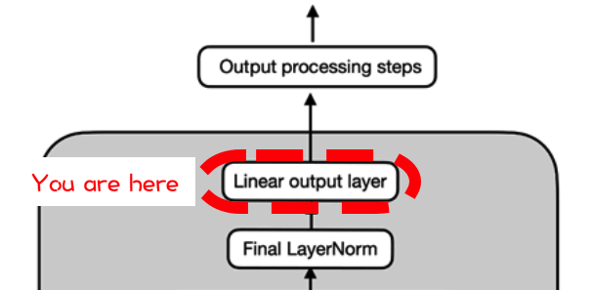
 |  | 1 | 2 | 3 | 4 | 5 | ... | 52678
 |  | EOS | the | brown | dog | jumped | ... | lorem
 | 1 | 1.0 | -0.4 | 0.1 | 0.8 | 0.0 | ... | -3.6
 | 2 | -0.1 | 0.7 | -1.4 | -1.1 | 0.4 | ... | -0.4
 | 3 | -0.2 | 0.3 | -1.5 | -0.5 | 0.0 | ... | 0.9
 | 4 | 1.4 | -0.6 | 1.0 | -0.4 | -0.5 | ... | 1.0
 | 5 | -0.6 | 0.8 | -1.1 | -0.7 | -0.4 | ... | -0.6
 | ... | ... | ... | ... | ... | ... | ... | ...
 | 768 | 1.1 | -0.9 | -1.1 | 0.6 | -0.1 | 2.5 | 0.0
 |  |  |  |  | ⬇
 |  |  |  |  | ⬇
 | Unembedded | 0.0 | -0.6 | 0.0 | -0.3 | -0.7 | -0.1 | -1.9
 |  | 1.5 | -1.4 | 1.5 | 3.1 | 0.1 | 0.7 | 0.4
 |  | 0.6 | -0.3 | 2.1 | 1.0 | -0.9 | -0.9 | -1.6
 |  | -2.1 | 1.9 | -3.1 | -2.8 | 1.0 | 2.2 | -0.3
 |  | -2.0 | 1.6 | -3.7 | -1.7 | 1.3 | 0.1 | 0.4
 |  | 0.3 | 0.7 | -0.5 | 0.2 | 0.5 | -0.6 | -0.9
 |  | 1.2 | -1.8 | 0.1 | -0.1 | 1.3 | -2.2 | 1.2
 |  |  |  |  | ⬇
 |  |  |  |  | ⬇
SoftMax
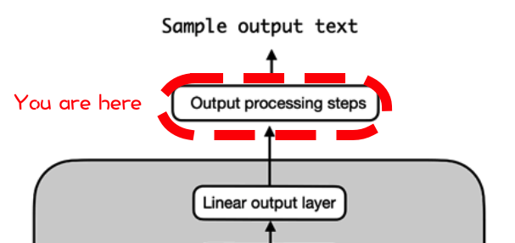
 |  |  |  |  | ⬇
 | Output | 0.2 | 0.1 | 0.2 | 0.1 | 0.1 | 0.2 | 0.0
 |  | 0.1 | 0.0 | 0.1 | 0.6 | 0.0 | 0.1 | 0.0
 |  | 0.1 | 0.1 | 0.6 | 0.2 | 0.0 | 0.0 | 0.0
 |  | 0.0 | 0.4 | 0.0 | 0.0 | 0.1 | 0.5 | 0.0
 |  | 0.0 | 0.4 | 0.0 | 0.0 | 0.3 | 0.1 | 0.1
 |  | 0.2 | 0.3 | 0.1 | 0.2 | 0.2 | 0.1 | 0.1
 |  | 0.27 | 0.01 | 0.08 | 0.07 | 0.29 | 0.01 | 0.27
 |  | 1 | 2 | 3 | 4 | 5 | 6 | 7
 |  | Has | Did | Fox | Dog | You | The | Are

ArgMax of last row (choose the biggest next token)

 | ArgMax | 0.29
 | TokenID | 5

 | Token | The

Why there's no exercises? The key takeaway...

 |  |  |  |  | Transformers aren't magic.
 |  |  |  |  | It's MatMuls in a training loop all the way down.
 |  |  |  |  | You've seen every component of GPT2.

