wo answers
Cross entropy from training our 124M LLM

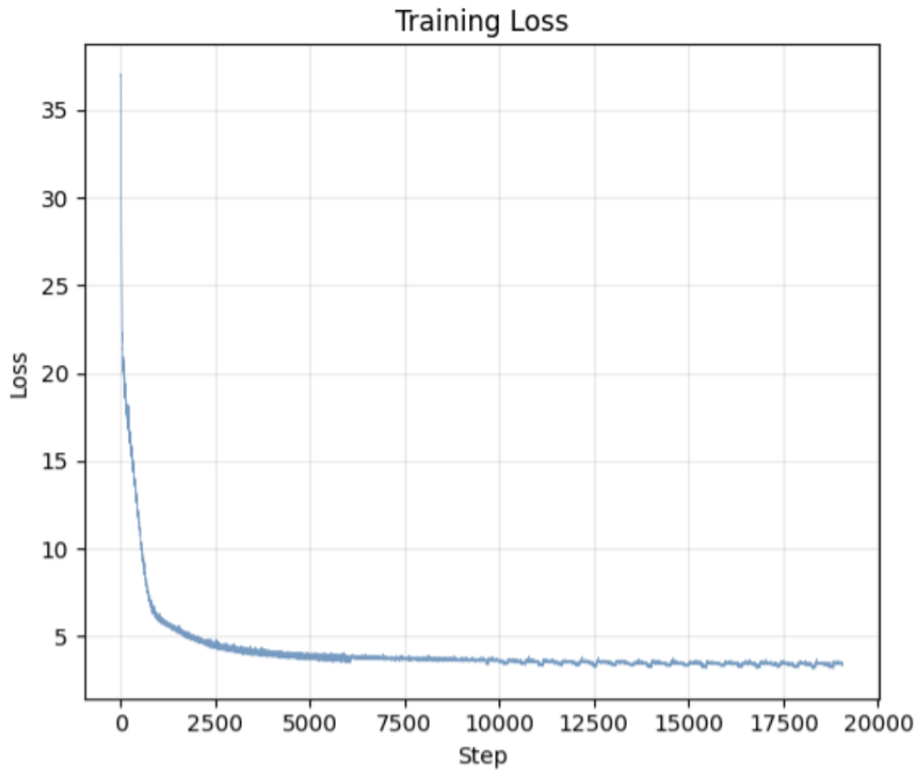

 | Step | 0 | 250 | 500 | 1000 | 2000 | 3000 | 5000 | 7500 | 10000 | 15000 | 19000 | 25000 | 35000 | 50000 | 80000
 | CE_bits | 37 | 18 | 10 | 6.5 | 4.8 | 4.3 | 3.9 | 3.7 | 3.6 | 3.4 | 3.3 | 3 | 2.7 | 2.5 | 2

Perplexity

 | Step | 0 | 250 | 500 | 1000 | 2000 | 3000 | 5000 | 7500 | 10000 | 15000 | 19000 | 25000 | 35000 | 50000 | 80000
 | CE_bits | 37 | 18 | 10 | 6.5 | 4.8 | 4.3 | 3.9 | 3.7 | 3.6 | 3.4 | 3.3 | 3 | 2.7 | 2.5 | 2

 | Perplexity | 137438953472 | 262144 | 1024 | 91 | 28 | 20 | 15 | 13 | 12 | 11 | 10 | 8 | 6 | 6 | 4

Perplexity in words

 |  |  | At step | 10000 | our LLM uniformly chose between |  |  |  |  | 12 | tokens
 |  |  | At step | 2000 | our LLM uniformly chose between |  |  |  |  | 28 | tokens
 |  |  | At step | 500 | our LLM uniformly chose between |  |  |  |  | 1024 | tokens

